ESP32_NodeMCU
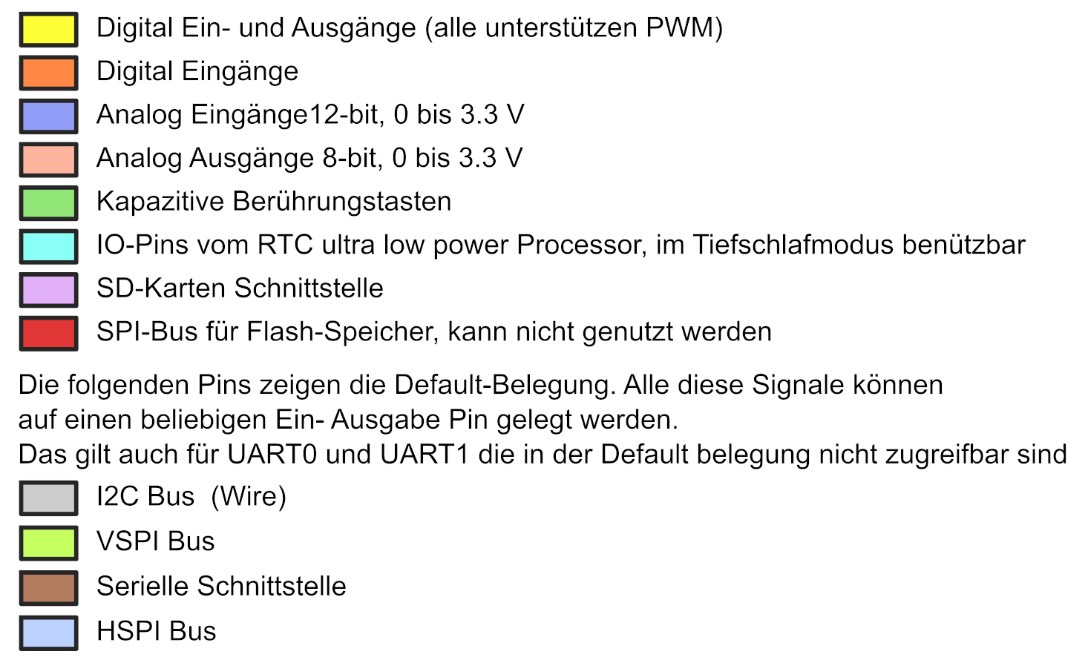
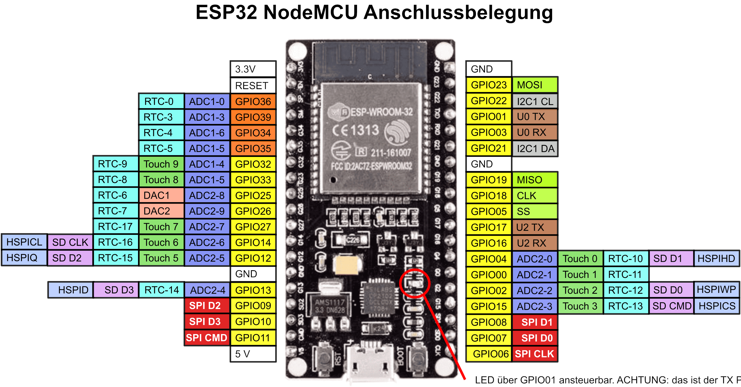

 | debug red |  | GND
 | debug lila | (Tast & Pup)
 | MQ135 Gas |  | OLED
I2C2 | Ana Vorabe |  | int LED nio

 |  |  | OLED

 | debug yellow (TMS)
 | debug green (TDI)
 | debug black (GND) |  | Tast & Pup
 | debug orange (TCK)
 |  |  |  | (TDO) debug blue

 |  | 5 V

ESP32_D1
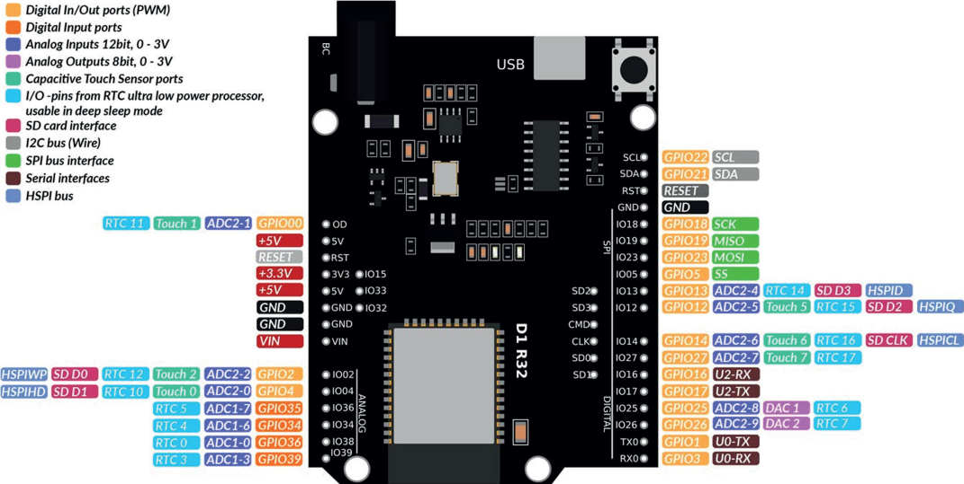

 |  | RTC | OLED | BME 280 | FRAM
 |  | RTC | OLED |  | FRAM

 |  |  |  |  | SD SCK
 |  |  |  |  | SD MISO
 |  |  |  |  | SD MOSI
 |  |  |  |  | SD CS
 |  | Flash
 |  | Flash

 |  | Flash
 |  |  | Buzzer
 | Flash
 | Flash |  | Ampel gr |  | I2C2 SDA
Gas Ajust |  |  | Ampel ge |  | I2C2 SCL
QM135Gas |  |  | Ampel rt

RTC_D1_Shield
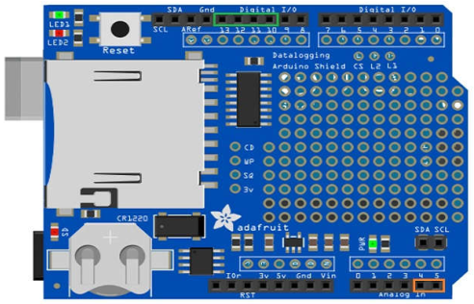
Die Anschluesse muessen auf der LP
verfolgt und ev getrennt/verbundenwerden
RTC SDA | I2C
RTC SCL | I2C

SCK | SPI
MISO | SPI
MOSI | SPI
SS | SPI

 |  | RTC SCL
 |  | RTC_SCA

