Tabelle1
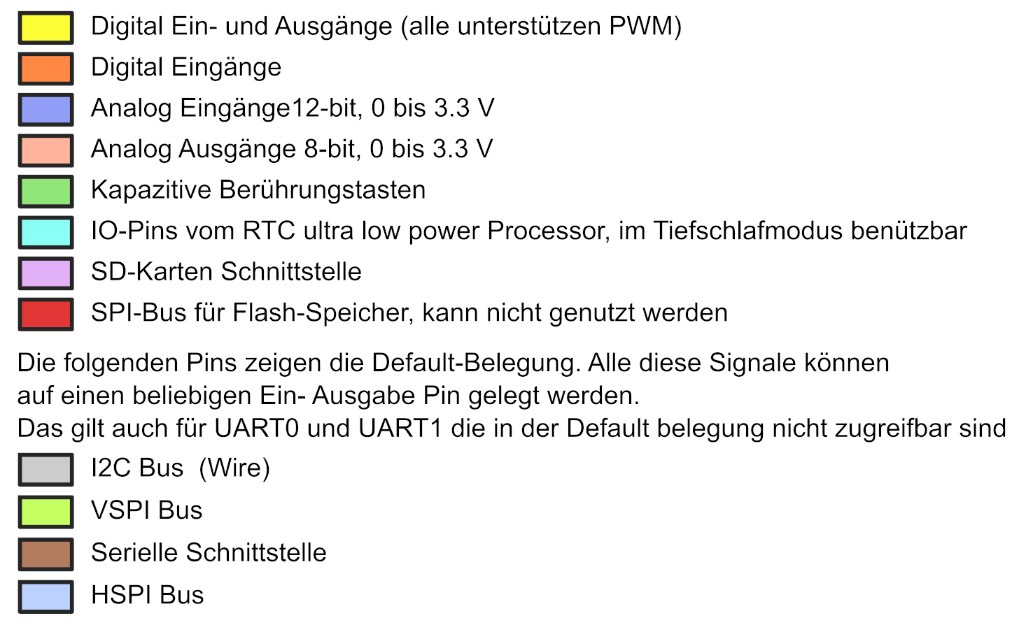
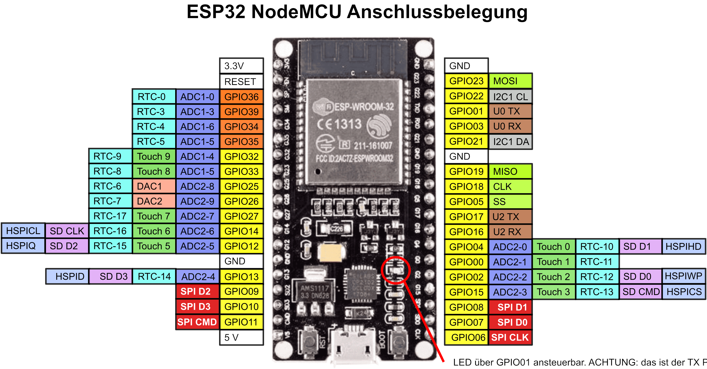

 | debug rot |  | GND
 | debug lila | (Tast & Pup)
 | MQ135 Gas |  | OLED
I2C2 |  |  | int LED nio

 |  |  | OLED

 | debug gelb
 | debug grün
 | debug schw |  | Tast & Pup
 | debug oran
 |  |  |  | debug blau

 |  | 5 V

