Instr.
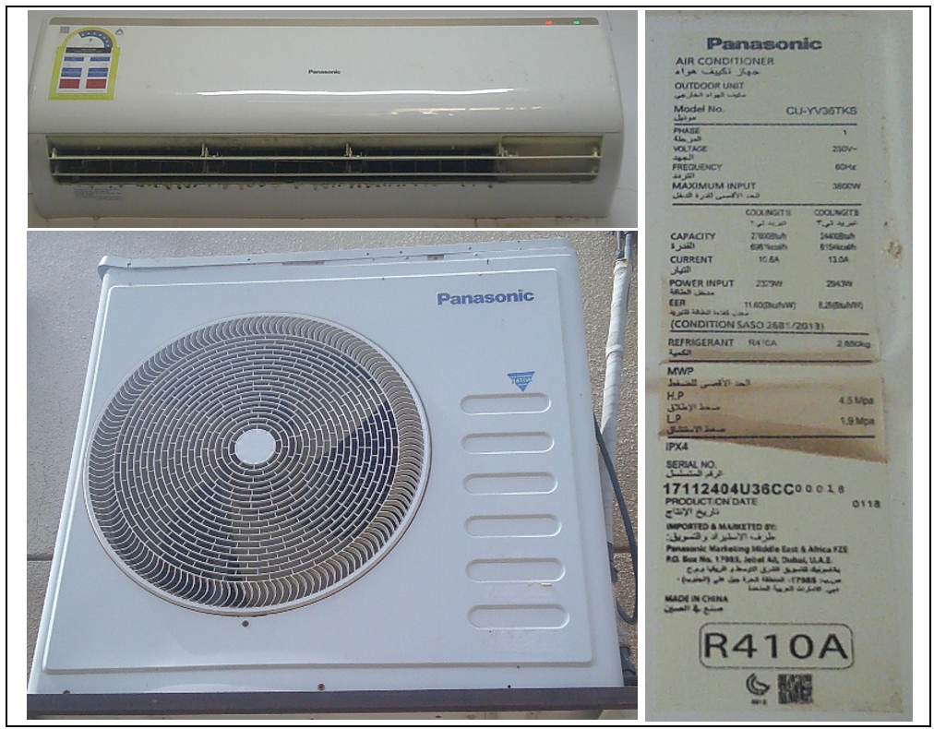
Savings Sheet – Version Update as of 26th Nov 2025
 | General instruction mentioned below to fill the sheet and Calculate savings.
 | Please follow the below steps:

Site Survey & Collection of the AC details
Step 1
 |  | Survey shall be done for all building in project scope.
 |  | Each Building, each room details to collect like Zone Name / No, Building Name / No,Floor No, Space type / Use, AC QTY, AC operation and area served(m2) etc.
 |  | Collect Nameplate Picture of each unique AC model (Both Indoor and same connected Outdoor) AC's.
 |  | Including equipment Type and capacity (Window / Wallmounted/ Cassette / Floorstand / Ceiling etc ) Make,Model Number ,Compressor Type (Inverter or Non - Inverter ) etc.
 |  | Total Quantity of Each unique model number of each equipment type.
 |  | Survey the AC compressor type in detailed and avoid considering inverter AC systems in replacement scope.
 |  | Do not include AC units in housing or residential buildings for savings calculation.
Fill out the Sheet "OH"
Step 2 |  | Fill these cells as instructed below.
 |  | Do not change any values on these cells.
 |  | Fiilout Region , District - Identify the areas, location, building names, usage for all buildings under the scope.This will be reflected in the savings sheet.
 |  | Sheet shall fill only with unique information like Building Name ,unique space type and unique operation hours for the AC.
 |  | If the building has multiple ac's with same space type and same operation hours fill it once under the building Name.
 |  | Identify the operating hours of AC from 00:00:00 AM to 23:59:00 PM for all areas based on the letter from the entity or site collected information.
 |  | Fillout no of days AC working per week & no of weeks AC working per year.
 |  | If AC's are not operating during vacation / off days, fill only working weeks and mention which weeks are not in operation.
 |  | Make sure operation hours are filled for AC running hours of that space.
Use of EFLH Calculator
 |  | EFLH calculator to used to calculate the AC fullload running hours based on the hours of operation.
 |  | Each region has its own EFLH tool. Be sure to use the calculator specific to your project's location.
 |  | For Mosque use std EFLH value mentioned in tool.
 |  | Fill this calculated value in AC_OH sheet which will reflect in savings sheet.
 |  | Eg. For OH from 16:00PM to 8:00AM, enter data 16:00PM to 23:59PM and Then 00:00AM to 8:00AM ,sum both value get total EFLH.

Sheet "Aprvd Project Units"
 |  | This part shall be filled out as per the Material Submittal proposal.
 |  | Provide AC valid SASO Label & certificate of each proposed model.
 |  | Ensure the supplier has the required stock.
 |  | SASO and Datasheet details should be renamed as per model description as below.
 |  | Window Zamil 1.5TR SEER 6.51
 |  | (Type: Window or split) (Make) (Tonnage) (SEER: SEER Value)
 |  | Refer Project_AC List for all approved model from multiple suppliers, if not available it can add in the last row for that capacity and Submit SASO.
Fill out the Sheet "AC_Savings"
Step 3
 |  | Fill these cells based on site collected information as instructed below.
 |  | Do not change any values on these cells.
 | EFLH | all values will be automatically generated.
 | Capacity Check | Make sure each selected models for Project units should be within 10% of original capacity.
 | % Savings | Make sure % of Savings is greater than or equal 15%
 | AC Type Match | AC type selection for baseline and replacement must match,refer column "AH" to verify.
 |  | Select "Building Name" from dropdown list, followed by location description which contains space type ,these location are only for the selcted building, other details will be autogenerated linked to OH table.
 |  | Fillout above selected space Floor no and existing AC area served in sq. meter.
 |  | Fillout existing AC qty in that space. Qty can be merged together if the space type, AC opertaion timing and existing model specification are same.
 |  | Now fill surveyed AC details for that space , select Equipment type, Make,Size category and Model no from dropdown list. Equivalent model selection shall autogenerate for that baseline unit. If Model no not available in the "Old_Model_Registry" share the Nameplate picture to Tarshid Technical team to add in the list.
 |  | Make sure Column "N" to Column "Q" selection are in ascending order to avoid error or Null value.
 |  | Now fill the Proposed AC details for that space, Select equipment description from dropdown list.
 |  | Very important: Make sure all existing AC's are (+-) 10% range of New Project AC's , if Not please submit MS with new capacity within range of existing ac BTUH.
 |  | Inverter AC must not include in scope of replacement , hence selection not required.

Refer "Aprvd Baseline Unit"
 |  | Do not change / enter any values on these cells.
 |  | This is the information of the equivalent baseline (old) existing units for selection and use for savings calculation.
 |  | Window and Split units that have namplate and datasheets.
 |  | Provide Nameplate Pic and exact Datasheet in order to add in this baseline list.

Refer "Old_Model_Registry"
 |  | Do not change / enter any values on these cells.
 |  | This is the database of the (old) existing units for selection and use for savings calculation.
 |  | If any model not found in this database , provide nameplate picture to add here.
 |  | Picture should be readable combined with connected Indoor and Outdoor with Nameplate as "shown in Pic".

