Question
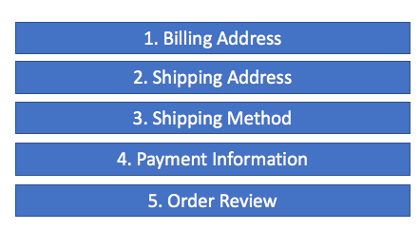
The data on the "Data" worksheet is fabricated data for a hypothetical website. Each row represents data for the given week beginning on the date in Column A. The data represents event logging recorded by the system as hypothetical customers step through the checkout process.
Below, you will see a visual representation of the checkout flow for a hypthetical website.

The data represents the count of unique customers that reach each step of the checkout process. A quick description of each count appears below:

checkout_start | Unique customers who arrived on the checkout page
ship_addr_success | Unique customers who successfully moved from the Shipping Address section to the Shipping Method section
ship_method_success | Unique customers who successfully moved from the Shipping Method section to the Payment Information section
payment_info_success | Unique customers who successfully moved from the Payment Information section to the Order Review section
place_order_start | Unique customers who clicked the Place Order button in the Order Review section
place_order_success | Unique customers who successfully placed their order and got to a confirmation screen after clicking the Place Order button
place_order_error | Unique customers who got an error message after clicking the Place Order button

The goal for this exercise is to understand and optimize the checkout process as well as examine the checkout process to identify potential issues.
Using the dataset provided, identify at least 4 significant weeks and develop a theory for what may have happened in those weeks that was abnormal. In addition, suggest any next steps for addressing your observation. Support your observations and theories with data.

