ruteo pcb
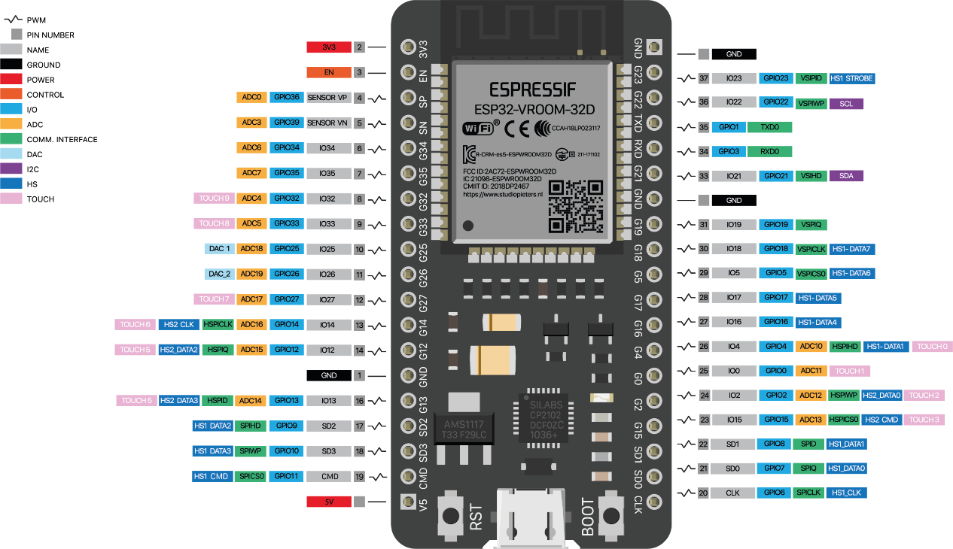
 | 1 | 2 | 3 | 4 | 5 | 6 | 7 | 8 | 9 | 10 | 11 | 12 | 13 | 14 | 15 | 16 | 17 | 18
A
B
C |  |  |  |  | clk | 2 | 3 | 4 | 5 | 6 | 7 | 8 | 9 | 10 | 5V |  |  | Conector alimentacion
D |  |  |  |  | 2
E |  |  |  |  | 3
F |  |  |  |  | 15
G |  |  |  |  | 2
H |  |  |  |  | 6 |  |  |  |  |  |  |  |  | GND
I |  |  |  |  | G4 | teclado 2 |  |  |  |  |  |  |  |  | 12
J |  |  |  |  | 16 |  |  |  |  |  |  |  |  |  | 14
K |  |  |  |  | 17 |  |  |  |  |  |  |  | botones |  | 27
L |  |  |  |  | 5 |  |  |  | ESP32 |  |  |  |  |  | 26
M |  |  |  |  | 18 |  |  |  |  |  |  |  |  |  | 25
N |  |  |  |  | 19 |  |  |  |  |  |  |  |  |  | 33
O |  |  |  |  | GND |  |  |  |  |  |  |  | leds |  | 32
P |  |  |  |  | 21 | SDA |  |  |  |  |  |  |  |  | 35
K
R
S |  |  |  |  | 22 | SCL
T |  |  |  |  | 18
U |  |  |  |  | GND
V
W
X

