Sheet2
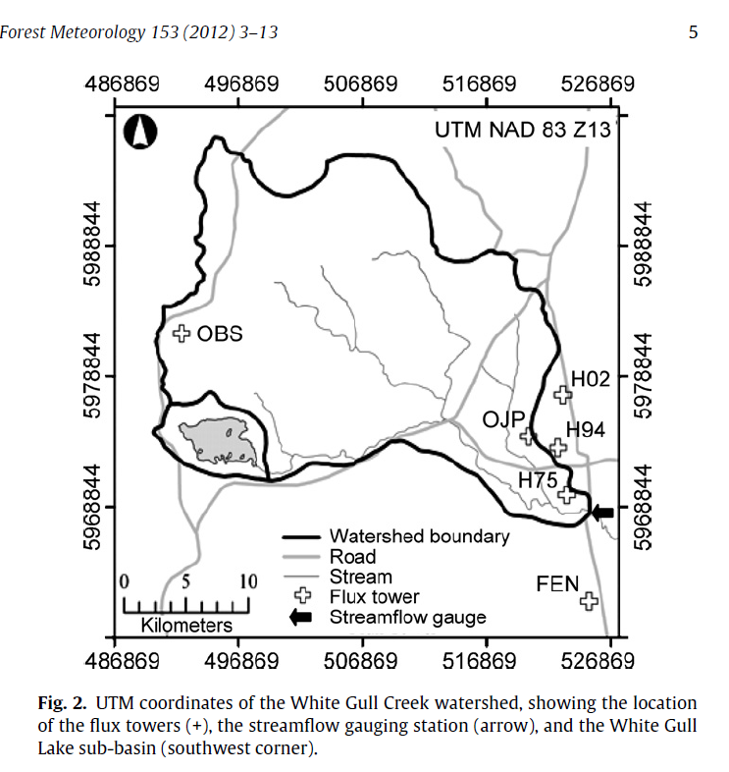
 |  |  |  | x | -105.2
 |  |  |  | y | 54.4

Station

 |  |  |  | yDelta | 0.7

Gauge

 |  |  |  | x | -105.2 |  | xDelta | 0.7 | x | -104.5
 |  |  |  | y | 53.7 |  |  |  | y | 53.7

 |  |  |  | Gross Drainage Area | 603 | km2
xGauge | -104.617 | -6277 | -104.61666667 |  | 6.03E+08 | m2
yGauge | 53.81667 | 3229 | 53.816666667 | Nominal Grid Size | 24556.058316

xStation | -105.12
yStation | 53.99

Try doing a 1x1 grid cell
Need to include the streamflow gauge to avoid an error when running MESH

xOrigin | -105.9
yOrigin | 53

