Sheet1
RQ1
[0,1] | 1560
(1,2] | 2934
(2,3] | 8187
(3,4] | 14598
(4,5] | 17020
(5,6] | 12628
(6,7] | 5913
(7,8] | 1897
(8,9] | 464
[9,10) | 129
>10 | 121
sum | 65451

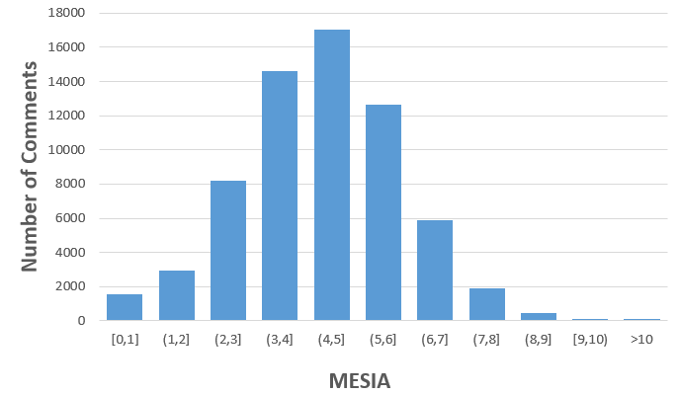
19.3%
13.0%

