Sheet1
 | seq2seqBLEU | seq2seqRouge | transformerBLEU | transformerRouge
1 | 0.38535939603 | 0.54332266518 | 0.3961495755 | 0.55692431036
2 | 0.33296300306 | 0.50781735271 | 0.34931859312 | 0.51124156027
3 | 0.30868080534 | 0.47207657255 | 0.3371304782 | 0.48536813579
4 | 0.31116300526 | 0.45776684017 | 0.33491280454 | 0.47473057631
5 | 0.28782910287 | 0.43546286822 | 0.3114137008 | 0.45492475025
6 | 0.27372787679 | 0.41266971883 | 0.32022110591 | 0.44812260528
7 | 0.25193145016 | 0.37468395793 | 0.29003740722 | 0.40991237151
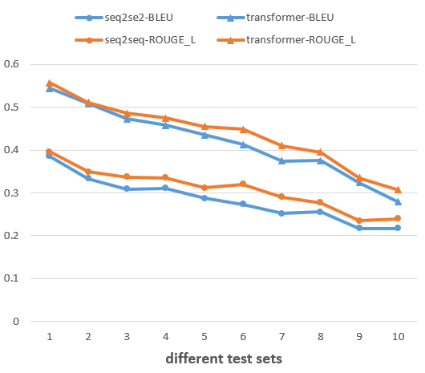
8 | 0.25522206607 | 0.37515534252 | 0.27686036324 | 0.39466212956
9 | 0.21727474059 | 0.32403035171 | 0.23541482265 | 0.33538399515
10 | 0.21725688224 | 0.27881694159 | 0.23935025991 | 0.30714838031

