RQ1
Row Labels | Count of abstract case description | RQ1) Which processes outlined in the ISO/IEC 5338 standard, when overlooked, contribute to the root causes of Data Debt in AI-integrated SD projects?
Acquisition Process (6.1.1) | 19
Difficulty in matching data collected from different third-party sources | 2
Processes Contributing to Root Causes of Data Debt
Experiencing memory leaks during data preprocessing step | 1
Handling data from third-party sources and using it in the current model is challenging | 1
Inability to clearly understand which keywords and/or pages users used to access the relevant page for the recommendation engine | 1
Inability to obtain the data scraped from commercial sites | 1
Incomplete or insufficient datasets gathered from third-party data sources | 1
Model building was naively done such as testing a pre-trained model with publicly available data to see if it works and fine tuning the model | 2
No previously labeled data | 1
Partially correct outsourced labeled data | 1
Partially obtaining data from external third-party sources ethically and legally is labor-intensive | 1
Problems in data retrieval via API, such as incorrect parsing, fetching unnecessary data, and not testing data acquisition | 2
Real-time data collection from drones is not allowed in public spaces for commercial purposes | 2
Reduction in the number of data sources such as cameras to achieve a simpler, more feasible solution | 1
The public dataset is not representative for the problem | 1
Unable to include the documents exceeding the character size limitations of the embedding model into the datasets | 1
AI Data Engineering Process (6.4.8) | 89
Ambiguity in the labeling protocol | 7
Biased and poor quality labeled data | 3
Data smells emerged due to inconsistency between previously labelled data and current data labeled with the revised labeling protocol | 3
Difficulty in deriving meaningful insights from the data | 2
Difficulty in determining all possible use cases and creating a dataset representing all these different use case scenarioes | 2
Difficulty in matching data collected from different third-party sources | 3
Difficulty in numerically encoding text features | 1
Difficulty in selecting a representative validation dataset | 2
Difficulty in tailoring existing in-house projects to different customers | 2
Empty values in the dataset | 1
Failure to include new use cases in the dataset | 1
Handling data from third-party sources and using it in the current model is challenging | 1
Having adversarial data | 1 |  | Processes | Unique Case Counts | Percentages
Having noisy data | 8 |  | Acquisition | 15 | 9.1%
High maintenance requirements for manuel data preprocessing for the upcoming data | 2 |  | AI Data Engineering | 44 | 26.8%
Inability to clearly understand which keywords and/or pages users used to access the relevant page for the recommendation engine | 1 |  | Configuration Management | 4 | 2.4%
Inability to obtain the data scraped from commercial sites | 2 |  | Continuous Validation | 2 | 1.2%
Inability to utilize pre-built language models trained on text data written in English | 1 |  | Decision Management | 3 | 1.8%
Incomplete or insufficient datasets gathered from third-party data sources | 2 |  | Design Definition | 11 | 6.7%
Increase in false positives during email-based phishing project | 1 |  | Human Resource Management | 8 | 4.9%
Increase in false positives during form-based phishing project | 1 |  | Implementation | 4 | 2.4%
Issues related to irrelevant and redundant data collection process | 1 |  | Knowledge Management | 1 | 0.6%
Lack of a unified labeling protocol within different parts of the same projects | 1 |  | Project Planning | 8 | 4.9%
Lack of labelling protocol and dataset requirements specification | 1 |  | Quality Assurance | 22 | 13.4%
Missing downstream data during time series forecasting | 3 |  | Quality Management | 8 | 4.9%
Model building was naively done such as testing a pre-trained model with publicly available data to see if it works and fine tuning the model | 3 |  | Risk Management | 20 | 12.2%
Necessary data cannot be obtained | 1 |  | Stakeholder Needs and Req. Definition | 3 | 1.8%
No previously labeled data | 6 |  | System Req. Definition | 11 | 6.7%
Partially correct outsourced labeled data | 1 |  | Total | 164 | 100.0%
Partially obtaining data from external third-party sources ethically and legally is labor-intensive | 1
Problems in data retrieval via API, such as incorrect parsing, fetching unnecessary data, and not testing data acquisition | 3
Real-time data collection from drones is not allowed in public spaces for commercial purposes | 2
Redundant labeling processes | 2
Significant reduction in training data after splitting the data into test, training, and validation sets | 2
The annotation team does not handle the increased workload of data labeling | 1
The data has a limited number of labeled instances, and those that are labeled are biased | 3
The model has low success in small object detection | 1
The movement of objects and intermittent visibility significantly degrading the performance of models trained solely on still images | 1
The need for labelling protocol and training programs to ensure annotators understand and adhere to the labeling protocol | 2
The public dataset is not representative for the problem | 1
Time-consuming and resource-intensive process of labeling data | 3
Unable to include the documents exceeding the character size limitations of the embedding model into the datasets | 1
Uncertainty in data source structure | 1
Variability in data types for similar data points such as timestamp vs. datetime, integer vs. float | 1
Configuration Management Process (6.3.5) | 5
Lack of a unified labeling protocol within different parts of the same projects | 1
Lack of labelling protocol and dataset requirements specification | 1
Redundant update processes are carried out to set the duration for data retention | 1
The need for labelling protocol and training programs to ensure annotators understand and adhere to the labeling protocol | 2
Continuous Validation Process (6.4.14) | 2
Handling data from third-party sources and using it in the current model is challenging | 1
Reduction in the number of data sources such as cameras to achieve a simpler, more feasible solution | 1
Decision Management Process (6.3.3) | 3
Difficulty in selecting a representative validation dataset | 1
Problems in data retrieval via API, such as incorrect parsing, fetching unnecessary data, and not testing data acquisition | 1
Unable to include the documents exceeding the character size limitations of the embedding model into the datasets | 1
Design Definition Process (6.4.5) | 12
Difficulty in determining all possible use cases and creating a dataset representing all these different use case scenarioes | 1
Difficulty in selecting a representative validation dataset | 1
Failure to include new use cases in the dataset | 1
Inability to clearly understand which keywords and/or pages users used to access the relevant page for the recommendation engine | 1
Inability to obtain the data scraped from commercial sites | 1
Incomplete or insufficient datasets gathered from third-party data sources | 1
Necessary data cannot be obtained | 1
Real-time data collection from drones is not allowed in public spaces for commercial purposes | 2
Significant reduction in training data after splitting the data into test, training, and validation sets | 1
Uncertainty in data source structure | 1
Variability in data types for similar data points such as timestamp vs. datetime, integer vs. float | 1
Human Resource Management Process (6.2.4) | 9
High maintenance requirements for manuel data preprocessing for the upcoming data | 1
Lack of labelling protocol and dataset requirements specification | 1
No previously labeled data | 1
Redundant labeling processes | 1
The annotation team does not handle the increased workload of data labeling | 1
The data has a limited number of labeled instances, and those that are labeled are biased | 1
The need for labelling protocol and training programs to ensure annotators understand and adhere to the labeling protocol | 2
Time-consuming and resource-intensive process of labeling data | 1
Implementation Process (6.4.9) | 4
Difficulty in selecting a representative validation dataset | 1
Inability to utilize pre-built language models trained on text data written in English | 1
Model building was naively done such as testing a pre-trained model with publicly available data to see if it works and fine tuning the model | 1
The movement of objects and intermittent visibility significantly degrading the performance of models trained solely on still images | 1
Knowledge Management Process (6.2.6) | 1
Redundant labeling processes | 1
Maintenance Process (6.4.16) | 1
Data smells emerged due to inconsistency between previously labelled data and current data labeled with the revised labeling protocol | 1
Project Planning Process (6.3.1) | 13
Difficulty in determining all possible use cases and creating a dataset representing all these different use case scenarioes | 1
High maintenance requirements for manuel data preprocessing for the upcoming data | 2
Inability to clearly understand which keywords and/or pages users used to access the relevant page for the recommendation engine | 1
Necessary data cannot be obtained | 1
No previously labeled data | 2
The annotation team does not handle the increased workload of data labeling | 2
The data has a limited number of labeled instances, and those that are labeled are biased | 2
Time-consuming and resource-intensive process of labeling data | 2
Quality Assurance Process (6.3.8) | 37
Biased and poor quality labeled data | 2
Data smells emerged due to inconsistency between previously labelled data and current data labeled with the revised labeling protocol | 3
Difficulty in deriving meaningful insights from the data | 1
Difficulty in matching data collected from different third-party sources | 2
Difficulty in selecting a representative validation dataset | 1
Difficulty in tailoring existing in-house projects to different customers | 1
Empty values in the dataset | 1
Failure to include new use cases in the dataset | 1
Handling data from third-party sources and using it in the current model is challenging | 1
Having noisy data | 7
High maintenance requirements for manuel data preprocessing for the upcoming data | 1
Increase in false positives during email-based phishing project | 2
Model building was naively done such as testing a pre-trained model with publicly available data to see if it works and fine tuning the model | 2
No previously labeled data | 2
Partially correct outsourced labeled data | 1
Significant reduction in training data after splitting the data into test, training, and validation sets | 1
The data has a limited number of labeled instances, and those that are labeled are biased | 3
The model has low success in small object detection | 1
The movement of objects and intermittent visibility significantly degrading the performance of models trained solely on still images | 1
The public dataset is not representative for the problem | 1
Uncertainty in data source structure | 1
Variability in data types for similar data points such as timestamp vs. datetime, integer vs. float | 1
Quality Management Process (6.2.5) | 17
Ambiguity in the labeling protocol | 7
Data smells emerged due to inconsistency between previously labelled data and current data labeled with the revised labeling protocol | 3
Issues related to irrelevant and redundant data collection process | 1
Lack of a unified labeling protocol within different parts of the same projects | 1
Lack of labelling protocol and dataset requirements specification | 1
Redundant labeling processes | 1
The need for labelling protocol and training programs to ensure annotators understand and adhere to the labeling protocol | 2
Variability in data types for similar data points such as timestamp vs. datetime, integer vs. float | 1
Risk Management Process (6.3.4) | 26
Difficulty in numerically encoding text features | 1
Difficulty in selecting a representative validation dataset | 1
Empty values in the dataset | 1
Experiencing memory leaks during data preprocessing step | 1
Failure to include new use cases in the dataset | 1
Having adversarial data | 1
High maintenance requirements for manuel data preprocessing for the upcoming data | 1
Inability to clearly understand which keywords and/or pages users used to access the relevant page for the recommendation engine | 1
Inability to obtain the data scraped from commercial sites | 1
Incomplete or insufficient datasets gathered from third-party data sources | 1
Missing downstream data during time series forecasting | 3
Necessary data cannot be obtained | 1
No previously labeled data | 2
Problems in data retrieval via API, such as incorrect parsing, fetching unnecessary data, and not testing data acquisition | 2
Real-time data collection from drones is not allowed in public spaces for commercial purposes | 2
Significant reduction in training data after splitting the data into test, training, and validation sets | 1
The data has a limited number of labeled instances, and those that are labeled are biased | 1
Time-consuming and resource-intensive process of labeling data | 2
Uncertainty in data source structure | 1
Variability in data types for similar data points such as timestamp vs. datetime, integer vs. float | 1
Stakeholder Needs and Requirements Definition Process (6.4.2) | 3
Lack of a unified labeling protocol within different parts of the same projects | 1
Partially obtaining data from external third-party sources ethically and legally is labor-intensive | 1
Uncertainty in data source structure | 1
System Requirements Definition Process (6.4.3) | 17
Ambiguity in the labeling protocol | 3
Having adversarial data | 1
Lack of labelling protocol and dataset requirements specification | 1
Model building was naively done such as testing a pre-trained model with publicly available data to see if it works and fine tuning the model | 1
No previously labeled data | 5
Partially obtaining data from external third-party sources ethically and legally is labor-intensive | 1
Problems in data retrieval via API, such as incorrect parsing, fetching unnecessary data, and not testing data acquisition | 1
Real-time data collection from drones is not allowed in public spaces for commercial purposes | 1
Reduction in the number of data sources such as cameras to achieve a simpler, more feasible solution | 1
The data has a limited number of labeled instances, and those that are labeled are biased | 1
Unable to include the documents exceeding the character size limitations of the embedding model into the datasets | 1
(blank)
(blank)
Grand Total | 258

RQ3
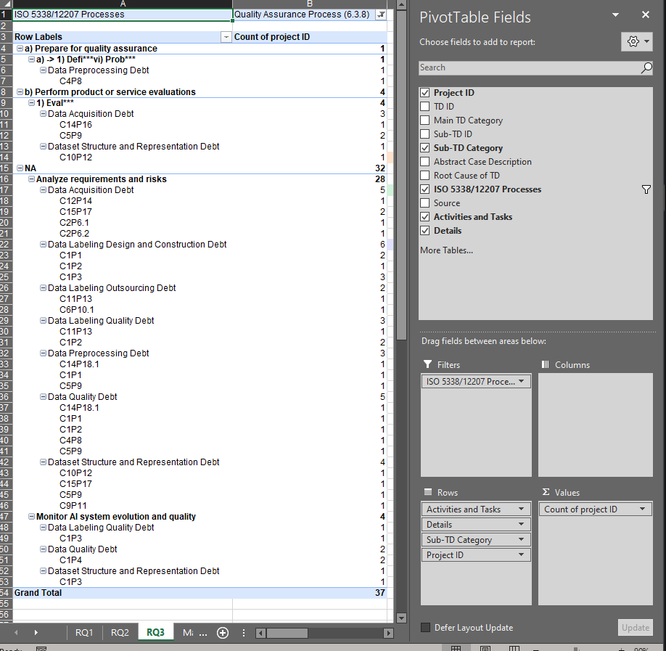
ISO 5338/12207 Processes | AI Data Engineering Process (6.4.8)
 |  |  | RQ3) What ISO/IEC 5338 and ISO/IEC 12207 activities help prevent Data Debt, and how are these activities distributed across data-debt cases in projects?
Row Labels | Count of project ID
a) Acquire or select data | 22
Data Acquisition Debt | 15 |  | Processes | Activities / Explanations | Sub-TD | Unique Project Count
C12P14 | 1 |  | Acquisition | Acquire data for AI data engineering process | Data Acquisition Debt | 8
C13P15 | 1 |  | Acquisition | Acquire data for AI data engineering process | Data Labeling Outsourcing Debt | 1
C15P17 | 2 |  | Acquisition | Acquire data for AI data engineering process | Data Preprocessing Debt | 1
C2P6.1 | 2 |  | Acquisition | Acquire data for AI data engineering process | Dataset Structure and Representation Debt | 1
C2P6.2 | 1 |  | AI Data Engineering | Acquire or select data | Data Acquisition Debt | 9
C3P7 | 1 |  | AI Data Engineering | Acquire or select data | Data Labeling Design and Construction Debt | 2
C5P9 | 3 |  | AI Data Engineering | Acquire or select data | Dataset Structure and Representation Debt | 4
C7P10.2 | 2 |  | AI Data Engineering | Conduct data labeling | Data Acquisition Debt | 2
C9P11 | 2 | 9 | AI Data Engineering | Conduct data labeling | Data Labeling Design and Construction Debt | 10
Data Labeling Design and Construction Debt | 2 |  | AI Data Engineering | Conduct data labeling | Data Labeling Outsourcing Debt | 2
C12P14 | 1 |  | AI Data Engineering | Conduct data labeling | Data Labeling Quality Debt | 2
C2P6.1 | 1 | 2 | AI Data Engineering | Analyze and explore data for understanding | Data Preprocessing Debt | 1
Dataset Structure and Representation Debt | 5 |  | AI Data Engineering | Analyze and explore data for understanding | Data Quality Debt | 1
C12P14 | 1 |  | AI Data Engineering | Analyze data quality | Data Acquisition Debt | 3
C15P17 | 1 |  | AI Data Engineering | Analyze data quality | Data Labeling Outsourcing Debt | 1
C1P3 | 2 |  | AI Data Engineering | Analyze data quality | Data Labeling Quality Debt | 1
C5P9 | 1 | 4 | AI Data Engineering | Analyze data quality | Data Preprocessing Debt | 1
b) Conduct data labelling | 28 |  | AI Data Engineering | Analyze data quality | Data Quality Debt | 6
Data Acquisition Debt | 2 |  | AI Data Engineering | Analyze data quality | Dataset Structure and Representation Debt | 4
C14P16 | 1 |  | AI Data Engineering | Document data lineage and data provenance | Dataset Structure and Representation Debt | 1
C9P11 | 1 |  | AI Data Engineering | Clean, merge and prepare data | Data Acquisition Debt | 4
Data Labeling Design and Construction Debt | 19 |  | AI Data Engineering | Clean, merge and prepare data | Data Labeling Design and Construction Debt | 1
C10P12 | 1 |  | AI Data Engineering | Clean, merge and prepare data | Data Preprocessing Debt | 4
C12P14 | 2 |  | AI Data Engineering | Clean, merge and prepare data | Data Quality Debt | 1
C13P15 | 1 |  | AI Data Engineering | Clean, merge and prepare data | Dataset Structure and Representation Debt | 1
C14P16 | 1 |  | AI Data Engineering | Protect sensitive data | Data Quality Debt | 1
C14P18.1 | 1 |  | AI Data Engineering | Ensure data readiness for AI models | Data Labeling Design and Construction Debt | 1
C1P1 | 1 |  | AI Data Engineering | Prepare training and validation data | Dataset Structure and Representation Debt | 1
C1P2 | 2 |  | AI Data Engineering | Prepare artefacts for traceability and maintenance | Data Acquisition Debt | 1
C1P3 | 5 |  | Configuration Management | Apar*** | Data Labeling Design and Construction Debt | 4
C5P9 | 2 |  | Configuration Management | Apar*** | Data Preprocessing Debt | 1
C9P11 | 3 |  | Continuous Validation | Monitor for data drift by applying checks on the model input data | Data Acquisition Debt | 1
Data Labeling Outsourcing Debt | 2 |  | Continuous Validation | Monitor requirements that are expected to change over time | Data Acquisition Debt | 1
C11P13 | 1 |  | Decision Management | The u*** | Data Acquisition Debt | 1
C6P10.1 | 1 |  | Decision Management | The u*** | Dataset Structure and Representation Debt | 2
Data Labeling Quality Debt | 5 |  | Design Definition | Prep*** | Data Acquisition Debt | 2
C1P2 | 2 |  | Design Definition | Prep*** | Data Quality Debt | 1
C1P3 | 3 |  | Design Definition | Prep*** | Dataset Structure and Representation Debt | 3
c) Analyse and explore data for understanding | 2 |  | Design Definition | Esta*** | Data Acquisition Debt | 2
Data Preprocessing Debt | 1 |  | Design Definition | Esta*** | Dataset Structure and Representation Debt | 1
C4P8 | 1 |  | Human Resource Management | Acqu*** | Data Labeling Design and Construction Debt | 5
Data Quality Debt | 1 |  | Human Resource Management | Acqu*** | Data Labeling Quality Debt | 1
C4P8 | 1 |  | Human Resource Management | Acqu*** | Data Preprocessing Debt | 1
d) Analyse data quality | 16 |  | Implementation | Mode*** | Dataset Structure and Representation Debt | 2
Data Acquisition Debt | 3 |  | Implementation | Mode*** | Data Acquisition Debt | 1
C15P17 | 1 |  | Implementation | Mode*** | Dataset Structure and Representation Debt | 1
C2P6.1 | 1 |  | Knowledge Management | Mana*** | Data Labeling Design and Construction Debt | 1
C5P9 | 1 |  | Maintenance | New t*** | Data Labeling Design and Construction Debt | 1
Data Labeling Outsourcing Debt | 1 |  | Project Planning | Esti*** | Data Acquisition Debt | 1
C11P13 | 1 |  | Project Planning | Esti*** | Data Labeling Design and Construction Debt | 3
Data Labeling Quality Debt | 1 |  | Project Planning | Esti*** | Data Labeling Quality Debt | 1
C11P13 | 1 |  | Project Planning | Esti*** | Data Preprocessing Debt | 1
Data Preprocessing Debt | 1 |  | Project Planning | Crea*** | Data Acquisition Debt | 1
C5P9 | 1 |  | Project Planning | Crea*** | Data Labeling Design and Construction Debt | 2
Data Quality Debt | 6 |  | Project Planning | Crea*** | Data Labeling Quality Debt | 1
C14P18.1 | 1 |  | Project Planning | Crea*** | Data Preprocessing Debt | 1
C1P1 | 1 |  | Project Planning | Crea*** | Dataset Structure and Representation Debt | 1
C1P2 | 1 |  | Quality Assurance | Prepare for quality assurance | Data Preprocessing Debt | 1
C3P7 | 1 |  | Quality Assurance | Perform product or service evaluations | Data Acquisition Debt | 2
C4P8 | 1 |  | Quality Assurance | Perform product or service evaluations | Dataset Structure and Representation Debt | 1
C5P9 | 1 |  | Quality Assurance | Monitor AI system evolution and quality | Data Labeling Quality Debt | 1
Dataset Structure and Representation Debt | 4 |  | Quality Assurance | Monitor AI system evolution and quality | Data Quality Debt | 1
C10P12 | 1 |  | Quality Assurance | Monitor AI system evolution and quality | Dataset Structure and Representation Debt | 1
C1P3 | 1 |  | Quality Assurance | Analyze requirements and risks | Data Acquisition Debt | 4
C5P9 | 1 |  | Quality Assurance | Analyze requirements and risks | Data Labeling Design and Construction Debt | 3
C9P11 | 1 |  | Quality Assurance | Analyze requirements and risks | Data Labeling Outsourcing Debt | 2
e) Document data lineage and data provenance | 1 |  | Quality Assurance | Analyze requirements and risks | Data Labeling Quality Debt | 2
Dataset Structure and Representation Debt | 1 |  | Quality Assurance | Analyze requirements and risks | Data Preprocessing Debt | 3
C10P12 | 1 |  | Quality Assurance | Analyze requirements and risks | Data Quality Debt | 5
f) Clean, merge and prepare data | 16 |  | Quality Assurance | Analyze requirements and risks | Dataset Structure and Representation Debt | 4
Data Acquisition Debt | 6 |  | Quality Management | Plan*** | Data Labeling Design and Construction Debt | 3
C12P14 | 1 |  | Quality Management | Plan*** | Data Labeling Quality Debt | 3
C1P3 | 1 |  | Quality Management | Plan*** | Dataset Structure and Representation Debt | 1
C2P6.1 | 1 |  | Quality Management | Orga*** | Data Labeling Design and Construction Debt | 5
C5P9 | 3 |  | Quality Management | Orga*** | Data Labeling Quality Debt | 1
Data Labeling Design and Construction Debt | 1 |  | Quality Management | Orga*** | Data Quality Debt | 1
C12P14 | 1 |  | Risk Management | The r*** | Data Acquisition Debt | 5
Data Preprocessing Debt | 5 |  | Risk Management | The r*** | Data Labeling Design and Construction Debt | 2
C14P18.1 | 1 |  | Risk Management | The r*** | Data Labeling Quality Debt | 1
C1P1 | 1 |  | Risk Management | The r*** | Data Preprocessing Debt | 3
C4P8 | 1 |  | Risk Management | The r*** | Data Quality Debt | 2
C5P9 | 2 |  | Risk Management | The r*** | Dataset Structure and Representation Debt | 4
Data Quality Debt | 2 |  | Risk Management | Obje*** | Data Acquisition Debt | 1
C1P4 | 2 |  | Risk Management | Obje*** | Data Quality Debt | 1
Dataset Structure and Representation Debt | 2 |  | Stakeholder Needs and Req. Definition | Defi*** | Data Labeling Design and Construction Debt | 1
C1P1 | 2 |  | Stakeholder Needs and Req. Definition | Defi*** | Dataset Structure and Representation Debt | 1
g) Protect sensitive data | 1 |  | Stakeholder Needs and Req. Definition | The u*** | Data Acquisition Debt | 1
Data Quality Debt | 1 |  | System Req. Definition | Define system/software requirements | Data Acquisition Debt | 2
C1P1 | 1 |  | System Req. Definition | Define system/software requirements | Data Labeling Design and Construction Debt | 6
NA | 3 |  | System Req. Definition | Define system/software requirements | Dataset Structure and Representation Debt | 1
Data Acquisition Debt | 1 |  | System Req. Definition | Address privacy requirements in AI systems | Data Acquisition Debt | 3
C3P7 | 1 |  | System Req. Definition | Address privacy requirements in AI systems | Data Quality Debt | 1
Data Labeling Design and Construction Debt | 1 |  | System Req. Definition | Protect against input manipulation | Data Labeling Design and Construction Debt | 1
C1P3 | 1
Dataset Structure and Representation Debt | 1 |  | **Due to copyright, the data has been masked after the analyses. The parts provided in the paper have been preserved.
C9P11 | 1
Grand Total | 89

 |  |  | If Activities and Tasks = NA, then a count of unique projects is made based on the details column which contain tasks also.

