12LAL
 |  |  |  |  |  | 1875 |  |  |  | 2013 | 2.44 | -2.44 | 0.06
 |  |  |  |  |  | 1876 |  |  |  | 2012 | 2.46 | -2.46 | 0.05
Lale 2013 |  |  |  |  |  | 1877 |  |  |  | 2011 | 2.48 | -2.48 | 0.04
These sites are near Angelo's landing and about 400 m south of it |  |  |  |  |  | 1878 |  |  |  | 2010 | 2.5 | -2.5 | 0.03
2013-09-19 | Lale leveling of living and tops of 2007 corals to get total uplift as it stands now |  |  |  |  | 1879 | 1.8 | -1.8 |  | 2009 | 2.52 | -2.52 | 0.02
13LAL
Tripod | Rod | Rdg |  |  |  | 1880 | 1.786 | -1.786 |  | 2008 | 2.54 | -2.54 | 0.01
1 | 1 | 2.53 |  |  | tops living coral | 1881 | 1.772 | -1.772 |  | 2007 | 2.59 | -2.59 | 0
 | 2 | 2.54 |  |  | " | 1882 | 1.758 | -1.758 |  | 2006 | 0.022 | -0.022 | 2.59
 | 3 | 2.50 |  |  | " | 1883 | 1.744 | -1.744 |  | 2005 | 0.036 | -0.036 | 2.578
 | 4 | 2.63 |  |  | " | 1884 | 1.73 | -1.73 |  | 2004 | 0.05 | -0.05 | 2.566
 | 5 | 2.58 |  |  | " | 1885 | 1.716 | -1.716 |  | 2003 | 0.064 | -0.064 | 2.554
 | 6 | 2.54 |  |  | " | 1886 | 1.702 | -1.702 |  | 2002 | 0.078 | -0.078 | 2.542
 | 7 | 2.56 |  |  | " | 1887 | 1.688 | -1.688 |  | 2001 | 0.092 | -0.092 | 2.53
 | 8 | 2.58 |  |  | " | 1888 | 1.674 | -1.674 |  | 2000 | 0.106 | -0.106 | 2.518
mean |  |  | 2.56 |  |  | 1889 | 1.66 | -1.66 |  | 1999 | 0.12 | -0.12 | 2.506
 | 9 | 0.72 |  |  | tops 2007 dead corals | 1890 | 1.646 | -1.646 |  | 1998 | 0.134 | -0.134 | 2.494
 | 10 | 0.75 |  |  |  | 1891 | 1.632 | -1.632 |  | 1997 | 0.148 | -0.148 | 2.482
 | 11 | 0.53 |  |  |  | 1892 | 1.618 | -1.618 |  | 1996 | 0.162 | -0.162 | 2.47
 | 12 | 0.46 |  |  |  | 1893 | 1.604 | -1.604 |  | 1995 | 0.176 | -0.176 | 2.458
 | 13 | 0.51 |  |  | throw out 4 lowest meas. | 1894 | 1.59 | -1.59 |  | 1994 | 0.19 | -0.19 | 2.446
 | 14 | 0.47 |  |  |  | 1895 | 1.576 | -1.576 |  | 1993 | 0.204 | -0.204 | 2.434
 | 15 | 0.71 |  |  |  | 1896 | 1.562 | -1.562 |  | 1992 | 0.218 | -0.218 | 2.422
 | 16 | 0.69 |  |  |  | 1897 | 1.548 | -1.548 |  | 1991 | 0.232 | -0.232 | 2.41
 | 17 | 0.57 |  |  |  | 1898 | 1.534 | -1.534 |  | 1990 | 0.246 | -0.246 | 2.398
mean |  |  | 0.51 |  |  | 1899 | 1.52 | -1.52 |  | 1989 | 0.26 | -0.26 | 2.386
Difference is 2007 uplift |  |  |  | 2.05 | WHAT?? Only this much uplift remains | 1900 | 1.506 | -1.506 |  | 1988 | 0.274 | -0.274 | 2.374
 |  |  |  |  | How did we get such little uplift here? | 1901 | 1.492 | -1.492 |  | 1987 | 0.288 | -0.288 | 2.362
2 | 1 | 3.00 |  |  | Tops living corals | 1902 | 1.478 | -1.478 |  | 1986 | 0.302 | -0.302 | 2.35
 | 2 | 2.97 |  |  |  | 1903 | 1.464 | -1.464 |  | 1985 | 0.316 | -0.316 | 2.338
 | 3 | 2.95 |  |  |  | 1904 | 1.45 | -1.45 |  | 1984 | 0.33 | -0.33 | 2.326
 | 4 | 3.33 |  |  | throw out 3.33; too deep | 1905 | 1.436 | -1.436 |  | 1983 | 0.344 | -0.344 | 2.314
 | 5 | 2.97 |  |  |  | 1906 | 1.422 | -1.422 |  | 1982 | 0.358 | -0.358 | 2.302
 | 6 | 2.99 |  |  |  | 1907 | 1.408 | -1.408 |  | 1981 | 0.372 | -0.372 | 2.29
 | 7 | 3.00 |  |  |  | 1908 | 1.394 | -1.394 |  | 1980 | 0.386 | -0.386 | 2.278
mean |  |  | 2.98 |  |  | 1909 | 1.38 | -1.38 |  | 1979 | 0.4 | -0.4 | 2.266
 |  |  |  |  |  | 1910 | 1.366 | -1.366 |  | 1978 | 0.414 | -0.414 | 2.254
 | 8 | 0.40 |  |  | tops 2007 corals | 1911 | 1.352 | -1.352 |  | 1977 | 0.428 | -0.428 | 2.242
 | 9 | 0.32 |  |  |  | 1912 | 1.338 | -1.338 |  | 1976 | 0.442 | -0.442 | 2.23
 | 10 | 0.96 |  |  | throw out 0.96 | 1913 | 1.324 | -1.324 |  | 1975 | 0.456 | -0.456 | 2.218
 | 11 | 0.46 |  |  |  | 1914 | 1.31 | -1.31 |  | 1974 | 0.47 | -0.47 | 2.206
mean |  |  | 0.39 |  |  | 1915 | 1.296 | -1.296 |  | 1973 | 0.484 | -0.484 | 2.194
Difference is 2007 uplift |  |  |  | 2.59 | This is more like it; I think in 2007 we could better see the highest corals | 1916 | 1.282 | -1.282 |  | 1972 | 0.498 | -0.498 | 2.182
 |  |  |  |  |  | 1917 | 1.268 | -1.268 |  | 1971 | 0.512 | -0.512 | 2.17
 |  |  |  |  |  | 1918 | 1.254 | -1.254 |  | 1970 | 0.526 | -0.526 | 2.158
This is well south of Angelo's landing right where we put the GPS stn in 2010 |  |  |  |  |  | 1919 | 1.24 | -1.24 |  | 1969 | 0.54 | -0.54 | 2.146
HEIGHTS of Corals from their Roots for corals near shore |  |  |  |  |  | 1920 | 1.226 | -1.226 |  | 1968 | 0.554 | -0.554 | 2.134
1 | 1.5 |  | Premise is that dry land extended well seaward of here long ago, but sea transgressed |  |  | 1921 | 1.212 | -1.212 |  | 1967 | 0.568 | -0.568 | 2.122
2 | 1.8 |  | These corals prob did not start growing until later in the subsidence |  |  | 1922 | 1.198 | -1.198 |  | 1966 | 0.582 | -0.582 | 2.11
3 | 1.8 |  | All corals at Lale were fully live on tops so they may have been lagging sea level |  |  | 1923 | 1.184 | -1.184 |  | 1965 | 0.596 | -0.596 | 2.098
4 | 1.7 |  | rise by quite a few or even 10,20,30 cm; i.e. uplift could have been more than we say |  |  | 1924 | 1.17 | -1.17 |  | 1964 | 0.61 | -0.61 | 2.086
5 | 1.8 |  |  |  |  | 1925 | 1.156 | -1.156 |  | 1963 | 0.624 | -0.624 | 2.074
6 | 1.8 |  |  |  |  | 1926 | 1.142 | -1.142 |  | 1962 | 0.638 | -0.638 | 2.062
7 | 1.6 |  |  |  |  | 1927 | 1.128 | -1.128 |  | 1961 | 0.652 | -0.652 | 2.05
8 | 1.7 |  |  |  |  | 1928 | 1.114 | -1.114 |  | 1960 | 0.666 | -0.666 | 2.038
9 | 1.6 |  |  |  |  | 1929 | 1.1 | -1.1 |  | 1959 | 0.68 | -0.68 | 2.026
 |  |  |  |  |  | 1930 | 1.086 | -1.086 |  | 1958 | 0.694 | -0.694 | 2.014
 |  |  |  |  |  | 1931 | 1.072 | -1.072 |  | 1957 | 0.708 | -0.708 | 2.002
 |  |  |  |  |  | 1932 | 1.058 | -1.058 |  | 1956 | 0.722 | -0.722 | 1.99
 |  |  |  |  |  | 1933 | 1.044 | -1.044 |  | 1955 | 0.736 | -0.736 | 1.978
 |  |  |  |  |  | 1934 | 1.03 | -1.03 |  | 1954 | 0.75 | -0.75 | 1.966
 |  |  |  |  |  | 1935 | 1.016 | -1.016 |  | 1953 | 0.764 | -0.764 | 1.954
 |  |  |  |  |  | 1936 | 1.002 | -1.002 |  | 1952 | 0.778 | -0.778 | 1.942
 |  |  |  |  |  | 1937 | 0.988 | -0.988 |  | 1951 | 0.792 | -0.792 | 1.93
 |  |  |  |  |  | 1938 | 0.974 | -0.974 |  | 1950 | 0.806 | -0.806 | 1.918
 |  |  |  |  |  | 1939 | 0.96 | -0.96 |  | 1949 | 0.82 | -0.82 | 1.906
 |  |  |  |  |  | 1940 | 0.946 | -0.946 |  | 1948 | 0.834 | -0.834 | 1.894
 |  |  |  |  |  | 1941 | 0.932 | -0.932 |  | 1947 | 0.848 | -0.848 | 1.882
 |  |  |  |  |  | 1942 | 0.918 | -0.918 |  | 1946 | 0.862 | -0.862 | 1.87
 |  |  |  |  |  | 1943 | 0.904 | -0.904 |  | 1945 | 0.876 | -0.876 | 1.858
 |  |  |  |  |  | 1944 | 0.89 | -0.89 |  | 1944 | 0.89 | -0.89 | 1.846
 |  |  |  |  |  | 1945 | 0.876 | -0.876 |  | 1943 | 0.904 | -0.904 | 1.834
 |  |  |  |  |  | 1946 | 0.862 | -0.862 |  | 1942 | 0.918 | -0.918 | 1.822
 |  |  |  |  |  | 1947 | 0.848 | -0.848 |  | 1941 | 0.932 | -0.932 | 1.81
 |  |  |  |  |  | 1948 | 0.834 | -0.834 |  | 1940 | 0.946 | -0.946 | 1.798
 |  |  |  |  |  | 1949 | 0.82 | -0.82 |  | 1939 | 0.96 | -0.96 | 1.786
 |  |  |  |  |  | 1950 | 0.806 | -0.806 |  | 1938 | 0.974 | -0.974 | 1.774
 |  |  |  |  |  | 1951 | 0.792 | -0.792 |  | 1937 | 0.988 | -0.988 | 1.762
 |  |  |  |  |  | 1952 | 0.778 | -0.778 |  | 1936 | 1.002 | -1.002 | 1.75
 |  |  |  |  |  | 1953 | 0.764 | -0.764 |  | 1935 | 1.016 | -1.016 | 1.738
 |  |  |  |  |  | 1954 | 0.75 | -0.75 |  | 1934 | 1.03 | -1.03 | 1.726
 |  |  |  |  |  | 1955 | 0.736 | -0.736 |  | 1933 | 1.044 | -1.044 | 1.714
 |  |  |  |  |  | 1956 | 0.722 | -0.722 |  | 1932 | 1.058 | -1.058 | 1.702
 |  |  |  |  |  | 1957 | 0.708 | -0.708 |  | 1931 | 1.072 | -1.072 | 1.69
 |  |  |  |  |  | 1958 | 0.694 | -0.694 |  | 1930 | 1.086 | -1.086 | 1.678
 |  |  |  |  |  | 1959 | 0.68 | -0.68 |  | 1929 | 1.1 | -1.1 | 1.666
 |  |  |  |  |  | 1960 | 0.666 | -0.666 |  | 1928 | 1.114 | -1.114 | 1.654
 |  |  |  |  |  | 1961 | 0.652 | -0.652 |  | 1927 | 1.128 | -1.128 | 1.642
 |  |  |  |  |  | 1962 | 0.638 | -0.638 |  | 1926 | 1.142 | -1.142 | 1.63
 |  |  |  |  |  | 1963 | 0.624 | -0.624 |  | 1925 | 1.156 | -1.156 | 1.618
 |  |  |  |  |  | 1964 | 0.61 | -0.61 |  | 1924 | 1.17 | -1.17 | 1.606
 |  |  |  |  |  | 1965 | 0.596 | -0.596 |  | 1923 | 1.184 | -1.184 | 1.594
 |  |  |  |  |  | 1966 | 0.582 | -0.582 |  | 1922 | 1.198 | -1.198 | 1.582
 |  |  |  |  |  | 1967 | 0.568 | -0.568 |  | 1921 | 1.212 | -1.212 | 1.57
 |  |  |  |  |  | 1968 | 0.554 | -0.554 |  | 1920 | 1.226 | -1.226 | 1.558
 |  |  |  |  |  | 1969 | 0.54 | -0.54 |  | 1919 | 1.24 | -1.24 | 1.546
 |  |  |  |  |  | 1970 | 0.526 | -0.526 |  | 1918 | 1.254 | -1.254 | 1.534
 |  |  |  |  |  | 1971 | 0.512 | -0.512 |  | 1917 | 1.268 | -1.268 | 1.522
 |  |  |  |  |  | 1972 | 0.498 | -0.498 |  | 1916 | 1.282 | -1.282 | 1.51
 |  |  |  |  |  | 1973 | 0.484 | -0.484 |  | 1915 | 1.296 | -1.296 | 1.498
 |  |  |  |  |  | 1974 | 0.47 | -0.47 |  | 1914 | 1.31 | -1.31 | 1.486
 |  |  |  |  |  | 1975 | 0.456 | -0.456 |  | 1913 | 1.324 | -1.324 | 1.474
 |  |  |  |  |  | 1976 | 0.442 | -0.442 |  | 1912 | 1.338 | -1.338 | 1.462
 |  |  |  |  |  | 1977 | 0.428 | -0.428 |  | 1911 | 1.352 | -1.352 | 1.45
 |  |  |  |  |  | 1978 | 0.414 | -0.414 |  | 1910 | 1.366 | -1.366 | 1.438
 |  |  |  |  |  | 1979 | 0.4 | -0.4 |  | 1909 | 1.38 | -1.38 | 1.426
 |  |  |  |  |  | 1980 | 0.386 | -0.386 |  | 1908 | 1.394 | -1.394 | 1.414
 |  |  |  |  |  | 1981 | 0.372 | -0.372 |  | 1907 | 1.408 | -1.408 | 1.402
 |  |  |  |  |  | 1982 | 0.358 | -0.358 |  | 1906 | 1.422 | -1.422 | 1.39
 |  |  |  |  |  | 1983 | 0.344 | -0.344 |  | 1905 | 1.436 | -1.436 | 1.378
 |  |  |  |  |  | 1984 | 0.33 | -0.33 |  | 1904 | 1.45 | -1.45 | 1.366
 |  |  |  |  |  | 1985 | 0.316 | -0.316 |  | 1903 | 1.464 | -1.464 | 1.354
 |  |  |  |  |  | 1986 | 0.302 | -0.302 |  | 1902 | 1.478 | -1.478 | 1.342
 |  |  |  |  |  | 1987 | 0.288 | -0.288 |  | 1901 | 1.492 | -1.492 | 1.33
 |  |  |  |  |  | 1988 | 0.274 | -0.274 |  | 1900 | 1.506 | -1.506 | 1.318
 |  |  |  |  |  | 1989 | 0.26 | -0.26 |  | 1899 | 1.52 | -1.52 | 1.306
 |  |  |  |  |  | 1990 | 0.246 | -0.246 |  | 1898 | 1.534 | -1.534 | 1.294
 |  |  |  |  |  | 1991 | 0.232 | -0.232 |  | 1897 | 1.548 | -1.548 | 1.282
 |  |  |  |  |  | 1992 | 0.218 | -0.218 |  | 1896 | 1.562 | -1.562 | 1.27
 |  |  |  |  |  | 1993 | 0.204 | -0.204 |  | 1895 | 1.576 | -1.576 | 1.258
 |  |  |  |  |  | 1994 | 0.19 | -0.19 |  | 1894 | 1.59 | -1.59 | 1.246
 |  |  |  |  |  | 1995 | 0.176 | -0.176 |  | 1893 | 1.604 | -1.604 | 1.234
 |  |  |  |  |  | 1996 | 0.162 | -0.162 |  | 1892 | 1.618 | -1.618 | 1.222
 |  |  |  |  |  | 1997 | 0.148 | -0.148 |  | 1891 | 1.632 | -1.632 | 1.21
 |  |  |  |  |  | 1998 | 0.134 | -0.134 |  | 1890 | 1.646 | -1.646 | 1.198
 |  |  |  |  |  | 1999 | 0.12 | -0.12 |  | 1889 | 1.66 | -1.66 | 1.186
 |  |  |  |  |  | 2000 | 0.106 | -0.106 |  | 1888 | 1.674 | -1.674 | 1.174
 |  |  |  |  |  | 2001 | 0.092 | -0.092 |  | 1887 | 1.688 | -1.688 | 1.162
 |  |  |  |  |  | 2002 | 0.078 | -0.078 |  | 1886 | 1.702 | -1.702 | 1.15
 |  |  |  |  |  | 2003 | 0.064 | -0.064 |  | 1885 | 1.716 | -1.716 | 1.138
 |  |  |  |  |  | 2004 | 0.05 | -0.05 |  | 1884 | 1.73 | -1.73 | 1.126
 |  |  |  |  |  | 2005 | 0.036 | -0.036 |  | 1883 | 1.744 | -1.744 | 1.114
 |  |  |  |  |  | 2006 | 0.022 | -0.022 | 2.56 | 1882 | 1.758 | -1.758 | 1.102
 |  |  |  |  |  | 2007 | 2.56 | -2.56 | 0 | 1881 | 1.772 | -1.772 | 1.09
 |  |  |  |  |  | 2008 | 2.54 | -2.54 | 0.01 | 1880 | 1.786 | -1.786 | 1.078
 |  |  |  |  |  | 2009 | 2.52 | -2.52 | 0.02 | 1879 | 1.8 | -1.8 | 1.066
 |  |  |  |  |  | 2010 | 2.5 | -2.5 | 0.03 | 1878 |  |  | 1.054
 |  |  |  |  |  | 2011 | 2.48 | -2.48 | 0.04 | 1877 |  |  | 1.042
 |  |  |  |  |  | 2012 | 2.46 | -2.46 | 0.05 | 1876 |  |  | 1.03
 |  |  |  |  |  | 2013 | 2.44 | -2.44 | 0.06 | 1875 |  |  | 1.018
 |  |  |  |  |  | 2014 |  |  |  | 1874 |  |  | 1.006
 |  |  |  |  |  | 2015 |  |  |  | 1873 |  |  | 0.994
 |  |  |  |  |  |  |  |  |  | 1872 |  |  | 0.982
 |  |  |  |  |  |  |  |  |  | 1871 |  |  | 0.97
 |  |  |  |  |  |  |  |  |  | 1870 |  |  | 0.958
 |  |  |  |  |  |  |  |  |  | 1869 |  |  | 0.946
 |  |  |  |  |  |  |  |  |  | 1868 |  |  | 0.934
 |  |  |  |  |  |  |  |  |  | 1867 |  |  | 0.922
 |  |  |  |  |  |  |  |  |  | 1866 |  |  | 0.91
 |  |  |  |  |  |  |  |  |  | 1865 |  |  | 0.898
 |  |  |  |  |  |  |  |  |  | 1864 |  |  | 0.886
 |  |  |  |  |  |  |  |  |  | 1863 |  |  | 0.874
 |  |  |  |  |  |  |  |  |  | 1862 |  |  | 0.862
 |  |  |  |  |  |  |  |  |  | 1861 |  |  | 0.85
 |  |  |  |  |  |  |  |  |  | 1860 |  |  | 0.838

Konggu
Konggu

Konguu graph based on coral ages and elevations before and including 2007

13KONGGU
Yr CE | HLS |  | Yr CE | HLS
1914 | -1.4 | -1.4 | 2013 | 2.76 | -2.6 | 0
1915 | -1.38 | -1.38 | 2012 | 2.76 | -2.6 | 0
1916 | -1.36 | -1.36 | 2011 | 2.76 | -2.6 | 0
1917 | -1.34 | -1.34 | 2010 | 2.76 | -2.6 | 0
1918 | -1.32 | -1.32 | 2009 | 2.76 | -2.6 | 0
1919 | -1.3 | -1.3 | 2008 | 2.76 | -2.6 | 0
1920 | -1.28 | -1.28 | 2007 | 2.76 | 0 | 0
1921 | -1.26 | -1.26 | 2006 | -0.15 | -0.15 | 2.61
1922 | -1.24 | -1.24 | 2005 | -0.15 | -0.15 | 2.61
1923 | -1.22 | -1.22 | 2004 | -0.15 | -0.15 | 2.61
1924 | -1.2 | -1.2 | 2003 | -0.15 | -0.15 | 2.61
1925 | -1.18 | -1.18 | 2002 | -0.15 | -0.15 | 2.61
1926 | -1.16 | -1.16 | 2001 | -0.15 | -0.15 | 2.61
1927 | -1.14 | -1.14 | 2000 | -0.15 | -0.15 | 2.61
1928 | -1.12 | -1.12 | 1999 | -0.15 | -0.15 | 2.61
1929 | -1.1 | -1.1 | 1998 | -0.15 | -0.15 | 2.61
1930 | -1.08 | -1.08 | 1997 | -0.15 | -0.15 | 2.61
1931 | -1.06 | -1.06 | 1996 | -0.15 | -0.15 | 2.61
1932 | -1.04 | -1.04 | 1995 | -0.15 | -0.15 | 2.61
1933 | -1.02 | -1.02 | 1994 | -0.15 | -0.15 | 2.61
1934 | -1 | -1 | 1993 | -0.15 | -0.15 | 2.61
1935 | -0.98 | -0.98 | 1992 | -0.15 | -0.15 | 2.61
1936 | -0.96 | -0.96 | 1991 | -0.15 | -0.15 | 2.61
1937 | -0.94 | -0.94 | 1990 | -0.15 | -0.15 | 2.61
1938 | -0.92 | -0.92 | 1989 | -0.15 | -0.15 | 2.61
1939 | -0.9 | -0.9 | 1988 | -0.15 | -0.15 | 2.61
1940 | -0.88 | -0.88 | 1987 | -0.15 | -0.15 | 2.61
1941 | -0.86 | -0.86 | 1986 | -0.15 | -0.15 | 2.61
1942 | -0.84 | -0.84 | 1985 | -0.15 | -0.15 | 2.61
1943 | -0.82 | -0.82 | 1984 | -0.1 | -0.1 | 2.66
1944 | -0.8 | -0.8 | 1983 | -0.05 | -0.05 | 2.71
1945 | -0.78 | -0.78 | 1982 | 0 | 0 | 2.76
1946 | -0.76 | -0.76 | 1981 | 0 | 0 | 2.76
1947 | -0.74 | -0.74 | 1980 | 0 | 0 | 2.76
1948 | -0.72 | -0.72 | 1979 | 0 | 0 | 2.76
1949 | -0.7 | -0.7 | 1978 | 0 | 0 | 2.76
1950 | -0.68 | -0.68 | 1977 | 0 | 0 | 2.76
1951 | -0.66 | -0.66 | 1976 | 0 | 0 | 2.76
1952 | -0.64 | -0.64 | 1975 | 0 | 0 | 2.76
1953 | -0.62 | -0.62 | 1974 | 0 | 0 | 2.76
1954 | -0.6 | -0.6 | 1973 | 0 | 0 | 2.76
1955 | -0.58 | -0.58 | 1972 | 0 | 0 | 2.76
1956 | -0.58 | -0.58 | 1971 | 0 | 0 | 2.76
1957 | -0.58 | -0.58 | 1970 | 0 | 0 | 2.76
1958 | -0.58 | -0.58 | 1969 | 0 | 0 | 2.76
1959 | -0.58 | -0.58 | 1968 | 0 | 0 | 2.76
1960 | -0.58 | -0.58 | 1967 | 0 | 0 | 2.76
1961 | -0.43 | -0.43 | 1966 | 0 | 0 | 2.76
1962 | -0.28 | -0.28 | 1965 | 0 | 0 | 2.76
1963 | -0.13 | -0.13 | 1964 | -0.03 | -0.03 | 2.73
1964 | -0.03 | -0.03 | 1963 | -0.05 | -0.13 | 2.71
1965 | 0 | 0 | 1962 | -0.07 | -0.28 | 2.69
1966 | 0 | 0 | 1961 | -0.09 | -0.43 | 2.67
1967 | 0 | 0 | 1960 | -0.11 | -0.58 | 2.65
1968 | 0 | 0 | 1959 | -0.13 | -0.58 | 2.63
1969 | 0 | 0 | 1958 | -0.15 | -0.58 | 2.61
1970 | 0 | 0 | 1957 | -0.17 | -0.58 | 2.59
1971 | 0 | 0 | 1956 | -0.19 | -0.58 | 2.57
1972 | 0 | 0 | 1955 | -0.21 | -0.58 | 2.55
1973 | 0 | 0 | 1954 | -0.23 | -0.6 | 2.53
1974 | 0 | 0 | 1953 | -0.25 | -0.62 | 2.51
1975 | 0 | 0 | 1952 | -0.27 | -0.64 | 2.49
1976 | 0 | 0 | 1951 | -0.29 | -0.66 | 2.47
1977 | 0 | 0 | 1950 | -0.31 | -0.68 | 2.45
1978 | 0 | 0 | 1949 | -0.33 | -0.7 | 2.43
1979 | 0 | 0 | 1948 | -0.35 | -0.72 | 2.41
1980 | 0 | 0 | 1947 | -0.37 | -0.74 | 2.39
1981 | 0 | 0 | 1946 | -0.39 | -0.76 | 2.37
1982 | 0 | 0 | 1945 | -0.41 | -0.78 | 2.35
1983 | -0.05 | -0.05 | 1944 | -0.43 | -0.8 | 2.33
1984 | -0.1 | -0.1 | 1943 | -0.45 | -0.82 | 2.31
1985 | -0.15 | -0.15 | 1942 | -0.47 | -0.84 | 2.29
1986 | -0.15 | -0.15 | 1941 | -0.49 | -0.86 | 2.27
1987 | -0.15 | -0.15 | 1940 | -0.51 | -0.88 | 2.25
1988 | -0.15 | -0.15 | 1939 | -0.53 | -0.9 | 2.23
1989 | -0.15 | -0.15 | 1938 | -0.55 | -0.92 | 2.21
1990 | -0.15 | -0.15 | 1937 | -0.57 | -0.94 | 2.19
1991 | -0.15 | -0.15 | 1936 | -0.59 | -0.96 | 2.17
1992 | -0.15 | -0.15 | 1935 | -0.61 | -0.98 | 2.15
1993 | -0.15 | -0.15 | 1934 | -0.63 | -1 | 2.13
1994 | -0.15 | -0.15 | 1933 | -0.65 | -1.02 | 2.11
1995 | -0.15 | -0.15 | 1932 | -0.67 | -1.04 | 2.09
1996 | -0.15 | -0.15 | 1931 | -0.69 | -1.06 | 2.07
1997 | -0.15 | -0.15 | 1930 | -0.71 | -1.08 | 2.05
1998 | -0.15 | -0.15 | 1929 | -0.73 | -1.1 | 2.03
1999 | -0.15 | -0.15 | 1928 | -0.75 | -1.12 | 2.01
2000 | -0.15 | -0.15 | 1927 | -0.77 | -1.14 | 1.99
2001 | -0.15 | -0.15 | 1926 | -0.79 | -1.16 | 1.97
2002 | -0.15 | -0.15 | 1925 | -0.81 | -1.18 | 1.95
2003 | -0.15 | -0.15 | 1924 | -0.83 | -1.2 | 1.93
2004 | -0.15 | -0.15 | 1923 | -0.85 | -1.22 | 1.91
2005 | -0.15 | -0.15 | 1922 | -0.87 | -1.24 | 1.89
2006 | -0.15 | -0.15 | 1921 | -0.89 | -1.26 | 1.87
2007 | 2.76 | -2.6 | 1920 | -0.91 | -1.28 | 1.85
2008 | 2.76 | -2.6 | 1919 | -0.93 | -1.3 | 1.83
2009 | 2.76 | -2.6 | 1918 | -0.95 | -1.32 | 1.81
2010 | 2.76 | -2.6 | 1917 | -0.97 | -1.34 | 1.79
2011 | 2.76 | -2.6 | 1916 | -0.99 | -1.36 | 1.77
2012 | 2.76 | -2.6 | 1915 | -1.01 | -1.38 | 1.75
2013 | 2.76 | -2.6 | 1914 | -1.03 | -1.4 | 1.73
2014 |  |  | 1913 | -1.05 |  | 1.71
2015 |  |  | 1912 | -1.07 |  | 1.69
2016 |  |  | 1911 | -1.09 |  | 1.67
2017 |  |  | 1910 | -1.11 |  | 1.65
2018 |  |  | 1909 | -1.13 |  | 1.63
2019 |  |  | 1908 | -1.15 |  | 1.61
2020 |  |  | 1907 | -1.17 |  | 1.59
2021 |  |  | 1906 | -1.19 |  | 1.57
2022 |  |  | 1905 | -1.21 |  | 1.55
2023 |  |  | 1904 | -1.23 |  | 1.53
2024 |  |  | 1903 | -1.25 |  | 1.51
2025 |  |  | 1902 | -1.27 |  | 1.49
 |  |  | 1901 | -1.29 |  | 1.47
 |  |  | 1900 | -1.31 |  | 1.45

13PIN_02012.8
year | Level | Con to Neg |  | 13PIN-O Porites micro killed in 2007
2015 | 2.4 | -1 | 0
2014 | 2.42 | -1 | 0
2013 | 2.44 | -1 | 0
2012 | 2.46 | -1 | 0
2011 | 2.48 | -1 | 0
2010 | 2.5 | -1 | 0
13PIN-O
2009 | 2.52 | -1 | 0
2008 | 2.54 | -1 | 0
2007 | 2.56 | -1 | 0
2006 | -0.006 | 0.006 | 1
2005 | 0.005 | -0.005 | 0.989
2004 | 0.016 | -0.016 | 0.978
2003 | 0.027 | -0.027 | 0.967
2002 | 0.038 | -0.038 | 0.956
2001 | 0.049 | -0.049 | 0.945
2000 | 0.06 | -0.06 | 0.934
1999 | 0.071 | -0.071 | 0.923
1998 | 0.082 | -0.082 | 0.912
1997 | 0.093 | -0.093 | 0.901
1996 | 0.104 | -0.104 | 0.89
1995 | 0.115 | -0.115 | 0.879
1994 | 0.126 | -0.126 | 0.868
1993 | 0.137 | -0.137 | 0.857
1992 | 0.148 | -0.148 | 0.846
1991 | 0.159 | -0.159 | 0.835
1990 | 0.17 | -0.17 | 0.824
1989 | 0.181 | -0.181 | 0.813
1988 | 0.192 | -0.192 | 0.802
1987 | 0.203 | -0.203 | 0.791
1986 | 0.214 | -0.214 | 0.78
1985 | 0.225 | -0.225 | 0.769
1984 | 0.236 | -0.236 | 0.758
1983 | 0.247 | -0.247 | 0.747
1982 | 0.258 | -0.258 | 0.736
1981 | 0.269 | -0.269 | 0.725
1980 | 0.28 | -0.28 | 0.714
1979 | 0.291 | -0.291 | 0.703
1978 | 0.302 | -0.302 | 0.692
1977 | 0.313 | -0.313 | 0.681
1976 | 0.324 | -0.324 | 0.67
1975 | 0.335 | -0.335 | 0.659
1974 | 0.346 | -0.346 | 0.648
1973 | 0.357 | -0.357 | 0.637
1972 | 0.368 | -0.368 | 0.626
1971 | 0.379 | -0.379 | 0.615
1970 | 0.39 | -0.39 | 0.604
1969 | 0.401 | -0.401 | 0.593
1968 | 0.412 | -0.412 | 0.582
1967 | 0.423 | -0.423 | 0.571
1966 | 0.434 | -0.434 | 0.56
1965 | 0.445 | -0.445 | 0.549
1964 | 0.456 | -0.456 | 0.538
1963 | 0.467 | -0.467 | 0.527
1962 | 0.478 | -0.478 | 0.516
1961 | 0.489 | -0.489 | 0.505
1960 | 0.5 | -0.5 | 0.494
1959 | 0.511 | -0.511 | 0.483
1958 | 0.522 | -0.522 | 0.472
1957 | 0.533 | -0.533 | 0.461
1956 | 0.544 | -0.544 | 0.45
1955 | 0.555 | -0.555 | 0.439
1954 | 0.566 | -0.566 | 0.428
1953 | 0.577 | -0.577 | 0.417
1952 | 0.588 | -0.588 | 0.406
1951 | 0.599 | -0.599 | 0.395
1950 | 0.61 | -0.61 | 0.384
1949 | 0.621 | -0.621 | 0.373
1948 | 0.632 | -0.632 | 0.362
1947 | 0.643 | -0.643 | 0.351
1946 | 0.654 | -0.654 | 0.34
1945 | 0.665 | -0.665 | 0.329
1944 | 0.676 | -0.676 | 0.318
1943 | 0.687 | -0.687 | 0.307
1942 | 0.698 | -0.698 | 0.296
1941 | 0.709 | -0.709 | 0.285
1940 | 0.72 | -0.72 | 0.274
1939 | 0.731 | -0.731 | 0.263
1938 | 0.742 | -0.742 | 0.252
1937 | 0.753 | -0.753 | 0.241
1936 | 0.764 | -0.764 | 0.23
1935 | 0.775 | -0.775 | 0.219
1934 | 0.786 | -0.786 | 0.208
1933 | 0.797 | -0.797 | 0.197
1932 | 0.808 | -0.808 | 0.186
1931 | 0.819 | -0.819 | 0.175
1930 | 0.83 | -0.83 | 0.164
1929 | 0.841 | -0.841 | 0.153
1928 | 0.852 | -0.852 | 0.142
1927 | 0.863 | -0.863 | 0.131
1926 | 0.874 | -0.874 | 0.12
1925 | 0.885 | -0.885 | 0.109
1924 | 0.896 | -0.896 | 0.098
1923 | 0.907 | -0.907 | 0.087
1922 | 0.918 | -0.918 | 0.076
1921 | 0.929 | -0.929 | 0.065
1920 | 0.94 | -0.94 | 0.054
1919 | 0.951 | -0.951 | 0.043
1918 | 0.962 | -0.962 | 0.032
1917 | 0.973 | -0.973 | 0.021
1916 | 0.984 | -0.984 | 0.01
1915 | 0.995 | -0.995 | -0.001
1914 | 1.006 | -1.006 | -0.012
1913 | 1.017 | -1.017 | -0.023
1912 | 1.028 | -1.028 | -0.034
1911 | 1.039 | -1.039 | -0.05
1910 | 1.05 | -1.05 | -0.05
1909 | 1.38 | -1.05 | -0.05
1908 | 1.394 | -1.05 | -0.05
1907 | 1.408 | -1.05 | -0.05
1906 | 1.422 | -1.05 | -0.05
1905 | 1.436 | -1.05 | -0.05
1904 | 1.45 | -1.05 | -0.05
1903 | 1.464 | -1.05 | -0.05
1902 | 1.478 | -1.05 | -0.05
1901 | 1.492 | -1.05 | -0.05
1900 | 1.506 | -1.05 | -0.05
1899 | 1.52 | -1.05 | -0.05
1898 | 1.534 | -1.05 | -0.05
1897 | 1.548 | -1.05 | -0.05
1896 | 1.562 | -1.05 | -0.05
1895 | 1.576 | -1.05 | -0.05
1894 | 1.59 | -1.05 | -0.05
1893 | 1.604 | -1.05 | -0.05
1892 | 1.618 | -1.05 | -0.05
1891 | 1.632 | -1.05 | -0.05
1890 | 1.646 | -1.05 | -0.05
1889 | 1.66 | -1.66 | -0.05
1888 | 1.674 | -1.674 | -0.05
1887 | 1.688 | -1.688 | -0.05
1886 | 1.702 | -1.702 | -0.05
1885 | 1.716 | -1.716 | -0.05
1884 | 1.73 | -1.73 | -0.05
1883 | 1.744 | -1.744 | -0.05
1882 | 1.758 | -1.758 | -0.05
1881 | 1.772 | -1.772 | -0.05
1880 | 1.786 | -1.786 | -0.05
1879 | 1.8 | -1.8 | -0.05
1878
1877
1876
1875

13Patu-Dh
Year CE |  |  | Adj neg
2012 |  | -0.8 | 0 |  | 1.60 m of uplift at KM micro that is 1 km north of here.
2011 |  | -0.8 | 0
2010 |  | -0.8 | 0 |  | Coral was approximately 1 m tall. That amounts to ~200 yr of upgrowth
2009 |  | -0.8 | 0
2008 |  | -0.8 | 0 |  | Killed by uplift in 2007. Still living on sides, but this is not an indication of amount of uplift here
2007.5 |  | -0.8 | 0
2007.25 | 40 | 0.4 | 1.2 |  | This coral does not relate to K-N coral. This one lived too deep to have seen the same sea level events. K-N was growing upward while this one paused. Don't know why.
2007 | 39.52 | 0.3952 | 1.1952
2006 | 39.04 | 0.3904 | 1.1904 |  | Dh unlikely to keep up with RSL rise rates and thus does not feel SL lowerings unless very large events.
2005 | 38.56 | 0.3856 | 1.1856
13Patu_Dh
2012 | 0
2011 | 0
2010 | 0
2009 | 0
2008 | 0
2007.5 | 0
2007.25 | 1.2
2007 | 1.1952
2006 | 1.1904
2005 | 1.1856
2004 | 1.1808
2003 | 1.176
2002 | 1.1712
2001 | 1.1664
2000 | 1.1616
1999 | 1.1568
1998 | 1.152
1997 | 1.1472
1996 | 1.1424
1995 | 1.1376
1994 | 1.1328
1993 | 1.128
1992 | 1.1232
1991 | 1.1184
1990 | 1.1136
1989 | 1.1088
1988 | 1.104
1987 | 1.0992
1986 | 1.0944
1985 | 1.0896
1984 | 1.0848
1983 | 1.08
1982 | 1.0752
1981 | 1.0704
1980 | 1.0656
1979 | 1.0608
1978 | 1.056
1977 | 1.0512
1976 | 1.0464
1975 | 1.0416
1974 | 1.0368
1973 | 1.032
1972 | 1.0272
1971 | 1.0224
1970 | 1.0176
1969 | 1.0128
1968 | 1.008
1967 | 1.0032
1966 | 0.9984
1965 | 0.9936
...
2004 | 38.08 | 0.3808 | 1.1808
2003 | 37.6 | 0.376 | 1.176
Dead surface about time
of 1940-45 ENSO low stand.
But this coral would not keep up with SL
rise so it seems unlikely that the ENSO was
the cause. Still, I do allow subsidence
possibly was occurring pre 1940??
2002 | 37.12 | 0.3712 | 1.1712
2001 | 36.64 | 0.3664 | 1.1664
2000 | 36.16 | 0.3616 | 1.1616
1999 | 35.68 | 0.3568 | 1.1568
1998 | 35.2 | 0.352 | 1.152
1997 | 34.72 | 0.3472 | 1.1472
1996 | 34.24 | 0.3424 | 1.1424
1995 | 33.76 | 0.3376 | 1.1376
1994 | 33.28 | 0.3328 | 1.1328
Dead top, subsequently
overgrown as SL rose further
1993 | 32.8 | 0.328 | 1.128
1992 | 32.32 | 0.3232 | 1.1232
1991 | 31.84 | 0.3184 | 1.1184
1990 | 31.36 | 0.3136 | 1.1136
1989 | 30.88 | 0.3088 | 1.1088
1988 | 30.4 | 0.304 | 1.104
1987 | 29.92 | 0.2992 | 1.0992
1986 | 29.44 | 0.2944 | 1.0944
1985 | 28.96 | 0.2896 | 1.0896
1984 | 28.48 | 0.2848 | 1.0848
1983 | 28 | 0.28 | 1.08
1982 | 27.52 | 0.2752 | 1.0752
1981 | 27.04 | 0.2704 | 1.0704
1980 | 26.56 | 0.2656 | 1.0656
1979 | 26.08 | 0.2608 | 1.0608
1978 | 25.6 | 0.256 | 1.056
1977 | 25.12 | 0.2512 | 1.0512
1976 | 24.64 | 0.2464 | 1.0464
1975 | 24.16 | 0.2416 | 1.0416
1974 | 23.68 | 0.2368 | 1.0368
1973 | 23.2 | 0.232 | 1.032
1972 | 22.72 | 0.2272 | 1.0272
1971 | 22.24 | 0.2224 | 1.0224
1970 | 21.76 | 0.2176 | 1.0176
1969 | 21.28 | 0.2128 | 1.0128
1968 | 20.8 | 0.208 | 1.008
1967 | 20.32 | 0.2032 | 1.0032
1966 | 19.84 | 0.1984 | 0.9984
1965 | 19.36 | 0.1936 | 0.9936
1964 | 18.88 | 0.1888 | 0.9888
1963 | 18.4 | 0.184 | 0.984
1962 | 17.92 | 0.1792 | 0.9792
1961 | 17.44 | 0.1744 | 0.9744
1960 | 16.96 | 0.1696 | 0.9696
1959 | 16.48 | 0.1648 | 0.9648
1958 | 16 | 0.16 | 0.96 | 230Th age |  | 54.9 | 1
1957 | 15.52 | 0.1552 | 0.9552
1956 | 15.04 | 0.1504 | 0.9504
1955 | 14.56 | 0.1456 | 0.9456
1954 | 14.08 | 0.1408 | 0.9408
1953 | 13.6 | 0.136 | 0.936
1952 | 13.12 | 0.1312 | 0.9312
1951 | 12.64 | 0.1264 | 0.9264
1950 | 12.16 | 0.1216 | 0.9216
1949 | 11.68 | 0.1168 | 0.9168
1948 | 11.68 | 0.1168 | 0.9168
1947 | 11.68 | 0.1168 | 0.9168
1946 | 11.68 | 0.1168 | 0.9168
1945 | 11.68 | 0.1168 | 0.9168
1944 | 11.68 | 0.1168 | 0.9168
1943 | 11.68 | 0.1168 | 0.9168
1942 | 11.68 | 0.1168 | 0.9168
1941 | 11.68 | 0.1168 | 0.9168
1940 | 11.68 | 0.1168 | 0.9168
1939 | 11.68 | 0.1168 | 0.9168
1938 | 11.68 | 0.1168 | 0.9168
1937 | 11.68 | 0.1168 | 0.9168
1936 | 11.68 | 0.1168 | 0.9168
1935 | 11.68 | 0.1168 | 0.9168
1934 | 11.68 | 0.1168 | 0.9168
1933 | 11.68 | 0.1168 | 0.9168
1932 | 11.68 | 0.1168 | 0.9168
1931 | 11.68 | 0.1168 | 0.9168
1930 | 11.2 | 0.112 | 0.912
1929 | 10.72 | 0.1072 | 0.9072
1928 | 10.24 | 0.1024 | 0.9024
1927 | 9.76 | 0.0976 | 0.8976
1926 | 9.28 | 0.0928 | 0.8928
1925 | 8.8 | 0.088 | 0.888
1924 | 8.32 | 0.0832 | 0.8832
1923 | 7.84 | 0.0784 | 0.8784
1922 | 7.36 | 0.0736 | 0.8736
1921 | 6.88 | 0.0688 | 0.8688
1920 | 6.4 | 0.064 | 0.864
1919 | 5.92 | 0.0592 | 0.8592
1918 | 5.44 | 0.0544 | 0.8544
1917 | 4.96 | 0.0496 | 0.8496
1916 | 4.48 | 0.0448 | 0.8448
1915 | 4 | 0.04 | 0.84
1914 | 3.52 | 0.0352 | 0.8352
1913 | 3.04 | 0.0304 | 0.8304
1912 | 2.56 | 0.0256 | 0.8256
1911 | 2.08 | 0.0208 | 0.8208
1910 | 1.6 | 0.016 | 0.816
1909 | 1.12 | 0.0112 | 0.8112
1908 | 0.64 | 0.0064 | 0.8064
1907 | 0.16 | 0.0016 | 0.8016
1906 | -0.32 | -0.0032 | 0.7968
1905 | -0.8 | -0.008 | 0.792
1904 | -1.28 | -0.0128 | 0.7872
1903 | -1.76 | -0.0176 | 0.7824
1902 | -2.24 | -0.0224 | 0.7776
1901 | -2.72 | -0.0272 | 0.7728
1900 | -3.2 | -0.032 | 0.768
1899 | -3.68 | -0.0368 | 0.7632
1898 | -4.16 | -0.0416 | 0.7584
1897 | -4.64 | -0.0464 | 0.7536
1896 | -5.12 | -0.0512 | 0.7488
1895 | -5.6 | -0.056 | 0.744
1894 | -6.08 | -0.0608 | 0.7392
1893 | -6.56 | -0.0656 | 0.7344
1892 | -7.04 | -0.0704 | 0.7296
1891 | -7.52 | -0.0752 | 0.7248
1890 | -8 | -0.08 | 0.72
1889 | -8.48 | -0.0848 | 0.7152
1888 | -8.96 | -0.0896 | 0.7104
1887 | -9.44 | -0.0944 | 0.7056
1886 | -9.92 | -0.0992 | 0.7008
1885 | -10.4 | -0.104 | 0.696
1884 | -10.88 | -0.1088 | 0.6912
1883 | -11.36 | -0.1136 | 0.6864
1882 | -11.84 | -0.1184 | 0.6816
1881 | -12.32 | -0.1232 | 0.6768
1880 | -12.8 | -0.128 | 0.672
1879 | -13.28 | -0.1328 | 0.6672
1878 | -13.76 | -0.1376 | 0.6624
1877 | -14.24 | -0.1424 | 0.6576
1876 | -14.72 | -0.1472 | 0.6528
1875 | -15.2 | -0.152 | 0.648
1874 | -15.68 | -0.1568 | 0.6432
1873 | -16.16 | -0.1616 | 0.6384
1872 | -16.64 | -0.1664 | 0.6336
1871 | -17.12 | -0.1712 | 0.6288
1870 | -17.6 | -0.176 | 0.624
1869 | -18.08 | -0.1808 | 0.6192
1868 | -18.56 | -0.1856 | 0.6144
1867 | -19.04 | -0.1904 | 0.6096
1866 | -19.52 | -0.1952 | 0.6048
1865 | -20 | -0.2 | 0.6
1864 | -20.48 | -0.2048 | 0.5952
1863 | -20.96 | -0.2096 | 0.5904
1862 | -21.44 | -0.2144 | 0.5856
1861 | -21.92 | -0.2192 | 0.5808
1860 | -22.4 | -0.224 | 0.576
1859 | -22.88 | -0.2288 | 0.5712
1858 | -23.36 | -0.2336 | 0.5664
1857 | -23.84 | -0.2384 | 0.5616
1856 | -24.32 | -0.2432 | 0.5568
1855 | -24.8 | -0.248 | 0.552
1854 | -25.28 | -0.2528 | 0.5472
1853 | -25.76 | -0.2576 | 0.5424
1852 | -26.24 | -0.2624 | 0.5376
1851 | -26.72 | -0.2672 | 0.5328
1850 | -27.2 | -0.272 | 0.528
1849 | -27.68 | -0.2768 | 0.5232
1848 | -28.16 | -0.2816 | 0.5184
1847 | -28.64 | -0.2864 | 0.5136
1846 | -29.12 | -0.2912 | 0.5088
1845 | -29.6 | -0.296 | 0.504
1844 | -30.08 | -0.3008 | 0.4992
1843 | -30.56 | -0.3056 | 0.4944
1842 | -31.04 | -0.3104 | 0.4896
1841 | -31.52 | -0.3152 | 0.4848
1840 | -32 | -0.32 | 0.48
1839 | -32.48 | -0.3248 | 0.4752
1838 | -32.96 | -0.3296 | 0.4704
1837 | -33.44 | -0.3344 | 0.4656
1836 | -33.92 | -0.3392 | 0.4608
1835 | -34.4 | -0.344 | 0.456
1834 | -34.88 | -0.3488 | 0.4512
1833 | -35.36 | -0.3536 | 0.4464
1832 | -35.84 | -0.3584 | 0.4416
1831 | -36.32 | -0.3632 | 0.4368
1830 | -36.8 | -0.368 | 0.432
1829 | -37.28 | -0.3728 | 0.4272
1828 | -37.76 | -0.3776 | 0.4224
1827 | -38.24 | -0.3824 | 0.4176
1826 | -38.72 | -0.3872 | 0.4128
1825 | -39.2 | -0.392 | 0.408
1824 | -39.68 | -0.3968 | 0.4032
1823 | -40.16 | -0.4016 | 0.3984
1822 | -40.64 | -0.4064 | 0.3936
1821 | -41.12 | -0.4112 | 0.3888
1820 | -41.6 | -0.416 | 0.384
1819 | -42.08 | -0.4208 | 0.3792
1818 | -42.56 | -0.4256 | 0.3744
1817 | -43.04 | -0.4304 | 0.3696
1816 | -43.52 | -0.4352 | 0.3648
1815 | -44 | -0.44 | 0.36
1814 | -44.48 | -0.4448 | 0.3552
1813 | -44.96 | -0.4496 | 0.3504
1812 | -45.44 | -0.4544 | 0.3456
1811 | -45.92 | -0.4592 | 0.3408
1810 | -46.4 | -0.464 | 0.336
1809 | -46.88 | -0.4688 | 0.3312
1808 | -47.36 | -0.4736 | 0.3264
1807 | -47.84 | -0.4784 | 0.3216
1806 | -48.32 | -0.4832 | 0.3168
1805 | -48.8 | -0.488 | 0.312
1804 | -49.28 | -0.4928 | 0.3072
1803 | -49.76 | -0.4976 | 0.3024
1802 | -50.24 | -0.5024 | 0.2976
1801 | -50.72 | -0.5072 | 0.2928
1800 | -51.2 | -0.512 | 0.288

12KolomaliN
Year CE | Elev. Cm | Rel HLS 2013 |  |  | HLS in 2013 was -2.49 m in this arrangement
2013 |  |  |  |  | -2.49 | -0.29
2012 |  |  |  |  | -2.49 | -0.29
2011 | 220.0 | 2.2 | -2.2 | 0 | -2.49 | -0.29
2010 | 220.0 | 2.2 | -2.2 | 0 | -2.49 | -0.29
2009 | 220.0 | 2.2 | -2.2 | 0 | -2.49 | -0.29
2008 | 220.0 | 2.2 | -2.2 | 0 | -2.49 | -0.29
2007 | 131.0 | 1.31 | -1.31 | 0.89 |  |  | 0.96
2006 | 132.1 | 1.321 | -1.321 | 0.879
2005 | 133.2 | 1.332 | -1.332 | 0.868
2004 | 134.3 | 1.343 | -1.343 | 0.857
2003 | 135.4 | 1.354 | -1.354 | 0.846
13 KM-N
 |  |  | 2013 HLS |  | 2007 HLS
2013 |  | 2013 | -0.29 | 2007 | 0.96
2012 |  | 2012 | -0.29
2011 | 0 | 2011 | -0.29
2010 | 0 | 2010 | -0.29
2009 | 0 | 2009 | -0.29
2008 | 0 | 2008 | -0.29
2007 | 0.9
2006 | 0.888372
2005 | 0.876744
2004 | 0.865116
2003 | 0.853488
2002 | 0.84186
2001 | 0.830232
2000 | 0.818604
1999 | 0.806976
1998 | 0.795348
1997 | 0.78372
1996 | 0.772092
1995 | 0.760464
1994 | 0.748836
1993 | 0.737208
1992 | 0.72558
1991 | 0.713952
1990 | 0.702324
1989 | 0.690696
1988 | 0.679068
1987 | 0.66744
1986 | 0.655812
1985 | 0.644184
1984 | 0.632556
1983 | 0.620928
1982 | 0.6093
1981 | 0.597672
1980 | 0.586044
1979 | 0.574416
1978 | 0.562788
1977 | 0.55116
1976 | 0.539532
1975 | 0.527904
1974 | 0.516276
1973 | 0.504648
1972 | 0.49302
1971 | 0.481392
1970 | 0.469764
1969 | 0.458136
1968 | 0.446508
1967 | 0.43488
1966 | 0.423252
1965 | 0.411624
1964 | 0.399996
...
2002 | 136.5 | 1.365 | -1.365 | 0.835
2001 | 137.6 | 1.376 | -1.376 | 0.824
2000 | 138.7 | 1.387 | -1.387 | 0.813
1999 | 139.8 | 1.398 | -1.398 | 0.802
1998 | 140.9 | 1.409 | -1.409 | 0.791
1997 | 142.0 | 1.42 | -1.42 | 0.78
1996 | 143.1 | 1.431 | -1.431 | 0.769
1995 | 144.2 | 1.442 | -1.442 | 0.758
1994 | 145.3 | 1.453 | -1.453 | 0.747
1993 | 146.4 | 1.464 | -1.464 | 0.736
1992 | 147.5 | 1.475 | -1.475 | 0.725
1991 | 148.6 | 1.486 | -1.486 | 0.714
1990 | 149.7 | 1.497 | -1.497 | 0.703
1989 | 150.8 | 1.508 | -1.508 | 0.692
1988 | 151.9 | 1.519 | -1.519 | 0.681
Highest Living Coral
August 2013
1987 | 153.0 | 1.53 | -1.53 | 0.67
1986 | 154.1 | 1.541 | -1.541 | 0.659
1985 | 155.2 | 1.552 | -1.552 | 0.648
1984 | 156.3 | 1.563 | -1.563 | 0.637
1983 | 157.4 | 1.574 | -1.574 | 0.626
1982 | 158.5 | 1.585 | -1.585 | 0.615
1981 | 159.6 | 1.596 | -1.596 | 0.604
13KM-N
2013
2012
2011 | 0
2010 | 0
2009 | 0
2008 | 0
2007 | 0.89
2006 | 0.879
2005 | 0.868
2004 | 0.857
2003 | 0.846
2002 | 0.835
2001 | 0.824
2000 | 0.813
1999 | 0.802
1998 | 0.791
1997 | 0.78
1996 | 0.769
1995 | 0.758
1994 | 0.747
1993 | 0.736
1992 | 0.725
1991 | 0.714
1990 | 0.703
1989 | 0.692
1988 | 0.681
1987 | 0.67
1986 | 0.659
1985 | 0.648
1984 | 0.637
1983 | 0.626
1982 | 0.615
1981 | 0.604
1980 | 0.593
1979 | 0.582
1978 | 0.571
1977 | 0.56
1976 | 0.549
1975 | 0.538
1974 | 0.527
1973 | 0.516
1972 | 0.505
1971 | 0.494
1970 | 0.483
1969 | 0.472
1968 | 0.461
1967 | 0.45
1966 | 0.439
1965 | 0.428
1964 | 0.417
...
1980 | 160.7 | 1.607 | -1.607 | 0.593
1979 | 161.8 | 1.618 | -1.618 | 0.582
1978 | 162.9 | 1.629 | -1.629 | 0.571
1977 | 164.0 | 1.64 | -1.64 | 0.56
1976 | 165.1 | 1.651 | -1.651 | 0.549
1975 | 166.2 | 1.662 | -1.662 | 0.538
1974 | 167.3 | 1.673 | -1.673 | 0.527
1973 | 168.4 | 1.684 | -1.684 | 0.516
1972 | 169.5 | 1.695 | -1.695 | 0.505
1971 | 170.6 | 1.706 | -1.706 | 0.494
1970 | 171.7 | 1.717 | -1.717 | 0.483
1969 | 172.8 | 1.728 | -1.728 | 0.472
1968 | 173.9 | 1.739 | -1.739 | 0.461
1967 | 175.0 | 1.75 | -1.75 | 0.45
1966 | 176.1 | 1.761 | -1.761 | 0.439
1965 | 177.2 | 1.772 | -1.772 | 0.428
1964 | 178.3 | 1.783 | -1.783 | 0.417
1963 | 179.4 | 1.794 | -1.794 | 0.406
1962 | 180.5 | 1.805 | -1.805 | 0.395
1961 | 181.6 | 1.816 | -1.816 | 0.384
1960 | 182.7 | 1.827 | -1.827 | 0.373
1959 | 183.8 | 1.838 | -1.838 | 0.362
1958 | 184.9 | 1.849 | -1.849 | 0.351
1957 | 186.0 | 1.86 | -1.86 | 0.34
1956 | 187.1 | 1.871 | -1.871 | 0.329
1955 | 188.2 | 1.882 | -1.882 | 0.318
1954 | 189.3 | 1.893 | -1.893 | 0.307
1953 | 190.4 | 1.904 | -1.904 | 0.296
1952 | 191.5 | 1.915 | -1.915 | 0.285
1951 | 192.6 | 1.926 | -1.926 | 0.274
1950 | 193.7 | 1.937 | -1.937 | 0.263
1949 | 194.8 | 1.948 | -1.948 | 0.252
1948 | 195.9 | 1.959 | -1.959 | 0.241
1947 | 197.0 | 1.97 | -1.97 | 0.23
1946 | 198.1 | 1.981 | -1.981 | 0.219
1945 | 199.2 | 1.992 | -1.992 | 0.208
1944 | 200.3 | 2.003 | -2.003 | 0.197
1943 | 201.4 | 2.014 | -2.014 | 0.186
1942 | 202.5 | 2.025 | -2.025 | 0.175
1941 | 203.6 | 2.036 | -2.036 | 0.164
1940 | 204.7 | 2.047 | -2.047 | 0.153
1939 | 205.8 | 2.058 | -2.058 | 0.142
1938 | 206.9 | 2.069 | -2.069 | 0.131
1937 | 208.0 | 2.08 | -2.08 | 0.12
1936 | 209.1 | 2.091 | -2.091 | 0.109
1935 | 210.2 | 2.102 | -2.102 | 0.098
1934 | 211.3 | 2.113 | -2.113 | 0.087
1933 | 212.4 | 2.124 | -2.124 | 0.076
1932 | 213.5 | 2.135 | -2.135 | 0.065
1931 | 214.6 | 2.146 | -2.146 | 0.054
1930 | 215.7 | 2.157 | -2.157 | 0.043
1929 | 216.8 | 2.168 | -2.168 | 0.032
1928 | 217.9 | 2.179 | -2.179 | 0.021
1927 | 219.0 | 2.19 | -2.19 | 0.01
1926 | 220.1 | 2.201 | -2.201 | -0.001
1925 | 221.2 | 2.212 | -2.212 | -0.012
1924 | 222.3 | 2.223 | -2.223 | -0.023
1923 | 223.4 | 2.234 | -2.234 | -0.034
1922 | 224.5 | 2.245 | -2.245 | -0.045
1921 | 225.6 | 2.256 | -2.256 | -0.056
1920 | 226.7 | 2.267 | -2.267 | -0.067
1919 | 227.8 | 2.278 | -2.278 | -0.078
1918 | 228.9 | 2.289 | -2.289 | -0.089
1917 | 230.0 | 2.3 | -2.3 | -0.1
1916 | 231.1 | 2.311 | -2.311 | -0.111
1915 | 232.0 | 2.32 | -2.32 | -0.12
1914 | 232.0 | 2.32 | -2.32 | -0.12
1913 | 232.0 | 2.32 | -2.32 | -0.12
1912 | 232.0 | 2.32 | -2.32 | -0.12
1911 | 232.0 | 2.32 | -2.32 | -0.12
1910 | 232.0 | 2.32 | -2.32 | -0.12
1909 | 232.0 | 2.32 | -2.32 | -0.12
1908 | 232.0 | 2.32 | -2.32 | -0.12
1907 | 232.0 | 2.32 | -2.32 | -0.12
1906 | 232.0 | 2.32 | -2.32 | -0.12
1905 | 232.0 | 2.32 | -2.32 | -0.12
1904 | 232.0 | 2.32 | -2.32 | -0.12
1903 | 232.0 | 2.32 | -2.32 | -0.12
1902 | 232.0 | 2.32 | -2.32 | -0.12
1901 | 232.0 | 2.32 | -2.32 | -0.12
1900 | 232.0 | 2.32 | -2.32 | -0.12
1899 | 232.0 | 2.32 | -2.32 | -0.12
1898 | 232.0 | 2.32 | -2.32 | -0.12
1897 | 232.0 | 2.32 | -2.32 | -0.12
1896 | 232.0 | 2.32 | -2.32 | -0.12
1895 | 232.0 | 2.32 | -2.32 | -0.12
1894 | 232.0 | 2.32 | -2.32 | -0.12
1893 | 232.0 | 2.32 | -2.32 | -0.12
1892 | 232.0 | 2.32 | -2.32 | -0.12
1891 | 232.0 | 2.32 | -2.32 | -0.12
1890 | 232.0 | 2.32 | -2.32 | -0.12
1889 | 232.0 | 2.32 | -2.32 | -0.12
1888 | 232.0 | 2.32 | -2.32 | -0.12
1887 | 232.0 | 2.32 | -2.32 | -0.12
1886 | 232.0 | 2.32 | -2.32 | -0.12
1885 | 232.0 | 2.32 | -2.32 | -0.12
1884 | 232.0 | 2.32 | -2.32 | -0.12
1883 | 232.0 | 2.32 | -2.32 | -0.12
1882 | 232.0 | 2.32 | -2.32 | -0.12
1881 | 232.0 | 2.32 | -2.32 | -0.12
1880 | 232.0 | 2.32 | -2.32 | -0.12
1879 | 232.0 | 2.32 | -2.32 | -0.12
1878 | 232.0 | 2.32 | -2.32 | -0.12
1877 | 232.0 | 2.32 | -2.32 | -0.12
1876 | 232.0 | 2.32 | -2.32 | -0.12
1875 | 232.0 | 2.32 | -2.32 | -0.12
1874 | 232.0 | 2.32 | -2.32 | -0.12
1873 | 232.0 | 2.32 | -2.32 | -0.12
1872 | 232.0 | 2.32 | -2.32 | -0.12
1871 | 232.0 | 2.32 | -2.32 | -0.12
1870 | 232.0 | 2.32 | -2.32 | -0.12
1869 | 232.0 | 2.32 | -2.32 | -0.12
1868 | 232.0 | 2.32 | -2.32 | -0.12
1867 | 204.0 | 2.04 | -2.04 | 0.16
1866 | 204.0 | 2.04 | -2.04 | 0.16
1865 | 204.0 | 2.04 | -2.04 | 0.16
1864 | 204.0 | 2.04 | -2.04 | 0.16
1863 | 204.0 | 2.04 | -2.04 | 0.16
1862 | 204.0 | 2.04 | -2.04 | 0.16
1861 | 204.0 | 2.04 | -2.04 | 0.16
1860 | 204.0 | 2.04 | -2.04 | 0.16
1859 | 204.0 | 2.04 | -2.04 | 0.16
1858 | 137.0 | 1.37 | -1.37 | 0.83
1857 | 138.1 | 1.381 | -1.381 | 0.819
1856 | 139.2 | 1.392 | -1.392 | 0.808
1855 | 140.3 | 1.403 | -1.403 | 0.797
1854 | 141.4 | 1.414 | -1.414 | 0.786
1853 | 142.5 | 1.425 | -1.425 | 0.775
1852 | 143.6 | 1.436 | -1.436 | 0.764
1851 | 144.7 | 1.447 | -1.447 | 0.753
1850 | 145.8 | 1.458 | -1.458 | 0.742
1849 | 146.9 | 1.469 | -1.469 | 0.731
1848 | 148.0 | 1.48 | -1.48 | 0.72
1847 | 149.1 | 1.491 | -1.491 | 0.709
1846 | 150.2 | 1.502 | -1.502 | 0.698
1845 | 151.3 | 1.513 | -1.513 | 0.687
1844 | 152.4 | 1.524 | -1.524 | 0.676
1843 | 153.5 | 1.535 | -1.535 | 0.665
1842 | 154.6 | 1.546 | -1.546 | 0.654
1841 | 155.7 | 1.557 | -1.557 | 0.643
1840 | 156.8 | 1.568 | -1.568 | 0.632
1839 | 157.9 | 1.579 | -1.579 | 0.621
1838 | 159.0 | 1.59 | -1.59 | 0.61
1837 | 160.1 | 1.601 | -1.601 | 0.599
1836 | 161.2 | 1.612 | -1.612 | 0.588
1835 | 162.3 | 1.623 | -1.623 | 0.577
1834 | 163.4 | 1.634 | -1.634 | 0.566
1833 | 164.5 | 1.645 | -1.645 | 0.555
1832 | 165.6 | 1.656 | -1.656 | 0.544
1831 | 166.7 | 1.667 | -1.667 | 0.533
1830 | 167.8 | 1.678 | -1.678 | 0.522
1829 | 168.9 | 1.689 | -1.689 | 0.511
1828 | 170.0 | 1.7 | -1.7 | 0.5
1827 | 171.1 | 1.711 | -1.711 | 0.489
1826 | 172.2 | 1.722 | -1.722 | 0.478
1825 | 173.3 | 1.733 | -1.733 | 0.467
1824 | 174.4 | 1.744 | -1.744 | 0.456
1823 | 175.5 | 1.755 | -1.755 | 0.445
1822 | 176.6 | 1.766 | -1.766 | 0.434
1821 | 177.7 | 1.777 | -1.777 | 0.423
1820 | 178.8 | 1.788 | -1.788 | 0.412
1819 | 179.9 | 1.799 | -1.799 | 0.401
1818 | 181.0 | 1.81 | -1.81 | 0.39
1817 | 182.1 | 1.821 | -1.821 | 0.379
1816 | 183.2 | 1.832 | -1.832 | 0.368
1815 | 184.3 | 1.843 | -1.843 | 0.357
1814 | 185.4 | 1.854 | -1.854 | 0.346
1813 | 186.5 | 1.865 | -1.865 | 0.335
1812 | 187.6 | 1.876 | -1.876 | 0.324
1811 | 188.7 | 1.887 | -1.887 | 0.313
1810 | 189.8 | 1.898 | -1.898 | 0.302
1809 | 190.9 | 1.909 | -1.909 | 0.291
1808 | 192.0 | 1.92 | -1.92 | 0.28
1807 | 193.1 | 1.931 | -1.931 | 0.269
1806 | 194.2 | 1.942 | -1.942 | 0.258
1805 | 195.3 | 1.953 | -1.953 | 0.247
1804 | 196.4 | 1.964 | -1.964 | 0.236
1803 | 197.5 | 1.975 | -1.975 | 0.225
1802 | 198.6 | 1.986 | -1.986 | 0.214
1801 | 199.7 | 1.997 | -1.997 | 0.203
1800 | 200.8 | 2.008 | -2.008 | 0.192
1799 | 201.9 | 2.019 | -2.019 | 0.181
1798 | 203.0 | 2.03 | -2.03 | 0.17
1797 | 204.1 | 2.041 | -2.041 | 0.159
1796 | 205.2 | 2.052 | -2.052 | 0.148
1795 | 206.3 | 2.063 | -2.063 | 0.137
1794 | 207.4 | 2.074 | -2.074 | 0.126
1793 | 208.5 | 2.085 | -2.085 | 0.115
1792 | 209.6 | 2.096 | -2.096 | 0.104
1791 | 210.7 | 2.107 | -2.107 | 0.093
1790 | 211.8 | 2.118 | -2.118 | 0.082
1789 | 212.9 | 2.129 | -2.129 | 0.071
1788 | 214.0 | 2.14 | -2.14 | 0.06
1787 | 215.1 | 2.151 | -2.151 | 0.049
1786 | 216.2 | 2.162 | -2.162 | 0.038
1785 | 217.3 | 2.173 | -2.173 | 0.027
1784 | 218.4 | 2.184 | -2.184 | 0.016
1783 | 219.5 | 2.195 | -2.195 | 0.005
1782 | 220.6 | 2.206 | -2.206 | -0.006
1781 | 221.7 | 2.217 | -2.217 | -0.017
1780 | 222.8 | 2.228 | -2.228 | -0.028
1779 | 223.9 | 2.239 | -2.239 | -0.039
1778 | 225.0 | 2.25 | -2.25 | -0.05
1777 | 226.1 | 2.261 | -2.261 | -0.061
1776 | 227.2 | 2.272 | -2.272 | -0.072
1775 | 228.3 | 2.283 | -2.283 | -0.083
1774 | 229.4 | 2.294 | -2.294 | -0.094
1773 | 230.5 | 2.305 | -2.305 | -0.105
1772 | 231.6 | 2.316 | -2.316 | -0.116
1771 | 232.7 | 2.327 | -2.327 | -0.127
1770 | 233.8 | 2.338 | -2.338 | -0.138

12NAK
 |  | 12NAK-A-H
Yr CE | Level, cm | Rel to HLS 2012
Yr CE
2012.80 | 327 | -327 | 0 | 0
2012.00 | 327 | -327 | 0 | 0
2011.00 | 327 | -327 | 0 | 0 |  | just before 1960 band | About 1 cm below dead surface on which upper part began growing by 1959
2010.00 | 327 | -327 | 0 | 0 |  | 53.89 ± 0.69 | 57.73 ±0.86
2009.00 | 327 | -327 | 0 | 0 |  | ~1960 C.E. | ~1956 C.E.
2008.00 | 327 | -327 | 0 | 0
12NAK-A-H
2007.25 | 241 | -241 | 86 | 0.86
2007.00 | 242 | -242 | 85 | 0.85
2006.00 | 243 | -243 | 84 | 0.84
2005.00 | 244 | -244 | 83 | 0.83
2004.00 | 244 | -244 | 83 | 0.83
2003.00 | 245 | -245 | 82 | 0.82
2002.00 | 246 | -246 | 81 | 0.81
2001.00 | 247 | -247 | 80 | 0.8
2000.00 | 248 | -248 | 79 | 0.79
1999.00 | 250 | -250 | 77 | 0.77
1998.00 | 251 | -251 | 76 | 0.76
1997.00 | 252 | -252 | 75 | 0.75
1996.00 | 253 | -253 | 74 | 0.74
1995.00 | 253 | -253 | 74 | 0.74
1994.00 | 254 | -254 | 73 | 0.73
1993.00 | 255 | -255 | 72 | 0.72
1992.00 | 256 | -256 | 71 | 0.71
1991.00 | 258 | -258 | 69 | 0.69
1990.00 | 259 | -259 | 68 | 0.68
1989.00 | 260 | -260 | 67 | 0.67
1988.00 | 261 | -261 | 66 | 0.66
1987.00 | 262 | -262 | 65 | 0.65
1986.00 | 263 | -263 | 64 | 0.64
1985.00 | 264 | -264 | 63 | 0.63
1984.00 | 265 | -265 | 62 | 0.62
1983.00 | 266 | -266 | 61 | 0.61
1982.00 | 267 | -267 | 60 | 0.6
1981.00 | 268 | -268 | 59 | 0.59
1980.00 | 270 | -270 | 57 | 0.57
1979.00 | 271 | -271 | 56 | 0.56
1978.00 | 272 | -272 | 55 | 0.55
1977.00 | 273 | -273 | 54 | 0.54
1976.00 | 274 | -274 | 53 | 0.53
1975.00 | 275 | -275 | 52 | 0.52
1974.00 | 276 | -276 | 51 | 0.51
1973.00 | 277 | -277 | 50 | 0.5
1972.00 | 278 | -278 | 49 | 0.49
1971.00 | 279 | -279 | 48 | 0.48
1970.00 | 280 | -280 | 47 | 0.47
1969.00 | 280.5 | -280.5 | 46.5 | 0.465
1968.00 | 281 | -281 | 46 | 0.46
1967.00 | 281.5 | -281.5 | 45.5 | 0.455
1966.00 | 282 | -282 | 45 | 0.45
1965.00 | 283 | -283 | 44 | 0.44
1964.00 | 284 | -284 | 43 | 0.43
1963.00 | 285 | -285 | 42 | 0.42
1962.00 | 288 | -288 | 39 | 0.39 | 53.89 ± 0.69
1961.00 | 288 | -288 | 39 | 0.39 | ~1960 C.E.
1960.00 | 290 | -290 | 37 | 0.37
1959.00 | 291 | -291 | 36 | 0.36
1958.00 | 291 | -291 | 36 | 0.36
1957.00 | 291 | -291 | 36 | 0.36
1956.00 | 291 | -291 | 36 | 0.36
1955.00 | 293 | -293 | 34 | 0.34
1954.00 | 295.5 | -295.5 | 31.5 | 0.315
1953.00 | 297 | -297 | 30 | 0.3
1952.00 | 298 | -298 | 29 | 0.29
1951.00 | 299.8 | -299.8 | 27.2 | 0.272
1950.00 | 301 | -301 | 26 | 0.26
1949.00 | 302.5 | -302.5 | 24.5 | 0.245
1948.00 | 304 | -304 | 23 | 0.23
1947.00 | 305.5 | -305.5 | 21.5 | 0.215
1946.00 | 306.5 | -306.5 | 20.5 | 0.205
1945.00 | 308 | -308 | 19 | 0.19
1944.00 | 309 | -309 | 18 | 0.18
1943.00 | 310.2 | -310.2 | 16.8 | 0.168
1942.00 | 312 | -312 | 15 | 0.15
1941.00 | 313.5 | -313.5 | 13.5 | 0.135
1940.00 | 315 | -315 | 12 | 0.12
1939.00 | 316.15 | -316.15 | 10.85 | 0.1085
1938.00 | 317.3 | -317.3 | 9.7 | 0.097
1937.00 | 318.45 | -318.45 | 8.55 | 0.0855
1936.00 | 319.6 | -319.6 | 7.4 | 0.074
1935.00 | 320.75 | -320.75 | 6.25 | 0.0625
1934.00 | 321.9 | -321.9 | 5.1 | 0.051
1933.00 | 323.05 | -323.05 | 3.95 | 0.0395
1932.00 | 324.2 | -324.2 | 2.8 | 0.028
1931.00 | 325.35 | -325.35 | 1.65 | 0.0165
1930.00 | 326 | -326 | 1 | 0.01
1929.00 | 327.15 | -327.15 | -0.15 | -0.0015
1928.00 | 328.3 | -328.3 | -1.3 | -0.013
1927.00 | 329.45 | -329.45 | -2.45 | -0.0245
1926.00 | 330.6 | -330.6 | -3.6 | -0.036
1925.00 | 331 | -331 | -4 | -0.04
1924.00 | 332.15 | -332.15 | -5.15 | -0.0515
1923.00 | 333.3 | -333.3 | -6.3 | -0.063
1922.00 | 336 | -336 | -9 | -0.09
1921.00 | 337.15 | -337.15 | -10.15 | -0.1015
1920.00 | 338.3 | -338.3 | -11.3 | -0.113
1919.00 | 339.45 | -339.45 | -12.45 | -0.1245
1918.00 | 340.6 | -340.6 | -13.6 | -0.136
1917.00 | 341.75 | -341.75 | -14.75 | -0.1475
1916.00 | 342.9 | -342.9 | -15.9 | -0.159
1915.00 | 341.2 | -341.2 | -14.2 | -0.142
1914.00 | 342.35 | -342.35 | -15.35 | -0.1535
1913.00 | 343 | -343 | -16 | -0.16
1912.00 | 343 | -343 | -16 | -0.16
1911.00 | 343 | -343 | -16 | -0.16
1910.00 | 343 | -343 | -16 | -0.16
1909.00 | 343 | -343 | -16 | -0.16
1908.00 | 343 | -343 | -16 | -0.16
1907.00 | 343 | -343 | -16 | -0.16
1906.00 | 343 | -343 | -16 | -0.16
1905.00 | 343 | -343 | -16 | -0.16
1904.00 | 343 | -343 | -16 | -0.16
1903.00 | 343 | -343 | -16 | -0.16
1902.00 | 343 | -343 | -16 | -0.16
1901.00 | 343 | -343 | -16 | -0.16
1900.00 | 343 | -343 | -16 | -0.16

12MB-A
12MB-A
 | 12MB-A
2012.7 | 0
2012 | -0.008
2011 | -0.019
2010 | -0.025
2009 | 0.033
2008 | 0.03
2007 | 0.025
2006 | 0.359
2005 | 0.349
2004 | 0.337
2003 | 0.326
2002 | 0.311
2001 | 0.297
2000 | 0.283
1999 | 0.265
1998 | 0.253
1997 | 0.237
1996 | 0.223
1995 | 0.211
1994 | 0.203
1993 | 0.195
1992 | 0.193
1991 | 0.185
1990 | 0.172
1989 | 0.155
1988 | 0.139
1987 | 0.125
1986 | 0.112
1985 | 0.1
1984 | 0.08
1983 | 0.105
1982 | 0.103
1981 | 0.095
1980 | 0.083
1979 | 0.067
1978 | 0.053
1977 | 0.039
1976 | 0.03
1975 | 0.014
1974 | 0.003
1973 | -0.012
1972 | -0.03
1971 | -0.045
1970 | -0.06
1969 | -0.08
1968 | -0.1
1967 | -0.12
1966 | -0.14
1965 | -0.151
1964 | -0.17
...
Yr | Arbitr | Reverse |  | Arbitrary |  | Rel to HLS
CE | Elev cm |  |  | Elev m |  | Aug-12
2012.7 | 328.5 | -328.5 | 328.5 | 3.285 | Living in August 2012 | 0
2012 | 327.7 | -327.7 | 327.7 | 3.277 |  | -0.008
2011 | 326.6 | -326.6 | 326.6 | 3.266 |  | -0.019
2010 | 326 | -326 | 326 | 3.26 |  | -0.025
2009 | 331.8 | -331.8 | 331.8 | 3.318 |  | 0.033
2008 | 331.5 | -331.5 | 331.5 | 3.315 |  | 0.03
2007 | 331 | -331 | 331 | 3.31 |  | 0.025
2006 | 364.4 | -364.4 | 364.4 | 3.644 |  | 0.359
2005 | 363.4 | -363.4 | 363.4 | 3.634 |  | 0.349
2004 | 362.2 | -362.2 | 362.2 | 3.622 |  | 0.337
2003 | 361.1 | -361.1 | 361.1 | 3.611 |  | 0.326
2002 | 359.6 | -359.6 | 359.6 | 3.596 |  | 0.311
2001 | 358.2 | -358.2 | 358.2 | 3.582 |  | 0.297
2000 | 356.8 | -356.8 | 356.8 | 3.568 |  | 0.283
1999 | 355 | -355 | 355 | 3.55 |  | 0.265
1998 | 353.8 | -353.8 | 353.8 | 3.538 |  | 0.253
1997 | 352.2 | -352.2 | 352.2 | 3.522 |  | 0.237
1996 | 350.8 | -350.8 | 350.8 | 3.508 |  | 0.223
1995 | 349.6 | -349.6 | 349.6 | 3.496 |  | 0.211
1994 | 348.8 | -348.8 | 348.8 | 3.488 |  | 0.203
1993 | 348 | -348 | 348 | 3.48 |  | 0.195
1992 | 347.8 | -347.8 | 347.8 | 3.478 |  | 0.193
1991 | 347 | -347 | 347 | 3.47 |  | 0.185
1990 | 345.7 | -345.7 | 345.7 | 3.457 |  | 0.172
1989 | 344 | -344 | 344 | 3.44 |  | 0.155
1988 | 342.4 | -342.4 | 342.4 | 3.424 |  | 0.139
1987 | 341 | -341 | 341 | 3.41 |  | 0.125
1986 | 339.7 | -339.7 | 339.7 | 3.397 |  | 0.112
1985 | 338.5 | -338.5 | 338.5 | 3.385 |  | 0.1
1984 | 336.5 | -336.5 | 336.5 | 3.365 |  | 0.08
1983 | 339 | -339 | 339 | 3.39 |  | 0.105
1982 | 338.8 | -338.8 | 338.8 | 3.388 |  | 0.103
1981 | 338 | -338 | 338 | 3.38 |  | 0.095
1980 | 336.8 | -336.8 | 336.8 | 3.368 |  | 0.083
1979 | 335.2 | -335.2 | 335.2 | 3.352 |  | 0.067
1978 | 333.8 | -333.8 | 333.8 | 3.338 |  | 0.053
1977 | 332.4 | -332.4 | 332.4 | 3.324 |  | 0.039
1976 | 331.5 | -331.5 | 331.5 | 3.315 |  | 0.03
1975 | 329.9 | -329.9 | 329.9 | 3.299 |  | 0.014
1974 | 328.8 | -328.8 | 328.8 | 3.288 |  | 0.003
1973 | 327.3 | -327.3 | 327.3 | 3.273 |  | -0.012
1972 | 325.5 | -325.5 | 325.5 | 3.255 |  | -0.03
1971 | 324 | -324 | 324 | 3.24 |  | -0.045
1970 | 322.5 | -322.5 | 322.5 | 3.225 |  | -0.06
1969 | 320.5 | -320.5 | 320.5 | 3.205 |  | -0.08
1968 | 318.5 | -318.5 | 318.5 | 3.185 |  | -0.1
1967 | 316.5 | -316.5 | 316.5 | 3.165 |  | -0.12
1966 | 314.5 | -314.5 | 314.5 | 3.145 |  | -0.14
1965 | 313.4 | -313.4 | 313.4 | 3.134 |  | -0.151
1964 | 311.5 | -311.5 | 311.5 | 3.115 |  | -0.17
1963
1962

12MBU-A
 |  |  |  | Below HLS
Year | Year | HLS | HLS is 0 | M |  | U dates | err | Notes
1935.00 | 2012.80 | 0.9 | 0 | 0 | 0 |  |  | RSL was rising at collection and could have been say 10 cm higher than living coral. Not sure.
12MBU-A
 | MBU-A | 12MBU-B
2012.8 | 0 | 6
2012 | -0.011 | 6.7
2011 | -0.021 | 7.2
2010 | -0.031 | 7.8
2009 | -0.04 | 8.7
2008 | -0.048 | 9.3
2007 | -0.05 | 10.3
2006 | -0.049 | 11
2005 | -0.031 | 11.4
2004 | -0.04 | 12.5
2003 | -0.05 | 12.9
2002 | -0.059 | 13.8
2001 | -0.066 | 14.6
2000 | -0.079 | 13.6
1999 | -0.089 | 14.8
1998 | -0.096 | 15.6
1997 | -0.104 | 16.8
1996 | -0.112 | 17.8
1995 | -0.123 | 19
1994 | -0.135 | 21.2
1993 | -0.144 | 22
1992 | -0.151 | 23.2
1991 | -0.162 | 24
1990 | -0.174 | 24.3
1989 | -0.181 | 25.2
1988 | -0.191 | 26.5
1987 | -0.195 | 27.5
1986 | -0.2 | 28.7
1985 | -0.206 | 23.7
1984 | -0.212 | 24
1983 | -0.222 | 25.6
1982 | -0.225 | 27.4
1981 | -0.226 | 28.1
1980 | -0.226 | 29.2
1979 | -0.224 | 29.8
1978 | -0.216 | 30.5
1977 | -0.216 | 30.5
1976 | -0.217 | 26
1975 | -0.189 | 25.5
1974 | -0.187 | 25
1973 | -0.123 | 24.3
1972 | -0.117 | 21.2
1971 | -0.111 | 16.3
1970 | -0.099 | 15.5
1969 | -0.102 | 15.8
1968 | -0.109 | 15.8
1967 | -0.115 | 17
1966 | -0.125 | 17.2
1965 | -0.128 | 18.2
1964 | -0.135 | 20
...
1936.00 | 2012.00 | 2 | 1.1 | 0.011 | -0.011
1937.00 | 2011.00 | 3 | 2.1 | 0.021 | -0.021
1938.00 | 2010.00 | 4 | 3.1 | 0.031 | -0.031
1939.00 | 2009.00 | 4.9 | 4 | 0.04 | -0.04
1940.00 | 2008.00 | 5.7 | 4.8 | 0.048 | -0.048
1941.00 | 2007.00 | 5.9 | 5 | 0.05 | -0.05
Towards 2000 and 2005 both have a littledownward tick of a few mm
This could be tectonic, an uplift or pause in subsidence, but it
could have affected one later than the other.
But overall , the 2007 EQ is not seen at all in this coral.
Instead, we see 10-15 cm of relative emergence from 1970-1978
Then steady submergence and rapid upgrowth that is continued right on until 2012
Subsidence could have been in surplus of what coral could keep up with and could have stopped
in 2007. We can not tell for sure from these data.
1942.00 | 2006.00 | 5.8 | 4.9 | 0.049 | -0.049
1943.00 | 2005.00 | 4 | 3.1 | 0.031 | -0.031
1944.00 | 2004.00 | 4.9 | 4 | 0.04 | -0.04
1945.00 | 2003.00 | 5.9 | 5 | 0.05 | -0.05
1946.00 | 2002.00 | 6.8 | 5.9 | 0.059 | -0.059
1947.00 | 2001.00 | 7.5 | 6.6 | 0.066 | -0.066
1948.00 | 2000.00 | 8.8 | 7.9 | 0.079 | -0.079
1949.00 | 1999.00 | 9.8 | 8.9 | 0.089 | -0.089
1950.00 | 1998.00 | 10.5 | 9.6 | 0.096 | -0.096
1951.00 | 1997.00 | 11.3 | 10.4 | 0.104 | -0.104
1952.00 | 1996.00 | 12.1 | 11.2 | 0.112 | -0.112
1953.00 | 1995.00 | 13.2 | 12.3 | 0.123 | -0.123
1954.00 | 1994.00 | 14.4 | 13.5 | 0.135 | -0.135
1955.00 | 1993.00 | 15.3 | 14.4 | 0.144 | -0.144
1956.00 | 1992.00 | 16 | 15.1 | 0.151 | -0.151
1957.00 | 1991.00 | 17.1 | 16.2 | 0.162 | -0.162
1958.00 | 1990.00 | 18.3 | 17.4 | 0.174 | -0.174
1959.00 | 1989.00 | 19 | 18.1 | 0.181 | -0.181
1960.00 | 1988.00 | 20 | 19.1 | 0.191 | -0.191
1961.00 | 1987.00 | 20.4 | 19.5 | 0.195 | -0.195
1962.00 | 1986.00 | 20.9 | 20 | 0.2 | -0.2
1963.00 | 1985.00 | 21.5 | 20.6 | 0.206 | -0.206
1964.00 | 1984.00 | 22.1 | 21.2 | 0.212 | -0.212
1965.00 | 1983.00 | 23.1 | 22.2 | 0.222 | -0.222
1966.00 | 1982.00 | 23.4 | 22.5 | 0.225 | -0.225
1967.00 | 1981.00 | 23.5 | 22.6 | 0.226 | -0.226 |  |  |  | Growing back up and curling back
1968.00 | 1980.00 | 23.5 | 22.6 | 0.226 | -0.226 |  |  |  | lowest point
1969.00 | 1979.00 | 23.3 | 22.4 | 0.224 | -0.224 |  |  |  | More die down
1970.00 | 1978.00 | 22.5 | 21.6 | 0.216 | -0.216 | 1979.5 | 1.00 | 12MBU_A#1
1971.00 | 1977.00 | 22.5 | 21.6 | 0.216 | -0.216
1972.00 | 1976.00 | 22.6 | 21.7 | 0.217 | -0.217 |  |  |  | More die down to about
1973.00 | 1975.00 | 19.8 | 18.9 | 0.189 | -0.189
1974.00 | 1974.00 | 19.6 | 18.7 | 0.187 | -0.187 |  |  |  | precipitous drop
1975.00 | 1973.00 | 13.2 | 12.3 | 0.123 | -0.123
1976.00 | 1972.00 | 12.6 | 11.7 | 0.117 | -0.117
1977.00 | 1971.00 | 12 | 11.1 | 0.111 | -0.111 |  |  |  | At a Nail
1978.00 | 1970.00 | 10.8 | 9.9 | 0.099 | -0.099 |  |  |  | More erosion after this up slope run
1979.00 | 1969.00 | 11.1 | 10.2 | 0.102 | -0.102
1980.00 | 1968.00 | 11.8 | 10.9 | 0.109 | -0.109
1981.00 | 1967.00 | 12.4 | 11.5 | 0.115 | -0.115 |  |  |  | my criteria.
1982.00 | 1966.00 | 13.4 | 12.5 | 0.125 | -0.125 |  |  |  | more likely a gradual rise by
1983.00 | 1965.00 | 13.7 | 12.8 | 0.128 | -0.128 |  |  |  | Not growing back over self, so
1984.00 | 1964.00 | 14.4 | 13.5 | 0.135 | -0.135
1985.00 | 1963.00 | 14.9 | 14 | 0.14 | -0.14 |  |  |  | RSL rising smoothly, not eroded much, 62 to
1986.00 | 1962.00 | 14.2 | 13.3 | 0.133 | -0.133
1987.00 | 1961.00 | 14 | 13.1 | 0.131 | -0.131 | 1962.78 | 0.87 | 12MBU-A#2
1988.00 | 1960.00 | 13.5 | 12.6 | 0.126 | -0.126
1989.00 | 1959.00 | 12.3 | 11.4 | 0.114 | -0.114 |  |  |  | RSL falling from 59 to 63
1990.00 | 1958.00 | 12 | 11.1 | 0.111 | -0.111
1991.00 | 1957.00 | 11.8 | 10.9 | 0.109 | -0.109
1992.00 | 1956.00 | 11.7 | 10.8 | 0.108 | -0.108
1993.00 | 1955.00 | 12.7 | 11.8 | 0.118 | -0.118
1994.00 | 1954.00 | 12.2 | 11.3 | 0.113 | -0.113
1995.00 | 1953.00 | 11.3 | 10.4 | 0.104 | -0.104
1996.00 | 1952.00 | 11.2 | 10.3 | 0.103 | -0.103
1997.00 | 1951.00 | 11.8 | 10.9 | 0.109 | -0.109
1998.00 | 1950.00 | 12.3 | 11.4 | 0.114 | -0.114 |  |  | At nail
1999.00 | 1949.00 | 11.2 | 10.3 | 0.103 | -0.103
2000.00 | 1948.00 | 11.4 | 10.5 | 0.105 | -0.105
2001.00 | 1947.00 | 11.5 | 10.6 | 0.106 | -0.106 |  |  | to erosion
2002.00 | 1946.00 | 11.8 | 10.9 | 0.109 | -0.109 |  |  | Top surface still looks like lost ~2 cm or more
2003.00 | 1945.00 | 12 | 11.1 | 0.111 | -0.111
2004.00 | 1944.00 | 13 | 12.1 | 0.121 | -0.121 |  |  | There is a lot of bioerosion here
2005.00 | 1943.00 | 13 | 12.1 | 0.121 | -0.121 |  |  | could have been higher. |  | Drop of RSL in ~1942. Is this ENSO?
2006.00 | 1942.00 | 10 | 9.1 | 0.091 | -0.091 |  |  | until 42
2007.00 | 1941.00 | 11.5 | 10.6 | 0.106 | -0.106
2008.00 | 1940.00 | 12.5 | 11.6 | 0.116 | -0.116
2009.00 | 1939.00 | 13.3 | 12.4 | 0.124 | -0.124
2010.00 | 1938.00 | 14.2 | 13.3 | 0.133 | -0.133 |  |  | upward
2011.00 | 1937.00 | 14.8 | 13.9 | 0.139 | -0.139 |  |  | grows
2012.00 | 1936.00 | 16 | 15.1 | 0.151 | -0.151 |  |  | as it
2012.80 | 1935.00 | 16.5 | 15.6 | 0.156 | -0.156 |  |  | Curling over

All Graphs
1 | Lale, S Ranongga

13LAL
2013 | 0.06
2012 | 0.05
2011 | 0.04
2010 | 0.03
2009 | 0.02
2008 | 0.01
2007 | 0
2006 | 2.59
2005 | 2.578
2004 | 2.566
2003 | 2.554
2002 | 2.542
2001 | 2.53
2000 | 2.518
1999 | 2.506
1998 | 2.494
1997 | 2.482
1996 | 2.47
1995 | 2.458
1994 | 2.446
1993 | 2.434
1992 | 2.422
1991 | 2.41
1990 | 2.398
1989 | 2.386
1988 | 2.374
1987 | 2.362
1986 | 2.35
1985 | 2.338
1984 | 2.326
1983 | 2.314
1982 | 2.302
1981 | 2.29
1980 | 2.278
1979 | 2.266
1978 | 2.254
1977 | 2.242
1976 | 2.23
1975 | 2.218
1974 | 2.206
1973 | 2.194
1972 | 2.182
1971 | 2.17
1970 | 2.158
1969 | 2.146
1968 | 2.134
1967 | 2.122
1966 | 2.11
1965 | 2.098
1964 | 2.086
...

2 | Kongu, S Ranongga

13KONGGU
2013 | 0
2012 | 0
2011 | 0
2010 | 0
2009 | 0
2008 | 0
2007 | 0
2006 | 2.61
2005 | 2.61
2004 | 2.61
2003 | 2.61
2002 | 2.61
2001 | 2.61
2000 | 2.61
1999 | 2.61
1998 | 2.61
1997 | 2.61
1996 | 2.61
1995 | 2.61
1994 | 2.61
1993 | 2.61
1992 | 2.61
1991 | 2.61
1990 | 2.61
1989 | 2.61
1988 | 2.61
1987 | 2.61
1986 | 2.61
1985 | 2.61
1984 | 2.66
1983 | 2.71
1982 | 2.76
1981 | 2.76
1980 | 2.76
1979 | 2.76
1978 | 2.76
1977 | 2.76
1976 | 2.76
1975 | 2.76
1974 | 2.76
1973 | 2.76
1972 | 2.76
1971 | 2.76
1970 | 2.76
1969 | 2.76
1968 | 2.76
1967 | 2.76
1966 | 2.76
1965 | 2.76
1964 | 2.73
...

3 | 13PIN-O
13PIN-O
2015 | 0
2014 | 0
2013 | 0
2012 | 0
2011 | 0
2010 | 0
2009 | 0
2008 | 0
2007 | 0
2006 | 1
2005 | 0.989
2004 | 0.978
2003 | 0.967
2002 | 0.956
2001 | 0.945
2000 | 0.934
1999 | 0.923
1998 | 0.912
1997 | 0.901
1996 | 0.89
1995 | 0.879
1994 | 0.868
1993 | 0.857
1992 | 0.846
1991 | 0.835
1990 | 0.824
1989 | 0.813
1988 | 0.802
1987 | 0.791
1986 | 0.78
1985 | 0.769
1984 | 0.758
1983 | 0.747
1982 | 0.736
1981 | 0.725
1980 | 0.714
1979 | 0.703
1978 | 0.692
1977 | 0.681
1976 | 0.67
1975 | 0.659
1974 | 0.648
1973 | 0.637
1972 | 0.626
1971 | 0.615
1970 | 0.604
1969 | 0.593
1968 | 0.582
1967 | 0.571
1966 | 0.56
...

12NAK-A-H
 | 12MB-A |  | 12NAK-H
2012.7 | 0 | 2012.80 | 0
2012 | -0.008 | 2012.00 | 0
2011 | -0.019 | 2011.00 | 0
2010 | -0.025 | 2010.00 | 0
2009 | 0.033 | 2009.00 | 0
2008 | 0.03 | 2008.00 | 0
2007 | 0.025 | 2007.25 | 0.86
2006 | 0.359 | 2007.00 | 0.85
2005 | 0.349 | 2006.00 | 0.84
2004 | 0.337 | 2005.00 | 0.83
2003 | 0.326 | 2004.00 | 0.83
2002 | 0.311 | 2003.00 | 0.82
2001 | 0.297 | 2002.00 | 0.81
2000 | 0.283 | 2001.00 | 0.8
1999 | 0.265 | 2000.00 | 0.79
1998 | 0.253 | 1999.00 | 0.77
1997 | 0.237 | 1998.00 | 0.76
1996 | 0.223 | 1997.00 | 0.75
1995 | 0.211 | 1996.00 | 0.74
1994 | 0.203 | 1995.00 | 0.74
1993 | 0.195 | 1994.00 | 0.73
1992 | 0.193 | 1993.00 | 0.72
1991 | 0.185 | 1992.00 | 0.71
1990 | 0.172 | 1991.00 | 0.69
1989 | 0.155 | 1990.00 | 0.68
1988 | 0.139 | 1989.00 | 0.67
1987 | 0.125 | 1988.00 | 0.66
1986 | 0.112 | 1987.00 | 0.65
1985 | 0.1 | 1986.00 | 0.64
1984 | 0.08 | 1985.00 | 0.63
1983 | 0.105 | 1984.00 | 0.62
1982 | 0.103 | 1983.00 | 0.61
1981 | 0.095 | 1982.00 | 0.6
1980 | 0.083 | 1981.00 | 0.59
1979 | 0.067 | 1980.00 | 0.57
1978 | 0.053 | 1979.00 | 0.56
1977 | 0.039 | 1978.00 | 0.55
1976 | 0.03 | 1977.00 | 0.54
1975 | 0.014 | 1976.00 | 0.53
1974 | 0.003 | 1975.00 | 0.52
1973 | -0.012 | 1974.00 | 0.51
1972 | -0.03 | 1973.00 | 0.5
1971 | -0.045 | 1972.00 | 0.49
1970 | -0.06 | 1971.00 | 0.48
1969 | -0.08 | 1970.00 | 0.47
1968 | -0.1 | 1969.00 | 0.465
1967 | -0.12 | 1968.00 | 0.46
1966 | -0.14 | 1967.00 | 0.455
1965 | -0.151 | 1966.00 | 0.45
1964 | -0.17 | 1965.00 | 0.44
...

4 | 13Patu-Dh

13Patu_Dh
2012 | 0
2011 | 0
2010 | 0
2009 | 0
2008 | 0
2007.5 | 0
2007.25 | 1.2
2007 | 1.1952
2006 | 1.1904
2005 | 1.1856
2004 | 1.1808
2003 | 1.176
2002 | 1.1712
2001 | 1.1664
2000 | 1.1616
1999 | 1.1568
1998 | 1.152
1997 | 1.1472
1996 | 1.1424
1995 | 1.1376
1994 | 1.1328
1993 | 1.128
1992 | 1.1232
1991 | 1.1184
1990 | 1.1136
1989 | 1.1088
1988 | 1.104
1987 | 1.0992
1986 | 1.0944
1985 | 1.0896
1984 | 1.0848
1983 | 1.08
1982 | 1.0752
1981 | 1.0704
1980 | 1.0656
1979 | 1.0608
1978 | 1.056
1977 | 1.0512
1976 | 1.0464
1975 | 1.0416
1974 | 1.0368
1973 | 1.032
1972 | 1.0272
1971 | 1.0224
1970 | 1.0176
1969 | 1.0128
1968 | 1.008
1967 | 1.0032
1966 | 0.9984
1965 | 0.9936
...

12NAK-A-H
 | 13Pin-O |  | 13KolomaliNorth |  | 2013 HLS |  | 2007 HLS |  | 13Patu-Dh |  | 12MB-A |  | 12NAK-H
 | 1 | 2013 |  | 2013 | -0.29 | 2007 | 0.96 | 2007.25 | 0.4 | 2012.7 | 0 | 2012.80 | 0
 |  | 2012 |  | 2012 | -0.29 |  |  | 2007 | 0.3952 | 2012 | -0.008 | 2012.00 | 0
 |  | 2011 | 0 | 2011 | -0.29 |  |  | 2006 | 0.3904 | 2011 | -0.019 | 2011.00 | 0
 |  | 2010 | 0 | 2010 | -0.29 |  |  | 2005 | 0.3856 | 2010 | -0.025 | 2010.00 | 0
 |  | 2009 | 0 | 2009 | -0.29 |  |  | 2004 | 0.3808 | 2009 | 0.033 | 2009.00 | 0
 |  | 2008 | 0 | 2008 | -0.29 |  |  | 2003 | 0.376 | 2008 | 0.03 | 2008.00 | 0
 |  | 2007 | 0.9 |  |  |  |  | 2002 | 0.3712 | 2007 | 0.025 | 2007.25 | 0.86
 |  | 2006 | 0.888372 |  |  |  |  | 2001 | 0.3664 | 2006 | 0.359 | 2007.00 | 0.85
 |  | 2005 | 0.876744 |  |  |  |  | 2000 | 0.3616 | 2005 | 0.349 | 2006.00 | 0.84
 |  | 2004 | 0.865116 |  |  |  |  | 1999 | 0.3568 | 2004 | 0.337 | 2005.00 | 0.83
 |  | 2003 | 0.853488 |  |  |  |  | 1998 | 0.352 | 2003 | 0.326 | 2004.00 | 0.83
 |  | 2002 | 0.84186 |  |  |  |  | 1997 | 0.3472 | 2002 | 0.311 | 2003.00 | 0.82
 |  | 2001 | 0.830232 |  |  |  |  | 1996 | 0.3424 | 2001 | 0.297 | 2002.00 | 0.81
 |  | 2000 | 0.818604 |  |  |  |  | 1995 | 0.3376 | 2000 | 0.283 | 2001.00 | 0.8
 |  | 1999 | 0.806976 |  |  |  |  | 1994 | 0.3328 | 1999 | 0.265 | 2000.00 | 0.79
 |  | 1998 | 0.795348 |  |  |  |  | 1993 | 0.328 | 1998 | 0.253 | 1999.00 | 0.77
 |  | 1997 | 0.78372 |  |  |  |  | 1992 | 0.3232 | 1997 | 0.237 | 1998.00 | 0.76
 |  | 1996 | 0.772092 |  |  |  |  | 1991 | 0.3184 | 1996 | 0.223 | 1997.00 | 0.75
 |  | 1995 | 0.760464 |  |  |  |  | 1990 | 0.3136 | 1995 | 0.211 | 1996.00 | 0.74
 |  | 1994 | 0.748836 |  |  |  |  | 1989 | 0.3088 | 1994 | 0.203 | 1995.00 | 0.74
 |  | 1993 | 0.737208 |  |  |  |  | 1988 | 0.304 | 1993 | 0.195 | 1994.00 | 0.73
 |  | 1992 | 0.72558 |  |  |  |  | 1987 | 0.2992 | 1992 | 0.193 | 1993.00 | 0.72
 |  | 1991 | 0.713952 |  |  |  |  | 1986 | 0.2944 | 1991 | 0.185 | 1992.00 | 0.71
 |  | 1990 | 0.702324 |  |  |  |  | 1985 | 0.2896 | 1990 | 0.172 | 1991.00 | 0.69
 |  | 1989 | 0.690696 |  |  |  |  | 1984 | 0.2848 | 1989 | 0.155 | 1990.00 | 0.68
 |  | 1988 | 0.679068 |  |  |  |  | 1983 | 0.28 | 1988 | 0.139 | 1989.00 | 0.67
 |  | 1987 | 0.66744 |  |  |  |  | 1982 | 0.2752 | 1987 | 0.125 | 1988.00 | 0.66
 |  | 1986 | 0.655812 |  |  |  |  | 1981 | 0.2704 | 1986 | 0.112 | 1987.00 | 0.65
 |  | 1985 | 0.644184 |  |  |  |  | 1980 | 0.2656 | 1985 | 0.1 | 1986.00 | 0.64
 |  | 1984 | 0.632556 |  |  |  |  | 1979 | 0.2608 | 1984 | 0.08 | 1985.00 | 0.63
 |  | 1983 | 0.620928 |  |  |  |  | 1978 | 0.256 | 1983 | 0.105 | 1984.00 | 0.62
 |  | 1982 | 0.6093 |  |  |  |  | 1977 | 0.2512 | 1982 | 0.103 | 1983.00 | 0.61
 |  | 1981 | 0.597672 |  |  |  |  | 1976 | 0.2464 | 1981 | 0.095 | 1982.00 | 0.6
 |  | 1980 | 0.586044 |  |  |  |  | 1975 | 0.2416 | 1980 | 0.083 | 1981.00 | 0.59
 |  | 1979 | 0.574416 |  |  |  |  | 1974 | 0.2368 | 1979 | 0.067 | 1980.00 | 0.57
 |  | 1978 | 0.562788 |  |  |  |  | 1973 | 0.232 | 1978 | 0.053 | 1979.00 | 0.56
 |  | 1977 | 0.55116 |  |  |  |  | 1972 | 0.2272 | 1977 | 0.039 | 1978.00 | 0.55
 |  | 1976 | 0.539532 |  |  |  |  | 1971 | 0.2224 | 1976 | 0.03 | 1977.00 | 0.54
 |  | 1975 | 0.527904 |  |  |  |  | 1970 | 0.2176 | 1975 | 0.014 | 1976.00 | 0.53
 |  | 1974 | 0.516276 |  |  |  |  | 1969 | 0.2128 | 1974 | 0.003 | 1975.00 | 0.52
 |  | 1973 | 0.504648 |  |  |  |  | 1968 | 0.208 | 1973 | -0.012 | 1974.00 | 0.51
 |  | 1972 | 0.49302 |  |  |  |  | 1967 | 0.2032 | 1972 | -0.03 | 1973.00 | 0.5
 |  | 1971 | 0.481392 |  |  |  |  | 1966 | 0.1984 | 1971 | -0.045 | 1972.00 | 0.49
 |  | 1970 | 0.469764 |  |  |  |  | 1965 | 0.1936 | 1970 | -0.06 | 1971.00 | 0.48
 |  | 1969 | 0.458136 |  |  |  |  | 1964 | 0.1888 | 1969 | -0.08 | 1970.00 | 0.47
 |  | 1968 | 0.446508 |  |  |  |  | 1963 | 0.184 | 1968 | -0.1 | 1969.00 | 0.465
 |  | 1967 | 0.43488 |  |  |  |  | 1962 | 0.1792 | 1967 | -0.12 | 1968.00 | 0.46
 |  | 1966 | 0.423252 |  |  |  |  | 1961 | 0.1744 | 1966 | -0.14 | 1967.00 | 0.455
 |  | 1965 | 0.411624 |  |  |  |  | 1960 | 0.1696 | 1965 | -0.151 | 1966.00 | 0.45
 |  | 1964 | 0.399996 |  |  |  |  | 1959 | 0.1648 | 1964 | -0.17 | 1965.00 | 0.44
...

5 | 13Kolomali North
13Kolomali North, Coral HLS History
 | 13KolomaliNorth |  | 2013 HLS |  | 2007 HLS
2013 |  | 2013 | -0.29 | 2007 | 0.96
2012 |  | 2012 | -0.29
2011 | 0 | 2011 | -0.29
2010 | 0 | 2010 | -0.29
2009 | 0 | 2009 | -0.29
2008 | 0 | 2008 | -0.29
2007 | 0.9
2006 | 0.888372
2005 | 0.876744
2004 | 0.865116
2003 | 0.853488
2002 | 0.84186
2001 | 0.830232
2000 | 0.818604
1999 | 0.806976
1998 | 0.795348
1997 | 0.78372
1996 | 0.772092
1995 | 0.760464
1994 | 0.748836
1993 | 0.737208
1992 | 0.72558
1991 | 0.713952
1990 | 0.702324
1989 | 0.690696
1988 | 0.679068
1987 | 0.66744
1986 | 0.655812
1985 | 0.644184
1984 | 0.632556
1983 | 0.620928
1982 | 0.6093
1981 | 0.597672
1980 | 0.586044
1979 | 0.574416
1978 | 0.562788
1977 | 0.55116
1976 | 0.539532
1975 | 0.527904
1974 | 0.516276
1973 | 0.504648
1972 | 0.49302
1971 | 0.481392
1970 | 0.469764
1969 | 0.458136
1968 | 0.446508
1967 | 0.43488
1966 | 0.423252
1965 | 0.411624
1964 | 0.399996
...

12MBU-A 12MBU-B
 | 12MBU-A | 12MBU-B
2012.8 | 0 | 0
2012 | -0.011 | -0.007
2011 | -0.021 | -0.012
2010 | -0.031 | -0.018
2009 | -0.04 | -0.027
2008 | -0.048 | -0.033
2007 | -0.05 | -0.043
2006 | -0.049 | -0.05
2005 | -0.031 | -0.054
2004 | -0.04 | -0.065
2003 | -0.05 | -0.069
2002 | -0.059 | -0.078
2001 | -0.066 | -0.086
2000 | -0.079 | -0.076
1999 | -0.089 | -0.088
1998 | -0.096 | -0.096
1997 | -0.104 | -0.108
1996 | -0.112 | -0.118
1995 | -0.123 | -0.13
1994 | -0.135 | -0.152
1993 | -0.144 | -0.16
1992 | -0.151 | -0.172
1991 | -0.162 | -0.18
1990 | -0.174 | -0.183
1989 | -0.181 | -0.192
1988 | -0.191 | -0.205
1987 | -0.195 | -0.215
1986 | -0.2 | -0.227
1985 | -0.206 | -0.177
1984 | -0.212 | -0.18
1983 | -0.222 | -0.196
1982 | -0.225 | -0.214
1981 | -0.226 | -0.221
1980 | -0.226 | -0.232
1979 | -0.224 | -0.238
1978 | -0.216 | -0.245
1977 | -0.216 | -0.245
1976 | -0.217 | -0.2
1975 | -0.189 | -0.195
1974 | -0.187 | -0.19
1973 | -0.123 | -0.183
1972 | -0.117 | -0.152
1971 | -0.111 | -0.103
1970 | -0.099 | -0.095
1969 | -0.102 | -0.098
1968 | -0.109 | -0.098
1967 | -0.115 | -0.11
1966 | -0.125 | -0.112
1965 | -0.128 | -0.122
1964 | -0.135 | -0.14
...

6 | 12NAK-ABCDEFGH

12NAK-A-H Coral HLS History
 | 12NAK-H
2012.80 | 0
2012.00 | 0
2011.00 | 0
2010.00 | 0
2009.00 | 0
2008.00 | 0
2007.25 | 0.86
2007.00 | 0.85
2006.00 | 0.84
2005.00 | 0.83
2004.00 | 0.83
2003.00 | 0.82
2002.00 | 0.81
2001.00 | 0.8
2000.00 | 0.79
1999.00 | 0.77
1998.00 | 0.76
1997.00 | 0.75
1996.00 | 0.74
1995.00 | 0.74
1994.00 | 0.73
1993.00 | 0.72
1992.00 | 0.71
1991.00 | 0.69
1990.00 | 0.68
1989.00 | 0.67
1988.00 | 0.66
1987.00 | 0.65
1986.00 | 0.64
1985.00 | 0.63
1984.00 | 0.62
1983.00 | 0.61
1982.00 | 0.6
1981.00 | 0.59
1980.00 | 0.57
1979.00 | 0.56
1978.00 | 0.55
1977.00 | 0.54
1976.00 | 0.53
1975.00 | 0.52
1974.00 | 0.51
1973.00 | 0.5
1972.00 | 0.49
1971.00 | 0.48
1970.00 | 0.47
1969.00 | 0.465
1968.00 | 0.46
1967.00 | 0.455
1966.00 | 0.45
1965.00 | 0.44
...

7 | 12MB-A
12MB-A, Mbava Island, south of Vella Lavella
 | 12MB-A
2012.7 | 0
2012 | -0.008
2011 | -0.019
2010 | -0.025
2009 | 0.033
2008 | 0.03
2007 | 0.025
2006 | 0.359
2005 | 0.349
2004 | 0.337
2003 | 0.326
2002 | 0.311
2001 | 0.297
2000 | 0.283
1999 | 0.265
1998 | 0.253
1997 | 0.237
1996 | 0.223
1995 | 0.211
1994 | 0.203
1993 | 0.195
1992 | 0.193
1991 | 0.185
1990 | 0.172
1989 | 0.155
1988 | 0.139
1987 | 0.125
1986 | 0.112
1985 | 0.1
1984 | 0.08
1983 | 0.105
1982 | 0.103
1981 | 0.095
1980 | 0.083
1979 | 0.067
1978 | 0.053
1977 | 0.039
1976 | 0.03
1975 | 0.014
1974 | 0.003
1973 | -0.012
1972 | -0.03
1971 | -0.045
1970 | -0.06
1969 | -0.08
1968 | -0.1
1967 | -0.12
1966 | -0.14
1965 | -0.151
1964 | -0.17
...

8 | 12MBU-A
12MBU-A, NW Gizo
 | MBU-A | 12MBU-B
2012.8 | 0 | 6
2012 | -0.011 | 6.7
2011 | -0.021 | 7.2
2010 | -0.031 | 7.8
2009 | -0.04 | 8.7
2008 | -0.048 | 9.3
2007 | -0.05 | 10.3
2006 | -0.049 | 11
2005 | -0.031 | 11.4
2004 | -0.04 | 12.5
2003 | -0.05 | 12.9
2002 | -0.059 | 13.8
2001 | -0.066 | 14.6
2000 | -0.079 | 13.6
1999 | -0.089 | 14.8
1998 | -0.096 | 15.6
1997 | -0.104 | 16.8
1996 | -0.112 | 17.8
1995 | -0.123 | 19
1994 | -0.135 | 21.2
1993 | -0.144 | 22
1992 | -0.151 | 23.2
1991 | -0.162 | 24
1990 | -0.174 | 24.3
1989 | -0.181 | 25.2
1988 | -0.191 | 26.5
1987 | -0.195 | 27.5
1986 | -0.2 | 28.7
1985 | -0.206 | 23.7
1984 | -0.212 | 24
1983 | -0.222 | 25.6
1982 | -0.225 | 27.4
1981 | -0.226 | 28.1
1980 | -0.226 | 29.2
1979 | -0.224 | 29.8
1978 | -0.216 | 30.5
1977 | -0.216 | 30.5
1976 | -0.217 | 26
1975 | -0.189 | 25.5
1974 | -0.187 | 25
1973 | -0.123 | 24.3
1972 | -0.117 | 21.2
1971 | -0.111 | 16.3
1970 | -0.099 | 15.5
1969 | -0.102 | 15.8
1968 | -0.109 | 15.8
1967 | -0.115 | 17
1966 | -0.125 | 17.2
1965 | -0.128 | 18.2
1964 | -0.135 | 20
...
12MBU-A and 12MBU-B, NW Gizo, arcward of 2007 hingeline
 | 12MBU-A | 12MBU-B
2012.8 | 0 | 0
2012 | -0.011 | -0.007
2011 | -0.021 | -0.012
2010 | -0.031 | -0.018
2009 | -0.04 | -0.027
2008 | -0.048 | -0.033
2007 | -0.05 | -0.043
2006 | -0.049 | -0.05
2005 | -0.031 | -0.054
2004 | -0.04 | -0.065
2003 | -0.05 | -0.069
2002 | -0.059 | -0.078
2001 | -0.066 | -0.086
2000 | -0.079 | -0.076
1999 | -0.089 | -0.088
1998 | -0.096 | -0.096
1997 | -0.104 | -0.108
1996 | -0.112 | -0.118
1995 | -0.123 | -0.13
1994 | -0.135 | -0.152
1993 | -0.144 | -0.16
1992 | -0.151 | -0.172
1991 | -0.162 | -0.18
1990 | -0.174 | -0.183
1989 | -0.181 | -0.192
1988 | -0.191 | -0.205
1987 | -0.195 | -0.215
1986 | -0.2 | -0.227
1985 | -0.206 | -0.177
1984 | -0.212 | -0.18
1983 | -0.222 | -0.196
1982 | -0.225 | -0.214
1981 | -0.226 | -0.221
1980 | -0.226 | -0.232
1979 | -0.224 | -0.238
1978 | -0.216 | -0.245
1977 | -0.216 | -0.245
1976 | -0.217 | -0.2
1975 | -0.189 | -0.195
1974 | -0.187 | -0.19
1973 | -0.123 | -0.183
1972 | -0.117 | -0.152
1971 | -0.111 | -0.103
1970 | -0.099 | -0.095
1969 | -0.102 | -0.098
1968 | -0.109 | -0.098
1967 | -0.115 | -0.11
1966 | -0.125 | -0.112
1965 | -0.128 | -0.122
1964 | -0.135 | -0.14
...

Two adjacent microatolls north of 2007 hingleline so should have subsided a little in 2007. Both show same, but different
than all the other corals around

8 | 12MBU-B
12MBU-B, NW Gizo
2012.8 | 0
2012 | -0.007
2011 | -0.012
2010 | -0.018
2009 | -0.027
2008 | -0.033
2007 | -0.043
2006 | -0.05
2005 | -0.054
2004 | -0.065
2003 | -0.069
2002 | -0.078
2001 | -0.086
2000 | -0.076
1999 | -0.088
1998 | -0.096
1997 | -0.108
1996 | -0.118
1995 | -0.13
1994 | -0.152
1993 | -0.16
1992 | -0.172
1991 | -0.18
1990 | -0.183
1989 | -0.192
1988 | -0.205
1987 | -0.215
1986 | -0.227
1985 | -0.177
1984 | -0.18
1983 | -0.196
1982 | -0.214
1981 | -0.221
1980 | -0.232
1979 | -0.238
1978 | -0.245
1977 | -0.245
1976 | -0.2
1975 | -0.195
1974 | -0.19
1973 | -0.183
1972 | -0.152
1971 | -0.103
1970 | -0.095
1969 | -0.098
1968 | -0.098
1967 | -0.11
1966 | -0.112
1965 | -0.122
1964 | -0.14
...

12MBU-B, NW Gizo, 12 SPL-A, 12SP-A
 | 12SPL-A |  | 12SP-A |  | 12MBU-B
2012.7 | 0 | 2010 | 0 | 2012.8 | 0
2012 | 0.004 | 2009 | 0.1 | 2012 | -0.007
2011 | -0.006 | 2008 | 0.18 | 2011 | -0.012
2010 | -0.016 | 2007.51 | 0.17 | 2010 | -0.018
2009 | -0.026 | 2007 | 0.38 | 2009 | -0.027
2008 | -0.038 | 2006 | 0.37 | 2008 | -0.033
2007.51 | -0.046 | 2005 | 0.35 | 2007 | -0.043
2007 | 0.614 | 2004 | 0.32 | 2006 | -0.05
2006 | 0.594 | 2003 | 0.3 | 2005 | -0.054
2005 | 0.574 | 2002 | 0.28 | 2004 | -0.065
2004 | 0.554 | 2001 | 0.27 | 2003 | -0.069
2003 | 0.534 | 2000 | 0.26 | 2002 | -0.078
2002 | 0.524 | 1999 | 0.25 | 2001 | -0.086
2001 | 0.494 | 1998 | 0.23 | 2000 | -0.076
2000 | 0.489 | 1997 | 0.225 | 1999 | -0.088
1999 | 0.484 | 1996 | 0.22 | 1998 | -0.096
1998 | 0.474 | 1995 | 0.22 | 1997 | -0.108
1997 | 0.469 | 1994 | 0.2 | 1996 | -0.118
1996 | 0.474 | 1993 | 0.24 | 1995 | -0.13
1995 | 0.464 | 1992 | 0.235 | 1994 | -0.152
1994 | 0.454 | 1991 | 0.235 | 1993 | -0.16
1993 | 0.444 | 1990 | 0.23 | 1992 | -0.172
1992 | 0.434 | 1989 | 0.215 | 1991 | -0.18
1991 | 0.464 | 1988 | 0.2 | 1990 | -0.183
1990 | 0.444 | 1987 | 0.195 | 1989 | -0.192
1989 | 0.434 | 1986 | 0.19 | 1988 | -0.205
1988 | 0.429 | 1985 | 0.185 | 1987 | -0.215
1987 | 0.414 | 1984 | 0.175 | 1986 | -0.227
1986 | 0.419 | 1983 | 0.17 | 1985 | -0.177
1985 | 0.414 | 1982 | 0.16 | 1984 | -0.18
1984 | 0.414 | 1981 | 0.16 | 1983 | -0.196
1983 | 0.419 | 1980 | 0.155 | 1982 | -0.214
1982 | 0.424 | 1979 | 0.15 | 1981 | -0.221
1981 | 0.419 | 1978 | 0.14 | 1980 | -0.232
1980 | 0.424 | 1977 | 0.135 | 1979 | -0.238
1979 | 0.428 | 1976 | 0.135 | 1978 | -0.245
1978 | 0.43 | 1975 | 0.125 | 1977 | -0.245
1977 | 0.434 | 1974 | 0.19 | 1976 | -0.2
1976 | 0.437 | 1973 | 0.23 | 1975 | -0.195
1975 | 0.444 | 1972 | 0.21 | 1974 | -0.19
1974 | 0.444 | 1971 | 0.195 | 1973 | -0.183
1973 | 0.449 | 1970 | 0.19 | 1972 | -0.152
1972 | 0.594 | 1969 | 0.18 | 1971 | -0.103
1971 | 0.574 | 1968 | 0.17 | 1970 | -0.095
1970 | 0.564 | 1967 | 0.15 | 1969 | -0.098
1969 | 0.559 | 1966 | 0.14 | 1968 | -0.098
1968 | 0.554 | 1965 | 0.12 | 1967 | -0.11
1967 | 0.544 | 1964 | 0.105 | 1966 | -0.112
1966 | 0.534 | 1963 | 0.07 | 1965 | -0.122
1965 | 0.524 | 1962 | 0.065 | 1964 | -0.14
...

9 | 12SEG-A | Not yet completed
12SSEG-A
 | Inner upgrowth |  | Outer Upgrowth to 2012 |  | Inner upgrowth |  | Outer Upgrowth to 2012
2012.8 |  | 2012.8 | 0 | 2012.8 |  | 2012.8 | 0
2012 |  | 2012 | -0.01 | 2012 |  | 2012 | -0.01
2011 |  | 2011 | -0.02 | 2011 |  | 2011 | -0.02
2010 |  | 2010 | -0.03 | 2010 |  | 2010 | -0.03
2009 |  | 2009 | -0.035 | 2009 |  | 2009 | -0.035
2008 |  | 2008 | -0.04 | 2008 |  | 2008 | -0.04
2007 |  | 2007 | 0.075 | 2007 |  | 2007 | 0.075
2006 |  | 2006 | 0.05 | 2006 |  | 2006 | 0.05
2005 |  | 2005 | 0.03 | 2005 |  | 2005 | 0.03
2004 |  | 2004 | 0.015 | 2004 |  | 2004 | 0.015
2003 |  | 2003 | -0.005 | 2003 |  | 2003 | -0.005
2002 |  | 2002 | -0.015 | 2002 |  | 2002 | -0.015
2001 |  | 2001 | -0.02 | 2001 |  | 2001 | -0.02
2000 |  | 2000 | -0.02 | 2000 |  | 2000 | -0.02
1999 |  | 1999 | -0.02 | 1999 |  | 1999 | -0.02
1998 |  | 1998 | -0.02 | 1998 |  | 1998 | -0.02
1997 |  | 1997 | -0.02 | 1997 |  | 1997 | -0.02
1996 |  | 1996 | -0.015 | 1996 |  | 1996 | -0.015
1995 |  | 1995 | 0.005 | 1995 |  | 1995 | 0.005
1994 |  | 1994 | 0.005 | 1994 |  | 1994 | 0.005
1993 |  | 1993 | 0 | 1993 |  | 1993 | 0
1992 |  | 1992 | 0.005 | 1992 |  | 1992 | 0.005
1991 |  | 1991 | 0.005 | 1991 |  | 1991 | 0.005
1990 |  | 1990 | 0.01 | 1990 |  | 1990 | 0.01
1989 |  | 1989 | 0.005 | 1989 |  | 1989 | 0.005
1988 |  | 1988 | 0 | 1988 |  | 1988 | 0
1987 |  | 1987 | -0.005 | 1987 |  | 1987 | -0.005
1986 |  | 1986 | 0.115 | 1986 |  | 1986 | 0.115
1985 |  | 1985 | 0.1 | 1985 |  | 1985 | 0.1
1984 |  | 1984 | 0.095 | 1984 |  | 1984 | 0.095
1983 |  | 1983 | 0.1 | 1983 |  | 1983 | 0.1
1982 |  | 1982 | 0.08 | 1982 |  | 1982 | 0.08
1981 |  | 1981 | 0.085 | 1981 |  | 1981 | 0.085
1980 |  | 1980 | 0.085 | 1980 |  | 1980 | 0.085
1979 |  | 1979 | 0.085 | 1979 |  | 1979 | 0.085
1978 |  | 1978 | 0.135 | 1978 |  | 1978 | 0.135
1977 |  | 1977 | 0.135 | 1977 |  | 1977 | 0.135
1976 |  | 1976 | 0.127 | 1976 |  | 1976 | 0.127
1975 |  | 1975 | 0.123 | 1975 |  | 1975 | 0.123
1974 |  | 1974 | 0.11 | 1974 |  | 1974 | 0.11
1973 |  | 1973 | 0.105 | 1973 |  | 1973 | 0.105
1972 |  | 1972 | 0.1 | 1972 |  | 1972 | 0.1
1971 |  | 1971 | 0.095 | 1971 |  | 1971 | 0.095
1970 |  | 1970 | 0.095 | 1970 |  | 1970 | 0.095
1969 |  | 1969 | 0.1 | 1969 |  | 1969 | 0.1
1968 |  | 1968 | 0.105 | 1968 |  | 1968 | 0.105
1967 |  | 1967 | 0.105 | 1967 |  | 1967 | 0.105
1966 |  | 1966 | 0.105 | 1966 |  | 1966 | 0.105
1965 |  | 1965 | 0.16 | 1965 |  | 1965 | 0.16
1964 | 0.155 | 1964 | 0.155 | 1964 | 0.155 | 1964 | 0.155
...

12SPL-A, SW Parara
2012.7 | 0
2012 | 0.004
2011 | -0.006
2010 | -0.016
2009 | -0.026
2008 | -0.038
2007.51 | -0.046
2007 | 0.614
2006 | 0.594
2005 | 0.574
2004 | 0.554
2003 | 0.534
2002 | 0.524
2001 | 0.494
2000 | 0.489
1999 | 0.484
1998 | 0.474
1997 | 0.469
1996 | 0.474
1995 | 0.464
1994 | 0.454
1993 | 0.444
1992 | 0.434
1991 | 0.464
1990 | 0.444
1989 | 0.434
1988 | 0.429
1987 | 0.414
1986 | 0.419
1985 | 0.414
1984 | 0.414
1983 | 0.419
1982 | 0.424
1981 | 0.419
1980 | 0.424
1979 | 0.428
1978 | 0.43
1977 | 0.434
1976 | 0.437
1975 | 0.444
1974 | 0.444
1973 | 0.449
1972 | 0.594
1971 | 0.574
1970 | 0.564
1969 | 0.559
1968 | 0.554
1967 | 0.544
1966 | 0.534
1965 | 0.524
...

10 | 12 SPL-A
 | 12-SP-A

12SP-A and 12 SPL-A , SW Parara
 | 12SPL-A |  | 12SP-A
2012.7 | 0 | 2010 | 0
2012 | 0.004 | 2009 | 0.1
2011 | -0.006 | 2008 | 0.18
2010 | -0.016 | 2007.51 | 0.17
2009 | -0.026 | 2007 | 0.38
2008 | -0.038 | 2006 | 0.37
2007.51 | -0.046 | 2005 | 0.35
2007 | 0.614 | 2004 | 0.32
2006 | 0.594 | 2003 | 0.3
2005 | 0.574 | 2002 | 0.28
2004 | 0.554 | 2001 | 0.27
2003 | 0.534 | 2000 | 0.26
2002 | 0.524 | 1999 | 0.25
2001 | 0.494 | 1998 | 0.23
2000 | 0.489 | 1997 | 0.225
1999 | 0.484 | 1996 | 0.22
1998 | 0.474 | 1995 | 0.22
1997 | 0.469 | 1994 | 0.2
1996 | 0.474 | 1993 | 0.24
1995 | 0.464 | 1992 | 0.235
1994 | 0.454 | 1991 | 0.235
1993 | 0.444 | 1990 | 0.23
1992 | 0.434 | 1989 | 0.215
1991 | 0.464 | 1988 | 0.2
1990 | 0.444 | 1987 | 0.195
1989 | 0.434 | 1986 | 0.19
1988 | 0.429 | 1985 | 0.185
1987 | 0.414 | 1984 | 0.175
1986 | 0.419 | 1983 | 0.17
1985 | 0.414 | 1982 | 0.16
1984 | 0.414 | 1981 | 0.16
1983 | 0.419 | 1980 | 0.155
1982 | 0.424 | 1979 | 0.15
1981 | 0.419 | 1978 | 0.14
1980 | 0.424 | 1977 | 0.135
1979 | 0.428 | 1976 | 0.135
1978 | 0.43 | 1975 | 0.125
1977 | 0.434 | 1974 | 0.19
1976 | 0.437 | 1973 | 0.23
1975 | 0.444 | 1972 | 0.21
1974 | 0.444 | 1971 | 0.195
1973 | 0.449 | 1970 | 0.19
1972 | 0.594 | 1969 | 0.18
1971 | 0.574 | 1968 | 0.17
1970 | 0.564 | 1967 | 0.15
1969 | 0.559 | 1966 | 0.14
1968 | 0.554 | 1965 | 0.12
1967 | 0.544 | 1964 | 0.105
1966 | 0.534 | 1963 | 0.07
1965 | 0.524 | 1962 | 0.065
...

12SP-A, SW Parara
2010 | 0
2009 | 0.1
2008 | 0.18
2007.51 | 0.17
2007 | 0.38
2006 | 0.37
2005 | 0.35
2004 | 0.32
2003 | 0.3
2002 | 0.28
2001 | 0.27
2000 | 0.26
1999 | 0.25
1998 | 0.23
1997 | 0.225
1996 | 0.22
1995 | 0.22
1994 | 0.2
1993 | 0.24
1992 | 0.235
1991 | 0.235
1990 | 0.23
1989 | 0.215
1988 | 0.2
1987 | 0.195
1986 | 0.19
1985 | 0.185
1984 | 0.175
1983 | 0.17
1982 | 0.16
1981 | 0.16
1980 | 0.155
1979 | 0.15
1978 | 0.14
1977 | 0.135
1976 | 0.135
1975 | 0.125
1974 | 0.19
1973 | 0.23
1972 | 0.21
1971 | 0.195
1970 | 0.19
1969 | 0.18
1968 | 0.17
1967 | 0.15
1966 | 0.14
1965 | 0.12
1964 | 0.105
1963 | 0.07
1962 | 0.065
...

11 | 12UGH-A
12UGH-A Central East Rendova
yr CE
2012.8 | 0
2012 | -0.01
2011 | -0.02
2010 | -0.03
2009 | -0.045
2008 | -0.06
2007 | -0.0725
2006 | -0.0875
2005 | -0.105
2004 | -0.12
2003 | -0.13
2002 | -0.145
2001 | -0.155
2000 | -0.17
1999 | -0.185
1998 | -0.195
1997 | -0.21
1996 | -0.235
1995 | -0.25
1994 | -0.26
1993 | -0.275
1992 | -0.29
1991 | -0.255
1990 | -0.265
1989 | -0.275
1988 | -0.285
1987 | -0.29
1986 | -0.285
1985 | -0.285
1984 | -0.285
1983 | -0.285
1982 | -0.285
1981 | -0.285
1980 | -0.29
1979 | -0.295
1978 | -0.305
1977 | -0.305
1976 | -0.305
1975 | -0.31
1974 | -0.31
1973 | -0.31
1972 | -0.315
1971 | -0.315
1970 | -0.32
1969 | -0.315
1968 | -0.25
1967 | -0.23
1966 | -0.225
1965 | -0.22
...

12RAR-A Elev. Rel to 2012 HLS
 | 12UGH-A |  | 12RAR-A
yr CE |  | 2012.8 | 0
2012.8 | 0 | 2012 | -0.01
2012 | -0.01 | 2011 | -0.0175
2011 | -0.02 | 2010 | -0.02
2010 | -0.03 | 2009 | -0.02
2009 | -0.045 | 2008 | -0.015
2008 | -0.06 | 2007 | 0.088
2007 | -0.0725 | 2006 | 0.094
2006 | -0.0875 | 2005 | 0.088
2005 | -0.105 | 2004 | 0.085
2004 | -0.12 | 2003 | 0.08
2003 | -0.13 | 2002 | 0.072
2002 | -0.145 | 2001 | 0.07
2001 | -0.155 | 2000 | 0.065
2000 | -0.17 | 1999 | 0.056
1999 | -0.185 | 1998 | 0.05
1998 | -0.195 | 1997 | 0.046
1997 | -0.21 | 1996 | 0.038
1996 | -0.235 | 1995 | 0.032
1995 | -0.25 | 1994 | 0.024
1994 | -0.26 | 1993 | 0.017
1993 | -0.275 | 1992 | 0.01
1992 | -0.29 | 1991 | 0.002
1991 | -0.255 | 1990 | -0.007
1990 | -0.265 | 1989 | -0.012
1989 | -0.275 | 1988 | -0.017
1988 | -0.285 | 1987 | -0.023
1987 | -0.29 | 1986 | -0.03
1986 | -0.285 | 1985 | -0.038
1985 | -0.285 | 1984 | -0.05
1984 | -0.285 | 1983 | -0.06
1983 | -0.285 | 1982 | -0.075
1982 | -0.285 | 1981 | -0.085
1981 | -0.285 | 1980 | -0.091
1980 | -0.29 | 1979 | -0.101
1979 | -0.295 | 1978 | -0.114
1978 | -0.305 | 1977 | -0.126
1977 | -0.305 | 1976 | -0.137
1976 | -0.305 | 1975 | -0.144
1975 | -0.31 | 1974 | -0.152
1974 | -0.31 | 1973 | -0.161
1973 | -0.31 | 1972 | -0.172
1972 | -0.315 | 1971 | -0.181
1971 | -0.315 | 1970 | -0.188
1970 | -0.32 | 1969 | -0.198
1969 | -0.315 | 1968 | -0.206
1968 | -0.25 | 1967 | -0.211
1967 | -0.23 | 1966 | 0.062
1966 | -0.225 | 1965 | 0.055
1965 | -0.22 | 1964 | 0.05
...

Yes. It appears that something happened to both central Rendova and north central Tetepare (at least) in ~1968-1970. AUplift of ~10 and ~25 cm.
12 | 10 Rava Point, SE Rendova |  |  | ~0.5 m subsidence in 2010. No discernible vertical displacement seen in flat-topped corals that lived over previous decades.
 |  |  |  | GPS site showed nearly no movement in 2007
 |  |  |  | This can be graphed because it is so simple

Rava Point, South Rendova, Relative Sea Level
2015 | 0.5
2014 | 0.5
2013 | 0.5
2012 | 0.5
2011 | 0.5
2010 | 0.5
2009 | 0
2008 | 0
2007 | 0
2006 | -0.02
2005 | -0.02
2004 | -0.02
2003 | -0.02
2002 | -0.02
2001 | -0.02
2000 | -0.02
1999 | 0
1998 | 0
1997 | 0
1996 | 0
1995 | -0.05
1994 | -0.05
1993 | -0.05
1992 | -0.05
1991 | -0.05
1990 | -0.05
1989 | -0.05
1988 | -0.05
1987 | -0.05
1986 | -0.05
1985 | -0.05
1984 | -0.05
1983 | -0.05
1982 | -0.03
1981 | -0.03
1980 | -0.03
1979 | -0.03
1978 | -0.03
1977 | -0.03
1976 | -0.03
1975 | -0.03
1974 | -0.03
1973 | -0.03
1972 | -0.03
1971 | -0.03
1970 | -0.05
1969 | -0.1
1968
1967
1966
...

13 | Tetepare Ecolodge, West end. |  |  | ~0.5 m subsidence in 2010 | Corals have been growing upward at least 5 years so I think there was also subsidence in 2007
 |  |  |  | It looked subsided in 2007 and people claimed that it was. Need to check our data.
 |  |  |  | The subsidence at Rava Point was only in 2010 and coral had not begun to grow upward.
 |  |  |  | Nothing for at least 100 yr before 2010. How could it be so stable? Nature is mysterious.
 |  |  |  | This, too, can be graphed as it is so simple.

Coral HLS, Descendants Association Lodge, West Tetepare
 | Coral Levels |  | Relative Sea Level
2013 | -0.11
2012 | -0.13
2011 | -0.15 | 2013 | 0.5
2010 | -0.17 | 2012 | 0.5
2009 | -0.19 | 2011 | 0.5
2008 | -0.21 | 2010 | 0
2007 | -0.23 | 2009 | 0
2006 | -0.25 | 2008 | 0
2005 | -0.25 | 2007 | 0
2004 | -0.25 | 2006 | -0.25
2003 | -0.25 | 2005 | -0.25
2002 | -0.25 | 2004 | -0.25
2001 | -0.25 | 2003 | -0.25
2000 | -0.25 | 2002 | -0.25
1999 | -0.25 | 2001 | -0.25
1998 | -0.25 | 2000 | -0.25
1997 | -0.25 | 1999 | -0.25
1996 | -0.25 | 1998 | -0.25
1995 | -0.25 | 1997 | -0.25
1994 | -0.25 | 1996 | -0.25
1993 | -0.25 | 1995 | -0.25
1992 | -0.25 | 1994 | -0.25
1991 | -0.25 | 1993 | -0.25
1990 | -0.25 | 1992 | -0.25
1989 | -0.25 | 1991 | -0.25
1988 | -0.25 | 1990 | -0.25
1987 | -0.25 | 1989 | -0.25
1986 | -0.25 | 1988 | -0.25
1985 | -0.25 | 1987 | -0.25
1984 | -0.25 | 1986 | -0.25
1983 | -0.25 | 1985 | -0.25
1982 | -0.25 | 1984 | -0.25
1981 | -0.25 | 1983 | -0.25
1980 | -0.25 | 1982 | -0.25
1979 | -0.25 | 1981 | -0.25
1978 | -0.25 | 1980 | -0.25
1977 | -0.25 | 1979 | -0.25
1976 | -0.25 | 1978 | -0.25
1975 | -0.25 | 1977 | -0.25
1974 | -0.25 | 1976 | -0.25
1973 | -0.25 | 1975 | -0.25
1972 | -0.25 | 1974 | -0.25
1971 | -0.25 | 1973 | -0.25
1970 | -0.25 | 1972 | -0.25
1969 | -0.25 | 1971 | -0.25
1968 | -0.25 | 1970 | -0.25
1967 | -0.25 | 1969 | -0.25
1966 | -0.25 | 1968 | -0.25
1965 | -0.25 | 1967 | -0.25
1964 | -0.25 | 1966 | -0.25
...

14 | 12RAR-A |  | North central coast of Tetepare. Going east we suddenly found many corals recently uplifted by ~15-20 cm. It looks like 2007. No 2010 subsidence though.
 |  |  | That also is sure. We sampled this and a smaller one.

12RAR-A Elev. Rel to 2012 HLS
 | Rel HLS
2012.8 | 0
2012 | -0.01
2011 | -0.0175
2010 | -0.02
2009 | -0.02
2008 | -0.015
2007 | 0.088
2006 | 0.094
2005 | 0.088
2004 | 0.085
2003 | 0.08
2002 | 0.072
2001 | 0.07
2000 | 0.065
1999 | 0.056
1998 | 0.05
1997 | 0.046
1996 | 0.038
1995 | 0.032
1994 | 0.024
1993 | 0.017
1992 | 0.01
1991 | 0.002
1990 | -0.007
1989 | -0.012
1988 | -0.017
1987 | -0.023
1986 | -0.03
1985 | -0.038
1984 | -0.05
1983 | -0.06
1982 | -0.075
1981 | -0.085
1980 | -0.091
1979 | -0.101
1978 | -0.114
1977 | -0.126
1976 | -0.137
1975 | -0.144
1974 | -0.152
1973 | -0.161
1972 | -0.172
1971 | -0.181
1970 | -0.188
1969 | -0.198
1968 | -0.206
1967 | -0.211
1966 | 0.062
1965 | 0.055
1964 | 0.05
...

12RAR-A Elev. Rel to 2012 HLS
 |  |  | Rel HLS
2012.5 | 0 | 2012.8 | 0
2012 | 0 | 2012 | -0.01
2011 | 0 | 2011 | -0.0175
2010 | 0.004 | 2010 | -0.02
2009 | 0.05 | 2009 | -0.02
2008 | 0.05 | 2008 | -0.015
2007 | 0.092 | 2007 | 0.088
2006 | 0.085 | 2006 | 0.094
2005 | 0.08 | 2005 | 0.088
2004 | 0.07 | 2004 | 0.085
2003 | 0.06 | 2003 | 0.08
2002 | 0.05 | 2002 | 0.072
2001 | 0.17 | 2001 | 0.07
2000 | 0.162 | 2000 | 0.065
1999 | 0.154 | 1999 | 0.056
1998 | 0.146 | 1998 | 0.05
1997 | 0.138 | 1997 | 0.046
1996 | 0.13 | 1996 | 0.038
1995 | 0.122 | 1995 | 0.032
1994 | 0.114 | 1994 | 0.024
1993 | 0.106 | 1993 | 0.017
1992 | 0.098 | 1992 | 0.01
 |  | 1991 | 0.002
 |  | 1990 | -0.007
 |  | 1989 | -0.012
 |  | 1988 | -0.017
 |  | 1987 | -0.023
 |  | 1986 | -0.03
 |  | 1985 | -0.038
 |  | 1984 | -0.05
 |  | 1983 | -0.06
 |  | 1982 | -0.075
 |  | 1981 | -0.085
 |  | 1980 | -0.091
 |  | 1979 | -0.101
 |  | 1978 | -0.114
 |  | 1977 | -0.126
 |  | 1976 | -0.137
 |  | 1975 | -0.144
 |  | 1974 | -0.152
 |  | 1973 | -0.161
 |  | 1972 | -0.172
 |  | 1971 | -0.181
 |  | 1970 | -0.188
 |  | 1969 | -0.198
 |  | 1968 | -0.206
 |  | 1967 | -0.211
 |  | 1966 | 0.062
 |  | 1965 | 0.055
 |  | 1964 | 0.05
...

12MBU-B
12MBU-B
2012.8 | 0
2012 | -0.007
2011 | -0.012
2010 | -0.018
2009 | -0.027
2008 | -0.033
2007 | -0.043
2006 | -0.05
2005 | -0.054
2004 | -0.065
2003 | -0.069
2002 | -0.078
2001 | -0.086
2000 | -0.076
1999 | -0.088
1998 | -0.096
1997 | -0.108
1996 | -0.118
1995 | -0.13
1994 | -0.152
1993 | -0.16
1992 | -0.172
1991 | -0.18
1990 | -0.183
1989 | -0.192
1988 | -0.205
1987 | -0.215
1986 | -0.227
1985 | -0.177
1984 | -0.18
1983 | -0.196
1982 | -0.214
1981 | -0.221
1980 | -0.232
1979 | -0.238
1978 | -0.245
1977 | -0.245
1976 | -0.2
1975 | -0.195
1974 | -0.19
1973 | -0.183
1972 | -0.152
1971 | -0.103
1970 | -0.095
1969 | -0.098
1968 | -0.098
1967 | -0.11
1966 | -0.112
1965 | -0.122
1964 | -0.14
...
12MBU-B
12MBU_B
 | Rel HLS cm
2012.8 | 6 | -0.06 | 0
2012 | 6.7 | -0.067 | -0.007
2011 | 7.2 | -0.072 | -0.012
2010 | 7.8 | -0.078 | -0.018
2009 | 8.7 | -0.087 | -0.027
2008 | 9.3 | -0.093 | -0.033
2007 | 10.3 | -0.103 | -0.043
2006 | 11 | -0.11 | -0.05
2005 | 11.4 | -0.114 | -0.054
2004 | 12.5 | -0.125 | -0.065
2003 | 12.9 | -0.129 | -0.069
2002 | 13.8 | -0.138 | -0.078 | 3 bands eaten down?
2001 | 14.6 | -0.146 | -0.086 | well they curve back so maybe
2000 | 13.6 | -0.136 | -0.076 | ok
1999 | 14.8 | -0.148 | -0.088
1998 | 15.6 | -0.156 | -0.096
12MBU-A 12MBU-B
 | MBU-A | 12MBU-B
2012.8 | 0 | 0
2012 | -0.011 | -0.007
2011 | -0.021 | -0.012
2010 | -0.031 | -0.018
2009 | -0.04 | -0.027
2008 | -0.048 | -0.033
2007 | -0.05 | -0.043
2006 | -0.049 | -0.05
2005 | -0.031 | -0.054
2004 | -0.04 | -0.065
2003 | -0.05 | -0.069
2002 | -0.059 | -0.078
2001 | -0.066 | -0.086
2000 | -0.079 | -0.076
1999 | -0.089 | -0.088
1998 | -0.096 | -0.096
1997 | -0.104 | -0.108
1996 | -0.112 | -0.118
1995 | -0.123 | -0.13
1994 | -0.135 | -0.152
1993 | -0.144 | -0.16
1992 | -0.151 | -0.172
1991 | -0.162 | -0.18
1990 | -0.174 | -0.183
1989 | -0.181 | -0.192
1988 | -0.191 | -0.205
1987 | -0.195 | -0.215
1986 | -0.2 | -0.227
1985 | -0.206 | -0.177
1984 | -0.212 | -0.18
1983 | -0.222 | -0.196
1982 | -0.225 | -0.214
1981 | -0.226 | -0.221
1980 | -0.226 | -0.232
1979 | -0.224 | -0.238
1978 | -0.216 | -0.245
1977 | -0.216 | -0.245
1976 | -0.217 | -0.2
1975 | -0.189 | -0.195
1974 | -0.187 | -0.19
1973 | -0.123 | -0.183
1972 | -0.117 | -0.152
1971 | -0.111 | -0.103
1970 | -0.099 | -0.095
1969 | -0.102 | -0.098
1968 | -0.109 | -0.098
1967 | -0.115 | -0.11
1966 | -0.125 | -0.112
1965 | -0.128 | -0.122
1964 | -0.135 | -0.14
...
1997 | 16.8 | -0.168 | -0.108
1996 | 17.8 | -0.178 | -0.118
1995 | 19 | -0.19 | -0.13
1994 | 21.2 | -0.212 | -0.152
1993 | 22 | -0.22 | -0.16
1992 | 23.2 | -0.232 | -0.172
1991 | 24 | -0.24 | -0.18
1990 | 24.3 | -0.243 | -0.183
1989 | 25.2 | -0.252 | -0.192
1988 | 26.5 | -0.265 | -0.205
1987 | 27.5 | -0.275 | -0.215
1986 | 28.7 | -0.287 | -0.227
1985 | 23.7 | -0.237 | -0.177
1984 | 24 | -0.24 | -0.18
1983 | 25.6 | -0.256 | -0.196
1982 | 27.4 | -0.274 | -0.214
1981 | 28.1 | -0.281 | -0.221
1980 | 29.2 | -0.292 | -0.232
1979 | 29.8 | -0.298 | -0.238
1978 | 30.5 | -0.305 | -0.245
1977 | 30.5 | -0.305 | -0.245
1976 | 26 | -0.26 | -0.2
1975 | 25.5 | -0.255 | -0.195
1974 | 25 | -0.25 | -0.19
1973 | 24.3 | -0.243 | -0.183
1972 | 21.2 | -0.212 | -0.152
1971 | 16.3 | -0.163 | -0.103
1970 | 15.5 | -0.155 | -0.095
1969 | 15.8 | -0.158 | -0.098
1968 | 15.8 | -0.158 | -0.098
1967 | 17 | -0.17 | -0.11
1966 | 17.2 | -0.172 | -0.112
1965 | 18.2 | -0.182 | -0.122
1964 | 20 | -0.2 | -0.14
1963 | 20.9 | -0.209 | -0.149
1962 | 21.5 | -0.215 | -0.155
1961 | 22.5 | -0.225 | -0.165
1960 | 22.6 | -0.226 | -0.166
1959 | 22.7 | -0.227 | -0.167
1958 | 22.9 | -0.229 | -0.169
1957 | 18.7 | -0.187 | -0.127
1956 | 18.5 | -0.185 | -0.125
1955 | 18.1 | -0.181 | -0.121
1954 | 18.2 | -0.182 | -0.122
1953 | 19.4 | -0.194 | -0.134
1952 | 19.5 | -0.195 | -0.135
1951 | 20 | -0.2 | -0.14
1950 | 20.9 | -0.209 | -0.149
1949 | 22 | -0.22 | -0.16
1948 | 24.9 | -0.249 | -0.189
1947 | 25.5 | -0.255 | -0.195
1946 | 24.2 | -0.242 | -0.182
1945 | 24 | -0.24 | -0.18
1944 | 24 | -0.24 | -0.18
1943 | 24.3 | -0.243 | -0.183
1942 | 24 | -0.24 | -0.18
1941 | 20.5 | -0.205 | -0.145
1940 | 18.6 | -0.186 | -0.126
1939 | 18.6 | -0.186 | -0.126
1938 | 17.8 | -0.178 | -0.118
1937 | 17.4 | -0.174 | -0.114
1936 | 17.5 | -0.175 | -0.115
1935 | 18 | -0.18 | -0.12

12SEG-A
12SEG-A | Very | large | Porites | microatoll
 | raw | elev | adj | to | HLC | Adj | to | m | raw | elev | Adj | HLC | Adj | to | m
12SEG-A Very large Porites microatoll
12SSEG-A
 | Inner upgrowth |  | Outer Upgrowth to 2012 |  | Inner upgrowth |  | Outer Upgrowth to 2012
2012.8 |  | 2012.8 | 0 | 2012.8 |  | 2012.8 | 0
2012 |  | 2012 | -0.01 | 2012 |  | 2012 | -0.01
2011 |  | 2011 | -0.02 | 2011 |  | 2011 | -0.02
2010 |  | 2010 | -0.03 | 2010 |  | 2010 | -0.03
2009 |  | 2009 | -0.035 | 2009 |  | 2009 | -0.035
2008 |  | 2008 | -0.04 | 2008 |  | 2008 | -0.04
2007 |  | 2007 | 0.075 | 2007 |  | 2007 | 0.075
2006 |  | 2006 | 0.05 | 2006 |  | 2006 | 0.05
2005 |  | 2005 | 0.03 | 2005 |  | 2005 | 0.03
2004 |  | 2004 | 0.015 | 2004 |  | 2004 | 0.015
2003 |  | 2003 | -0.005 | 2003 |  | 2003 | -0.005
2002 |  | 2002 | -0.015 | 2002 |  | 2002 | -0.015
2001 |  | 2001 | -0.02 | 2001 |  | 2001 | -0.02
2000 |  | 2000 | -0.02 | 2000 |  | 2000 | -0.02
1999 |  | 1999 | -0.02 | 1999 |  | 1999 | -0.02
1998 |  | 1998 | -0.02 | 1998 |  | 1998 | -0.02
1997 |  | 1997 | -0.02 | 1997 |  | 1997 | -0.02
1996 |  | 1996 | -0.015 | 1996 |  | 1996 | -0.015
1995 |  | 1995 | 0.005 | 1995 |  | 1995 | 0.005
1994 |  | 1994 | 0.005 | 1994 |  | 1994 | 0.005
1993 |  | 1993 | 0 | 1993 |  | 1993 | 0
1992 |  | 1992 | 0.005 | 1992 |  | 1992 | 0.005
1991 |  | 1991 | 0.005 | 1991 |  | 1991 | 0.005
1990 |  | 1990 | 0.01 | 1990 |  | 1990 | 0.01
1989 |  | 1989 | 0.005 | 1989 |  | 1989 | 0.005
1988 |  | 1988 | 0 | 1988 |  | 1988 | 0
1987 |  | 1987 | -0.005 | 1987 |  | 1987 | -0.005
1986 |  | 1986 | 0.115 | 1986 |  | 1986 | 0.115
1985 |  | 1985 | 0.1 | 1985 |  | 1985 | 0.1
1984 |  | 1984 | 0.095 | 1984 |  | 1984 | 0.095
1983 |  | 1983 | 0.1 | 1983 |  | 1983 | 0.1
1982 |  | 1982 | 0.08 | 1982 |  | 1982 | 0.08
1981 |  | 1981 | 0.085 | 1981 |  | 1981 | 0.085
1980 |  | 1980 | 0.085 | 1980 |  | 1980 | 0.085
1979 |  | 1979 | 0.085 | 1979 |  | 1979 | 0.085
1978 |  | 1978 | 0.135 | 1978 |  | 1978 | 0.135
1977 |  | 1977 | 0.135 | 1977 |  | 1977 | 0.135
1976 |  | 1976 | 0.127 | 1976 |  | 1976 | 0.127
1975 |  | 1975 | 0.123 | 1975 |  | 1975 | 0.123
1974 |  | 1974 | 0.11 | 1974 |  | 1974 | 0.11
1973 |  | 1973 | 0.105 | 1973 |  | 1973 | 0.105
1972 |  | 1972 | 0.1 | 1972 |  | 1972 | 0.1
1971 |  | 1971 | 0.095 | 1971 |  | 1971 | 0.095
1970 |  | 1970 | 0.095 | 1970 |  | 1970 | 0.095
1969 |  | 1969 | 0.1 | 1969 |  | 1969 | 0.1
1968 |  | 1968 | 0.105 | 1968 |  | 1968 | 0.105
1967 |  | 1967 | 0.105 | 1967 |  | 1967 | 0.105
1966 |  | 1966 | 0.105 | 1966 |  | 1966 | 0.105
1965 |  | 1965 | 0.16 | 1965 |  | 1965 | 0.16
1964 | 0.155 | 1964 | 0.155 | 1964 | 0.155 | 1964 | 0.155
...
 | raw elev | adj to HLC | Adj to m |  |  |  | raw elev | Adj HLC | Adj to m
2013 |  |  |  |  |  |  | -21.5 | 0 | 0
2012 |  |  |  |  |  |  | -22.5 | -1 | -0.01
2011 |  |  |  |  |  |  | -23.5 | -2 | -0.02
2010 |  |  |  |  |  |  | -24.5 | -3 | -0.03
2009 |  |  |  |  |  |  | -25 | -3.5 | -0.035
2008 |  |  |  |  |  |  | -25.5 | -4 | -0.04
2007 |  |  |  |  |  |  | -14 | 7.5 | 0.075
2006 |  |  |  |  |  |  | -16.5 | 5 | 0.05
2005 |  |  |  |  |  |  | -18.5 | 3 | 0.03
2004 |  |  |  |  |  |  | -20 | 1.5 | 0.015 | growing upward and inward
2003 |  |  |  |  |  |  | -22 | -0.5 | -0.005
2002 |  |  |  |  |  |  | -23 | -1.5 | -0.015
2001 |  |  |  |  |  |  | -23.5 | -2 | -0.02
2000 |  |  |  |  |  |  | -23.5 | -2 | -0.02
1999 |  |  |  |  |  |  | -23.5 | -2 | -0.02
1998 |  |  |  |  |  |  | -23.5 | -2 | -0.02
1997 |  |  |  |  |  |  | -23.5 | -2 | -0.02
1996 |  |  |  |  |  |  | -23 | -1.5 | -0.015
1995 |  |  |  |  |  |  | -21 | 0.5 | 0.005
1994 |  |  |  |  |  |  | -21 | 0.5 | 0.005
1993 |  |  |  |  |  |  | -21.5 | 0 | 0
1992 |  |  |  |  |  |  | -21 | 0.5 | 0.005
1991 |  |  |  |  |  |  | -21 | 0.5 | 0.005
1990 |  |  |  |  |  |  | -20.5 | 1 | 0.01
1989 |  |  |  |  |  |  | -21 | 0.5 | 0.005
1988 |  |  |  |  |  |  | -21.5 | 0 | 0
12SSEG-A
 | Inner upgrowth |  | Outer Upgrowth to 2012 |  | Inner upgrowth |  | Outer Upgrowth to 2012
2012.8 |  | 2012.8 | 0 | 2012.8 |  | 2012.8 | 0
2012 |  | 2012 | -0.01 | 2012 |  | 2012 | -0.01
2011 |  | 2011 | -0.02 | 2011 |  | 2011 | -0.02
2010 |  | 2010 | -0.03 | 2010 |  | 2010 | -0.03
2009 |  | 2009 | -0.035 | 2009 |  | 2009 | -0.035
2008 |  | 2008 | -0.04 | 2008 |  | 2008 | -0.04
2007 |  | 2007 | 0.075 | 2007 |  | 2007 | 0.075
2006 |  | 2006 | 0.05 | 2006 |  | 2006 | 0.05
2005 |  | 2005 | 0.03 | 2005 |  | 2005 | 0.03
2004 |  | 2004 | 0.015 | 2004 |  | 2004 | 0.015
2003 |  | 2003 | -0.005 | 2003 |  | 2003 | -0.005
2002 |  | 2002 | -0.015 | 2002 |  | 2002 | -0.015
2001 |  | 2001 | -0.02 | 2001 |  | 2001 | -0.02
2000 |  | 2000 | -0.02 | 2000 |  | 2000 | -0.02
1999 |  | 1999 | -0.02 | 1999 |  | 1999 | -0.02
1998 |  | 1998 | -0.02 | 1998 |  | 1998 | -0.02
1997 |  | 1997 | -0.02 | 1997 |  | 1997 | -0.02
1996 |  | 1996 | -0.015 | 1996 |  | 1996 | -0.015
1995 |  | 1995 | 0.005 | 1995 |  | 1995 | 0.005
1994 |  | 1994 | 0.005 | 1994 |  | 1994 | 0.005
1993 |  | 1993 | 0 | 1993 |  | 1993 | 0
1992 |  | 1992 | 0.005 | 1992 |  | 1992 | 0.005
1991 |  | 1991 | 0.005 | 1991 |  | 1991 | 0.005
1990 |  | 1990 | 0.01 | 1990 |  | 1990 | 0.01
1989 |  | 1989 | 0.005 | 1989 |  | 1989 | 0.005
1988 |  | 1988 | 0 | 1988 |  | 1988 | 0
1987 |  | 1987 | -0.005 | 1987 |  | 1987 | -0.005
1986 |  | 1986 | 0.115 | 1986 |  | 1986 | 0.115
1985 |  | 1985 | 0.1 | 1985 |  | 1985 | 0.1
1984 |  | 1984 | 0.095 | 1984 |  | 1984 | 0.095
1983 |  | 1983 | 0.1 | 1983 |  | 1983 | 0.1
1982 |  | 1982 | 0.08 | 1982 |  | 1982 | 0.08
1981 |  | 1981 | 0.085 | 1981 |  | 1981 | 0.085
1980 |  | 1980 | 0.085 | 1980 |  | 1980 | 0.085
1979 |  | 1979 | 0.085 | 1979 |  | 1979 | 0.085
1978 |  | 1978 | 0.135 | 1978 |  | 1978 | 0.135
1977 |  | 1977 | 0.135 | 1977 |  | 1977 | 0.135
1976 |  | 1976 | 0.127 | 1976 |  | 1976 | 0.127
1975 |  | 1975 | 0.123 | 1975 |  | 1975 | 0.123
1974 |  | 1974 | 0.11 | 1974 |  | 1974 | 0.11
1973 |  | 1973 | 0.105 | 1973 |  | 1973 | 0.105
1972 |  | 1972 | 0.1 | 1972 |  | 1972 | 0.1
1971 |  | 1971 | 0.095 | 1971 |  | 1971 | 0.095
1970 |  | 1970 | 0.095 | 1970 |  | 1970 | 0.095
1969 |  | 1969 | 0.1 | 1969 |  | 1969 | 0.1
1968 |  | 1968 | 0.105 | 1968 |  | 1968 | 0.105
1967 |  | 1967 | 0.105 | 1967 |  | 1967 | 0.105
1966 |  | 1966 | 0.105 | 1966 |  | 1966 | 0.105
1965 |  | 1965 | 0.16 | 1965 |  | 1965 | 0.16
1964 | 0.155 | 1964 | 0.155 | 1964 | 0.155 | 1964 | 0.155
...
1987 |  |  |  |  |  |  | -22 | -0.5 | -0.005
1986 |  |  |  |  |  |  | -10 | 11.5 | 0.115
1985 |  |  |  |  |  |  | -11.5 | 10 | 0.1
1984 |  |  |  |  |  |  | -12 | 9.5 | 0.095 | Diedown later in this year to
1983 |  |  |  |  |  |  | -11.5 | 10 | 0.1
1982 |  |  |  |  |  |  | -13.5 | 8 | 0.08 | echinoid boring right here makes 1980's look low
1981 |  |  |  |  |  |  | -13 | 8.5 | 0.085 | All should be higher than 13 and climbing
1980 |  |  |  |  |  |  | -13 | 8.5 | 0.085
1979 |  |  |  |  |  |  | -13 | 8.5 | 0.085 | Die down about 1979
1978 |  |  |  |  |  |  | -8 | 13.5 | 0.135
1977 |  |  |  |  |  |  | -8 | 13.5 | 0.135
1976 |  |  |  |  |  |  | -8.8 | 12.7 | 0.127
1975 |  |  |  |  |  |  | -9.2 | 12.3 | 0.123
1974 |  |  |  |  |  |  | -10.5 | 11 | 0.11
1973 |  |  |  |  |  |  | -11 | 10.5 | 0.105
1972 |  |  |  |  |  |  | -11.5 | 10 | 0.1
1971 |  |  |  |  |  |  | -12 | 9.5 | 0.095
1970 |  |  |  |  |  |  | -12 | 9.5 | 0.095
1969 |  |  |  |  |  |  | -11.5 | 10 | 0.1
1968 |  |  |  |  |  |  | -11 | 10.5 | 0.105
1967 |  |  |  |  |  |  | -11 | 10.5 | 0.105 |  |  |  |  | until | living | edge
1966 |  |  |  |  |  |  | -11 | 10.5 | 0.105 | Die Down after 1965
1965 | Inner Upgrowth next to core |  |  |  |  |  | -5.5 | 16 | 0.16 | Outer upgrowth, continues on right until living edge
1964 | -6.0 | 15.5 | 0.16 |  |  |  | -6 | 15.5 | 0.155
1963 | -5.5 | 16.0 | 0.16 |  | Prob |  | -6 | 15.5 | 0.155
1962 | -6.0 | 15.5 | 0.16 |  | a few |  | -6.5 | 15 | 0.15
1961 | -6.0 | 15.5 | 0.16 |  | cm of |  | -6.5 | 15 | 0.15
1960 | -7.0 | 14.5 | 0.15 |  | erosion |  | -6.5 | 15 | 0.15
1959 | -8.0 | 13.5 | 0.14 |  | from 1947 to 1963 |  | -7 | 14.5 | 0.145
1958 | -8.5 | 13.0 | 0.13 |  |  |  | -8 | 13.5 | 0.135
1957 | -9.0 | 12.5 | 0.13 |  |  |  | -8.5 | 13 | 0.13 |  |  |  |  | cm
1956 | -10.5 | 11.0 | 0.11 |  |  |  | -10 | 11.5 | 0.115
1955 | -9.5 | 12.0 | 0.12 |  |  |  | -15 | 6.5 | 0.065 | quick die down in 1952 of 5 cm
1954 | -10.5 | 11.0 | 0.11 |  |  |  | -8.5 | 13 | 0.13
1953 | -11.0 | 10.5 | 0.11 |  |  |  | -9 | 12.5 | 0.125
1952 | -10.0 | 11.5 | 0.12 |  |  |  | -10 | 11.5 | 0.115
1951 | -10.5 | 11.0 | 0.11 |  |  |  | -11.5 | 10 | 0.1
1950 | -10.0 | 11.5 | 0.12 |  |  |  | -13 | 8.5 | 0.085
1949 | -9.0 | 12.5 | 0.13 |  |  |  | -15 | 6.5 | 0.065
1948 | -8.0 | 13.5 | 0.14 |  |  |  | -16 | 5.5 | 0.055
1947 | -9.0 | 12.5 | 0.13 |  |  |  | -17.5 | 4 | 0.04
1946 | -10.0 | 11.5 | 0.12 |  |  |  | -18.5 | 3 | 0.03
1945 | -12.0 | 9.5 | 0.10 |  |  |  | -19.5 | 2 | 0.02
1944 | -13.5 | 8.0 | 0.08 |  |  |  | -21 | 0.5 | 0.005
1943 | -14.5 | 7.0 | 0.07 |  |  |  | -22.5 | -1 | -0.01
1942 | -15.5 | 6.0 | 0.06 |  |  |  | -24 | -2.5 | -0.025
1941 | -16.0 | 5.5 | 0.06 |  |  |  | -25.5 | -4 | -0.04
1940 | -17.5 | 4.0 | 0.04 |  |  |  | -27 | -5.5 | -0.055
1939 | -18.5 | 3.0 | 0.03 |  |  |  | -28.5 | -7 | -0.07
1938 | -19.5 | 2.0 | 0.02 |  |  |  | -30 | -8.5 | -0.085
1937 | -21.0 | 0.5 | 0.01 |  |  |  | -31 | -9.5 | -0.095
1936 | -22.0 | -0.5 | -0.01 |  |  |  | -32.5 | -11 | -0.11
1935 | -23.5 | -2.0 | -0.02 |  |  |  | -34 | -12.5 | -0.125
1934 | -25.0 | -3.5 | -0.04 |  |  |  | -35.5 | -14 | -0.14
1933 | -26.0 | -4.5 | -0.05 |  |  |  | -37 | -15.5 | -0.155
1932 | -27.0 | -5.5 | -0.06 |  |  |  | -38.5 | -17 | -0.17
1931 | -28.0 | -6.5 | -0.07 |  |  |  | -40 | -18.5 | -0.185
1930 | -29.0 | -7.5 | -0.08
1929 | -30.5 | -9.0 | -0.09
1928 | -32.0 | -10.5 | -0.11
1927 | -33.0 | -11.5 | -0.12
1926 | -33.0 | -11.5 | -0.12
1925 | -33.0 | -11.5 | -0.12
1924 | -33.0 | -11.5 | -0.12
1923 | -33.0 | -11.5 | -0.12
1922 | -33.0 | -11.5 | -0.12
1921 | -33.0 | -11.5 | -0.12
1920 | -33.0 | -11.5 | -0.12
1919 | -33.0 | -11.5 | -0.12
1918 | -33.0 | -11.5 | -0.12
1917 | -33.0 | -11.5 | -0.12
1916 | -33.0 | -11.5 | -0.12
1915 | -33.0 | -11.5 | -0.12
1914 | -33.0 | -11.5 | -0.12
1913 | -33.0 | -11.5 | -0.12
1912 | -33.0 | -11.5 | -0.12
1911 | -33.0 | -11.5 | -0.12
1910 | -33.0 | -11.5 | -0.12
1909 | -33.0 | -11.5 | -0.12
1908 | -33.0 | -11.5 | -0.12
1907 | -33.0 | -11.5 | -0.12
1906 | -33.0 | -11.5 | -0.12
1905 | -33.0 | -11.5 | -0.12
1904 | -33.0 | -11.5 | -0.12
1903 | -33.0 | -11.5 | -0.12
1902 | -33.0 | -11.5 | -0.12
1901 | -33.0 | -11.5 | -0.12
1900 | -33.0 | -11.5 | -0.12
1899 | -33.0 | -11.5 | -0.12
1898 | -33.0 | -11.5 | -0.12
1897 | -33.0 | -11.5 | -0.12
1896 | -33.0 | -11.5 | -0.12
1895 | -33.0 | -11.5 | -0.12
1894 | -33.0 | -11.5 | -0.12
1893 | -33.0 | -11.5 | -0.12
1892 | -33.0 | -11.5 | -0.12
1891 | -33.0 | -11.5 | -0.12
1890 | -33.0 | -11.5 | -0.12
1889 | -33.0 | -11.5 | -0.12
1888 | -33.0 | -11.5 | -0.12
1887 | -33.0 | -11.5 | -0.12
1886 | -33.0 | -11.5 | -0.12
1885 | -33.0 | -11.5 | -0.12
1884 | -33.0 | -11.5 | -0.12
1883 | -33.0 | -11.5 | -0.12
1882 | -33.0 | -11.5 | -0.12
1881 | -33.0 | -11.5 | -0.12
1880 | -33.0 | -11.5 | -0.12
1879 | -33.0 | -11.5 | -0.12
1878 | -33.0 | -11.5 | -0.12
1877 | -33.0 | -11.5 | -0.12
1876 | -33.0 | -11.5 | -0.12
1875 | -33.0 | -11.5 | -0.12
1874 | -33.0 | -11.5 | -0.12
1873 | -33.0 | -11.5 | -0.12
1872 | -33.0 | -11.5 | -0.12
1871 | -33.0 | -11.5 | -0.12
1870 | -33.0 | -11.5 | -0.12
1869 | -33.0 | -11.5 | -0.12
1868 | -33.0 | -11.5 | -0.12
1867 | -33.0 | -11.5 | -0.12
1866 | -33.0 | -11.5 | -0.12
1865 | -33.0 | -11.5 | -0.12
1864 | -33.0 | -11.5 | -0.12
1863 | -33.0 | -11.5 | -0.12
1862 | -33.0 | -11.5 | -0.12
1861 | -33.0 | -11.5 | -0.12
1860 | -33.0 | -11.5 | -0.12
1859 | -33.0 | -11.5 | -0.12
1858 | -33.0 | -11.5 | -0.12
1857 | -33.0 | -11.5 | -0.12
1856 | -33.0 | -11.5 | -0.12
1855 | -33.0 | -11.5 | -0.12
1854 | -33.0 | -11.5 | -0.12
1853 | -33.0 | -11.5 | -0.12
1852 | -33.0 | -11.5 | -0.12
1851 | -33.0 | -11.5 | -0.12
1850 | -33.0 | -11.5 | -0.12
1849 | -33.0 | -11.5 | -0.12
1848 | -33.0 | -11.5 | -0.12
1847 | -33.0 | -11.5 | -0.12
1846 | -33.0 | -11.5 | -0.12
1845 | -33.0 | -11.5 | -0.12
1844 | -33.0 | -11.5 | -0.12
1843 | -33.0 | -11.5 | -0.12
1842 | -33.0 | -11.5 | -0.12
1841 | -33.0 | -11.5 | -0.12
1840 | -33.0 | -11.5 | -0.12
1839 | -33.0 | -11.5 | -0.12
1838 | -33.0 | -11.5 | -0.12
1837 | -33.0 | -11.5 | -0.12
1836 | -33.0 | -11.5 | -0.12
1835 | -33.0 | -11.5 | -0.12
1834 | -33.0 | -11.5 | -0.12
1833 | -33.0 | -11.5 | -0.12
1832 | -33.0 | -11.5 | -0.12
1831 | -33.0 | -11.5 | -0.12
1830 | -33.0 | -11.5 | -0.12
1829 | -33.0 | -11.5 | -0.12
1828 | -33.0 | -11.5 | -0.12
1827 | -33.0 | -11.5 | -0.12
1826 | -33.0 | -11.5 | -0.12
1825 | -33.0 | -11.5 | -0.12
1824 | -33.0 | -11.5 | -0.12
1823 | -33.0 | -11.5 | -0.12
1822 | -33.0 | -11.5 | -0.12
1821 | -33.0 | -11.5 | -0.12
1820 | -33.0 | -11.5 | -0.12
1819 | -33.0 | -11.5 | -0.12
1818 | -33.0 | -11.5 | -0.12
1817 | -33.0 | -11.5 | -0.12
1816 | -33.0 | -11.5 | -0.12
1815 | -33.0 | -11.5 | -0.12
1814 | -33.0 | -11.5 | -0.12
1813 | -33.0 | -11.5 | -0.12
1812 | -33.0 | -11.5 | -0.12
1811 | -33.0 | -11.5 | -0.12
1810 | -33.0 | -11.5 | -0.12
1809 | -33.0 | -11.5 | -0.12
1808 | -33.0 | -11.5 | -0.12
1807 | -33.0 | -11.5 | -0.12
1806 | -33.0 | -11.5 | -0.12
1805 | -33.0 | -11.5 | -0.12
1804 | -33.0 | -11.5 | -0.12
1803 | -33.0 | -11.5 | -0.12
1802 | -33.0 | -11.5 | -0.12
1801 | -33.0 | -11.5 | -0.12
1800 | -33.0 | -11.5 | -0.12
1799 | -33.0 | -11.5 | -0.12
1798 | -33.0 | -11.5 | -0.12
1797 | 30.0 | 51.5 | 0.52
1796 | 30.0 | 51.5 | 0.52
1795 | 30.0 | 51.5 | 0.52 |  | 1795.5 | 1.8
1794 | 30.0 | 51.5 | 0.52
1793 | 30.0 | 51.5 | 0.52
1792 | 30.0 | 51.5 | 0.52
1791 | 30.0 | 51.5 | 0.52
1790 | 30.0 | 51.5 | 0.52
1789 | 30.0 | 51.5 | 0.52
1788 | 30.0 | 51.5 | 0.52
1787 | 30.0 | 51.5 | 0.52
1786 | 30.0 | 51.5 | 0.52
1785 | 30.0 | 51.5 | 0.52
1784 | 30.0 | 51.5 | 0.52
1783 | 30.0 | 51.5 | 0.52
1782 | 30.0 | 51.5 | 0.52
1781 | 30.0 | 51.5 | 0.52
1780 | 30.0 | 51.5 | 0.52
1779 | 30.0 | 51.5 | 0.52
1778 | 30.0 | 51.5 | 0.52
1777 | 30.0 | 51.5 | 0.52
1776 | 30.0 | 51.5 | 0.52
1775 | 30.0 | 51.5 | 0.52
1774 | 30.0 | 51.5 | 0.52
1773 | 30.0 | 51.5 | 0.52
1772 | 30.0 | 51.5 | 0.52
1771 | 30.0 | 51.5 | 0.52
1770 | 30.0 | 51.5 | 0.52
1769 | 30.0 | 51.5 | 0.52
1768 | 30.0 | 51.5 | 0.52
1767 | 30.0 | 51.5 | 0.52
1766 | 30.0 | 51.5 | 0.52
1765 | 30.0 | 51.5 | 0.52
1764 | 30.0 | 51.5 | 0.52
1763 | 30.0 | 51.5 | 0.52
1762 | 30.0 | 51.5 | 0.52
1761 | 30.0 | 51.5 | 0.52
1760 | 30.0 | 51.5 | 0.52
1759 | 30.0 | 51.5 | 0.52
1758 | 30.0 | 51.5 | 0.52
1757 | 30.0 | 51.5 | 0.52
1756 | 30.0 | 51.5 | 0.52
1755 | 30.0 | 51.5 | 0.52
1754 | 30.0 | 51.5 | 0.52
1753 | 30.0 | 51.5 | 0.52
1752 | 30.0 | 51.5 | 0.52
1751 | 30.0 | 51.5 | 0.52
1750 | 30.0 | 51.5 | 0.52

12SPL-A
12SPL-A
2012.7 | 0
2012 | 0.004
2011 | -0.006
2010 | -0.016
2009 | -0.026
2008 | -0.038
2007.51 | -0.046
2007 | 0.614
2006 | 0.594
2005 | 0.574
2004 | 0.554
2003 | 0.534
2002 | 0.524
2001 | 0.494
2000 | 0.489
1999 | 0.484
1998 | 0.474
1997 | 0.469
1996 | 0.474
1995 | 0.464
1994 | 0.454
1993 | 0.444
1992 | 0.434
1991 | 0.464
1990 | 0.444
1989 | 0.434
1988 | 0.429
1987 | 0.414
1986 | 0.419
1985 | 0.414
1984 | 0.414
1983 | 0.419
1982 | 0.424
1981 | 0.419
1980 | 0.424
1979 | 0.428
1978 | 0.43
1977 | 0.434
1976 | 0.437
1975 | 0.444
1974 | 0.444
1973 | 0.449
1972 | 0.594
1971 | 0.574
1970 | 0.564
1969 | 0.559
1968 | 0.554
1967 | 0.544
1966 | 0.534
1965 | 0.524
...
Line | Elevation |  |  | Event
2012.7 | -73.4 | 0 | 0 | Collected coral live
2012 | -73 | 0.4 | 0.004
2011 | -74 | -0.6 | -0.006
2010 | -75 | -1.6 | -0.016
2009 | -76 | -2.6 | -0.026
2008 | -77.2 | -3.8 | -0.038
2007.51 | -78 | -4.6 | -0.046 | Coseismic uplift
2007 | -12 | 61.4 | 0.614 | Top of living coral | Not yet up to HLS so perhaps uplift is greater than 72-12 or 60 cm
2006 | -14 | 59.4 | 0.594
2005 | -16 | 57.4 | 0.574
2004 | -18 | 55.4 | 0.554
2003 | -20 | 53.4 | 0.534
2002 | -21 | 52.4 | 0.524
2001 | -24 | 49.4 | 0.494
2000 | -24.5 | 48.9 | 0.489
1999 | -25 | 48.4 | 0.484
1998 | -26 | 47.4 | 0.474
1997 | -26.5 | 46.9 | 0.469
1996 | -26 | 47.4 | 0.474
1995 | -27 | 46.4 | 0.464
1994 | -28 | 45.4 | 0.454
1993 | -29 | 44.4 | 0.444
1992 | -30 | 43.4 | 0.434
1991 | -27 | 46.4 | 0.464
1990 | -29 | 44.4 | 0.444
1989 | -30 | 43.4 | 0.434
1988 | -30.5 | 42.9 | 0.429 |  |  | coral killed down to here plus or minus maybe 5 yr error
1987 | -32 | 41.4 | 0.414 |  |  | Coral had grudgingly grown up to this level as it grew sideways
1986 | -31.5 | 41.9 | 0.419 |  |  | Coral starts growing upward with very thin bands on top and fat ones on horiz surface
1985 | -32 | 41.4 | 0.414
1984 | -32 | 41.4 | 0.414
1983 | -31.5 | 41.9 | 0.419
1982 | -31 | 42.4 | 0.424
1981 | -31.5 | 41.9 | 0.419 |  |  | Sudden emergence down to here appears instantaneous by coral record
1980 | -31 | 42.4 | 0.424 |  |  | Slowly grew upward and outward to this level; No inward growth as occurred before 2007. Maybe pool was too small and hot
1979 | -30.6 | 42.8 | 0.428
1978 | -30.4 | 43 | 0.43
1977 | -30 | 43.4 | 0.434
1976 | -29.7 | 43.7 | 0.437
1975 | -29 | 44.4 | 0.444
1974 | -29 | 44.4 | 0.444 |  |  | Gradual emergence over the next 7 yrs
1973 | -28.5 | 44.9 | 0.449 |  |  | Sudden emergence down to here appears instantaneous by coral record
1972 | -14 | 59.4 | 0.594 |  |  | Coral was growing upward without much slow down on seaward edge; inner side was stresssed and slwo grothng
1971 | -16 | 57.4 | 0.574 |  |  | Coral was growing upward AND inward
1970 | -17 | 56.4 | 0.564
1969 | -17.5 | 55.9 | 0.559 |  |  | growing upward at good pace
1968 | -18 | 55.4 | 0.554 |  |  | Continues growing upward, but also strarts growing inward toward coral head center, back over itsslef
1967 | -19 | 54.4 | 0.544 |  |  | A little die down in 1927 killed down from about -19.5 to -22.5
1966 | -20 | 53.4 | 0.534 |  |  | Coral was growing upward until here
1965 | -21 | 52.4 | 0.524
1964 | -22 | 51.4 | 0.514
1963 | -23 | 50.4 | 0.504 |  |  | A little diedown as coral is slowly growing upward and outward
1962 | -23.5 | 49.9 | 0.499
1961 | -21 | 52.4 | 0.524
1960 | -20.5 | 52.9 | 0.529
1959 | -20 | 53.4 | 0.534
1958 | -19.5 | 53.9 | 0.539
1957 | -18.5 | 54.9 | 0.549
1956 | -17.5 | 55.9 | 0.559
1955 | -9.5 | 63.9 | 0.639
1954 | -10 | 63.4 | 0.634
1953 | -10 | 63.4 | 0.634
1952 | -10 | 63.4 | 0.634
1951 | -11.5 | 61.9 | 0.619
1950 | -12.5 | 60.9 | 0.609
1949 | -14 | 59.4 | 0.594
1948 | -15 | 58.4 | 0.584
1947 | -16.5 | 56.9 | 0.569
1946 | -17 | 56.4 | 0.564
1945 | -18.5 | 54.9 | 0.549
1944 | -21 | 52.4 | 0.524
1943 | -22 | 51.4 | 0.514
1942 | -19 | 54.4 | 0.544
1941 | -20 | 53.4 | 0.534
1940 | -21 | 52.4 | 0.524
1939 | -22 | 51.4 | 0.514
1938 | -22.2 | 51.2 | 0.512
1937 | -22.4 | 51 | 0.51
1936 | -22.6 | 50.8 | 0.508
1935 | -22.8 | 50.6 | 0.506
1934 | -23 | 50.4 | 0.504
1933 | -23.5 | 49.9 | 0.499

12SP-A
12SP-A
2010 | 0
2009 | 0.1
2008 | 0.18
2007.51 | 0.17
2007 | 0.38
2006 | 0.37
2005 | 0.35
2004 | 0.32
2003 | 0.3
2002 | 0.28
2001 | 0.27
2000 | 0.26
1999 | 0.25
1998 | 0.23
1997 | 0.225
1996 | 0.22
1995 | 0.22
1994 | 0.2
1993 | 0.24
1992 | 0.235
1991 | 0.235
1990 | 0.23
1989 | 0.215
1988 | 0.2
1987 | 0.195
1986 | 0.19
1985 | 0.185
1984 | 0.175
1983 | 0.17
1982 | 0.16
1981 | 0.16
1980 | 0.155
1979 | 0.15
1978 | 0.14
1977 | 0.135
1976 | 0.135
1975 | 0.125
1974 | 0.19
1973 | 0.23
1972 | 0.21
1971 | 0.195
1970 | 0.19
1969 | 0.18
1968 | 0.17
1967 | 0.15
1966 | 0.14
1965 | 0.12
1964 | 0.105
1963 | 0.07
1962 | 0.065
...
12SP-A |  |  |  | 12SPL-A
 |  |  |  | 2012.70 | -73.40 | 0
 |  |  |  | 2012.00 | -73.00 | 0.004
 |  |  |  | 2011.00 | -74.00 | -0.006
2010.00 | 60 | -60.00 | 0.00 | 2010.00 | -75.00 | -0.016
2009.00 | 50 | -50.00 | 0.10 | 2009.00 | -76.00 | -0.026
2008.00 | 42 | -42.00 | 0.18 | 2008.00 | -77.20 | -0.038
2007.51 | 43 | -43.00 | 0.17 | 2007.51 | -78.00 | -0.046
2007.00 | 22 | -22.00 | 0.38 | 2007.00 | -12.00 | 0.614
2006.00 | 23 | -23.00 | 0.37 | 2006.00 | -14.00 | 0.594
2005.00 | 25 | -25.00 | 0.35 | 2005.00 | -16.00 | 0.574
2004.00 | 28 | -28.00 | 0.32 | 2004.00 | -18.00 | 0.554
2003.00 | 30 | -30.00 | 0.30 | 2003.00 | -20.00 | 0.534
2002.00 | 32 | -32.00 | 0.28 | 2002.00 | -21.00 | 0.524
2001.00 | 33 | -33.00 | 0.27 | 2001.00 | -24.00 | 0.494
2000.00 | 34 | -34.00 | 0.26 | 2000.00 | -24.50 | 0.489
1999.00 | 35 | -35.00 | 0.25 | 1999.00 | -25.00 | 0.484
1998.00 | 37 | -37.00 | 0.23 | 1998.00 | -26.00 | 0.474
1997.00 | 37.5 | -37.50 | 0.23 | 1997.00 | -26.50 | 0.469
1996.00 | 38 | -38.00 | 0.22 | 1996.00 | -26.00 | 0.474
1995.00 | 38 | -38.00 | 0.22 | 1995.00 | -27.00 | 0.464
1994.00 | 40 | -40.00 | 0.20 | 1994.00 | -28.00 | 0.454
1993.00 | 36 | -36.00 | 0.24 | 1993.00 | -29.00 | 0.444
1992.00 | 36.5 | -36.50 | 0.24 | 1992.00 | -30.00 | 0.434
1991.00 | 36.5 | -36.50 | 0.24 | 1991.00 | -27.00 | 0.464
1990.00 | 37 | -37.00 | 0.23 | 1990.00 | -29.00 | 0.444
1989.00 | 38.5 | -38.50 | 0.22 | 1989.00 | -30.00 | 0.434
1988.00 | 40 | -40.00 | 0.20 | 1988.00 | -30.50 | 0.429
1987.00 | 40.5 | -40.50 | 0.20 | 1987.00 | -32.00 | 0.414
1986.00 | 41 | -41.00 | 0.19 | 1986.00 | -31.50 | 0.419
1985.00 | 41.5 | -41.50 | 0.19 | 1985.00 | -32.00 | 0.414
1984.00 | 42.5 | -42.50 | 0.18 | 1984.00 | -32.00 | 0.414
1983.00 | 43 | -43.00 | 0.17 | 1983.00 | -31.50 | 0.419
1982.00 | 44 | -44.00 | 0.16 | 1982.00 | -31.00 | 0.424
1981.00 | 44 | -44.00 | 0.16 | 1981.00 | -31.50 | 0.419
1980.00 | 44.5 | -44.50 | 0.16 | 1980.00 | -31.00 | 0.424
1979.00 | 45 | -45.00 | 0.15 | 1979.00 | -30.60 | 0.428
1978.00 | 46 | -46.00 | 0.14 | 1978.00 | -30.40 | 0.43
1977.00 | 46.5 | -46.50 | 0.14 | 1977.00 | -30.00 | 0.434
1976.00 | 46.5 | -46.50 | 0.14 | 1976.00 | -29.70 | 0.437
1975.00 | 47.5 | -47.50 | 0.13 | 1975.00 | -29.00 | 0.444
1974.00 | 41 | -41.00 | 0.19 | 1974.00 | -29.00 | 0.444
1973.00 | 37 | -37.00 | 0.23 | 1973.00 | -28.50 | 0.449
1972.00 | 39 | -39.00 | 0.21 | 1972.00 | -14.00 | 0.594
1971.00 | 40.5 | -40.50 | 0.20 | 1971.00 | -16.00 | 0.574
1970.00 | 41 | -41.00 | 0.19 | 1970.00 | -17.00 | 0.564
1969.00 | 42 | -42.00 | 0.18 | 1969.00 | -17.50 | 0.559
1968.00 | 43 | -43.00 | 0.17 | 1968.00 | -18.00 | 0.554
1967.00 | 45 | -45.00 | 0.15 | 1967.00 | -19.00 | 0.544
1966.00 | 46 | -46.00 | 0.14 | 1966.00 | -20.00 | 0.534
1965.00 | 48 | -48.00 | 0.12 | 1965.00 | -21.00 | 0.524
1964.00 | 49.5 | -49.50 | 0.11 | 1964.00 | -22.00 | 0.514
1963.00 | 53 | -53.00 | 0.07 | 1963.00 | -23.00 | 0.504
1962.00 | 53.5 | -53.50 | 0.07 | 1962.00 | -23.50 | 0.499
1961.00 | 54 | -54.00 | 0.06 | 1961.00 | -21.00 | 0.524
1960.00 | 54.5 | -54.50 | 0.06 | 1960.00 | -20.50 | 0.529
1959.00 | 55 | -55.00 | 0.05 | 1959.00 | -20.00 | 0.534
12SPL-A vs. 12SP-A Maximum Levels of Living Coral
 | 12SP-A |  | 12SPL-A
2010 | -60 | 2012.7 | -73.4
2009 | -50 | 2012 | -73
2008 | -42 | 2011 | -74
2007.51 | -43 | 2010 | -75
2007 | -22 | 2009 | -76
2006 | -23 | 2008 | -77.2
2005 | -25 | 2007.51 | -78
2004 | -28 | 2007 | -12
2003 | -30 | 2006 | -14
2002 | -32 | 2005 | -16
2001 | -33 | 2004 | -18
2000 | -34 | 2003 | -20
1999 | -35 | 2002 | -21
1998 | -37 | 2001 | -24
1997 | -37.5 | 2000 | -24.5
1996 | -38 | 1999 | -25
1995 | -38 | 1998 | -26
1994 | -40 | 1997 | -26.5
1993 | -36 | 1996 | -26
1992 | -36.5 | 1995 | -27
1991 | -36.5 | 1994 | -28
1990 | -37 | 1993 | -29
1989 | -38.5 | 1992 | -30
1988 | -40 | 1991 | -27
1987 | -40.5 | 1990 | -29
1986 | -41 | 1989 | -30
1985 | -41.5 | 1988 | -30.5
1984 | -42.5 | 1987 | -32
1983 | -43 | 1986 | -31.5
1982 | -44 | 1985 | -32
1981 | -44 | 1984 | -32
1980 | -44.5 | 1983 | -31.5
1979 | -45 | 1982 | -31
1978 | -46 | 1981 | -31.5
1977 | -46.5 | 1980 | -31
1976 | -46.5 | 1979 | -30.6
1975 | -47.5 | 1978 | -30.4
1974 | -41 | 1977 | -30
1973 | -37 | 1976 | -29.7
1972 | -39 | 1975 | -29
1971 | -40.5 | 1974 | -29
1970 | -41 | 1973 | -28.5
1969 | -42 | 1972 | -14
1968 | -43 | 1971 | -16
1967 | -45 | 1970 | -17
1966 | -46 | 1969 | -17.5
1965 | -48 | 1968 | -18
1964 | -49.5 | 1967 | -19
1963 | -53 | 1966 | -20
1962 | -53.5 | 1965 | -21
...
1958.00 | 56 | -56.00 | 0.04 | 1958.00 | -19.50 | 0.539
1957.00 | 57 | -57.00 | 0.03 | 1957.00 | -18.50 | 0.549
1956.00 | 47 | -47.00 | 0.13 | 1956.00 | -17.50 | 0.559
1955.00 | 46 | -46.00 | 0.14 | 1955.00 | -9.50 | 0.639
1954.00 | 45.5 | -45.50 | 0.15 | 1954.00 | -10.00 | 0.634
1953.00 | 45 | -45.00 | 0.15 | 1953.00 | -10.00 | 0.634
1952.00 | 44 | -44.00 | 0.16 | 1952.00 | -10.00 | 0.634
1951.00 | 35.5 | -35.50 | 0.25 | 1951.00 | -11.50 | 0.619
1950.00 | 36 | -36.00 | 0.24 | 1950.00 | -12.50 | 0.609
1949.00 | 38 | -38.00 | 0.22 | 1949.00 | -14.00 | 0.594
1948.00 | 39 | -39.00 | 0.21 | 1948.00 | -15.00 | 0.584
1947.00 | 41 | -41.00 | 0.19 | 1947.00 | -16.50 | 0.569
1946.00 | 43 | -43.00 | 0.17 | 1946.00 | -17.00 | 0.564
1945.00 | 44 | -44.00 | 0.16 | 1945.00 | -18.50 | 0.549
1944.00 | 44 | -44.00 | 0.16 | 1944.00 | -21.00 | 0.524
1943.00 | 45.5 | -45.50 | 0.15 | 1943.00 | -22.00 | 0.514
1942.00 | 48 | -48.00 | 0.12 | 1942.00 | -19.00 | 0.544
1941.00 | 49 | -49.00 | 0.11 | 1941.00 | -20.00 | 0.534
1940.00 | 51 | -51.00 | 0.09 | 1940.00 | -21.00 | 0.524
1939.00 | 52 | -52.00 | 0.08 | 1939.00 | -22.00 | 0.514
1938.00 | 53 | -53.00 | 0.07 | 1938.00 | -22.20 | 0.512
1937.00 | 54 | -54.00 | 0.06 | 1937.00 | -22.40 | 0.51
1936.00 | 55 | -55.00 | 0.05 | 1936.00 | -22.60 | 0.508
1935.00 | 58 | -58.00 | 0.02 | 1935.00 | -22.80 | 0.506
1934.00 | 60 | -60.00 | 0.00 | 1934.00 | -23.00 | 0.504
1933.00 | 50 | -50.00 | 0.10 | 1933.00 | -23.50 | 0.499
1932.00 | 44 | -44.00 | 0.16
1931.00 | 45.5 | -45.50 | 0.15
1930.00 | 47 | -47.00 | 0.13
1929.00 | 48 | -48.00 | 0.12
1928.00 | 49 | -49.00 | 0.11
1927.00 | 51 | -51.00 | 0.09
1926.00 | 52 | -52.00 | 0.08
1925.00 | 53 | -53.00 | 0.07
1924.00 | 54 | -54.00 | 0.06
1923.00 | 55 | -55.00 | 0.05
1922.00 | 56 | -56.00 | 0.04
1921.00 | 58 | -58.00 | 0.02
1920.00 | 60 | -60.00 | 0.00
1919.00 | 62 | -62.00 | -0.02

12SWP_A
12SWP_A All Dead. Yougest sampled part dates at 1909 CE
Yr CE | Cm | M
1915
1914
1913
1912
12SWP_A
 |  |  | 12SWP-A
1910 | 0.78 | 1911 | 0.3
1909 | 0.775 | 1910 | 0.78
1908 | 0.775 | 1909 | 0.775
1907 | 0.76 | 1908 | 0.775
1906 | 0.68 | 1907 | 0.76
1905 | 0.67 | 1906 | 0.68
1904 | 0.66 | 1905 | 0.67
1903 | 0.655 | 1904 | 0.66
1902 | 0.653 | 1903 | 0.655
1901 | 0.65 | 1902 | 0.653
1900 | 0.64 | 1901 | 0.65
1899 | 0.64 | 1900 | 0.64
1898 | 0.64 | 1899 | 0.64
1897 | 0.64 | 1898 | 0.64
1896 | 0.636 | 1897 | 0.64
1895 | 0.635 | 1896 | 0.636
1894 | 0.63 | 1895 | 0.635
1893 | 0.63 | 1894 | 0.63
1892 | 0.63 | 1893 | 0.63
1891 | 0.51 | 1892 | 0.63
1890 | 0.505 | 1891 | 0.51
1889 | 0.49 | 1890 | 0.505
1888 | 0.345 | 1889 | 0.49
1887 | 0.355 | 1888 | 0.345
1886 | 0.37 | 1887 | 0.355
1885 | 0.38 | 1886 | 0.37
1884 | 0.39 | 1885 | 0.38
1883 | 0.4 | 1884 | 0.39
1882 | 0.44 | 1883 | 0.4
1881 | 0.45 | 1882 | 0.44
1880 | 0.45 | 1881 | 0.45
1879 | 0.45 | 1880 | 0.45
1878 | 0.45 | 1879 | 0.45
1877 | 0.455 | 1878 | 0.45
1876 | 0.41 | 1877 | 0.455
1875 | 0.42 | 1876 | 0.41
1874 | 0.43 | 1875 | 0.42
1873 | 0.42 | 1874 | 0.43
1872 | 0.42 | 1873 | 0.42
1871 | 0.425 | 1872 | 0.42
1870 | 0.425 | 1871 | 0.425
1869 | 0.425 | 1870 | 0.425
1868 | 0.425 | 1869 | 0.425
1867 | 0.43 | 1868 | 0.425
1866 | 0.425 | 1867 | 0.43
1865 | 0.39 | 1866 | 0.425
1864 | 0.37 | 1865 | 0.39
1863 | 0.36 | 1864 | 0.37
1862 | 0.33 | 1863 | 0.36
1861 | 0.33 | 1862 | 0.33
...
1911 |  | 0.3
1910 | 78 | 0.78
1909 | 77.5 | 0.775
1908 | 77.5 | 0.775
1907 | 76 | 0.76
1906 | 68 | 0.68
1905 | 67 | 0.67
1904 | 66 | 0.66
1903 | 65.5 | 0.655
1902 | 65.3 | 0.653
1901 | 65 | 0.65
1900 | 64 | 0.64
1899 | 64 | 0.64
1898 | 64 | 0.64
1897 | 64 | 0.64
1896 | 63.6 | 0.636
1895 | 63.5 | 0.635
1894 | 63 | 0.63
1893 | 63 | 0.63
1892 | 63 | 0.63
1891 | 51 | 0.51
1890 | 50.5 | 0.505
1889 | 49 | 0.49
1888 | 34.5 | 0.345
1887 | 35.5 | 0.355
1886 | 37 | 0.37
1885 | 38 | 0.38
1884 | 39 | 0.39
1883 | 40 | 0.4
1882 | 44 | 0.44
1881 | 45 | 0.45
1880 | 45 | 0.45
1879 | 45 | 0.45
1878 | 45 | 0.45
1877 | 45.5 | 0.455
1876 | 41 | 0.41
1875 | 42 | 0.42
1874 | 43 | 0.43
1873 | 42 | 0.42
1872 | 42 | 0.42
1871 | 42.5 | 0.425
1870 | 42.5 | 0.425
1869 | 42.5 | 0.425
1868 | 42.5 | 0.425
1867 | 43 | 0.43
1866 | 42.5 | 0.425
1865 | 39 | 0.39
1864 | 37 | 0.37
1863 | 36 | 0.36
1862 | 33 | 0.33
1861 | 33 | 0.33
1860 | 33 | 0.33
1859 | 33 | 0.33
1858 | 34 | 0.34
1857 | 35.5 | 0.355
1856 | 36 | 0.36
1855 | 36 | 0.36
1854 | 36.5 | 0.365
1853 | 37 | 0.37
1852 | 38 | 0.38
1851 | 39 | 0.39
1850 | 40 | 0.4
1849 | 40.5 | 0.405
1848 | 42 | 0.42
1847 | 43.5 | 0.435
1846 | 45 | 0.45
1845 | 46 | 0.46
1844 | 47 | 0.47
1843 | 48 | 0.48
1842 | 49.5 | 0.495
1841 | 51 | 0.51
1840 | 52 | 0.52
1839 | 53 | 0.53
1838 | 54 | 0.54
1837 | 55.5 | 0.555
1836 | 56.5 | 0.565
1835 | 58 | 0.58
1834 | 58.5 | 0.585
1833 | 59.5 | 0.595
1832 | 60.5 | 0.605
1831 | 62 | 0.62
1830 | 63 | 0.63
1829 | 64.5 | 0.645
1828 | 66 | 0.66
1827
1826
1825
1824
1823
1822
1821
1820
1819
1818
1817
1816
1815
1814
1813
1812
1811
1810
1809
1808
1807
1806
1805
1804
1803
1802
1801
1800
1799
1798
1797
1796
1795
1794
1793
1792
1791
1790
1789
1788

Off Munda Micros
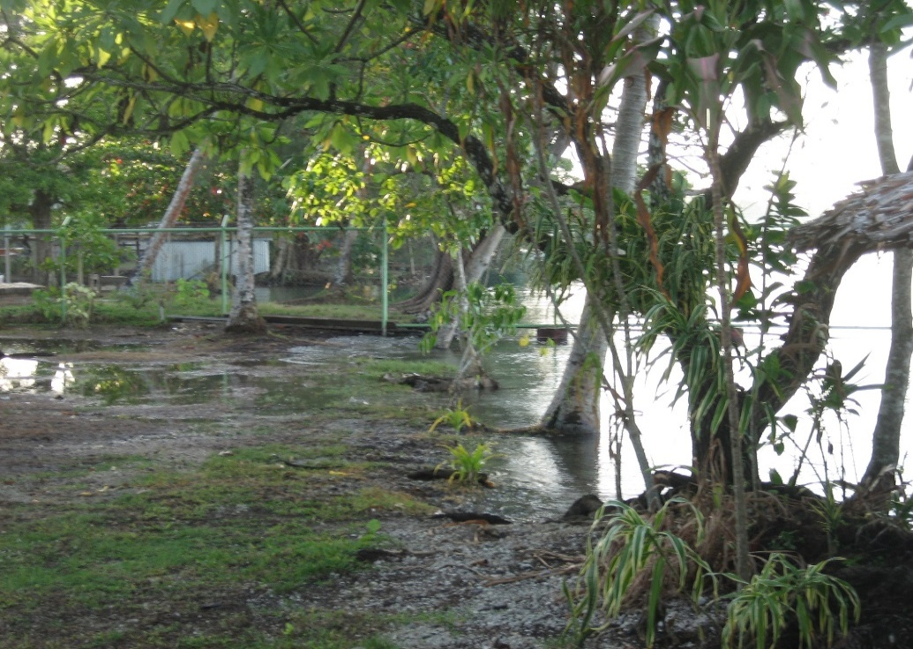
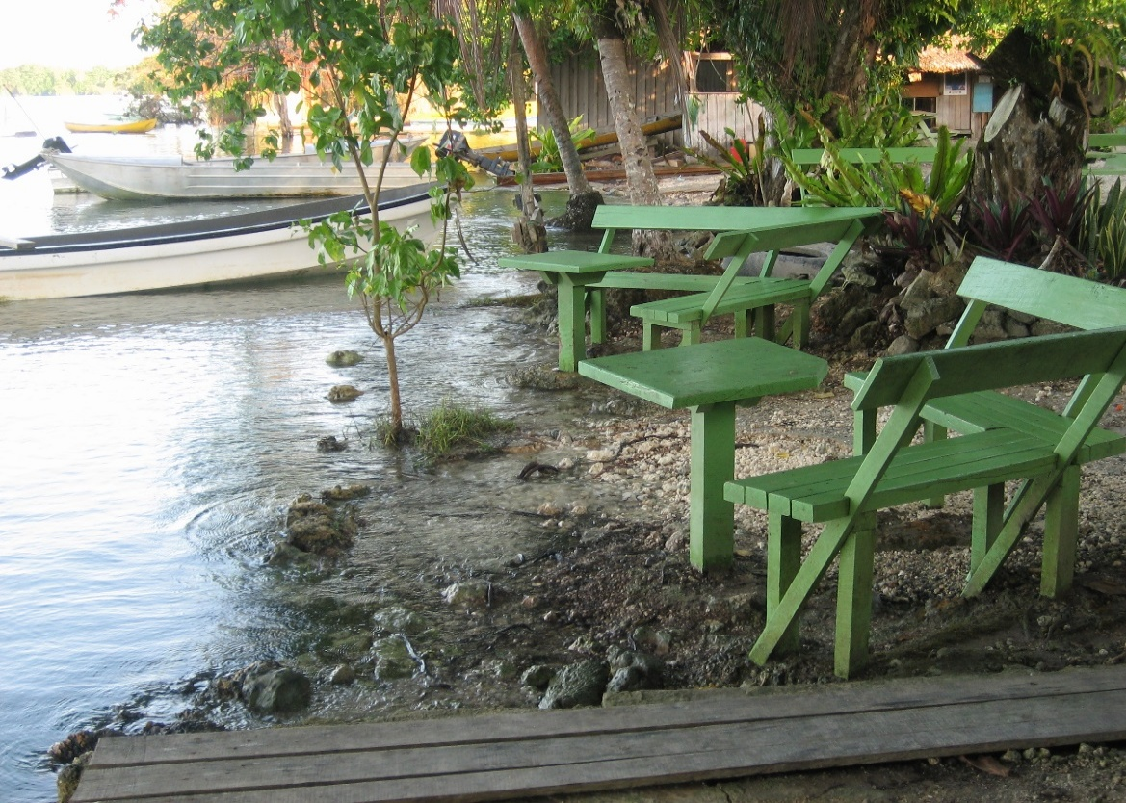
2015.0 |  | Munda GPS put on this day: |  | 2007-04-23 | Prelim Kendrick GPS gives ~30 cm subsidence averaged over 2 weeks, but starting 3 weeks after EQ
2014.0
2013.0 | 0.40
2012.0 | 0.40 |  | Our original measurement of subsidence at the Munda Inlet/Bar was -.06 m. But we know that both Munda and Lola Islands recovered most of their subsidence within months to a few years and now "look" just as they did before the 2007 coseismic movements. Thus, we phase out the vertical motions over the rest of 2007 and 2007 and leave a residual amount of 0.2 m. This will need to be confirmed in the future as being accurate at least in a general way.
2011.0 | 0.40
2010.0 | 0.40
2009.0 | 0.40
2008.0 | 0.35
Munda Area Microatolls
2007.8 | 0.30
2007.5 | 0.20
2007.3 | 0.00
2007.0 | 0.60
2006.0 | 0.60
2005.0 | 0.60
2004.0 | 0.60
2003.0 | 0.60
2002.0 | 0.60
2001.0 | 0.60
2000.0 | 0.60
1999.0 | 0.60
1998.0 | 0.60
1997.0 | 0.60
1996.0 | 0.60
1995.0 | 0.60
1994.0 | 0.60
1993.0 | 0.60
1992.0 | 0.60
1991.0 | 0.60
1990.0 | 0.60
1989.0 | 0.60
1988.0 | 0.60
1987.0 | 0.60
1986.0 | 0.60
1985.0 | 0.60
1984.0 | 0.60
1983.0 | 0.60
1982.0 | 0.60
1981.0 | 0.60
1980.0 | 0.60
1979.0 | 0.60
1978.0 | 0.60

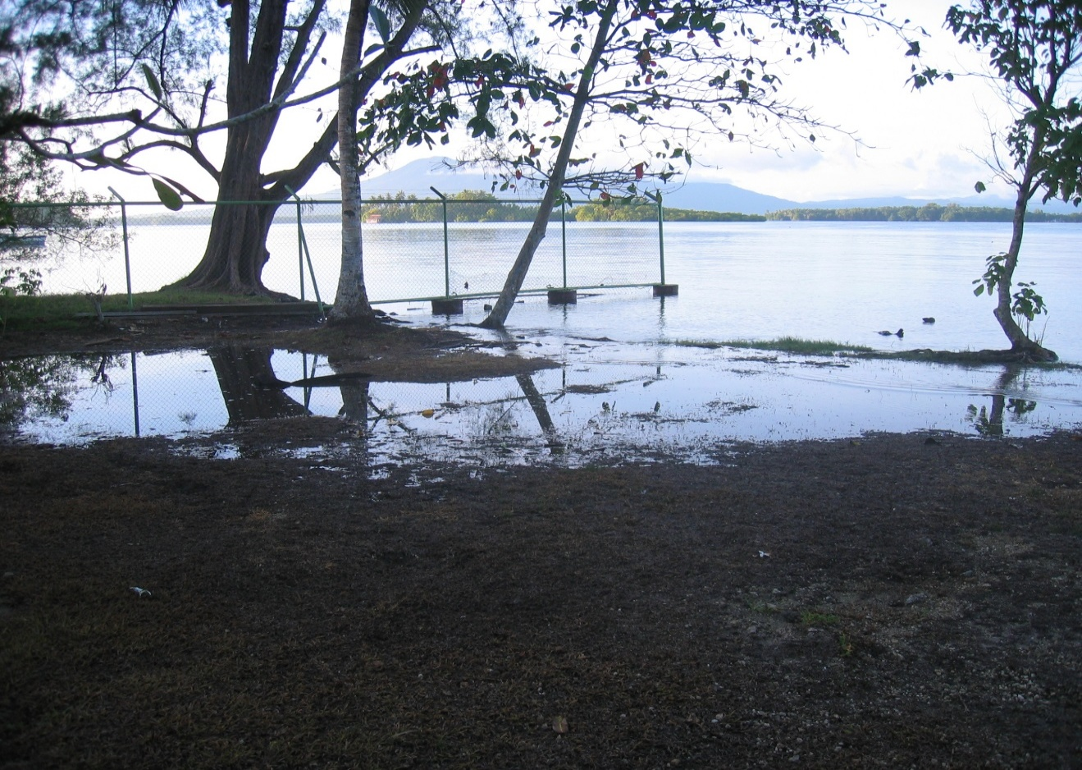

 |  |  |  |  |  | photo 4/24/2007 at Agnes Lodge

Munda Bar area
 | 5/2/2007 micro at small island off East end of Parara | This is right in Alberts field area for 2015 paper

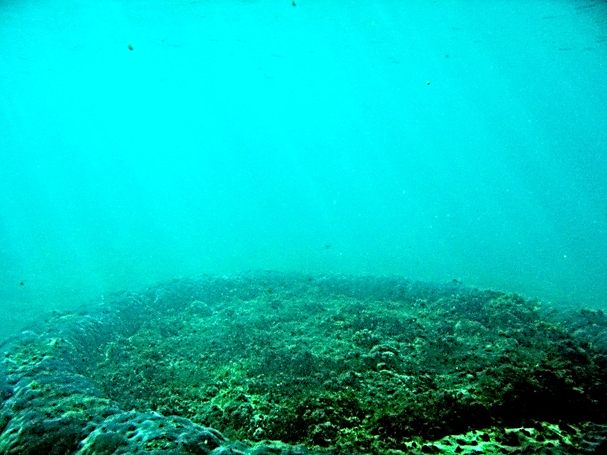

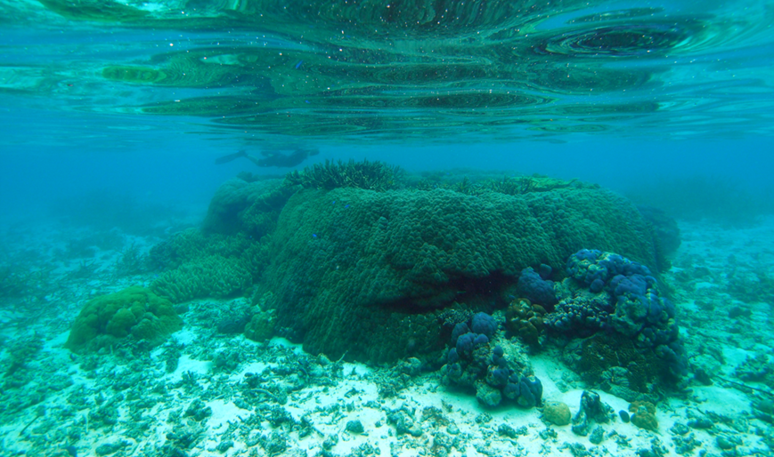
From Saunders et al., 2015
Taken around

12UGH-A
yr CE | Elev. Cm
2012.8 | 12.2 | 0 | 0
2012 | 11.4 | -0.8 | -0.008
12UGH-A
2012.8 | 0
2012 | -0.008
2011 | -0.014
2010 | -0.022
2009 | -0.03
2008 | -0.038
2007 | -0.048
2006 | -0.06
2005 | -0.077
2004 | -0.084
2003 | -0.092
2002 | -0.103
2001 | -0.114
2000 | -0.126
1999 | -0.134
1998 | -0.147
1997 | -0.16
1996 | -0.17
1995 | -0.178
1994 | -0.189
1993 | -0.197
1992 | -0.207
1991 | -0.217
1990 | -0.228
1989 | -0.241
1988 | -0.25
1987 | -0.26
1986 | -0.27
1985 | -0.28
1984 | -0.288
1983 | -0.292
1982 | -0.252
1981 | -0.262
1980 | -0.272
1979 | -0.28
1978 | -0.287
1977 | -0.287
1976 | -0.287
1975 | -0.287
1974 | -0.287
1973 | -0.286
1972 | -0.286
1971 | -0.286
1970 | -0.284
1969 | -0.284
1968 | -0.287
1967 | -0.293
1966 | -0.306
1965 | -0.306
1964 | -0.308
...
2011 | 10.8 | -1.4 | -0.014
2010 | 10 | -2.2 | -0.022
2009 | 9.2 | -3 | -0.03
2008 | 8.4 | -3.8 | -0.038
2007 | 7.4 | -4.8 | -0.048
2006 | 6.2 | -6 | -0.06
2005 | 4.5 | -7.7 | -0.077
2004 | 3.8 | -8.4 | -0.084
2003 | 3 | -9.2 | -0.092
2002 | 1.9 | -10.3 | -0.103
2001 | 0.8 | -11.4 | -0.114
2000 | -0.4 | -12.6 | -0.126
1999 | -1.2 | -13.4 | -0.134
1998 | -2.5 | -14.7 | -0.147
1997 | -3.8 | -16 | -0.16
1996 | -4.8 | -17 | -0.17
1995 | -5.6 | -17.8 | -0.178
1994 | -6.7 | -18.9 | -0.189
1993 | -7.5 | -19.7 | -0.197
1992 | -8.5 | -20.7 | -0.207
1991 | -9.5 | -21.7 | -0.217
1990 | -10.6 | -22.8 | -0.228
1989 | -11.9 | -24.1 | -0.241
1988 | -12.8 | -25 | -0.25
1987 | -13.8 | -26 | -0.26
1986 | -14.8 | -27 | -0.27
1985 | -15.8 | -28 | -0.28
1984 | -16.6 | -28.8 | -0.288
1983 | -17 | -29.2 | -0.292
1982 | -13 | -25.2 | -0.252
1981 | -14 | -26.2 | -0.262
1980 | -15 | -27.2 | -0.272
1979 | -15.8 | -28 | -0.28
1978 | -16.5 | -28.7 | -0.287
1977 | -16.5 | -28.7 | -0.287
1976 | -16.5 | -28.7 | -0.287
1975 | -16.5 | -28.7 | -0.287
1974 | -16.5 | -28.7 | -0.287
1973 | -16.4 | -28.6 | -0.286
1972 | -16.4 | -28.6 | -0.286
1971 | -16.4 | -28.6 | -0.286
1970 | -16.2 | -28.4 | -0.284
1969 | -16.2 | -28.4 | -0.284
1968 | -16.5 | -28.7 | -0.287
1967 | -17.1 | -29.3 | -0.293
1966 | -18.4 | -30.6 | -0.306
1965 | -18.4 | -30.6 | -0.306
1964 | -18.6 | -30.8 | -0.308
1963 | -18.6 | -30.8 | -0.308
1962 | -18.6 | -30.8 | -0.308
1961 | -18.9 | -31.1 | -0.311
1960 | -19.1 | -31.3 | -0.313
1959 | -19 | -31.2 | -0.312
1958 | -19.4 | -31.6 | -0.316
1957 | -19.7 | -31.9 | -0.319
1956 | -19.6 | -31.8 | -0.318
1955 | -18.9 | -31.1 | -0.311
1954 | -13 | -25.2 | -0.252
1953 | -11.2 | -23.4 | -0.234
1952 | -10.5 | -22.7 | -0.227
1951 | -10 | -22.2 | -0.222
1950 | -9.8 | -22 | -0.22
1949 | -9.2 | -21.4 | -0.214
1948 | -8.8 | -21 | -0.21
1947 | -8.7 | -20.9 | -0.209
1946 | -8.3 | -20.5 | -0.205
1945 | -8 | -20.2 | -0.202
1944 | -7.9 | -20.1 | -0.201
1943 | -7.8 | -20 | -0.2
1942 | -7.9 | -20.1 | -0.201
1941 | -8 | -20.2 | -0.202
1940 | -8 | -20.2 | -0.202
1939 | -8 | -20.2 | -0.202
1938 | -8 | -20.2 | -0.202
1937 | -7.8 | -20 | -0.2
1936 | -7.5 | -19.7 | -0.197
1935 | -7.8 | -20 | -0.2
1934 | -7 | -19.2 | -0.192
1933 | -7 | -19.2 | -0.192
1932 | -7 | -19.2 | -0.192
1931 | -7.5 | -19.7 | -0.197
1930 | -7.8 | -20 | -0.2
1929 | -8 | -20.2 | -0.202
1928 | -8 | -20.2 | -0.202
1927 | -8.8 | -21 | -0.21
1926 | -8 | -20.2 | -0.202
1925 | -7.5 | -19.7 | -0.197
1924 | -8 | -20.2 | -0.202
1923 | -8 | -20.2 | -0.202
1922 | -8 | -20.2 | -0.202
1921 | -8 | -20.2 | -0.202
1920 | -8.5 | -20.7 | -0.207
1919 | -8.7 | -20.9 | -0.209
1918 | -8.8 | -21 | -0.21
1917 | -5.4 | -17.6 | -0.176
1916 | -6 | -18.2 | -0.182
1915 | -7 | -19.2 | -0.192
1914 | -8 | -20.2 | -0.202
1913 | -8.8 | -21 | -0.21
1912 | -9.8 | -22 | -0.22
1911 | -10.8 | -23 | -0.23
1910 | -12.2 | -24.4 | -0.244
1909 | -13.4 | -25.6 | -0.256
1908 | -14.2 | -26.4 | -0.264
1907 | -15 | -27.2 | -0.272
1906 | -15.9 | -28.1 | -0.281
1905 | -17 | -29.2 | -0.292
1904 | -18 | -30.2 | -0.302
1903 | -19 | -31.2 | -0.312
1902 | -20.3 | -32.5 | -0.325
1901 | -21.8 | -34 | -0.34
1900 | -22.8 | -35 | -0.35

2010RavaPtRendova
Rava Point, South Rendova, Relative Sea Level
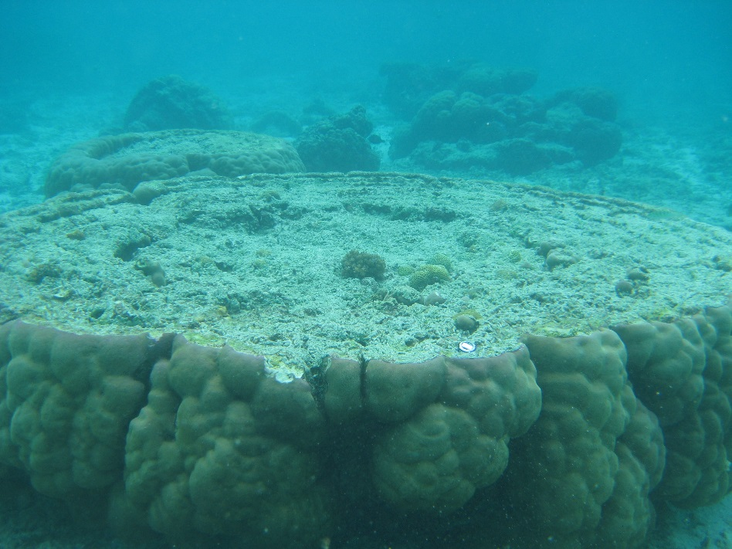
2015 | 0.5
2014 | 0.5
2013 | 0.5
2012 | 0.5
2011 | 0.5
2010 | 0.5
2009 | 0
2008 | 0
2007 | 0
2006 | -0.02
2005 | -0.02
2004 | -0.02
2003 | -0.02
2002 | -0.02
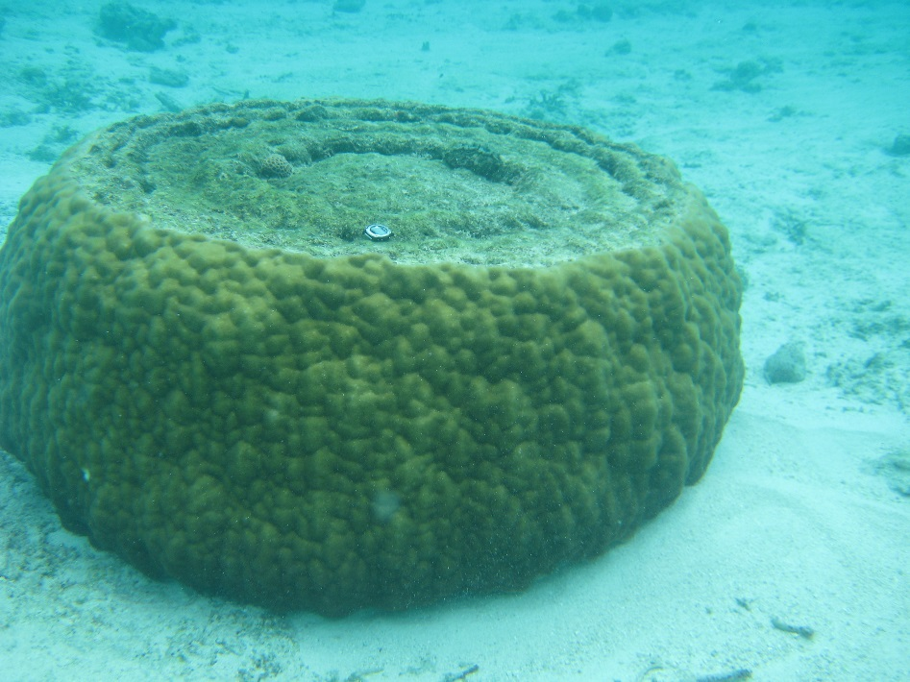
2001 | -0.02
2000 | -0.02
1999 | 0
1998 | 0
1997 | 0
1996 | 0
1995 | -0.05
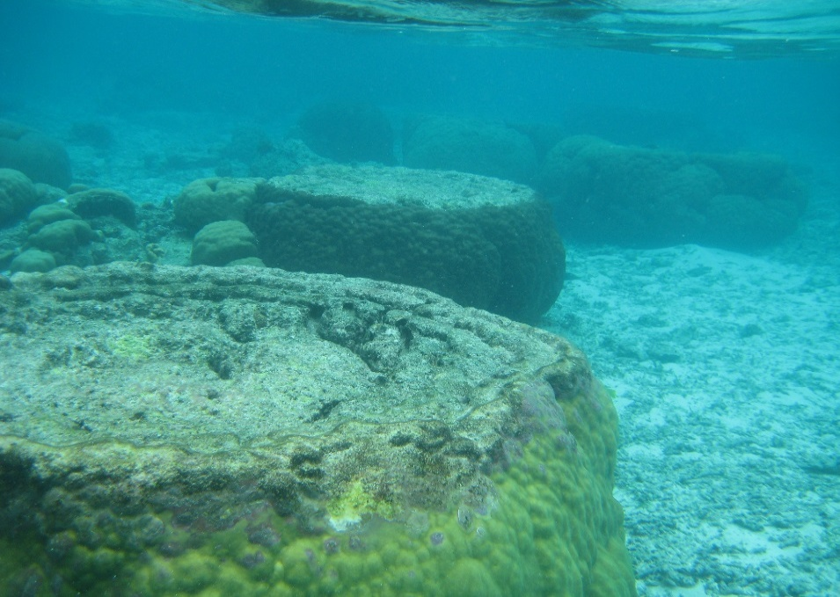
1994 | -0.05
1993 | -0.05
1992 | -0.05
1991 | -0.05
1990 | -0.05
1989 | -0.05
1988 | -0.05
1987 | -0.05
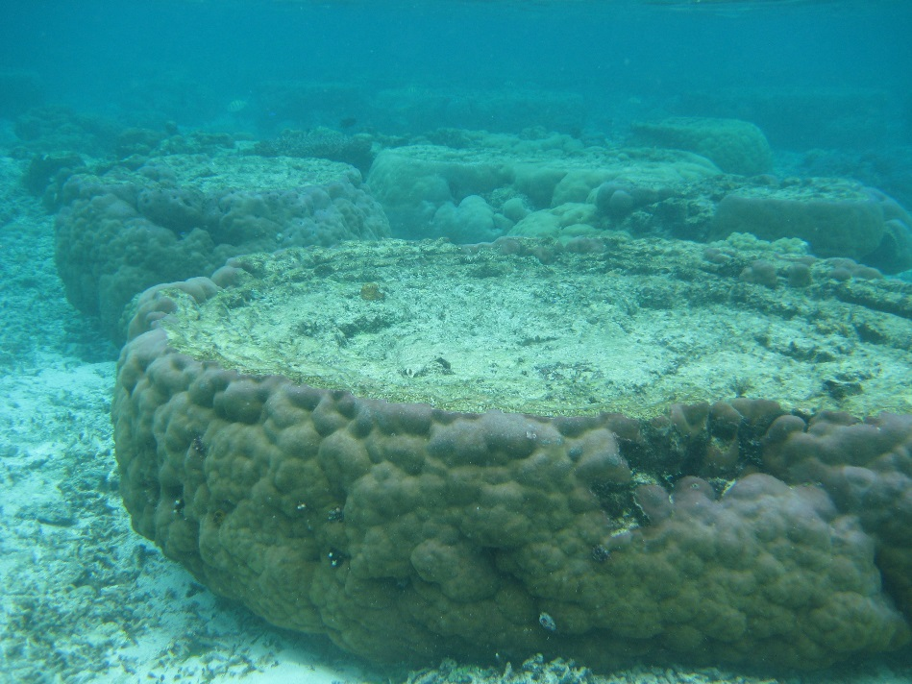
1986 | -0.05
1985 | -0.05
1984 | -0.05
1983 | -0.05
1982 | -0.03
1981 | -0.03
1980 | -0.03
1979 | -0.03
1978 | -0.03
1977 | -0.03
1976 | -0.03
1975 | -0.03
1974 | -0.03
1973 | -0.03
1972 | -0.03
1971 | -0.03
1970 | -0.05
1969 | -0.1
1968 | -0.1
1967 | -0.1
1966 | -0.1
1965 | -0.1
1964 | -0.1
1963 | -0.1
1962 | -0.1
1961 | -0.1
1960 | -0.1
1959 | -0.1
1958 | -0.1
1957 | -0.1
1956 | -0.1
1955 | -0.1
1954 | -0.1
1953 | -0.1
1952 | -0.1
1951 | -0.1
1950

WTetEcoLodge
Coral HLS, Descendants Association Lodge, West Tetepare
 | Coral Levels |  | Relative Sea Level
2013 | -0.11
2012 | -0.13
2011 | -0.15 | 2013 | 0.5
2010 | -0.17 | 2012 | 0.5
2009 | -0.19 | 2011 | 0.5
2008 | -0.21 | 2010 | 0
2007 | -0.23 | 2009 | 0
2006 | -0.25 | 2008 | 0
2005 | -0.25 | 2007 | 0
2004 | -0.25 | 2006 | -0.25
2003 | -0.25 | 2005 | -0.25
2002 | -0.25 | 2004 | -0.25
2001 | -0.25 | 2003 | -0.25
2000 | -0.25 | 2002 | -0.25
1999 | -0.25 | 2001 | -0.25
1998 | -0.25 | 2000 | -0.25
1997 | -0.25 | 1999 | -0.25
1996 | -0.25 | 1998 | -0.25
1995 | -0.25 | 1997 | -0.25
1994 | -0.25 | 1996 | -0.25
1993 | -0.25 | 1995 | -0.25
1992 | -0.25 | 1994 | -0.25
1991 | -0.25 | 1993 | -0.25
1990 | -0.25 | 1992 | -0.25
1989 | -0.25 | 1991 | -0.25
1988 | -0.25 | 1990 | -0.25
1987 | -0.25 | 1989 | -0.25
1986 | -0.25 | 1988 | -0.25
1985 | -0.25 | 1987 | -0.25
1984 | -0.25 | 1986 | -0.25
1983 | -0.25 | 1985 | -0.25
1982 | -0.25 | 1984 | -0.25
1981 | -0.25 | 1983 | -0.25
1980 | -0.25 | 1982 | -0.25
1979 | -0.25 | 1981 | -0.25
1978 | -0.25 | 1980 | -0.25
1977 | -0.25 | 1979 | -0.25
1976 | -0.25 | 1978 | -0.25
1975 | -0.25 | 1977 | -0.25
1974 | -0.25 | 1976 | -0.25
1973 | -0.25 | 1975 | -0.25
1972 | -0.25 | 1974 | -0.25
1971 | -0.25 | 1973 | -0.25
1970 | -0.25 | 1972 | -0.25
1969 | -0.25 | 1971 | -0.25
1968 | -0.25 | 1970 | -0.25
1967 | -0.25 | 1969 | -0.25
1966 | -0.25 | 1968 | -0.25
1965 | -0.25 | 1967 | -0.25
1964 | -0.25 | 1966 | -0.25
...
2013 | 0.5 | -0.11 | 4/25/2007 TDA landing, west Tetepare | 2007 notes state slight emergence of micros at TDA wharf before starting to grow upward 2-4 yr ago.
2012 | 0.5 | -0.13 | Now estimate wharf down by 0.5 m. Maybe it settled. There |  | is a deeper diedown in micros that could have been | 1983 or so
2011 | 0.5 | -0.15 |  | TDA dock awash at high tide
2010 | 0 | -0.17 |  | Water onto ground around canoe shed and among trees.
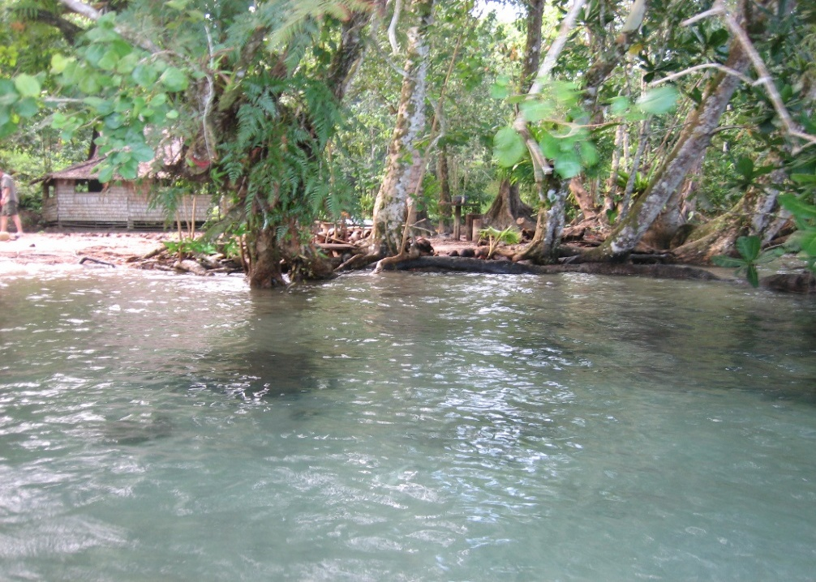
2009 | 0 | -0.19
2008 | 0 | -0.21
2007 | 0 | -0.23
2006 | -0.25 | -0.25
2005 | -0.25 | -0.25
2004 | -0.25 | -0.25
2003 | -0.25 | -0.25
2002 | -0.25 | -0.25
2001 | -0.25 | -0.25
2000 | -0.25 | -0.25
1999 | -0.25 | -0.25
1998 | -0.25 | -0.25
1997 | -0.25 | -0.25
1996 | -0.25 | -0.25
1995 | -0.25 | -0.25
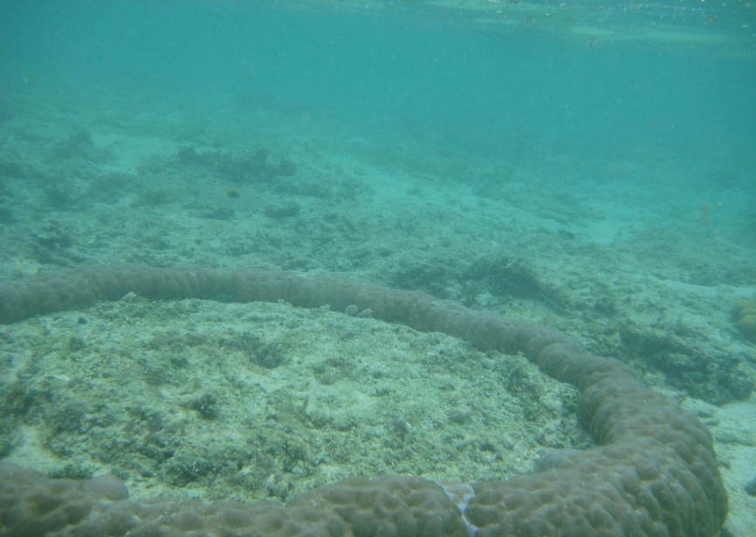
1994 | -0.25 | -0.25
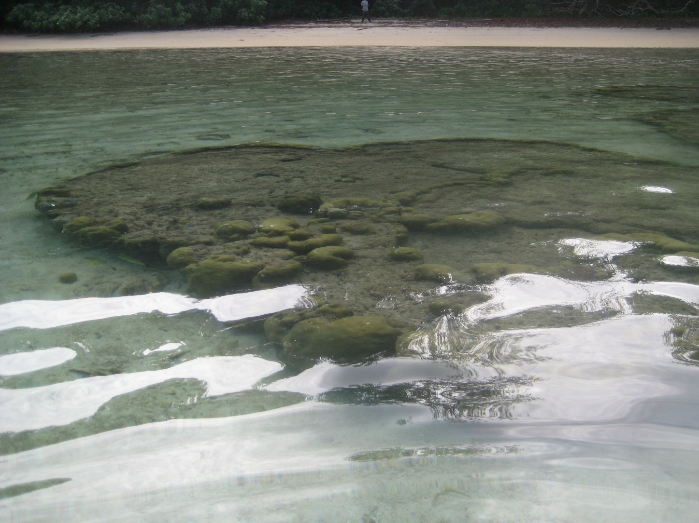
1993 | -0.25 | -0.25
1992 | -0.25 | -0.25
1991 | -0.25 | -0.25
1990 | -0.25 | -0.25
1989 | -0.25 | -0.25
1988 | -0.25 | -0.25
1987 | -0.25 | -0.25
1986 | -0.25 | -0.25
1985 | -0.25 | -0.25
1984 | -0.25 | -0.25
1983 | -0.25 | -0.25
1982 | -0.25 | -0.25
1981 | -0.25 | -0.25
1980 | -0.25 | -0.25
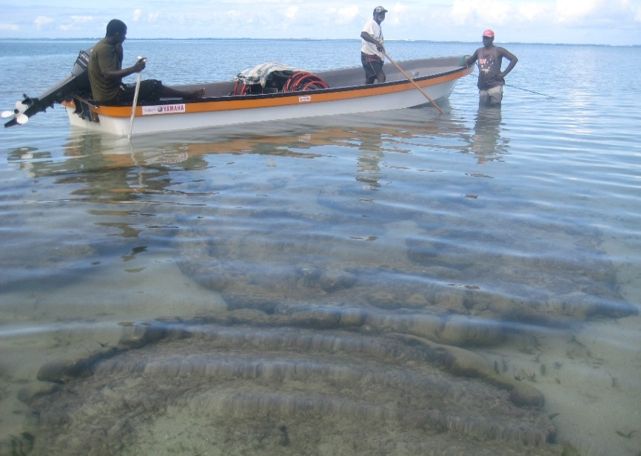
1979 | -0.25 | -0.25
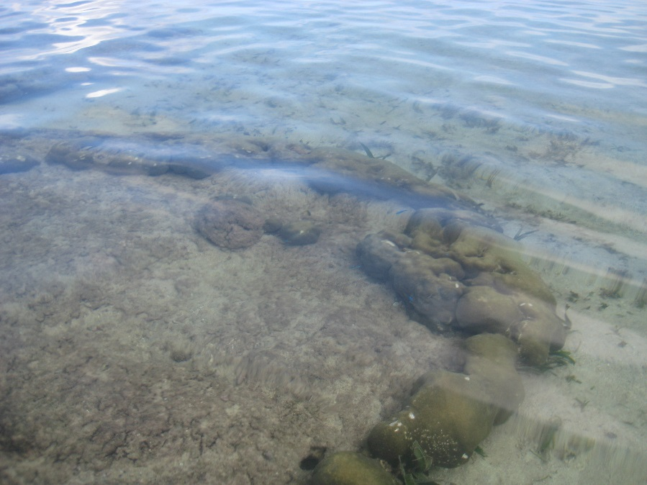
1978 | -0.25 | -0.25
1977 | -0.25 | -0.25
1976 | -0.25 | -0.25
1975 | -0.25 | -0.25
1974 | -0.25 | -0.25
1973 | -0.25 | -0.25
1972 | -0.25 | -0.25
1971 | -0.25 | -0.25
1970 | -0.25 | -0.25
1969 | -0.25 | -0.25
1968 | -0.25 | -0.25
1967 | -0.25 | -0.25
1966 | -0.25 | -0.25
1965 | -0.25 | -0.25
1964 | -0.25 | -0.25
1963 | -0.25 | -0.25
1962 | -0.25 | -0.25
1961 | -0.25 | -0.25
1960 | -0.25 | -0.25
1959 | -0.25 | -0.25
1958 | -0.25 | -0.25
1957 | -0.25 | -0.25
1956 | -0.25 | -0.25
1955 | -0.25 | -0.25
1954 | -0.25 | -0.25
1953 | -0.25 | -0.25
1952 | -0.25 | -0.25
1951 | -0.25 | -0.25
1950 | -0.25 | -0.25
1949 | -0.25 | -0.25
1948 | -0.25 | -0.25
1947 | -0.25 | -0.25
1946 | -0.25 | -0.25
1945 | -0.25 | -0.25
1944 | -0.25 | -0.25
1943 | -0.25 | -0.25
1942 | -0.25 | -0.25
1941 | -0.25 | -0.25
1940 | -0.25 | -0.25
1939 | -0.25 | -0.25
1938 | -0.25 | -0.25
1937 | -0.25 | -0.25
1936 | -0.25 | -0.25
1935 | -0.25 | -0.25
1934 | -0.25 | -0.25
1933 | -0.25 | -0.25
1932 | -0.25 | -0.25
1931 | -0.25 | -0.25
1930 | -0.25 | -0.25
1929 | -0.25 | -0.25
1928 | -0.25 | -0.25
1927 | -0.25 | -0.25
1926 | -0.25 | -0.25
1925 | -0.25 | -0.25
1924 | -0.25 | -0.25
1923 | -0.25 | -0.25
1922 | -0.25 | -0.25
1921 | -0.25 | -0.25
1920 | -0.25 | -0.25
1919 | -0.25 | -0.25
1918 | -0.25 | -0.25
1917 | -0.25 | -0.25
1916 | -0.25 | -0.25
1915 | -0.25 | -0.25
1914 | -0.25 | -0.25
1913 | -0.25 | -0.25
1912 | -0.25 | -0.25
1911 | -0.25 | -0.25
1910 | -0.25 | -0.25
1909 | -0.25 | -0.25
1908 | -0.25 | -0.25
1907 | -0.25 | -0.25
1906 | -0.25 | -0.25
1905 | -0.25 | -0.25
1904 | -0.25 | -0.25
1903 | -0.25 | -0.25
1902 | -0.25 | -0.25
1901 | -0.25 | -0.25
1900 | -0.25 | -0.25
1899
1898
1897
1896
1895
1894
1893
1892
1891
1890
1889
1888
1887
1886
1885
1884
1883
1882
1881
1880
1879
1878
1877
1876
1875
1874
1873
1872
1871
1870
1869
1868
1867
1866
1865
1864
1863
1862
1861
1860
1859
1858
1857
1856
1855
1854
1853
1852
1851
1850
1849
1848
1847
1846
1845
1844
1843
1842
1841
1840
1839
1838
1837
1836
1835
1834
1833
1832
1831
1830
1829
1828
1827
1826
1825

12TET-A
 | neg nos | RLS | R 2012.8
2012.50 | 18 | -18 | 0.00 | 0
2012.00 | 18 | -18 | 0.00 | 0
2011.00 | 18 | -18 | 0.00 | 0
2010.00 | 17.6 | -17.6 | 0.40 | 0.004
2009.00 | 13 | -13 | 5.00 | 0.05
12TET-A
2012.5 | 0
2012 | 0
2011 | 0
2010 | 0.004
2009 | 0.05
2008 | 0.05
2007 | 0.092
2006 | 0.085
2005 | 0.08
2004 | 0.07
2003 | 0.06
2002 | 0.05
2001 | 0.17
2000 | 0.162
1999 | 0.154
1998 | 0.146
1997 | 0.138
1996 | 0.13
1995 | 0.122
1994 | 0.114
1993 | 0.106
1992 | 0.098
2008.00 | 13 | -13 | 5.00 | 0.05
2007.00 | 8.8 | -8.8 | 9.20 | 0.092
2006.00 | 9.5 | -9.5 | 8.50 | 0.085
2005.00 | 10 | -10 | 8.00 | 0.08
2004.00 | 11 | -11 | 7.00 | 0.07
2003.00 | 12 | -12 | 6.00 | 0.06
2002.00 | 13 | -13 | 5.00 | 0.05
2001.00 | 1 | -1 | 17.00 | 0.17
2000.00 | 1.8 | -1.8 | 16.20 | 0.162
1999.00 | 2.6 | -2.6 | 15.40 | 0.154
1998.00 | 3.4 | -3.4 | 14.60 | 0.146
1997.00 | 4.2 | -4.2 | 13.80 | 0.138
1996.00 | 5 | -5 | 13.00 | 0.13
1995.00 | 5.8 | -5.8 | 12.20 | 0.122
1994.00 | 6.6 | -6.6 | 11.40 | 0.114
1993.00 | 7.4 | -7.4 | 10.60 | 0.106
1992.00 | 8.2 | -8.2 | 9.80 | 0.098

12RAR
12RAR-A
year CE | Elev. Cm | Rel HLS | m
2012.8 | 14 | 0 | 0 | 0
2012 | 15 | 1 | 0.01 | -0.01
12RAR-A Elev. Rel to 2012 HLS
2011 | 15.75 | 1.75 | 0.0175 | -0.0175
2010 | 16 | 2 | 0.02 | -0.02
2009 | 16 | 2 | 0.02 | -0.02
2008 | 15.5 | 1.5 | 0.015 | -0.015
2007 | 5.2 | -8.8 | -0.088 | 0.088
2006 | 4.6 | -9.4 | -0.094 | 0.094
2005 | 5.2 | -8.8 | -0.088 | 0.088
2004 | 5.5 | -8.5 | -0.085 | 0.085
2003 | 6 | -8 | -0.08 | 0.08
2002 | 6.8 | -7.2 | -0.072 | 0.072
2001 | 7 | -7 | -0.07 | 0.07
2000 | 7.5 | -6.5 | -0.065 | 0.065
1999 | 8.4 | -5.6 | -0.056 | 0.056
1998 | 9 | -5 | -0.05 | 0.05
1997 | 9.4 | -4.6 | -0.046 | 0.046
1996 | 10.2 | -3.8 | -0.038 | 0.038
1995 | 10.8 | -3.2 | -0.032 | 0.032
1994 | 11.6 | -2.4 | -0.024 | 0.024
1993 | 12.3 | -1.7 | -0.017 | 0.017
1992 | 13 | -1 | -0.01 | 0.01
1991 | 13.8 | -0.2 | -0.002 | 0.002
1990 | 14.7 | 0.7 | 0.007 | -0.007
1989 | 15.2 | 1.2 | 0.012 | -0.012
1988 | 15.7 | 1.7 | 0.017 | -0.017
1987 | 16.3 | 2.3 | 0.023 | -0.023
1986 | 17 | 3 | 0.03 | -0.03
1985 | 17.8 | 3.8 | 0.038 | -0.038
1984 | 19 | 5 | 0.05 | -0.05
1983 | 20 | 6 | 0.06 | -0.06
1982 | 21.5 | 7.5 | 0.075 | -0.075
1981 | 22.5 | 8.5 | 0.085 | -0.085
1980 | 23.1 | 9.1 | 0.091 | -0.091
1979 | 24.1 | 10.1 | 0.101 | -0.101
1978 | 25.4 | 11.4 | 0.114 | -0.114
1977 | 26.6 | 12.6 | 0.126 | -0.126
1976 | 27.7 | 13.7 | 0.137 | -0.137
1975 | 28.4 | 14.4 | 0.144 | -0.144
1974 | 29.2 | 15.2 | 0.152 | -0.152
1973 | 30.1 | 16.1 | 0.161 | -0.161
1972 | 31.2 | 17.2 | 0.172 | -0.172
1971 | 32.1 | 18.1 | 0.181 | -0.181
1970 | 32.8 | 18.8 | 0.188 | -0.188
1969 | 33.8 | 19.8 | 0.198 | -0.198
1968 | 34.6 | 20.6 | 0.206 | -0.206
1967 | 35.1 | 21.1 | 0.211 | -0.211
1966 | 7.8 | -6.2 | -0.062 | 0.062
1965 | 8.5 | -5.5 | -0.055 | 0.055
1964 | 9 | -5 | -0.05 | 0.05
1963 | 9.7 | -4.3 | -0.043 | 0.043
1962 | 10.5 | -3.5 | -0.035 | 0.035
1961 | 11.1 | -2.9 | -0.029 | 0.029
1960 | 11.9 | -2.1 | -0.021 | 0.021
1959 | 12.9 | -1.1 | -0.011 | 0.011
1958 | 14.1 | 0.1 | 0.001 | -0.001
1957 | 15.1 | 1.1 | 0.011 | -0.011
1956 | 16.1 | 2.1 | 0.021 | -0.021
1955 | 16.8 | 2.8 | 0.028 | -0.028
1954 | 17.9 | 3.9 | 0.039 | -0.039
1953 | 18.8 | 4.8 | 0.048 | -0.048
1952 | 19.7 | 5.7 | 0.057 | -0.057
1951 | 20.8 | 6.8 | 0.068 | -0.068
1950 | 22.1 | 8.1 | 0.081 | -0.081
1949 | 23 | 9 | 0.09 | -0.09
1948 | 24 | 10 | 0.1 | -0.1
1947 | 25 | 11 | 0.11 | -0.11
1946 | 26 | 12 | 0.12 | -0.12
1945 | 26.7 | 12.7 | 0.127 | -0.127
1944 | 27.2 | 13.2 | 0.132 | -0.132
1943 | 28 | 14 | 0.14 | -0.14
1942 | 29 | 15 | 0.15 | -0.15
1941 | 30.7 | 16.7 | 0.167 | -0.167
1940 | 31.6 | 17.6 | 0.176 | -0.176
1939 | 32.5 | 18.5 | 0.185 | -0.185
1938 | 33.3 | 19.3 | 0.193 | -0.193
1937 | 34.8 | 20.8 | 0.208 | -0.208
1936 | 36.4 | 22.4 | 0.224 | -0.224
1935 | 37.5 | 23.5 | 0.235 | -0.235
1934 | 38.6 | 24.6 | 0.246 | -0.246
1933 | 40 | 26 | 0.26 | -0.26
1932 | 41.3 | 27.3 | 0.273 | -0.273
1931 | 42.5 | 28.5 | 0.285 | -0.285
1930 | 43.3 | 29.3 | 0.293 | -0.293
1929 | 44 | 30 | 0.3 | -0.3

"ALL Simple
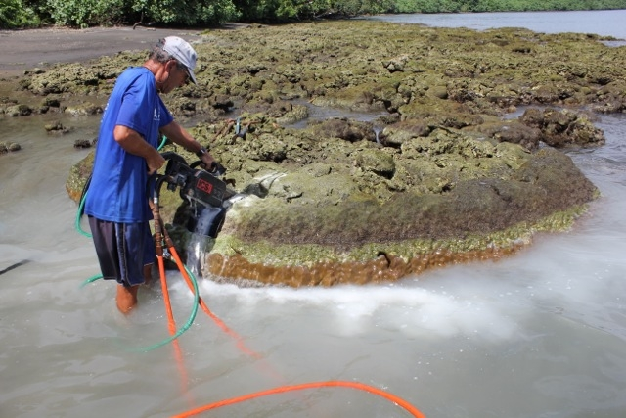
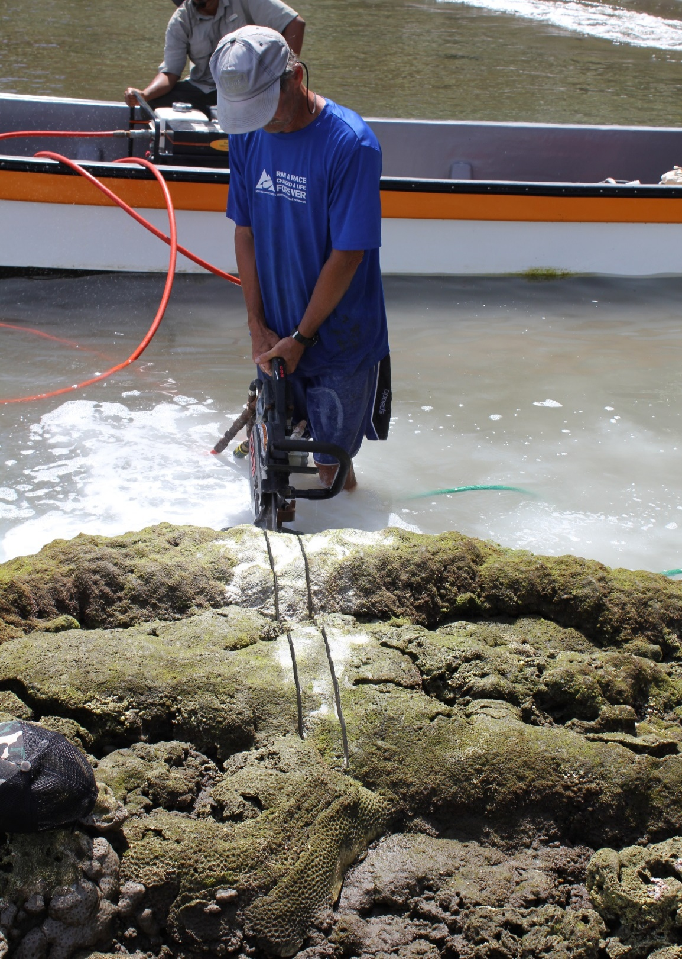
 |  | 1. LAL Subsided rapidly, ~1.5 cm/yr for at least 100 yr prior to 2007 EQ

 |  | 2. KON Stability for at least a few decades prior to ~1970. At that time it abruptly began to subside at least 1-15. cm/yr

 |  | 3 PIN. Stablity for a few decases, then abruptly began uplifting in aboaut 1910. Killed in 2007 EQ uplift
13PIN-O
 | 1

 |  | 4. PATU. Had either its top killed by low ea level (not likely) or it began subsiding abruptly in about 1925
13Patu_Dh
 |  |  | 12Patu-Dh
2007.25 | 0.4 | 2010 | -0.8
2007 | 0.3952 | 2009 | -0.8
2006 | 0.3904 | 2008 | -0.8
2005 | 0.3856 | 2007.5 | -0.8
2004 | 0.3808 | 2007.25 | 0.4
2003 | 0.376 | 2007 | 0.3952
2002 | 0.3712 | 2006 | 0.3904
2001 | 0.3664 | 2005 | 0.3856
2000 | 0.3616 | 2004 | 0.3808
1999 | 0.3568 | 2003 | 0.376
1998 | 0.352 | 2002 | 0.3712
1997 | 0.3472 | 2001 | 0.3664
1996 | 0.3424 | 2000 | 0.3616
1995 | 0.3376 | 1999 | 0.3568
1994 | 0.3328 | 1998 | 0.352
1993 | 0.328 | 1997 | 0.3472
1992 | 0.3232 | 1996 | 0.3424
1991 | 0.3184 | 1995 | 0.3376
1990 | 0.3136 | 1994 | 0.3328
1989 | 0.3088 | 1993 | 0.328
1988 | 0.304 | 1992 | 0.3232
1987 | 0.2992 | 1991 | 0.3184
1986 | 0.2944 | 1990 | 0.3136
1985 | 0.2896 | 1989 | 0.3088
1984 | 0.2848 | 1988 | 0.304
1983 | 0.28 | 1987 | 0.2992
1982 | 0.2752 | 1986 | 0.2944
1981 | 0.2704 | 1985 | 0.2896
1980 | 0.2656 | 1984 | 0.2848
1979 | 0.2608 | 1983 | 0.28
1978 | 0.256 | 1982 | 0.2752
1977 | 0.2512 | 1981 | 0.2704
1976 | 0.2464 | 1980 | 0.2656
1975 | 0.2416 | 1979 | 0.2608
1974 | 0.2368 | 1978 | 0.256
1973 | 0.232 | 1977 | 0.2512
1972 | 0.2272 | 1976 | 0.2464
1971 | 0.2224 | 1975 | 0.2416
1970 | 0.2176 | 1974 | 0.2368
1969 | 0.2128 | 1973 | 0.232
1968 | 0.208 | 1972 | 0.2272
1967 | 0.2032 | 1971 | 0.2224
1966 | 0.1984 | 1970 | 0.2176
1965 | 0.1936 | 1969 | 0.2128
1964 | 0.1888 | 1968 | 0.208
1963 | 0.184 | 1967 | 0.2032
1962 | 0.1792 | 1966 | 0.1984
1961 | 0.1744 | 1965 | 0.1936
1960 | 0.1696 | 1964 | 0.1888
1959 | 0.1648 | 1963 | 0.184
...

13KN-A
 |  |  | 2013 HLS |  | 2007 HLS
2013 |  | 2013 | -0.29 | 2007 | 0.96
2012 |  | 2012 | -0.29
2011 | 0 | 2011 | -0.29
2010 | 0 | 2010 | -0.29
2009 | 0 | 2009 | -0.29
2008 | 0 | 2008 | -0.29
2007 | 0.9
2006 | 0.888372
2005 | 0.876744
2004 | 0.865116
2003 | 0.853488
2002 | 0.84186
2001 | 0.830232
2000 | 0.818604
1999 | 0.806976
1998 | 0.795348
1997 | 0.78372
1996 | 0.772092
1995 | 0.760464
1994 | 0.748836
1993 | 0.737208
1992 | 0.72558
1991 | 0.713952
1990 | 0.702324
1989 | 0.690696
1988 | 0.679068
1987 | 0.66744
1986 | 0.655812
1985 | 0.644184
1984 | 0.632556
1983 | 0.620928
1982 | 0.6093
1981 | 0.597672
1980 | 0.586044
1979 | 0.574416
1978 | 0.562788
1977 | 0.55116
1976 | 0.539532
1975 | 0.527904
1974 | 0.516276
1973 | 0.504648
1972 | 0.49302
1971 | 0.481392
1970 | 0.469764
1969 | 0.458136
1968 | 0.446508
1967 | 0.43488
1966 | 0.423252
1965 | 0.411624
1964 | 0.399996
...
 |  | 5. NKOL | Grew rapidly upward by ~ 1 m before 1858. In 1858 it uplifted by ~ 0.7 m. Uplifted another .03 m in ~1868, stability until ~1920 when it abruptly began to subside at least 1-1.5 cm/yr.
 |  |  |  |  |  |  | Uplifted by ~ 1 m in 2007 and soon died

12NAK-A-H
2012.80 | 0
2012.00 | 0
2011.00 | 0
2010.00 | 0
2009.00 | 0
2008.00 | 0
2007.25 | 0.86
2007.00 | 0.85
2006.00 | 0.84
2005.00 | 0.83
2004.00 | 0.83
2003.00 | 0.82
2002.00 | 0.81
2001.00 | 0.8
2000.00 | 0.79
1999.00 | 0.77
1998.00 | 0.76
1997.00 | 0.75
1996.00 | 0.74
1995.00 | 0.74
1994.00 | 0.73
1993.00 | 0.72
1992.00 | 0.71
1991.00 | 0.69
1990.00 | 0.68
1989.00 | 0.67
1988.00 | 0.66
1987.00 | 0.65
1986.00 | 0.64
1985.00 | 0.63
1984.00 | 0.62
1983.00 | 0.61
1982.00 | 0.6
1981.00 | 0.59
1980.00 | 0.57
1979.00 | 0.56
1978.00 | 0.55
1977.00 | 0.54
1976.00 | 0.53
1975.00 | 0.52
1974.00 | 0.51
1973.00 | 0.5
1972.00 | 0.49
1971.00 | 0.48
1970.00 | 0.47
1969.00 | 0.465
1968.00 | 0.46
1967.00 | 0.455
1966.00 | 0.45
1965.00 | 0.44
...
 |  | 6. NAK. Either top killed by low sea level (likely) or by stability in ~1915. Abruptly began subsiding at ~ 1-1.5 cm /yr. Upgrowing coral grew out, up and back over itself.
 |  |  |  |  |  |  | Killed down by ~0.9 m in 2007 and still living at base in 2012

12MB-A, Mbava, south of Vella Lavella
 | 12MB-A
2012.7 | 0
2012 | -0.008
2011 | -0.019
2010 | -0.025
2009 | 0.033
2008 | 0.03
2007 | 0.025
2006 | 0.359
2005 | 0.349
2004 | 0.337
2003 | 0.326
2002 | 0.311
2001 | 0.297
2000 | 0.283
1999 | 0.265
1998 | 0.253
1997 | 0.237
1996 | 0.223
1995 | 0.211
1994 | 0.203
1993 | 0.195
1992 | 0.193
1991 | 0.185
1990 | 0.172
1989 | 0.155
1988 | 0.139
1987 | 0.125
1986 | 0.112
1985 | 0.1
1984 | 0.08
1983 | 0.105
1982 | 0.103
1981 | 0.095
1980 | 0.083
1979 | 0.067
1978 | 0.053
1977 | 0.039
1976 | 0.03
1975 | 0.014
1974 | 0.003
1973 | -0.012
1972 | -0.03
1971 | -0.045
1970 | -0.06
1969 | -0.08
1968 | -0.1
1967 | -0.12
1966 | -0.14
1965 | -0.151
1964 | -0.17
...
 |  | 7. MB-A, Mbava. Growing upward rapidly by 1960 and top killed by low sea level ~ 1983. |  |  |  | This shows it was keeping up with rising sea level. But upgrowth exceeds 2007 uplift, so some of upgrowth was not subsidence.
 |  |  |  |  |  |  | But it is sure that most of psot 1983 upgrowth is subsidence. This amount of sure subsidence is less than
 |  |  |  |  |  |  | the amount of uplift, so this supports subsidence actually beginning before 1983. Need more data.

 |  | 8. These two are northward across the hingeline in the slightly subsided area
 |  |  | Corals are near one another
 |  |  | The sharp dip at ~1942 in the blue one appears to be an echinoid burrow
12MBU-A 12MBU-B
 | MBU-A | 12MBU-B
2012.8 | 0 | 0
2012 | -0.011 | -0.007
2011 | -0.021 | -0.012
2010 | -0.031 | -0.018
2009 | -0.04 | -0.027
2008 | -0.048 | -0.033
2007 | -0.05 | -0.043
2006 | -0.049 | -0.05
2005 | -0.031 | -0.054
2004 | -0.04 | -0.065
2003 | -0.05 | -0.069
2002 | -0.059 | -0.078
2001 | -0.066 | -0.086
2000 | -0.079 | -0.076
1999 | -0.089 | -0.088
1998 | -0.096 | -0.096
1997 | -0.104 | -0.108
1996 | -0.112 | -0.118
1995 | -0.123 | -0.13
1994 | -0.135 | -0.152
1993 | -0.144 | -0.16
1992 | -0.151 | -0.172
1991 | -0.162 | -0.18
1990 | -0.174 | -0.183
1989 | -0.181 | -0.192
1988 | -0.191 | -0.205
1987 | -0.195 | -0.215
1986 | -0.2 | -0.227
1985 | -0.206 | -0.177
1984 | -0.212 | -0.18
1983 | -0.222 | -0.196
1982 | -0.225 | -0.214
1981 | -0.226 | -0.221
1980 | -0.226 | -0.232
1979 | -0.224 | -0.238
1978 | -0.216 | -0.245
1977 | -0.216 | -0.245
1976 | -0.217 | -0.2
1975 | -0.189 | -0.195
1974 | -0.187 | -0.19
1973 | -0.123 | -0.183
1972 | -0.117 | -0.152
1971 | -0.111 | -0.103
1970 | -0.099 | -0.095
1969 | -0.102 | -0.098
1968 | -0.109 | -0.098
1967 | -0.115 | -0.11
1966 | -0.125 | -0.112
1965 | -0.128 | -0.122
1964 | -0.135 | -0.14
...

 | 9. 12SEG-A

12SSEG-A
 | Inner upgrowth |  | Outer Upgrowth to 2012 |  | Inner upgrowth
2012.8 |  | 2012.8 | 0 | 2012.8
2012 |  | 2012 | -0.01 | 2012
2011 |  | 2011 | -0.02 | 2011
2010 |  | 2010 | -0.03 | 2010
2009 |  | 2009 | -0.035 | 2009
2008 |  | 2008 | -0.04 | 2008
2007 |  | 2007 | 0.075 | 2007
2006 |  | 2006 | 0.05 | 2006
2005 |  | 2005 | 0.03 | 2005
2004 |  | 2004 | 0.015 | 2004
2003 |  | 2003 | -0.005 | 2003
2002 |  | 2002 | -0.015 | 2002
2001 |  | 2001 | -0.02 | 2001
2000 |  | 2000 | -0.02 | 2000
1999 |  | 1999 | -0.02 | 1999
1998 |  | 1998 | -0.02 | 1998
1997 |  | 1997 | -0.02 | 1997
1996 |  | 1996 | -0.015 | 1996
1995 |  | 1995 | 0.005 | 1995
1994 |  | 1994 | 0.005 | 1994
1993 |  | 1993 | 0 | 1993
1992 |  | 1992 | 0.005 | 1992
1991 |  | 1991 | 0.005 | 1991
1990 |  | 1990 | 0.01 | 1990
1989 |  | 1989 | 0.005 | 1989
1988 |  | 1988 | 0 | 1988
1987 |  | 1987 | -0.005 | 1987
1986 |  | 1986 | 0.115 | 1986
1985 |  | 1985 | 0.1 | 1985
1984 |  | 1984 | 0.095 | 1984
1983 |  | 1983 | 0.1 | 1983
1982 |  | 1982 | 0.08 | 1982
1981 |  | 1981 | 0.085 | 1981
1980 |  | 1980 | 0.085 | 1980
1979 |  | 1979 | 0.085 | 1979
1978 |  | 1978 | 0.135 | 1978
1977 |  | 1977 | 0.135 | 1977
1976 |  | 1976 | 0.127 | 1976
1975 |  | 1975 | 0.123 | 1975
1974 |  | 1974 | 0.11 | 1974
1973 |  | 1973 | 0.105 | 1973
1972 |  | 1972 | 0.1 | 1972
1971 |  | 1971 | 0.095 | 1971
1970 |  | 1970 | 0.095 | 1970
1969 |  | 1969 | 0.1 | 1969
1968 |  | 1968 | 0.105 | 1968
1967 |  | 1967 | 0.105 | 1967
1966 |  | 1966 | 0.105 | 1966
1965 |  | 1965 | 0.16 | 1965
1964 | 0.155 | 1964 | 0.155 | 1964
...

 |  |  |  |  |  |  |  | This is all one huge coral head. The interior older part was killed in ~ 1795
 |  |  |  |  |  |  |  | done to below -0.1 m. It grew out at that low level for about 2 m. Then it apparently began
 |  |  |  |  |  |  |  | to subside. The dark orange shows it growing upward from that lower base. We could not cut
 |  |  |  |  |  |  |  | deeply enough to get to the base, so we do not know the details of that growth history. About 1920
 |  |  |  |  |  |  |  | the coral began subsiding and grew upward from its outer edge on the right and was apparently colonized
 |  |  |  |  |  |  |  | at the same time at the left, inner side of the formerly dead coral top. The coral grew uppward and then
 |  |  |  |  |  |  |  | horizontally with apparent little uplifts of ~0.05 m in ~1966 and 1978 and then a larger uplift ~1986. It grew
 |  |  |  |  |  |  |  | pretty flat until the 2007 EQ when it uplifted a surprisingly small amount. Other corals indicate ~0.15 m uplift
 |  |  |  |  |  |  |  | here. The island nearby had undergone severe erosion during the earlier subsidence. There also could have been
 |  |  |  |  |  |  |  | very fast subsidence starting in 2003 that the coral could not keep up with. See interesting photos.
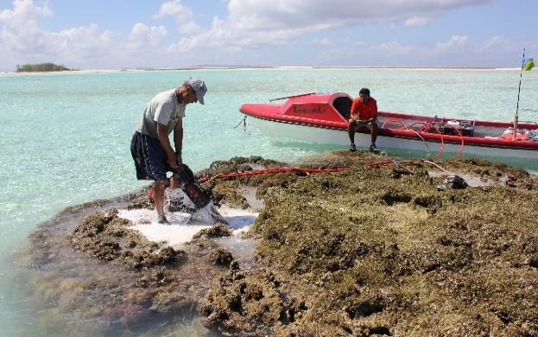
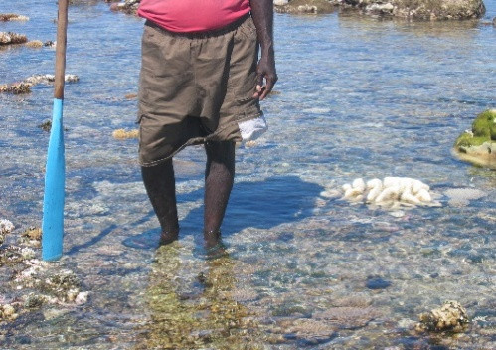
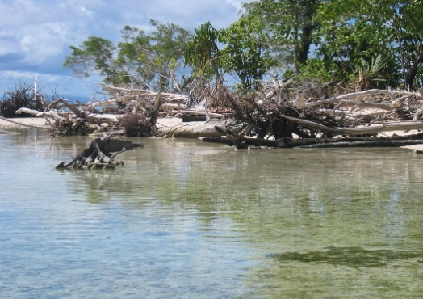

 | 10 SPL. Still living at lower right edge after 2007 uplift. Growing rapidly upward. Isotopes, if right, indicate it subsided back to the same level as before the 2007 EQ. i.e. ~65 cm.
12SPL-A

12SPL-A vs. 12SP-A Maximum Levels of Living Coral

11. 12SP-A. Same story as above, but lower uplift area. Compare the two at right.

12SP-A

12
12SWP-A. This one is dead and somewhat emerged. Killed ~ 1910. had uplifted gradually from ~1825 until 1860, then subsided? a little (~same time as 13NKol above).
 | Then subsided back down again to where it was. Then a big subsidence from 1885 to 1910. Large emergence (upift?) ~1910 killed it and left it stranded high. There are may others about like this one.
12SWP_A

13 | 12UGH on Rendova, out of 2007 vertical movements. Grew upward from 1910 to 1930 then flat until 1965. Then uplifted by ~0.1 m.
 | ~1990 it started growing upward by 30 cm when we collected it in 2012. This upgrowth is like subsidence and is far too much for regional sea level rise to explain.
 | No sign of any 2007 just like GPS at HUSU ~10-20 km south.

12UGH-A

14 | Rava Poin t. I snorkeled there in 2010 and it had clearly subsided ~ 0.5 m. If the RAVA GPS is processed then we will see how much.
 | But note, evidence of only a few cm of up or down growth in decades before 2010 and in 2010 did not have time to react to 2010 subsidence.

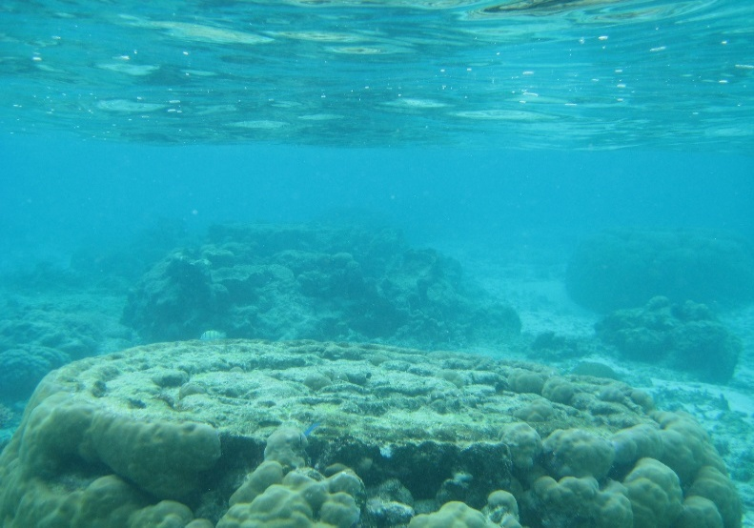


15 | Western north side of Tetepare, west of EcoLodge.

 |  |  |  | This photo s a Porites microatoll in August 2012. The corals grew about as perfectly flat as possible for about 2 m radius. Then they recently
 |  |  |  | began growing upward. 2010 subsided, but that is too recent for this amount of upgrowth that you see on the edges and colonizations on the top surface.
 |  |  |  | As the locals and we were sure when there in 2007, it subsided some that that time and even more in 2010
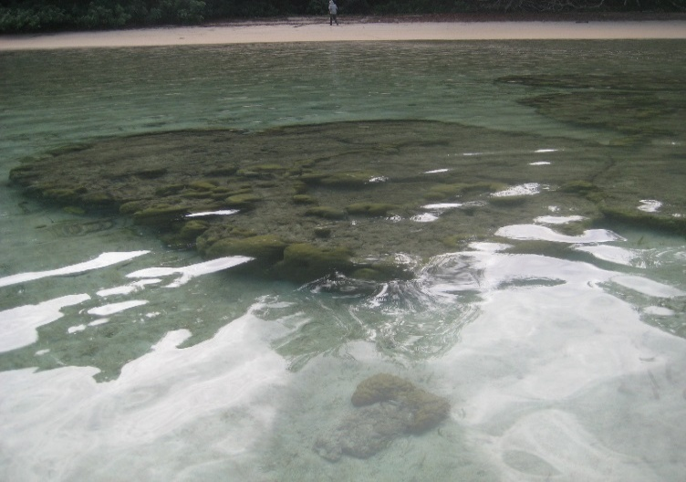
 |  |  |  | Note that this western peninsula has much less Holocene uplift than the rest of Tetepare and is lagging behind, probably along a fault normal to the

 |  |  |  | trench.

16 | 12RAR-A | This is the central north coast of Tetepare |  |  | We were going east along the N coast of Tetepare and seeing a little subsidence or northing when we suddenly began seeing slightly uplifted corals: 10- 15 cm.
 |  |  |  |  | This coral head had been growing upward from ~1930 untl ~1967 when it uplifted (emerged anyway) by ~0.25 m. This nearly killed it, but living coral at the base
 |  |  |  |  | lived and grew upward and outward to recover the dead surface as an unconformity. Thus, it subsided right back down to where it started. There was just a very slight emergence event in ~2005 that killed the very
 |  |  |  |  | top of the coral preceding the large 2007 uplift. There were a couple of pretty large aftershocks right here in the weeks after 2007.
 |  |  |  |  | The main uplift is only ~0.1 m in 2007 and then the coral is growing upward from ~2008 to 2012
 |  |  |  |  | The lack of permanent uplift is consistent with our finding only corals of >1000 years just above sea level at sites on Tetepare. It has uplifted ~7-8 mm/yr since the mid Holocene but appears to have paused.
12RAR-A Elev. Rel to 2012 HLS

CombineGraphs
13PIN-O, Not far from Kolomali North and 13Patu-Dh

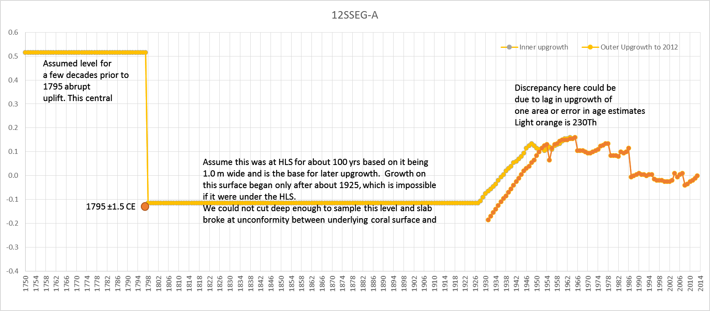

12SEG-A

