All of Us
All of Us Registered Tier Dataset v7
 |  |  |  |  | Question: | Diabetes is the 8th leading cause of death in the U.S. Understanding the impact of machine learning on complications related to race, ethnicity, and social determinants of health can lead to more equitable and effective healthcare. Evaluating and improving equity in machine learning models ensures that all demographic groups receive fair and accurate healthcare predictions. Tailoring algorithms to address disparities in healthcare can enhance the quality of care for all individuals, particularly those from underserved populations.
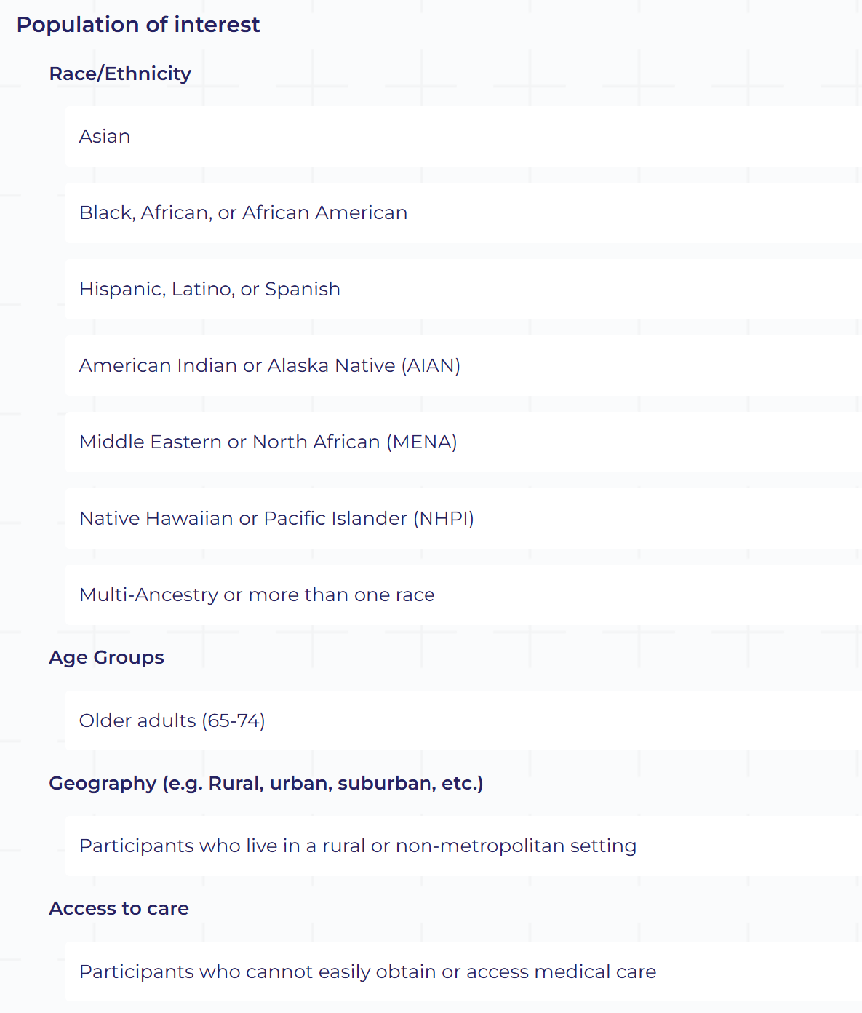 |  |  |  |  | Approach: | Datasets included in our study would include all four of the EHR Domain datasets and from the Survey Questions we will be using the following: 'The Basics', 'Overall Health', 'Lifestyle', 'Health Care Access & Utilization', 'Personal and Family Health History', and the 'Social Determinants of Health'. The research methods would include but not be limited to logistic regression and other statistical methods to evaluate the accuracy and equity of current machine learning models in predicting diabetes complications. Develop and modify machine learning models using gradient boosting and stacked ensemble methods to improve prediction performance and equity. Focusing on the top 10%, 15%, and 25% of Hamming similarity scores to assess the distribution and impact on different groups. Our tools include: Python (with libraries such as scikit-learn, pandas, etc.) Machine Learning Frameworks: gradient boosting libraries (XGBoost, LightGBM), and ensemble modeling techniques.

Cohort

Dataframe | ID | Rows | Columns
Survey | 57011715 | 410361 | 10
Person | 57011715 | 9375280 | 9

Raw Data |  |  |  | Raw Data

Unique Survey Columns | # Unique Values
person_id | 117023
survey_datetime | 116780
survey | 1
question_concept_id | 81
question | 81
anwer_concept_id | 74
answer | 90
survey_version_concept_id | 0
survey_version_name | 0

Unique Person Columns | # Unique Values
person_id | 410361
gender_concept_id | 4
gender | 4
date_of_birth | 25467
race_concept_id | 9
race | 9
ethnicity_concept_id | 6
ethnicity | 6
sex_at_birth_concept_id | 4
sex_at_birth | 4

Survey Questions
["How often are you treated with less courtesy than other people when you go to a doctor's office or other health care provider?"
'In the last 12 months, how many times have you or your family moved from one home to another? Number of moves in past 12 months:'
'It is within a 10-15 minute walk to a transit stop (such as bus, train, trolley, or tram) from my home. Would you say that you...'
"Within the past 12 months, were you worried whether the food you had bought just didn't last and you didn't have money to get more?"
"How often does a doctor or nurse act as if he or she is afraid of you when you go to a doctor's office or other health care provider?"
"How often does a doctor or nurse act as if he or she is better than you when you go to a doctor's office or other health care provider?"
'Many shops, stores, markets or other places to buy things I need are within easy walking distance of my home. Would you say that you...'
"How often does a doctor or nurse act as if he or she thinks you are not smart when you go to a doctor's office or other health care provider?"
"How often do you feel like a doctor or nurse is not listening to what you were saying. when you go to a doctor's office or other health care provider?"
'Since you speak a language other than English at home, we are interested in your own thoughts about how well you think you speak English. Would you say you speak English...'
'There are facilities to bicycle in or near my neighborhood, such as special lanes, separate paths or trails, or shared use paths for cycles and pedestrians. Would you say that you...'
'My neighborhood has several free or low-cost recreation facilities, such as parks, walking trails, bike paths, recreation centers, playgrounds, public swimming pools, etc. Would you say that you...'
'In your day-to-day life, how often do you receive poorer service than other people at restaurants or stores?'
'In the last month, how often have you felt that you were unable to control the important things in your life?'
'Within the past 12 months, were you worried whether your food would run out before you got money to buy more?'
'How much you agree or disagree that people in your neighborhood take good care of their houses and apartments?'
'In the last month, how often have you felt difficulties were piling up so high that you could not overcome them?'
"How often do you receive poorer service than others when you go to a doctor's office or other health care provider?"
"How often are you treated with less respect than other people when you go to a doctor's office or other health care provider?"
'The crime rate in my neighborhood makes it unsafe to go on walks at night. Would you say that you...'
'Think about the place you live. Do you have problems with any of the following? Select all that apply.'
'In the last month, how often have you been angered because of things that were outside of your control?'
'In the last month, how often have you felt confident about your ability to handle your personal problems?'
'The crime rate in my neighborhood makes it unsafe to go on walks during the day. Would you say that you...'
'How much you agree or disagree that there are too many people hanging around on the streets near your home?'
'In the last month, how often have you found that you could not cope with all the things that you had to do?'
'How much you agree or disagree that people in your neighborhood generally get along with each other?'
'How often do you feel left out?'
'How often do you feel lack companionship?'
'How often do you feel isolated from others?'
'How often do you feel deep inner peace or harmony?'
'Do you speak a language other than English at home?'
'How often do you feel that you are an outgoing person?'
'How often do you go to religious meetings or services?'
'What is the main type of housing in your neighborhood?'
'How often do you have someone to have a good time with?'
"How often do you feel God's (or a higher power's) presence?"
'How often do you feel that there is no one you can turn to?'
'How often do you find strength and comfort in your religion?'
'How often do you have someone who understands your problems?'
'How much you agree or disagree that your neighborhood is safe?'
'How often do you feel that you are unhappy being so withdrawn?'
'How much you agree or disagree that your neighborhood is clean?'
'How much you agree or disagree that your neighborhood is noisy?'
'How often do you have someone to love and make you feel wanted?'
'How often do you feel that people are around you but not with you?'
'In the last month, how often have you felt nervous and "stressed"?'
'In your day-to-day life, how often are you threatened or harassed?'
'In your day-to-day life, how often are you called names or insulted?'
'How often do you have someone to help you if you were confined to bed?'
'How often do you fell that you can find companionship when you want it?'
'How often do you have someone to take you to the doctor if you need it?'
'In the last month, how often have you felt that you were on top of things?'
'Discrimination: What do you think is the main reason for these experiences?'
'In the last month, how often have you felt that things were going your way?'
'How much you agree or disagree that vandalism is common in your neighborhood?'
'How often do you have someone to help you with daily chores if you were sick?'
'In your day-to-day life, how often do people act as if they are afraid of you?'
'How much you agree or disagree that people in your neighborhood can be trusted?'
'How much you agree or disagree that there is a lot of crime in your neighborhood?'
'How often do you desire to be closer to or in union with God (or a higher power)?'
'How often do you feel that you are spiritually touched by the beauty of creation?'
"In your day-to-day life, how often do people act as if they're better than you are?"
'How much you agree or disagree that there is a lot of graffiti in your neighborhood?'
'How much you agree or disagree that there is too much drug use in your neighborhood?'
'In the last month, how often have you been able to control irritations in your life?'
'In your day-to-day life, how often do people act as if they think you are dishonest?'
'In your day-to-day life, how often do people act as if they think you are not smart?'
'How much you agree or disagree that people in your neighborhood share the same values?'
'How much you agree or disagree that you are always having trouble with your neighbors?'
'How much you agree or disagree that there is too much alcohol use in your neighborhood?'
'In your day-to-day life, how often are you treated with less respect than other people?'
'In your day-to-day life, how often are you treated with less courtesy than other people?'
'There are sidewalks on most of the streets in my neighborhood. Would you say that you...'
'How much you agree or disagree that in your neighborhood people watch out for each other?'
'How often do you have someone to prepare your meals if you were unable to do it yourself?'
'How much you agree or disagree that people around here are willing to help their neighbor?'
"How often do you feel God's (or a higher power's) love for you, directly or through others?"
'How much you agree or disagree that there are lot of abandoned buildings in your neighborhood?'
'In the last month, how often have you been upset because of something that happened unexpectedly?'
'How often do you have someone to turn to for suggestions about how to deal with a personal problem?']

Answers:
['Rarely' 'Sometimes' 'Most of the time' '0' '1' '2' '5' 'PMI: Skip'
'PMI: Dont Know' 'Somewhat agree' 'Strongly agree' 'Somewhat disagree'
'Strongly disagree' 'Never true' 'Often true' 'Sometimes true' 'Never'
'Always' 'Well' 'Not well' 'Very well'
'Does not apply to my neighborhood' 'Almost everyday'
'A few times a year' 'A few times a month' 'At least once a week'
'Less than once a year' 'Very Often' 'Almost Never' 'Fairly Often'
'Agree' 'Disagree' 'Mold' 'Water leaks' 'Bug infestation'
'Inadequate heat' 'None of the above' 'Lead paint or pipes'
'Oven or stove not working' 'No or not working smoke detector' '3'
'Not at all' 'Neutral (neither agree nor disagree)' '6' '15' '12' '8'
'13' 'Often' 'Every day' 'Most days' 'Some days' 'Once in a while'
'Many times a day' 'Never or almost never' 'No' 'Yes' 'Once a week'
'I am not religious' 'More than once a week' '1 to 3 times per month'
'Less than once per month' 'Townhouses' 'Detached single-family housing'
'Apartments or condos of 4-12 stories'
'Apartments or condos of more than 12 stories'
'Mix of single-family residences and townhouses' 'All of the time'
'None of the time' 'Some of the time' 'A little of the time'
'I do not believe in God (or a higher power)' '4' 'Your age' 'Your race'
'Your gender' 'Your height' 'Your weight' 'Your religion'
'Other (specify)' 'Your sexual orientation'
'Your education or income level' 'Your ancestry or national origins'
'Some other aspect of your physical appearance'
'PMI: Prefer Not To Answer' '10' '7' '9' '14' '11']

