2017LengthsRegressionSample
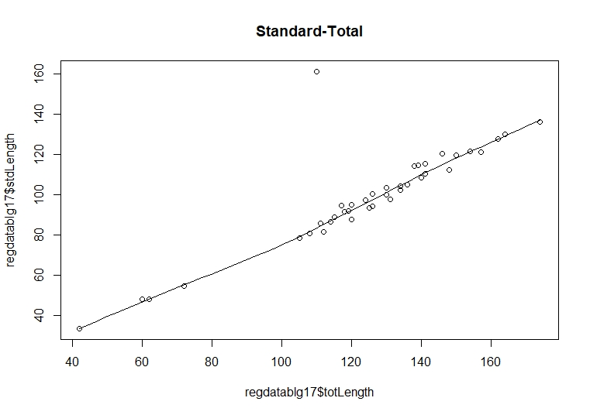
photoID | stdLength | totLength | comments
C:\Users\Chelsea\Documents\MCGILL\Bluegill Sunfish Data\2017 photos\DSC00010 | 97.616212483 | 131
C:\Users\Chelsea\Documents\MCGILL\Bluegill Sunfish Data\2017 photos\DSC00013 | 85.577374795 | 111
C:\Users\Chelsea\Documents\MCGILL\Bluegill Sunfish Data\2017 photos\DSC00015 | 94.059537956 | 126
C:\Users\Chelsea\Documents\MCGILL\Bluegill Sunfish Data\2017 photos\DSC00017 | 86.466752506 | 114
C:\Users\Chelsea\Documents\MCGILL\Bluegill Sunfish Data\2017 photos\DSC00021 | 91.783446536 | 119
C:\Users\Chelsea\Documents\MCGILL\Bluegill Sunfish Data\2017 photos\DSC00022 | 88.67510518 | 115
C:\Users\Chelsea\Documents\MCGILL\Bluegill Sunfish Data\2017 photos\DSC00023 | 161.46250397 | 110 | outlier
C:\Users\Chelsea\Documents\MCGILL\Bluegill Sunfish Data\2017 photos\DSC00024 | 93.45019843 | 125
C:\Users\Chelsea\Documents\MCGILL\Bluegill Sunfish Data\2017 photos\DSC00025 | 91.326981236 | 118
C:\Users\Chelsea\Documents\MCGILL\Bluegill Sunfish Data\2017 photos\DSC00028 | 81.576997162 | 112
C:\Users\Chelsea\Documents\MCGILL\Bluegill Sunfish Data\2017 photos\DSC00029 | 102.28252061 | 134
C:\Users\Chelsea\Documents\MCGILL\Bluegill Sunfish Data\2017 photos\DSC00030 | 87.697438765 | 120
C:\Users\Chelsea\Documents\MCGILL\Bluegill Sunfish Data\2017 photos\DSC00031 | 80.758561371 | 108
C:\Users\Chelsea\Documents\MCGILL\Bluegill Sunfish Data\2017 photos\DSC00032 | 88.826973253 | 115
C:\Users\Chelsea\Documents\MCGILL\Bluegill Sunfish Data\2017 photos\DSC00033 | 121.21581454 | 157
C:\Users\Chelsea\Documents\MCGILL\Bluegill Sunfish Data\2017 photos\DSC00034 | 127.67643707 | 162
C:\Users\Chelsea\Documents\MCGILL\Bluegill Sunfish Data\2017 photos\DSC00035 | 54.489391512 | 72
C:\Users\Chelsea\Documents\MCGILL\Bluegill Sunfish Data\2017 photos\DSC00038 | 47.938962696 | 62
C:\Users\Chelsea\Documents\MCGILL\Bluegill Sunfish Data\2017 photos\DSC00047 | 33.207242166 | 42
C:\Users\Chelsea\Documents\MCGILL\Bluegill Sunfish Data\2017 photos\DSC00050 | 47.976316019 | 60
C:\Users\Chelsea\Documents\MCGILL\Bluegill Sunfish Data\2017 photos\DSC00056 | 136.24832214 | 174
C:\Users\Chelsea\Documents\MCGILL\Bluegill Sunfish Data\2017 photos\DSC00059 | 94.477999983 | 117
C:\Users\Chelsea\Documents\MCGILL\Bluegill Sunfish Data\2017 photos\DSC00061 | 115.50994253 | 141
C:\Users\Chelsea\Documents\MCGILL\Bluegill Sunfish Data\2017 photos\DSC00064 | 94.867748788 | 120
C:\Users\Chelsea\Documents\MCGILL\Bluegill Sunfish Data\2017 photos\DSC00066 | 114.59644215 | 139
C:\Users\Chelsea\Documents\MCGILL\Bluegill Sunfish Data\2017 photos\DSC00068 | 108.34971564 | 140
C:\Users\Chelsea\Documents\MCGILL\Bluegill Sunfish Data\2017 photos\DSC00070 | 130.19727668 | 164
C:\Users\Chelsea\Documents\MCGILL\Bluegill Sunfish Data\2017 photos\DSC00073 | 97.207694149 | 124
C:\Users\Chelsea\Documents\MCGILL\Bluegill Sunfish Data\2017 photos\DSC00076 | 112.31937064 | 148
C:\Users\Chelsea\Documents\MCGILL\Bluegill Sunfish Data\2017 photos\DSC00079 | 120.52658232 | 146
C:\Users\Chelsea\Documents\MCGILL\Bluegill Sunfish Data\2017 photos\DSC00080 | 103.51870005 | 130
C:\Users\Chelsea\Documents\MCGILL\Bluegill Sunfish Data\2017 photos\DSC00084 | 99.917039184 | 130
C:\Users\Chelsea\Documents\MCGILL\Bluegill Sunfish Data\2017 photos\DSC00086 | 105.03044512 | 136
C:\Users\Chelsea\Documents\MCGILL\Bluegill Sunfish Data\2017 photos\DSC00088 | 78.274799144 | 105
C:\Users\Chelsea\Documents\MCGILL\Bluegill Sunfish Data\2017 photos\DSC00092 | 110.34365009 | 141
C:\Users\Chelsea\Documents\MCGILL\Bluegill Sunfish Data\2017 photos\DSC00094 | 100.46625606 | 126
C:\Users\Chelsea\Documents\MCGILL\Bluegill Sunfish Data\2017 photos\DSC00095 | 104.29012302 | 134
C:\Users\Chelsea\Documents\MCGILL\Bluegill Sunfish Data\2017 photos\DSC00100 | 114.23610796 | 138
C:\Users\Chelsea\Documents\MCGILL\Bluegill Sunfish Data\2017 photos\DSC00104 | 121.65283964 | 154
C:\Users\Chelsea\Documents\MCGILL\Bluegill Sunfish Data\2017 photos\DSC00108 | 119.76292711 | 150

