Calibration
Generation
Attraction
 | Generation |  | Attraction
Zone | Population (P) | Trips (G) | Jobs (J) | Trips (A) | Trips (G) ratio | Trips (A) ratio
1 | 26,875 | 92,400 | 16364.00 | 66962.00 | 0.29085497835 | 0.24437740808
2 | 28,824 | 55,730 | 16971.00 | 78837.00 | 0.51720796698 | 0.21526694319
3 | 43,362 | 146,467 | 19012.00 | 63906.00 | 0.29605303584 | 0.29749945232
4 | 35,611 | 68,172 | 26883.00 | 117710.00 | 0.52236988793 | 0.22838331493
5 | 53,712 | 179,183 | 23162.00 | 102503.00 | 0.29976057997 | 0.22596411812
6 | 54,155 | 118,267 | 29389.00 | 116295.00 | 0.45790457186 | 0.25271077862
7 | 61,416 | 142,762 | 40046.00 | 194504.00 | 0.43019851221 | 0.20588779665
8 | 57,942 | 132,302 | 43506.00 | 188139.00 | 0.43795256308 | 0.23124392072
9 | 66,035 | 127,415 | 48933.00 | 191722.00 | 0.51826708001 | 0.25522892521
10 | 68,865 | 179,242 | 52078.00 | 156555.00 | 0.38420124748 | 0.33264986746
 |  | 1,241,940 |  | 1,277,133

 | G = a + b × P |  | A = c + d × J
 | Slope, b | Intercept, a | Slope, d | Intercept, c
 | 2.1196811091 | 18888.878402 | 3.4922467782 | 17238.168519

 |  |  |  |  |  |  |  | Zone | Population (P) | Trips (G) | Jobs (J) | Trips (A)
 |  |  |  |  |  |  | 1 | 1 | 22173 | 7152 | 9035 | 4214
 |  |  |  |  |  |  | 2 | 2 | 19885 | 5824 | 9260 | 4697
 |  |  |  |  |  |  | 3 | 3 | 39710 | 13193 | 16894 | 7712
 |  |  |  |  |  |  | 4 | 4 | 23263 | 7651 | 10561 | 5087
 |  |  |  |  |  |  | 5 | 5 | 13387 | 4380 | 6344 | 2803
 |  |  |  |  |  |  | 6 | Total | Nil | 38200 | Nil | 24513

Forecast
Generation
Attraction
 | Generation |  | Attraction
Zone | Population (P) | Trips (G) | Jobs (J) | Trips (A) | Adjusted Trips (A')
1 | 46,494 | 117,441 | 25,037 | 104,674 | 104,113
2 | 52,171 | 129,475 | 29,190 | 119,177 | 118,539
3 | 72,848 | 173,303 | 34,412 | 137,413 | 136,677
4 | 56,265 | 138,153 | 51,347 | 196,555 | 195,502
5 | 95,607 | 221,545 | 38,681 | 152,322 | 151,506
6 | 90,439 | 210,591 | 52,606 | 200,951 | 199,875
7 | 119,147 | 271,443 | 67,311 | 252,305 | 250,954
8 | 92,128 | 214,171 | 77,441 | 287,681 | 286,141
9 | 109,618 | 251,244 | 80,250 | 297,491 | 295,898
10 | 137,041 | 309,372 | 80,721 | 299,136 | 297,534
 |  | 2,036,738 |  | 2,047,704 | 2,036,738

 | G = a + b × P |  | A = c + d × J |  | A' = A × (∑G/∑A)
 | Slope, b | Intercept, a | Slope, d | Intercept, c
 | 2.1196811091 | 18888.878402 | 3.4922467782 | 17238.168519
 |  |  | 3.4735440374 | 17145.849443

CALIBRATIONN
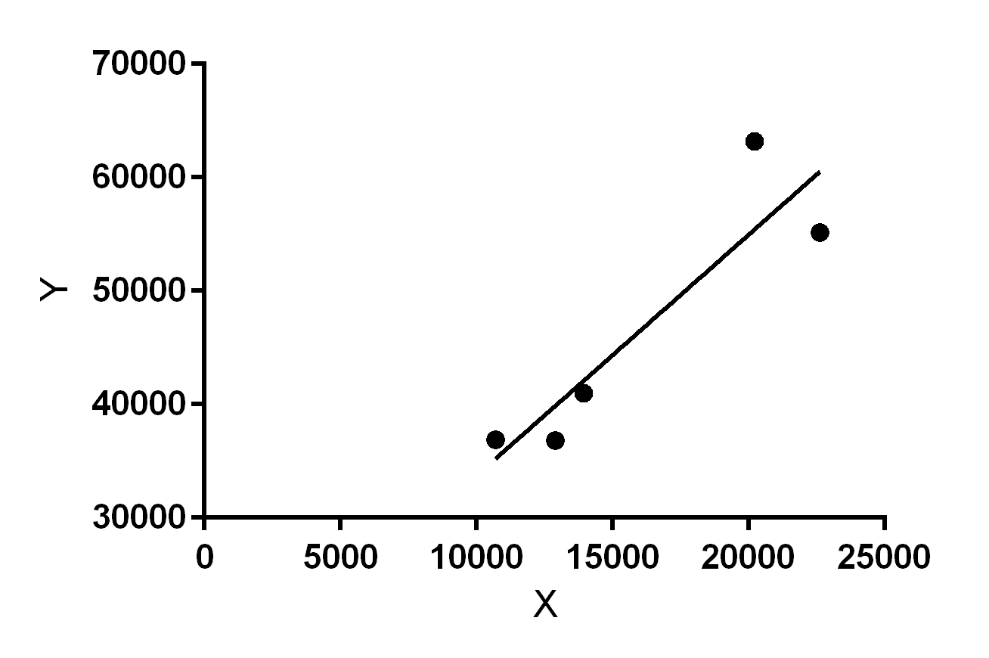
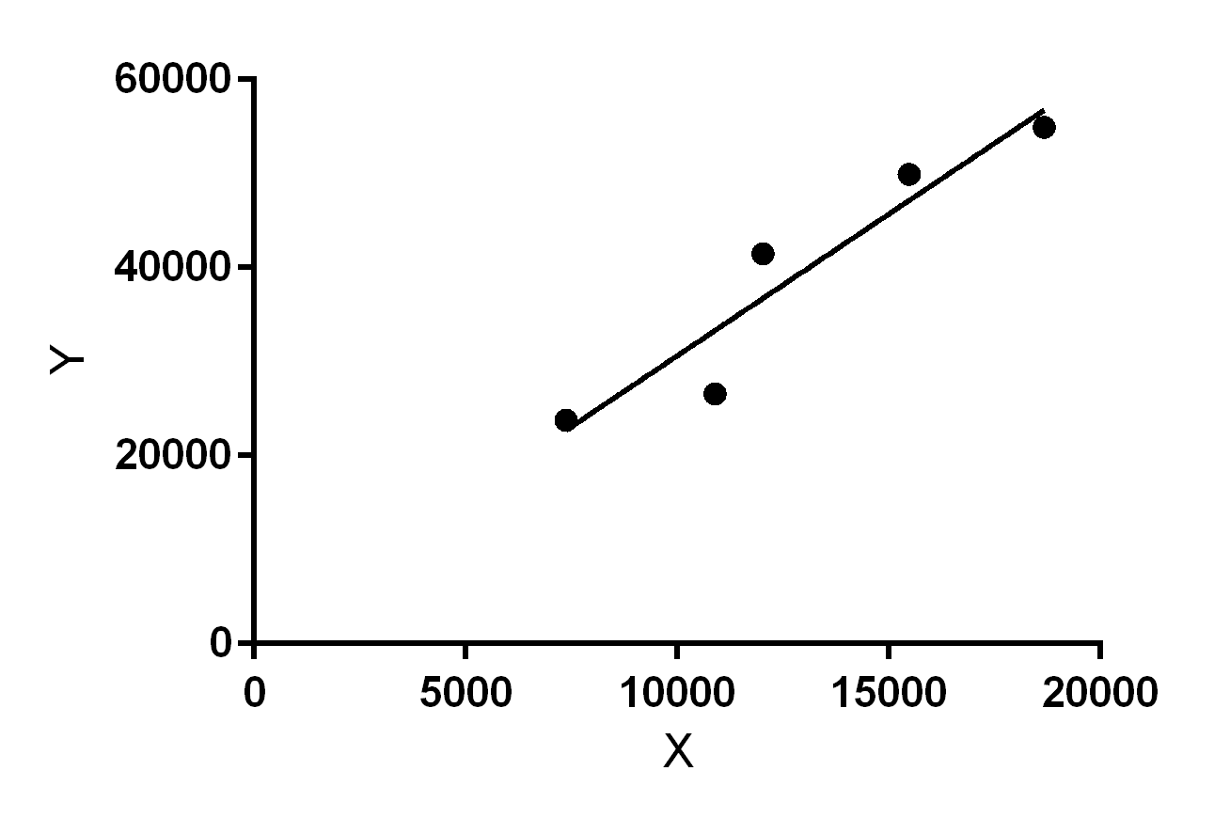
 | Sr. no. | Population | Trip (G) | Jobs | Trip (A)
Mulgrave | 1 | 20218 | 63181 | 15478 | 49929
Springvale | 2 | 22616 | 55161 | 18675 | 54926
Notting hill | 3 | 10699 | 36893 | 7373 | 20481
Clayton central | 4 | 12890 | 36829 | 10896 | 26576
Clayton south | 5 | 13933 | 40979 | 12027 | 41472

G = a + b × P |  | A = c + d × J
Slope, b | Intercept, a | Slope, d | Intercept, c
b= 2.12 | a= 12469 | d=3.014 | c= 490.5

Y = 2.124*X + 12469 |  | Y = 3.014*X + 490.5

Regression (2)
 | Users |  |  | Mode constant |  | Travel time, minutes
ID | Car | PT | All | Car | PT | Car | PT |  | P (Car) | M (Car) | M (PT) | TT (Car) | TT (PT) | Y = -ln(1/P-1) | ΔM | ΔTT
1 | 5458 | 366 | 5824 | 1 | 0 | 12 | 52 |  | 94% | 1 | 0 | 12 | 52 | 2.702 | 1 | -40
2 | 6334 | 818 | 7152 | 1 | 0 | 11 | 51 |  | 89% | 1 | 0 | 11 | 51 | 2.047 | 1 | -40
3 | 2109 | 425 | 2534 | 1 | 0 | 10 | 35 |  | 83% | 1 | 0 | 10 | 35 | 1.602 | 1 | -25
4 | 3111 | 891 | 4002 | 1 | 0 | 8 | 36 |  | 78% | 1 | 0 | 8 | 36 | 1.250 | 1 | -28
5 | 3785 | 595 | 4380 | 1 | 0 | 10 | 40 |  | 86% | 1 | 0 | 10 | 40 | 1.850 | 1 | -30

 |  |  |  |  |  |  |  |  |  |  |  |  |  |  | βTT | βM
 |  |  |  |  |  |  |  |  |  |  |  |  |  |  | -0.063556719917 | -0.18164824937

-40 | 0.91377471129 | -40 | 94%
-35 | 0.88522182876 | -40 | 89%
-30 | 0.84877859504 | -25 | 83%
-25 | 0.80333495413 | -28 | 78%
-20 | 0.74828494776 | -30 | 86%
-15 | 0.68388907423
-10 | 0.61157059436
-5 | 0.53398137283
0 | 0.45471239537
5 | 0.37767419569
10 | 0.30635506236
15 | 0.24323972459
20 | 0.1895736832
 |  |  |  |  |  |  |  |  |  |  |  |  |  |  | ΔTT | Y | P(car)
 |  |  |  |  |  |  |  |  |  |  |  |  |  |  | -40 | 2.3606205473 | 0.91377471129
 |  |  |  |  |  |  |  |  |  |  |  |  |  |  | -35 | 2.0428369477 | 0.88522182876
 |  |  |  |  |  |  |  |  |  |  |  |  |  |  | -30 | 1.7250533481 | 0.84877859504
 |  |  |  |  |  |  |  |  |  |  |  |  |  |  | -25 | 1.4072697486 | 0.80333495413
 |  |  |  |  |  |  |  |  |  |  |  |  |  |  | -20 | 1.089486149 | 0.74828494776
 |  |  |  |  |  |  |  |  |  |  |  |  |  |  | -15 | 0.77170254939 | 0.68388907423
 |  |  |  |  |  |  |  |  |  |  |  |  |  |  | -10 | 0.4539189498 | 0.61157059436
 |  |  |  |  |  |  |  |  |  |  |  |  |  |  | -5 | 0.13613535022 | 0.53398137283
 |  |  |  |  |  |  |  |  |  |  |  |  |  |  | 0 | -0.18164824937 | 0.45471239537
 |  |  |  |  |  |  |  |  |  |  |  |  |  |  | 5 | -0.49943184896 | 0.37767419569
 |  |  |  |  |  |  |  |  |  |  |  |  |  |  | 10 | -0.81721544854 | 0.30635506236
 |  |  |  |  |  |  |  |  |  |  |  |  |  |  | 15 | -1.1349990481 | 0.24323972459
 |  |  |  |  |  |  |  |  |  |  |  |  |  |  | 20 | -1.4527826477 | 0.1895736832

 |  | 1 | 6334 | 818 | 0.885626 | 1 | 0 | 5 | 10 | 2.046825 | 1 | -5 |  |  | 2.046825 | -5
 |  | 2 | 2 | 5458 | 366 | 0.937157 | 1 | 0 | 10 | 20 | 2.702204 | 1 | -10 |  | 2.702204 | -10
 |  | 3 | 3 | 11955 | 1238 | 0.906162 | 1 | 0 | 5 | 10 | 2.267652 | 1 | -5 |  | 2.267652 | -5
 |  | 4 | 4 | 7288 | 363 | 0.952555 | 1 | 0 | 10 | 20 | 2.999582 | 1 | -10 |  | 2.999582 | -10
 |  | 5 | 5 | 3785 | 595 | 0.864155 | 1 | 0 | 5 | 10 | 1.85024 | 1 | -5 |  | 1.85024 | -5

 |  |  |  |  |  |  |  |  |  |  |  |  |  |  | -0.15919746667 | 1.2589183333

