Sheet1
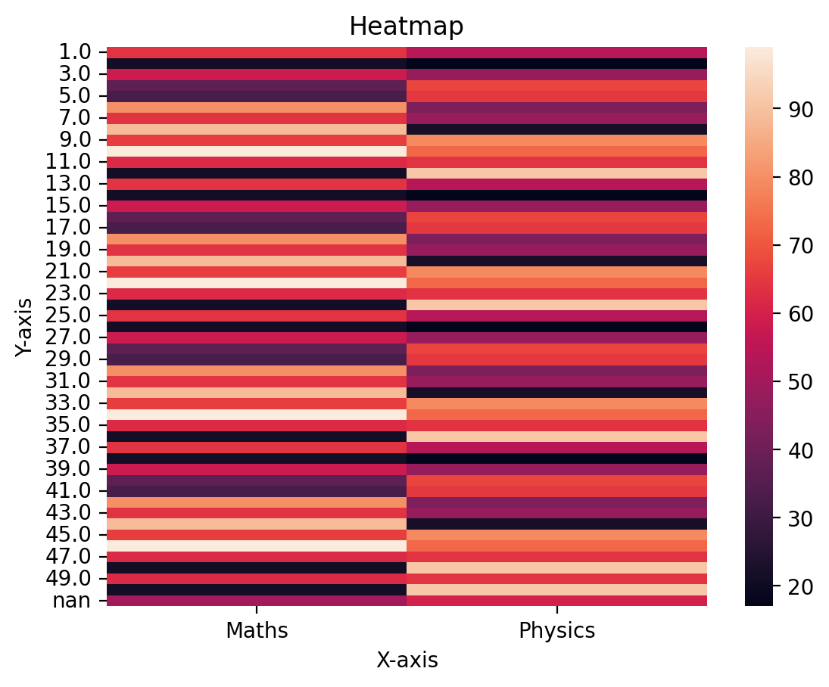
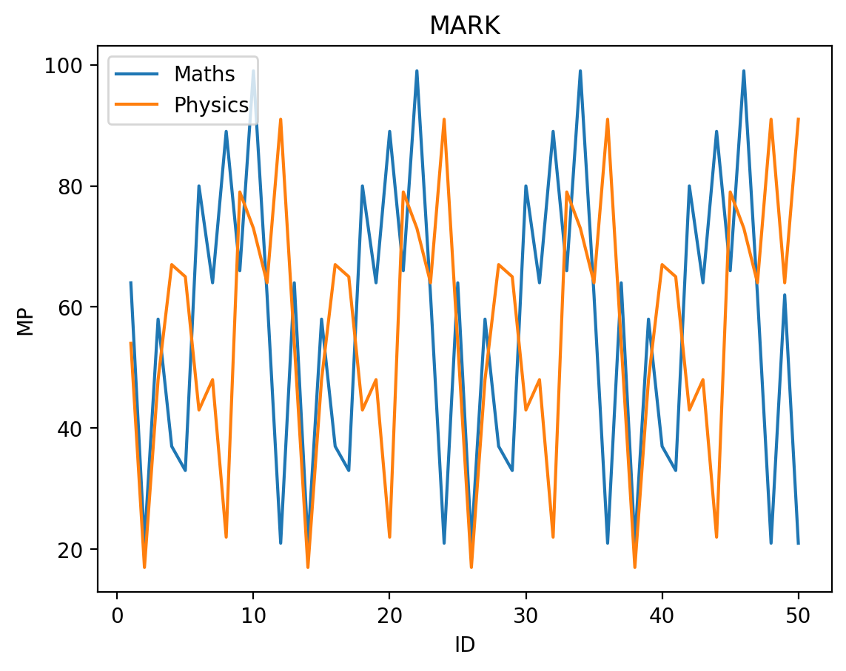
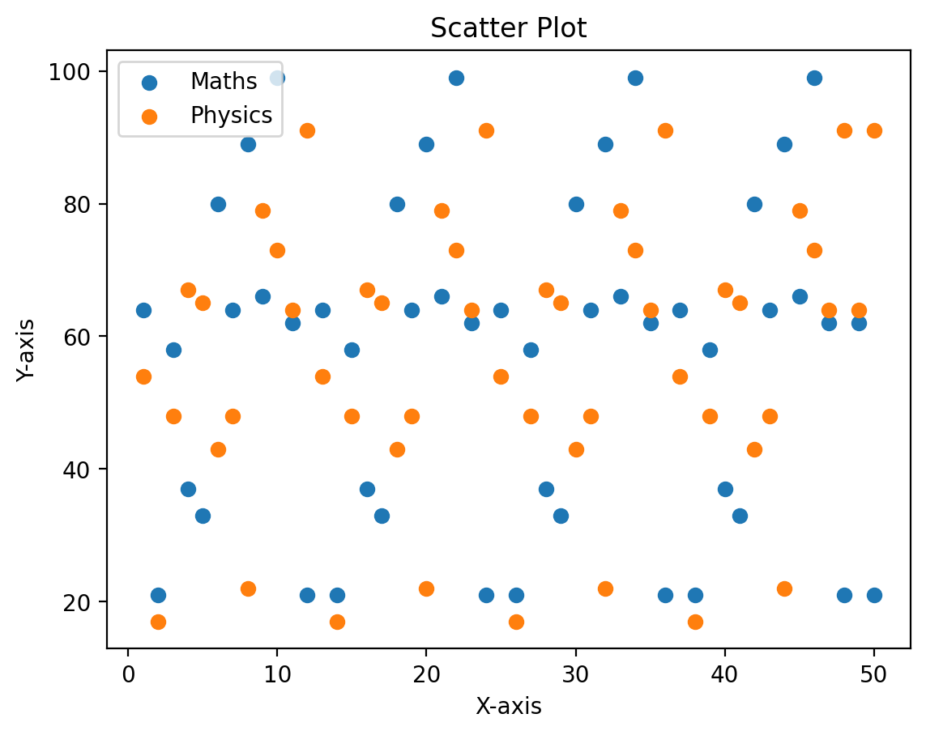
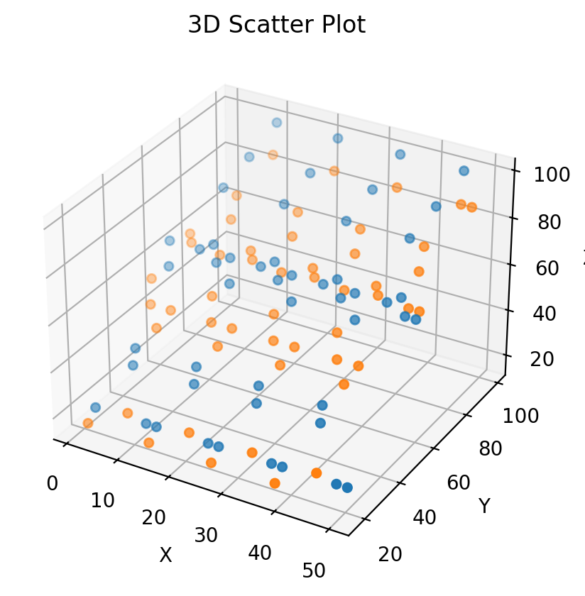
ID | Student | Class | History | Geography | Maths | Biology | Physics | Chemistry | English | Literature | Total
1 | Student 1 | B | 38 | 44 | 64 | 15 | 54 | 78 | 78 | 47 | 418 | 836
2 | Student 2 | A | 91 | 47 | 21 | 58 | 17 | 64 | 64 | 75 | 437
3 | Student 3 | A | 63 | 35 | 58 | 38 | 48 | 21 | 21 | 16 | 300
4 | Student 4 | A | 64 | 70 | 37 | 76 | 67 | 35 | 35 | 92 | 476 | Hello dr ESAM
5 | Student 5 | C | 59 | 93 | 33 | 99 | 65 | 32 | 32 | 41 | 454
6 | Student 6 | B | 99 | 96 | 80 | 16 | 43 | 77 | 77 | 58 | 546
7 | Student 7 | C | 82 | 78 | 64 | 38 | 48 | 79 | 79 | 16 | 484
8 | Student 8 | A | 76 | 64 | 89 | 20 | 22 | 88 | 88 | 82 | 529
9 | Student 9 | B | 58 | 35 | 66 | 49 | 79 | 42 | 42 | 47 | 418
10 | Student 10 | C | 51 | 20 | 99 | 20 | 73 | 45 | 45 | 29 | 382
11 | Student 11 | C | 51 | 33 | 62 | 84 | 64 | 73 | 73 | 91 | 531
12 | Student 12 | A | 83 | 94 | 21 | 93 | 91 | 80 | 80 | 80 | 622
13 | Student 13 | B | 38 | 44 | 64 | 15 | 54 | 78 | 78 | 47 | 418
14 | Student 14 | A | 91 | 47 | 21 | 58 | 17 | 64 | 64 | 75 | 437
15 | Student 15 | A | 63 | 35 | 58 | 38 | 48 | 21 | 21 | 16 | 300
16 | Student 16 | A | 64 | 70 | 37 | 76 | 67 | 35 | 35 | 92 | 476
17 | Student 17 | C | 59 | 93 | 33 | 99 | 65 | 32 | 32 | 41 | 454
18 | Student 18 | B | 99 | 96 | 80 | 16 | 43 | 77 | 77 | 58 | 546
19 | Student 19 | C | 82 | 78 | 64 | 38 | 48 | 79 | 79 | 16 | 484
20 | Student 20 | A | 76 | 64 | 89 | 20 | 22 | 88 | 88 | 82 | 529
21 | Student 21 | B | 58 | 35 | 66 | 49 | 79 | 42 | 42 | 47 | 418
22 | Student 22 | C | 51 | 20 | 99 | 20 | 73 | 45 | 45 | 29 | 382
23 | Student 23 | C | 51 | 33 | 62 | 84 | 64 | 73 | 73 | 91 | 531
24 | Student 24 | A | 83 | 94 | 21 | 93 | 91 | 80 | 80 | 80 | 622
25 | Student 25 | B | 38 | 44 | 64 | 15 | 54 | 78 | 78 | 47 | 418
26 | Student 26 | A | 91 | 47 | 21 | 58 | 17 | 64 | 64 | 75 | 437
27 | Student 27 | A | 63 | 35 | 58 | 38 | 48 | 21 | 21 | 16 | 300
28 | Student 28 | A | 64 | 70 | 37 | 76 | 67 | 35 | 35 | 92 | 476
29 | Student 29 | C | 59 | 93 | 33 | 99 | 65 | 32 | 32 | 41 | 454
30 | Student 30 | B | 99 | 96 | 80 | 16 | 43 | 77 | 77 | 58 | 546
31 | Student 31 | C | 82 | 78 | 64 | 38 | 48 | 79 | 79 | 16 | 484
32 | Student 32 | A | 76 | 64 | 89 | 20 | 22 | 88 | 88 | 82 | 529
33 | Student 33 | B | 58 | 35 | 66 | 49 | 79 | 42 | 42 | 47 | 418
34 | Student 34 | C | 0 | 20 | 99 | 20 | 73 | 45 | 45 | 29 | 331
35 | Student 35 | C | 51 | 33 | 62 | 84 | 64 | 73 | 73 | 91 | 531
36 | Student 36 | A | 83 | 94 | 21 | 93 | 91 | 80 | 80 | 80 | 622
37 | Student 37 | B | 38 | 44 | 64 | 15 | 54 | 78 | 78 | 47 | 418
38 | Student 38 | A | 91 | 47 | 21 | 58 | 17 | 64 | 64 | 75 | 437
39 | Student 39 | A | 63 | 35 | 58 | 38 | 48 | 21 | 21 | 16 | 300
40 | Student 40 | A | 64 | 70 | 37 | 76 | 67 | 35 | 35 | 92 | 476
41 | Student 41 | C | 59 | 93 | 33 | 99 | 65 | 32 | 32 | 41 | 454
42 | Student 42 | B | 50 | 96 | 80 | 16 | 43 | 77 | 77 | 58 | 497
43 | Student 43 | C | 82 | 78 | 64 | 38 | 48 | 79 | 79 | 16 | 484
44 | Student 44 | A | 76 | 64 | 89 | 20 | 22 | 88 | 88 | 82 | 529
45 | Student 45 | B | 58 | 35 | 66 | 49 | 79 | 42 | 42 | 47 | 418
46 | Student 46 | C | 51 | 20 | 99 | 20 | 73 | 45 | 45 | 29 | 382
47 | Student 47 | C | 51 | 33 | 62 | 84 | 64 | 73 | 73 | 91 | 531
48 | Student 48 | A | 83 | 94 | 21 | 93 | 91 | 80 | 80 | 80 | 622
49 | Student 49 | C | 51 | 33 | 62 | 84 | 64 | 73 | 73 | 91 | 531
50 | Student 50 | A | 83 | 94 | 21 | 93 | 91 | 80 | 80 | 80 | 622

Exploratory Analysis
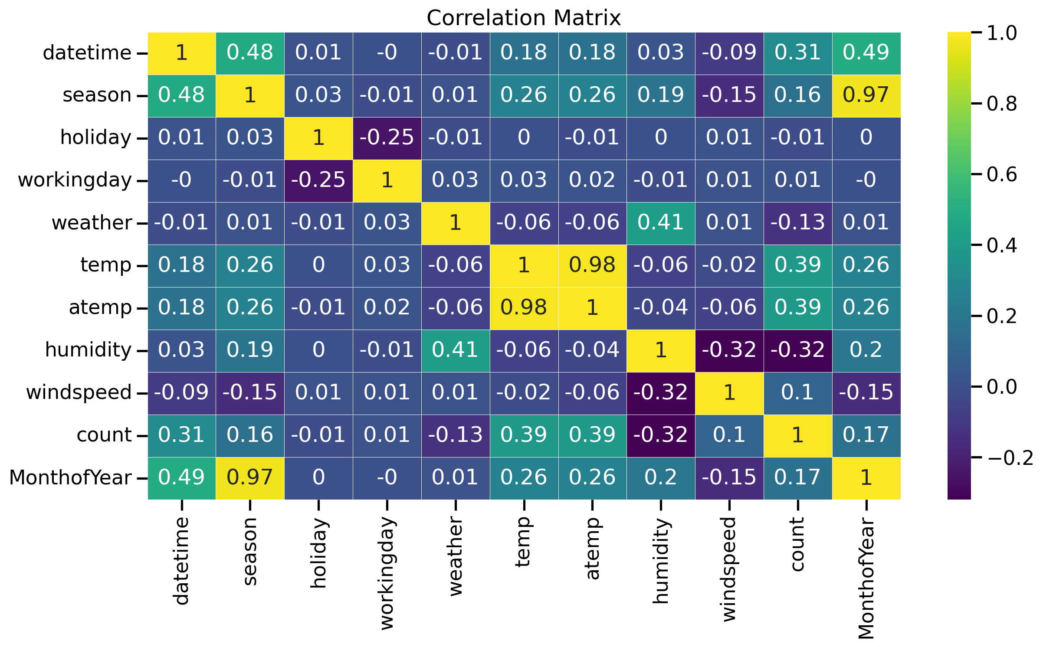

Decision Tree
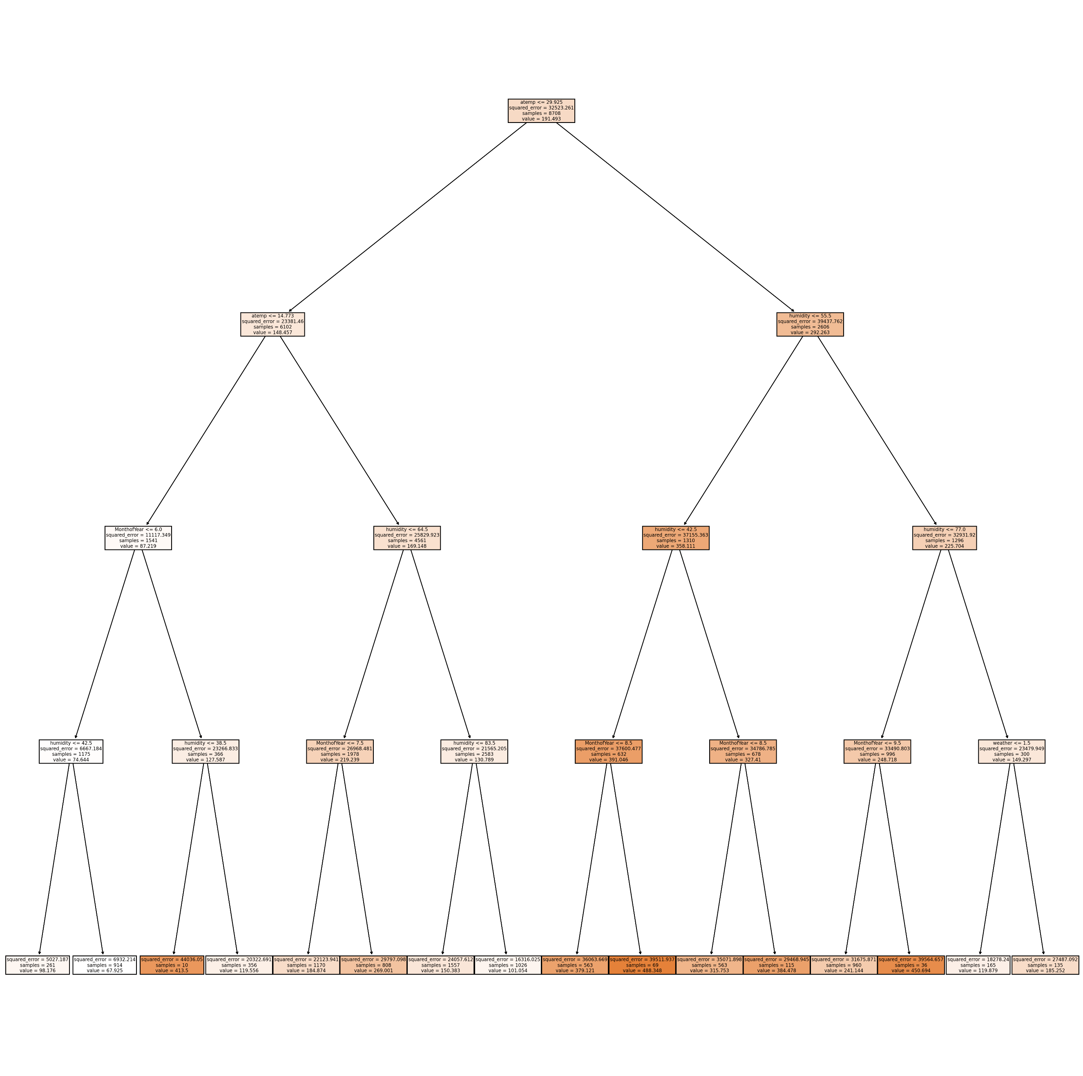
Best Fit tree parameters
Max Depth | 7
R2_score on test set | 0.3

Random Forest
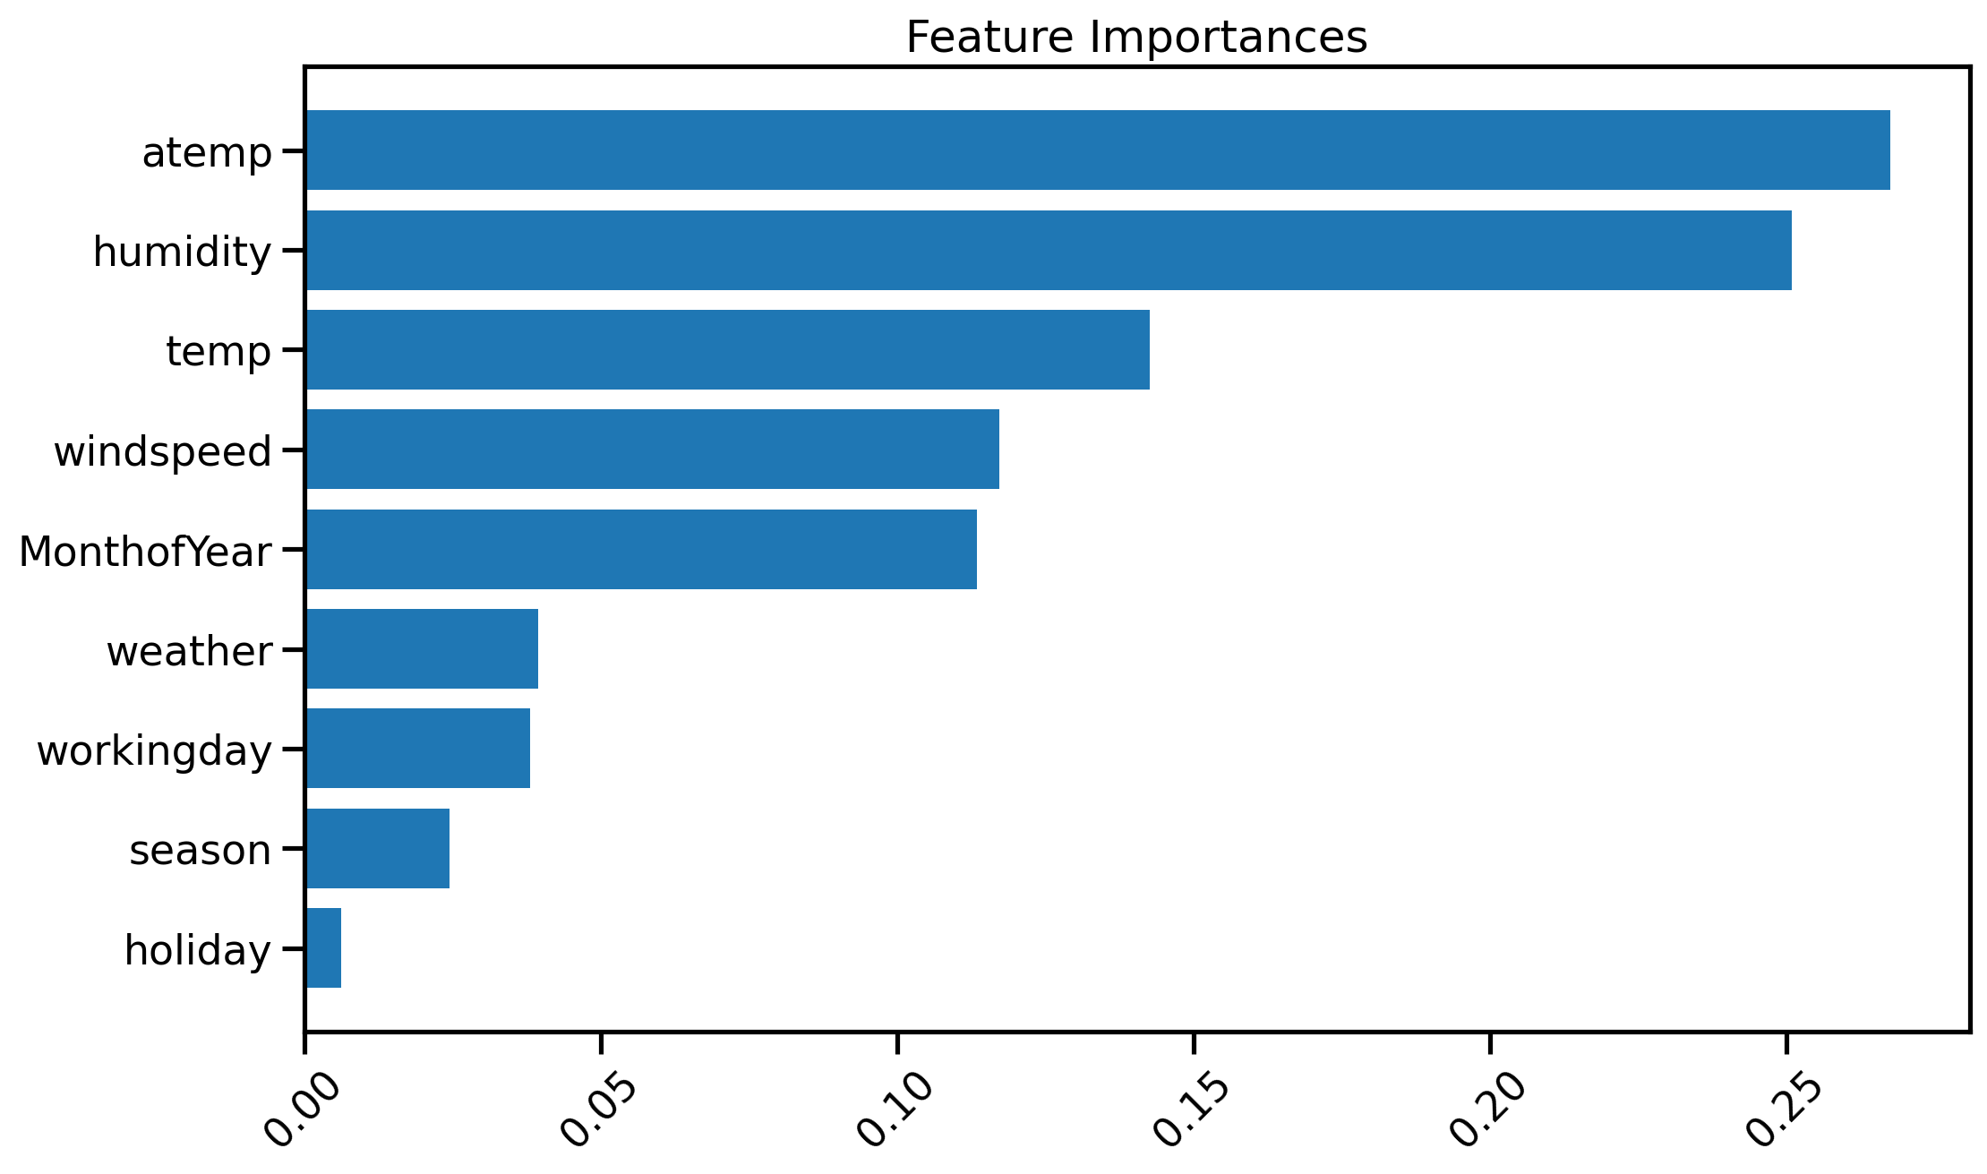
Best Random Forest Fit parameters
N_estimators | 100
max_depth | 11
r2_score | 0.38

