running
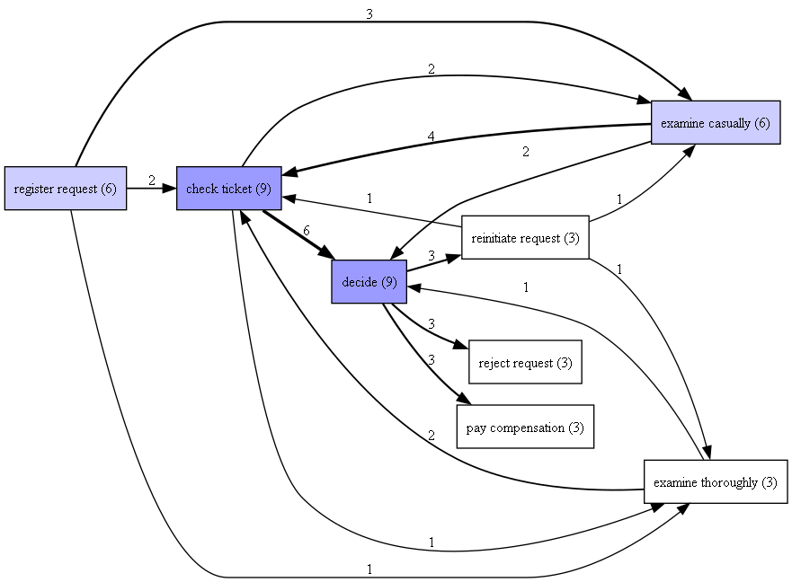
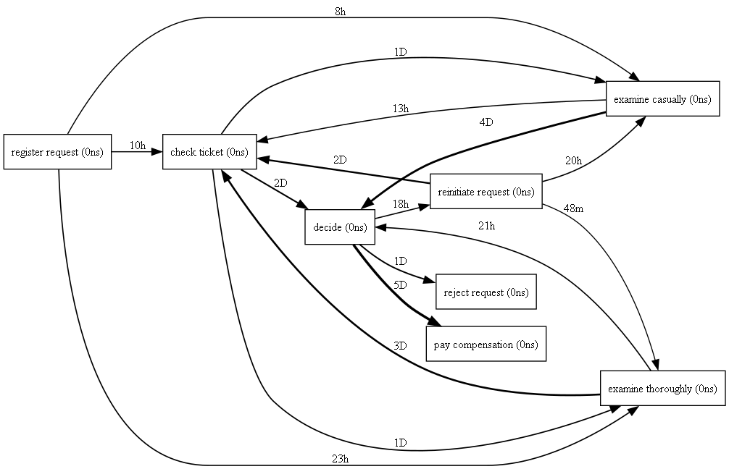

Activity | Costs | Resource | case:concept:name | case:creator | concept:name | org:resource | time:timestamp
register request | 50 | Pete | 3 | Fluxicon Nitro | register request | Pete | 2010-12-30 14:32:00+01:00
examine casually | 400 | Mike | 3 | Fluxicon Nitro | examine casually | Mike | 2010-12-30 15:06:00+01:00
check ticket | 100 | Ellen | 3 | Fluxicon Nitro | check ticket | Ellen | 2010-12-30 16:34:00+01:00
decide | 200 | Sara | 3 | Fluxicon Nitro | decide | Sara | 2011-01-06 09:18:00+01:00
reinitiate request | 200 | Sara | 3 | Fluxicon Nitro | reinitiate request | Sara | 2011-01-06 12:18:00+01:00
examine thoroughly | 400 | Sean | 3 | Fluxicon Nitro | examine thoroughly | Sean | 2011-01-06 13:06:00+01:00
check ticket | 100 | Pete | 3 | Fluxicon Nitro | check ticket | Pete | 2011-01-08 11:43:00+01:00
decide | 200 | Sara | 3 | Fluxicon Nitro | decide | Sara | 2011-01-09 09:55:00+01:00
pay compensation | 200 | Ellen | 3 | Fluxicon Nitro | pay compensation | Ellen | 2011-01-15 10:45:00+01:00
register request | 50 | Mike | 2 | Fluxicon Nitro | register request | Mike | 2010-12-30 11:32:00+01:00
check ticket | 100 | Mike | 2 | Fluxicon Nitro | check ticket | Mike | 2010-12-30 12:12:00+01:00
examine casually | 400 | Sean | 2 | Fluxicon Nitro | examine casually | Sean | 2010-12-30 14:16:00+01:00
decide | 200 | Sara | 2 | Fluxicon Nitro | decide | Sara | 2011-01-05 11:22:00+01:00
pay compensation | 200 | Ellen | 2 | Fluxicon Nitro | pay compensation | Ellen | 2011-01-08 12:05:00+01:00
register request | 50 | Pete | 1 | Fluxicon Nitro | register request | Pete | 2010-12-30 11:02:00+01:00
examine thoroughly | 400 | Sue | 1 | Fluxicon Nitro | examine thoroughly | Sue | 2010-12-31 10:06:00+01:00
check ticket | 100 | Mike | 1 | Fluxicon Nitro | check ticket | Mike | 2011-01-05 15:12:00+01:00
decide | 200 | Sara | 1 | Fluxicon Nitro | decide | Sara | 2011-01-06 11:18:00+01:00
reject request | 200 | Pete | 1 | Fluxicon Nitro | reject request | Pete | 2011-01-07 14:24:00+01:00
register request | 50 | Mike | 6 | Fluxicon Nitro | register request | Mike | 2011-01-06 15:02:00+01:00
examine casually | 400 | Ellen | 6 | Fluxicon Nitro | examine casually | Ellen | 2011-01-06 16:06:00+01:00
check ticket | 100 | Mike | 6 | Fluxicon Nitro | check ticket | Mike | 2011-01-07 16:22:00+01:00
decide | 200 | Sara | 6 | Fluxicon Nitro | decide | Sara | 2011-01-07 16:52:00+01:00

pay compensation | 200 | Mike | 6 | Fluxicon Nitro | pay compensation | Mike | 2011-01-16 11:47:00+01:00
register request | 50 | Ellen | 5 | Fluxicon Nitro | register request | Ellen | 2011-01-06 09:02:00+01:00
examine casually | 400 | Mike | 5 | Fluxicon Nitro | examine casually | Mike | 2011-01-07 10:16:00+01:00
check ticket | 100 | Pete | 5 | Fluxicon Nitro | check ticket | Pete | 2011-01-08 11:22:00+01:00
decide | 200 | Sara | 5 | Fluxicon Nitro | decide | Sara | 2011-01-10 13:28:00+01:00
reinitiate request | 200 | Sara | 5 | Fluxicon Nitro | reinitiate request | Sara | 2011-01-11 16:18:00+01:00
check ticket | 100 | Ellen | 5 | Fluxicon Nitro | check ticket | Ellen | 2011-01-14 14:33:00+01:00
examine casually | 400 | Mike | 5 | Fluxicon Nitro | examine casually | Mike | 2011-01-16 15:50:00+01:00
decide | 200 | Sara | 5 | Fluxicon Nitro | decide | Sara | 2011-01-19 11:18:00+01:00
reinitiate request | 200 | Sara | 5 | Fluxicon Nitro | reinitiate request | Sara | 2011-01-20 12:48:00+01:00
examine casually | 400 | Sue | 5 | Fluxicon Nitro | examine casually | Sue | 2011-01-21 09:06:00+01:00
check ticket | 100 | Pete | 5 | Fluxicon Nitro | check ticket | Pete | 2011-01-21 11:34:00+01:00
decide | 200 | Sara | 5 | Fluxicon Nitro | decide | Sara | 2011-01-23 13:12:00+01:00
reject request | 200 | Mike | 5 | Fluxicon Nitro | reject request | Mike | 2011-01-24 14:56:00+01:00
register request | 50 | Pete | 4 | Fluxicon Nitro | register request | Pete | 2011-01-06 15:02:00+01:00
check ticket | 100 | Mike | 4 | Fluxicon Nitro | check ticket | Mike | 2011-01-07 12:06:00+01:00
examine thoroughly | 400 | Sean | 4 | Fluxicon Nitro | examine thoroughly | Sean | 2011-01-08 14:43:00+01:00
decide | 200 | Sara | 4 | Fluxicon Nitro | decide | Sara | 2011-01-09 12:02:00+01:00
reject request | 200 | Ellen | 4 | Fluxicon Nitro | reject request | Ellen | 2011-01-12 15:44:00+01:00

