Summary Statistics
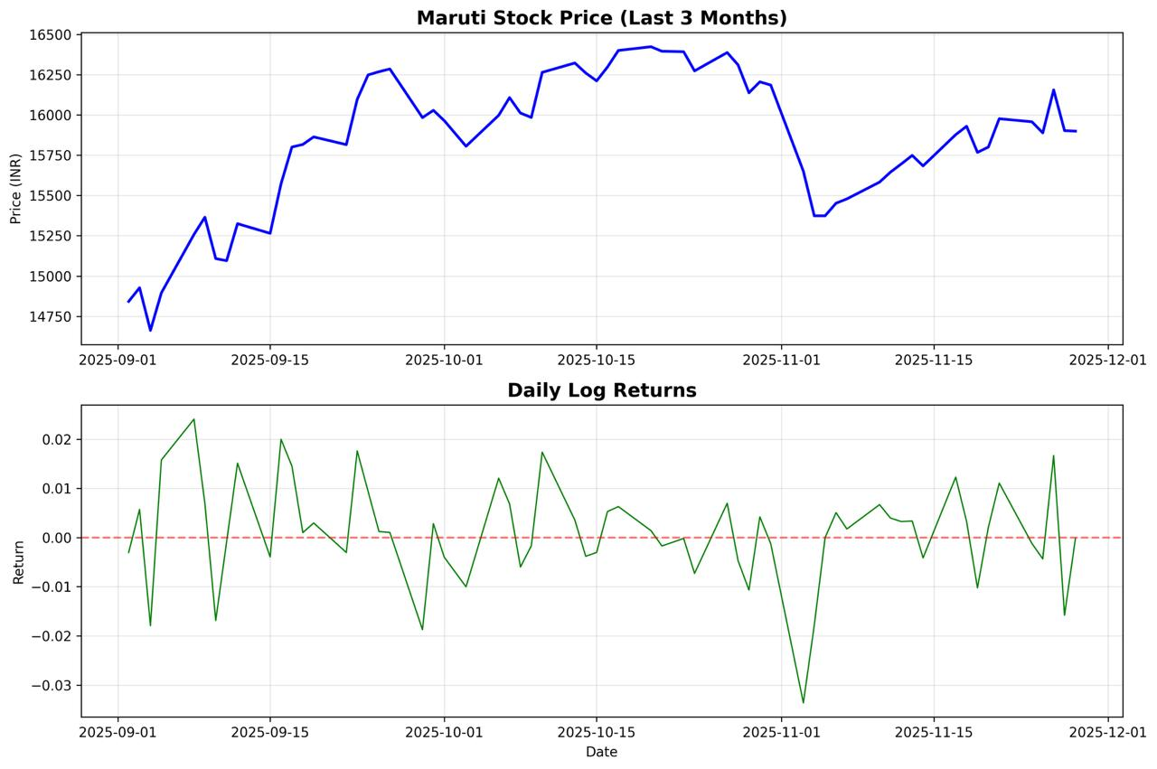
Metric | Value
Current Stock Price | Ticker MARUTI.NS 15900.0000
Mean Daily Return | 0.001061786457
Daily Std Dev | 0.010417557241
Annualized Volatility | 0.16537359437
Skewness | -0.50277703579
Kurtosis | 1.0851397212

 | 2025-11-28

Greeks
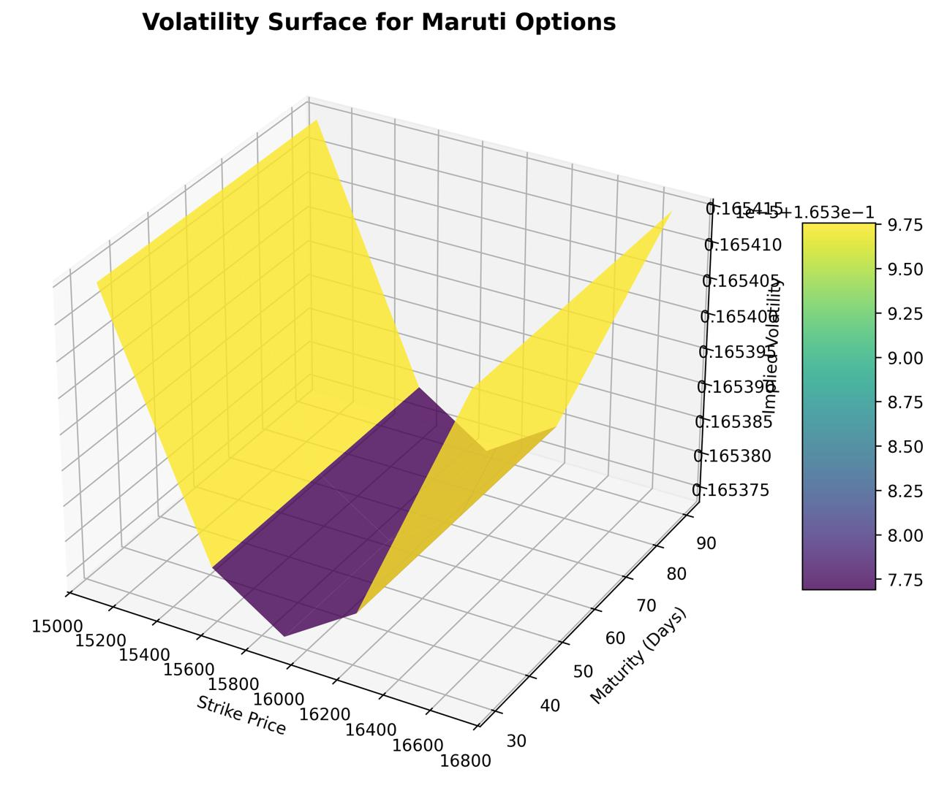
Strike | Maturity | Type | Price | Delta | Gamma | Vega | Theta | Rho
15105 | 30 | Call | 917.04644803 | 0.88843972122 | 0.00025196803243 | 8.6583322945 | -4.7387460691 | 10.856831605
15105 | 30 | Put | 41.563682457 | -0.11156027878 | 0.00025196803243 | 8.6583322945 | -2.0631471096 | -1.4920866699
15105 | 60 | Call | 1054.7492407 | 0.83094097354 | 0.00023652294611 | 16.255191129 | -4.4051324882 | 19.984458474
15105 | 60 | Put | 99.212539506 | -0.16905902646 | 0.00023652294611 | 16.255191129 | -1.743789709 | -4.5817825648
15105 | 90 | Call | 1181.623938 | 0.80534204255 | 0.00021093517379 | 21.744982604 | -4.0677086248 | 28.660227629
15105 | 90 | Put | 146.45984612 | -0.19465795745 | 0.00021093517379 | 21.744982604 | -1.4205460658 | -7.9927924181
15582 | 30 | Call | 539.50390667 | 0.71311457531 | 0.00045177708919 | 15.524335066 | -6.2019712496 | 8.8759050746
15582 | 30 | Put | 138.47958009 | -0.28688542469 | 0.00045177708919 | 15.524335066 | -3.4418796913 | -3.8629790405
15582 | 60 | Call | 704.20754673 | 0.68941545445 | 0.00033119531394 | 22.761610311 | -4.963485517 | 16.861640842
15582 | 60 | Put | 220.60126544 | -0.31058454555 | 0.00033119531394 | 22.761610311 | -2.2181003342 | -8.4803762296
15582 | 90 | Call | 843.30991668 | 0.68518661257 | 0.00027200107699 | 28.040172633 | -4.3661010722 | 24.783675345
15582 | 90 | Put | 277.56169554 | -0.31481338743 | 0.00027200107699 | 28.040172633 | -1.6353439061 | -13.026808494
15900 | 30 | Call | 344.16922757 | 0.5542432508 | 0.00052431610296 | 18.016980182 | -6.4739411045 | 6.9602453097
15900 | 30 | Put | 259.45052697 | -0.4457567492 | 0.00052431610296 | 18.016980182 | -3.6575211471 | -6.0386160323
15900 | 60 | Call | 512.81797571 | 0.5764749581 | 0.00036731512678 | 25.243967609 | -5.0198737596 | 14.22432963
15900 | 60 | Put | 343.8319744 | -0.4235250419 | 0.00036731512678 | 25.243967609 | -2.2184603078 | -11.634871464
15900 | 90 | Call | 652.81121048 | 0.59337416819 | 0.00029713499236 | 30.631189307 | -4.3781055678 | 21.65384728
15900 | 90 | Put | 400.0069032 | -0.40662583181 | 0.00029713499236 | 30.631189307 | -1.5916186636 | -16.928279085
16218 | 30 | Call | 201.08281729 | 0.38924419037 | 0.00050868750748 | 17.47993756 | -5.8842051617 | 4.9215614874
16218 | 30 | Put | 432.66974268 | -0.61075580963 | 0.00050868750748 | 17.47993756 | -3.0114568051 | -8.3372770815
16218 | 60 | Call | 358.29966717 | 0.45919583304 | 0.00037225279361 | 25.583311928 | -4.7620795642 | 11.413009444
16218 | 60 | Put | 503.93394584 | -0.54080416696 | 0.00037225279361 | 25.583311928 | -1.9046378434 | -14.963375672
16218 | 90 | Call | 492.21222511 | 0.49803972199 | 0.00030553904036 | 31.497549688 | -4.2163614332 | 18.312212107
16218 | 90 | Put | 552.35183168 | -0.50196027801 | 0.00030553904036 | 31.497549688 | -1.3741447909 | -21.041556786
16695 | 30 | Call | 75.05992894 | 0.18600966271 | 0.00035529257036 | 12.208854855 | -3.8783578149 | 2.3691729108
16695 | 30 | Put | 781.10529331 | -0.81399033729 | 0.00035529257036 | 12.208854855 | -0.92111685959 | -11.279631498
16695 | 60 | Call | 192.84622832 | 0.29639738464 | 0.00032434954508 | 22.291130457 | -3.8768790509 | 7.4299268835
16695 | 60 | Put | 810.41092695 | -0.70360261536 | 0.00032434954508 | 22.291130457 | -0.93539492652 | -19.722234265
16695 | 90 | Call | 306.19768746 | 0.36020527796 | 0.00028658632432 | 29.543743344 | -3.6797037053 | 13.367012627
16695 | 90 | Put | 835.75316481 | -0.63979472204 | 0.00028658632432 | 29.543743344 | -0.75389245594 | -27.144220057

PnL Simulation
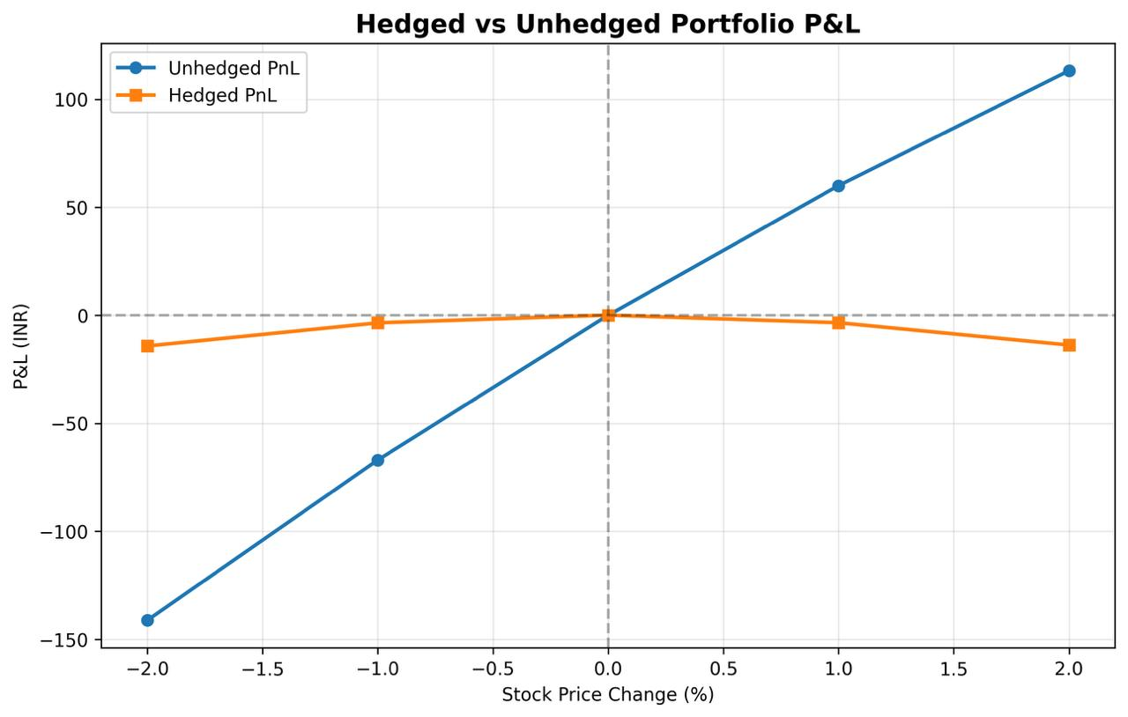
Price Change % | New Price | Unhedged PnL | Stock Hedge PnL | Hedged PnL
-2 | 15582 | -141.17592869 | 126.97061002 | -14.205318667
-1 | 15741 | -67.018291396 | 63.485305012 | -3.5329863843
0 | 15900 | 0 | 0 | 0
1 | 16059 | 60.006868316 | -63.485305012 | -3.4784366957
2 | 16218 | 113.20293848 | -126.97061002 | -13.767671546

