Overview
 | Audio encoder demo
 | ver | 0.0 pre-alpha

 | Purpose
 |  | Purpose of this release is to establish API and other integration and testing methodologies.
 | APIs
 |  | The following is the interface

opus_step1

1 | List of source files
1.1 | libopus.a |  |  |  |  | 1 | wappers
1.2 | ae_api.c | wrapper source file |  |  | opus_stap1.c |  | ae_api.h | >>
encoder wrapper
1.3 | ae_api.h | wrapper header file

2 | list of utilities |  |  |  | ae_api.c | 2 | api/abi | >>
2.1 | opus_demo.exe | opus reference decoder |  |  |  |  | opusenc.h
2.2 | bin2hex.exe utility | utility to convert intel hex file to bin file

opus encoder
(library)

 | Build Procedure
 | To build the app in IAR >> |  | Build!A1

 | Save |  |  | libopus.a
 | To save the ecoded output to file from IAR IDE |  | Save!A1

 | Decode
 | To decode the encoded bin to PCM file |  | Decode!A1

Build
1 | Build and Run
 | 1.1 | Load, build and run iar workspace | ...\AmbiqSuite-Rel2.0.0\boards\apollo3_evb\examples\opus_step1\iar\opus_step1
 | 1.2 | Put two break points in the file opus_step1.c at the locations shown in the figure on the right hand side.
 | 1.3 | After successful run, the following screen on the right hand side will appear.
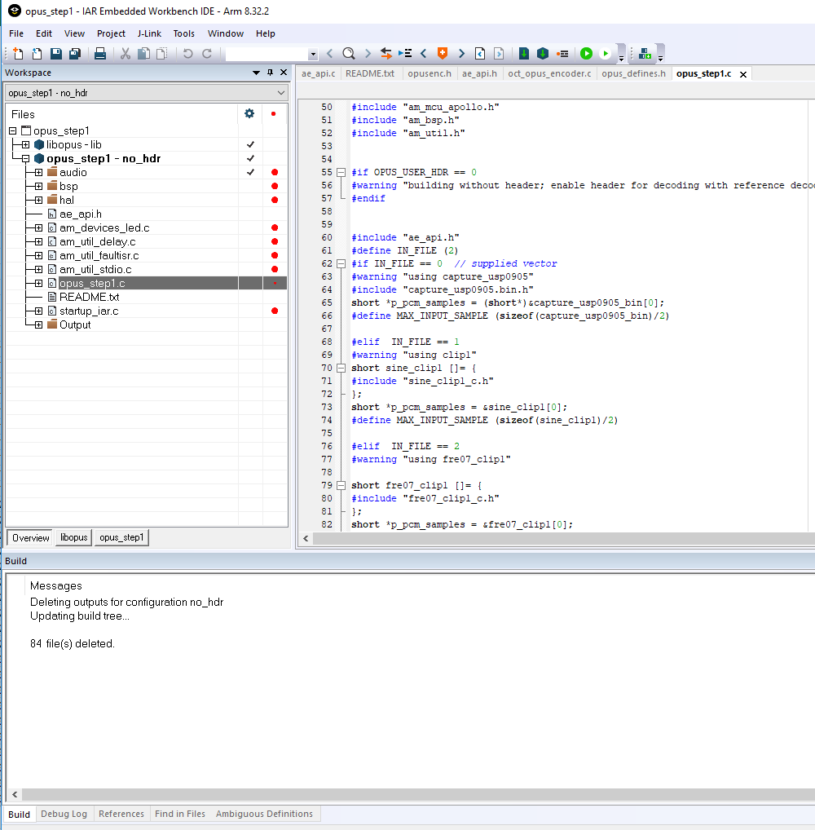
 |  |  |  | Setting the break points and run.
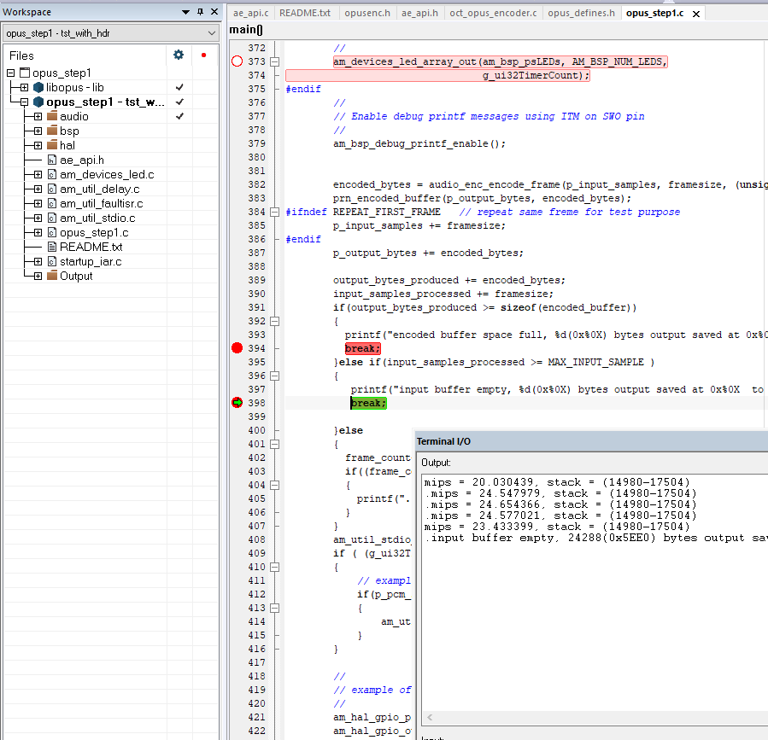

application project

Library project

Save
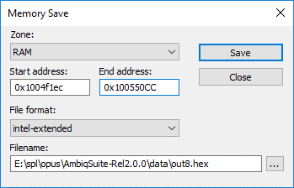
2 | Save Output

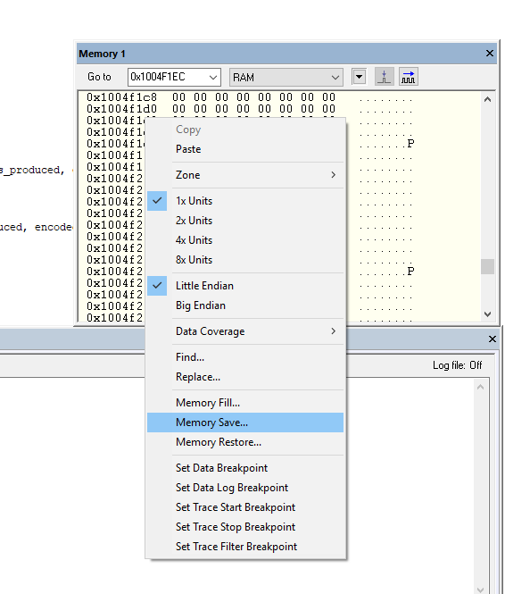
 | 2.1 | Right click on the memory window | 2.2 | Enter the start address and end address as follows. (the actual address can be copied from the Terminal I/O. Marked with yellow highlighter.
 |  |  | 2.3 | Enter output filename and Press Save

Decode
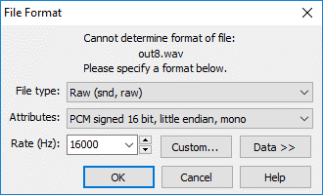
3 | Decode the output
 | 3.1 | Covert the output from intelhex to binary using hex2bin.exe | ./hex2bin.exe out8.hex out8.bin

 | 3.2 | Decode the binary using reference decoder | ./opus_demo.exe -d 16000 1 out8.bin out8.wav

 | 3.3 | Play the decoded file using standard media player, Goldwave or audacity

 |  |  |  | open the this file with following format :

input PCM
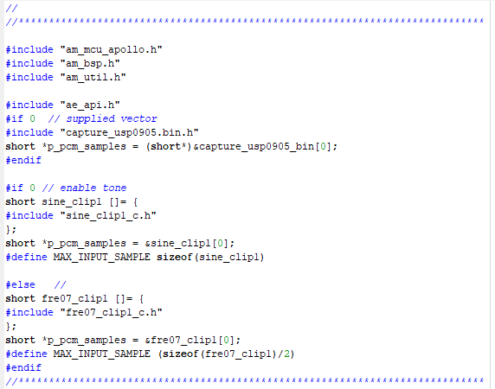

this file is created from SQAM test vector frer07.wav. This header file is added to ./src/sound

Folder structure
IAR project file location

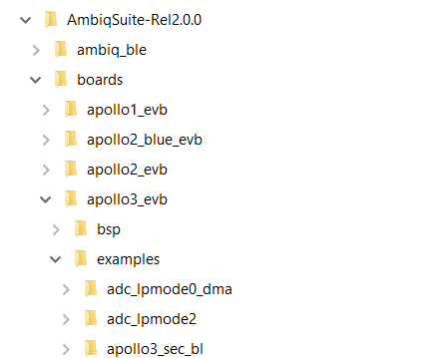
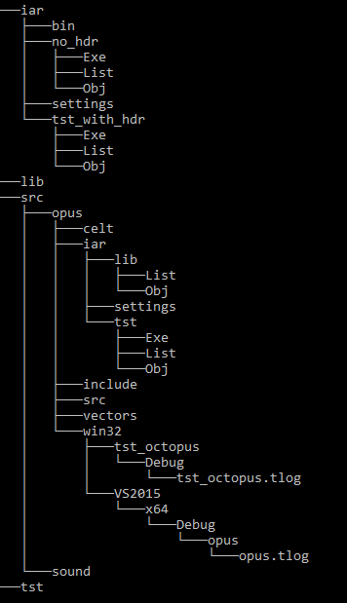

 |  | opus_step1 IAR application project

 | <- | opus library and wrapper

 |  | opus encoder source code and IAR library project files

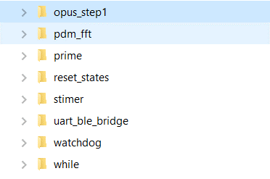

 | <- | Other vectors

 |  | host code for fileio testing

 | <- | Supplied vectors

Configurations
1 | Option to Enable MIPS Measurement | #define MEASURE_MIPS
2 | Option to build to encode without header
encode and write header (default).
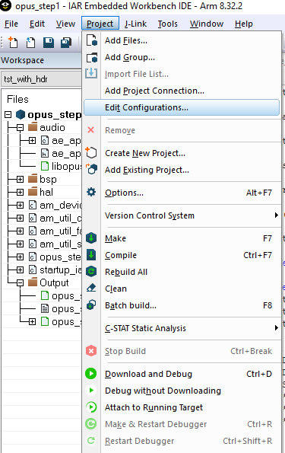

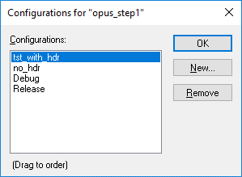
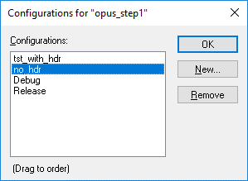

no header

