Overview
 | Audio encoder demo
 | ver | 0.1d pre-alpha

 | Purpose
 |  | Purpose of this release is to establish API and other integration and testing methodologies.
 | APIs
 |  | The following is the interface

 | Extract the folder and replace the ./examples/opus_step1 folder.
opus_step1
 | The folder contains:
1 | List of source files
1.1 | libopus.a |  |  |  |  | 1 | wappers | 1.1 | int audio_enc_init(void); |  | //wrapper function to initialize the encoder
1.2 | ae_api.c | wrapper source file |  |  | opus_stap1.c |  | ae_api.h | 1.2 | int audio_enc_encode_frame( |  | //function to encode PCM samples, returns the number of samples encoded
encoder wrapper
1.3 | ae_api.h | wrapper header file |  |  |  |  |  |  |  | short *p_pcm_buffer, | // pointer to input PCM samples 16 bit signed integer
 |  |  |  |  |  |  |  |  |  | int n_pcm_samples, | // number of PCM samples. This shall be 320 for 20 mSec at 16k Hz sampling rate
 |  |  |  |  |  |  |  |  |  | unsigned char *p_encoded_buffer); | // pointer to the output buffer. The output is 8 bit char
2 | list of utilities |  |  |  | ae_api.c | 2 | api/abi
2.1 | opus_demo.exe | opus reference decoder |  |  |  |  | todo | 2.1 | typedef void* spl_opus_encoder_h; |  | // encoder handle type
2.2 | bin2hex.exe utility | utility to convert intel hex file to bin file |  |  |  |  |  | 2.2 | spl_opus_encoder_h* octopus_encoder_create(); |  | // function to create an instance of the encoder, return the handle\
 |  |  |  |  |  |  |  | 2.3 | int octopus_encode(spl_opus_encoder_h *st, |  | // api to encode, takes the handle as the first argument and returns the encoded sample count
opus encoder
(library)
 |  |  |  |  |  |  |  |  |  | const short *pcm, | //pointer to the input PCM samples.
 |  |  |  |  |  |  |  |  |  | int frame_size, | //number of PCM samples
 | Build Procedure |  |  |  |  |  |  |  |  | unsigned char *data, | //pointer to the encoded sample buffer
 | To build the app in IAR >> |  | Build!A1 |  |  |  |  |  |  | int out_data_bytes); | //todo

 | Save |  |  | libopus.a
 | To save the ecoded output to file from IAR IDE |  | Save!A1

 | Decode
 | To decode the encoded bin to PCM file |  | Decode!A1

Build
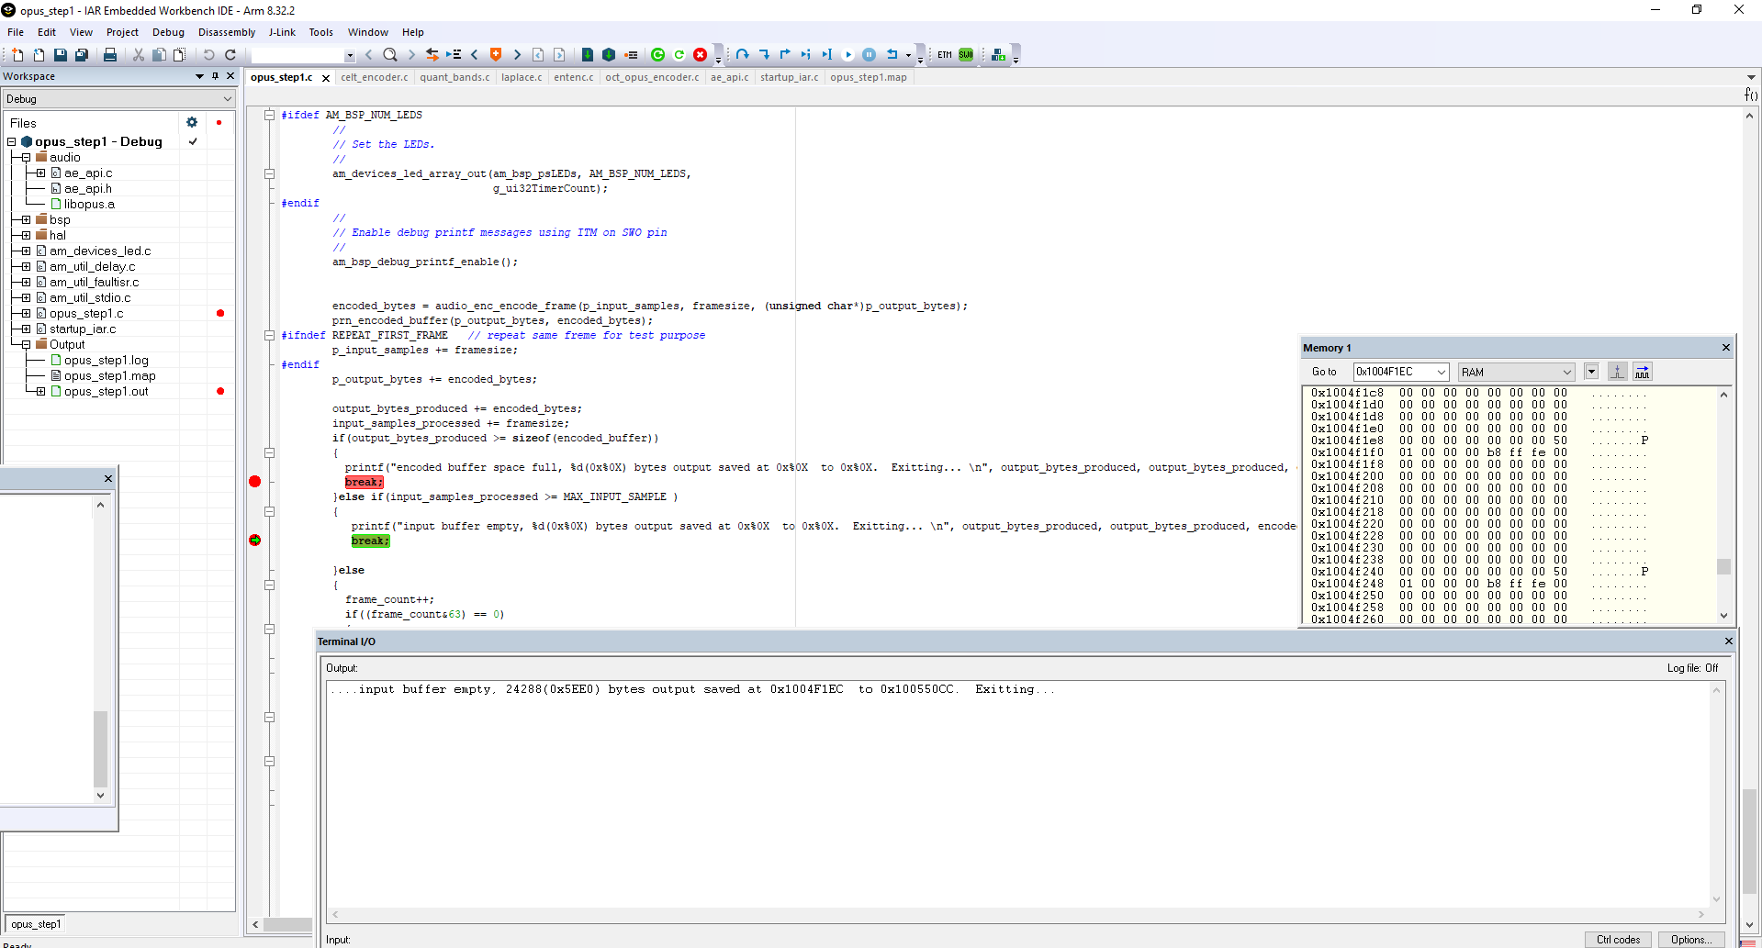
1 | Build and Run
 | 1.1 | Load, build and run iar workspace | ...\AmbiqSuite-Rel2.0.0\boards\apollo3_evb\examples\opus_step1\iar\opus_step1
 | 1.2 | After successful run, the following screen will appear.

Save
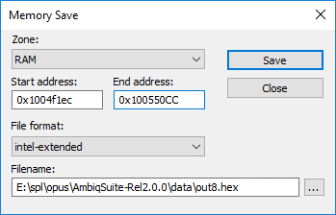
2 | Save Output

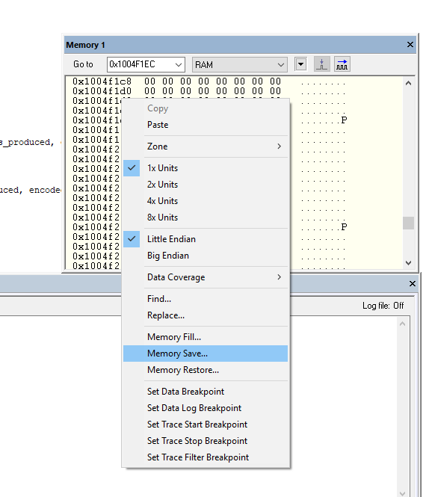
 | 2.1 | Right click on the memory window | 2.2 | Enter the start address and end address as follows. (the actual address can be copied from the Terminal I/O. Marked with yellow highlighter.
 |  |  | 2.3 | Enter output filename and Press Save

Decode
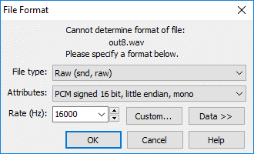
3 | Decode the output
 | 3.1 | Covert the output from intelhex to binary using hex2bin.exe | ./hex2bin.exe out8.hex out8.bin

 | 3.2 | Decode the binary using reference decoder | ./opus_demo.exe -d 16000 1 out8.bin out8.wav

 | 3.3 | Play the decoded file using standard media player, Goldwave or audacity

 |  |  |  | open the this file with following format :

Input PCM file
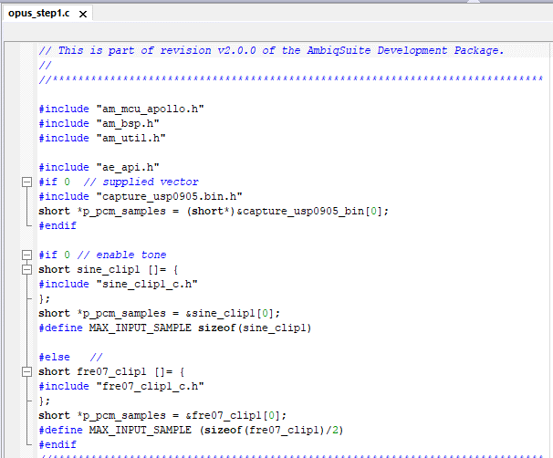

This file is created from an SQAM vector frer07.wav. This header file is added to ./src/sound

Directory
The files are added to opus_step1 folder in |  | ...\AmbiqSuite-Rel2.0.0\boards\apollo3_evb\examples

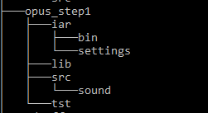
 | iar : the IAR IDE workspace and other files

 | lib : opus library binary
 | src : the application source code and wapper source codes
 | sound : the input sound file (s)
 | tst : test utilities

