Sheet1
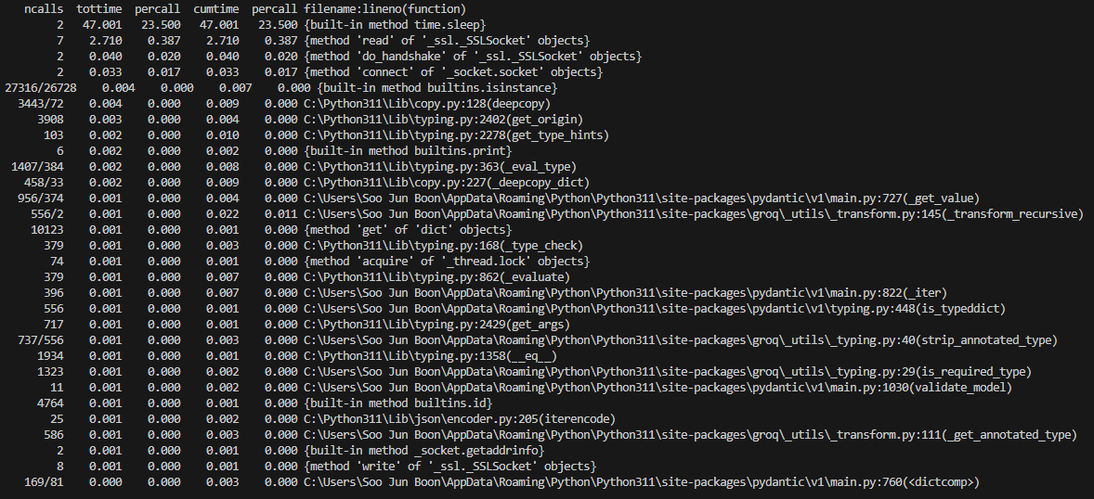
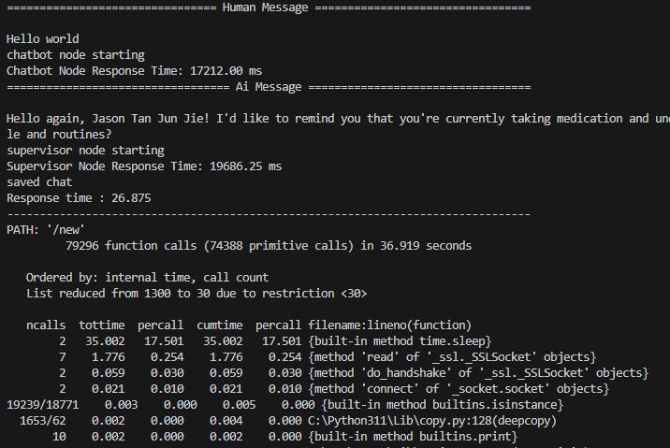
response time | 2176.00 ms | 3515.55 ms | 38064.88 ms | 1691.00 ms | 22365.60 ms | 23622.13 ms | 23246.94 ms | 49947.16 ms | 55318.81 ms | 16041.63 ms

