Presentation
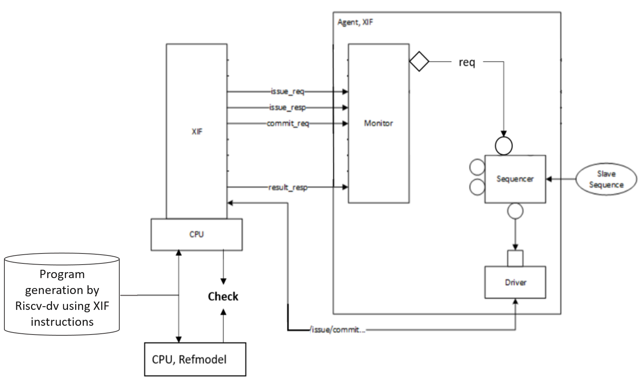
Design Verification Plan of CV-X-IF

Verification plan is split into protocol and integration verifications based on following design specifications:
- Protocol sheet is the verification plan of [CV-X-IF], should be generic for all processors and coprocessors
- Integration sheet is the verification plan of processors and coprocessors
- Instructions sheet contains suggested custom XIF Instructions to test the interface (used just for test; they are not specific for a coprocessor)

Details about the cva6 verification plan coverage:
- Integration sheet covers the verification plan of [CVA6] only, coprocessor is not verified
- The compress, memory, and memory_result interfaces are not covered
- The verification implements a generic re-usable CV-X-IF agent, as seen on following block diagram
- Riscv-dv generates random tests using custom XIF instructions
- Spike and RTL instructions execution traces are compared to check the behaviour

