Foglio1
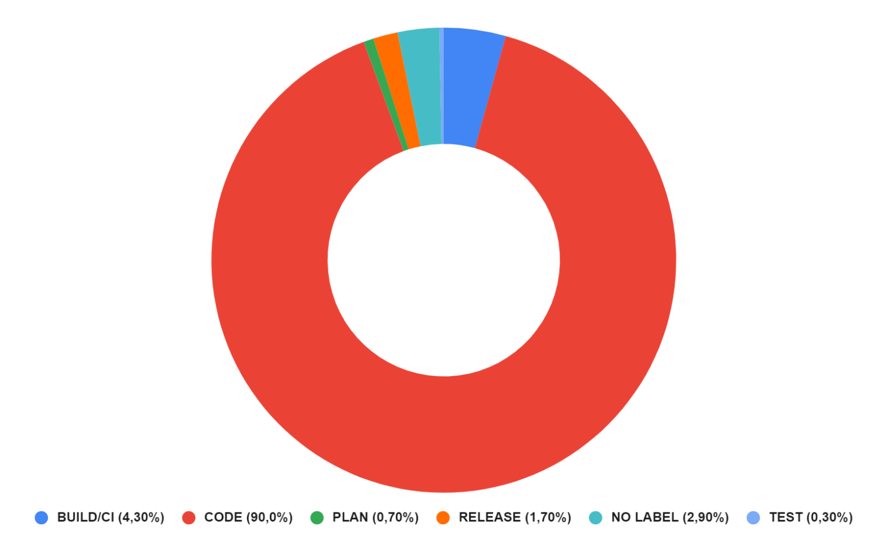
Dataframe1_AllCommits |  | Dataframe2_AllCommits |  | Dataframe
FASI | # DI COMMIT | FASI | # DI COMMIT | FASI | # DI COMMIT | %
BUILD | 2828 | BUILD | 6019 | BUILD/CI | 63081 | 4.30%
CI | 13111 | CI | 41123 | CODE | 1306364 | 90.00%
CODE | 378394 | CODE | 927970 | DEPLOY | 0 | 0%
DEPLOY | 0 | DEPLOY | 0 | PLAN | 10843 | 0.70%
PLAN | 2029 | PLAN | 8814 | RELEASE | 25080 | 1.70%
RELEASE | 5278 | RELEASE | 19802 | NO LABEL | 41691 | 2.90%
NO LABEL | 6391 | NO LABEL | 35300 | TEST | 4558 | 0.30%
TEST | 771 | TEST | 3787 | 1451617
 | 408802 |  | 1042815

