Sheet2
TRANSIT PASS STATUS

 | Government of Rajasthan
 | DEPARTMENT OF MINING & GEOLOGY, RAJASTHAN
RJ07GE8948 | is having Transit Pass No. | VNMI1040185648 | (Confirmed) which expires on | 30/04/2026
Generated on |  | 30/04/2026 | Consignee Name | MAA DURGA STONE CRUSHING COMPANY
Confirmed on |  | 30/04/2026 | ConsigneeAddress | #REF!
Name of the Trader/Dealer/Stockist/Pulverizer |  | MAA DURGA STONE CRUSHING COMPANY | ApproximateDistance | 400
Unit Holder |  |  | Weigh Bridge | Maa Durga Computerised DharmKanta(2019030902087)/NearMaa Durga Stone Crushe
GST
Location |  | CHADWAS (Chadwas/Bidasar/Churu)
Minerals |  | MasonaryStone (Gitti)
Net Minerals Weight |  | 46.5 MT
Tare Weight |  | 13.55
Driver Details |  | ABCD
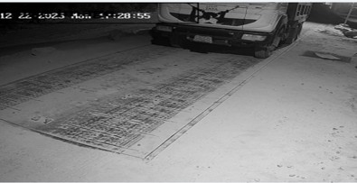 |  |  | 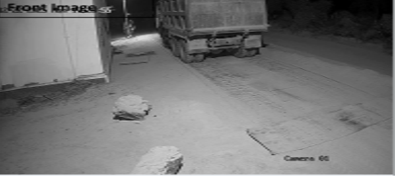
Please scan the QR code or visit http://mines.rajasthan.gov.in/ (http://mines.rajasthan.gov.in/) to check online eTransit Pass.

