Solar
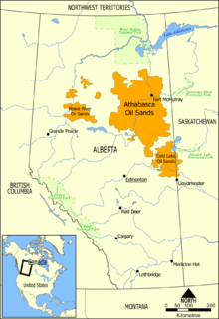
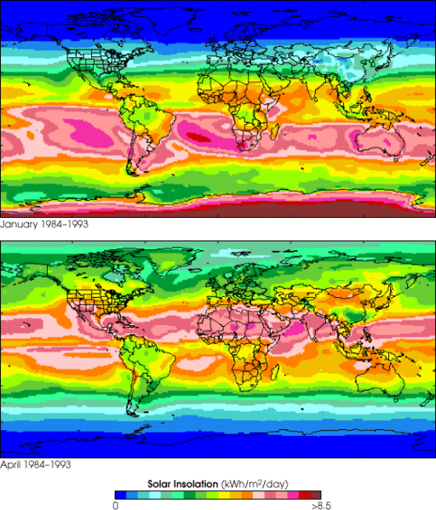
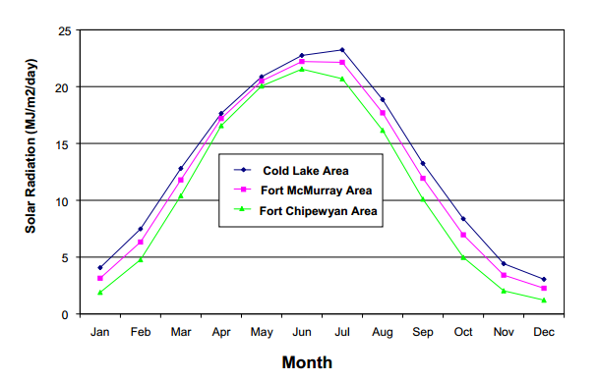
source http://en.wikipedia.org/wiki/Oil_sands

DT Adjusted Dev Plan (Wind)
Cumulative Ratio Carbon Saved vs Carbon Burned
Life expectancy of a Wind Turbine (yrs) | 20 | https://www.irena.org/DocumentDownloads/Publications/RE_Technologies_Cost_Analysis-WIND_POWER.pdf
millions barrels oil per year recovered from tar sands | 693.5
$ per barrell of oil to be invested on wind farm on site | $20.00 | X% | If price per barrel is 100, X% = 20/100 = 20%
Annual amount to be spent (Billions) | $13,870,000,000
$/kWhr for reinvestment in purchasing more wind turbines | $0.05
Wind energy: if all the money were spent on wind energy:
Assumed cost of wind ($/W) in this location (include transmission) | 4
Nameplate (peak power) size of wind turbine (MW) | 5
cost per wind turbine installed | $20,000,000
number of wind turbines per year to be installed | 693.5
Number of automobiles manufactured equivalent to 1 wind turbine | 1000
year | total number of installed wind turbines | cumulative ratio carbon saved/carbon burned | number of wind turbines purchased | Millions of autos equivelant | % of total wind turbines to be built | cumulative carbon saved | cumulative carbon burned (MT) | value of wind produced in previous year reinvested (million $) | Billions to be spent on wind turbine acquisition next year | Decomissioned Turbines
1 | 693.5 | 0% | 693.5 | 0.69 | 1.0% | 0 | 348 |  | $13,870,000,000 | 0
2 | 1417.5 | 1% | 724 | 0.72 | 2.0% | 9 | 696 | $624,150,000 | $14,494,150,000 | 0
3 | 2174.5 | 3% | 757 | 0.76 | 3.1% | 27 | 1044 | $1,275,750,000 | $15,145,750,000 | 0
4 | 2965.5 | 4% | 791 | 0.79 | 4.2% | 55 | 1392 | $1,957,050,000 | $15,827,050,000 | 0
5 | 3791.5 | 5% | 826 | 0.83 | 5.4% | 92 | 1740 | $2,668,950,000 | $16,538,950,000 | 0
6 | 4655.5 | 7% | 864 | 0.86 | 6.6% | 141 | 2088 | $3,412,350,000 | $17,282,350,000 | 0
7 | 5557.5 | 8% | 902 | 0.90 | 7.9% | 200 | 2435 | $4,189,950,000 | $18,059,950,000 | 0
8 | 6500.5 | 10% | 943 | 0.94 | 9.3% | 271 | 2783 | $5,001,750,000 | $18,871,750,000 | 0
9 | 7486.5 | 11% | 986 | 0.99 | 10.7% | 354 | 3131 | $5,850,450,000 | $19,720,450,000 | 0
10 | 8516.5 | 13% | 1030 | 1.03 | 12.1% | 449 | 3479 | $6,737,850,000 | $20,607,850,000 | 0
11 | 9592.5 | 15% | 1076 | 1.08 | 13.7% | 558 | 3827 | $7,664,850,000 | $21,534,850,000 | 0
12 | 10717.5 | 16% | 1125 | 1.13 | 15.3% | 680 | 4175 | $8,633,250,000 | $22,503,250,000 | 0
13 | 11892.5 | 18% | 1175 | 1.18 | 17.0% | 817 | 4523 | $9,645,750,000 | $23,515,750,000 | 0
14 | 13120.5 | 20% | 1228 | 1.23 | 18.7% | 969 | 4871 | $10,703,250,000 | $24,573,250,000 | 0
15 | 14403.5 | 22% | 1283 | 1.28 | 20.5% | 1136 | 5219 | $11,808,450,000 | $25,678,450,000 | 0
16 | 15744.5 | 24% | 1341 | 1.34 | 22.5% | 1319 | 5567 | $12,963,150,000 | $26,833,150,000 | 0
17 | 17146.5 | 26% | 1402 | 1.40 | 24.5% | 1520 | 5915 | $14,170,050,000 | $28,040,050,000 | 0
18 | 18611.5 | 28% | 1465 | 1.47 | 26.5% | 1739 | 6263 | $15,431,850,000 | $29,301,850,000 | 0
19 | 20142.5 | 30% | 1531 | 1.53 | 28.7% | 1976 | 6611 | $16,750,350,000 | $30,620,350,000 | 0
20 | 21741.5 | 32% | 1599 | 1.60 | 31.0% | 2233 | 6958 | $18,128,250,000 | $31,998,250,000 | 0
21 | 23412.5 | 34% | 1671 | 1.67 | 33.4% | 2510 | 7306 | $19,567,350,000 | $33,437,350,000 | 693.5
22 | 25159.5 | 37% | 1747 | 1.75 | 35.9% | 2809 | 7654 | $21,071,250,000 | $34,941,250,000 | 1417.5
23 | 26984.5 | 39% | 1825 | 1.83 | 38.5% | 3129 | 8002 | $22,643,550,000 | $36,513,550,000 | 2174.5
24 | 28891.5 | 42% | 1907 | 1.91 | 41.2% | 3473 | 8350 | $24,286,050,000 | $38,156,050,000 | 2965.5
25 | 30884.5 | 44% | 1993 | 1.99 | 44.1% | 3842 | 8698 | $26,002,350,000 | $39,872,350,000 | 3791.5
26 | 32967.5 | 47% | 2083 | 2.08 | 47.0% | 4236 | 9046 | $27,796,050,000 | $41,666,050,000 | 4655.5
27 | 35144.5 | 50% | 2177 | 2.18 | 50.1% | 4656 | 9394 | $29,670,750,000 | $43,540,750,000 | 5557.5
28 | 37419.5 | 52% | 2275 | 2.28 | 53.4% | 5104 | 9742 | $31,630,050,000 | $45,500,050,000 | 6500.5
29 | 39796.5 | 55% | 2377 | 2.38 | 56.8% | 5581 | 10090 | $33,677,550,000 | $47,547,550,000 | 7486.5
30 | 42280.5 | 58% | 2484 | 2.48 | 60.3% | 6089 | 10438 | $35,816,850,000 | $49,686,850,000 | 8516.5
31 | 44876.5 | 61% | 2596 | 2.60 | 64.0% | 6628 | 10786 | $38,052,450,000 | $51,922,450,000 | 9592.5
32 | 47588.5 | 65% | 2712 | 2.71 | 67.9% | 7200 | 11133 | $40,388,850,000 | $54,258,850,000 | 10717.5
33 | 50422.5 | 68% | 2834 | 2.83 | 71.9% | 7807 | 11481 | $42,829,650,000 | $56,699,650,000 | 11892.5
34 | 53384.5 | 71% | 2962 | 2.96 | 76.2% | 8449 | 11829 | $45,380,250,000 | $59,250,250,000 | 13120.5
35 | 56479.5 | 75% | 3095 | 3.10 | 80.6% | 9130 | 12177 | $48,046,050,000 | $61,916,050,000 | 14403.5
36 | 59714.5 | 79% | 3235 | 3.24 | 85.2% | 9850 | 12525 | $50,831,550,000 | $64,701,550,000 | 15744.5
37 | 63094.5 | 82% | 3380 | 3.38 | 90.0% | 10612 | 12873 | $53,743,050,000 | $67,613,050,000 | 17146.5
38 | 66626.5 | 86% | 3532 | 3.53 | 95.0% | 11416 | 13221 | $56,785,050,000 | $70,655,050,000 | 18611.5
39 | 70317.5 | 90% | 3691 | 3.69 | 100.3% | 12265 | 13569 | $59,963,850,000 | $73,833,850,000 | 20142.5
40 | 74174.5 | 95% | 3857 | 3.86 | 105.8% | 13162 | 13917 | $63,285,750,000 | $77,155,750,000 | 21741.5
41 | 78205.5 | 99% | 4031 | 4.03 | 111.6% | 14108 | 14265 | $66,757,050,000 | $80,627,050,000 | 23412.5
42 | 82417.5 | 103% | 4212 | 4.21 | 117.6% | 15105 | 14613 | $70,384,950,000 | $84,254,950,000 | 25159.5
43 | 86819.5 | 108% | 4402 | 4.40 | 123.9% | 16156 | 14961 | $74,175,750,000 | $88,045,750,000 | 26984.5
44 | 91419.5 | 113% | 4600 | 4.60 | 130.4% | 17263 | 15309 | $78,137,550,000 | $92,007,550,000 | 28891.5
45 | 96226.5 | 118% | 4807 | 4.81 | 137.3% | 18428 | 15656 | $82,277,550,000 | $96,147,550,000 | 30884.5
46 | 101249.5 | 123% | 5023 | 5.02 | 144.4% | 19655 | 16004 | $86,603,850,000 | $100,473,850,000 | 32967.5
47 | 106498.5 | 128% | 5249 | 5.25 | 151.9% | 20946 | 16352 | $91,124,550,000 | $104,994,550,000 | 35144.5
48 | 111983.5 | 134% | 5485 | 5.49 | 159.7% | 22304 | 16700 | $95,848,650,000 | $109,718,650,000 | 37419.5
49 | 117715.5 | 139% | 5732 | 5.73 | 167.9% | 23732 | 17048 | $100,785,150,000 | $114,655,150,000 | 39796.5
50 | 123705.5 | 145% | 5990 | 5.99 | 176.5% | 25233 | 17396 | $105,943,950,000 | $119,813,950,000 | 42280.5
51 | 129965.5 | 151% | 6260 | 6.26 | 185.4% | 26810 | 17744 | $111,334,950,000 | $125,204,950,000 | 44876.5
52 | 136506.5 | 157% | 6541 | 6.54 | 194.7% | 28467 | 18092 | $116,968,950,000 | $130,838,950,000 | 47588.5
53 | 143342.5 | 164% | 6836 | 6.84 | 204.5% | 30207 | 18440 | $122,855,850,000 | $136,725,850,000 | 50422.5
54 | 150485.5 | 171% | 7143 | 7.14 | 214.7% | 32035 | 18788 | $129,008,250,000 | $142,878,250,000 | 53384.5
55 | 157950.5 | 177% | 7465 | 7.47 | 225.3% | 33954 | 19136 | $135,436,950,000 | $149,306,950,000 | 56479.5
56 | 165751.5 | 185% | 7801 | 7.80 | 236.5% | 35967 | 19484 | $142,155,450,000 | $156,025,450,000 | 59714.5
57 | 173903.5 | 192% | 8152 | 8.15 | 248.1% | 38081 | 19832 | $149,176,350,000 | $163,046,350,000 | 63094.5
58 | 182422.5 | 200% | 8519 | 8.52 | 260.2% | 40298 | 20179 | $156,513,150,000 | $170,383,150,000 | 66626.5
59 | 191324.5 | 208% | 8902 | 8.90 | 272.9% | 42624 | 20527 | $164,180,250,000 | $178,050,250,000 | 70317.5
60 | 200627.5 | 216% | 9303 | 9.30 | 286.2% | 45063 | 20875 | $172,192,050,000 | $186,062,050,000 | 74174.5

Wind Graphs
Cumulative Ratio Carbon Saved vs Carbon Burned
year | 10% Investment | 15% Investment | 20% Investment | 25% Investment | 30% investment
1 | 0% | 0% | 0% | 0% | 0%
2 | 1% | 1% | 1% | 2% | 2%
3 | 1% | 2% | 3% | 3% | 4%
4 | 2% | 3% | 4% | 5% | 6%
5 | 3% | 4% | 5% | 7% | 8%
6 | 3% | 5% | 7% | 8% | 10%
7 | 4% | 6% | 8% | 10% | 12%
8 | 5% | 7% | 10% | 12% | 15%
9 | 6% | 8% | 11% | 14% | 17%
10 | 6% | 10% | 13% | 16% | 19%
11 | 7% | 11% | 15% | 18% | 22%
12 | 8% | 12% | 16% | 20% | 24%
13 | 9% | 14% | 18% | 23% | 27%
14 | 10% | 15% | 20% | 25% | 30%
15 | 11% | 16% | 22% | 27% | 33%
16 | 12% | 18% | 24% | 30% | 36%
17 | 13% | 19% | 26% | 32% | 39%
18 | 14% | 21% | 28% | 35% | 42%
19 | 15% | 22% | 30% | 37% | 45%
20 | 16% | 24% | 32% | 40% | 48%
21 | 17% | 26% | 34% | 43% | 52%
22 | 18% | 28% | 37% | 46% | 55%
23 | 20% | 29% | 39% | 49% | 59% | Investment (%) | Offset (Years)
24 | 21% | 31% | 42% | 52% | 62% | 0.00 | 0
Amount of Time To Offset CO2 Based on Percentage of Investment
25 | 22% | 33% | 44% | 55% | 66% | 5.00 | 76
26 | 23% | 35% | 47% | 59% | 70% | 10.00 | 58
27 | 25% | 37% | 50% | 62% | 74% | 15.00 | 48
28 | 26% | 39% | 52% | 65% | 79% | 20.00 | 41
29 | 28% | 41% | 55% | 69% | 83% | 25.00 | 36.5
30 | 29% | 44% | 58% | 73% | 88% | 30.00 | 33
31 | 31% | 46% | 61% | 77% | 92% | 35.00 | 30
32 | 32% | 48% | 65% | 81% | 97% | 40.00 | 27.1
33 | 34% | 51% | 68% | 85% | 102% | 45.00 | 25.1
34 | 36% | 54% | 71% | 89% | 107% | 50.00 | 23.4
35 | 37% | 56% | 75% | 94% | 112% | 55.00 | 22
36 | 39% | 59% | 79% | 98% | 118% | 60.00 | 20.6
37 | 41% | 62% | 82% | 103% | 124% | 65.00 | 19.5
38 | 43% | 65% | 86% | 108% | 130% | 70.00 | 18.40
39 | 45% | 68% | 90% | 113% | 136% | 75.00 | 17.5
40 | 47% | 71% | 95% | 118% | 142% | 80.00 | 16.6
41 | 49% | 74% | 99% | 124% | 148% | 85.00 | 15.90
42 | 52% | 78% | 103% | 129% | 155% | 90.00 | 15.2
43 | 54% | 81% | 108% | 135% | 162% | 95.00 | 14.6
44 | 56% | 85% | 113% | 141% | 169% | 100.00 | 14.00
45 | 59% | 88% | 118% | 147% | 177%
Total CO2 Recovery
46 | 61% | 92% | 123% | 154% | 184%
47 | 64% | 96% | 128% | 160% | 192%
48 | 67% | 100% | 134% | 167% | 200%
49 | 70% | 104% | 139% | 174% | 209%
50 | 72% | 109% | 145% | 181% | 218%
51 | 75% | 113% | 151% | 189% | 227% | Investment (%) | Offset (Years)
52 | 79% | 118% | 157% | 197% | 236% | 20.00 | 41
53 | 82% | 123% | 164% | 205% | 246% | 30.00 | 33
54 | 85% | 128% | 171% | 213% | 256% | 40.00 | 27.1
55 | 89% | 133% | 177% | 222% | 266%
56 | 92% | 138% | 185% | 231% | 277%
57 | 96% | 144% | 192% | 240% | 288%
58 | 100% | 150% | 200% | 250% | 300%
59 | 104% | 156% | 208% | 260% | 312%
60 | 108% | 162% | 216% | 270% | 324%

development plan (Solar)
Cumulative Ratio Carbon Saved vs Carbon Burned
Life expectancy of a solar cell (yrs) | 25 | http://www.seia.org/policy/environment/pv-recycling
millions barrels oil per year recovered from tar sands | 693.5
$ per barrell of oil to be invested on wind farm on site | $20.00 | X% | If price per barrel is 100, X% = 20/100 = 20%
Annual amount to be spent (Billions) | $13,870,000,000
$/kWhr for reinvestment in purchasing more solar cells | $0.05
Wind energy: if all the money were spent on solar energy:
Assumed cost of solar ($/W) in this location (includes installation) | 4
Nameplate (peak power) of solar cell (MW) | 0.00141
cost per solar cell installed | $5,640
number of solar cells per year to be installed | 2459219.8582
Number of automobiles manufactured equivalent to 1 solar cell | 1
year | total number of installed solar cells | cumulative ratio carbon saved/carbon burned | number of solar cells purchased | Millions of autos equivelant | % of total solar cells to be built | cumulative carbon saved | cumulative carbon burned (MT) | value of solar produced in previous year reinvested (million $) | Billions to be spent on solar cells acquisition next year | Decomissioned Cells
1 | 2459219.8582 | 0% | 2459219.8582 | 2.46 | 0.6% | 0 | 348 |  | $13,870,000,000 | 0
2 | 4959938.8582 | 1% | 2500719 | 2.50 | 1.1% | 5 | 696 | $234,056,250 | $14,104,056,250 | 0
3 | 7502856.8582 | 2% | 2542918 | 2.54 | 1.7% | 16 | 1044 | $472,062,181 | $14,342,062,181 | 0
4 | 10088686.858 | 2% | 2585830 | 2.59 | 2.3% | 32 | 1392 | $714,084,401 | $14,584,084,401 | 0
5 | 12718152.858 | 3% | 2629466 | 2.63 | 2.9% | 54 | 1740 | $960,190,772 | $14,830,190,772 | 0
6 | 15391990.858 | 4% | 2673838 | 2.67 | 3.5% | 81 | 2088 | $1,210,450,198 | $15,080,450,198 | 0
7 | 18110949.858 | 5% | 2718959 | 2.72 | 4.1% | 115 | 2435 | $1,464,932,730 | $15,334,932,730 | 0
8 | 20875791.858 | 6% | 2764842 | 2.76 | 4.7% | 154 | 2783 | $1,723,709,653 | $15,593,709,653 | 0
9 | 23687289.858 | 6% | 2811498 | 2.81 | 5.3% | 199 | 3131 | $1,986,853,490 | $15,856,853,490 | 0
10 | 26546231.858 | 7% | 2858942 | 2.86 | 6.0% | 250 | 3479 | $2,254,437,812 | $16,124,437,812 | 0
11 | 29453418.858 | 8% | 2907187 | 2.91 | 6.6% | 307 | 3827 | $2,526,537,617 | $16,396,537,617 | 0
12 | 32409664.858 | 9% | 2956246 | 2.96 | 7.3% | 371 | 4175 | $2,803,229,140 | $16,673,229,140 | 0
13 | 35415796.858 | 10% | 3006132 | 3.01 | 8.0% | 441 | 4523 | $3,084,589,853 | $16,954,589,853 | 0
14 | 38472657.858 | 11% | 3056861 | 3.06 | 8.7% | 517 | 4871 | $3,370,698,466 | $17,240,698,466 | 0
15 | 41581102.858 | 12% | 3108445 | 3.11 | 9.4% | 601 | 5219 | $3,661,635,212 | $17,531,635,212 | 0
16 | 44742002.858 | 12% | 3160900 | 3.16 | 10.1% | 690 | 5567 | $3,957,481,465 | $17,827,481,465 | 0
17 | 47956243.858 | 13% | 3214241 | 3.21 | 10.8% | 787 | 5915 | $4,258,320,122 | $18,128,320,122 | 0
18 | 51224724.858 | 14% | 3268481 | 3.27 | 11.5% | 891 | 6263 | $4,564,235,509 | $18,434,235,509 | 0
19 | 54548361.858 | 15% | 3323637 | 3.32 | 12.3% | 1001 | 6611 | $4,875,313,188 | $18,745,313,188 | 0
20 | 57928084.858 | 16% | 3379723 | 3.38 | 13.0% | 1119 | 6958 | $5,191,640,340 | $19,061,640,340 | 0
21 | 61364840.858 | 17% | 3436756 | 3.44 | 13.8% | 1244 | 7306 | $5,513,305,476 | $19,383,305,476 | 0
22 | 64859591.858 | 18% | 3494751 | 3.49 | 14.6% | 1377 | 7654 | $5,840,398,729 | $19,710,398,729 | 0
23 | 68413316.858 | 19% | 3553725 | 3.55 | 15.4% | 1517 | 8002 | $6,173,011,655 | $20,043,011,655 | 0
24 | 72027010.858 | 20% | 3613694 | 3.61 | 16.2% | 1664 | 8350 | $6,511,237,432 | $20,381,237,432 | 0
25 | 75701685.858 | 21% | 3674675 | 3.67 | 17.0% | 1820 | 8698 | $6,855,170,758 | $20,725,170,758 | 0
26 | 79438370.858 | 22% | 3736685 | 3.74 | 17.9% | 1983 | 9046 | $7,204,907,952 | $21,074,907,952 | 2459219.8582
27 | 83238112.858 | 23% | 3799742 | 3.80 | 18.7% | 2155 | 9394 | $7,560,546,946 | $21,430,546,946 | 4959938.8582
28 | 87101975.858 | 24% | 3863863 | 3.86 | 19.6% | 2335 | 9742 | $7,922,187,391 | $21,792,187,391 | 7502856.8582
29 | 91031040.858 | 25% | 3929065 | 3.93 | 20.5% | 2523 | 10090 | $8,289,930,552 | $22,159,930,552 | 10088686.858
30 | 95026408.858 | 26% | 3995368 | 4.00 | 21.4% | 2719 | 10438 | $8,663,879,314 | $22,533,879,314 | 12718152.858
31 | 99089198.858 | 27% | 4062790 | 4.06 | 22.3% | 2925 | 10786 | $9,044,138,463 | $22,914,138,463 | 15391990.858
32 | 103220548.86 | 28% | 4131350 | 4.13 | 23.2% | 3139 | 11133 | $9,430,814,501 | $23,300,814,501 | 18110949.858
33 | 107421614.86 | 29% | 4201066 | 4.20 | 24.2% | 3361 | 11481 | $9,824,015,738 | $23,694,015,738 | 20875791.858
34 | 111693573.86 | 30% | 4271959 | 4.27 | 25.1% | 3593 | 11829 | $10,223,852,194 | $24,093,852,194 | 23687289.858
35 | 116037621.86 | 31% | 4344048 | 4.34 | 26.1% | 3835 | 12177 | $10,630,435,892 | $24,500,435,892 | 26546231.858
36 | 120454975.86 | 33% | 4417354 | 4.42 | 27.1% | 4085 | 12525 | $11,043,880,660 | $24,913,880,660 | 29453418.858
37 | 124946872.86 | 34% | 4491897 | 4.49 | 28.1% | 4345 | 12873 | $11,464,302,327 | $25,334,302,327 | 32409664.858
38 | 129514570.86 | 35% | 4567698 | 4.57 | 29.1% | 4615 | 13221 | $11,891,818,624 | $25,761,818,624 | 35415796.858
39 | 134159348.86 | 36% | 4644778 | 4.64 | 30.2% | 4895 | 13569 | $12,326,549,281 | $26,196,549,281 | 38472657.858
40 | 138882506.86 | 37% | 4723158 | 4.72 | 31.2% | 5184 | 13917 | $12,768,616,028 | $26,638,616,028 | 41581102.858
41 | 143685368.86 | 38% | 4802862 | 4.80 | 32.3% | 5484 | 14265 | $13,218,142,590 | $27,088,142,590 | 44742002.858
42 | 148569278.86 | 40% | 4883910 | 4.88 | 33.4% | 5795 | 14613 | $13,675,254,981 | $27,545,254,981 | 47956243.858
43 | 153535604.86 | 41% | 4966326 | 4.97 | 34.5% | 6116 | 14961 | $14,140,081,115 | $28,010,081,115 | 51224724.858
44 | 158585737.86 | 42% | 5050133 | 5.05 | 35.7% | 6447 | 15309 | $14,612,751,192 | $28,482,751,192 | 54548361.858
45 | 163721091.86 | 43% | 5135354 | 5.14 | 36.8% | 6790 | 15656 | $15,093,397,601 | $28,963,397,601 | 57928084.858
46 | 168943104.86 | 45% | 5222013 | 5.22 | 38.0% | 7143 | 16004 | $15,582,154,918 | $29,452,154,918 | 61364840.858
47 | 174253238.86 | 46% | 5310134 | 5.31 | 39.2% | 7508 | 16352 | $16,079,160,005 | $29,949,160,005 | 64859591.858
48 | 179652981.86 | 47% | 5399743 | 5.40 | 40.4% | 7884 | 16700 | $16,584,552,008 | $30,454,552,008 | 68413316.858
49 | 185143844.86 | 49% | 5490863 | 5.49 | 41.6% | 8272 | 17048 | $17,098,472,548 | $30,968,472,548 | 72027010.858
50 | 190727366.86 | 50% | 5583522 | 5.58 | 42.9% | 8672 | 17396 | $17,621,065,434 | $31,491,065,434 | 75701685.858
51 | 196405110.86 | 51% | 5677744 | 5.68 | 44.2% | 9084 | 17744 | $18,152,477,141 | $32,022,477,141 | 79438370.858
52 | 202178666.86 | 53% | 5773556 | 5.77 | 45.5% | 9508 | 18092 | $18,692,856,426 | $32,562,856,426 | 83238112.858
53 | 208049650.86 | 54% | 5870984 | 5.87 | 46.8% | 9945 | 18440 | $19,242,354,618 | $33,112,354,618 | 87101975.858
54 | 214019707.86 | 55% | 5970057 | 5.97 | 48.1% | 10394 | 18788 | $19,801,125,520 | $33,671,125,520 | 91031040.858
55 | 220090509.86 | 57% | 6070802 | 6.07 | 49.5% | 10856 | 19136 | $20,369,325,695 | $34,239,325,695 | 95026408.858
56 | 226263756.86 | 58% | 6173247 | 6.17 | 50.9% | 11331 | 19484 | $20,947,114,276 | $34,817,114,276 | 99089198.858
57 | 232541176.86 | 60% | 6277420 | 6.28 | 52.3% | 11820 | 19832 | $21,534,653,059 | $35,404,653,059 | 103220548.86
58 | 238924528.86 | 61% | 6383352 | 6.38 | 53.7% | 12322 | 20179 | $22,132,106,507 | $36,002,106,507 | 107421614.86
59 | 245415599.86 | 63% | 6491071 | 6.49 | 55.2% | 12838 | 20527 | $22,739,642,034 | $36,609,642,034 | 111693573.86
60 | 252016207.86 | 64% | 6600608 | 6.60 | 56.7% | 13368 | 20875 | $23,357,429,717 | $37,227,429,717 | 116037621.86
61 | 258728200.86 | 66% | 6711993 | 6.71 | 58.2% | 13912 | 21223 | $23,985,642,583 | $37,855,642,583 | 120454975.86
62 | 265553458.86 | 67% | 6825258 | 6.83 | 59.7% | 14471 | 21571 | $24,624,456,517 | $38,494,456,517 | 124946872.86
63 | 272493892.86 | 69% | 6940434 | 6.94 | 61.3% | 15044 | 21919 | $25,274,050,447 | $39,144,050,447 | 129514570.86
64 | 279551446.86 | 70% | 7057554 | 7.06 | 62.9% | 15633 | 22267 | $25,934,606,253 | $39,804,606,253 | 134159348.86
65 | 286728096.86 | 72% | 7176650 | 7.18 | 64.5% | 16237 | 22615 | $26,606,308,955 | $40,476,308,955 | 138882506.86
66 | 294025852.86 | 73% | 7297756 | 7.30 | 66.1% | 16856 | 22963 | $27,289,346,618 | $41,159,346,618 | 143685368.86
67 | 301446758.86 | 75% | 7420906 | 7.42 | 67.8% | 17491 | 23311 | $27,983,910,546 | $41,853,910,546 | 148569278.86
68 | 308992891.86 | 77% | 7546133 | 7.55 | 69.5% | 18142 | 23659 | $28,690,195,274 | $42,560,195,274 | 153535604.86
69 | 316666365.86 | 78% | 7673474 | 7.67 | 71.2% | 18809 | 24007 | $29,408,398,483 | $43,278,398,483 | 158585737.86
70 | 324469329.86 | 80% | 7802964 | 7.80 | 73.0% | 19493 | 24355 | $30,138,721,371 | $44,008,721,371 | 163721091.86
71 | 332403968.86 | 82% | 7934639 | 7.93 | 74.8% | 20193 | 24702 | $30,881,368,469 | $44,751,368,469 | 168943104.86
72 | 340472504.86 | 83% | 8068536 | 8.07 | 76.6% | 20911 | 25050 | $31,636,547,736 | $45,506,547,736 | 174253238.86
73 | 348677197.86 | 85% | 8204693 | 8.20 | 78.4% | 21646 | 25398 | $32,404,470,650 | $46,274,470,650 | 179652981.86
74 | 357020344.86 | 87% | 8343147 | 8.34 | 80.3% | 22399 | 25746 | $33,185,352,306 | $47,055,352,306 | 185143844.86
75 | 365504282.86 | 89% | 8483938 | 8.48 | 82.2% | 23170 | 26094 | $33,979,411,322 | $47,849,411,322 | 190727366.86
76 | 374131386.86 | 91% | 8627104 | 8.63 | 84.1% | 23960 | 26442 | $34,786,870,121 | $48,656,870,121 | 196405110.86
77 | 382904073.86 | 92% | 8772687 | 8.77 | 86.1% | 24768 | 26790 | $35,607,954,744 | $49,477,954,744 | 202178666.86
78 | 391824799.86 | 94% | 8920726 | 8.92 | 88.1% | 25595 | 27138 | $36,442,895,229 | $50,312,895,229 | 208049650.86
79 | 400896062.86 | 96% | 9071263 | 9.07 | 90.2% | 26441 | 27486 | $37,291,925,327 | $51,161,925,327 | 214019707.86
80 | 410120402.86 | 98% | 9224340 | 9.22 | 92.2% | 27306 | 27834 | $38,155,282,783 | $52,025,282,783 | 220090509.86
81 | 419500403.86 | 100% | 9380001 | 9.38 | 94.4% | 28192 | 28182 | $39,033,209,342 | $52,903,209,342 | 226263756.86
82 | 429038692.86 | 102% | 9538289 | 9.54 | 96.5% | 29098 | 28530 | $39,925,950,937 | $53,795,950,937 | 232541176.86
83 | 438737939.86 | 104% | 9699247 | 9.70 | 98.7% | 30024 | 28877 | $40,833,757,593 | $54,703,757,593 | 238924528.86
84 | 448600861.86 | 106% | 9862922 | 9.86 | 100.9% | 30972 | 29225 | $41,756,883,426 | $55,626,883,426 | 245415599.86
85 | 458630220.86 | 108% | 10029359 | 10.03 | 103.2% | 31941 | 29573 | $42,695,587,027 | $56,565,587,027 | 252016207.86
86 | 468828824.86 | 110% | 10198604 | 10.20 | 105.4% | 32931 | 29921 | $43,650,131,270 | $57,520,131,270 | 258728200.86
87 | 479199530.86 | 112% | 10370706 | 10.37 | 107.8% | 33943 | 30269 | $44,620,783,406 | $58,490,783,406 | 265553458.86
88 | 489745241.86 | 114% | 10545711 | 10.55 | 110.2% | 34978 | 30617 | $45,607,815,349 | $59,477,815,349 | 272493892.86
89 | 500468911.86 | 116% | 10723670 | 10.72 | 112.6% | 36036 | 30965 | $46,611,503,394 | $60,481,503,394 | 279551446.86
90 | 511373543.86 | 119% | 10904632 | 10.90 | 115.0% | 37117 | 31313 | $47,632,128,686 | $61,502,128,686 | 286728096.86
91 | 522462191.86 | 121% | 11088648 | 11.09 | 117.5% | 38221 | 31661 | $48,669,977,037 | $62,539,977,037 | 294025852.86
92 | 533737960.86 | 123% | 11275769 | 11.28 | 120.0% | 39349 | 32009 | $49,725,339,110 | $63,595,339,110 | 301446758.86
93 | 545204007.86 | 125% | 11466047 | 11.47 | 122.6% | 40502 | 32357 | $50,798,510,425 | $64,668,510,425 | 308992891.86
94 | 556863544.86 | 127% | 11659537 | 11.66 | 125.2% | 41679 | 32705 | $51,889,791,448 | $65,759,791,448 | 316666365.86
95 | 568719836.86 | 130% | 11856292 | 11.86 | 127.9% | 42882 | 33053 | $52,999,487,882 | $66,869,487,882 | 324469329.86
96 | 580776203.86 | 132% | 12056367 | 12.06 | 130.6% | 44110 | 33400 | $54,127,910,473 | $67,997,910,473 | 332403968.86
97 | 593036021.86 | 134% | 12259818 | 12.26 | 133.4% | 45364 | 33748 | $55,275,375,202 | $69,145,375,202 | 340472504.86
98 | 605502723.86 | 137% | 12466702 | 12.47 | 136.2% | 46645 | 34096 | $56,442,203,380 | $70,312,203,380 | 348677197.86
99 | 618179801.86 | 139% | 12677078 | 12.68 | 139.0% | 47952 | 34444 | $57,628,721,743 | $71,498,721,743 | 357020344.86
100 | 631070805.86 | 142% | 12891004 | 12.89 | 141.9% | 49287 | 34792 | $58,835,262,642 | $72,705,262,642 | 365504282.86

Solar Graphs
Cumulative Ratio Carbon Saved vs Carbon Burned
year | 10% Investment | 15% Investment | 20% Investment | 25% Investment | 30% Investment
1 | 0% | 0% | 0% | 0% | 0%
2 | 0% | 1% | 1% | 1% | 1%
3 | 1% | 1% | 2% | 2% | 2%
4 | 1% | 2% | 2% | 3% | 3%
5 | 2% | 2% | 3% | 4% | 5%
6 | 2% | 3% | 4% | 5% | 6%
7 | 2% | 4% | 5% | 6% | 7%
8 | 3% | 4% | 6% | 7% | 8%
9 | 3% | 5% | 6% | 8% | 10%
10 | 4% | 5% | 7% | 9% | 11%
11 | 4% | 6% | 8% | 10% | 12%
12 | 4% | 7% | 9% | 11% | 13%
13 | 5% | 7% | 10% | 12% | 15%
14 | 5% | 8% | 11% | 13% | 16%
15 | 6% | 9% | 12% | 14% | 17%
16 | 6% | 9% | 12% | 16% | 19%
17 | 7% | 10% | 13% | 17% | 20%
18 | 7% | 11% | 14% | 18% | 21%
19 | 8% | 11% | 15% | 19% | 23%
20 | 8% | 12% | 16% | 20% | 24%
21 | 9% | 13% | 17% | 21% | 26%
22 | 9% | 13% | 18% | 22% | 27%
23 | 9% | 14% | 19% | 24% | 28%
24 | 10% | 15% | 20% | 25% | 30%
25 | 10% | 16% | 21% | 26% | 31% | Investment (%) | Offset (Years)
26 | 11% | 16% | 22% | 27% | 33% | 0.00 | 0
27 | 11% | 17% | 23% | 29% | 34% | 5.00 | 166
Amount of Time To Offset CO2 Based on Percentage of Investment
28 | 12% | 18% | 24% | 30% | 36% | 10.00 | 121
29 | 13% | 19% | 25% | 31% | 38% | 15.00 | 96
30 | 13% | 20% | 26% | 33% | 39% | 20.00 | 81
31 | 14% | 20% | 27% | 34% | 41% | 25.00 | 70
32 | 14% | 21% | 28% | 35% | 42% | 30.00 | 62
33 | 15% | 22% | 29% | 37% | 44% | 35.00 | 55
34 | 15% | 23% | 30% | 38% | 46% | 40.00 | 50
35 | 16% | 24% | 31% | 39% | 47% | 45.00 | 46
36 | 16% | 24% | 33% | 41% | 49% | 50.00 | 42
37 | 17% | 25% | 34% | 42% | 51% | 55.00 | 39
38 | 17% | 26% | 35% | 44% | 52% | 60.00 | 37
39 | 18% | 27% | 36% | 45% | 54% | 65.00 | 34
40 | 19% | 28% | 37% | 47% | 56% | 70.00 | 32.00
41 | 19% | 29% | 38% | 48% | 58% | 75.00 | 30.5
42 | 20% | 30% | 40% | 50% | 59% | 80.00 | 29
43 | 20% | 31% | 41% | 51% | 61% | 85.00 | 27.50
44 | 21% | 32% | 42% | 53% | 63% | 90.00 | 26
45 | 22% | 33% | 43% | 54% | 65% | 95.00 | 25
46 | 22% | 33% | 45% | 56% | 67% | 100.00 | 24.00
47 | 23% | 34% | 46% | 57% | 69%
48 | 24% | 35% | 47% | 59% | 71%
Total CO2 Recovery
49 | 24% | 36% | 49% | 61% | 73%
50 | 25% | 37% | 50% | 62% | 75%
51 | 26% | 38% | 51% | 64% | 77%
52 | 26% | 39% | 53% | 66% | 79%
53 | 27% | 40% | 54% | 67% | 81%
54 | 28% | 41% | 55% | 69% | 83% | Investment (%) | Offset (Years)
55 | 28% | 43% | 57% | 71% | 85% | 20.00 | 81
56 | 29% | 44% | 58% | 73% | 87% | 30.00 | 62
57 | 30% | 45% | 60% | 75% | 89% | 40.00 | 50
58 | 31% | 46% | 61% | 76% | 92%
59 | 31% | 47% | 63% | 78% | 94%
60 | 32% | 48% | 64% | 80% | 96%

Alberta Electricity Profile
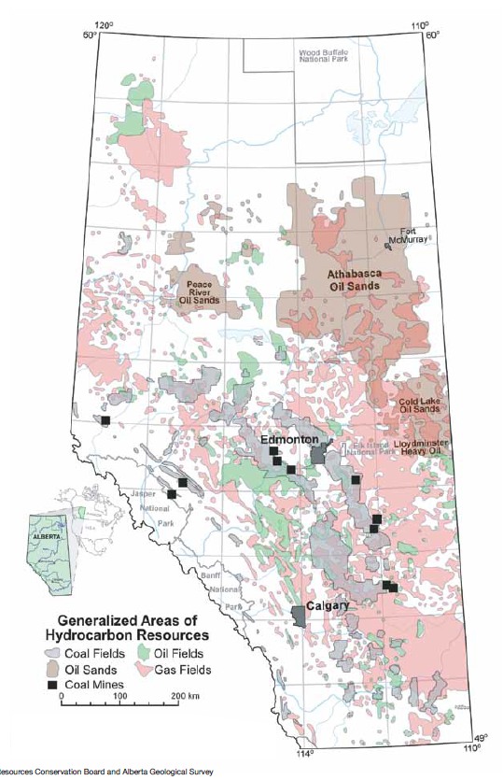
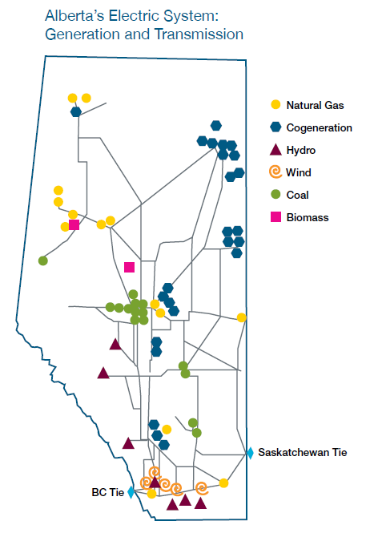
Generation in 2012 | Gigawatt hour (GWh)** | Direct CO2 EmissionRate (kg/kWh) | Direct CO2 Emissions Total (kg CO2) | Maps From | http://www.energy.alberta.ca/Org/pdfs/Alberta_Energy_Overview.pdf
Coal | 38,272 | 1.020128408 | 39042354431
Natural Gas | 27,238 | 0.51482692 | 14022855647
Hydro | 2,319 | 0 | 0
Wind | 2,640 | 0 | 0
Biomass | 2,089 | 0 | 0
Others* | 359 | 0 | 0
Total | 72,918 |  | 53065210078
Source | http://www.energy.alberta.ca/Electricity/682.asp | See Carbon sheet

 | Therefore Province Wide Average CO2/kWh
 | 0.72773814529

