Solar
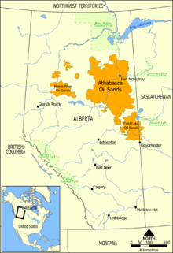
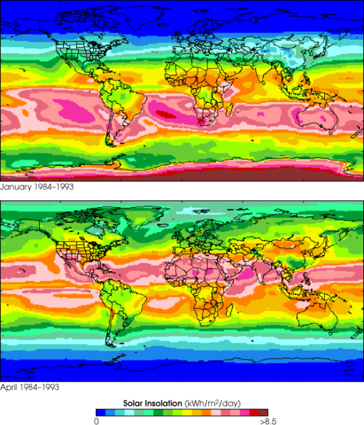
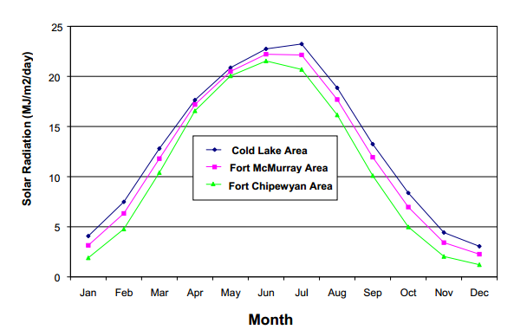
source http://en.wikipedia.org/wiki/Oil_sands

development plan
millions barrels oil per year recovered from tar sands | 693.5
$ per barrell of oil to be invested on wind farm on site | $20.00 | X% | If price per barrel is 100, X% = 20/100 = 20%
Annual amount to be spent (Billions) | $13,870,000,000
$/kWhr for reinvestment in purchasing more wind turbines | $0.05
Wind energy: if all the money were spent on wind energy:
Assumed cost of wind ($/W) in this location (include transmission) | 4
Nameplate (peak power) size of wind turbine (MW) | 7
cost per wind turbine installed | $28,000,000
number of wind turbines per year to be installed | 495.35714286
Number of automobiles manufactured equivalent to 1 wind turbine | 1000
year | total number of installed wind turbines | cumulative ratio carbon saved/carbon burned | number of wind turbines purchased | Millions of autos equivelant | % of total wind turbines to be built | cumulative carbon saved | cumulative carbon burned (MT) | value of wind produced in previous year reinvested (million $) | Billions to be spent on wind turbine acquisition next year
1 | 495.35714286 | 0% | 495.35714286 | 0.50 | 0.7% | 0 | 348 |  | $13,870,000,000
2 | 1012.3571429 | 2% | 517 | 0.52 | 1.4% | 12 | 696 | $629,611,313 | $14,499,611,313
3 | 1553.3571429 | 3% | 541 | 0.54 | 2.2% | 36 | 1044 | $1,286,731,238 | $15,156,731,238
4 | 2118.3571429 | 5% | 565 | 0.57 | 3.0% | 74 | 1392 | $1,974,355,763 | $15,844,355,763
5 | 2709.3571429 | 7% | 591 | 0.59 | 3.9% | 124 | 1740 | $2,692,484,888 | $16,562,484,888
6 | 3327.3571429 | 9% | 618 | 0.62 | 4.7% | 189 | 2088 | $3,443,660,663 | $17,313,660,663
7 | 3973.3571429 | 11% | 646 | 0.65 | 5.7% | 269 | 2435 | $4,229,154,113 | $18,099,154,113
8 | 4648.3571429 | 13% | 675 | 0.68 | 6.6% | 365 | 2783 | $5,050,236,263 | $18,920,236,263
9 | 5354.3571429 | 15% | 706 | 0.71 | 7.6% | 476 | 3131 | $5,908,178,138 | $19,778,178,138
10 | 6092.3571429 | 17% | 738 | 0.74 | 8.7% | 605 | 3479 | $6,805,521,788 | $20,675,521,788
11 | 6863.3571429 | 20% | 771 | 0.77 | 9.8% | 751 | 3827 | $7,743,538,238 | $21,613,538,238
12 | 7669.3571429 | 22% | 806 | 0.81 | 10.9% | 916 | 4175 | $8,723,498,513 | $22,593,498,513
13 | 8512.3571429 | 24% | 843 | 0.84 | 12.1% | 1100 | 4523 | $9,747,944,663 | $23,617,944,663
14 | 9393.3571429 | 27% | 881 | 0.88 | 13.4% | 1305 | 4871 | $10,819,418,738 | $24,689,418,738
15 | 10314.357143 | 29% | 921 | 0.92 | 14.7% | 1530 | 5219 | $11,939,191,763 | $25,809,191,763
16 | 11277.357143 | 32% | 963 | 0.96 | 16.1% | 1778 | 5567 | $13,109,805,788 | $26,979,805,788
17 | 12284.357143 | 35% | 1007 | 1.01 | 17.5% | 2049 | 5915 | $14,333,802,863 | $28,203,802,863
18 | 13336.357143 | 37% | 1052 | 1.05 | 19.0% | 2344 | 6263 | $15,613,725,038 | $29,483,725,038
19 | 14436.357143 | 40% | 1100 | 1.10 | 20.6% | 2664 | 6611 | $16,950,843,338 | $30,820,843,338
20 | 15586.357143 | 43% | 1150 | 1.15 | 22.2% | 3011 | 6958 | $18,348,970,838 | $32,218,970,838
21 | 16788.357143 | 46% | 1202 | 1.20 | 23.9% | 3385 | 7306 | $19,810,649,588 | $33,680,649,588
22 | 18045.357143 | 49% | 1257 | 1.26 | 25.7% | 3789 | 7654 | $21,338,421,638 | $35,208,421,638
23 | 19359.357143 | 53% | 1314 | 1.31 | 27.6% | 4222 | 8002 | $22,936,100,063 | $36,806,100,063
24 | 20733.357143 | 56% | 1374 | 1.37 | 29.6% | 4687 | 8350 | $24,606,226,913 | $38,476,226,913
25 | 22169.357143 | 60% | 1436 | 1.44 | 31.6% | 5185 | 8698 | $26,352,615,263 | $40,222,615,263
26 | 23670.357143 | 63% | 1501 | 1.50 | 33.8% | 5717 | 9046 | $28,177,807,163 | $42,047,807,163
27 | 25239.357143 | 67% | 1569 | 1.57 | 36.0% | 6286 | 9394 | $30,085,615,688 | $43,955,615,688
28 | 26880.357143 | 71% | 1641 | 1.64 | 38.3% | 6892 | 9742 | $32,079,853,913 | $45,949,853,913
29 | 28595.357143 | 75% | 1715 | 1.72 | 40.8% | 7538 | 10090 | $34,165,605,938 | $48,035,605,938
30 | 30388.357143 | 79% | 1793 | 1.79 | 43.4% | 8224 | 10438 | $36,345,413,813 | $50,215,413,813
31 | 32262.357143 | 83% | 1874 | 1.87 | 46.0% | 8954 | 10786 | $38,624,361,638 | $52,494,361,638
32 | 34221.357143 | 87% | 1959 | 1.96 | 48.8% | 9729 | 11133 | $41,006,262,488 | $54,876,262,488
33 | 36269.357143 | 92% | 2048 | 2.05 | 51.7% | 10551 | 11481 | $43,496,200,463 | $57,366,200,463
34 | 38410.357143 | 97% | 2141 | 2.14 | 54.8% | 11422 | 11829 | $46,099,259,663 | $59,969,259,663
35 | 40648.357143 | 101% | 2238 | 2.24 | 58.0% | 12345 | 12177 | $48,820,524,188 | $62,690,524,188
36 | 42988.357143 | 106% | 2340 | 2.34 | 61.3% | 13321 | 12525 | $51,665,078,138 | $65,535,078,138
37 | 45434.357143 | 111% | 2446 | 2.45 | 64.8% | 14353 | 12873 | $54,639,276,638 | $68,509,276,638
38 | 47991.357143 | 117% | 2557 | 2.56 | 68.5% | 15445 | 13221 | $57,748,203,788 | $71,618,203,788
39 | 50664.357143 | 122% | 2673 | 2.67 | 72.3% | 16597 | 13569 | $60,998,214,713 | $74,868,214,713
40 | 53459.357143 | 128% | 2795 | 2.80 | 76.3% | 17814 | 13917 | $64,395,664,538 | $78,265,664,538
41 | 56381.357143 | 134% | 2922 | 2.92 | 80.4% | 19098 | 14265 | $67,948,179,413 | $81,818,179,413
42 | 59435.357143 | 140% | 3054 | 3.05 | 84.8% | 20452 | 14613 | $71,662,114,463 | $85,532,114,463
43 | 62628.357143 | 146% | 3193 | 3.19 | 89.3% | 21880 | 14961 | $75,543,824,813 | $89,413,824,813
44 | 65966.357143 | 153% | 3338 | 3.34 | 94.1% | 23384 | 15309 | $79,602,207,638 | $93,472,207,638
45 | 69455.357143 | 159% | 3489 | 3.49 | 99.1% | 24968 | 15656 | $83,844,889,088 | $97,714,889,088
46 | 73103.357143 | 166% | 3648 | 3.65 | 104.3% | 26636 | 16004 | $88,279,495,313 | $102,149,495,313
47 | 76916.357143 | 174% | 3813 | 3.81 | 109.7% | 28392 | 16352 | $92,916,194,513 | $106,786,194,513
48 | 80902.357143 | 181% | 3986 | 3.99 | 115.4% | 30239 | 16700 | $97,762,612,838 | $111,632,612,838
49 | 85069.357143 | 189% | 4167 | 4.17 | 121.4% | 32182 | 17048 | $102,828,918,488 | $116,698,918,488
50 | 89425.357143 | 197% | 4356 | 4.36 | 127.6% | 34225 | 17396 | $108,125,279,663 | $121,995,279,663
51 | 93979.357143 | 205% | 4554 | 4.55 | 134.1% | 36373 | 17744 | $113,661,864,563 | $127,531,864,563
52 | 98740.357143 | 214% | 4761 | 4.76 | 140.9% | 38630 | 18092 | $119,450,112,413 | $133,320,112,413
53 | 103717.35714 | 222% | 4977 | 4.98 | 148.0% | 41002 | 18440 | $125,501,462,438 | $139,371,462,438
54 | 108920.35714 | 231% | 5203 | 5.20 | 155.4% | 43493 | 18788 | $131,827,353,863 | $145,697,353,863

