Solar
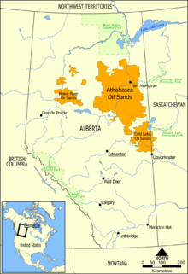
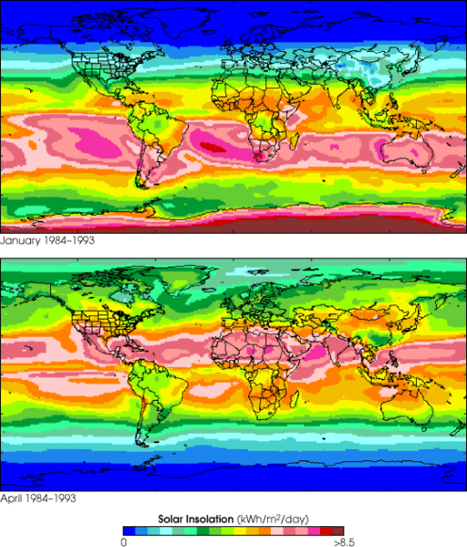
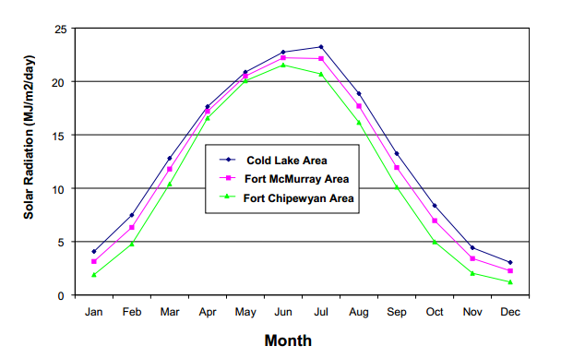
source http://en.wikipedia.org/wiki/Oil_sands

development plan (Wind)
Cumulative Ratio Carbon Saved vs Carbon Burned
millions barrels oil per year recovered from tar sands | 693.5
$ per barrell of oil to be invested on wind farm on site | $20.00 | X% | If price per barrel is 100, X% = 20/100 = 20%
Annual amount to be spent (Billions) | $13,870,000,000
$/kWhr for reinvestment in purchasing more wind turbines | $0.05
Wind energy: if all the money were spent on wind energy:
Assumed cost of wind ($/W) in this location (include transmission) | 4
Nameplate (peak power) size of wind turbine (MW) | 5
cost per wind turbine installed | $20,000,000
number of wind turbines per year to be installed | 693.5
Number of automobiles manufactured equivalent to 1 wind turbine | 1000
year | total number of installed wind turbines | cumulative ratio carbon saved/carbon burned | number of wind turbines purchased | Millions of autos equivelant | % of total wind turbines to be built | cumulative carbon saved | cumulative carbon burned (MT) | value of wind produced in previous year reinvested (million $) | Billions to be spent on wind turbine acquisition next year
1 | 693.5 | 0% | 693.5 | 0.69 | 1.0% | 0 | 348 |  | $13,870,000,000
2 | 1417.5 | 2% | 724 | 0.72 | 2.0% | 12 | 696 | $624,150,000 | $14,494,150,000
3 | 2174.5 | 3% | 757 | 0.76 | 3.1% | 36 | 1044 | $1,275,750,000 | $15,145,750,000
4 | 2965.5 | 5% | 791 | 0.79 | 4.2% | 73 | 1392 | $1,957,050,000 | $15,827,050,000
5 | 3791.5 | 7% | 826 | 0.83 | 5.4% | 123 | 1740 | $2,668,950,000 | $16,538,950,000
6 | 4655.5 | 9% | 864 | 0.86 | 6.6% | 188 | 2088 | $3,412,350,000 | $17,282,350,000
7 | 5557.5 | 11% | 902 | 0.90 | 7.9% | 267 | 2435 | $4,189,950,000 | $18,059,950,000
8 | 6500.5 | 13% | 943 | 0.94 | 9.3% | 361 | 2783 | $5,001,750,000 | $18,871,750,000
9 | 7486.5 | 15% | 986 | 0.99 | 10.7% | 472 | 3131 | $5,850,450,000 | $19,720,450,000
10 | 8516.5 | 17% | 1030 | 1.03 | 12.1% | 599 | 3479 | $6,737,850,000 | $20,607,850,000
11 | 9592.5 | 19% | 1076 | 1.08 | 13.7% | 744 | 3827 | $7,664,850,000 | $21,534,850,000
12 | 10717.5 | 22% | 1125 | 1.13 | 15.3% | 907 | 4175 | $8,633,250,000 | $22,503,250,000
13 | 11892.5 | 24% | 1175 | 1.18 | 17.0% | 1090 | 4523 | $9,645,750,000 | $23,515,750,000
14 | 13120.5 | 27% | 1228 | 1.23 | 18.7% | 1292 | 4871 | $10,703,250,000 | $24,573,250,000
15 | 14403.5 | 29% | 1283 | 1.28 | 20.5% | 1515 | 5219 | $11,808,450,000 | $25,678,450,000
16 | 15744.5 | 32% | 1341 | 1.34 | 22.5% | 1760 | 5567 | $12,963,150,000 | $26,833,150,000
17 | 17146.5 | 34% | 1402 | 1.40 | 24.5% | 2028 | 5915 | $14,170,050,000 | $28,040,050,000
18 | 18611.5 | 37% | 1465 | 1.47 | 26.5% | 2319 | 6263 | $15,431,850,000 | $29,301,850,000
19 | 20142.5 | 40% | 1531 | 1.53 | 28.7% | 2636 | 6611 | $16,750,350,000 | $30,620,350,000
20 | 21741.5 | 43% | 1599 | 1.60 | 31.0% | 2978 | 6958 | $18,128,250,000 | $31,998,250,000
21 | 23412.5 | 46% | 1671 | 1.67 | 33.4% | 3348 | 7306 | $19,567,350,000 | $33,437,350,000
22 | 25159.5 | 49% | 1747 | 1.75 | 35.9% | 3746 | 7654 | $21,071,250,000 | $34,941,250,000
23 | 26984.5 | 52% | 1825 | 1.83 | 38.5% | 4174 | 8002 | $22,643,550,000 | $36,513,550,000
24 | 28891.5 | 55% | 1907 | 1.91 | 41.2% | 4633 | 8350 | $24,286,050,000 | $38,156,050,000
25 | 30884.5 | 59% | 1993 | 1.99 | 44.1% | 5124 | 8698 | $26,002,350,000 | $39,872,350,000
26 | 32967.5 | 62% | 2083 | 2.08 | 47.0% | 5650 | 9046 | $27,796,050,000 | $41,666,050,000
27 | 35144.5 | 66% | 2177 | 2.18 | 50.1% | 6210 | 9394 | $29,670,750,000 | $43,540,750,000
28 | 37419.5 | 70% | 2275 | 2.28 | 53.4% | 6808 | 9742 | $31,630,050,000 | $45,500,050,000
29 | 39796.5 | 74% | 2377 | 2.38 | 56.8% | 7444 | 10090 | $33,677,550,000 | $47,547,550,000
30 | 42280.5 | 78% | 2484 | 2.48 | 60.3% | 8121 | 10438 | $35,816,850,000 | $49,686,850,000
31 | 44876.5 | 82% | 2596 | 2.60 | 64.0% | 8840 | 10786 | $38,052,450,000 | $51,922,450,000
32 | 47588.5 | 86% | 2712 | 2.71 | 67.9% | 9603 | 11133 | $40,388,850,000 | $54,258,850,000
33 | 50422.5 | 91% | 2834 | 2.83 | 71.9% | 10413 | 11481 | $42,829,650,000 | $56,699,650,000
34 | 53384.5 | 95% | 2962 | 2.96 | 76.2% | 11270 | 11829 | $45,380,250,000 | $59,250,250,000
35 | 56479.5 | 100% | 3095 | 3.10 | 80.6% | 12178 | 12177 | $48,046,050,000 | $61,916,050,000
36 | 59714.5 | 105% | 3235 | 3.24 | 85.2% | 13139 | 12525 | $50,831,550,000 | $64,701,550,000
37 | 63094.5 | 110% | 3380 | 3.38 | 90.0% | 14154 | 12873 | $53,743,050,000 | $67,613,050,000
38 | 66626.5 | 115% | 3532 | 3.53 | 95.0% | 15227 | 13221 | $56,785,050,000 | $70,655,050,000
39 | 70317.5 | 121% | 3691 | 3.69 | 100.3% | 16360 | 13569 | $59,963,850,000 | $73,833,850,000
40 | 74174.5 | 126% | 3857 | 3.86 | 105.8% | 17556 | 13917 | $63,285,750,000 | $77,155,750,000
41 | 78205.5 | 132% | 4031 | 4.03 | 111.6% | 18817 | 14265 | $66,757,050,000 | $80,627,050,000
42 | 82417.5 | 138% | 4212 | 4.21 | 117.6% | 20147 | 14613 | $70,384,950,000 | $84,254,950,000
43 | 86819.5 | 144% | 4402 | 4.40 | 123.9% | 21549 | 14961 | $74,175,750,000 | $88,045,750,000
44 | 91419.5 | 150% | 4600 | 4.60 | 130.4% | 23025 | 15309 | $78,137,550,000 | $92,007,550,000
45 | 96226.5 | 157% | 4807 | 4.81 | 137.3% | 24580 | 15656 | $82,277,550,000 | $96,147,550,000
46 | 101249.5 | 164% | 5023 | 5.02 | 144.4% | 26217 | 16004 | $86,603,850,000 | $100,473,850,000
47 | 106498.5 | 171% | 5249 | 5.25 | 151.9% | 27939 | 16352 | $91,124,550,000 | $104,994,550,000
48 | 111983.5 | 178% | 5485 | 5.49 | 159.7% | 29750 | 16700 | $95,848,650,000 | $109,718,650,000
49 | 117715.5 | 186% | 5732 | 5.73 | 167.9% | 31654 | 17048 | $100,785,150,000 | $114,655,150,000
50 | 123705.5 | 193% | 5990 | 5.99 | 176.5% | 33656 | 17396 | $105,943,950,000 | $119,813,950,000
51 | 129965.5 | 202% | 6260 | 6.26 | 185.4% | 35760 | 17744 | $111,334,950,000 | $125,204,950,000
52 | 136506.5 | 210% | 6541 | 6.54 | 194.7% | 37970 | 18092 | $116,968,950,000 | $130,838,950,000
53 | 143342.5 | 219% | 6836 | 6.84 | 204.5% | 40292 | 18440 | $122,855,850,000 | $136,725,850,000
54 | 150485.5 | 227% | 7143 | 7.14 | 214.7% | 42729 | 18788 | $129,008,250,000 | $142,878,250,000

DT Adjusted Dev Plan (Wind)
Cumulative Ratio Carbon Saved vs Carbon Burned
Life expectancy of a Wind Turbine (yrs) | 20 | https://www.irena.org/DocumentDownloads/Publications/RE_Technologies_Cost_Analysis-WIND_POWER.pdf
millions barrels oil per year recovered from tar sands | 693.5
$ per barrell of oil to be invested on wind farm on site | $40.00 | X% | If price per barrel is 100, X% = 20/100 = 20%
Annual amount to be spent (Billions) | $27,740,000,000
$/kWhr for reinvestment in purchasing more wind turbines | $0.05
Wind energy: if all the money were spent on wind energy:
Assumed cost of wind ($/W) in this location (include transmission) | 4
Nameplate (peak power) size of wind turbine (MW) | 5
cost per wind turbine installed | $20,000,000
number of wind turbines per year to be installed | 1387
Number of automobiles manufactured equivalent to 1 wind turbine | 1000
year | total number of installed wind turbines | cumulative ratio carbon saved/carbon burned | number of wind turbines purchased | Millions of autos equivelant | % of total wind turbines to be built | cumulative carbon saved | cumulative carbon burned (MT) | value of wind produced in previous year reinvested (million $) | Billions to be spent on wind turbine acquisition next year | Decomissioned Turbines
1 | 1387 | 0% | 1387 | 1.39 | 2.0% | 0 | 348 |  | $27,740,000,000
2 | 2836 | 3% | 1449 | 1.45 | 4.0% | 18 | 696 | $1,248,300,000 | $28,988,300,000
3 | 4350 | 5% | 1514 | 1.51 | 6.2% | 54 | 1044 | $2,552,400,000 | $30,292,400,000
4 | 5932 | 8% | 1582 | 1.58 | 8.5% | 109 | 1392 | $3,915,000,000 | $31,655,000,000
5 | 7585 | 11% | 1653 | 1.65 | 10.8% | 185 | 1740 | $5,338,800,000 | $33,078,800,000
6 | 9313 | 13% | 1728 | 1.73 | 13.3% | 282 | 2088 | $6,826,500,000 | $34,566,500,000
7 | 11119 | 16% | 1806 | 1.81 | 15.9% | 400 | 2435 | $8,381,700,000 | $36,121,700,000
8 | 13006 | 19% | 1887 | 1.89 | 18.6% | 542 | 2783 | $10,007,100,000 | $37,747,100,000
9 | 14978 | 23% | 1972 | 1.97 | 21.4% | 708 | 3131 | $11,705,400,000 | $39,445,400,000
10 | 17039 | 26% | 2061 | 2.06 | 24.3% | 899 | 3479 | $13,480,200,000 | $41,220,200,000 | 0
11 | 19192 | 29% | 2153 | 2.15 | 27.4% | 1116 | 3827 | $15,335,100,000 | $43,075,100,000 | 0
12 | 21442 | 33% | 2250 | 2.25 | 30.6% | 1361 | 4175 | $17,272,800,000 | $45,012,800,000 | 0
13 | 23793 | 36% | 2351 | 2.35 | 33.9% | 1634 | 4523 | $19,297,800,000 | $47,037,800,000 | 0
14 | 26250 | 40% | 2457 | 2.46 | 37.4% | 1938 | 4871 | $21,413,700,000 | $49,153,700,000 | 0
15 | 28818 | 44% | 2568 | 2.57 | 41.1% | 2272 | 5219 | $23,625,000,000 | $51,365,000,000 | 0
16 | 31501 | 47% | 2683 | 2.68 | 44.9% | 2640 | 5567 | $25,936,200,000 | $53,676,200,000 | 0
17 | 34305 | 51% | 2804 | 2.80 | 48.9% | 3041 | 5915 | $28,350,900,000 | $56,090,900,000 | 0
18 | 37235 | 56% | 2930 | 2.93 | 53.1% | 3479 | 6263 | $30,874,500,000 | $58,614,500,000 | 0
19 | 40297 | 60% | 3062 | 3.06 | 57.5% | 3954 | 6611 | $33,511,500,000 | $61,251,500,000 | 0
20 | 43497 | 64% | 3200 | 3.20 | 62.0% | 4467 | 6958 | $36,267,300,000 | $64,007,300,000 | 0
21 | 46841 | 69% | 3344 | 3.34 | 66.8% | 5022 | 7306 | $39,147,300,000 | $66,887,300,000 | 1387
22 | 50335 | 73% | 3494 | 3.49 | 71.8% | 5619 | 7654 | $42,156,900,000 | $69,896,900,000 | 2836
23 | 53987 | 78% | 3652 | 3.65 | 77.0% | 6261 | 8002 | $45,301,500,000 | $73,041,500,000 | 4350
24 | 57803 | 83% | 3816 | 3.82 | 82.5% | 6949 | 8350 | $48,588,300,000 | $76,328,300,000 | 5932
25 | 61791 | 88% | 3988 | 3.99 | 88.1% | 7686 | 8698 | $52,022,700,000 | $79,762,700,000 | 7585
26 | 65958 | 94% | 4167 | 4.17 | 94.1% | 8474 | 9046 | $55,611,900,000 | $83,351,900,000 | 9313
27 | 70313 | 99% | 4355 | 4.36 | 100.3% | 9315 | 9394 | $59,362,200,000 | $87,102,200,000 | 11119
28 | 74864 | 105% | 4551 | 4.55 | 106.8% | 10211 | 9742 | $63,281,700,000 | $91,021,700,000 | 13006
29 | 79619 | 111% | 4755 | 4.76 | 113.6% | 11166 | 10090 | $67,377,600,000 | $95,117,600,000 | 14978
30 | 84588 | 117% | 4969 | 4.97 | 120.7% | 12181 | 10438 | $71,657,100,000 | $99,397,100,000 | 17039
31 | 89781 | 123% | 5193 | 5.19 | 128.1% | 13260 | 10786 | $76,129,200,000 | $103,869,200,000 | 19192
32 | 95208 | 129% | 5427 | 5.43 | 135.8% | 14404 | 11133 | $80,802,900,000 | $108,542,900,000 | 21442
33 | 100879 | 136% | 5671 | 5.67 | 143.9% | 15618 | 11481 | $85,687,200,000 | $113,427,200,000 | 23793
34 | 106805 | 143% | 5926 | 5.93 | 152.4% | 16904 | 11829 | $90,791,100,000 | $118,531,100,000 | 26250
35 | 112998 | 150% | 6193 | 6.19 | 161.2% | 18266 | 12177 | $96,124,500,000 | $123,864,500,000 | 28818
36 | 119469 | 157% | 6471 | 6.47 | 170.4% | 19707 | 12525 | $101,698,200,000 | $129,438,200,000 | 31501
37 | 126232 | 165% | 6763 | 6.76 | 180.1% | 21230 | 12873 | $107,522,100,000 | $135,262,100,000 | 34305
38 | 133299 | 173% | 7067 | 7.07 | 190.2% | 22840 | 13221 | $113,608,800,000 | $141,348,800,000 | 37235
39 | 140684 | 181% | 7385 | 7.39 | 200.7% | 24539 | 13569 | $119,969,100,000 | $147,709,100,000 | 40297
40 | 148401 | 189% | 7717 | 7.72 | 211.7% | 26333 | 13917 | $126,615,600,000 | $154,355,600,000 | 43497
41 | 156466 | 198% | 8065 | 8.07 | 223.2% | 28225 | 14265 | $133,560,900,000 | $161,300,900,000 | 46841
42 | 164893 | 207% | 8427 | 8.43 | 235.2% | 30220 | 14613 | $140,819,400,000 | $168,559,400,000 | 50335
43 | 173700 | 216% | 8807 | 8.81 | 247.8% | 32322 | 14961 | $148,403,700,000 | $176,143,700,000 | 53987
44 | 182903 | 226% | 9203 | 9.20 | 260.9% | 34537 | 15309 | $156,330,000,000 | $184,070,000,000 | 57803
45 | 192520 | 235% | 9617 | 9.62 | 274.6% | 36869 | 15656 | $164,612,700,000 | $192,352,700,000 | 61791
46 | 202570 | 246% | 10050 | 10.05 | 289.0% | 39324 | 16004 | $173,268,000,000 | $201,008,000,000 | 65958
47 | 213072 | 256% | 10502 | 10.50 | 304.0% | 41906 | 16352 | $182,313,000,000 | $210,053,000,000 | 70313
48 | 224047 | 267% | 10975 | 10.98 | 319.6% | 44623 | 16700 | $191,764,800,000 | $219,504,800,000 | 74864
49 | 235516 | 279% | 11469 | 11.47 | 336.0% | 47480 | 17048 | $201,642,300,000 | $229,382,300,000 | 79619
50 | 247501 | 290% | 11985 | 11.99 | 353.1% | 50482 | 17396 | $211,964,400,000 | $239,704,400,000 | 84588
51 | 260025 | 302% | 12524 | 12.52 | 370.9% | 53638 | 17744 | $222,750,900,000 | $250,490,900,000 | 89781
52 | 273113 | 315% | 13088 | 13.09 | 389.6% | 56953 | 18092 | $234,022,500,000 | $261,762,500,000 | 95208
53 | 286790 | 328% | 13677 | 13.68 | 409.1% | 60436 | 18440 | $245,801,700,000 | $273,541,700,000 | 100879
54 | 301082 | 341% | 14292 | 14.29 | 429.5% | 64092 | 18788 | $258,111,000,000 | $285,851,000,000 | 106805

Wind Graphs
Cumulative Ratio Carbon Saved vs Carbon Burned
year | 10% Investment | 15% Investment | 20% Investment | 25% Investment | 30% investment
1 | 0% | 0% | 0% | 0% | 0%
2 | 1% | 1% | 2% | 2% | 3%
3 | 2% | 3% | 3% | 4% | 5%
4 | 3% | 4% | 5% | 7% | 8%
5 | 4% | 5% | 7% | 9% | 11%
6 | 4% | 7% | 9% | 11% | 13%
7 | 5% | 8% | 11% | 14% | 16%
8 | 6% | 10% | 13% | 16% | 19%
9 | 8% | 11% | 15% | 19% | 23%
10 | 9% | 13% | 17% | 22% | 26%
11 | 10% | 15% | 19% | 24% | 29%
12 | 11% | 16% | 22% | 27% | 33%
13 | 12% | 18% | 24% | 30% | 36%
14 | 13% | 20% | 27% | 33% | 40%
15 | 15% | 22% | 29% | 36% | 44%
16 | 16% | 24% | 32% | 40% | 47%
17 | 17% | 26% | 34% | 43% | 51%
18 | 19% | 28% | 37% | 46% | 56%
19 | 20% | 30% | 40% | 50% | 60%
20 | 21% | 32% | 43% | 54% | 64%
21 | 23% | 34% | 46% | 57% | 69%
22 | 24% | 37% | 49% | 61% | 73%
23 | 26% | 39% | 52% | 65% | 78%
24 | 28% | 42% | 55% | 69% | 83%
25 | 29% | 44% | 59% | 74% | 88%
26 | 31% | 47% | 62% | 78% | 94%
27 | 33% | 50% | 66% | 83% | 99%
28 | 35% | 52% | 70% | 87% | 105%
29 | 37% | 55% | 74% | 92% | 111%
30 | 39% | 58% | 78% | 97% | 117%
31 | 41% | 61% | 82% | 102% | 123%
32 | 43% | 65% | 86% | 108% | 129%
33 | 45% | 68% | 91% | 113% | 136%
34 | 48% | 71% | 95% | 119% | 143%
35 | 50% | 75% | 100% | 125% | 150%
36 | 52% | 79% | 105% | 131% | 157%
37 | 55% | 82% | 110% | 137% | 165%
38 | 58% | 86% | 115% | 144% | 173%
39 | 60% | 90% | 121% | 151% | 181%
40 | 63% | 95% | 126% | 158% | 189%
41 | 66% | 99% | 132% | 165% | 198%
42 | 69% | 103% | 138% | 172% | 207%
43 | 72% | 108% | 144% | 180% | 216%
44 | 75% | 113% | 150% | 188% | 226%
45 | 78% | 118% | 157% | 196% | 236%
46 | 82% | 123% | 164% | 205% | 246%
47 | 85% | 128% | 171% | 214% | 256%
48 | 89% | 134% | 178% | 223% | 267%
49 | 93% | 139% | 186% | 232% | 279%
50 | 97% | 145% | 193% | 242% | 290%

development plan (Solar)
Cumulative Ratio Carbon Saved vs Carbon Burned
 | cumulative ratio carbon saved/carbon burned
1 | 0%
2 | 5%
3 | 10%
4 | 16%
5 | 21%
6 | 26%
7 | 31%
8 | 37%
9 | 42%
10 | 47%
11 | 52%
12 | 58%
13 | 63%
14 | 68%
15 | 74%
16 | 79%
17 | 84%
18 | 90%
19 | 95%
20 | 100%
21 | 106%
22 | 111%
23 | 117%
24 | 122%
25 | 127%
26 | 133%
27 | 138%
28 | 144%
29 | 149%
30 | 154%
31 | 160%
32 | 165%
33 | 171%
34 | 176%
35 | 182%
36 | 187%
37 | 193%
38 | 198%
39 | 204%
40 | 209%
41 | 215%
42 | 220%
43 | 226%
44 | 232%
45 | 237%
46 | 243%
47 | 248%
48 | 254%
49 | 260%
50 | 265%
millions barrels oil per year recovered from tar sands | 693.5
$ per barrell of oil to be invested on wind farm on site | $20.00 | X% | If price per barrel is 100, X% = 20/100 = 20%
Annual amount to be spent (Billions) | $13,870,000,000
$/kWhr for reinvestment in purchasing more solar cells | $0.05
Wind energy: if all the money were spent on solar energy:
Assumed cost of solar ($/W) in this location (include transmission) | 4
Nameplate (peak power) of solar cell (MW) | 0.00130
cost per solar panel installed | $38,000
number of solar cells per year to be installed | 365000
Number of automobiles manufactured equivalent to 1 solar cell | 1
year | total number of installed solar cells | cumulative ratio carbon saved/carbon burned | number of solar cells purchased | Millions of autos equivelant | % of total solar cells to be built | cumulative carbon saved | cumulative carbon burned (MT) | value of solar produced in previous year reinvested (million $) | Billions to be spent on solar cells acquisition next year
1 | 365000 | 0% | 365000 | 0.37 | 4.2% | 0 | 348 |  | $13,870,000,000
2 | 730842 | 5% | 365842 | 0.37 | 8.5% | 36 | 696 | $32,028,750 | $13,902,028,750
3 | 1097529 | 10% | 366687 | 0.37 | 12.8% | 109 | 1044 | $64,131,386 | $13,934,131,386
4 | 1465063 | 16% | 367534 | 0.37 | 17.1% | 218 | 1392 | $96,308,170 | $13,966,308,170
5 | 1833446 | 21% | 368383 | 0.37 | 21.3% | 364 | 1740 | $128,559,278 | $13,998,559,278
6 | 2202679 | 26% | 369233 | 0.37 | 25.6% | 546 | 2088 | $160,884,887 | $14,030,884,887
7 | 2572765 | 31% | 370086 | 0.37 | 29.9% | 765 | 2435 | $193,285,082 | $14,063,285,082
8 | 2943706 | 37% | 370941 | 0.37 | 34.3% | 1020 | 2783 | $225,760,129 | $14,095,760,129
9 | 3315503 | 42% | 371797 | 0.37 | 38.6% | 1313 | 3131 | $258,310,202 | $14,128,310,202
10 | 3688159 | 47% | 372656 | 0.37 | 42.9% | 1642 | 3479 | $290,935,388 | $14,160,935,388
11 | 4061675 | 52% | 373516 | 0.37 | 47.3% | 2009 | 3827 | $323,635,952 | $14,193,635,952
12 | 4436054 | 58% | 374379 | 0.37 | 51.6% | 2413 | 4175 | $356,411,981 | $14,226,411,981
13 | 4811297 | 63% | 375243 | 0.38 | 56.0% | 2854 | 4523 | $389,263,739 | $14,259,263,739
14 | 5187407 | 68% | 376110 | 0.38 | 60.4% | 3332 | 4871 | $422,191,312 | $14,292,191,312
15 | 5564385 | 74% | 376978 | 0.38 | 64.8% | 3847 | 5219 | $455,194,964 | $14,325,194,964
16 | 5942234 | 79% | 377849 | 0.38 | 69.2% | 4400 | 5567 | $488,274,784 | $14,358,274,784
17 | 6320955 | 84% | 378721 | 0.38 | 73.6% | 4991 | 5915 | $521,431,033 | $14,391,431,034
18 | 6700551 | 90% | 379596 | 0.38 | 78.0% | 5619 | 6263 | $554,663,801 | $14,424,663,801
19 | 7081023 | 95% | 380472 | 0.38 | 82.4% | 6285 | 6611 | $587,973,350 | $14,457,973,350
20 | 7462374 | 100% | 381351 | 0.38 | 86.9% | 6989 | 6958 | $621,359,768 | $14,491,359,768
21 | 7844606 | 106% | 382232 | 0.38 | 91.3% | 7730 | 7306 | $654,823,319 | $14,524,823,319
22 | 8227720 | 111% | 383114 | 0.38 | 95.8% | 8510 | 7654 | $688,364,177 | $14,558,364,177
23 | 8611719 | 117% | 383999 | 0.38 | 100.2% | 9328 | 8002 | $721,982,430 | $14,591,982,430
24 | 8996605 | 122% | 384886 | 0.38 | 104.7% | 10183 | 8350 | $755,678,342 | $14,625,678,342
25 | 9382380 | 127% | 385775 | 0.39 | 109.2% | 11077 | 8698 | $789,452,089 | $14,659,452,089
26 | 9769045 | 133% | 386665 | 0.39 | 113.7% | 12010 | 9046 | $823,303,845 | $14,693,303,845
27 | 10156603 | 138% | 387558 | 0.39 | 118.2% | 12981 | 9394 | $857,233,699 | $14,727,233,699
28 | 10545056 | 144% | 388453 | 0.39 | 122.7% | 13990 | 9742 | $891,241,913 | $14,761,241,913
29 | 10934406 | 149% | 389350 | 0.39 | 127.3% | 15038 | 10090 | $925,328,664 | $14,795,328,664
30 | 11324655 | 154% | 390249 | 0.39 | 131.8% | 16125 | 10438 | $959,494,126 | $14,829,494,127
31 | 11715806 | 160% | 391151 | 0.39 | 136.4% | 17250 | 10786 | $993,738,476 | $14,863,738,476
32 | 12107860 | 165% | 392054 | 0.39 | 140.9% | 18415 | 11133 | $1,028,061,976 | $14,898,061,977
33 | 12500819 | 171% | 392959 | 0.39 | 145.5% | 19618 | 11481 | $1,062,464,715 | $14,932,464,715
34 | 12894686 | 176% | 393867 | 0.39 | 150.1% | 20860 | 11829 | $1,096,946,867 | $14,966,946,867
35 | 13289462 | 182% | 394776 | 0.39 | 154.7% | 22142 | 12177 | $1,131,508,696 | $15,001,508,697
36 | 13685150 | 187% | 395688 | 0.40 | 159.3% | 23463 | 12525 | $1,166,150,291 | $15,036,150,291
37 | 14081751 | 193% | 396601 | 0.40 | 163.9% | 24823 | 12873 | $1,200,871,912 | $15,070,871,913
38 | 14479268 | 198% | 397517 | 0.40 | 168.5% | 26222 | 13221 | $1,235,673,650 | $15,105,673,650
39 | 14877703 | 204% | 398435 | 0.40 | 173.2% | 27661 | 13569 | $1,270,555,767 | $15,140,555,767
40 | 15277058 | 209% | 399355 | 0.40 | 177.8% | 29140 | 13917 | $1,305,518,438 | $15,175,518,438
41 | 15677335 | 215% | 400277 | 0.40 | 182.5% | 30658 | 14265 | $1,340,561,840 | $15,210,561,840
42 | 16078537 | 220% | 401202 | 0.40 | 187.2% | 32216 | 14613 | $1,375,686,146 | $15,245,686,146
43 | 16480665 | 226% | 402128 | 0.40 | 191.8% | 33814 | 14961 | $1,410,891,622 | $15,280,891,622
44 | 16883722 | 232% | 403057 | 0.40 | 196.5% | 35452 | 15309 | $1,446,178,354 | $15,316,178,354
45 | 17287710 | 237% | 403988 | 0.40 | 201.2% | 37130 | 15656 | $1,481,546,606 | $15,351,546,606
46 | 17692630 | 243% | 404920 | 0.40 | 206.0% | 38848 | 16004 | $1,516,996,553 | $15,386,996,553
47 | 18098486 | 248% | 405856 | 0.41 | 210.7% | 40606 | 16352 | $1,552,528,283 | $15,422,528,283
48 | 18505279 | 254% | 406793 | 0.41 | 215.4% | 42405 | 16700 | $1,588,142,147 | $15,458,142,147
49 | 18913011 | 260% | 407732 | 0.41 | 220.2% | 44244 | 17048 | $1,623,838,232 | $15,493,838,232
50 | 19321685 | 265% | 408674 | 0.41 | 224.9% | 46124 | 17396 | $1,659,616,715 | $15,529,616,715

Solar Graphs
Cumulative Ratio Carbon Saved vs Carbon Burned
year | 10% Investment | 15% Investment | 20% Investment | 25% Investment | 30% Investment
1 | 0% | 0% | 0% | 0% | 0%
2 | 3% | 4% | 5% | 7% | 8%
3 | 5% | 8% | 10% | 13% | 16%
4 | 8% | 12% | 16% | 20% | 23%
5 | 10% | 16% | 21% | 26% | 31%
6 | 13% | 20% | 26% | 33% | 39%
7 | 16% | 24% | 31% | 39% | 47%
8 | 18% | 27% | 37% | 46% | 55%
9 | 21% | 31% | 42% | 52% | 63%
10 | 24% | 35% | 47% | 59% | 71%
11 | 26% | 39% | 52% | 66% | 79%
12 | 29% | 43% | 58% | 72% | 87%
13 | 32% | 47% | 63% | 79% | 95%
14 | 34% | 51% | 68% | 85% | 103%
15 | 37% | 55% | 74% | 92% | 111%
16 | 40% | 59% | 79% | 99% | 119%
17 | 42% | 63% | 84% | 105% | 127%
18 | 45% | 67% | 90% | 112% | 135%
19 | 48% | 71% | 95% | 119% | 143%
20 | 50% | 75% | 100% | 126% | 151%
21 | 53% | 79% | 106% | 132% | 159%
22 | 56% | 83% | 111% | 139% | 167%
23 | 58% | 87% | 117% | 146% | 175%
24 | 61% | 91% | 122% | 152% | 183%
25 | 64% | 96% | 127% | 159% | 191%
26 | 66% | 100% | 133% | 166% | 199%
27 | 69% | 104% | 138% | 173% | 207%
28 | 72% | 108% | 144% | 180% | 215%
29 | 75% | 112% | 149% | 186% | 224%
30 | 77% | 116% | 154% | 193% | 232%
31 | 80% | 120% | 160% | 200% | 240%
32 | 83% | 124% | 165% | 207% | 248%
33 | 85% | 128% | 171% | 214% | 256%
34 | 88% | 132% | 176% | 220% | 265%
35 | 91% | 136% | 182% | 227% | 273%
36 | 94% | 140% | 187% | 234% | 281%
37 | 96% | 145% | 193% | 241% | 289%
38 | 99% | 149% | 198% | 248% | 298%
39 | 102% | 153% | 204% | 255% | 306%
40 | 105% | 157% | 209% | 262% | 314%
41 | 107% | 161% | 215% | 269% | 322%
42 | 110% | 165% | 220% | 276% | 331%
43 | 113% | 170% | 226% | 283% | 339%
44 | 116% | 174% | 232% | 289% | 347%
45 | 119% | 178% | 237% | 296% | 356%
46 | 121% | 182% | 243% | 303% | 364%
47 | 124% | 186% | 248% | 310% | 372%
48 | 127% | 190% | 254% | 317% | 381%
49 | 130% | 195% | 260% | 324% | 389%
50 | 133% | 199% | 265% | 331% | 398%

Alberta Electricity Profile
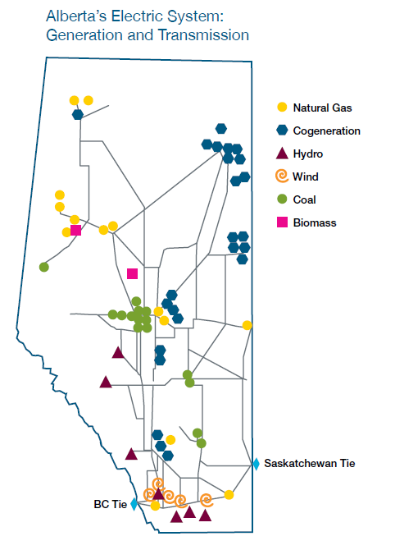
Generation in 2012 | Gigawatt hour (GWh)** | Direct CO2 EmissionRate (kg/kWh) | Direct CO2 Emissions Total (kg CO2) | Maps From | http://www.energy.alberta.ca/Org/pdfs/Alberta_Energy_Overview.pdf
Coal | 38,272 | 1.020128408 | 39042354431
Natural Gas | 27,238 | 0.51482692 | 14022855647
Hydro | 2,319 | 0 | 0
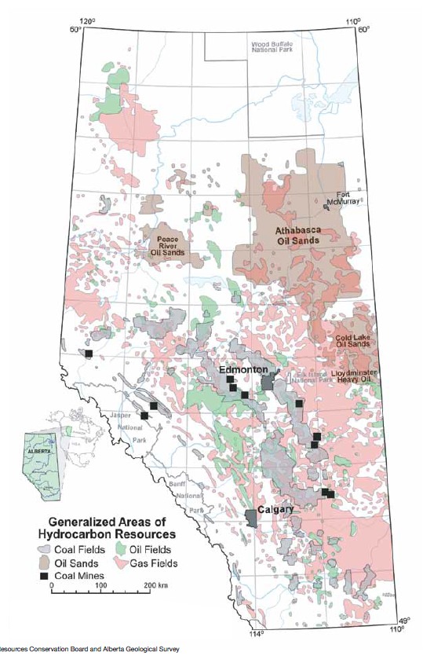
Wind | 2,640 | 0 | 0
Biomass | 2,089 | 0 | 0
Others* | 359 | 0 | 0
Total | 72,918 |  | 53065210078
Source | http://www.energy.alberta.ca/Electricity/682.asp | See Carbon sheet

 | Therefore Province Wide Average CO2/kWh
 | 0.72773814529

