Solar
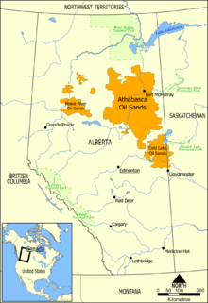
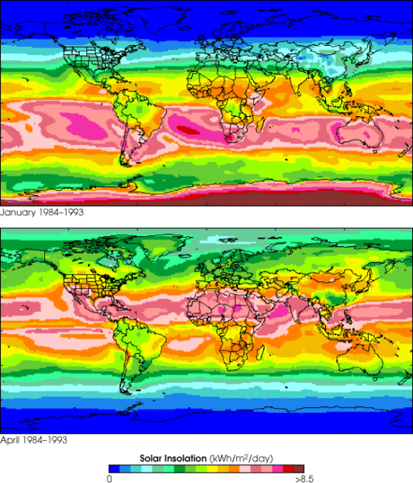
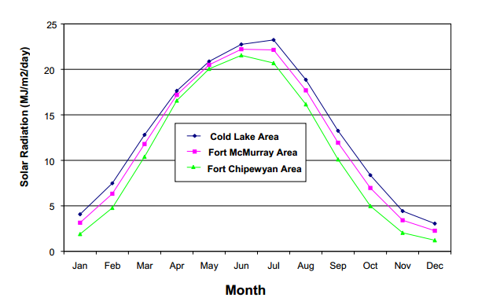
source http://en.wikipedia.org/wiki/Oil_sands

DT Adjusted Dev Plan (Wind)
Cumulative Ratio Carbon Saved vs Carbon Burned
Life expectancy of a Wind Turbine (yrs) | 5 | https://www.irena.org/DocumentDownloads/Publications/RE_Technologies_Cost_Analysis-WIND_POWER.pdf
millions barrels oil per year recovered from tar sands | 693.5
$ per barrell of oil to be invested on wind farm on site | $60.00 | X% | If price per barrel is 100, X% = 20/100 = 20%
Annual amount to be spent (Billions) | $41,610,000,000
$/kWhr for reinvestment in purchasing more wind turbines | $0.05
Wind energy: if all the money were spent on wind energy:
Assumed cost of wind ($/W) in this location (include transmission) | 4
Nameplate (peak power) size of wind turbine (MW) | 5
cost per wind turbine installed | $20,000,000
number of wind turbines per year to be installed | 2080.5
Number of automobiles manufactured equivalent to 1 wind turbine | 1000
year | total number of installed wind turbines | cumulative ratio carbon saved/carbon burned | number of wind turbines purchased | Millions of autos equivelant | % of total wind turbines to be built | cumulative carbon saved | cumulative carbon burned (MT) | value of wind produced in previous year reinvested (million $) | Billions to be spent on wind turbine acquisition next year | Decomissioned Turbines
1 | 2080.5 | 0% | 2080.5 | 2.08 | 3.0% | 0 | 348 |  | $41,610,000,000 | 0
2 | 4254.5 | 4% | 2174 | 2.17 | 6.1% | 27 | 696 | $1,872,450,000 | $43,482,450,000 | 0
3 | 6525.5 | 8% | 2271 | 2.27 | 9.3% | 81 | 1044 | $3,829,050,000 | $45,439,050,000 | 0
4 | 8899.5 | 12% | 2374 | 2.37 | 12.7% | 164 | 1392 | $5,872,950,000 | $47,482,950,000 | 0
5 | 11379.5 | 16% | 2480 | 2.48 | 16.2% | 277 | 1740 | $8,009,550,000 | $49,619,550,000 | 0
6 | 13971.5 | 20% | 2592 | 2.59 | 19.9% | 423 | 2088 | $10,241,550,000 | $51,851,550,000 | 0
7 | 16680.5 | 25% | 2709 | 2.71 | 23.8% | 601 | 2435 | $12,574,350,000 | $54,184,350,000 | 0
8 | 19511.5 | 29% | 2831 | 2.83 | 27.8% | 813 | 2783 | $15,012,450,000 | $56,622,450,000 | 0
9 | 22469.5 | 34% | 2958 | 2.96 | 32.1% | 1062 | 3131 | $17,560,350,000 | $59,170,350,000 | 0
10 | 25560.5 | 39% | 3091 | 3.09 | 36.5% | 1349 | 3479 | $20,222,550,000 | $61,832,550,000 | 0
11 | 28790.5 | 44% | 3230 | 3.23 | 41.1% | 1674 | 3827 | $23,004,450,000 | $64,614,450,000 | 60
12 | 32166.5 | 49% | 3376 | 3.38 | 45.9% | 2042 | 4175 | $25,911,450,000 | $67,521,450,000 | 41610000000
13 | 35693.5 | 54% | 3527 | 3.53 | 50.9% | 2452 | 4523 | $28,949,850,000 | $70,559,850,000 | 0.05
14 | 39379.5 | 60% | 3686 | 3.69 | 56.2% | 2907 | 4871 | $32,124,150,000 | $73,734,150,000 | 0
15 | 43231.5 | 65% | 3852 | 3.85 | 61.7% | 3409 | 5219 | $35,441,550,000 | $77,051,550,000 | 4
16 | 47256.5 | 71% | 4025 | 4.03 | 67.4% | 3960 | 5567 | $38,908,350,000 | $80,518,350,000 | 5
17 | 51463.5 | 77% | 4207 | 4.21 | 73.4% | 4563 | 5915 | $42,530,850,000 | $84,140,850,000 | 20000000
18 | 55859.5 | 83% | 4396 | 4.40 | 79.7% | 5219 | 6263 | $46,317,150,000 | $87,927,150,000 | 2080.5
19 | 60453.5 | 90% | 4594 | 4.59 | 86.2% | 5931 | 6611 | $50,273,550,000 | $91,883,550,000 | 1000
20 | 65253.5 | 96% | 4800 | 4.80 | 93.1% | 6702 | 6958 | $54,408,150,000 | $96,018,150,000 | total number of installed wind turbines
21 | 70269.5 | 103% | 5016 | 5.02 | 100.2% | 7534 | 7306 | $58,728,150,000 | $100,338,150,000 | 2080.5
22 | 75511.5 | 110% | 5242 | 5.24 | 107.7% | 8430 | 7654 | $63,242,550,000 | $104,852,550,000 | 4254.5
23 | 80989.5 | 117% | 5478 | 5.48 | 115.5% | 9392 | 8002 | $67,960,350,000 | $109,570,350,000 | 6525.5
24 | 86714.5 | 125% | 5725 | 5.73 | 123.7% | 10425 | 8350 | $72,890,550,000 | $114,500,550,000 | 8899.5
25 | 92696.5 | 133% | 5982 | 5.98 | 132.2% | 11531 | 8698 | $78,043,050,000 | $119,653,050,000 | 11379.5
26 | 98947.5 | 141% | 6251 | 6.25 | 141.2% | 12713 | 9046 | $83,426,850,000 | $125,036,850,000 | 13971.5
27 | 105480.5 | 149% | 6533 | 6.53 | 150.5% | 13974 | 9394 | $89,052,750,000 | $130,662,750,000 | 16680.5
28 | 112307.5 | 157% | 6827 | 6.83 | 160.2% | 15319 | 9742 | $94,932,450,000 | $136,542,450,000 | 19511.5
29 | 119441.5 | 166% | 7134 | 7.13 | 170.4% | 16751 | 10090 | $101,076,750,000 | $142,686,750,000 | 22469.5
30 | 126896.5 | 175% | 7455 | 7.46 | 181.0% | 18274 | 10438 | $107,497,350,000 | $149,107,350,000 | 25560.5
31 | 134686.5 | 184% | 7790 | 7.79 | 192.1% | 19892 | 10786 | $114,206,850,000 | $155,816,850,000 | 28790.5
32 | 142827.5 | 194% | 8141 | 8.14 | 203.7% | 21609 | 11133 | $121,217,850,000 | $162,827,850,000 | 32166.5
33 | 151334.5 | 204% | 8507 | 8.51 | 215.9% | 23430 | 11481 | $128,544,750,000 | $170,154,750,000 | 35693.5
34 | 160224.5 | 214% | 8890 | 8.89 | 228.6% | 25359 | 11829 | $136,201,050,000 | $177,811,050,000 | 39379.5
35 | 169514.5 | 225% | 9290 | 9.29 | 241.8% | 27402 | 12177 | $144,202,050,000 | $185,812,050,000 | 43231.5
36 | 179222.5 | 236% | 9708 | 9.71 | 255.7% | 29564 | 12525 | $152,563,050,000 | $194,173,050,000 | 47256.5
37 | 189367.5 | 247% | 10145 | 10.15 | 270.1% | 31849 | 12873 | $161,300,250,000 | $202,910,250,000 | 51463.5
38 | 199969.5 | 259% | 10602 | 10.60 | 285.3% | 34263 | 13221 | $170,430,750,000 | $212,040,750,000 | 55859.5
39 | 211048.5 | 271% | 11079 | 11.08 | 301.1% | 36813 | 13569 | $179,972,550,000 | $221,582,550,000 | 60453.5
40 | 222625.5 | 284% | 11577 | 11.58 | 317.6% | 39504 | 13917 | $189,943,650,000 | $231,553,650,000 | 65253.5
41 | 234723.5 | 297% | 12098 | 12.10 | 334.8% | 42342 | 14265 | $200,362,950,000 | $241,972,950,000 | 70269.5
42 | 247366.5 | 310% | 12643 | 12.64 | 352.9% | 45335 | 14613 | $211,251,150,000 | $252,861,150,000 | 75511.5
43 | 260577.5 | 324% | 13211 | 13.21 | 371.7% | 48489 | 14961 | $222,629,850,000 | $264,239,850,000 | 80989.5
44 | 274383.5 | 338% | 13806 | 13.81 | 391.4% | 51811 | 15309 | $234,519,750,000 | $276,129,750,000 | 86714.5
45 | 288810.5 | 353% | 14427 | 14.43 | 412.0% | 55309 | 15656 | $246,945,150,000 | $288,555,150,000 | 92696.5
46 | 303886.5 | 369% | 15076 | 15.08 | 433.5% | 58992 | 16004 | $259,929,450,000 | $301,539,450,000 | 98947.5
47 | 319641.5 | 384% | 15755 | 15.76 | 456.0% | 62866 | 16352 | $273,497,850,000 | $315,107,850,000 | 105480.5
48 | 336105.5 | 401% | 16464 | 16.46 | 479.5% | 66942 | 16700 | $287,677,350,000 | $329,287,350,000 | 112307.5
49 | 353310.5 | 418% | 17205 | 17.21 | 504.0% | 71227 | 17048 | $302,494,950,000 | $344,104,950,000 | 119441.5
50 | 371289.5 | 435% | 17979 | 17.98 | 529.7% | 75732 | 17396 | $317,979,450,000 | $359,589,450,000 | 126896.5
51 | 390077.5 | 453% | 18788 | 18.79 | 556.5% | 80466 | 17744 | $334,160,550,000 | $375,770,550,000 | 134686.5
52 | 409710.5 | 472% | 19633 | 19.63 | 584.5% | 85439 | 18092 | $351,069,750,000 | $392,679,750,000 | 142827.5
53 | 430227.5 | 492% | 20517 | 20.52 | 613.7% | 90663 | 18440 | $368,739,450,000 | $410,349,450,000 | 151334.5
54 | 451667.5 | 512% | 21440 | 21.44 | 644.3% | 96148 | 18788 | $387,204,750,000 | $428,814,750,000 | 160224.5
55 | 474072.5 | 533% | 22405 | 22.41 | 676.3% | 101907 | 19136 | $406,500,750,000 | $448,110,750,000 | 169514.5
56 | 497485.5 | 554% | 23413 | 23.41 | 709.7% | 107952 | 19484 | $426,665,250,000 | $468,275,250,000 | 179222.5
57 | 521952.5 | 576% | 24467 | 24.47 | 744.6% | 114294 | 19832 | $447,736,950,000 | $489,346,950,000 | 189367.5
58 | 547520.5 | 599% | 25568 | 25.57 | 781.1% | 120949 | 20179 | $469,757,250,000 | $511,367,250,000 | 199969.5
59 | 574238.5 | 623% | 26718 | 26.72 | 819.2% | 127930 | 20527 | $492,768,450,000 | $534,378,450,000 | 211048.5
60 | 602159.5 | 648% | 27921 | 27.92 | 859.0% | 135252 | 20875 | $516,814,650,000 | $558,424,650,000 | 222625.5
61 | 631336.5 | 673% | 29177 | 29.18 | 900.6% | 142929 | 21223 | $541,943,550,000 | $583,553,550,000 | 234723.5
62 | 661826.5 | 700% | 30490 | 30.49 | 944.1% | 150979 | 21571 | $568,202,850,000 | $609,812,850,000 | 247366.5
63 | 693688.5 | 727% | 31862 | 31.86 | 989.6% | 159417 | 21919 | $595,643,850,000 | $637,253,850,000 | 260577.5
64 | 726984.5 | 756% | 33296 | 33.30 | 1037.1% | 168262 | 22267 | $624,319,650,000 | $665,929,650,000 | 274383.5
65 | 761778.5 | 785% | 34794 | 34.79 | 1086.7% | 177531 | 22615 | $654,286,050,000 | $695,896,050,000 | 288810.5
66 | 798138.5 | 815% | 36360 | 36.36 | 1138.6% | 187243 | 22963 | $685,600,650,000 | $727,210,650,000 | 303886.5
67 | 836134.5 | 847% | 37996 | 38.00 | 1192.8% | 197420 | 23311 | $718,324,650,000 | $759,934,650,000 | 319641.5
68 | 875840.5 | 880% | 39706 | 39.71 | 1249.4% | 208080 | 23659 | $752,521,050,000 | $794,131,050,000 | 336105.5
69 | 917333.5 | 913% | 41493 | 41.49 | 1308.6% | 219247 | 24007 | $788,256,450,000 | $829,866,450,000 | 353310.5
70 | 960693.5 | 948% | 43360 | 43.36 | 1370.5% | 230943 | 24355 | $825,600,150,000 | $867,210,150,000 | 371289.5
71 | 1006004.5 | 984% | 45311 | 45.31 | 1435.1% | 243192 | 24702 | $864,624,150,000 | $906,234,150,000 | 390077.5
72 | 1053354.5 | 1022% | 47350 | 47.35 | 1502.6% | 256018 | 25050 | $905,404,050,000 | $947,014,050,000 | 409710.5
73 | 1102835.5 | 1061% | 49481 | 49.48 | 1573.2% | 269449 | 25398 | $948,019,050,000 | $989,629,050,000 | 430227.5
74 | 1154543.5 | 1101% | 51708 | 51.71 | 1647.0% | 283510 | 25746 | $992,551,950,000 | $1,034,161,950,000 | 451667.5
75 | 1208577.5 | 1143% | 54034 | 54.03 | 1724.1% | 298230 | 26094 | $1,039,089,150,000 | $1,080,699,150,000 | 474072.5
76 | 1265043.5 | 1186% | 56466 | 56.47 | 1804.6% | 313640 | 26442 | $1,087,719,750,000 | $1,129,329,750,000 | 497485.5
77 | 1324050.5 | 1231% | 59007 | 59.01 | 1888.8% | 329769 | 26790 | $1,138,539,150,000 | $1,180,149,150,000 | 521952.5
78 | 1385712.5 | 1277% | 61662 | 61.66 | 1976.8% | 346650 | 27138 | $1,191,645,450,000 | $1,233,255,450,000 | 547520.5
79 | 1450149.5 | 1325% | 64437 | 64.44 | 2068.7% | 364318 | 27486 | $1,247,141,250,000 | $1,288,751,250,000 | 574238.5
80 | 1517486.5 | 1375% | 67337 | 67.34 | 2164.7% | 382808 | 27834 | $1,305,134,550,000 | $1,346,744,550,000 | 602159.5
81 | 1587853.5 | 1427% | 70367 | 70.37 | 2265.1% | 402156 | 28182 | $1,365,737,850,000 | $1,407,347,850,000 | 631336.5
82 | 1661386.5 | 1481% | 73533 | 73.53 | 2370.0% | 422401 | 28530 | $1,429,068,150,000 | $1,470,678,150,000 | 661826.5
83 | 1738228.5 | 1536% | 76842 | 76.84 | 2479.6% | 443583 | 28877 | $1,495,247,850,000 | $1,536,857,850,000 | 693688.5

Wind Graphs
Cumulative Ratio Carbon Saved vs Carbon Burned
year | 10% Investment | 15% Investment | 20% Investment | 25% Investment | 30% investment
1 | 0% | 0% | 0% | 0% | 0%
2 | 1% | 1% | 1% | 2% | 2%
3 | 1% | 2% | 3% | 3% | 4%
4 | 2% | 3% | 4% | 5% | 6%
5 | 3% | 4% | 5% | 7% | 8%
6 | 3% | 5% | 7% | 8% | 10%
7 | 4% | 6% | 8% | 10% | 12%
8 | 5% | 7% | 10% | 12% | 15%
9 | 6% | 8% | 11% | 14% | 17%
10 | 6% | 10% | 13% | 16% | 19%
11 | 7% | 11% | 15% | 18% | 22%
12 | 8% | 12% | 16% | 20% | 24%
13 | 9% | 14% | 18% | 23% | 27%
14 | 10% | 15% | 20% | 25% | 30%
15 | 11% | 16% | 22% | 27% | 33%
16 | 12% | 18% | 24% | 30% | 36%
17 | 13% | 19% | 26% | 32% | 39%
18 | 14% | 21% | 28% | 35% | 42%
19 | 15% | 22% | 30% | 37% | 45%
20 | 16% | 24% | 32% | 40% | 48%
21 | 17% | 26% | 34% | 43% | 52%
22 | 18% | 28% | 37% | 46% | 55%
23 | 20% | 29% | 39% | 49% | 59% | Investment (%) | Offset (Years)
24 | 21% | 31% | 42% | 52% | 62% | 0.00 | 0
Amount of Time To Offset CO2 Based on Percentage of Investment
25 | 22% | 33% | 44% | 55% | 66% | 5.00 | 76
26 | 23% | 35% | 47% | 59% | 70% | 10.00 | 58
27 | 25% | 37% | 50% | 62% | 74% | 15.00 | 48
28 | 26% | 39% | 52% | 65% | 79% | 20.00 | 41
29 | 28% | 41% | 55% | 69% | 83% | 25.00 | 36.5
30 | 29% | 44% | 58% | 73% | 88% | 30.00 | 33
31 | 31% | 46% | 61% | 77% | 92% | 35.00 | 30
32 | 32% | 48% | 65% | 81% | 97% | 40.00 | 27.1
33 | 34% | 51% | 68% | 85% | 102% | 45.00 | 25.1
34 | 36% | 54% | 71% | 89% | 107% | 50.00 | 23.4
35 | 37% | 56% | 75% | 94% | 112% | 55.00 | 22
36 | 39% | 59% | 79% | 98% | 118% | 60.00 | 20.6
37 | 41% | 62% | 82% | 103% | 124% | 65.00 | 19.5
38 | 43% | 65% | 86% | 108% | 130% | 70.00 | 18.40
39 | 45% | 68% | 90% | 113% | 136% | 75.00 | 17.5
40 | 47% | 71% | 95% | 118% | 142% | 80.00 | 16.6
41 | 49% | 74% | 99% | 124% | 148% | 85.00 | 15.90
42 | 52% | 78% | 103% | 129% | 155% | 90.00 | 15.2
43 | 54% | 81% | 108% | 135% | 162% | 95.00 | 14.6
Total CO2 Recovery
44 | 56% | 85% | 113% | 141% | 169% | 100.00 | 14.00
45 | 59% | 88% | 118% | 147% | 177%
46 | 61% | 92% | 123% | 154% | 184%
47 | 64% | 96% | 128% | 160% | 192% | 20.00 | 41
48 | 67% | 100% | 134% | 167% | 200% | 30.00 | 33
49 | 70% | 104% | 139% | 174% | 209% | 40.00 | 27.1
50 | 72% | 109% | 145% | 181% | 218%
51 | 75% | 113% | 151% | 189% | 227%
52 | 79% | 118% | 157% | 197% | 236%
53 | 82% | 123% | 164% | 205% | 246%
54 | 85% | 128% | 171% | 213% | 256%
55 | 89% | 133% | 177% | 222% | 266%
56 | 92% | 138% | 185% | 231% | 277%
57 | 96% | 144% | 192% | 240% | 288%
58 | 100% | 150% | 200% | 250% | 300%
59 | 104% | 156% | 208% | 260% | 312%
60 | 108% | 162% | 216% | 270% | 324%

development plan (Solar)
Cumulative Ratio Carbon Saved vs Carbon Burned
Life expectancy of a solar cell (yrs) | 25 | http://www.seia.org/policy/environment/pv-recycling
millions barrels oil per year recovered from tar sands | 693.5
$ per barrell of oil to be invested on wind farm on site | $20.00 | X% | If price per barrel is 100, X% = 20/100 = 20%
Annual amount to be spent (Billions) | $13,870,000,000
$/kWhr for reinvestment in purchasing more solar cells | $0.05
Wind energy: if all the money were spent on solar energy:
Assumed cost of solar ($/W) in this location (includes installation) | 4
Nameplate (peak power) of solar cell (MW) | 0.00141
cost per solar cell installed | $5,640
number of solar cells per year to be installed | 2459219.8582
Number of automobiles manufactured equivalent to 1 solar cell | 1
year | total number of installed solar cells | cumulative ratio carbon saved/carbon burned | number of solar cells purchased | Millions of autos equivelant | % of total solar cells to be built | cumulative carbon saved | cumulative carbon burned (MT) | value of solar produced in previous year reinvested (million $) | Billions to be spent on solar cells acquisition next year | Decomissioned Cells
1 | 2459219.8582 | 0% | 2459219.8582 | 2.46 | 0.8% | 0 | 348 |  | $13,870,000,000 | 0
2 | 4959938.8582 | 1% | 2500719 | 2.50 | 1.7% | 5 | 696 | $234,056,250 | $14,104,056,250 | 0
3 | 7502856.8582 | 2% | 2542918 | 2.54 | 2.5% | 16 | 1044 | $472,062,181 | $14,342,062,181 | 0
4 | 10088686.858 | 2% | 2585830 | 2.59 | 3.4% | 32 | 1392 | $714,084,401 | $14,584,084,401 | 0
5 | 12718152.858 | 3% | 2629466 | 2.63 | 4.3% | 54 | 1740 | $960,190,772 | $14,830,190,772 | 0
6 | 15391990.858 | 4% | 2673838 | 2.67 | 5.2% | 81 | 2088 | $1,210,450,198 | $15,080,450,198 | 0
7 | 18110949.858 | 5% | 2718959 | 2.72 | 6.1% | 115 | 2435 | $1,464,932,730 | $15,334,932,730 | 0
8 | 20875791.858 | 6% | 2764842 | 2.76 | 7.0% | 154 | 2783 | $1,723,709,653 | $15,593,709,653 | 0
9 | 23687289.858 | 6% | 2811498 | 2.81 | 8.0% | 199 | 3131 | $1,986,853,490 | $15,856,853,490 | 0
10 | 26546231.858 | 7% | 2858942 | 2.86 | 9.0% | 250 | 3479 | $2,254,437,812 | $16,124,437,812 | 0
11 | 29453418.858 | 8% | 2907187 | 2.91 | 9.9% | 307 | 3827 | $2,526,537,617 | $16,396,537,617 | 0
12 | 32409664.858 | 9% | 2956246 | 2.96 | 10.9% | 371 | 4175 | $2,803,229,140 | $16,673,229,140 | 0
13 | 35415796.858 | 10% | 3006132 | 3.01 | 11.9% | 441 | 4523 | $3,084,589,853 | $16,954,589,853 | 0
14 | 38472657.858 | 11% | 3056861 | 3.06 | 13.0% | 517 | 4871 | $3,370,698,466 | $17,240,698,466 | 0
15 | 41581102.858 | 12% | 3108445 | 3.11 | 14.0% | 601 | 5219 | $3,661,635,212 | $17,531,635,212 | 0
16 | 44742002.858 | 12% | 3160900 | 3.16 | 15.1% | 690 | 5567 | $3,957,481,465 | $17,827,481,465 | 0
17 | 47956243.858 | 13% | 3214241 | 3.21 | 16.2% | 787 | 5915 | $4,258,320,122 | $18,128,320,122 | 0
18 | 51224724.858 | 14% | 3268481 | 3.27 | 17.3% | 891 | 6263 | $4,564,235,509 | $18,434,235,509 | 0
19 | 54548361.858 | 15% | 3323637 | 3.32 | 18.4% | 1001 | 6611 | $4,875,313,188 | $18,745,313,188 | 0
20 | 57928084.858 | 16% | 3379723 | 3.38 | 19.5% | 1119 | 6958 | $5,191,640,340 | $19,061,640,340 | 0
21 | 61364840.858 | 17% | 3436756 | 3.44 | 20.7% | 1244 | 7306 | $5,513,305,476 | $19,383,305,476 | 0
22 | 64859591.858 | 18% | 3494751 | 3.49 | 21.9% | 1377 | 7654 | $5,840,398,729 | $19,710,398,729 | 0
23 | 68413316.858 | 19% | 3553725 | 3.55 | 23.1% | 1517 | 8002 | $6,173,011,655 | $20,043,011,655 | 0
24 | 72027010.858 | 20% | 3613694 | 3.61 | 24.3% | 1664 | 8350 | $6,511,237,432 | $20,381,237,432 | 0
25 | 75701685.858 | 21% | 3674675 | 3.67 | 25.5% | 1820 | 8698 | $6,855,170,758 | $20,725,170,758 | 0
26 | 79438370.858 | 22% | 3736685 | 3.74 | 26.8% | 1983 | 9046 | $7,204,907,952 | $21,074,907,952 | 2459219.8582
27 | 83238112.858 | 23% | 3799742 | 3.80 | 28.1% | 2155 | 9394 | $7,560,546,946 | $21,430,546,946 | 4959938.8582
28 | 87101975.858 | 24% | 3863863 | 3.86 | 29.4% | 2335 | 9742 | $7,922,187,391 | $21,792,187,391 | 7502856.8582
29 | 91031040.858 | 25% | 3929065 | 3.93 | 30.7% | 2523 | 10090 | $8,289,930,552 | $22,159,930,552 | 10088686.858
30 | 95026408.858 | 26% | 3995368 | 4.00 | 32.1% | 2719 | 10438 | $8,663,879,314 | $22,533,879,314 | 12718152.858
31 | 99089198.858 | 27% | 4062790 | 4.06 | 33.4% | 2925 | 10786 | $9,044,138,463 | $22,914,138,463 | 15391990.858
32 | 103220548.86 | 28% | 4131350 | 4.13 | 34.8% | 3139 | 11133 | $9,430,814,501 | $23,300,814,501 | 18110949.858
33 | 107421614.86 | 29% | 4201066 | 4.20 | 36.2% | 3361 | 11481 | $9,824,015,738 | $23,694,015,738 | 20875791.858
34 | 111693573.86 | 30% | 4271959 | 4.27 | 37.7% | 3593 | 11829 | $10,223,852,194 | $24,093,852,194 | 23687289.858
35 | 116037621.86 | 31% | 4344048 | 4.34 | 39.1% | 3835 | 12177 | $10,630,435,892 | $24,500,435,892 | 26546231.858
36 | 120454975.86 | 33% | 4417354 | 4.42 | 40.6% | 4085 | 12525 | $11,043,880,660 | $24,913,880,660 | 29453418.858
37 | 124946872.86 | 34% | 4491897 | 4.49 | 42.2% | 4345 | 12873 | $11,464,302,327 | $25,334,302,327 | 32409664.858
38 | 129514570.86 | 35% | 4567698 | 4.57 | 43.7% | 4615 | 13221 | $11,891,818,624 | $25,761,818,624 | 35415796.858
39 | 134159348.86 | 36% | 4644778 | 4.64 | 45.3% | 4895 | 13569 | $12,326,549,281 | $26,196,549,281 | 38472657.858
40 | 138882506.86 | 37% | 4723158 | 4.72 | 46.9% | 5184 | 13917 | $12,768,616,028 | $26,638,616,028 | 41581102.858
41 | 143685368.86 | 38% | 4802862 | 4.80 | 48.5% | 5484 | 14265 | $13,218,142,590 | $27,088,142,590 | 44742002.858
42 | 148569278.86 | 40% | 4883910 | 4.88 | 50.1% | 5795 | 14613 | $13,675,254,981 | $27,545,254,981 | 47956243.858
43 | 153535604.86 | 41% | 4966326 | 4.97 | 51.8% | 6116 | 14961 | $14,140,081,115 | $28,010,081,115 | 51224724.858
44 | 158585737.86 | 42% | 5050133 | 5.05 | 53.5% | 6447 | 15309 | $14,612,751,192 | $28,482,751,192 | 54548361.858
45 | 163721091.86 | 43% | 5135354 | 5.14 | 55.2% | 6790 | 15656 | $15,093,397,601 | $28,963,397,601 | 57928084.858
46 | 168943104.86 | 45% | 5222013 | 5.22 | 57.0% | 7143 | 16004 | $15,582,154,918 | $29,452,154,918 | 61364840.858
47 | 174253238.86 | 46% | 5310134 | 5.31 | 58.8% | 7508 | 16352 | $16,079,160,005 | $29,949,160,005 | 64859591.858
48 | 179652981.86 | 47% | 5399743 | 5.40 | 60.6% | 7884 | 16700 | $16,584,552,008 | $30,454,552,008 | 68413316.858
49 | 185143844.86 | 49% | 5490863 | 5.49 | 62.5% | 8272 | 17048 | $17,098,472,548 | $30,968,472,548 | 72027010.858
50 | 190727366.86 | 50% | 5583522 | 5.58 | 64.3% | 8672 | 17396 | $17,621,065,434 | $31,491,065,434 | 75701685.858
51 | 196405110.86 | 51% | 5677744 | 5.68 | 66.3% | 9084 | 17744 | $18,152,477,141 | $32,022,477,141 | 79438370.858
52 | 202178666.86 | 53% | 5773556 | 5.77 | 68.2% | 9508 | 18092 | $18,692,856,426 | $32,562,856,426 | 83238112.858
53 | 208049650.86 | 54% | 5870984 | 5.87 | 70.2% | 9945 | 18440 | $19,242,354,618 | $33,112,354,618 | 87101975.858
54 | 214019707.86 | 55% | 5970057 | 5.97 | 72.2% | 10394 | 18788 | $19,801,125,520 | $33,671,125,520 | 91031040.858
55 | 220090509.86 | 57% | 6070802 | 6.07 | 74.3% | 10856 | 19136 | $20,369,325,695 | $34,239,325,695 | 95026408.858
56 | 226263756.86 | 58% | 6173247 | 6.17 | 76.3% | 11331 | 19484 | $20,947,114,276 | $34,817,114,276 | 99089198.858
57 | 232541176.86 | 60% | 6277420 | 6.28 | 78.5% | 11820 | 19832 | $21,534,653,059 | $35,404,653,059 | 103220548.86
58 | 238924528.86 | 61% | 6383352 | 6.38 | 80.6% | 12322 | 20179 | $22,132,106,507 | $36,002,106,507 | 107421614.86
59 | 245415599.86 | 63% | 6491071 | 6.49 | 82.8% | 12838 | 20527 | $22,739,642,034 | $36,609,642,034 | 111693573.86
60 | 252016207.86 | 64% | 6600608 | 6.60 | 85.0% | 13368 | 20875 | $23,357,429,717 | $37,227,429,717 | 116037621.86
61 | 258728200.86 | 66% | 6711993 | 6.71 | 87.3% | 13912 | 21223 | $23,985,642,583 | $37,855,642,583 | 120454975.86
62 | 265553458.86 | 67% | 6825258 | 6.83 | 89.6% | 14471 | 21571 | $24,624,456,517 | $38,494,456,517 | 124946872.86
63 | 272493892.86 | 69% | 6940434 | 6.94 | 91.9% | 15044 | 21919 | $25,274,050,447 | $39,144,050,447 | 129514570.86
64 | 279551446.86 | 70% | 7057554 | 7.06 | 94.3% | 15633 | 22267 | $25,934,606,253 | $39,804,606,253 | 134159348.86
65 | 286728096.86 | 72% | 7176650 | 7.18 | 96.7% | 16237 | 22615 | $26,606,308,955 | $40,476,308,955 | 138882506.86
66 | 294025852.86 | 73% | 7297756 | 7.30 | 99.2% | 16856 | 22963 | $27,289,346,618 | $41,159,346,618 | 143685368.86
67 | 301446758.86 | 75% | 7420906 | 7.42 | 101.7% | 17491 | 23311 | $27,983,910,546 | $41,853,910,546 | 148569278.86
68 | 308992891.86 | 77% | 7546133 | 7.55 | 104.2% | 18142 | 23659 | $28,690,195,274 | $42,560,195,274 | 153535604.86
69 | 316666365.86 | 78% | 7673474 | 7.67 | 106.8% | 18809 | 24007 | $29,408,398,483 | $43,278,398,483 | 158585737.86
70 | 324469329.86 | 80% | 7802964 | 7.80 | 109.5% | 19493 | 24355 | $30,138,721,371 | $44,008,721,371 | 163721091.86
71 | 332403968.86 | 82% | 7934639 | 7.93 | 112.1% | 20193 | 24702 | $30,881,368,469 | $44,751,368,469 | 168943104.86
72 | 340472504.86 | 83% | 8068536 | 8.07 | 114.9% | 20911 | 25050 | $31,636,547,736 | $45,506,547,736 | 174253238.86
73 | 348677197.86 | 85% | 8204693 | 8.20 | 117.6% | 21646 | 25398 | $32,404,470,650 | $46,274,470,650 | 179652981.86
74 | 357020344.86 | 87% | 8343147 | 8.34 | 120.4% | 22399 | 25746 | $33,185,352,306 | $47,055,352,306 | 185143844.86
75 | 365504282.86 | 89% | 8483938 | 8.48 | 123.3% | 23170 | 26094 | $33,979,411,322 | $47,849,411,322 | 190727366.86
76 | 374131386.86 | 91% | 8627104 | 8.63 | 126.2% | 23960 | 26442 | $34,786,870,121 | $48,656,870,121 | 196405110.86
77 | 382904073.86 | 92% | 8772687 | 8.77 | 129.2% | 24768 | 26790 | $35,607,954,744 | $49,477,954,744 | 202178666.86
78 | 391824799.86 | 94% | 8920726 | 8.92 | 132.2% | 25595 | 27138 | $36,442,895,229 | $50,312,895,229 | 208049650.86
79 | 400896062.86 | 96% | 9071263 | 9.07 | 135.3% | 26441 | 27486 | $37,291,925,327 | $51,161,925,327 | 214019707.86
80 | 410120402.86 | 98% | 9224340 | 9.22 | 138.4% | 27306 | 27834 | $38,155,282,783 | $52,025,282,783 | 220090509.86
81 | 419500403.86 | 100% | 9380001 | 9.38 | 141.5% | 28192 | 28182 | $39,033,209,342 | $52,903,209,342 | 226263756.86
82 | 429038692.86 | 102% | 9538289 | 9.54 | 144.7% | 29098 | 28530 | $39,925,950,937 | $53,795,950,937 | 232541176.86
83 | 438737939.86 | 104% | 9699247 | 9.70 | 148.0% | 30024 | 28877 | $40,833,757,593 | $54,703,757,593 | 238924528.86
84 | 448600861.86 | 106% | 9862922 | 9.86 | 151.3% | 30972 | 29225 | $41,756,883,426 | $55,626,883,426 | 245415599.86
85 | 458630220.86 | 108% | 10029359 | 10.03 | 154.7% | 31941 | 29573 | $42,695,587,027 | $56,565,587,027 | 252016207.86

Solar Graphs
Cumulative Ratio Carbon Saved vs Carbon Burned
year | 10% Investment | 15% Investment | 20% Investment | 25% Investment | 30% Investment
1 | 0% | 0% | 0% | 0% | 0%
2 | 0% | 1% | 1% | 1% | 1%
3 | 1% | 1% | 2% | 2% | 2%
4 | 1% | 2% | 2% | 3% | 3%
5 | 2% | 2% | 3% | 4% | 5%
6 | 2% | 3% | 4% | 5% | 6%
7 | 2% | 4% | 5% | 6% | 7%
8 | 3% | 4% | 6% | 7% | 8%
9 | 3% | 5% | 6% | 8% | 10%
10 | 4% | 5% | 7% | 9% | 11%
11 | 4% | 6% | 8% | 10% | 12%
12 | 4% | 7% | 9% | 11% | 13%
13 | 5% | 7% | 10% | 12% | 15%
14 | 5% | 8% | 11% | 13% | 16%
15 | 6% | 9% | 12% | 14% | 17%
16 | 6% | 9% | 12% | 16% | 19%
17 | 7% | 10% | 13% | 17% | 20%
18 | 7% | 11% | 14% | 18% | 21%
19 | 8% | 11% | 15% | 19% | 23%
20 | 8% | 12% | 16% | 20% | 24%
21 | 9% | 13% | 17% | 21% | 26%
22 | 9% | 13% | 18% | 22% | 27%
23 | 9% | 14% | 19% | 24% | 28%
24 | 10% | 15% | 20% | 25% | 30%
25 | 10% | 16% | 21% | 26% | 31%
26 | 11% | 16% | 22% | 27% | 33%
27 | 11% | 17% | 23% | 29% | 34%
28 | 12% | 18% | 24% | 30% | 36%
29 | 13% | 19% | 25% | 31% | 38%
30 | 13% | 20% | 26% | 33% | 39%
31 | 14% | 20% | 27% | 34% | 41%
32 | 14% | 21% | 28% | 35% | 42%
33 | 15% | 22% | 29% | 37% | 44%
34 | 15% | 23% | 30% | 38% | 46%
35 | 16% | 24% | 31% | 39% | 47%
36 | 16% | 24% | 33% | 41% | 49%
37 | 17% | 25% | 34% | 42% | 51%
38 | 17% | 26% | 35% | 44% | 52%
39 | 18% | 27% | 36% | 45% | 54%
40 | 19% | 28% | 37% | 47% | 56%
41 | 19% | 29% | 38% | 48% | 58%
42 | 20% | 30% | 40% | 50% | 59%
43 | 20% | 31% | 41% | 51% | 61%
44 | 21% | 32% | 42% | 53% | 63%
45 | 22% | 33% | 43% | 54% | 65%
46 | 22% | 33% | 45% | 56% | 67%
47 | 23% | 34% | 46% | 57% | 69%
48 | 24% | 35% | 47% | 59% | 71%
49 | 24% | 36% | 49% | 61% | 73%
50 | 25% | 37% | 50% | 62% | 75%
51 | 26% | 38% | 51% | 64% | 77%
52 | 26% | 39% | 53% | 66% | 79%
53 | 27% | 40% | 54% | 67% | 81%
54 | 28% | 41% | 55% | 69% | 83%
55 | 28% | 43% | 57% | 71% | 85%
56 | 29% | 44% | 58% | 73% | 87%
57 | 30% | 45% | 60% | 75% | 89%
58 | 31% | 46% | 61% | 76% | 92%
59 | 31% | 47% | 63% | 78% | 94%
60 | 32% | 48% | 64% | 80% | 96%

Alberta Electricity Profile
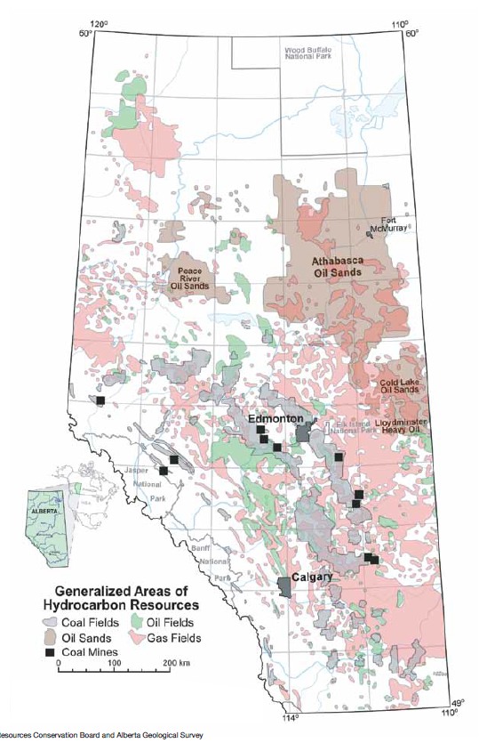
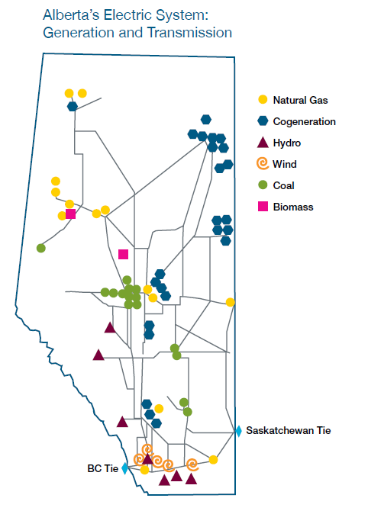
Generation in 2012 | Gigawatt hour (GWh)** | Direct CO2 EmissionRate (kg/kWh) | Direct CO2 Emissions Total (kg CO2) | Maps From | http://www.energy.alberta.ca/Org/pdfs/Alberta_Energy_Overview.pdf
Coal | 38,272 | 1.020128408 | 39042354431
Natural Gas | 27,238 | 0.51482692 | 14022855647
Hydro | 2,319 | 0 | 0
Wind | 2,640 | 0 | 0
Biomass | 2,089 | 0 | 0
Others* | 359 | 0 | 0
Total | 72,918 |  | 53065210078
Source | http://www.energy.alberta.ca/Electricity/682.asp | See Carbon sheet

 | Therefore Province Wide Average CO2/kWh
 | 0.72773814529

