Solar
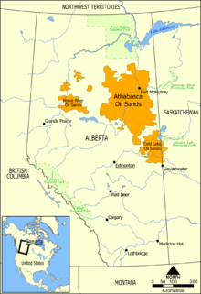
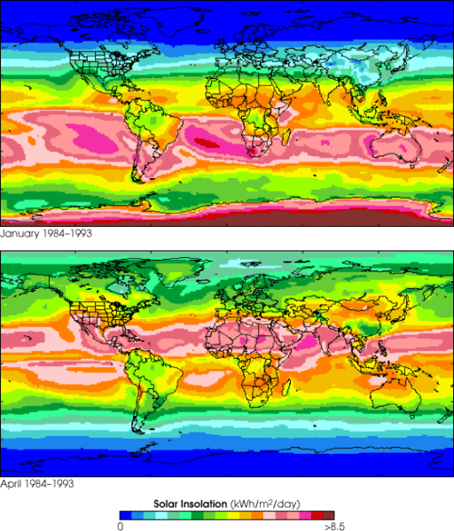
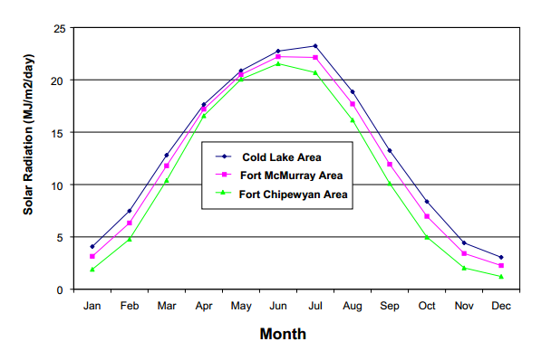
source http://en.wikipedia.org/wiki/Oil_sands

DT Adjusted Dev Plan (Wind)
Cumulative Ratio Carbon Saved vs Carbon Burned
Life expectancy of a Wind Turbine (yrs) | 5 | https://www.irena.org/DocumentDownloads/Publications/RE_Technologies_Cost_Analysis-WIND_POWER.pdf
millions barrels oil per year recovered from tar sands | 693.5
$ per barrell of oil to be invested on wind farm on site | $60.00 | X% | If price per barrel is 100, X% = 20/100 = 20%
Annual amount to be spent (Billions) | $41,610,000,000
$/kWhr for reinvestment in purchasing more wind turbines | $0.05
Wind energy: if all the money were spent on wind energy:
Assumed cost of wind ($/W) in this location (include transmission) | 4
Nameplate (peak power) size of wind turbine (MW) | 5
cost per wind turbine installed | $20,000,000
number of wind turbines per year to be installed | 2080.5
Number of automobiles manufactured equivalent to 1 wind turbine | 1000
year | total number of installed wind turbines | cumulative ratio carbon saved/carbon burned | number of wind turbines purchased | Millions of autos equivelant | % of total wind turbines to be built | cumulative carbon saved | cumulative carbon burned (MT) | value of wind produced in previous year reinvested (million $) | Billions to be spent on wind turbine acquisition next year | Decomissioned Turbines
1 | 2080.5 | 0% | 2080.5 | 2.08 | 3.0% | 0 | 348 |  | $41,610,000,000 | 0
2 | 4254.5 | 4% | 2174 | 2.17 | 6.1% | 27 | 696 | $1,872,450,000 | $43,482,450,000 | 0
3 | 6525.5 | 8% | 2271 | 2.27 | 9.3% | 81 | 1044 | $3,829,050,000 | $45,439,050,000 | 0
4 | 8899.5 | 12% | 2374 | 2.37 | 12.7% | 164 | 1392 | $5,872,950,000 | $47,482,950,000 | 0
5 | 11379.5 | 16% | 2480 | 2.48 | 16.2% | 277 | 1740 | $8,009,550,000 | $49,619,550,000 | 0
6 | 13971.5 | 20% | 2592 | 2.59 | 19.9% | 423 | 2088 | $10,241,550,000 | $51,851,550,000 | 0
7 | 16680.5 | 25% | 2709 | 2.71 | 23.8% | 601 | 2435 | $12,574,350,000 | $54,184,350,000 | 0
8 | 19511.5 | 29% | 2831 | 2.83 | 27.8% | 813 | 2783 | $15,012,450,000 | $56,622,450,000 | 0
9 | 22469.5 | 34% | 2958 | 2.96 | 32.1% | 1062 | 3131 | $17,560,350,000 | $59,170,350,000 | 0
10 | 25560.5 | 39% | 3091 | 3.09 | 36.5% | 1349 | 3479 | $20,222,550,000 | $61,832,550,000 | 0
11 | 28790.5 | 44% | 3230 | 3.23 | 41.1% | 1674 | 3827 | $23,004,450,000 | $64,614,450,000 | 60
12 | 32166.5 | 49% | 3376 | 3.38 | 45.9% | 2042 | 4175 | $25,911,450,000 | $67,521,450,000 | 41610000000
13 | 35693.5 | 54% | 3527 | 3.53 | 50.9% | 2452 | 4523 | $28,949,850,000 | $70,559,850,000 | 0.05
14 | 39379.5 | 60% | 3686 | 3.69 | 56.2% | 2907 | 4871 | $32,124,150,000 | $73,734,150,000 | 0
15 | 43231.5 | 65% | 3852 | 3.85 | 61.7% | 3409 | 5219 | $35,441,550,000 | $77,051,550,000 | 4
16 | 47256.5 | 71% | 4025 | 4.03 | 67.4% | 3960 | 5567 | $38,908,350,000 | $80,518,350,000 | 5
17 | 51463.5 | 77% | 4207 | 4.21 | 73.4% | 4563 | 5915 | $42,530,850,000 | $84,140,850,000 | 20000000
18 | 55859.5 | 83% | 4396 | 4.40 | 79.7% | 5219 | 6263 | $46,317,150,000 | $87,927,150,000 | 2080.5
19 | 60453.5 | 90% | 4594 | 4.59 | 86.2% | 5931 | 6611 | $50,273,550,000 | $91,883,550,000 | 1000
20 | 65253.5 | 96% | 4800 | 4.80 | 93.1% | 6702 | 6958 | $54,408,150,000 | $96,018,150,000 | total number of installed wind turbines
21 | 70269.5 | 103% | 5016 | 5.02 | 100.2% | 7534 | 7306 | $58,728,150,000 | $100,338,150,000 | 2080.5
22 | 75511.5 | 110% | 5242 | 5.24 | 107.7% | 8430 | 7654 | $63,242,550,000 | $104,852,550,000 | 4254.5
23 | 80989.5 | 117% | 5478 | 5.48 | 115.5% | 9392 | 8002 | $67,960,350,000 | $109,570,350,000 | 6525.5
24 | 86714.5 | 125% | 5725 | 5.73 | 123.7% | 10425 | 8350 | $72,890,550,000 | $114,500,550,000 | 8899.5
25 | 92696.5 | 133% | 5982 | 5.98 | 132.2% | 11531 | 8698 | $78,043,050,000 | $119,653,050,000 | 11379.5
26 | 98947.5 | 141% | 6251 | 6.25 | 141.2% | 12713 | 9046 | $83,426,850,000 | $125,036,850,000 | 13971.5
27 | 105480.5 | 149% | 6533 | 6.53 | 150.5% | 13974 | 9394 | $89,052,750,000 | $130,662,750,000 | 16680.5
28 | 112307.5 | 157% | 6827 | 6.83 | 160.2% | 15319 | 9742 | $94,932,450,000 | $136,542,450,000 | 19511.5
29 | 119441.5 | 166% | 7134 | 7.13 | 170.4% | 16751 | 10090 | $101,076,750,000 | $142,686,750,000 | 22469.5
30 | 126896.5 | 175% | 7455 | 7.46 | 181.0% | 18274 | 10438 | $107,497,350,000 | $149,107,350,000 | 25560.5
31 | 134686.5 | 184% | 7790 | 7.79 | 192.1% | 19892 | 10786 | $114,206,850,000 | $155,816,850,000 | 28790.5
32 | 142827.5 | 194% | 8141 | 8.14 | 203.7% | 21609 | 11133 | $121,217,850,000 | $162,827,850,000 | 32166.5
33 | 151334.5 | 204% | 8507 | 8.51 | 215.9% | 23430 | 11481 | $128,544,750,000 | $170,154,750,000 | 35693.5
34 | 160224.5 | 214% | 8890 | 8.89 | 228.6% | 25359 | 11829 | $136,201,050,000 | $177,811,050,000 | 39379.5
35 | 169514.5 | 225% | 9290 | 9.29 | 241.8% | 27402 | 12177 | $144,202,050,000 | $185,812,050,000 | 43231.5
36 | 179222.5 | 236% | 9708 | 9.71 | 255.7% | 29564 | 12525 | $152,563,050,000 | $194,173,050,000 | 47256.5
37 | 189367.5 | 247% | 10145 | 10.15 | 270.1% | 31849 | 12873 | $161,300,250,000 | $202,910,250,000 | 51463.5
38 | 199969.5 | 259% | 10602 | 10.60 | 285.3% | 34263 | 13221 | $170,430,750,000 | $212,040,750,000 | 55859.5
39 | 211048.5 | 271% | 11079 | 11.08 | 301.1% | 36813 | 13569 | $179,972,550,000 | $221,582,550,000 | 60453.5
40 | 222625.5 | 284% | 11577 | 11.58 | 317.6% | 39504 | 13917 | $189,943,650,000 | $231,553,650,000 | 65253.5
41 | 234723.5 | 297% | 12098 | 12.10 | 334.8% | 42342 | 14265 | $200,362,950,000 | $241,972,950,000 | 70269.5
42 | 247366.5 | 310% | 12643 | 12.64 | 352.9% | 45335 | 14613 | $211,251,150,000 | $252,861,150,000 | 75511.5
43 | 260577.5 | 324% | 13211 | 13.21 | 371.7% | 48489 | 14961 | $222,629,850,000 | $264,239,850,000 | 80989.5
44 | 274383.5 | 338% | 13806 | 13.81 | 391.4% | 51811 | 15309 | $234,519,750,000 | $276,129,750,000 | 86714.5
45 | 288810.5 | 353% | 14427 | 14.43 | 412.0% | 55309 | 15656 | $246,945,150,000 | $288,555,150,000 | 92696.5
46 | 303886.5 | 369% | 15076 | 15.08 | 433.5% | 58992 | 16004 | $259,929,450,000 | $301,539,450,000 | 98947.5
47 | 319641.5 | 384% | 15755 | 15.76 | 456.0% | 62866 | 16352 | $273,497,850,000 | $315,107,850,000 | 105480.5
48 | 336105.5 | 401% | 16464 | 16.46 | 479.5% | 66942 | 16700 | $287,677,350,000 | $329,287,350,000 | 112307.5
49 | 353310.5 | 418% | 17205 | 17.21 | 504.0% | 71227 | 17048 | $302,494,950,000 | $344,104,950,000 | 119441.5
50 | 371289.5 | 435% | 17979 | 17.98 | 529.7% | 75732 | 17396 | $317,979,450,000 | $359,589,450,000 | 126896.5
51 | 390077.5 | 453% | 18788 | 18.79 | 556.5% | 80466 | 17744 | $334,160,550,000 | $375,770,550,000 | 134686.5
52 | 409710.5 | 472% | 19633 | 19.63 | 584.5% | 85439 | 18092 | $351,069,750,000 | $392,679,750,000 | 142827.5
53 | 430227.5 | 492% | 20517 | 20.52 | 613.7% | 90663 | 18440 | $368,739,450,000 | $410,349,450,000 | 151334.5
54 | 451667.5 | 512% | 21440 | 21.44 | 644.3% | 96148 | 18788 | $387,204,750,000 | $428,814,750,000 | 160224.5
55 | 474072.5 | 533% | 22405 | 22.41 | 676.3% | 101907 | 19136 | $406,500,750,000 | $448,110,750,000 | 169514.5
56 | 497485.5 | 554% | 23413 | 23.41 | 709.7% | 107952 | 19484 | $426,665,250,000 | $468,275,250,000 | 179222.5
57 | 521952.5 | 576% | 24467 | 24.47 | 744.6% | 114294 | 19832 | $447,736,950,000 | $489,346,950,000 | 189367.5
58 | 547520.5 | 599% | 25568 | 25.57 | 781.1% | 120949 | 20179 | $469,757,250,000 | $511,367,250,000 | 199969.5
59 | 574238.5 | 623% | 26718 | 26.72 | 819.2% | 127930 | 20527 | $492,768,450,000 | $534,378,450,000 | 211048.5
60 | 602159.5 | 648% | 27921 | 27.92 | 859.0% | 135252 | 20875 | $516,814,650,000 | $558,424,650,000 | 222625.5

Wind Graphs
Cumulative Ratio Carbon Saved vs Carbon Burned
year | 10% Investment | 15% Investment | 20% Investment | 25% Investment | 30% investment
1 | 0% | 0% | 0% | 0% | 0%
2 | 1% | 1% | 1% | 2% | 2%
3 | 1% | 2% | 3% | 3% | 4%
4 | 2% | 3% | 4% | 5% | 6%
5 | 3% | 4% | 5% | 7% | 8%
6 | 3% | 5% | 7% | 8% | 10%
7 | 4% | 6% | 8% | 10% | 12%
8 | 5% | 7% | 10% | 12% | 15%
9 | 6% | 8% | 11% | 14% | 17%
10 | 6% | 10% | 13% | 16% | 19%
11 | 7% | 11% | 15% | 18% | 22%
12 | 8% | 12% | 16% | 20% | 24%
13 | 9% | 14% | 18% | 23% | 27%
14 | 10% | 15% | 20% | 25% | 30%
15 | 11% | 16% | 22% | 27% | 33%
16 | 12% | 18% | 24% | 30% | 36%
17 | 13% | 19% | 26% | 32% | 39%
18 | 14% | 21% | 28% | 35% | 42%
19 | 15% | 22% | 30% | 37% | 45%
20 | 16% | 24% | 32% | 40% | 48%
21 | 17% | 26% | 34% | 43% | 52%
22 | 18% | 28% | 37% | 46% | 55%
23 | 20% | 29% | 39% | 49% | 59% | Investment (%) | Offset (Years)
24 | 21% | 31% | 42% | 52% | 62% | 0.00 | 0
Amount of Time To Offset CO2 Based on Percentage of Investment
25 | 22% | 33% | 44% | 55% | 66% | 5.00 | 76
26 | 23% | 35% | 47% | 59% | 70% | 10.00 | 58
27 | 25% | 37% | 50% | 62% | 74% | 15.00 | 48
28 | 26% | 39% | 52% | 65% | 79% | 20.00 | 41
29 | 28% | 41% | 55% | 69% | 83% | 25.00 | 36.5
30 | 29% | 44% | 58% | 73% | 88% | 30.00 | 33
31 | 31% | 46% | 61% | 77% | 92% | 35.00 | 30
32 | 32% | 48% | 65% | 81% | 97% | 40.00 | 27.1
33 | 34% | 51% | 68% | 85% | 102% | 45.00 | 25.1
34 | 36% | 54% | 71% | 89% | 107% | 50.00 | 23.4
35 | 37% | 56% | 75% | 94% | 112% | 55.00 | 22
36 | 39% | 59% | 79% | 98% | 118% | 60.00 | 20.6
37 | 41% | 62% | 82% | 103% | 124% | 65.00 | 19.5
38 | 43% | 65% | 86% | 108% | 130% | 70.00 | 18.40
39 | 45% | 68% | 90% | 113% | 136% | 75.00 | 17.5
40 | 47% | 71% | 95% | 118% | 142% | 80.00 | 16.6
41 | 49% | 74% | 99% | 124% | 148% | 85.00 | 15.90
42 | 52% | 78% | 103% | 129% | 155% | 90.00 | 15.2
43 | 54% | 81% | 108% | 135% | 162% | 95.00 | 14.6
Total CO2 Recovery
44 | 56% | 85% | 113% | 141% | 169% | 100.00 | 14.00
45 | 59% | 88% | 118% | 147% | 177%
46 | 61% | 92% | 123% | 154% | 184%
47 | 64% | 96% | 128% | 160% | 192% | 20.00 | 41
48 | 67% | 100% | 134% | 167% | 200% | 30.00 | 33
49 | 70% | 104% | 139% | 174% | 209% | 40.00 | 27.1
50 | 72% | 109% | 145% | 181% | 218%
51 | 75% | 113% | 151% | 189% | 227%
52 | 79% | 118% | 157% | 197% | 236%
53 | 82% | 123% | 164% | 205% | 246%
54 | 85% | 128% | 171% | 213% | 256%
55 | 89% | 133% | 177% | 222% | 266%
56 | 92% | 138% | 185% | 231% | 277%
57 | 96% | 144% | 192% | 240% | 288%
58 | 100% | 150% | 200% | 250% | 300%
59 | 104% | 156% | 208% | 260% | 312%
60 | 108% | 162% | 216% | 270% | 324%

development plan (Solar)
Cumulative Ratio Carbon Saved vs Carbon Burned
Life expectancy of a solar cell (yrs) | 25 | http://www.seia.org/policy/environment/pv-recycling
millions barrels oil per year recovered from tar sands | 693.5
$ per barrell of oil to be invested on wind farm on site | $100.00 | X% | If price per barrel is 100, X% = 20/100 = 20%
Annual amount to be spent (Billions) | $69,350,000,000
$/kWhr for reinvestment in purchasing more solar cells | $0.05
Wind energy: if all the money were spent on solar energy:
Assumed cost of solar ($/W) in this location (includes installation) | 4
Nameplate (peak power) of solar cell (MW) | 0.00141
cost per solar cell installed | $5,640
number of solar cells per year to be installed | 12296099.291
Number of automobiles manufactured equivalent to 1 solar cell | 1
year | total number of installed solar cells | cumulative ratio carbon saved/carbon burned | number of solar cells purchased | Millions of autos equivelant | % of total solar cells to be built | cumulative carbon saved | cumulative carbon burned (MT) | value of solar produced in previous year reinvested (million $) | Billions to be spent on solar cells acquisition next year | Decomissioned Cells
1 | 12296099.291 | 0% | 12296099.291 | 12.30 | 4.1% | 0 | 348 |  | $69,350,000,000 | 0
2 | 24799694.291 | 4% | 12503595 | 12.50 | 8.4% | 27 | 696 | $1,170,281,250 | $70,520,281,250 | 0
3 | 37514288.291 | 8% | 12714594 | 12.71 | 12.7% | 80 | 1044 | $2,360,310,904 | $71,710,310,904 | 0
4 | 50443440.291 | 12% | 12929152 | 12.93 | 17.0% | 161 | 1392 | $3,570,422,388 | $72,920,422,388 | 0
5 | 63590772.291 | 16% | 13147332 | 13.15 | 21.5% | 270 | 1740 | $4,800,954,430 | $74,150,954,430 | 0
6 | 76959965.291 | 20% | 13369193 | 13.37 | 26.0% | 407 | 2088 | $6,052,251,753 | $75,402,251,753 | 0
7 | 90554763.291 | 24% | 13594798 | 13.59 | 30.6% | 574 | 2435 | $7,324,664,697 | $76,674,664,697 | 0
8 | 104378973.29 | 28% | 13824210 | 13.82 | 35.2% | 769 | 2783 | $8,618,549,596 | $77,968,549,596 | 0
9 | 118436467.29 | 32% | 14057494 | 14.06 | 40.0% | 995 | 3131 | $9,934,268,783 | $79,284,268,783 | 0
10 | 132731181.29 | 36% | 14294714 | 14.29 | 44.8% | 1250 | 3479 | $11,272,190,774 | $80,622,190,774 | 0
11 | 147267118.29 | 40% | 14535937 | 14.54 | 49.7% | 1537 | 3827 | $12,632,690,179 | $81,982,690,179 | 0
12 | 162048349.29 | 44% | 14781231 | 14.78 | 54.7% | 1855 | 4175 | $14,016,147,983 | $83,366,147,983 | 0
13 | 177079014.29 | 49% | 15030665 | 15.03 | 59.7% | 2205 | 4523 | $15,422,951,644 | $84,772,951,644 | 0
14 | 192363321.29 | 53% | 15284307 | 15.28 | 64.9% | 2587 | 4871 | $16,853,495,185 | $86,203,495,185 | 0
15 | 207905551.29 | 58% | 15542230 | 15.54 | 70.1% | 3003 | 5219 | $18,308,179,104 | $87,658,179,104 | 0
16 | 223710056.29 | 62% | 15804505 | 15.80 | 75.5% | 3452 | 5567 | $19,787,410,844 | $89,137,410,844 | 0
17 | 239781262.29 | 67% | 16071206 | 16.07 | 80.9% | 3935 | 5915 | $21,291,604,607 | $90,641,604,607 | 0
18 | 256123670.29 | 71% | 16342408 | 16.34 | 86.4% | 4453 | 6263 | $22,821,181,639 | $92,171,181,639 | 0
19 | 272741856.29 | 76% | 16618186 | 16.62 | 92.0% | 5006 | 6611 | $24,376,570,320 | $93,726,570,320 | 0
20 | 289640474.29 | 80% | 16898618 | 16.90 | 97.7% | 5595 | 6958 | $25,958,206,172 | $95,308,206,172 | 0
21 | 306824256.29 | 85% | 17183782 | 17.18 | 103.5% | 6220 | 7306 | $27,566,532,141 | $96,916,532,141 | 0
22 | 324298014.29 | 90% | 17473758 | 17.47 | 109.4% | 6883 | 7654 | $29,201,998,592 | $98,551,998,592 | 0
23 | 342066642.29 | 95% | 17768628 | 17.77 | 115.4% | 7583 | 8002 | $30,865,063,510 | $100,215,063,510 | 0
24 | 360135115.29 | 100% | 18068473 | 18.07 | 121.5% | 8322 | 8350 | $32,556,192,680 | $101,906,192,680 | 0
25 | 378508494.29 | 105% | 18373379 | 18.37 | 127.7% | 9099 | 8698 | $34,275,859,598 | $103,625,859,598 | 0
26 | 397191924.29 | 110% | 18683430 | 18.68 | 134.0% | 9917 | 9046 | $36,024,545,944 | $105,374,545,944 | 12296099.291
27 | 416190637.29 | 115% | 18998713 | 19.00 | 140.4% | 10774 | 9394 | $37,802,741,394 | $107,152,741,394 | 24799694.291
28 | 435509953.29 | 120% | 19319316 | 19.32 | 146.9% | 11673 | 9742 | $39,610,943,904 | $108,960,943,904 | 37514288.291
29 | 455155282.29 | 125% | 19645329 | 19.65 | 153.6% | 12614 | 10090 | $41,449,659,804 | $110,799,659,804 | 50443440.291
30 | 475132126.29 | 130% | 19976844 | 19.98 | 160.3% | 13597 | 10438 | $43,319,403,992 | $112,669,403,992 | 63590772.291
31 | 495446079.29 | 136% | 20313953 | 20.31 | 167.2% | 14623 | 10786 | $45,220,700,120 | $114,570,700,120 | 76959965.291
32 | 516102830.29 | 141% | 20656751 | 20.66 | 174.1% | 15693 | 11133 | $47,154,080,597 | $116,504,080,597 | 90554763.291
33 | 537108164.29 | 146% | 21005334 | 21.01 | 181.2% | 16807 | 11481 | $49,120,086,873 | $118,470,086,873 | 104378973.29
34 | 558467963.29 | 152% | 21359799 | 21.36 | 188.4% | 17967 | 11829 | $51,119,269,536 | $120,469,269,536 | 118436467.29
35 | 580188209.29 | 157% | 21720246 | 21.72 | 195.7% | 19173 | 12177 | $53,152,188,406 | $122,502,188,406 | 132731181.29
36 | 602274984.29 | 163% | 22086775 | 22.09 | 203.2% | 20426 | 12525 | $55,219,412,819 | $124,569,412,819 | 147267118.29
37 | 624734473.29 | 169% | 22459489 | 22.46 | 210.8% | 21726 | 12873 | $57,321,521,630 | $126,671,521,630 | 162048349.29
38 | 647572966.29 | 175% | 22838493 | 22.84 | 218.5% | 23076 | 13221 | $59,459,103,495 | $128,809,103,495 | 177079014.29
39 | 670796859.29 | 180% | 23223893 | 23.22 | 226.3% | 24474 | 13569 | $61,632,757,067 | $130,982,757,067 | 192363321.29
40 | 694412655.29 | 186% | 23615796 | 23.62 | 234.3% | 25922 | 13917 | $63,843,091,083 | $133,193,091,083 | 207905551.29
41 | 718426967.29 | 192% | 24014312 | 24.01 | 242.4% | 27422 | 14265 | $66,090,724,467 | $135,440,724,467 | 223710056.29
42 | 742846521.29 | 198% | 24419554 | 24.42 | 250.6% | 28973 | 14613 | $68,376,286,612 | $137,726,286,612 | 239781262.29
43 | 767678155.29 | 204% | 24831634 | 24.83 | 259.0% | 30578 | 14961 | $70,700,417,664 | $140,050,417,664 | 256123670.29
44 | 792928823.29 | 211% | 25250668 | 25.25 | 267.5% | 32235 | 15309 | $73,063,768,430 | $142,413,768,430 | 272741856.29
45 | 818605596.29 | 217% | 25676773 | 25.68 | 276.2% | 33948 | 15656 | $75,467,000,757 | $144,817,000,757 | 289640474.29
46 | 844715664.29 | 223% | 26110068 | 26.11 | 285.0% | 35715 | 16004 | $77,910,787,627 | $147,260,787,627 | 306824256.29
47 | 871266340.29 | 230% | 26550676 | 26.55 | 293.9% | 37540 | 16352 | $80,395,813,349 | $149,745,813,349 | 324298014.29
48 | 898265058.29 | 236% | 26998718 | 27.00 | 303.1% | 39421 | 16700 | $82,922,773,937 | $152,272,773,937 | 342066642.29
49 | 925719380.29 | 243% | 27454322 | 27.45 | 312.3% | 41361 | 17048 | $85,492,376,923 | $154,842,376,923 | 360135115.29
50 | 953636993.29 | 249% | 27917613 | 27.92 | 321.7% | 43360 | 17396 | $88,105,342,019 | $157,455,342,019 | 378508494.29
51 | 982025716.29 | 256% | 28388723 | 28.39 | 331.3% | 45419 | 17744 | $90,762,400,836 | $160,112,400,836 | 397191924.29
52 | 1010893499.3 | 263% | 28867783 | 28.87 | 341.1% | 47540 | 18092 | $93,464,297,548 | $162,814,297,548 | 416190637.29
53 | 1040248426.3 | 270% | 29354927 | 29.35 | 351.0% | 49723 | 18440 | $96,211,788,795 | $165,561,788,795 | 435509953.29
54 | 1070098717.3 | 277% | 29850291 | 29.85 | 361.0% | 51969 | 18788 | $99,005,643,972 | $168,355,643,972 | 455155282.29
55 | 1100452732.3 | 284% | 30354015 | 30.35 | 371.3% | 54280 | 19136 | $101,846,645,418 | $171,196,645,418 | 475132126.29
56 | 1131318971.3 | 291% | 30866239 | 30.87 | 381.7% | 56657 | 19484 | $104,735,588,796 | $174,085,588,796 | 495446079.29
57 | 1162706077.3 | 298% | 31387106 | 31.39 | 392.3% | 59100 | 19832 | $107,673,283,093 | $177,023,283,093 | 516102830.29
58 | 1194622841.3 | 305% | 31916764 | 31.92 | 403.0% | 61611 | 20179 | $110,660,550,906 | $180,010,550,906 | 537108164.29
59 | 1227078200.3 | 313% | 32455359 | 32.46 | 414.0% | 64190 | 20527 | $113,698,228,920 | $183,048,228,920 | 558467963.29
60 | 1260081243.3 | 320% | 33003043 | 33.00 | 425.1% | 66840 | 20875 | $116,787,167,713 | $186,137,167,713 | 580188209.29
61 | 1293641213.3 | 328% | 33559970 | 33.56 | 436.4% | 69561 | 21223 | $119,928,232,330 | $189,278,232,330 | 602274984.29
62 | 1327767507.3 | 335% | 34126294 | 34.13 | 448.0% | 72355 | 21571 | $123,122,302,475 | $192,472,302,475 | 624734473.29
63 | 1362469682.3 | 343% | 34702175 | 34.70 | 459.7% | 75222 | 21919 | $126,370,272,506 | $195,720,272,506 | 647572966.29
64 | 1397757457.3 | 351% | 35287775 | 35.29 | 471.6% | 78164 | 22267 | $129,673,052,012 | $199,023,052,012 | 670796859.29
65 | 1433640713.3 | 359% | 35883256 | 35.88 | 483.7% | 81183 | 22615 | $133,031,565,998 | $202,381,565,998 | 694412655.29
66 | 1470129499.3 | 367% | 36488786 | 36.49 | 496.0% | 84279 | 22963 | $136,446,754,887 | $205,796,754,887 | 718426967.29
67 | 1507234033.3 | 375% | 37104534 | 37.10 | 508.5% | 87453 | 23311 | $139,919,575,095 | $209,269,575,095 | 742846521.29
68 | 1544964706.3 | 383% | 37730673 | 37.73 | 521.2% | 90708 | 23659 | $143,450,999,118 | $212,800,999,118 | 767678155.29
69 | 1583332084.3 | 392% | 38367378 | 38.37 | 534.2% | 94044 | 24007 | $147,042,015,921 | $216,392,015,921 | 792928823.29
70 | 1622346912.3 | 400% | 39014828 | 39.01 | 547.3% | 97464 | 24355 | $150,693,631,122 | $220,043,631,122 | 818605596.29
71 | 1662020115.3 | 409% | 39673203 | 39.67 | 560.7% | 100967 | 24702 | $154,406,867,377 | $223,756,867,377 | 844715664.29
72 | 1702362803.3 | 417% | 40342688 | 40.34 | 574.3% | 104556 | 25050 | $158,182,764,473 | $227,532,764,473 | 871266340.29
73 | 1743386274.3 | 426% | 41023471 | 41.02 | 588.2% | 108232 | 25398 | $162,022,379,803 | $231,372,379,803 | 898265058.29
74 | 1785102016.3 | 435% | 41715742 | 41.72 | 602.2% | 111997 | 25746 | $165,926,788,656 | $235,276,788,656 | 925719380.29
75 | 1827521711.3 | 444% | 42419695 | 42.42 | 616.6% | 115852 | 26094 | $169,897,084,400 | $239,247,084,400 | 953636993.29
76 | 1870657239.3 | 453% | 43135528 | 43.14 | 631.1% | 119799 | 26442 | $173,934,378,872 | $243,284,378,872 | 982025716.29
77 | 1914520679.3 | 462% | 43863440 | 43.86 | 645.9% | 123838 | 26790 | $178,039,802,750 | $247,389,802,750 | 1010893499.3
78 | 1959124314.3 | 472% | 44603635 | 44.60 | 661.0% | 127973 | 27138 | $182,214,505,652 | $251,564,505,652 | 1040248426.3
79 | 2004480636.3 | 481% | 45356322 | 45.36 | 676.3% | 132203 | 27486 | $186,459,656,613 | $255,809,656,613 | 1070098717.3
80 | 2050602346.3 | 491% | 46121710 | 46.12 | 691.8% | 136532 | 27834 | $190,776,444,559 | $260,126,444,559 | 1100452732.3
81 | 2097502359.3 | 500% | 46900013 | 46.90 | 707.6% | 140960 | 28182 | $195,166,078,308 | $264,516,078,308 | 1131318971.3
82 | 2145193810.3 | 510% | 47691451 | 47.69 | 723.7% | 145490 | 28530 | $199,629,787,046 | $268,979,787,046 | 1162706077.3
83 | 2193690054.3 | 520% | 48496244 | 48.50 | 740.1% | 150122 | 28877 | $204,168,820,894 | $273,518,820,894 | 1194622841.3
84 | 2243004672.3 | 530% | 49314618 | 49.31 | 756.7% | 154859 | 29225 | $208,784,450,917 | $278,134,450,917 | 1227078200.3
85 | 2293151475.3 | 540% | 50146803 | 50.15 | 773.7% | 159703 | 29573 | $213,477,969,685 | $282,827,969,685 | 1260081243.3
86 | 2344144505.3 | 550% | 50993030 | 50.99 | 790.9% | 164655 | 29921 | $218,250,691,661 | $287,600,691,661 | 1293641213.3
87 | 2395998042.3 | 561% | 51853537 | 51.85 | 808.4% | 169717 | 30269 | $223,103,953,291 | $292,453,953,291 | 1327767507.3
88 | 2448726608.3 | 571% | 52728566 | 52.73 | 826.1% | 174891 | 30617 | $228,039,113,675 | $297,389,113,675 | 1362469682.3
89 | 2502344968.3 | 582% | 53618360 | 53.62 | 844.2% | 180179 | 30965 | $233,057,554,944 | $302,407,554,944 | 1397757457.3
90 | 2556868138.3 | 593% | 54523170 | 54.52 | 862.6% | 185583 | 31313 | $238,160,682,357 | $307,510,682,357 | 1433640713.3
91 | 2612311387.3 | 604% | 55443249 | 55.44 | 881.3% | 191104 | 31661 | $243,349,925,062 | $312,699,925,062 | 1470129499.3
92 | 2668690240.3 | 615% | 56378853 | 56.38 | 900.3% | 196746 | 32009 | $248,626,736,285 | $317,976,736,285 | 1507234033.3
93 | 2726020487.3 | 626% | 57330247 | 57.33 | 919.7% | 202509 | 32357 | $253,992,593,620 | $323,342,593,620 | 1544964706.3
94 | 2784318182.3 | 637% | 58297695 | 58.30 | 939.4% | 208395 | 32705 | $259,448,999,878 | $328,798,999,878 | 1583332084.3
95 | 2843599650.3 | 649% | 59281468 | 59.28 | 959.4% | 214408 | 33053 | $264,997,483,000 | $334,347,483,000 | 1622346912.3
96 | 2903881493.3 | 660% | 60281843 | 60.28 | 979.7% | 220549 | 33400 | $270,639,596,716 | $339,989,596,716 | 1662020115.3
97 | 2965180592.3 | 672% | 61299099 | 61.30 | 1000.4% | 226820 | 33748 | $276,376,921,124 | $345,726,921,124 | 1702362803.3
98 | 3027514113.3 | 684% | 62333521 | 62.33 | 1021.4% | 233223 | 34096 | $282,211,062,871 | $351,561,062,871 | 1743386274.3
99 | 3090899512.3 | 696% | 63385399 | 63.39 | 1042.8% | 239761 | 34444 | $288,143,655,732 | $357,493,655,732 | 1785102016.3
100 | 3155354540.3 | 708% | 64455028 | 64.46 | 1064.5% | 246435 | 34792 | $294,176,361,082 | $363,526,361,082 | 1827521711.3

Solar Graphs
Cumulative Ratio Carbon Saved vs Carbon Burned
year | 10% Investment | 15% Investment | 20% Investment | 25% Investment | 30% Investment
1 | 0% | 0% | 0% | 0% | 0%
2 | 0% | 1% | 1% | 1% | 1%
3 | 1% | 1% | 2% | 2% | 2%
4 | 1% | 2% | 2% | 3% | 3%
5 | 2% | 2% | 3% | 4% | 5%
6 | 2% | 3% | 4% | 5% | 6%
7 | 2% | 4% | 5% | 6% | 7%
8 | 3% | 4% | 6% | 7% | 8%
9 | 3% | 5% | 6% | 8% | 10%
10 | 4% | 5% | 7% | 9% | 11%
11 | 4% | 6% | 8% | 10% | 12%
12 | 4% | 7% | 9% | 11% | 13%
13 | 5% | 7% | 10% | 12% | 15%
14 | 5% | 8% | 11% | 13% | 16%
15 | 6% | 9% | 12% | 14% | 17%
16 | 6% | 9% | 12% | 16% | 19%
17 | 7% | 10% | 13% | 17% | 20%
18 | 7% | 11% | 14% | 18% | 21%
19 | 8% | 11% | 15% | 19% | 23%
20 | 8% | 12% | 16% | 20% | 24%
21 | 9% | 13% | 17% | 21% | 26%
22 | 9% | 13% | 18% | 22% | 27%
23 | 9% | 14% | 19% | 24% | 28%
24 | 10% | 15% | 20% | 25% | 30%
25 | 10% | 16% | 21% | 26% | 31% | Investment (%) | Offset (Years)
Amount of Time To Offset CO2 Based on Percentage of Investment
26 | 11% | 16% | 22% | 27% | 33% | 0.00 | 0
27 | 11% | 17% | 23% | 29% | 34% | 5.00 | 166
28 | 12% | 18% | 24% | 30% | 36% | 10.00 | 121
29 | 13% | 19% | 25% | 31% | 38% | 15.00 | 96
30 | 13% | 20% | 26% | 33% | 39% | 20.00 | 81
31 | 14% | 20% | 27% | 34% | 41% | 25.00 | 70
32 | 14% | 21% | 28% | 35% | 42% | 30.00 | 62
33 | 15% | 22% | 29% | 37% | 44% | 35.00 | 55
34 | 15% | 23% | 30% | 38% | 46% | 40.00 | 50
35 | 16% | 24% | 31% | 39% | 47% | 45.00 | 46
36 | 16% | 24% | 33% | 41% | 49% | 50.00 | 42
37 | 17% | 25% | 34% | 42% | 51% | 55.00 | 39
38 | 17% | 26% | 35% | 44% | 52% | 60.00 | 37
39 | 18% | 27% | 36% | 45% | 54% | 65.00 | 34
40 | 19% | 28% | 37% | 47% | 56% | 70.00 | 32.00
41 | 19% | 29% | 38% | 48% | 58% | 75.00 | 30.5
42 | 20% | 30% | 40% | 50% | 59% | 80.00 | 29
Total CO2 Recovery
43 | 20% | 31% | 41% | 51% | 61% | 85.00 | 27.50
44 | 21% | 32% | 42% | 53% | 63% | 90.00 | 26
45 | 22% | 33% | 43% | 54% | 65% | 95.00 | 25
46 | 22% | 33% | 45% | 56% | 67% | 100.00 | 24.00
47 | 23% | 34% | 46% | 57% | 69%
48 | 24% | 35% | 47% | 59% | 71%
49 | 24% | 36% | 49% | 61% | 73% | 20.00 | 81
50 | 25% | 37% | 50% | 62% | 75% | 30.00 | 62
51 | 26% | 38% | 51% | 64% | 77% | 40.00 | 50
52 | 26% | 39% | 53% | 66% | 79%
53 | 27% | 40% | 54% | 67% | 81%
54 | 28% | 41% | 55% | 69% | 83%
55 | 28% | 43% | 57% | 71% | 85%
56 | 29% | 44% | 58% | 73% | 87%
57 | 30% | 45% | 60% | 75% | 89%
58 | 31% | 46% | 61% | 76% | 92%
59 | 31% | 47% | 63% | 78% | 94%
60 | 32% | 48% | 64% | 80% | 96%

Alberta Electricity Profile
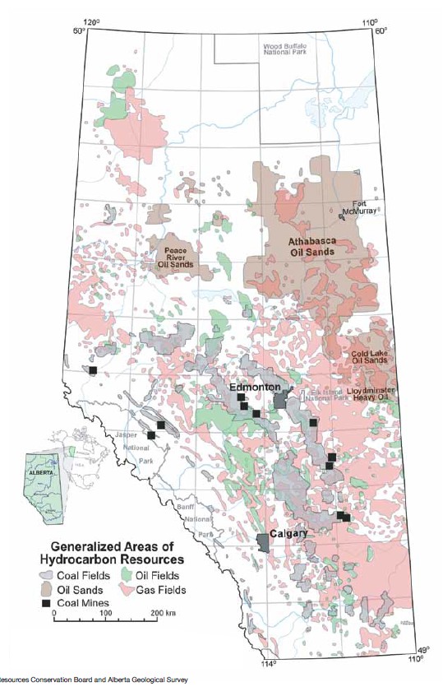
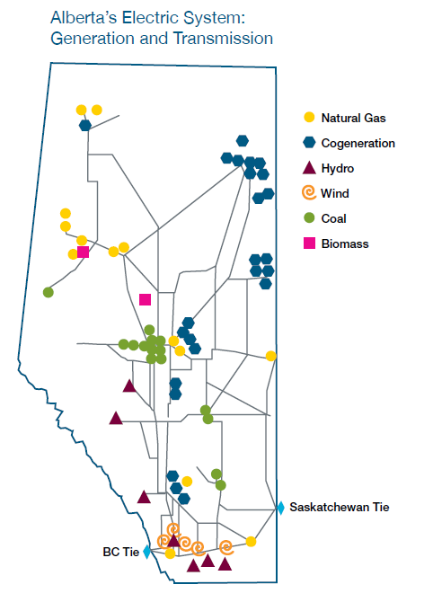
Generation in 2012 | Gigawatt hour (GWh)** | Direct CO2 EmissionRate (kg/kWh) | Direct CO2 Emissions Total (kg CO2) | Maps From | http://www.energy.alberta.ca/Org/pdfs/Alberta_Energy_Overview.pdf
Coal | 38,272 | 1.020128408 | 39042354431
Natural Gas | 27,238 | 0.51482692 | 14022855647
Hydro | 2,319 | 0 | 0
Wind | 2,640 | 0 | 0
Biomass | 2,089 | 0 | 0
Others* | 359 | 0 | 0
Total | 72,918 |  | 53065210078
Source | http://www.energy.alberta.ca/Electricity/682.asp | See Carbon sheet

 | Therefore Province Wide Average CO2/kWh
 | 0.72773814529

