Solar
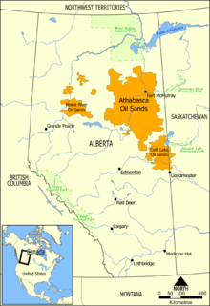
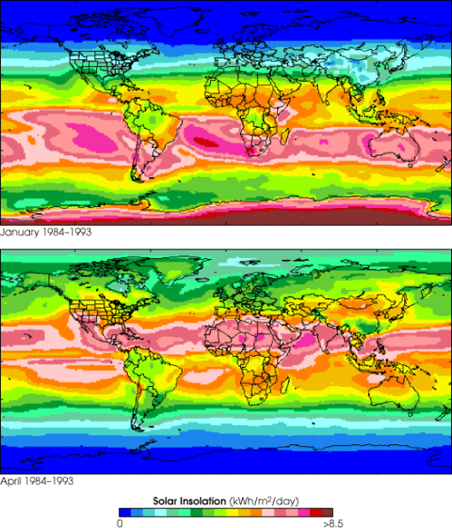
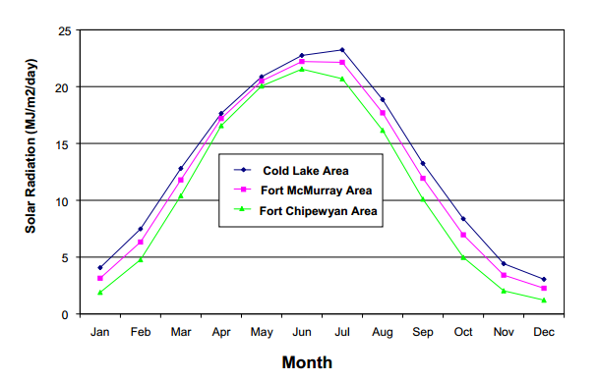
source http://en.wikipedia.org/wiki/Oil_sands

DT Adjusted Dev Plan (Wind)
Offsetting Oil Sands CO2 Production
Cumulative Ratio Carbon Saved vs Carbon Burned
Life expectancy of a Wind Turbine (yrs) | 20 | https://www.irena.org/DocumentDownloads/Publications/RE_Technologies_Cost_Analysis-WIND_POWER.pdf
millions barrels oil per year recovered from tar sands | 693.5
$ per barrell of oil to be invested on wind farm on site | $45.00 | X% | If price per barrel is 100, X% = 20/100 = 20%
Annual amount to be spent | $31,207,500,000
$/kWhr for reinvestment in purchasing more wind turbines | $-
Wind energy: if all the money were spent on wind energy:
Assumed cost of wind ($/W) in this location (include transmission) | 4
Nameplate (peak power) size of wind turbine (MW) | 5
cost per wind turbine installed | $20,000,000
number of wind turbines per year to be installed | 1560.375
Number of automobiles manufactured equivalent to 1 wind turbine | 1000
year | total number of installed wind turbines | cumulative ratio carbon saved/carbon burned | number of wind turbines purchased | Millions of autos equivelant | % of total wind turbines to be built | cumulative carbon saved (MT) | Cumulative Carbon from oil sands (vs. conventional) (MT) | Cumulative Carbon from oil end use (MT) | cumulative carbon burned (MT) | value of wind produced in previous year reinvested $ | $ to be spent on wind turbine acquisition next year | Decomissioned Turbines | Marginal carbon offset ratio
1 | 1560.375 | 0% | 1560.375 | 1.56 | 2.2% | 0 | 50 | 298.205 | 348 |  | $31,207,500,000 | 0 | 0%
2 | 3120.375 | 3% | 1560 | 1.56 | 4.5% | 20 | 99 | 596 | 696 | $- | $31,207,500,000 | 0 | 20%
3 | 4680.375 | 6% | 1560 | 1.56 | 6.7% | 60 | 149 | 895 | 1044 | $- | $31,207,500,000 | 0 | 40%
4 | 6240.375 | 9% | 1560 | 1.56 | 8.9% | 119 | 199 | 1193 | 1392 | $- | $31,207,500,000 | 0 | 60%
5 | 7800.375 | 11% | 1560 | 1.56 | 11.1% | 199 | 249 | 1491 | 1740 | $- | $31,207,500,000 | 0 | 80%
6 | 9360.375 | 14% | 1560 | 1.56 | 13.4% | 298 | 298 | 1789 | 2088 | $- | $31,207,500,000 | 0 | 100%
7 | 10920.375 | 17% | 1560 | 1.56 | 15.6% | 418 | 348 | 2087 | 2435 | $- | $31,207,500,000 | 0 | 120%
8 | 12480.375 | 20% | 1560 | 1.56 | 17.8% | 557 | 398 | 2386 | 2783 | $- | $31,207,500,000 | 0 | 140%
9 | 14040.375 | 23% | 1560 | 1.56 | 20.0% | 716 | 447 | 2684 | 3131 | $- | $31,207,500,000 | 0 | 160%
10 | 15600.375 | 26% | 1560 | 1.56 | 22.3% | 895 | 497 | 2982 | 3479 | $- | $31,207,500,000 | 0 | 180%
11 | 17160.375 | 29% | 1560 | 1.56 | 24.5% | 1094 | 547 | 3280 | 3827 | $- | $31,207,500,000 | 0 | 200%
12 | 18720.375 | 31% | 1560 | 1.56 | 26.7% | 1313 | 597 | 3578 | 4175 | $- | $31,207,500,000 | 0 | 220%
13 | 20280.375 | 34% | 1560 | 1.56 | 28.9% | 1551 | 646 | 3877 | 4523 | $- | $31,207,500,000 | 0 | 240%
14 | 21840.375 | 37% | 1560 | 1.56 | 31.2% | 1810 | 696 | 4175 | 4871 | $- | $31,207,500,000 | 0 | 260%
15 | 23400.375 | 40% | 1560 | 1.56 | 33.4% | 2089 | 746 | 4473 | 5219 | $- | $31,207,500,000 | 0 | 280%
16 | 24960.375 | 43% | 1560 | 1.56 | 35.6% | 2387 | 795 | 4771 | 5567 | $- | $31,207,500,000 | 0 | 300%
17 | 26520.375 | 46% | 1560 | 1.56 | 37.8% | 2705 | 845 | 5069 | 5915 | $- | $31,207,500,000 | 0 | 320%
18 | 28080.375 | 49% | 1560 | 1.56 | 40.1% | 3043 | 895 | 5368 | 6263 | $- | $31,207,500,000 | 0 | 340%
19 | 29640.375 | 51% | 1560 | 1.56 | 42.3% | 3401 | 945 | 5666 | 6611 | $- | $31,207,500,000 | 0 | 360%
20 | 31200.375 | 54% | 1560 | 1.56 | 44.5% | 3779 | 994 | 5964 | 6958 | $- | $31,207,500,000 | 0 | 380%
21 | 31200 | 57% | 1560 | 1.56 | 44.5% | 4177 | 1044 | 6262 | 7306 | $- | $31,207,500,000 | 1560.375 | 400%
22 | 31200 | 60% | 1560 | 1.56 | 44.5% | 4575 | 1094 | 6561 | 7654 | $- | $31,207,500,000 | 1560 | 418%
23 | 31200 | 62% | 1560 | 1.56 | 44.5% | 4973 | 1143 | 6859 | 8002 | $- | $31,207,500,000 | 1560 | 435%
24 | 31200 | 64% | 1560 | 1.56 | 44.5% | 5370 | 1193 | 7157 | 8350 | $- | $31,207,500,000 | 1560 | 450%
25 | 31200 | 66% | 1560 | 1.56 | 44.5% | 5768 | 1243 | 7455 | 8698 | $- | $31,207,500,000 | 1560 | 464%
26 | 31200 | 68% | 1560 | 1.56 | 44.5% | 6166 | 1293 | 7753 | 9046 | $- | $31,207,500,000 | 1560 | 477%
27 | 31200 | 70% | 1560 | 1.56 | 44.5% | 6564 | 1342 | 8052 | 9394 | $- | $31,207,500,000 | 1560 | 489%
28 | 31200 | 71% | 1560 | 1.56 | 44.5% | 6962 | 1392 | 8350 | 9742 | $- | $31,207,500,000 | 1560 | 500%
29 | 31200 | 73% | 1560 | 1.56 | 44.5% | 7359 | 1442 | 8648 | 10090 | $- | $31,207,500,000 | 1560 | 510%
30 | 31200 | 74% | 1560 | 1.56 | 44.5% | 7757 | 1492 | 8946 | 10438 | $- | $31,207,500,000 | 1560 | 520%
31 | 31200 | 76% | 1560 | 1.56 | 44.5% | 8155 | 1541 | 9244 | 10786 | $- | $31,207,500,000 | 1560 | 529%
32 | 31200 | 77% | 1560 | 1.56 | 44.5% | 8553 | 1591 | 9543 | 11133 | $- | $31,207,500,000 | 1560 | 538%
33 | 31200 | 78% | 1560 | 1.56 | 44.5% | 8951 | 1641 | 9841 | 11481 | $- | $31,207,500,000 | 1560 | 546%
34 | 31200 | 79% | 1560 | 1.56 | 44.5% | 9348 | 1690 | 10139 | 11829 | $- | $31,207,500,000 | 1560 | 553%
35 | 31200 | 80% | 1560 | 1.56 | 44.5% | 9746 | 1740 | 10437 | 12177 | $- | $31,207,500,000 | 1560 | 560%
36 | 31200 | 81% | 1560 | 1.56 | 44.5% | 10144 | 1790 | 10735 | 12525 | $- | $31,207,500,000 | 1560 | 567%
37 | 31200 | 82% | 1560 | 1.56 | 44.5% | 10542 | 1840 | 11034 | 12873 | $- | $31,207,500,000 | 1560 | 573%
38 | 31200 | 83% | 1560 | 1.56 | 44.5% | 10940 | 1889 | 11332 | 13221 | $- | $31,207,500,000 | 1560 | 579%
39 | 31200 | 84% | 1560 | 1.56 | 44.5% | 11337 | 1939 | 11630 | 13569 | $- | $31,207,500,000 | 1560 | 585%
40 | 31200 | 84% | 1560 | 1.56 | 44.5% | 11735 | 1989 | 11928 | 13917 | $- | $31,207,500,000 | 1560 | 590%
41 | 31200 | 85% | 1560 | 1.56 | 44.5% | 12133 | 2038 | 12226 | 14265 | $- | $31,207,500,000 | 1560 | 595%
42 | 31200 | 86% | 1560 | 1.56 | 44.5% | 12531 | 2088 | 12525 | 14613 | $- | $31,207,500,000 | 1560 | 600%
43 | 31200 | 86% | 1560 | 1.56 | 44.5% | 12929 | 2138 | 12823 | 14961 | $- | $31,207,500,000 | 1560 | 605%
44 | 31200 | 87% | 1560 | 1.56 | 44.5% | 13326 | 2188 | 13121 | 15309 | $- | $31,207,500,000 | 1560 | 609%
45 | 31200 | 88% | 1560 | 1.56 | 44.5% | 13724 | 2237 | 13419 | 15656 | $- | $31,207,500,000 | 1560 | 613%
46 | 31200 | 88% | 1560 | 1.56 | 44.5% | 14122 | 2287 | 13717 | 16004 | $- | $31,207,500,000 | 1560 | 617%
47 | 31200 | 89% | 1560 | 1.56 | 44.5% | 14520 | 2337 | 14016 | 16352 | $- | $31,207,500,000 | 1560 | 621%
48 | 31200 | 89% | 1560 | 1.56 | 44.5% | 14918 | 2386 | 14314 | 16700 | $- | $31,207,500,000 | 1560 | 625%
49 | 31200 | 90% | 1560 | 1.56 | 44.5% | 15315 | 2436 | 14612 | 17048 | $- | $31,207,500,000 | 1560 | 629%
50 | 31200 | 90% | 1560 | 1.56 | 44.5% | 15713 | 2486 | 14910 | 17396 | $- | $31,207,500,000 | 1560 | 632%
51 | 31200 | 91% | 1560 | 1.56 | 44.5% | 16111 | 2536 | 15208 | 17744 | $- | $31,207,500,000 | 1560 | 635%
52 | 31200 | 91% | 1560 | 1.56 | 44.5% | 16509 | 2585 | 15507 | 18092 | $- | $31,207,500,000 | 1560 | 639%
53 | 31200 | 92% | 1560 | 1.56 | 44.5% | 16907 | 2635 | 15805 | 18440 | $- | $31,207,500,000 | 1560 | 642%
54 | 31200 | 92% | 1560 | 1.56 | 44.5% | 17304 | 2685 | 16103 | 18788 | $- | $31,207,500,000 | 1560 | 645%
55 | 31200 | 93% | 1560 | 1.56 | 44.5% | 17702 | 2734 | 16401 | 19136 | $- | $31,207,500,000 | 1560 | 647%
56 | 31200 | 93% | 1560 | 1.56 | 44.5% | 18100 | 2784 | 16699 | 19484 | $- | $31,207,500,000 | 1560 | 650%
57 | 31200 | 93% | 1560 | 1.56 | 44.5% | 18498 | 2834 | 16998 | 19832 | $- | $31,207,500,000 | 1560 | 653%
58 | 31200 | 94% | 1560 | 1.56 | 44.5% | 18896 | 2884 | 17296 | 20179 | $- | $31,207,500,000 | 1560 | 655%
59 | 31200 | 94% | 1560 | 1.56 | 44.5% | 19293 | 2933 | 17594 | 20527 | $- | $31,207,500,000 | 1560 | 658%
60 | 31200 | 94% | 1560 | 1.56 | 44.5% | 19691 | 2983 | 17892 | 20875 | $- | $31,207,500,000 | 1560 | 660%

Wind Graphs
Cumulative Ratio Carbon Saved vs Carbon Burned
year | 10% Investment | 15% Investment | 20% Investment | 25% Investment | 30% investment
1 | 0% | 0% | 0% | 0% | 0%
2 | 1% | 1% | 1% | 2% | 2%
3 | 1% | 2% | 3% | 3% | 4%
4 | 2% | 3% | 4% | 5% | 6%
5 | 3% | 4% | 5% | 7% | 8%
6 | 3% | 5% | 7% | 8% | 10%
7 | 4% | 6% | 8% | 10% | 12%
8 | 5% | 7% | 10% | 12% | 15%
9 | 6% | 8% | 11% | 14% | 17%
10 | 6% | 10% | 13% | 16% | 19%
11 | 7% | 11% | 15% | 18% | 22%
12 | 8% | 12% | 16% | 20% | 24%
13 | 9% | 14% | 18% | 23% | 27%
14 | 10% | 15% | 20% | 25% | 30%
15 | 11% | 16% | 22% | 27% | 33%
16 | 12% | 18% | 24% | 30% | 36%
17 | 13% | 19% | 26% | 32% | 39%
18 | 14% | 21% | 28% | 35% | 42%
19 | 15% | 22% | 30% | 37% | 45%
20 | 16% | 24% | 32% | 40% | 48%
21 | 17% | 26% | 34% | 43% | 52%
22 | 18% | 28% | 37% | 46% | 55%
23 | 20% | 29% | 39% | 49% | 59% | Investment (%) | Offset (Years)
24 | 21% | 31% | 42% | 52% | 62% | 0.00 | 0
Amount of Time To Offset CO2 Based on Percentage of Investment
25 | 22% | 33% | 44% | 55% | 66% | 5.00 | 76
26 | 23% | 35% | 47% | 59% | 70% | 10.00 | 58
27 | 25% | 37% | 50% | 62% | 74% | 15.00 | 48
28 | 26% | 39% | 52% | 65% | 79% | 20.00 | 41
29 | 28% | 41% | 55% | 69% | 83% | 25.00 | 36.5
30 | 29% | 44% | 58% | 73% | 88% | 30.00 | 33
31 | 31% | 46% | 61% | 77% | 92% | 35.00 | 30
32 | 32% | 48% | 65% | 81% | 97% | 40.00 | 27.1
33 | 34% | 51% | 68% | 85% | 102% | 45.00 | 25.1
34 | 36% | 54% | 71% | 89% | 107% | 50.00 | 23.4
35 | 37% | 56% | 75% | 94% | 112% | 55.00 | 22
36 | 39% | 59% | 79% | 98% | 118% | 60.00 | 20.6
37 | 41% | 62% | 82% | 103% | 124% | 65.00 | 19.5
38 | 43% | 65% | 86% | 108% | 130% | 70.00 | 18.40
39 | 45% | 68% | 90% | 113% | 136% | 75.00 | 17.5
40 | 47% | 71% | 95% | 118% | 142% | 80.00 | 16.6
41 | 49% | 74% | 99% | 124% | 148% | 85.00 | 15.90
42 | 52% | 78% | 103% | 129% | 155% | 90.00 | 15.2
43 | 54% | 81% | 108% | 135% | 162% | 95.00 | 14.6
44 | 56% | 85% | 113% | 141% | 169% | 100.00 | 14.00
45 | 59% | 88% | 118% | 147% | 177%
Total CO2 Recovery
46 | 61% | 92% | 123% | 154% | 184%
47 | 64% | 96% | 128% | 160% | 192%
48 | 67% | 100% | 134% | 167% | 200%
49 | 70% | 104% | 139% | 174% | 209%
50 | 72% | 109% | 145% | 181% | 218%
51 | 75% | 113% | 151% | 189% | 227% | Investment (%) | Offset (Years)
52 | 79% | 118% | 157% | 197% | 236% | 20.00 | 41
53 | 82% | 123% | 164% | 205% | 246% | 30.00 | 33
54 | 85% | 128% | 171% | 213% | 256% | 40.00 | 27.1
55 | 89% | 133% | 177% | 222% | 266%
56 | 92% | 138% | 185% | 231% | 277%
57 | 96% | 144% | 192% | 240% | 288%
58 | 100% | 150% | 200% | 250% | 300%
59 | 104% | 156% | 208% | 260% | 312%
60 | 108% | 162% | 216% | 270% | 324%

development plan (Solar)
Cumulative Ratio Carbon Saved vs Carbon Burned
Life expectancy of a solar cell (yrs) | 25 | http://www.seia.org/policy/environment/pv-recycling
millions barrels oil per year recovered from tar sands | 693.5
$ per barrell of oil to be invested on wind farm on site | $20.00 | X% | If price per barrel is 100, X% = 20/100 = 20%
Annual amount to be spent (Billions) | $13,870,000,000
$/kWhr for reinvestment in purchasing more solar cells | $0.05
Wind energy: if all the money were spent on solar energy:
Assumed cost of solar ($/W) in this location (includes installation) | 4
Nameplate (peak power) of solar cell (MW) | 0.00141
cost per solar cell installed | $5,640
number of solar cells per year to be installed | 2459219.8582
Number of automobiles manufactured equivalent to 1 solar cell | 1
year | total number of installed solar cells | cumulative ratio carbon saved/carbon burned | number of solar cells purchased | Millions of autos equivelant | % of total solar cells to be built | cumulative carbon saved | cumulative carbon burned (MT) | value of solar produced in previous year reinvested (million $) | Billions to be spent on solar cells acquisition next year | Decomissioned Cells
1 | 2459219.8582 | 0% | 2459219.8582 | 2.46 | 0.6% | 0 | 348 |  | $13,870,000,000 | 0
2 | 4959938.8582 | 1% | 2500719 | 2.50 | 1.1% | 5 | 696 | $234,056,250 | $14,104,056,250 | 0
3 | 7502856.8582 | 2% | 2542918 | 2.54 | 1.7% | 16 | 1044 | $472,062,181 | $14,342,062,181 | 0
4 | 10088686.858 | 2% | 2585830 | 2.59 | 2.3% | 32 | 1392 | $714,084,401 | $14,584,084,401 | 0
5 | 12718152.858 | 3% | 2629466 | 2.63 | 2.9% | 54 | 1740 | $960,190,772 | $14,830,190,772 | 0
6 | 15391990.858 | 4% | 2673838 | 2.67 | 3.5% | 81 | 2088 | $1,210,450,198 | $15,080,450,198 | 0
7 | 18110949.858 | 5% | 2718959 | 2.72 | 4.1% | 115 | 2435 | $1,464,932,730 | $15,334,932,730 | 0
8 | 20875791.858 | 6% | 2764842 | 2.76 | 4.7% | 154 | 2783 | $1,723,709,653 | $15,593,709,653 | 0
9 | 23687289.858 | 6% | 2811498 | 2.81 | 5.3% | 199 | 3131 | $1,986,853,490 | $15,856,853,490 | 0
10 | 26546231.858 | 7% | 2858942 | 2.86 | 6.0% | 250 | 3479 | $2,254,437,812 | $16,124,437,812 | 0
11 | 29453418.858 | 8% | 2907187 | 2.91 | 6.6% | 307 | 3827 | $2,526,537,617 | $16,396,537,617 | 0
12 | 32409664.858 | 9% | 2956246 | 2.96 | 7.3% | 371 | 4175 | $2,803,229,140 | $16,673,229,140 | 0
13 | 35415796.858 | 10% | 3006132 | 3.01 | 8.0% | 441 | 4523 | $3,084,589,853 | $16,954,589,853 | 0
14 | 38472657.858 | 11% | 3056861 | 3.06 | 8.7% | 517 | 4871 | $3,370,698,466 | $17,240,698,466 | 0
15 | 41581102.858 | 12% | 3108445 | 3.11 | 9.4% | 601 | 5219 | $3,661,635,212 | $17,531,635,212 | 0
16 | 44742002.858 | 12% | 3160900 | 3.16 | 10.1% | 690 | 5567 | $3,957,481,465 | $17,827,481,465 | 0
17 | 47956243.858 | 13% | 3214241 | 3.21 | 10.8% | 787 | 5915 | $4,258,320,122 | $18,128,320,122 | 0
18 | 51224724.858 | 14% | 3268481 | 3.27 | 11.5% | 891 | 6263 | $4,564,235,509 | $18,434,235,509 | 0
19 | 54548361.858 | 15% | 3323637 | 3.32 | 12.3% | 1001 | 6611 | $4,875,313,188 | $18,745,313,188 | 0
20 | 57928084.858 | 16% | 3379723 | 3.38 | 13.0% | 1119 | 6958 | $5,191,640,340 | $19,061,640,340 | 0
21 | 61364840.858 | 17% | 3436756 | 3.44 | 13.8% | 1244 | 7306 | $5,513,305,476 | $19,383,305,476 | 0
22 | 64859591.858 | 18% | 3494751 | 3.49 | 14.6% | 1377 | 7654 | $5,840,398,729 | $19,710,398,729 | 0
23 | 68413316.858 | 19% | 3553725 | 3.55 | 15.4% | 1517 | 8002 | $6,173,011,655 | $20,043,011,655 | 0
24 | 72027010.858 | 20% | 3613694 | 3.61 | 16.2% | 1664 | 8350 | $6,511,237,432 | $20,381,237,432 | 0
25 | 75701685.858 | 21% | 3674675 | 3.67 | 17.0% | 1820 | 8698 | $6,855,170,758 | $20,725,170,758 | 0
26 | 76979151 | 22% | 3736685 | 3.74 | 17.3% | 1983 | 9046 | $7,204,907,952 | $21,074,907,952 | 2459219.8582
27 | 78236675 | 23% | 3758243 | 3.76 | 17.6% | 2150 | 9394 | $7,326,490,696 | $21,196,490,696 | 2500719
28 | 79473220 | 24% | 3779463 | 3.78 | 17.9% | 2319 | 9742 | $7,446,175,543 | $21,316,175,543 | 2542918
29 | 80687720 | 25% | 3800330 | 3.80 | 18.1% | 2490 | 10090 | $7,563,863,713 | $21,433,863,714 | 2585830
30 | 81879079 | 26% | 3820825 | 3.82 | 18.4% | 2664 | 10438 | $7,679,453,751 | $21,549,453,751 | 2629466
31 | 83046170 | 26% | 3840929 | 3.84 | 18.7% | 2841 | 10786 | $7,792,841,344 | $21,662,841,344 | 2673838
32 | 84187834 | 27% | 3860623 | 3.86 | 18.9% | 3021 | 11133 | $7,903,919,230 | $21,773,919,230 | 2718959
33 | 85302881 | 28% | 3879889 | 3.88 | 19.2% | 3202 | 11481 | $8,012,577,101 | $21,882,577,101 | 2764842
34 | 86390088 | 29% | 3898705 | 3.90 | 19.4% | 3387 | 11829 | $8,118,701,699 | $21,988,701,699 | 2811498
35 | 87448198 | 29% | 3917052 | 3.92 | 19.7% | 3573 | 12177 | $8,222,176,625 | $22,092,176,625 | 2858942
36 | 88475919 | 30% | 3934908 | 3.93 | 19.9% | 3762 | 12525 | $8,322,882,245 | $22,192,882,245 | 2907187
37 | 89471923 | 31% | 3952250 | 3.95 | 20.1% | 3953 | 12873 | $8,420,695,591 | $22,290,695,591 | 2956246
38 | 90434849 | 31% | 3969058 | 3.97 | 20.3% | 4146 | 13221 | $8,515,490,272 | $22,385,490,272 | 3006132
39 | 91363295 | 32% | 3985307 | 3.99 | 20.5% | 4342 | 13569 | $8,607,136,754 | $22,477,136,754 | 3056861
40 | 92255825 | 33% | 4000975 | 4.00 | 20.7% | 4539 | 13917 | $8,695,501,602 | $22,565,501,602 | 3108445
41 | 93110961 | 33% | 4016036 | 4.02 | 20.9% | 4738 | 14265 | $8,780,448,144 | $22,650,448,144 | 3160900
42 | 93927187 | 34% | 4030467 | 4.03 | 21.1% | 4939 | 14613 | $8,861,835,713 | $22,731,835,713 | 3214241
43 | 94702947 | 34% | 4044241 | 4.04 | 21.3% | 5142 | 14961 | $8,939,520,023 | $22,809,520,023 | 3268481
44 | 95436642 | 35% | 4057332 | 4.06 | 21.5% | 5346 | 15309 | $9,013,352,981 | $22,883,352,981 | 3323637
45 | 96126632 | 35% | 4069713 | 4.07 | 21.6% | 5553 | 15656 | $9,083,182,402 | $22,953,182,402 | 3379723
46 | 96771232 | 36% | 4081356 | 4.08 | 21.8% | 5760 | 16004 | $9,148,852,201 | $23,018,852,201 | 3436756
47 | 97368715 | 37% | 4092234 | 4.09 | 21.9% | 5969 | 16352 | $9,210,202,006 | $23,080,202,006 | 3494751
48 | 97917306 | 37% | 4102316 | 4.10 | 22.0% | 6179 | 16700 | $9,267,067,450 | $23,137,067,450 | 3553725
49 | 98415186 | 37% | 4111574 | 4.11 | 22.1% | 6391 | 17048 | $9,319,279,599 | $23,189,279,599 | 3613694
50 | 98860487 | 38% | 4119976 | 4.12 | 22.2% | 6603 | 17396 | $9,366,665,328 | $23,236,665,328 | 3674675
51 | 99251292 | 38% | 4127490 | 4.13 | 22.3% | 6817 | 17744 | $9,409,046,850 | $23,279,046,850 | 3736685
52 | 99627134 | 39% | 4134085 | 4.13 | 22.4% | 7031 | 18092 | $9,446,241,716 | $23,316,241,716 | 3758243
53 | 99988098 | 39% | 4140427 | 4.14 | 22.5% | 7246 | 18440 | $9,482,012,478 | $23,352,012,478 | 3779463
54 | 100334287 | 40% | 4146519 | 4.15 | 22.6% | 7462 | 18788 | $9,516,367,227 | $23,386,367,227 | 3800330
55 | 100665822 | 40% | 4152360 | 4.15 | 22.6% | 7679 | 19136 | $9,549,315,765 | $23,419,315,765 | 3820825
56 | 100982848 | 41% | 4157955 | 4.16 | 22.7% | 7896 | 19484 | $9,580,869,609 | $23,450,869,609 | 3840929
57 | 101285530 | 41% | 4163305 | 4.16 | 22.8% | 8114 | 19832 | $9,611,042,558 | $23,481,042,558 | 3860623
58 | 101574054 | 41% | 4168413 | 4.17 | 22.8% | 8333 | 20179 | $9,639,850,318 | $23,509,850,318 | 3879889
59 | 101848631 | 42% | 4173282 | 4.17 | 22.9% | 8552 | 20527 | $9,667,310,589 | $23,537,310,589 | 3898705
60 | 102109494 | 42% | 4177915 | 4.18 | 23.0% | 8772 | 20875 | $9,693,443,455 | $23,563,443,455 | 3917052
61 | 102356903 | 42% | 4182317 | 4.18 | 23.0% | 8993 | 21223 | $9,718,271,091 | $23,588,271,091 | 3934908
62 | 102591145 | 43% | 4186492 | 4.19 | 23.1% | 9214 | 21571 | $9,741,818,243 | $23,611,818,243 | 3952250
63 | 102812532 | 43% | 4190445 | 4.19 | 23.1% | 9435 | 21919 | $9,764,112,225 | $23,634,112,225 | 3969058
64 | 103021406 | 43% | 4194181 | 4.19 | 23.2% | 9657 | 22267 | $9,785,182,733 | $23,655,182,733 | 3985307
65 | 103218137 | 44% | 4197706 | 4.20 | 23.2% | 9880 | 22615 | $9,805,062,316 | $23,675,062,316 | 4000975
66 | 103403126 | 44% | 4201025 | 4.20 | 23.3% | 10103 | 22963 | $9,823,786,189 | $23,693,786,189 | 4016036
67 | 103576806 | 44% | 4204147 | 4.20 | 23.3% | 10326 | 23311 | $9,841,392,517 | $23,711,392,517 | 4030467
68 | 103739643 | 45% | 4207078 | 4.21 | 23.3% | 10550 | 23659 | $9,857,922,511 | $23,727,922,511 | 4044241
69 | 103892137 | 45% | 4209826 | 4.21 | 23.4% | 10774 | 24007 | $9,873,420,523 | $23,743,420,523 | 4057332
70 | 104034823 | 45% | 4212399 | 4.21 | 23.4% | 10998 | 24355 | $9,887,934,139 | $23,757,934,139 | 4069713
71 | 104168274 | 45% | 4214807 | 4.21 | 23.4% | 11223 | 24702 | $9,901,514,279 | $23,771,514,279 | 4081356
72 | 104293099 | 46% | 4217059 | 4.22 | 23.5% | 11448 | 25050 | $9,914,215,478 | $23,784,215,478 | 4092234
73 | 104409948 | 46% | 4219165 | 4.22 | 23.5% | 11673 | 25398 | $9,926,095,697 | $23,796,095,697 | 4102316
74 | 104519511 | 46% | 4221137 | 4.22 | 23.5% | 11898 | 25746 | $9,937,216,801 | $23,807,216,801 | 4111574
75 | 104622521 | 46% | 4222986 | 4.22 | 23.5% | 12124 | 26094 | $9,947,644,459 | $23,817,644,459 | 4119976
76 | 104719755 | 47% | 4224724 | 4.22 | 23.6% | 12350 | 26442 | $9,957,448,436 | $23,827,448,436 | 4127490
77 | 104812035 | 47% | 4226365 | 4.23 | 23.6% | 12576 | 26790 | $9,966,702,682 | $23,836,702,682 | 4134085
78 | 104899530 | 47% | 4227922 | 4.23 | 23.6% | 12803 | 27138 | $9,975,485,431 | $23,845,485,431 | 4140427
79 | 104982410 | 47% | 4229399 | 4.23 | 23.6% | 13029 | 27486 | $9,983,812,768 | $23,853,812,768 | 4146519
80 | 105060848 | 48% | 4230798 | 4.23 | 23.6% | 13256 | 27834 | $9,991,700,872 | $23,861,700,872 | 4152360
81 | 105135014 | 48% | 4232121 | 4.23 | 23.6% | 13483 | 28182 | $9,999,166,208 | $23,869,166,208 | 4157955
82 | 105205082 | 48% | 4233373 | 4.23 | 23.7% | 13710 | 28530 | $10,006,224,957 | $23,876,224,957 | 4163305
83 | 105271224 | 48% | 4234555 | 4.23 | 23.7% | 13937 | 28877 | $10,012,893,679 | $23,882,893,679 | 4168413
84 | 105333613 | 48% | 4235671 | 4.24 | 23.7% | 14164 | 29225 | $10,019,188,744 | $23,889,188,744 | 4173282
85 | 105392422 | 49% | 4236724 | 4.24 | 23.7% | 14392 | 29573 | $10,025,126,617 | $23,895,126,617 | 4177915
86 | 105447821 | 49% | 4237716 | 4.24 | 23.7% | 14619 | 29921 | $10,030,723,764 | $23,900,723,764 | 4182317
87 | 105499980 | 49% | 4238651 | 4.24 | 23.7% | 14847 | 30269 | $10,035,996,364 | $23,905,996,364 | 4186492
88 | 105549067 | 49% | 4239532 | 4.24 | 23.7% | 15075 | 30617 | $10,040,960,596 | $23,910,960,597 | 4190445
89 | 105595246 | 49% | 4240360 | 4.24 | 23.8% | 15303 | 30965 | $10,045,632,452 | $23,915,632,452 | 4194181
90 | 105638679 | 50% | 4241139 | 4.24 | 23.8% | 15531 | 31313 | $10,050,027,538 | $23,920,027,538 | 4197706
91 | 105679526 | 50% | 4241872 | 4.24 | 23.8% | 15759 | 31661 | $10,054,161,274 | $23,924,161,274 | 4201025
92 | 105717940 | 50% | 4242561 | 4.24 | 23.8% | 15987 | 32009 | $10,058,048,887 | $23,928,048,887 | 4204147
93 | 105754072 | 50% | 4243210 | 4.24 | 23.8% | 16215 | 32357 | $10,061,704,940 | $23,931,704,940 | 4207078
94 | 105788065 | 50% | 4243819 | 4.24 | 23.8% | 16444 | 32705 | $10,065,143,803 | $23,935,143,803 | 4209826
95 | 105820059 | 50% | 4244393 | 4.24 | 23.8% | 16672 | 33053 | $10,068,379,086 | $23,938,379,086 | 4212399
96 | 105850185 | 51% | 4244933 | 4.24 | 23.8% | 16901 | 33400 | $10,071,424,115 | $23,941,424,115 | 4214807
97 | 105878567 | 51% | 4245441 | 4.25 | 23.8% | 17129 | 33748 | $10,074,291,357 | $23,944,291,357 | 4217059
98 | 105905322 | 51% | 4245920 | 4.25 | 23.8% | 17358 | 34096 | $10,076,992,614 | $23,946,992,614 | 4219165
99 | 105930557 | 51% | 4246372 | 4.25 | 23.8% | 17587 | 34444 | $10,079,539,021 | $23,949,539,021 | 4221137
100 | 105954369 | 51% | 4246798 | 4.25 | 23.8% | 17815 | 34792 | $10,081,940,762 | $23,951,940,762 | 4222986

Solar Graphs
Cumulative Ratio Carbon Saved vs Carbon Burned
year | 10% Investment | 15% Investment | 20% Investment | 25% Investment | 30% Investment
1 | 0% | 0% | 0% | 0% | 0%
2 | 0% | 1% | 1% | 1% | 1%
3 | 1% | 1% | 2% | 2% | 2%
4 | 1% | 2% | 2% | 3% | 3%
5 | 2% | 2% | 3% | 4% | 5%
6 | 2% | 3% | 4% | 5% | 6%
7 | 2% | 4% | 5% | 6% | 7%
8 | 3% | 4% | 6% | 7% | 8%
9 | 3% | 5% | 6% | 8% | 10%
10 | 4% | 5% | 7% | 9% | 11%
11 | 4% | 6% | 8% | 10% | 12%
12 | 4% | 7% | 9% | 11% | 13%
13 | 5% | 7% | 10% | 12% | 15%
14 | 5% | 8% | 11% | 13% | 16%
15 | 6% | 9% | 12% | 14% | 17%
16 | 6% | 9% | 12% | 16% | 19%
17 | 7% | 10% | 13% | 17% | 20%
18 | 7% | 11% | 14% | 18% | 21%
19 | 8% | 11% | 15% | 19% | 23%
20 | 8% | 12% | 16% | 20% | 24%
21 | 9% | 13% | 17% | 21% | 26%
22 | 9% | 13% | 18% | 22% | 27%
23 | 9% | 14% | 19% | 24% | 28%
24 | 10% | 15% | 20% | 25% | 30%
25 | 10% | 16% | 21% | 26% | 31% | Investment (%) | Offset (Years)
26 | 11% | 16% | 22% | 27% | 33% | 0.00 | 0
27 | 11% | 17% | 23% | 29% | 34% | 5.00 | 166
Amount of Time To Offset CO2 Based on Percentage of Investment
28 | 12% | 18% | 24% | 30% | 36% | 10.00 | 121
29 | 13% | 19% | 25% | 31% | 38% | 15.00 | 96
30 | 13% | 20% | 26% | 33% | 39% | 20.00 | 81
31 | 14% | 20% | 27% | 34% | 41% | 25.00 | 70
32 | 14% | 21% | 28% | 35% | 42% | 30.00 | 62
33 | 15% | 22% | 29% | 37% | 44% | 35.00 | 55
34 | 15% | 23% | 30% | 38% | 46% | 40.00 | 50
35 | 16% | 24% | 31% | 39% | 47% | 45.00 | 46
36 | 16% | 24% | 33% | 41% | 49% | 50.00 | 42
37 | 17% | 25% | 34% | 42% | 51% | 55.00 | 39
38 | 17% | 26% | 35% | 44% | 52% | 60.00 | 37
39 | 18% | 27% | 36% | 45% | 54% | 65.00 | 34
40 | 19% | 28% | 37% | 47% | 56% | 70.00 | 32.00
41 | 19% | 29% | 38% | 48% | 58% | 75.00 | 30.5
42 | 20% | 30% | 40% | 50% | 59% | 80.00 | 29
43 | 20% | 31% | 41% | 51% | 61% | 85.00 | 27.50
44 | 21% | 32% | 42% | 53% | 63% | 90.00 | 26
45 | 22% | 33% | 43% | 54% | 65% | 95.00 | 25
46 | 22% | 33% | 45% | 56% | 67% | 100.00 | 24.00
47 | 23% | 34% | 46% | 57% | 69%
48 | 24% | 35% | 47% | 59% | 71%
Total CO2 Recovery
49 | 24% | 36% | 49% | 61% | 73%
50 | 25% | 37% | 50% | 62% | 75%
51 | 26% | 38% | 51% | 64% | 77%
52 | 26% | 39% | 53% | 66% | 79%
53 | 27% | 40% | 54% | 67% | 81%
54 | 28% | 41% | 55% | 69% | 83% | Investment (%) | Offset (Years)
55 | 28% | 43% | 57% | 71% | 85% | 20.00 | 81
56 | 29% | 44% | 58% | 73% | 87% | 30.00 | 62
57 | 30% | 45% | 60% | 75% | 89% | 40.00 | 50
58 | 31% | 46% | 61% | 76% | 92%
59 | 31% | 47% | 63% | 78% | 94%
60 | 32% | 48% | 64% | 80% | 96%

Alberta Electricity Profile
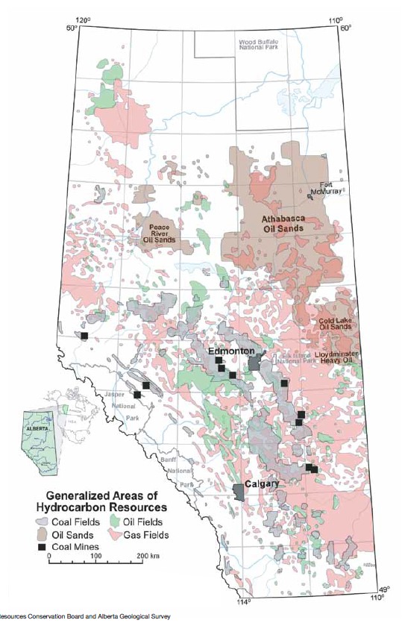
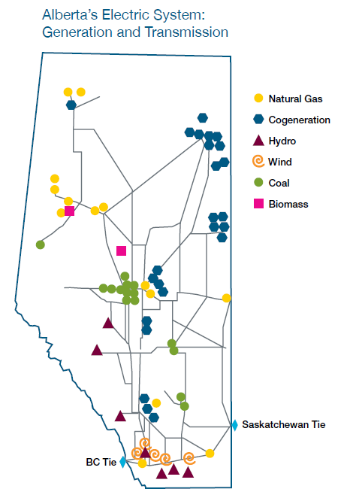
Generation in 2012 | Gigawatt hour (GWh)** | Direct CO2 EmissionRate (kg/kWh) | Direct CO2 Emissions Total (kg CO2) | Maps From | http://www.energy.alberta.ca/Org/pdfs/Alberta_Energy_Overview.pdf
Coal | 38,272 | 1.020128408 | 39042354431
Natural Gas | 27,238 | 0.51482692 | 14022855647
Hydro | 2,319 | 0 | 0
Wind | 2,640 | 0 | 0
Biomass | 2,089 | 0 | 0
Others* | 359 | 0 | 0
Total | 72,918 |  | 53065210078
Source | http://www.energy.alberta.ca/Electricity/682.asp | See Carbon sheet

 | Therefore Province Wide Average CO2/kWh
 | 0.72773814529

