Issue Tracker
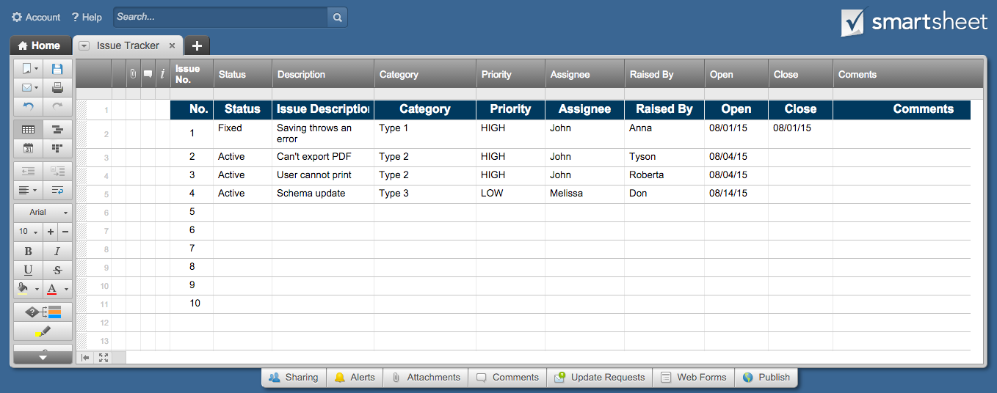
Issue Tracker Template

Project:
Start Date:

Issue No | Status | Issue Description | Category | Priority | Assignee | Raised By | Open | Close | Comments
1 | Fixed | Saving throws an error | Type 1 | HIGH | John | Anna | 2015-08-01 | 2015-08-01
2 | Active | Can't export PDF | Type 2 | HIGH | John | Tyson | 2015-08-04
3 | Active | User cannot print | Type 2 | HIGH | John | Roberta | 2015-08-04
4 | Active | Schema update | Type 3 | LOW | Melissa | Don | 2015-08-14
5
6
7
8
9
10

Click here to Create Your Issue Tracker in Smartsheet

