Steps
Pre- requisite
* Rest Assured library dependencys should be there pom.xml

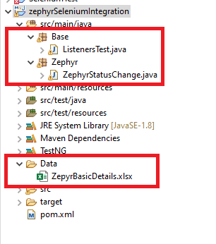
Step 1
* You need to create one Data folder In that you have to keep it in ZepyrBasicDetails excel sheet

Step 2
* you have to keep the ZephyrStatusChange.class under any of the packages

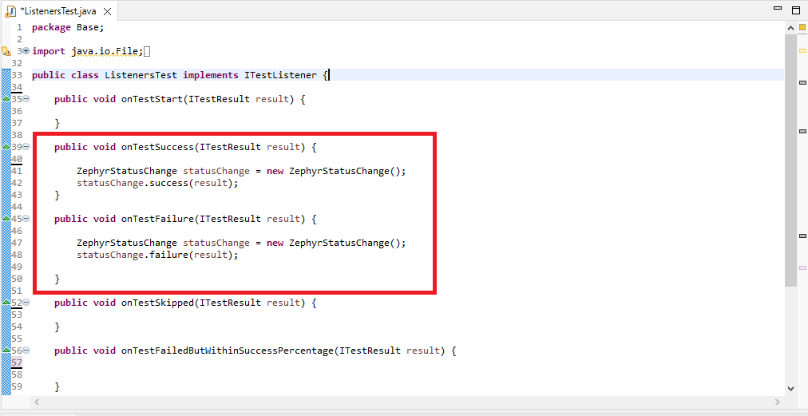
Step 3
* If you Want to use this Feature then the ITestListener should be there in your Framework

Step 4
* In Listeners class we have Two methods like onTestSuccess and onTestFailure In that we have to create one Object for ZephyrStatusChange class. * Under OnTestSuccess Call the success method and pass the arguments as result and Under onTestFailure call the Failure Method and Pass the arguments as result

