1 A&B, BSM_Put&Call
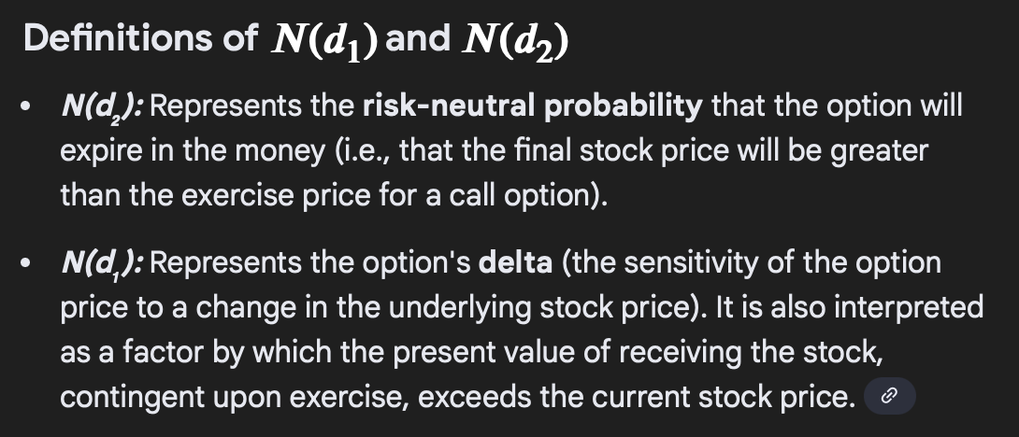
Value of American/Euro Option with Divs
13 | Stock Price
12 | X
0.1 | r
0.2 | Vol
0.05 | Dividends
0.5 | T
0.99025148252 | d1
0.84883012628 | d2
0.83897439274 | d1 zscore
0.80201208799 | d2 zscore
VALUE W/O DIVS
0.71399054036 | American Call Value
0.3658571999 | Euro Put Value
VALUE WITH DIVS
1.4826105724 | American Call Value
0.21833481008 | Euro Put Value

1C) Euro_$ Option Value BSM
Euro/$ Option Value
d1 | 0.29683569608
d2 | 0.15541433984
d1 Z-Score | 0.38329597575
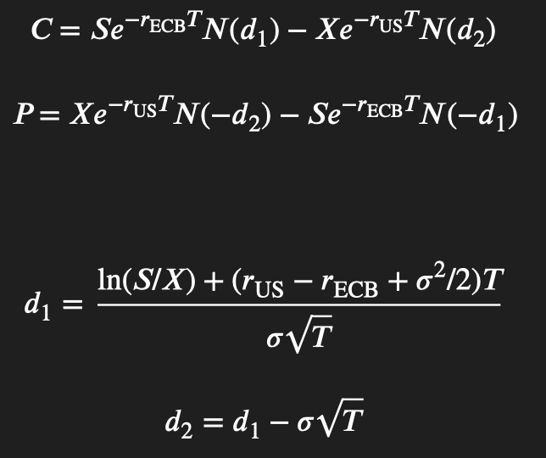
d2 z-score | 0.43824733998
S0, $/Euro | 0.92
X | 0.9
SD | 0.2
T | 0.5
r(US) | 0.1
r(ECB) | 0.08
e | 2.7182818285
Value of Euro Put Option, P: | 0.036381000972
d1 Z-Score | 0.61670402425
d2 z-score | 0.56175266002
Value of American Put Option, C: | 0.064200802942

Implied Volatility
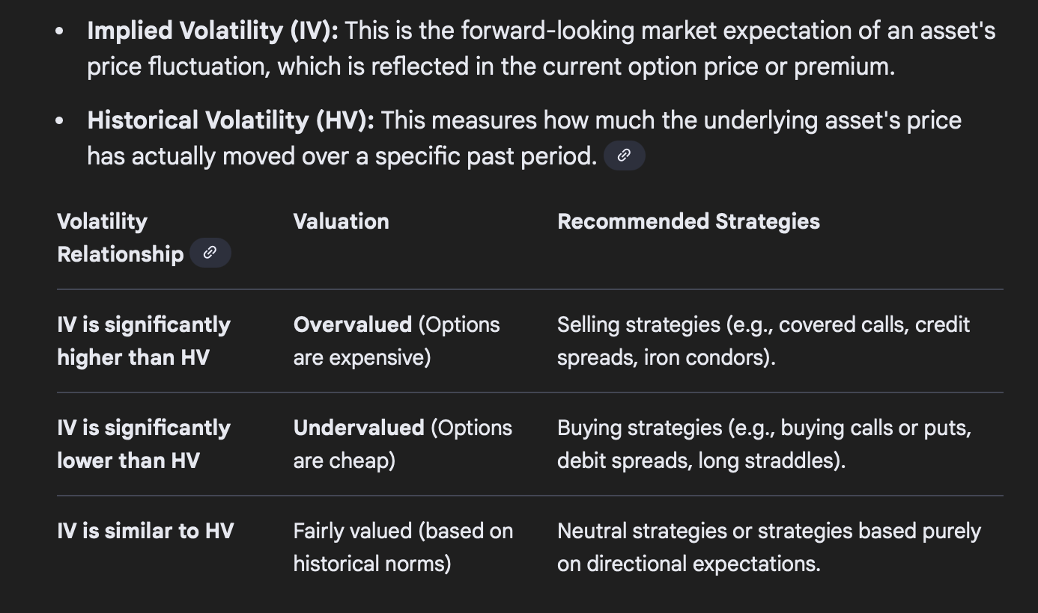
Implied Volatility using Goal Seek
First Case |  | Second Case |  | Third Case
Undelrying Price | 42 | Undelrying Price | 42 | Undelrying Price | 42
Strike Price | 40 | Strike Price | 40 | Strike Price | 40
Rate | 0.1 | Rate | 0.1 | Rate | 0.1
Volatility | 0.20007203723 | Volatility | 0.70456475674 | Volatility | 1.1792899091
Time | 0.5 | Time | 0.5 | Time | 0.5
Call | 4.76 | Call | 10 | Call | 15
HV=24%, Call is Fairly Valued |  | HV=24%, Call is Overvalued |  | HV=97%, Call is Undervalued
d1 | 0.76903657898 | d1 | 0.44739444413 | d1 | 0.53541187332
d2 | 0.62756428473 | d2 | -0.050808073149 | d2 | -0.29847201838
n(d1) | 0.77906420207 | n(d1) | 0.67270485671 | n(d1) | 0.7038174592
n(d2) | 0.73485529423 | n(d2) | 0.47973922887 | n(d2) | 0.38267146474
Call option price | 4.760057342 | Call option price | 9.9999211581 | Call option price | 14.999998999

