Blad1
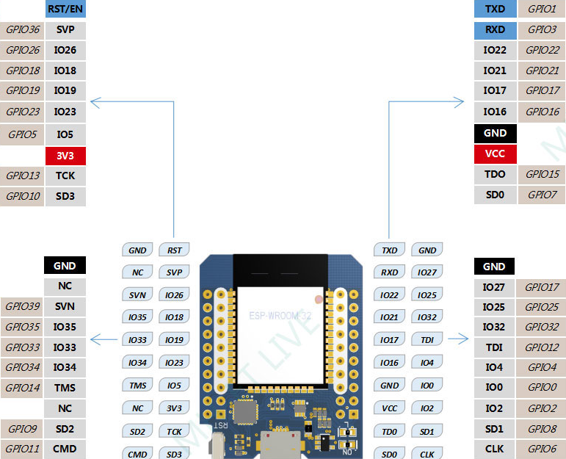
 |  | Legend
 |  | SPI
 |  | GPIO Input Only (No pull up / pull down)
Lift ENA
Lift DIR
Lift PUL | Z+ Endstop
 | Z- Endstop

