Blad1
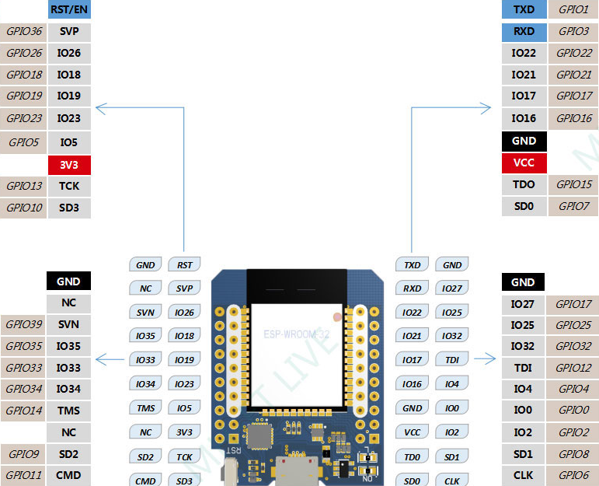
 |  | Legend
 |  | SPI
 |  | GPIO Input Only (No pull up / pull down)
Lift ENA | Lift Pul / I2C SCL
SPI CLK | Lift Dir / I2C SDA
SPI MISO | Z+ Endstop
SPI MOSI | Z- Endstop
SPI CS

Touch Input

