Oblique
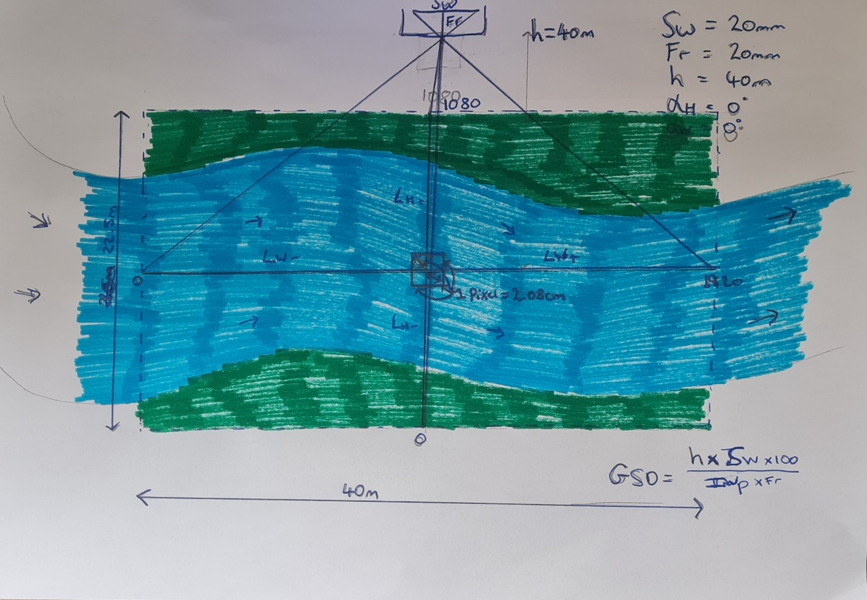

AlphaH | 0 | = angle of camera in H direction (deg) |  |  | Typical Values
AlphaW | 0 | = angle of camera in W direction (deg) |  |  | Sw | 5mm (mobile phone), 53mm (medium format detailed)
Sw | 20 | = the sensor width of the camera (millimeters) |  |  | Fr | 14-35mm wide angle, 28-50mm Ave., "normal" lens Fr=Sw
FR | 20 | = the focal length of the camera (millimeters) |  |  | imW&H | HD=1920x1080
H | 10 | = the camera height (meters)
imW | 1920 | = the image width (pixels)
imH | 1080 | = the image height (pixels) |  |  | 1 | Enter the tilt angles in both directions (0,0 for nadir)
GSD (Nadir) | 0.52083333333 | = Ground Sampling Distance (centimeters/pixel) |  |  | 2 | Enter sensor width and focal length of camera
Ave. GSD (Tilt) | 0.52083333333 | = Ground Sampling Distance (centimeters/pixel) |  |  | 3 | Enter the height of the camera
Dw | 10 | = width of single image footprint on the ground (meters) |  |  | 4 | Enter your resolution (pixel width and height) [HD=1920x1080]
DH | 5.625 | = height of single image footprint on the ground (meters) |  |  | 5 | Let the spreadsheet calculate the average GSD on each axis
theta | 26.565051177 | = angle of capture [ATAN(Sw/Fr)] (deg)
 |  |  | Actual distance (aspect ratio included)
LH+ | 5 | = length of H direction from nadir with positive AlphaH (m) | 2.8125 | --> | 0.52083333333 | = Average Ground Sampling Distance (centimeters/pixel)
LH- | 5 | = length of H direction from nadir with negative AlphaH (m) | 2.8125 | --> | 0.52083333333 | = Average Ground Sampling Distance (centimeters/pixel)
LW+ | 5 | = length of W direction from nadir with positive AlphaW (m) | 5 | --> | 0.52083333333 | = Average Ground Sampling Distance (centimeters/pixel)
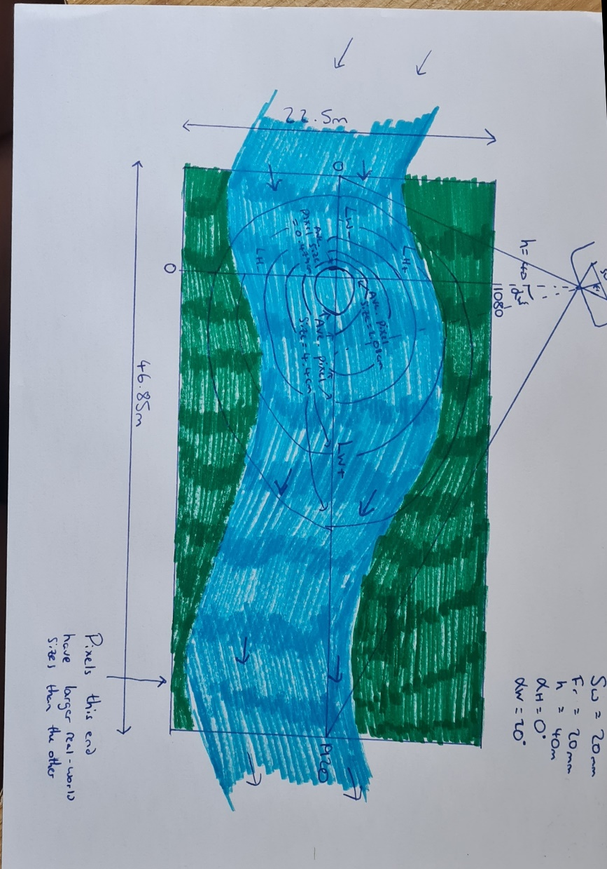
LW- | 5 | = length of W direction from nadir with negative AlphaW (m) | 5 | --> | 0.52083333333 | = Average Ground Sampling Distance (centimeters/pixel)
If any of these values are negative, it would indicate the angle of the camera is not capturing a certain axis. For example, an AlphaH value of 50 and Sw=15, Fr= 20, H=15, would give us a LH- of -3.5m. This means that it is not capturing any of the LH direction, and is missing 3.5m from nadir into the LH+ direction.
For large angles (oblique), the GSD has been capped to not record anything above 60deg as the values are the extremeties are very unlikely to be used and obscure averages too much
Total LH | 5.625 | m
Total LW | 10 | m

AREA | 56.25 | m^2
Ave. Density | 3.6864 | pixels per cm
Sqrt Dens. | 1.92 | square pixels per cm

