Sheet1
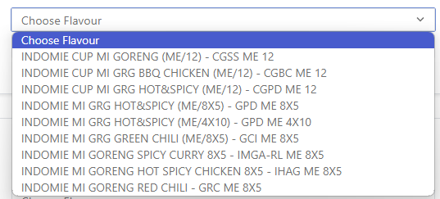
Sup Code | Code | AS Description | Case/Pallet | Pallets | New order | Cont
418668 | 21102360 | INDOMIE CUP NOODLES FRIED ORIGINAL 12X75GM | 144 | 10.00 | 1,440 | 0.50
418667 | 21102362 | INDOMIE CUP NOODLES FRIED BBQ CHICKEN 12X75GM | 144 | 10.00 | 1,440 | 0.50
418647 | 21102357 | INDOMIE FRIED NOODLES PEDAS 8X5X80GM (Hot & Spicy ) | 144 | 20.00 | 2,880 | 1.00
418649 | 21103878 | INDOMIE FRIED NOODLES PEDAS 4X10X80GM (Hot & Spicy ) | 144 | 20.00 | 2,880 | 1.00
 |  |  | TOTAL | 60 | 8,640 | 3.00

