HS402
HS402 DIY Oscilloscope Components List
PCB Version: | 3.0 | (provisional)

Designator | Quantity | Value | Description | Footprint | Comment | Photo
R1, R4, R5 | 3 | 1K | Resistor | 0805
R2, R6 | 2 | 910K | Resistor | 0805
R3, R7 | 2 | 100K | Resistor | 0805
R9 | 1 | 1K | Potentiometer | VR5
C1, C5 | 2 | 20pF var | Adjustable Capacitor | Capacitor Var | 3*4mm
C2, C6 | 2 | 100nF | Capacitor | 0805 | use 1uF to improve AC bandwidth at lower frequencies (<100Hz)
C3, C7 | 2 | 47pF | Capacitor | 0805
C4 | 1 | 1uF | Capacitor | 0805 | TBC
C8 | 1 | 47uF - 6.3V | Capacitor | 0805
C9 | 1 | 470nF | Capacitor | 0805
C11 | 1 | 10uF | Capacitor | 0805 | TBC
D1, D2 | 2 | BAV99 | Diodes | SOT23
U1, U3 | 2 | MCP6S21 | PGA | SOP-8 or SOIC-8 | MSOP-8 in V1.6 | 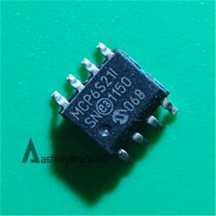
U2 | 1 | AMS1117-1.2 | Linear Regulator | SOT223
U5 | 1 | AMS1117-3.3 | Linear Regulator | SOT223 | Option 2 (indipendent 3V3)
U6 | 1 | TPS73733 | Linear Regulator | SOT223-6 | Option 3 (indipendent 3V3, lower noise)
L1 | 1 | 1uH | Inductor | 0805 | Option 3 TBC
C10 | 1 | 10uF | Capacitor | 0805 | Option 3 TBC
K1, K2 | 2 | AQY210EH | PhotoMOS | PNSC-DIP4(SMT)_V
MCU | 1 | STM32F411 | STM32 Black Pill Dev. Board | Black Pill | (or STM32F401)
P2, P5 | 2 | BNC | BNC Elbow Connector | BNC
IN | 1 | Header 5 | Header, 5-Pin | HDR1X5 | I2C Input Buttons Module
OUT | 1 | Header 4 | Header, 4-Pin | HDR1X4 | I2C Modules (other)
UART | 1 | Header 4 | Header, 2-Pin | HDR1X2 | Serial Port (flashing & Wifi module)
PWM | 1 | Header 2 | Header, 2-Pin | HDR1X2 | PWM Output
BAT | 1 | Header 2 | Header, 2-Pin | HDR1X2 | Battery power
SPI | 1 | Header 3 | Header, 3-Pin | HDR1X3 | SPI port (Wifi module)

Revision History:
V2.1: C1, C5 to 20pF since the value needed is quite low, some 30pF var capacitor do not allow to regulate around 6pF.
V2.0: Removed J1, directly use PA2 pin for Vref, PWM become 2 pin header, added SP header (Serial Port), U1,U3 use SOP module.
V1.6: Removed duplicated R8, Added comment for C2, C6.
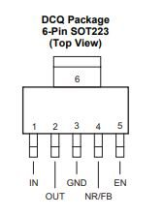
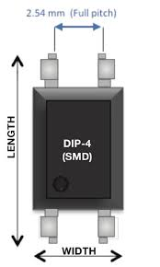

8-Lead Plastic Small Outline (SN) – Narrow, 150 mil (SOIC) or SOP8
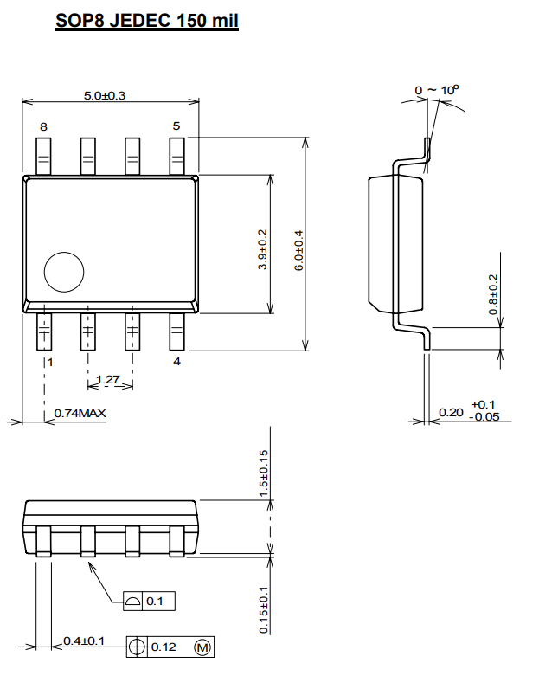
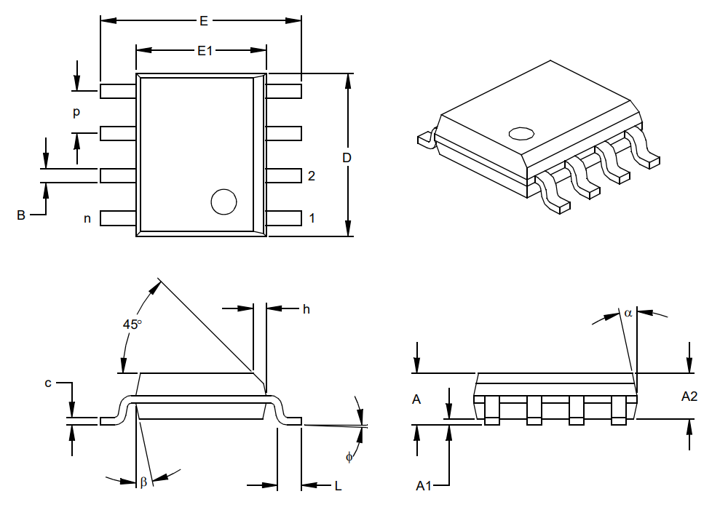

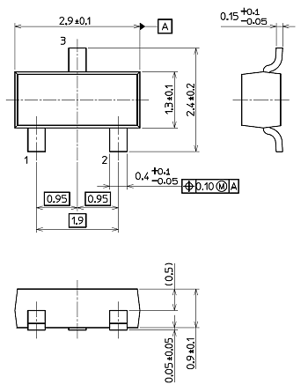
SOT-23

Wifi Module (PCB)
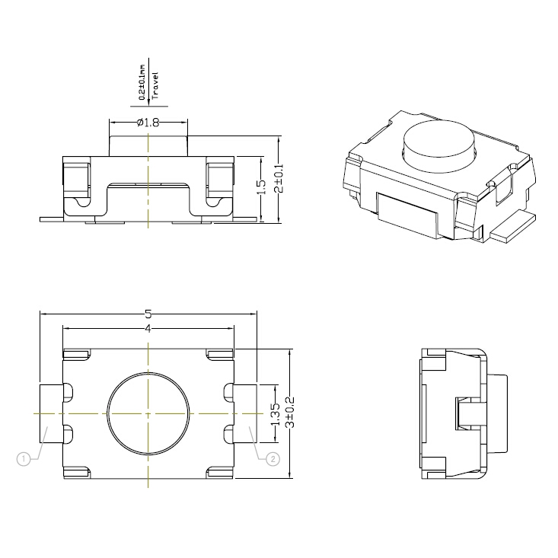
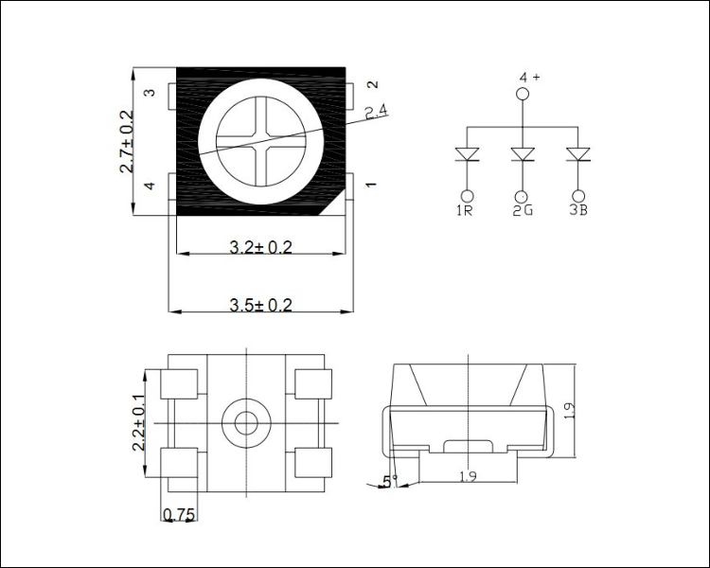
WIFI Module (PCB Built) Components List
PCB Version: | 3.0 | (provisional)

Designator | Quantity | Value | Description | Footprint | Comment | Photo
R10, R11, R12 | 3 | 5.1K | Resistor | 0805
R13, R14 | 2 | 20K | Resistor | 0805
R15, R16, R17 | 3 | 1K | Resistor | 0805
C20, C21, C22 | 3 | 1uF | Capacitor | 0805 | Testing
C23, C24 | 1 | 10uF | Capacitor | 0805 | Testing
C3, C7 | 2 | 47pF | Capacitor | 0805
L10 | 1 | 1uH | Inductor | 0805
S1 | 1 | - | Button | 1206 (or 3x4mm)
LED | 1 | RGB LED 3528 | Common anode | 1210
U10 | 1 | ESP32-WROOM-32D | MCU | - | Older model is ok. New model ESP32-WROOM-32E not tested yet | 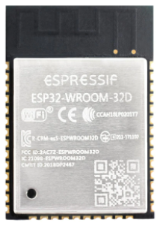
U11 (or U11-1) | 1 | AMS1117-3.3 | Linear Regulator | SOT223 (or SOT89) | Option 1 (to use when power with 5V)
U12 | 1 | TPS73733 | Linear Regulator | SOT223-6 | Option 2 (to use when power directly with 3.7 Lithium battery)
WIFI | 1 | Header 9 | Header, 9-Pin | HDR1X9 | Main connector
SP | 1 | Header 2 | Header, 2-Pin | HDR1X2 | Serial connector (for flashing)

Wifi Module (no PCB)
WIFI Module (no PCB) Components List
HS402 PCB Ver: | 3.0
Notes: | The Wifi module can be implemented easily without the custom PC just by using this ESP32 Development Board.

Designator | Quantity | Value | Comment | Photo
MCU | 1 | ESP32 Development Board 30-pins | Based of ESP32 WROOM 32D (dual core) | 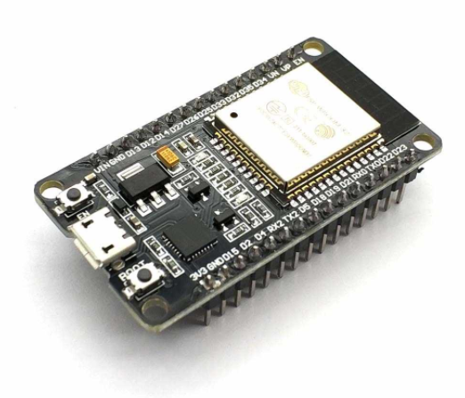
LED | 1 | RGB LED Module | Optional, it could be common catode or anode | 