Confusion Matrix
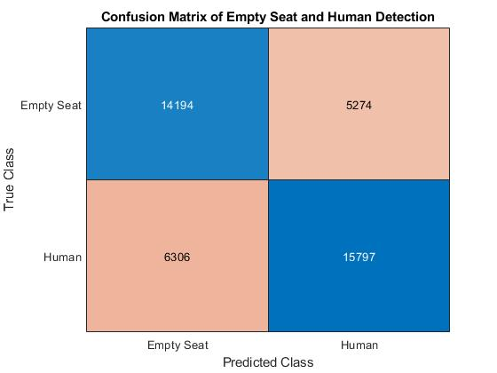
Confusion Matrix

Original |  | Deleting first 10 rows

Total Files | 843 | Total Files | 843
Total Files with Headers | 719 | Total Files with Headers | 718
Total Files without Headers | 124 | Total Files without Headers | 125
Total Measurements with Headers | 41571 | Total Measurements with Headers | 34383

