Main
Abbreviation table

No. | Topic | Letter | Description | Remarks

1 | Seat | E | Empty Seat
2 | Seat | H(number) | Human and number
3 | Door | C | Closed
4 | Door | O | Opened
5 | Belt | B | Belt
6 | Belt | N | No Belt
7 | Movement | M | Movement
8 | Movement | N | No Movement
9 | Data Type | FFT | FFT Data
10 | Data Type | ADC | ADC Data

Subjects
No | Person's Name | Subject | Photo | Remarks
1 |  | H1 | 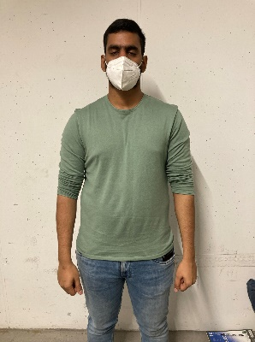
2 | Janet Dzousa | H2 | 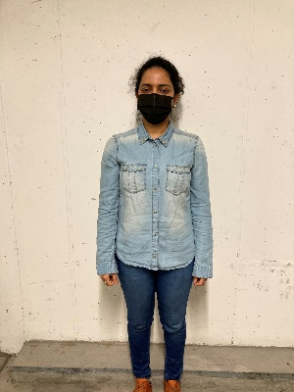
3 |  | H3 | 
4 | Syed Ali | H4 | 
5 | Sabin | H5 | 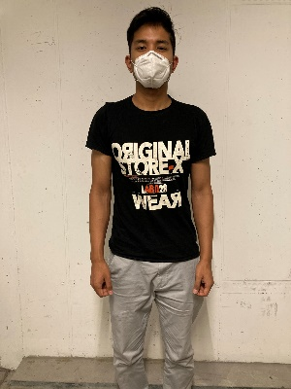
6 | Paween | H6 | 
7 | Chimerie | 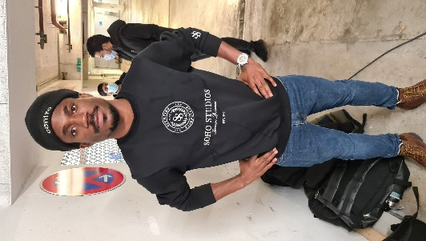 H7
8 | Sweta | 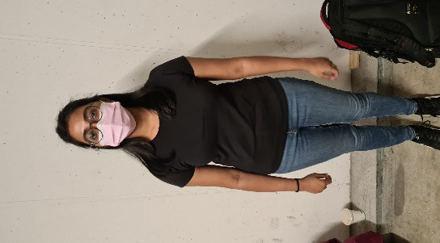 H8
9 | Mandar | H9 | 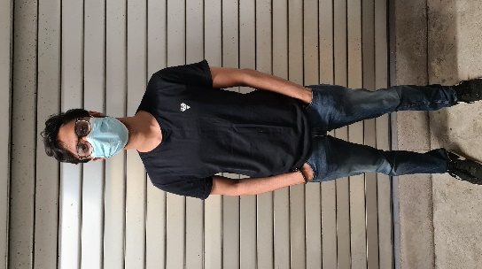
10 | Farrukt | H10 | 

