Tabelle2
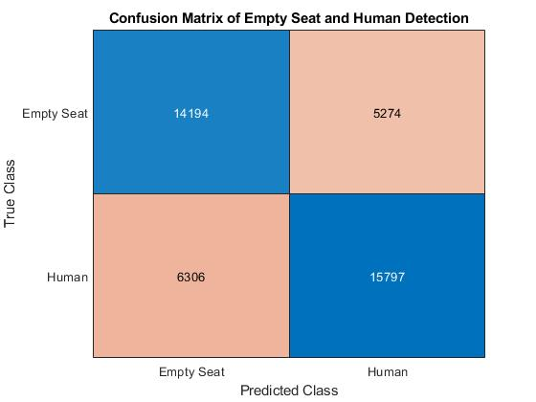
Confusion Matrix

Total Files | 843
Total Files with Headers | 719
Total Files without Headers | 124
Total Measurements with Headers | 41571

