Main
Main Sheet

Abbreviation table

No. | Topic | Letter | Description | Remarks

1 | Seat | E | Empty Seat
2 | Seat | H(number) | Human and number
3 | Door | C | Closed
4 | Door | O | Opened
5 | Belt | B | Belt
6 | Belt | N | No Belt
7 | Movement | M | Movement
8 | Movement | N | No Movement
9 | Data Type | FFT | FFT Data
10 | Data Type | ADC | ADC Data

Subjects
 |  |  | Total Measurement | 50500

No | Person's Name | Subject | Photo | Measurement | Remarks
0 | Empty Seat | E0 |  | 26740
1 |  | H1 | 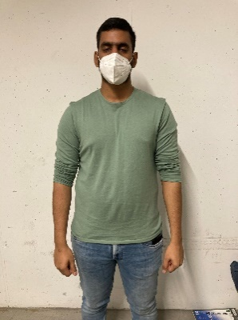 | 160
2 | Janet Dzousa | H2 | 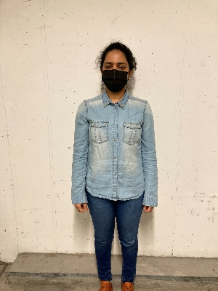 | 160
3 |  | H3 |  | 160
4 | Syed Ali | H4 |  | 160
5 | Sabin | H5 |  | 3760
6 | Paween | H6 |  | 3760
7 | Chimerie | 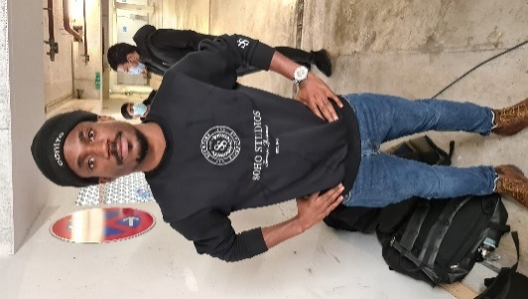 H7 |  | 2000
8 | Sweta |  H8 |  | 3600
9 | Mandar | H9 |  | 3600
10 | Farrukt | H10 |  | 1600
11 | Mashood | H11 | 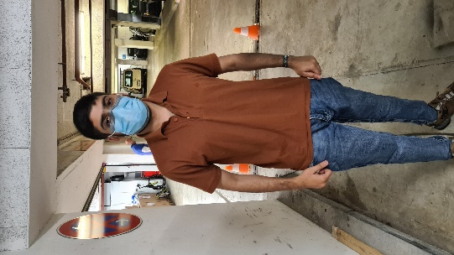 | 1600
12 | Abbad | H12 | 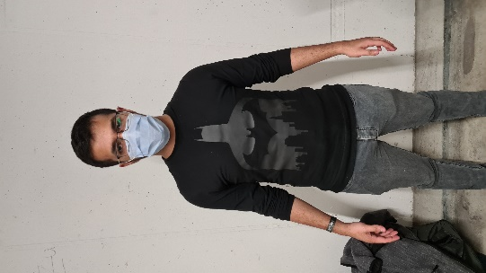 | 1600
13 | Daniel | H13 |  | 1600

