Main
Main Sheet

Abbreviation table

No. | Topic | Letter | Description | Remarks

1 | Seat | E | Empty Seat
2 | Seat | H(number) | Human and number
3 | Door | C | closed
4 | Door | O | opened
5 | belt | B | belt
6 | belt | N | nobelt
7 | movement | M | movement
8 | movement | N | nomovement
9 | Data Type | FFT | FFT Data
10 | Data Type | ADC | ADC Data

Threshold Settings
Feature No. | X | Y | Remarks
1 | 160 | 12000
2 | 160 | 14000
3 | 160 | 16000
4 | 160 | 20000
5 | 180 | 10000
6 | 180 | 12000
7 | 180 | 14000
8 | 200 | 10000
9 | 200 | 12000
10 | 200 | 14000
11 | 250 | 15000

Subjects
 |  |  | Total Measurement | 50500

No | Person's Name | Subject | Photo | Measurement | Remarks
0 | Empty Seat | E0 |  | 26740
1 |  | H1 |  | 160
2 | Janet Dzousa | H2 | 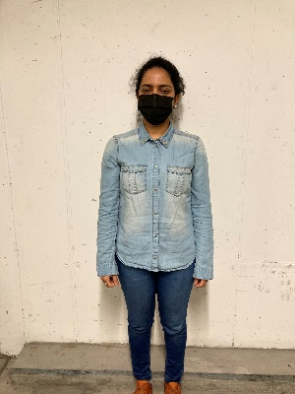 | 160
3 |  | H3 |  | 160
4 | Syed Ali | H4 |  | 160
5 | Sabin | H5 |  | 3760
6 | Paween | H6 |  | 3760
7 | Chimerie |  H7 |  | 2000
8 | Sweta |  H8 |  | 3600
9 | Mandar | H9 |  | 3600
10 | Farrukt | H10 |  | 1600
11 | Mashood | H11 | 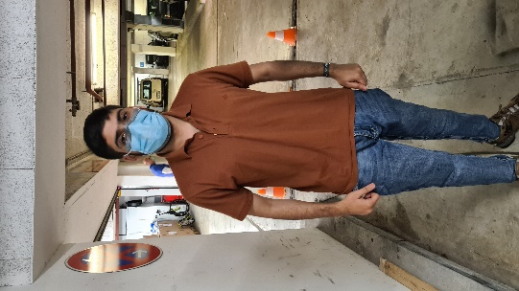 | 1600
12 | Abbad | H12 | 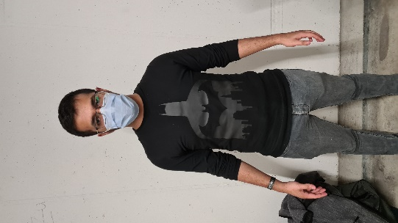 | 1600
13 | Daniel | H13 |  | 1600
14 | Haritha | H14

CM
Confusion Matrix

Target of classification | Empty

Case | Actual result | Classified Result |  | Predict Class | Empty | TP | FN
True Positive | Empty | Empty |  |  | Human | FP | TN
False Positive | Empty | Human |  |  |  | Empty | Human
False Negative | Human | Empty |  |  |  | True Class
True Negative | Human | Human

Original Data |  |  |  | Confusion Matrix of Original Data

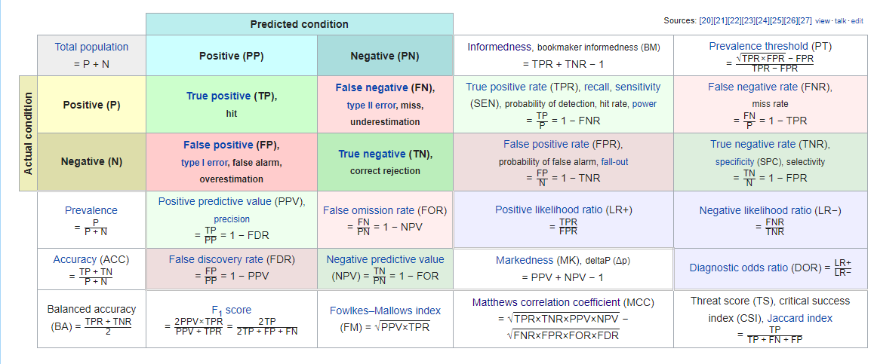
Case | Amount | Percent
Total Measurement | 41571 | 100.00
True Positive (TP) | 14194 | 34.14
False Negative (FN) | 5274 | 12.69
False Positive (FP) | 6306 | 15.17
True Negative (TN) | 15797 | 38.00

Predicted Positive (PP) | 20500
Predicted Negative (PN) | 21071
Positive (P) | 19468
Negative (N) | 22103

True Positive Rate (TPR) - Recall | 0.729 | 72.9
False Negative Rate (FNR) | 0.271 | 27.1
True Negative Rate (TNR) | 0.715 | 71.5
False Positive Rate (FPR) | 0.285 | 28.5
Positive Predictive Value (PPV) - Precision | 0.692 | 69.2
False Discovery Rate (FDR) | 0.308 | 30.8
Negative Predictive Value (NPV) | 0.750 | 75.0
False Omission Rate (FOR) | 0.250 | 25.0

Evaluation | Value
Accuracy | 0.721
F1_Score | 0.710

After Deleting first 10 rows of data from each file |  |  |  | Confusion Matrix of Processed Data

Case | Amount | Percent
Total Measurement | 34383 | 82.71
True Positive (TP) | 13620 | 32.76
False Negative (FN) | 3694 | 8.89
False Positive (FP) | 6060 | 14.58
True Negative (TN) | 11009 | 26.48

Predicted Positive (PP) | 19680
Predicted Negative (PN) | 14703
Positive (P) | 17314
Negative (N) | 17069

True Positive Rate (TPR) - Recall | 0.787 | 78.7
False Negative Rate (FNR) | 0.213 | 21.3
True Negative Rate (TNR) | 0.645 | 64.5
False Positive Rate (FPR) | 0.355 | 35.5
Positive Predictive Value (PPV) - Precision | 0.692 | 69.2
False Discovery Rate (FDR) | 0.308 | 30.8
Negative Predictive Value (NPV) | 0.749 | 74.9
False Omission Rate (FOR) | 0.251 | 25.1

Evaluation | Value
Accuracy | 0.716
F1_Score | 0.736

Confusion Matrix of diffrent Features

Feature No. | X | Y | Amount of data | Accuracy | Precision | Recall | F1-Score | Remarks
1 | 160 | 12000 | 1000 | 0.751 | 0.900 | 0.633 | 0.743
2 | 160 | 14000 | 1000 | 0.729 | 0.788 | 0.629 | 0.699
3 | 160 | 16000 | 1000 | 0.671 | 0.768 | 0.565 | 0.651
4 | 160 | 20000 | 1000 | 0.620 | 0.853 | 0.515 | 0.642
5 | 180 | 10000 | 1000 | 0.798 | 0.925 | 0.683 | 0.786
6 | 180 | 12000 | 600 | 0.843 | 0.965 | 0.828 | 0.891
7 | 180 | 14000 | 1000 | 0.682 | 0.905 | 0.564 | 0.695
8 | 200 | 10000 | 1000 | 0.726 | 0.808 | 0.621 | 0.702
9 | 200 | 12000 | 1000 | 0.568 | 0.825 | 0.477 | 0.604
10 | 200 | 14000 | 979 | 0.683 | 0.860 | 0.575 | 0.689
11 | 250 | 15000 | 1000 | 0.615 | 0.933 | 0.510 | 0.660

※Confusion Matrix of Each Feature can be founded below
Feature No.1 | 160 | 12000

Case | Amount | Percent
Total Measurement | 1000 | 2.41
True Positive (TP) | 360 | 0.87
False Negative (FN) | 209 | 0.50
False Positive (FP) | 40 | 0.10
True Negative (TN) | 391 | 0.94

Predicted Positive (PP) | 400
Predicted Negative (PN) | 600
Positive (P) | 569
Negative (N) | 431

True Positive Rate (TPR) - Recall | 0.633 | 63.3
False Negative Rate (FNR) | 0.367 | 36.7
True Negative Rate (TNR) | 0.907 | 90.7
False Positive Rate (FPR) | 0.093 | 9.3
Positive Predictive Value (PPV) - Precision | 0.900 | 90.0
False Discovery Rate (FDR) | 0.100 | 10.0
Negative Predictive Value (NPV) | 0.652 | 65.2
False Omission Rate (FOR) | 0.348 | 34.8

Evaluation | Value
Accuracy | 0.751
F1_Score | 0.74

Feature 2 | 160 | 14000

Case | Amount | Percent
Total Measurement | 1000 | 2.41
True Positive (TP) | 315 | 0.76
False Negative (FN) | 186 | 0.45
False Positive (FP) | 85 | 0.20
True Negative (TN) | 414 | 1.00

Predicted Positive (PP) | 400
Predicted Negative (PN) | 600
Positive (P) | 501
Negative (N) | 499

True Positive Rate (TPR) - Recall | 0.629 | 62.9
False Negative Rate (FNR) | 0.371 | 37.1
True Negative Rate (TNR) | 0.830 | 83.0
False Positive Rate (FPR) | 0.170 | 17.0
Positive Predictive Value (PPV) - Precision | 0.788 | 78.8
False Discovery Rate (FDR) | 0.213 | 21.3
Negative Predictive Value (NPV) | 0.690 | 69.0
False Omission Rate (FOR) | 0.310 | 31.0

Evaluation | Value
Accuracy | 0.729
F1_Score | 0.70

Feature 3 | 160 | 16000

Case | Amount | Percent
Total Measurement | 1000 | 2.41
True Positive (TP) | 307 | 0.74
False Negative (FN) | 236 | 0.57
False Positive (FP) | 93 | 0.22
True Negative (TN) | 364 | 0.88

Predicted Positive (PP) | 400
Predicted Negative (PN) | 600
Positive (P) | 543
Negative (N) | 457

True Positive Rate (TPR) - Recall | 0.565 | 56.5
False Negative Rate (FNR) | 0.435 | 43.5
True Negative Rate (TNR) | 0.796 | 79.6
False Positive Rate (FPR) | 0.204 | 20.4
Positive Predictive Value (PPV) - Precision | 0.768 | 76.8
False Discovery Rate (FDR) | 0.233 | 23.3
Negative Predictive Value (NPV) | 0.607 | 60.7
False Omission Rate (FOR) | 0.393 | 39.3

Evaluation | Value
Accuracy | 0.671
F1_Score | 0.65

Feature 4 | 160 | 20000

Case | Amount | Percent
Total Measurement | 1000 | 2.41
True Positive (TP) | 341 | 0.82
False Negative (FN) | 321 | 0.77
False Positive (FP) | 59 | 0.14
True Negative (TN) | 279 | 0.67

Predicted Positive (PP) | 400
Predicted Negative (PN) | 600
Positive (P) | 662
Negative (N) | 338

True Positive Rate (TPR) - Recall | 0.515 | 51.5
False Negative Rate (FNR) | 0.485 | 48.5
True Negative Rate (TNR) | 0.825 | 82.5
False Positive Rate (FPR) | 0.175 | 17.5
Positive Predictive Value (PPV) - Precision | 0.853 | 85.3
False Discovery Rate (FDR) | 0.148 | 14.8
Negative Predictive Value (NPV) | 0.465 | 46.5
False Omission Rate (FOR) | 0.535 | 53.5

Evaluation | Value
Accuracy | 0.62
F1_Score | 0.64

Feature 5 | 180 | 10000

Case | Amount | Percent
Total Measurement | 1000 | 2.41
True Positive (TP) | 370 | 0.89
False Negative (FN) | 172 | 0.41
False Positive (FP) | 30 | 0.07
True Negative (TN) | 428 | 1.03

Predicted Positive (PP) | 400
Predicted Negative (PN) | 600
Positive (P) | 542
Negative (N) | 458

True Positive Rate (TPR) - Recall | 0.683 | 68.3
False Negative Rate (FNR) | 0.317 | 31.7
True Negative Rate (TNR) | 0.934 | 93.4
False Positive Rate (FPR) | 0.066 | 6.6
Positive Predictive Value (PPV) - Precision | 0.925 | 92.5
False Discovery Rate (FDR) | 0.075 | 7.5
Negative Predictive Value (NPV) | 0.713 | 71.3
False Omission Rate (FOR) | 0.287 | 28.7

Evaluation | Value
Accuracy | 0.798
F1_Score | 0.79

Feature 6 | 180 | 12000

Case | Amount | Percent
Total Measurement | 600 | 1.44
True Positive (TP) | 386 | 0.93
False Negative (FN) | 80 | 0.19
False Positive (FP) | 14 | 0.03
True Negative (TN) | 120 | 0.29

Predicted Positive (PP) | 400
Predicted Negative (PN) | 200
Positive (P) | 466
Negative (N) | 134

True Positive Rate (TPR) - Recall | 0.828 | 82.8
False Negative Rate (FNR) | 0.172 | 17.2
True Negative Rate (TNR) | 0.896 | 89.6
False Positive Rate (FPR) | 0.104 | 10.4
Positive Predictive Value (PPV) - Precision | 0.965 | 96.5
False Discovery Rate (FDR) | 0.035 | 3.5
Negative Predictive Value (NPV) | 0.600 | 60.0
False Omission Rate (FOR) | 0.400 | 40.0

Evaluation | Value
Accuracy | 0.84333333333
F1_Score | 0.89

Feature 7 | 180 | 14000

Case | Amount | Percent
Total Measurement | 1000 | 2.41
True Positive (TP) | 362 | 0.87
False Negative (FN) | 280 | 0.67
False Positive (FP) | 38 | 0.09
True Negative (TN) | 320 | 0.77

Predicted Positive (PP) | 400
Predicted Negative (PN) | 600
Positive (P) | 642
Negative (N) | 358

True Positive Rate (TPR) - Recall | 0.564 | 56.4
False Negative Rate (FNR) | 0.436 | 43.6
True Negative Rate (TNR) | 0.894 | 89.4
False Positive Rate (FPR) | 0.106 | 10.6
Positive Predictive Value (PPV) - Precision | 0.905 | 90.5
False Discovery Rate (FDR) | 0.095 | 9.5
Negative Predictive Value (NPV) | 0.533 | 53.3
False Omission Rate (FOR) | 0.467 | 46.7

Evaluation | Value
Accuracy | 0.682
F1_Score | 0.69

Feature 8 | 200 | 10000

Case | Amount | Percent
Total Measurement | 1000 | 2.41
True Positive (TP) | 323 | 0.78
False Negative (FN) | 197 | 0.47
False Positive (FP) | 77 | 0.19
True Negative (TN) | 403 | 0.97

Predicted Positive (PP) | 400
Predicted Negative (PN) | 600
Positive (P) | 520
Negative (N) | 480

True Positive Rate (TPR) - Recall | 0.621 | 62.1
False Negative Rate (FNR) | 0.379 | 37.9
True Negative Rate (TNR) | 0.840 | 84.0
False Positive Rate (FPR) | 0.160 | 16.0
Positive Predictive Value (PPV) - Precision | 0.808 | 80.8
False Discovery Rate (FDR) | 0.193 | 19.3
Negative Predictive Value (NPV) | 0.672 | 67.2
False Omission Rate (FOR) | 0.328 | 32.8

Evaluation | Value
Accuracy | 0.726
F1_Score | 0.70

Feature 9 | 200 | 12000

Case | Amount | Percent
Total Measurement | 1000 | 2.41
True Positive (TP) | 330 | 0.79
False Negative (FN) | 362 | 0.87
False Positive (FP) | 70 | 0.17
True Negative (TN) | 238 | 0.57

Predicted Positive (PP) | 400
Predicted Negative (PN) | 600
Positive (P) | 692
Negative (N) | 308

True Positive Rate (TPR) - Recall | 0.477 | 47.7
False Negative Rate (FNR) | 0.523 | 52.3
True Negative Rate (TNR) | 0.773 | 77.3
False Positive Rate (FPR) | 0.227 | 22.7
Positive Predictive Value (PPV) - Precision | 0.825 | 82.5
False Discovery Rate (FDR) | 0.175 | 17.5
Negative Predictive Value (NPV) | 0.397 | 39.7
False Omission Rate (FOR) | 0.603 | 60.3

Evaluation | Value
Accuracy | 0.568
F1_Score | 0.60

Feature 10 | 200 | 14000

Case | Amount | Percent
Total Measurement | 979 | 2.36
True Positive (TP) | 344 | 0.83
False Negative (FN) | 254 | 0.61
False Positive (FP) | 56 | 0.13
True Negative (TN) | 325 | 0.78

Predicted Positive (PP) | 400
Predicted Negative (PN) | 579
Positive (P) | 598
Negative (N) | 381

True Positive Rate (TPR) - Recall | 0.575 | 57.5
False Negative Rate (FNR) | 0.425 | 42.5
True Negative Rate (TNR) | 0.853 | 85.3
False Positive Rate (FPR) | 0.147 | 14.7
Positive Predictive Value (PPV) - Precision | 0.860 | 86.0
False Discovery Rate (FDR) | 0.140 | 14.0
Negative Predictive Value (NPV) | 0.561 | 56.1
False Omission Rate (FOR) | 0.439 | 43.9

Evaluation | Value
Accuracy | 0.68335035751
F1_Score | 0.69

Feature 11 | 250 | 15000

Case | Amount | Percent
Total Measurement | 1000 | 2.41
True Positive (TP) | 373 | 0.90
False Negative (FN) | 358 | 0.86
False Positive (FP) | 27 | 0.06
True Negative (TN) | 242 | 0.58

Predicted Positive (PP) | 400
Predicted Negative (PN) | 600
Positive (P) | 731
Negative (N) | 269

True Positive Rate (TPR) - Recall | 0.510 | 51.0
False Negative Rate (FNR) | 0.490 | 49.0
True Negative Rate (TNR) | 0.900 | 90.0
False Positive Rate (FPR) | 0.100 | 10.0
Positive Predictive Value (PPV) - Precision | 0.933 | 93.3
False Discovery Rate (FDR) | 0.068 | 6.8
Negative Predictive Value (NPV) | 0.403 | 40.3
False Omission Rate (FOR) | 0.597 | 59.7

Evaluation | Value
Accuracy | 0.615
F1_Score | 0.66

CM-2
From this portion of data, we can see the efficiency for Threshold X = 180 and Y = 12000 is the highest no matter which variation we select. Below is the confusion matrix of the X = 180, Y =12000 when door is closed
Measurement Date | Threshold_X | Threshold_Y | Amount_of_data | Variations |  |  | Evaluation Result |  |  |  |  |  |  |  | ConfusionMatrix |  |  |  | Remarks
 |  |  |  | Door_status | Belt_status | Movement | Accuracy | Precision | Recall | F1-Score | TPR | FPR | TNR | FNR | TP | FP | FN | TN
2022.01.20 | 160 | 12000 | 1000 | All | withbelt | All | 0.751 | 0.9 | 0.63268892794 | 0.74303405573 | 0.63268892794 | 0.092807424594 | 0.90719257541 | 0.36731107206 | 360 | 40 | 209 | 391
 | 160 | 14000 | 1000 |  |  |  | 0.729 | 0.7875 | 0.62874251497 | 0.69922308546 | 0.62874251497 | 0.17034068136 | 0.82965931864 | 0.37125748503 | 315 | 85 | 186 | 414
 | 160 | 16000 | 1000 |  |  |  | 0.671 | 0.7675 | 0.56537753223 | 0.65111346766 | 0.56537753223 | 0.20350109409 | 0.79649890591 | 0.43462246777 | 307 | 93 | 236 | 364
 | 160 | 20000 | 1000 |  |  |  | 0.62 | 0.8525 | 0.51510574018 | 0.64218455744 | 0.51510574018 | 0.17455621302 | 0.82544378698 | 0.48489425982 | 341 | 59 | 321 | 279
 | 180 | 10000 | 1000 |  |  |  | 0.798 | 0.925 | 0.68265682657 | 0.7855626327 | 0.68265682657 | 0.065502183406 | 0.93449781659 | 0.31734317343 | 370 | 30 | 172 | 428
 | 180 | 12000 | 600 |  |  |  | 0.84333333333 | 0.965 | 0.82832618026 | 0.89145496536 | 0.82832618026 | 0.10447761194 | 0.89552238806 | 0.17167381974 | 386 | 14 | 80 | 120
 | 180 | 14000 | 1000 |  |  |  | 0.682 | 0.905 | 0.56386292835 | 0.69481765835 | 0.56386292835 | 0.1061452514 | 0.8938547486 | 0.43613707165 | 362 | 38 | 280 | 320
 | 200 | 10000 | 1000 |  |  |  | 0.726 | 0.8075 | 0.62115384615 | 0.70217391304 | 0.62115384615 | 0.16041666667 | 0.83958333333 | 0.37884615385 | 323 | 77 | 197 | 403
 | 200 | 12000 | 1000 |  |  |  | 0.568 | 0.825 | 0.47687861272 | 0.6043956044 | 0.47687861272 | 0.22727272727 | 0.77272727273 | 0.52312138728 | 330 | 70 | 362 | 238
 | 200 | 14000 | 1000 |  |  |  | 0.68335035751 | 0.86 | 0.57525083612 | 0.68937875752 | 0.57525083612 | 0.1469816273 | 0.8530183727 | 0.42474916388 | 344 | 56 | 254 | 325
 | 250 | 15000 | 1000 |  |  |  | 0.615 | 0.9325 | 0.51025991792 | 0.65959328028 | 0.51025991792 | 0.10037174721 | 0.89962825279 | 0.48974008208 | 373 | 27 | 358 | 242
 | 160 | 12000 | 800 | closed | withbelt | All | 0.7325 | 0.975 | 0.48267326733 | 0.64569536424 | 0.48267326733 | 0.012626262626 | 0.98737373737 | 0.51732673267 | 195 | 5 | 209 | 391
 | 160 | 14000 | 800 |  |  |  | 0.7675 | 1 | 0.51813471503 | 0.68259385666 | 0.51813471503 | 0 | 1 | 0.48186528497 | 200 | 0 | 186 | 414
 | 160 | 16000 | 800 |  |  |  | 0.69625 | 0.965 | 0.44988344988 | 0.61367249603 | 0.44988344988 | 0.018867924528 | 0.98113207547 | 0.55011655012 | 193 | 7 | 236 | 364
 | 160 | 20000 | 800 |  |  |  | 0.59875 | 1 | 0.38387715931 | 0.5547850208 | 0.38387715931 | 0 | 1 | 0.61612284069 | 200 | 0 | 321 | 279
 | 180 | 10000 | 800 |  |  |  | 0.77375 | 0.955 | 0.5261707989 | 0.6785079929 | 0.5261707989 | 0.020594965675 | 0.97940503432 | 0.4738292011 | 191 | 9 | 172 | 428
 | 180 | 12000 | 400 |  |  |  | 0.8 | 1 | 0.71428571429 | 0.83333333333 | 0.71428571429 | 0 | 1 | 0.28571428571 | 200 | 0 | 80 | 120
 | 180 | 14000 | 800 |  |  |  | 0.65 | 1 | 0.41666666667 | 0.58823529412 | 0.41666666667 | 0 | 1 | 0.58333333333 | 200 | 0 | 280 | 320
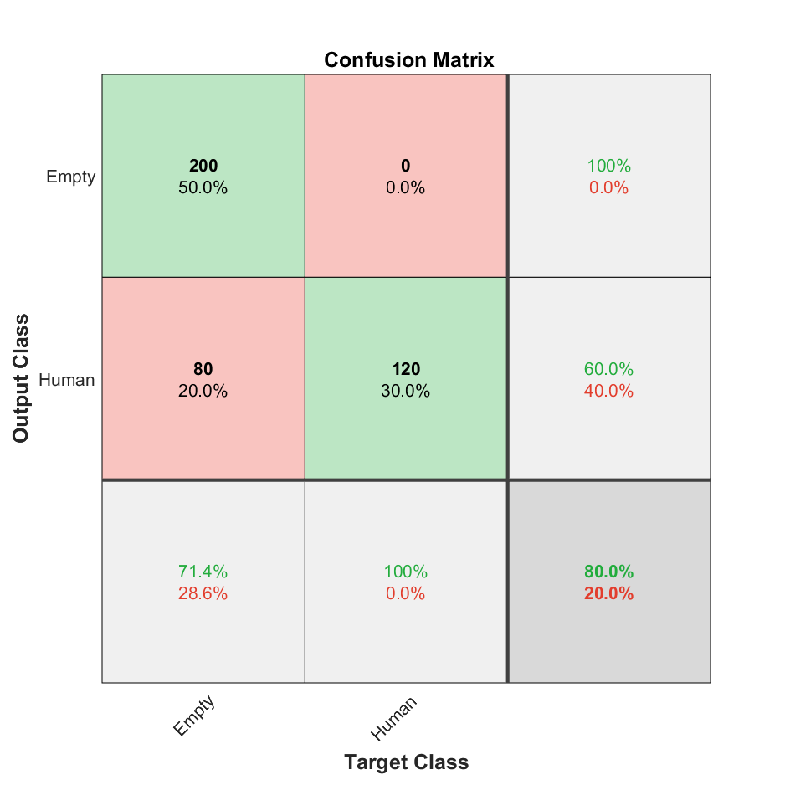
 | 200 | 10000 | 800 |  |  |  | 0.75375 | 1 | 0.50377833753 | 0.67001675042 | 0.50377833753 | 0 | 1 | 0.49622166247 | 200 | 0 | 197 | 403
 | 200 | 12000 | 800 |  |  |  | 0.5475 | 1 | 0.35587188612 | 0.5249343832 | 0.35587188612 | 0 | 1 | 0.64412811388 | 200 | 0 | 362 | 238
 | 200 | 14000 | 800 |  |  |  | 0.66623876765 | 0.97 | 0.43303571429 | 0.5987654321 | 0.43303571429 | 0.018126888218 | 0.98187311178 | 0.56696428571 | 194 | 6 | 254 | 325
 | 250 | 15000 | 800 |  |  |  | 0.5525 | 1 | 0.35842293907 | 0.52770448549 | 0.35842293907 | 0 | 1 | 0.64157706093 | 200 | 0 | 358 | 242
 | 160 | 12000 | 400 | closed | withbelt | movement | 0.965 | 0.975 | 0.95588235294 | 0.96534653465 | 0.95588235294 | 0.025510204082 | 0.97448979592 | 0.044117647059 | 195 | 5 | 9 | 191
 | 160 | 14000 | 400 |  |  |  | 0.86 | 1 | 0.78125 | 0.87719298246 | 0.78125 | 0 | 1 | 0.21875 | 200 | 0 | 56 | 144
 | 160 | 16000 | 400 |  |  |  | 0.825 | 0.965 | 0.75390625 | 0.84649122807 | 0.75390625 | 0.048611111111 | 0.95138888889 | 0.24609375 | 193 | 7 | 63 | 137
 | 160 | 20000 | 400 |  |  |  | 0.7275 | 1 | 0.64724919094 | 0.7858546169 | 0.64724919094 | 0 | 1 | 0.35275080906 | 200 | 0 | 109 | 91
 | 180 | 10000 | 400 |  |  |  | 0.9325 | 0.955 | 0.91387559809 | 0.93398533007 | 0.91387559809 | 0.047120418848 | 0.95287958115 | 0.086124401914 | 191 | 9 | 18 | 182
 | 180 | 12000 | 0 |  |  |  | - | - | - | - | - | - | - | - | - | - | - | -
 | 180 | 14000 | 400 |  |  |  | 0.8975 | 1 | 0.82987551867 | 0.90702947846 | 0.82987551867 | 0 | 1 | 0.17012448133 | 200 | 0 | 41 | 159
 | 200 | 10000 | 400 |  |  |  | 0.9275 | 1 | 0.87336244541 | 0.9324009324 | 0.87336244541 | 0 | 1 | 0.12663755459 | 200 | 0 | 29 | 171
 | 200 | 12000 | 400 |  |  |  | 0.7475 | 1 | 0.66445182724 | 0.79840319361 | 0.66445182724 | 0 | 1 | 0.33554817276 | 200 | 0 | 101 | 99
 | 200 | 14000 | 400 |  |  |  | 0.8575 | 0.97 | 0.79183673469 | 0.87191011236 | 0.79183673469 | 0.038709677419 | 0.96129032258 | 0.20816326531 | 194 | 6 | 51 | 149
 | 250 | 15000 | 400 |  |  |  | 0.8 | 1 | 0.71428571429 | 0.83333333333 | 0.71428571429 | 0 | 1 | 0.28571428571 | 200 | 0 | 80 | 120
 | 160 | 12000 | 600 | closed | withbelt | nomovement | 0.65833333333 | 0.975 | 0.49367088608 | 0.65546218487 | 0.49367088608 | 0.024390243902 | 0.9756097561 | 0.50632911392 | 195 | 5 | 200 | 200
 | 160 | 14000 | 600 |  |  |  | 0.78333333333 | 1 | 0.60606060606 | 0.75471698113 | 0.60606060606 | 0 | 1 | 0.39393939394 | 200 | 0 | 130 | 270
 | 160 | 16000 | 600 |  |  |  | 0.7 | 0.965 | 0.52732240437 | 0.68197879859 | 0.52732240437 | 0.029914529915 | 0.97008547009 | 0.47267759563 | 193 | 7 | 173 | 227
 | 160 | 20000 | 600 |  |  |  | 0.64666666667 | 1 | 0.4854368932 | 0.65359477124 | 0.4854368932 | 0 | 1 | 0.5145631068 | 200 | 0 | 212 | 188
 | 180 | 10000 | 600 |  |  |  | 0.72833333333 | 0.955 | 0.55362318841 | 0.70091743119 | 0.55362318841 | 0.035294117647 | 0.96470588235 | 0.44637681159 | 191 | 9 | 154 | 246
 | 180 | 12000 | 400 |  |  |  | 0.8 | 1 | 0.71428571429 | 0.83333333333 | 0.71428571429 | 0 | 1 | 0.28571428571 | 200 | 0 | 80 | 120
 | 180 | 14000 | 600 |  |  |  | 0.60166666667 | 1 | 0.4555808656 | 0.62597809077 | 0.4555808656 | 0 | 1 | 0.5444191344 | 200 | 0 | 239 | 161
 | 200 | 10000 | 600 |  |  |  | 0.72 | 1 | 0.54347826087 | 0.70422535211 | 0.54347826087 | 0 | 1 | 0.45652173913 | 200 | 0 | 168 | 232
 | 200 | 12000 | 600 |  |  |  | 0.565 | 1 | 0.43383947939 | 0.60514372163 | 0.43383947939 | 0 | 1 | 0.56616052061 | 200 | 0 | 261 | 139
 | 200 | 14000 | 600 |  |  |  | 0.6390328152 | 0.97 | 0.48866498741 | 0.64991624791 | 0.48866498741 | 0.032967032967 | 0.96703296703 | 0.51133501259 | 194 | 6 | 203 | 176
 | 250 | 15000 | 600 |  |  |  | 0.53666666667 | 1 | 0.41841004184 | 0.58997050147 | 0.41841004184 | 0 | 1 | 0.58158995816 | 200 | 0 | 278 | 122

From this portion of data, we can see the efficiency for Threshold X = 170 and Y = 11000 or 12000 for all variations Below is the confusion matrix of the X = 170, Y =11000 (left) and X = 170, Y =12000 right) and when door is closed
2022.02.04 | 180 | 11000 | 3200 | All | All | All | 0.8290625 |  | 0 | 0 | 0 | 0 | 1 | 1 | 0 | 0 | 547 | 2653
 | 180 | 12000 | 6400 |  |  |  | 0.825625 | 0.94875 | 0.76128385155 | 0.84474123539 | 0.76128385155 | 0.067993366501 | 0.9320066335 | 0.23871614845 | 3036 | 164 | 952 | 2248
 | 180 | 11000 | 1600 | closed | All | All | 0.83 |  | 0 | 0 | 0 | 0 | 1 | 1 | 0 | 0 | 272 | 1328
 | 180 | 12000 | 3200 |  |  |  | 0.8190625 | 0.8975 | 0.77579686656 | 0.83222254419 | 0.77579686656 | 0.12157153447 | 0.87842846553 | 0.22420313344 | 1436 | 164 | 415 | 1185
 | 180 | 11000 | 800 | closed | withbelt | All | 0.8325 |  | 0 | 0 | 0 | 0 | 1 | 1 | 0 | 0 | 134 | 666
 | 180 | 12000 | 2400 |  |  |  | 0.89958333333 | 0.8975 | 0.94910773298 | 0.92258271764 | 0.94910773298 | 0.18489289741 | 0.81510710259 | 0.050892267019 | 1436 | 164 | 77 | 723
 | 180 | 11000 | 400 | closed | withbelt | movement | 0.92 |  | 0 | 0 | 0 | 0 | 1 | 1 | 0 | 0 | 32 | 368
 | 180 | 12000 | 2000 |  |  |  | 0.911 | 0.8975 | 0.99034482759 | 0.94163934426 | 0.99034482759 | 0.29818181818 | 0.70181818182 | 0.0096551724138 | 1436 | 164 | 14 | 386
 | 180 | 11000 | 400 | closed | withbelt | nomovement | 0.745 |  | 0 | 0 | 0 | 0 | 1 | 1 | 0 | 0 | 102 | 298
 | 180 | 12000 | 2000 |  |  |  | 0.8865 | 0.8975 | 0.95797198132 | 0.9267505647 | 0.95797198132 | 0.32734530938 | 0.67265469062 | 0.042028018679 | 1436 | 164 | 63 | 337

2022.02.11 | 160 | 11000 | 6400 | closed | All | All | 0.796875 | 0.831875 | 0.77745327103 | 0.80374396135 | 0.77745327103 | 0.18077956989 | 0.81922043011 | 0.22254672897 | 2662 | 538 | 762 | 2438
 | 160 | 13000 | 6400 |  |  |  | 0.75421875 | 0.8009375 | 0.73249499857 | 0.76518883415 | 0.73249499857 | 0.21957945536 | 0.78042054464 | 0.26750500143 | 2563 | 637 | 936 | 2264
 | 170 | 11000 | 6400 |  |  |  | 0.8259375 | 0.9275 | 0.77090909091 | 0.8419858156 | 0.77090909091 | 0.090980392157 | 0.90901960784 | 0.22909090909 | 2968 | 232 | 882 | 2318

 | 170 | 12000 | 6400 |  |  |  | 0.8178125 | 0.949375 | 0.75160811479 | 0.83899475283 | 0.75160811479 | 0.068702290076 | 0.93129770992 | 0.24839188521 | 3038 | 162 | 1004 | 2196

 | 170 | 13000 | 6400 |  |  |  | 0.7821875 | 0.8071875 | 0.76875 | 0.7875 | 0.76875 | 0.20296052632 | 0.79703947368 | 0.23125 | 2583 | 617 | 777 | 2423
 | 180 | 11000 | 6400 |  |  |  | 0.7234375 | 0.645 | 0.76501111935 | 0.6998982706 | 0.76501111935 | 0.30686115613 | 0.69313884387 | 0.23498888065 | 2064 | 1136 | 634 | 2566
 | 180 | 13000 | 1600 |  |  |  | 0.69375 |  | 0 | 0 | 0 | 0 | 1 | 1 | 0 | 0 | 490 | 1110
 | 160 | 11000 | 4800 | closed | withbelt | All | 0.80625 | 0.831875 | 0.87164374591 | 0.85129517109 | 0.87164374591 | 0.30813287514 | 0.69186712486 | 0.12835625409 | 2662 | 538 | 392 | 1208
 | 160 | 13000 | 4800 |  |  |  | 0.75375 | 0.8009375 | 0.82464607465 | 0.81261889664 | 0.82464607465 | 0.37647754137 | 0.62352245863 | 0.17535392535 | 2563 | 637 | 545 | 1055
 | 170 | 11000 | 4800 |  |  |  | 0.86854166667 | 0.9275 | 0.8814968815 | 0.90391350693 | 0.8814968815 | 0.16189811584 | 0.83810188416 | 0.1185031185 | 2968 | 232 | 399 | 1201
 | 170 | 12000 | 4800 |  |  |  | 0.84354166667 | 0.949375 | 0.83760683761 | 0.88999560568 | 0.83760683761 | 0.13810741688 | 0.86189258312 | 0.16239316239 | 3038 | 162 | 589 | 1011
 | 170 | 13000 | 4800 |  |  |  | 0.7875 | 0.8071875 | 0.86503683858 | 0.83511154219 | 0.86503683858 | 0.3401323043 | 0.6598676957 | 0.13496316142 | 2583 | 617 | 403 | 1197
 | 180 | 11000 | 4800 |  |  |  | 0.68479166667 | 0.645 | 0.84555510037 | 0.73178514448 | 0.84555510037 | 0.48155998304 | 0.51844001696 | 0.15444489963 | 2064 | 1136 | 377 | 1223
 | 180 | 13000 | 800 |  |  |  | 0.7175 |  | 0 | 0 | 0 | 0 | 1 | 1 | 0 | 0 | 226 | 574
 | 160 | 11000 | 4000 | closed | withbelt | movement | 0.85575 | 0.831875 | 0.98556090337 | 0.90221996272 | 0.98556090337 | 0.41416474211 | 0.58583525789 | 0.014439096631 | 2662 | 538 | 39 | 761
 | 160 | 13000 | 4000 |  |  |  | 0.812 | 0.8009375 | 0.9570575056 | 0.87206532834 | 0.9570575056 | 0.48184568835 | 0.51815431165 | 0.042942494399 | 2563 | 637 | 115 | 685
 | 170 | 11000 | 4000 |  |  |  | 0.9315 | 0.9275 | 0.98604651163 | 0.95587761675 | 0.98604651163 | 0.23434343434 | 0.76565656566 | 0.013953488372 | 2968 | 232 | 42 | 758
 | 170 | 12000 | 4000 |  |  |  | 0.93875 | 0.949375 | 0.97340595963 | 0.96124031008 | 0.97340595963 | 0.1843003413 | 0.8156996587 | 0.026594040372 | 3038 | 162 | 83 | 717
 | 170 | 13000 | 4000 |  |  |  | 0.82875 | 0.8071875 | 0.97434930215 | 0.88292599556 | 0.97434930215 | 0.45737583395 | 0.54262416605 | 0.02565069785 | 2583 | 617 | 68 | 732
 | 180 | 11000 | 4000 |  |  |  | 0.691 | 0.645 | 0.95378927911 | 0.76957494407 | 0.95378927911 | 0.61873638344 | 0.38126361656 | 0.046210720887 | 2064 | 1136 | 100 | 700
 | 180 | 13000 | 400 |  |  |  | 0.8975 |  | 0 | 0 | 0 | 0 | 1 | 1 | 0 | 0 | 41 | 359

From this portion of data, we fixed threshold Y = 1000 and keep changing X with step of 50. The evaluation show promising result betweenn X = 150 - 200 and Y = 1000. Therefore we decrease the step to 10 and pursue the measurement with 200 +- 10 with (2021.02.18 Part 2 Below)
2022.02.18 | 50 | 1000 | 1600 | closed | withbelt | movement | 0.5175 | 0.035 | 1 | 0.067632850242 | 1 | 0.49109414758 | 0.50890585242 | 0 | 28 | 772 | 0 | 800
 | 100 | 1000 | 1600 |  |  |  | 0.885625 | 0.7775 | 0.99202551834 | 0.87175893483 | 0.99202551834 | 0.1829393628 | 0.8170606372 | 0.0079744816587 | 622 | 178 | 5 | 795
 | 150 | 1000 | 1600 |  |  |  | 0.92625 | 0.875 | 0.97493036212 | 0.92226613966 | 0.97493036212 | 0.11337868481 | 0.88662131519 | 0.025069637883 | 700 | 100 | 18 | 782
 | 200 | 1000 | 1600 |  |  |  | 0.99125 | 1 | 0.9828009828 | 0.99132589839 | 0.9828009828 | 0 | 1 | 0.017199017199 | 800 | 0 | 14 | 786
 | 250 | 1000 | 1600 |  |  |  | 0.7725 | 0.6675 | 0.84493670886 | 0.74581005587 | 0.84493670886 | 0.27479338843 | 0.72520661157 | 0.15506329114 | 534 | 266 | 98 | 702
 | 300 | 1000 | 1600 |  |  |  | 0.871875 | 0.99 | 0.80080889788 | 0.88541084405 | 0.80080889788 | 0.013093289689 | 0.98690671031 | 0.19919110212 | 792 | 8 | 197 | 603
 | 350 | 1000 | 1600 |  |  |  | 0.824375 | 1 | 0.74005550416 | 0.85061137693 | 0.74005550416 | 0 | 1 | 0.25994449584 | 800 | 0 | 281 | 519
 | 50 | 1000 | 1200 | closed | nobelt | movement | 0.35666666667 | 0.035 | 1 | 0.067632850242 | 1 | 0.65870307167 | 0.34129692833 | 0 | 28 | 772 | 0 | 400
 | 100 | 1000 | 1200 |  |  |  | 0.85 | 0.7775 | 0.99679487179 | 0.87359550562 | 0.99679487179 | 0.30902777778 | 0.69097222222 | 0.0032051282051 | 622 | 178 | 2 | 398
 | 150 | 1000 | 1200 |  |  |  | 0.905 | 0.875 | 0.98039215686 | 0.92470277411 | 0.98039215686 | 0.20576131687 | 0.79423868313 | 0.019607843137 | 700 | 100 | 14 | 386
 | 200 | 1000 | 1200 |  |  |  | 0.99083333333 | 1 | 0.98643649815 | 0.99317194289 | 0.98643649815 | 0 | 1 | 0.01356350185 | 800 | 0 | 11 | 389
 | 250 | 1000 | 1200 |  |  |  | 0.72916666667 | 0.6675 | 0.90050590219 | 0.76669059584 | 0.90050590219 | 0.43822075783 | 0.56177924217 | 0.099494097808 | 534 | 266 | 59 | 341
 | 300 | 1000 | 1200 |  |  |  | 0.89916666667 | 0.99 | 0.87513812155 | 0.92903225806 | 0.87513812155 | 0.027118644068 | 0.97288135593 | 0.12486187845 | 792 | 8 | 113 | 287
 | 350 | 1000 | 1200 |  |  |  | 0.89083333333 | 1 | 0.85929108485 | 0.92432120162 | 0.85929108485 | 0 | 1 | 0.14070891515 | 800 | 0 | 131 | 269

2022.02.18 Part2 | 160 | 1000 | 3200 | closed | All | All | 0.8771875 | 0.959375 | 0.82393988191 | 0.88651458273 | 0.82393988191 | 0.048616305161 | 0.95138369484 | 0.17606011809 | 1535 | 65 | 328 | 1272
 | 170 | 1000 | 3200 |  |  |  | 0.78625 | 0.71 | 0.83775811209 | 0.76860622463 | 0.83775811209 | 0.25162689805 | 0.74837310195 | 0.16224188791 | 1136 | 464 | 220 | 1380
 | 180 | 1000 | 3200 |  |  |  | 0.6884375 | 0.6075 | 0.72483221477 | 0.66099965998 | 0.72483221477 | 0.33781603012 | 0.66218396988 | 0.27516778523 | 972 | 628 | 369 | 1231
 | 190 | 1000 | 3200 |  |  |  | 0.7240625 | 0.82125 | 0.68759811617 | 0.74850469952 | 0.68759811617 | 0.22187742436 | 0.77812257564 | 0.31240188383 | 1314 | 286 | 597 | 1003
 | 200 | 1000 | 1600 |  |  |  | 0.99125 | 1 | 0.9828009828 | 0.99132589839 | 0.9828009828 | 0 | 1 | 0.017199017199 | 800 | 0 | 14 | 786 | Retrieve from 2022.02.18
 | 210 | 1000 | 3200 |  |  |  | 0.8228125 | 1 | 0.73834794647 | 0.84948234669 | 0.73834794647 | 0 | 1 | 0.26165205353 | 1600 | 0 | 567 | 1033
 | 220 | 1000 | 3200 |  |  |  | 0.7021875 | 0.726875 | 0.69267421084 | 0.70936261055 | 0.69267421084 | 0.28731097962 | 0.71268902038 | 0.30732578916 | 1163 | 437 | 516 | 1084
 | 230 | 1000 | 3200 |  |  |  | 0.78625 | 0.9875 | 0.70409982175 | 0.8220603538 | 0.70409982175 | 0.020920502092 | 0.97907949791 | 0.29590017825 | 1580 | 20 | 664 | 936
 | 160 | 1000 | 2400 | closed | withbelt | All | 0.92083333333 | 0.959375 | 0.92469879518 | 0.94171779141 | 0.92469879518 | 0.087837837838 | 0.91216216216 | 0.075301204819 | 1535 | 65 | 125 | 675
 | 170 | 1000 | 2400 |  |  |  | 0.78083333333 | 0.71 | 0.94824707846 | 0.81200857756 | 0.94824707846 | 0.38602329451 | 0.61397670549 | 0.051752921536 | 1136 | 464 | 62 | 738
From this portion of data, we found the good result between X = 200 and 210 with the all data.
 | 180 | 1000 | 2400 |  |  |  | 0.67333333333 | 0.6075 | 0.86170212766 | 0.71260997067 | 0.86170212766 | 0.49371069182 | 0.50628930818 | 0.13829787234 | 972 | 628 | 156 | 644
 | 190 | 1000 | 2400 |  |  |  | 0.76583333333 | 0.82125 | 0.82641509434 | 0.82382445141 | 0.82641509434 | 0.35308641975 | 0.64691358025 | 0.17358490566 | 1314 | 286 | 276 | 524
 | 200 | 1000 | 1600 |  |  |  | 0.99125 | 1 | 0.9828009828 | 0.99132589839 | 0.9828009828 | 0 | 1 | 0.017199017199 | 800 | 0 | 14 | 786 | Retrieve from 2022.02.18
 | 210 | 1000 | 2400 |  |  |  | 0.87833333333 | 1 | 0.84566596195 | 0.91638029782 | 0.84566596195 | 0 | 1 | 0.15433403805 | 1600 | 0 | 292 | 508
 | 220 | 1000 | 2400 |  |  |  | 0.7325 | 0.726875 | 0.85014619883 | 0.78369272237 | 0.85014619883 | 0.4234496124 | 0.5765503876 | 0.14985380117 | 1163 | 437 | 205 | 595
 | 230 | 1000 | 2400 |  |  |  | 0.83125 | 0.9875 | 0.80407124682 | 0.88639551192 | 0.80407124682 | 0.045977011494 | 0.95402298851 | 0.19592875318 | 1580 | 20 | 385 | 415 |  | Confusion Matrix | X = 200 | Y = 1000
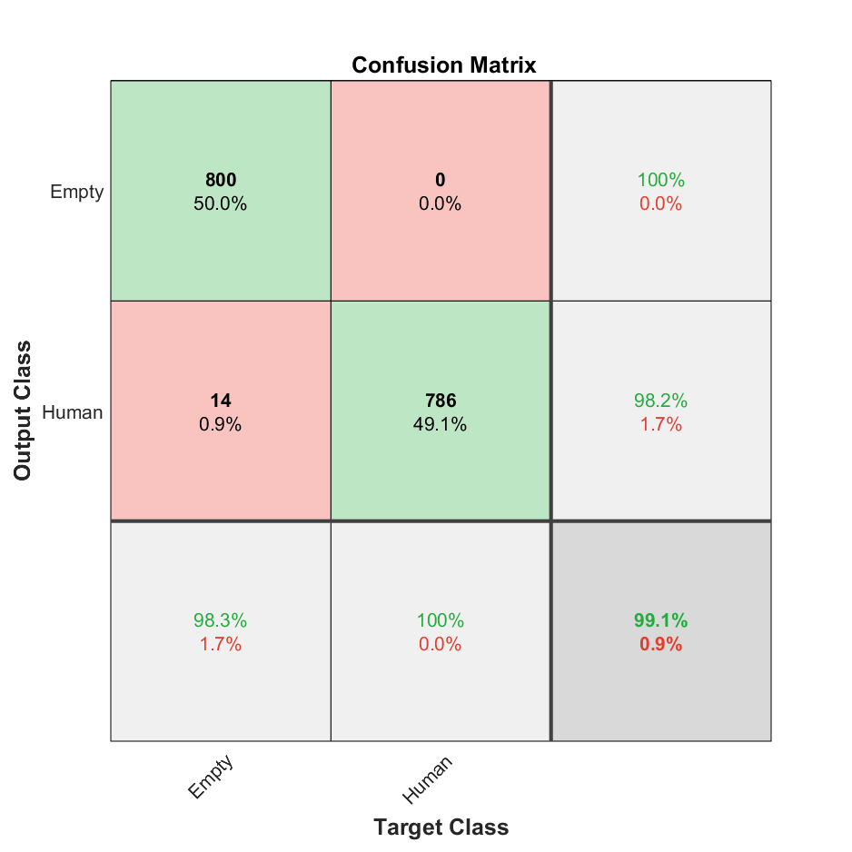
 | 160 | 1000 | 2000 | closed | withbelt | movement | 0.967 | 0.959375 | 0.99934895833 | 0.97895408163 | 0.99934895833 | 0.1400862069 | 0.8599137931 | 0.00065104166667 | 1535 | 65 | 1 | 399
 | 170 | 1000 | 2000 |  |  |  | 0.7645 | 0.71 | 0.99387576553 | 0.82829019322 | 0.99387576553 | 0.5414235706 | 0.4585764294 | 0.0061242344707 | 1136 | 464 | 7 | 393
 | 180 | 1000 | 2000 |  |  |  | 0.6785 | 0.6075 | 0.98480243161 | 0.75144955547 | 0.98480243161 | 0.61994076999 | 0.38005923001 | 0.015197568389 | 972 | 628 | 15 | 385
 | 190 | 1000 | 2000 |  |  |  | 0.8505 | 0.82125 | 0.99020346647 | 0.89784762556 | 0.99020346647 | 0.4249628529 | 0.5750371471 | 0.0097965335343 | 1314 | 286 | 13 | 387
 | 200 | 1000 | 1200 |  |  |  | 0.99083333333 | 1 | 0.98643649815 | 0.99317194289 | 0.98643649815 | 0 | 1 | 0.01356350185 | 800 | 0 | 11 | 389 | Retrieve from 2022.02.18
 | 210 | 1000 | 2000 |  |  |  | 0.9865 | 1 | 0.98340503995 | 0.99163309575 | 0.98340503995 | 0 | 1 | 0.016594960049 | 1600 | 0 | 27 | 373
 | 220 | 1000 | 2000 |  |  |  | 0.766 | 0.726875 | 0.97403685092 | 0.83249821045 | 0.97403685092 | 0.54218362283 | 0.45781637717 | 0.025963149079 | 1163 | 437 | 31 | 369
 | 230 | 1000 | 2000 |  |  |  | 0.973 | 0.9875 | 0.97893432466 | 0.98319850653 | 0.97893432466 | 0.051813471503 | 0.9481865285 | 0.021065675341 | 1580 | 20 | 34 | 366

CM-3
Measurement Date | Threshold_X | Threshold_Y | Amount_of_data | Variations |  |  |  |  | Evaluation Result |  |  |  |  |  |  |  | ConfusionMatrix |  |  |  | Remarks
 |  |  |  | Door_status | Belt_status | Movement | Distance | Dress Varation | Accuracy | Precision | Recall | F1-Score | TPR | FPR | TNR | FNR | TP | FP | FN | TN
2022.03.11 | 200 | 2000 | 26400 | Closed | withbelt | - |  | - | 0.58526515152 | 0.69026041667 | 0.72599287866 | 0.70767587772 | 0.72599287866 | 0.73014119091 | 0.26985880909 | 0.27400712134 | 13253 | 5947 | 5002 | 2198
 |  |  | 26400 |  | nobelt | - |  | - | 0.55833333333 | 0.69026041667 | 0.69877675841 | 0.69449248022 | 0.69877675841 | 0.79997309658 | 0.20002690342 | 0.30122324159 | 13253 | 5947 | 5713 | 1487
 |  |  | 24000 |  | - | - | Front | - | 0.61979166667 | 0.69026041667 | 0.8065851135 | 0.74390278129 | 0.8065851135 | 0.78570484873 | 0.21429515127 | 0.1934148865 | 13253 | 5947 | 3178 | 1622 | Front = 22 cm from mark point
 |  |  | 24000 |  | - | - | Mid | - | 0.59958333333 | 0.69026041667 | 0.78345944668 | 0.73391294717 | 0.78345944668 | 0.83949745906 | 0.16050254094 | 0.21654055332 | 13253 | 5947 | 3663 | 1137 | Mid = 32 cm from mark point
 |  |  | 24000 |  | - | - | Back | - | 0.59079166667 | 0.69026041667 | 0.77380743855 | 0.7296501225 | 0.77380743855 | 0.8652698967 | 0.1347301033 | 0.22619256145 | 13253 | 5947 | 3874 | 926 | Back = 42 cm from mark point
 |  |  | 26400 |  | - | - |  | Scarf | 0.57852272727 | 0.69026041667 | 0.71898226008 | 0.70432864773 | 0.71898226008 | 0.74645412326 | 0.25354587674 | 0.28101773992 | 13253 | 5947 | 5180 | 2020
 |  |  | 26400 |  | - | - |  | No_scarf | 0.56507575758 | 0.69026041667 | 0.70539706195 | 0.69774665684 | 0.70539706195 | 0.78126642144 | 0.21873357856 | 0.29460293805 | 13253 | 5947 | 5535 | 1665
 |  |  | 20400 | Closed | withbelt | - | Front | Scarf | 0.67725490196 | 0.69026041667 | 0.95413966883 | 0.80102750076 | 0.95413966883 | 0.91351766513 | 0.086482334869 | 0.045860331174 | 13253 | 5947 | 637 | 563
 |  |  | 20400 |  |  | - |  | No_scarf | 0.67191176471 | 0.69026041667 | 0.94671047932 | 0.79839754209 | 0.94671047932 | 0.92907358225 | 0.070926417747 | 0.05328952068 | 13253 | 5947 | 746 | 454
 |  |  | 20400 |  |  | - | Mid | Scarf | 0.66294117647 | 0.69026041667 | 0.93449442956 | 0.79402072973 | 0.93449442956 | 0.95641685429 | 0.043583145706 | 0.065505570441 | 13253 | 5947 | 929 | 271
 |  |  | 20400 |  |  | - |  | No_scarf | 0.66926470588 | 0.69026041667 | 0.94307265353 | 0.79710101344 | 0.94307265353 | 0.93697809989 | 0.06302190011 | 0.056927346474 | 13253 | 5947 | 800 | 400
 |  |  | 20400 |  |  | - | Back | Scarf | 0.66014705882 | 0.69026041667 | 0.93075356415 | 0.79266724483 | 0.93075356415 | 0.965265379 | 0.034734621003 | 0.069246435845 | 13253 | 5947 | 986 | 214
 |  |  | 20400 |  |  | - |  | No_scarf | 0.66416666667 | 0.69026041667 | 0.93614466342 | 0.79461582277 | 0.93614466342 | 0.95258689733 | 0.047413102675 | 0.063855336583 | 13253 | 5947 | 904 | 296
 |  |  | 20400 |  | nobelt | - | Front | Scarf | 0.66901960784 | 0.69026041667 | 0.94273723147 | 0.79698117746 | 0.94273723147 | 0.93771680858 | 0.062283191422 | 0.05726276853 | 13253 | 5947 | 805 | 395
 |  |  | 20400 |  |  | - |  | No_scarf | 0.65995098039 | 0.69026041667 | 0.93049217159 | 0.79257243668 | 0.93049217159 | 0.9658924801 | 0.034107519896 | 0.069507828407 | 13253 | 5947 | 990 | 210
 |  |  | 20400 |  |  | - | Mid | Scarf | 0.66602941176 | 0.69026041667 | 0.93866421135 | 0.79552207449 | 0.93866421135 | 0.94682375418 | 0.053176245821 | 0.061335788654 | 13253 | 5947 | 866 | 334
 |  |  | 20400 |  |  | - |  | No_scarf | 0.65612745098 | 0.69026041667 | 0.92542420222 | 0.79072820023 | 0.92542420222 | 0.97828590229 | 0.021714097713 | 0.074575797779 | 13253 | 5947 | 1068 | 132
 |  |  | 20400 |  |  | - | Back | Scarf | 0.66156862745 | 0.69026041667 | 0.93265306122 | 0.79335528285 | 0.93265306122 | 0.96074313409 | 0.039256865913 | 0.067346938776 | 13253 | 5947 | 957 | 243
 |  |  | 20400 |  |  | - |  | No_scarf | 0.6581372549 | 0.69026041667 | 0.92808123249 | 0.79169653524 | 0.92808123249 | 0.97173202614 | 0.028267973856 | 0.071918767507 | 13253 | 5947 | 1027 | 173

From this Evaluation, we found that the application tend to detect human better, when the person is closed to the sensor.
More about How we measure Distance

SIDE VIEW
Sensor
Distance is the length between markpoint and the carseat |  |  |  |  |  |  |  |  | TOP VIEW

Wheel
Wheel
CAR

Distance
Mark Point

CARSEAT

Wheel
Wheel

