Main
Main Sheet

Abbreviation table

No. | Topic | Letter | Description | Remarks

1 | Seat | E | Empty Seat
2 | Seat | H(number) | Human and number
3 | Door | C | closed
4 | Door | O | opened
5 | belt | B | belt
6 | belt | N | nobelt
7 | movement | M | movement
8 | movement | N | nomovement
9 | Data Type | FFT | FFT Data
10 | Data Type | ADC | ADC Data

Threshold Settings
Feature No. | X | Y | Remarks
1 | 160 | 12000
2 | 160 | 14000
3 | 160 | 16000
4 | 160 | 20000
5 | 180 | 10000
6 | 180 | 12000
7 | 180 | 14000
8 | 200 | 10000
9 | 200 | 12000
10 | 200 | 14000
11 | 250 | 15000

Subjects
 |  |  | Total Measurement | 50500

No | Person's Name | Subject | Photo | Measurement | Remarks
0 | Empty Seat | E0 |  | 26740
1 |  | H1 |  | 160
2 | Janet Dzousa | H2 | 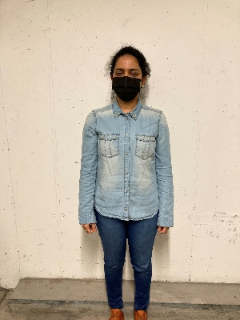 | 160
3 |  | H3 |  | 160
4 | Syed Ali | H4 |  | 160
5 | Sabin | H5 |  | 3760
6 | Paween | H6 |  | 3760
7 | Chimerie |  H7 |  | 2000
8 | Sweta |  H8 |  | 3600
9 | Mandar | H9 |  | 3600
10 | Farrukt | H10 |  | 1600
11 | Mashood | H11 | 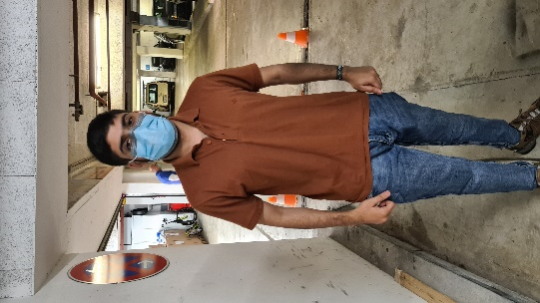 | 1600
12 | Abbad | H12 | 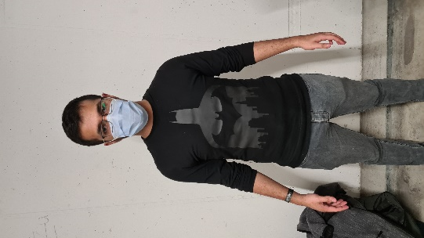 | 1600
13 | Daniel | H13 |  | 1600
14 | Haritha | H14

CM
Confusion Matrix

Target of classification | Empty

Case | Actual result | Classified Result |  | Predict Class | Empty | TP | FN
True Positive | Empty | Empty |  |  | Human | FP | TN
False Positive | Empty | Human |  |  |  | Empty | Human
False Negative | Human | Empty |  |  |  | True Class
True Negative | Human | Human

Original Data |  |  |  | Confusion Matrix of Original Data

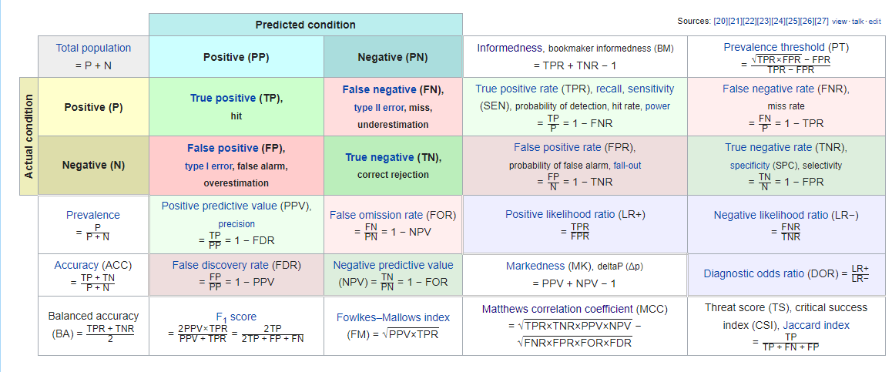
Case | Amount | Percent
Total Measurement | 41571 | 100.00
True Positive (TP) | 14194 | 34.14
False Negative (FN) | 5274 | 12.69
False Positive (FP) | 6306 | 15.17
True Negative (TN) | 15797 | 38.00

Predicted Positive (PP) | 20500
Predicted Negative (PN) | 21071
Positive (P) | 19468
Negative (N) | 22103

True Positive Rate (TPR) - Recall | 0.729 | 72.9
False Negative Rate (FNR) | 0.271 | 27.1
True Negative Rate (TNR) | 0.715 | 71.5
False Positive Rate (FPR) | 0.285 | 28.5
Positive Predictive Value (PPV) - Precision | 0.692 | 69.2
False Discovery Rate (FDR) | 0.308 | 30.8
Negative Predictive Value (NPV) | 0.750 | 75.0
False Omission Rate (FOR) | 0.250 | 25.0

Evaluation | Value
Accuracy | 0.721
F1_Score | 0.710

After Deleting first 10 rows of data from each file |  |  |  | Confusion Matrix of Processed Data

Case | Amount | Percent
Total Measurement | 34383 | 82.71
True Positive (TP) | 13620 | 32.76
False Negative (FN) | 3694 | 8.89
False Positive (FP) | 6060 | 14.58
True Negative (TN) | 11009 | 26.48

Predicted Positive (PP) | 19680
Predicted Negative (PN) | 14703
Positive (P) | 17314
Negative (N) | 17069

True Positive Rate (TPR) - Recall | 0.787 | 78.7
False Negative Rate (FNR) | 0.213 | 21.3
True Negative Rate (TNR) | 0.645 | 64.5
False Positive Rate (FPR) | 0.355 | 35.5
Positive Predictive Value (PPV) - Precision | 0.692 | 69.2
False Discovery Rate (FDR) | 0.308 | 30.8
Negative Predictive Value (NPV) | 0.749 | 74.9
False Omission Rate (FOR) | 0.251 | 25.1

Evaluation | Value
Accuracy | 0.716
F1_Score | 0.736

Confusion Matrix of diffrent Features

Feature No. | X | Y | Amount of data | Accuracy | Precision | Recall | F1-Score | Remarks
1 | 160 | 12000 | 1000 | 0.751 | 0.900 | 0.633 | 0.743
2 | 160 | 14000 | 1000 | 0.729 | 0.788 | 0.629 | 0.699
3 | 160 | 16000 | 1000 | 0.671 | 0.768 | 0.565 | 0.651
4 | 160 | 20000 | 1000 | 0.620 | 0.853 | 0.515 | 0.642
5 | 180 | 10000 | 1000 | 0.798 | 0.925 | 0.683 | 0.786
6 | 180 | 12000 | 600 | 0.843 | 0.965 | 0.828 | 0.891
7 | 180 | 14000 | 1000 | 0.682 | 0.905 | 0.564 | 0.695
8 | 200 | 10000 | 1000 | 0.726 | 0.808 | 0.621 | 0.702
9 | 200 | 12000 | 1000 | 0.568 | 0.825 | 0.477 | 0.604
10 | 200 | 14000 | 979 | 0.683 | 0.860 | 0.575 | 0.689
11 | 250 | 15000 | 1000 | 0.615 | 0.933 | 0.510 | 0.660

※Confusion Matrix of Each Feature can be founded below
Feature No.1 | 160 | 12000

Case | Amount | Percent
Total Measurement | 1000 | 2.41
True Positive (TP) | 360 | 0.87
False Negative (FN) | 209 | 0.50
False Positive (FP) | 40 | 0.10
True Negative (TN) | 391 | 0.94

Predicted Positive (PP) | 400
Predicted Negative (PN) | 600
Positive (P) | 569
Negative (N) | 431

True Positive Rate (TPR) - Recall | 0.633 | 63.3
False Negative Rate (FNR) | 0.367 | 36.7
True Negative Rate (TNR) | 0.907 | 90.7
False Positive Rate (FPR) | 0.093 | 9.3
Positive Predictive Value (PPV) - Precision | 0.900 | 90.0
False Discovery Rate (FDR) | 0.100 | 10.0
Negative Predictive Value (NPV) | 0.652 | 65.2
False Omission Rate (FOR) | 0.348 | 34.8

Evaluation | Value
Accuracy | 0.751
F1_Score | 0.74

Feature 2 | 160 | 14000

Case | Amount | Percent
Total Measurement | 1000 | 2.41
True Positive (TP) | 315 | 0.76
False Negative (FN) | 186 | 0.45
False Positive (FP) | 85 | 0.20
True Negative (TN) | 414 | 1.00

Predicted Positive (PP) | 400
Predicted Negative (PN) | 600
Positive (P) | 501
Negative (N) | 499

True Positive Rate (TPR) - Recall | 0.629 | 62.9
False Negative Rate (FNR) | 0.371 | 37.1
True Negative Rate (TNR) | 0.830 | 83.0
False Positive Rate (FPR) | 0.170 | 17.0
Positive Predictive Value (PPV) - Precision | 0.788 | 78.8
False Discovery Rate (FDR) | 0.213 | 21.3
Negative Predictive Value (NPV) | 0.690 | 69.0
False Omission Rate (FOR) | 0.310 | 31.0

Evaluation | Value
Accuracy | 0.729
F1_Score | 0.70

Feature 3 | 160 | 16000

Case | Amount | Percent
Total Measurement | 1000 | 2.41
True Positive (TP) | 307 | 0.74
False Negative (FN) | 236 | 0.57
False Positive (FP) | 93 | 0.22
True Negative (TN) | 364 | 0.88

Predicted Positive (PP) | 400
Predicted Negative (PN) | 600
Positive (P) | 543
Negative (N) | 457

True Positive Rate (TPR) - Recall | 0.565 | 56.5
False Negative Rate (FNR) | 0.435 | 43.5
True Negative Rate (TNR) | 0.796 | 79.6
False Positive Rate (FPR) | 0.204 | 20.4
Positive Predictive Value (PPV) - Precision | 0.768 | 76.8
False Discovery Rate (FDR) | 0.233 | 23.3
Negative Predictive Value (NPV) | 0.607 | 60.7
False Omission Rate (FOR) | 0.393 | 39.3

Evaluation | Value
Accuracy | 0.671
F1_Score | 0.65

Feature 4 | 160 | 20000

Case | Amount | Percent
Total Measurement | 1000 | 2.41
True Positive (TP) | 341 | 0.82
False Negative (FN) | 321 | 0.77
False Positive (FP) | 59 | 0.14
True Negative (TN) | 279 | 0.67

Predicted Positive (PP) | 400
Predicted Negative (PN) | 600
Positive (P) | 662
Negative (N) | 338

True Positive Rate (TPR) - Recall | 0.515 | 51.5
False Negative Rate (FNR) | 0.485 | 48.5
True Negative Rate (TNR) | 0.825 | 82.5
False Positive Rate (FPR) | 0.175 | 17.5
Positive Predictive Value (PPV) - Precision | 0.853 | 85.3
False Discovery Rate (FDR) | 0.148 | 14.8
Negative Predictive Value (NPV) | 0.465 | 46.5
False Omission Rate (FOR) | 0.535 | 53.5

Evaluation | Value
Accuracy | 0.62
F1_Score | 0.64

Feature 5 | 180 | 10000

Case | Amount | Percent
Total Measurement | 1000 | 2.41
True Positive (TP) | 370 | 0.89
False Negative (FN) | 172 | 0.41
False Positive (FP) | 30 | 0.07
True Negative (TN) | 428 | 1.03

Predicted Positive (PP) | 400
Predicted Negative (PN) | 600
Positive (P) | 542
Negative (N) | 458

True Positive Rate (TPR) - Recall | 0.683 | 68.3
False Negative Rate (FNR) | 0.317 | 31.7
True Negative Rate (TNR) | 0.934 | 93.4
False Positive Rate (FPR) | 0.066 | 6.6
Positive Predictive Value (PPV) - Precision | 0.925 | 92.5
False Discovery Rate (FDR) | 0.075 | 7.5
Negative Predictive Value (NPV) | 0.713 | 71.3
False Omission Rate (FOR) | 0.287 | 28.7

Evaluation | Value
Accuracy | 0.798
F1_Score | 0.79

Feature 6 | 180 | 12000

Case | Amount | Percent
Total Measurement | 600 | 1.44
True Positive (TP) | 386 | 0.93
False Negative (FN) | 80 | 0.19
False Positive (FP) | 14 | 0.03
True Negative (TN) | 120 | 0.29

Predicted Positive (PP) | 400
Predicted Negative (PN) | 200
Positive (P) | 466
Negative (N) | 134

True Positive Rate (TPR) - Recall | 0.828 | 82.8
False Negative Rate (FNR) | 0.172 | 17.2
True Negative Rate (TNR) | 0.896 | 89.6
False Positive Rate (FPR) | 0.104 | 10.4
Positive Predictive Value (PPV) - Precision | 0.965 | 96.5
False Discovery Rate (FDR) | 0.035 | 3.5
Negative Predictive Value (NPV) | 0.600 | 60.0
False Omission Rate (FOR) | 0.400 | 40.0

Evaluation | Value
Accuracy | 0.84333333333
F1_Score | 0.89

Feature 7 | 180 | 14000

Case | Amount | Percent
Total Measurement | 1000 | 2.41
True Positive (TP) | 362 | 0.87
False Negative (FN) | 280 | 0.67
False Positive (FP) | 38 | 0.09
True Negative (TN) | 320 | 0.77

Predicted Positive (PP) | 400
Predicted Negative (PN) | 600
Positive (P) | 642
Negative (N) | 358

True Positive Rate (TPR) - Recall | 0.564 | 56.4
False Negative Rate (FNR) | 0.436 | 43.6
True Negative Rate (TNR) | 0.894 | 89.4
False Positive Rate (FPR) | 0.106 | 10.6
Positive Predictive Value (PPV) - Precision | 0.905 | 90.5
False Discovery Rate (FDR) | 0.095 | 9.5
Negative Predictive Value (NPV) | 0.533 | 53.3
False Omission Rate (FOR) | 0.467 | 46.7

Evaluation | Value
Accuracy | 0.682
F1_Score | 0.69

Feature 8 | 200 | 10000

Case | Amount | Percent
Total Measurement | 1000 | 2.41
True Positive (TP) | 323 | 0.78
False Negative (FN) | 197 | 0.47
False Positive (FP) | 77 | 0.19
True Negative (TN) | 403 | 0.97

Predicted Positive (PP) | 400
Predicted Negative (PN) | 600
Positive (P) | 520
Negative (N) | 480

True Positive Rate (TPR) - Recall | 0.621 | 62.1
False Negative Rate (FNR) | 0.379 | 37.9
True Negative Rate (TNR) | 0.840 | 84.0
False Positive Rate (FPR) | 0.160 | 16.0
Positive Predictive Value (PPV) - Precision | 0.808 | 80.8
False Discovery Rate (FDR) | 0.193 | 19.3
Negative Predictive Value (NPV) | 0.672 | 67.2
False Omission Rate (FOR) | 0.328 | 32.8

Evaluation | Value
Accuracy | 0.726
F1_Score | 0.70

Feature 9 | 200 | 12000

Case | Amount | Percent
Total Measurement | 1000 | 2.41
True Positive (TP) | 330 | 0.79
False Negative (FN) | 362 | 0.87
False Positive (FP) | 70 | 0.17
True Negative (TN) | 238 | 0.57

Predicted Positive (PP) | 400
Predicted Negative (PN) | 600
Positive (P) | 692
Negative (N) | 308

True Positive Rate (TPR) - Recall | 0.477 | 47.7
False Negative Rate (FNR) | 0.523 | 52.3
True Negative Rate (TNR) | 0.773 | 77.3
False Positive Rate (FPR) | 0.227 | 22.7
Positive Predictive Value (PPV) - Precision | 0.825 | 82.5
False Discovery Rate (FDR) | 0.175 | 17.5
Negative Predictive Value (NPV) | 0.397 | 39.7
False Omission Rate (FOR) | 0.603 | 60.3

Evaluation | Value
Accuracy | 0.568
F1_Score | 0.60

Feature 10 | 200 | 14000

Case | Amount | Percent
Total Measurement | 979 | 2.36
True Positive (TP) | 344 | 0.83
False Negative (FN) | 254 | 0.61
False Positive (FP) | 56 | 0.13
True Negative (TN) | 325 | 0.78

Predicted Positive (PP) | 400
Predicted Negative (PN) | 579
Positive (P) | 598
Negative (N) | 381

True Positive Rate (TPR) - Recall | 0.575 | 57.5
False Negative Rate (FNR) | 0.425 | 42.5
True Negative Rate (TNR) | 0.853 | 85.3
False Positive Rate (FPR) | 0.147 | 14.7
Positive Predictive Value (PPV) - Precision | 0.860 | 86.0
False Discovery Rate (FDR) | 0.140 | 14.0
Negative Predictive Value (NPV) | 0.561 | 56.1
False Omission Rate (FOR) | 0.439 | 43.9

Evaluation | Value
Accuracy | 0.68335035751
F1_Score | 0.69

Feature 11 | 250 | 15000

Case | Amount | Percent
Total Measurement | 1000 | 2.41
True Positive (TP) | 373 | 0.90
False Negative (FN) | 358 | 0.86
False Positive (FP) | 27 | 0.06
True Negative (TN) | 242 | 0.58

Predicted Positive (PP) | 400
Predicted Negative (PN) | 600
Positive (P) | 731
Negative (N) | 269

True Positive Rate (TPR) - Recall | 0.510 | 51.0
False Negative Rate (FNR) | 0.490 | 49.0
True Negative Rate (TNR) | 0.900 | 90.0
False Positive Rate (FPR) | 0.100 | 10.0
Positive Predictive Value (PPV) - Precision | 0.933 | 93.3
False Discovery Rate (FDR) | 0.068 | 6.8
Negative Predictive Value (NPV) | 0.403 | 40.3
False Omission Rate (FOR) | 0.597 | 59.7

Evaluation | Value
Accuracy | 0.615
F1_Score | 0.66

CM-2
From this portion of data, we can see the efficiency for Threshold X = 180 and Y = 12000 is the highest no matter which variation we select. Below is the confusion matrix of the X = 180, Y =12000 when door is closed
Measurement Date | Threshold_X | Threshold_Y | Amount_of_data | Variations |  |  | Evaluation Result |  |  |  |  |  |  |  | ConfusionMatrix |  |  |  | Remarks
 |  |  |  | Door_status | Belt_status | Movement | Accuracy | Precision | Recall | F1-Score | TPR | FPR | TNR | FNR | TP | FP | FN | TN
2022.01.20 | 160 | 12000 | 1000 | All | withbelt | All | 0.751 | 0.9 | 0.63268892794 | 0.74303405573 | 0.63268892794 | 0.092807424594 | 0.90719257541 | 0.36731107206 | 360 | 40 | 209 | 391
 | 160 | 14000 | 1000 |  |  |  | 0.729 | 0.7875 | 0.62874251497 | 0.69922308546 | 0.62874251497 | 0.17034068136 | 0.82965931864 | 0.37125748503 | 315 | 85 | 186 | 414
 | 160 | 16000 | 1000 |  |  |  | 0.671 | 0.7675 | 0.56537753223 | 0.65111346766 | 0.56537753223 | 0.20350109409 | 0.79649890591 | 0.43462246777 | 307 | 93 | 236 | 364
 | 160 | 20000 | 1000 |  |  |  | 0.62 | 0.8525 | 0.51510574018 | 0.64218455744 | 0.51510574018 | 0.17455621302 | 0.82544378698 | 0.48489425982 | 341 | 59 | 321 | 279
 | 180 | 10000 | 1000 |  |  |  | 0.798 | 0.925 | 0.68265682657 | 0.7855626327 | 0.68265682657 | 0.065502183406 | 0.93449781659 | 0.31734317343 | 370 | 30 | 172 | 428
 | 180 | 12000 | 600 |  |  |  | 0.84333333333 | 0.965 | 0.82832618026 | 0.89145496536 | 0.82832618026 | 0.10447761194 | 0.89552238806 | 0.17167381974 | 386 | 14 | 80 | 120
 | 180 | 14000 | 1000 |  |  |  | 0.682 | 0.905 | 0.56386292835 | 0.69481765835 | 0.56386292835 | 0.1061452514 | 0.8938547486 | 0.43613707165 | 362 | 38 | 280 | 320
 | 200 | 10000 | 1000 |  |  |  | 0.726 | 0.8075 | 0.62115384615 | 0.70217391304 | 0.62115384615 | 0.16041666667 | 0.83958333333 | 0.37884615385 | 323 | 77 | 197 | 403
 | 200 | 12000 | 1000 |  |  |  | 0.568 | 0.825 | 0.47687861272 | 0.6043956044 | 0.47687861272 | 0.22727272727 | 0.77272727273 | 0.52312138728 | 330 | 70 | 362 | 238
 | 200 | 14000 | 1000 |  |  |  | 0.68335035751 | 0.86 | 0.57525083612 | 0.68937875752 | 0.57525083612 | 0.1469816273 | 0.8530183727 | 0.42474916388 | 344 | 56 | 254 | 325
 | 250 | 15000 | 1000 |  |  |  | 0.615 | 0.9325 | 0.51025991792 | 0.65959328028 | 0.51025991792 | 0.10037174721 | 0.89962825279 | 0.48974008208 | 373 | 27 | 358 | 242
 | 160 | 12000 | 800 | closed | withbelt | All | 0.7325 | 0.975 | 0.48267326733 | 0.64569536424 | 0.48267326733 | 0.012626262626 | 0.98737373737 | 0.51732673267 | 195 | 5 | 209 | 391
 | 160 | 14000 | 800 |  |  |  | 0.7675 | 1 | 0.51813471503 | 0.68259385666 | 0.51813471503 | 0 | 1 | 0.48186528497 | 200 | 0 | 186 | 414
 | 160 | 16000 | 800 |  |  |  | 0.69625 | 0.965 | 0.44988344988 | 0.61367249603 | 0.44988344988 | 0.018867924528 | 0.98113207547 | 0.55011655012 | 193 | 7 | 236 | 364
 | 160 | 20000 | 800 |  |  |  | 0.59875 | 1 | 0.38387715931 | 0.5547850208 | 0.38387715931 | 0 | 1 | 0.61612284069 | 200 | 0 | 321 | 279
 | 180 | 10000 | 800 |  |  |  | 0.77375 | 0.955 | 0.5261707989 | 0.6785079929 | 0.5261707989 | 0.020594965675 | 0.97940503432 | 0.4738292011 | 191 | 9 | 172 | 428
 | 180 | 12000 | 400 |  |  |  | 0.8 | 1 | 0.71428571429 | 0.83333333333 | 0.71428571429 | 0 | 1 | 0.28571428571 | 200 | 0 | 80 | 120
 | 180 | 14000 | 800 |  |  |  | 0.65 | 1 | 0.41666666667 | 0.58823529412 | 0.41666666667 | 0 | 1 | 0.58333333333 | 200 | 0 | 280 | 320
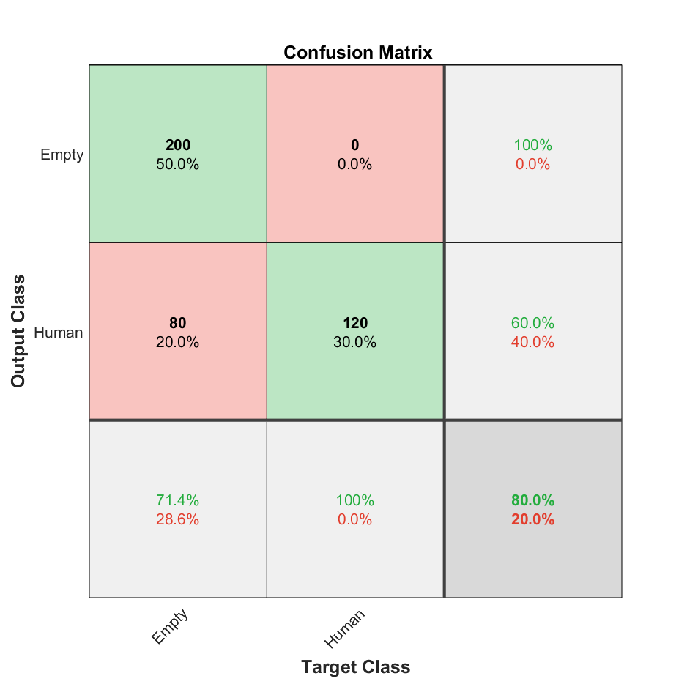
 | 200 | 10000 | 800 |  |  |  | 0.75375 | 1 | 0.50377833753 | 0.67001675042 | 0.50377833753 | 0 | 1 | 0.49622166247 | 200 | 0 | 197 | 403
 | 200 | 12000 | 800 |  |  |  | 0.5475 | 1 | 0.35587188612 | 0.5249343832 | 0.35587188612 | 0 | 1 | 0.64412811388 | 200 | 0 | 362 | 238
 | 200 | 14000 | 800 |  |  |  | 0.66623876765 | 0.97 | 0.43303571429 | 0.5987654321 | 0.43303571429 | 0.018126888218 | 0.98187311178 | 0.56696428571 | 194 | 6 | 254 | 325
 | 250 | 15000 | 800 |  |  |  | 0.5525 | 1 | 0.35842293907 | 0.52770448549 | 0.35842293907 | 0 | 1 | 0.64157706093 | 200 | 0 | 358 | 242
 | 160 | 12000 | 400 | closed | withbelt | movement | 0.965 | 0.975 | 0.95588235294 | 0.96534653465 | 0.95588235294 | 0.025510204082 | 0.97448979592 | 0.044117647059 | 195 | 5 | 9 | 191
 | 160 | 14000 | 400 |  |  |  | 0.86 | 1 | 0.78125 | 0.87719298246 | 0.78125 | 0 | 1 | 0.21875 | 200 | 0 | 56 | 144
 | 160 | 16000 | 400 |  |  |  | 0.825 | 0.965 | 0.75390625 | 0.84649122807 | 0.75390625 | 0.048611111111 | 0.95138888889 | 0.24609375 | 193 | 7 | 63 | 137
 | 160 | 20000 | 400 |  |  |  | 0.7275 | 1 | 0.64724919094 | 0.7858546169 | 0.64724919094 | 0 | 1 | 0.35275080906 | 200 | 0 | 109 | 91
 | 180 | 10000 | 400 |  |  |  | 0.9325 | 0.955 | 0.91387559809 | 0.93398533007 | 0.91387559809 | 0.047120418848 | 0.95287958115 | 0.086124401914 | 191 | 9 | 18 | 182
 | 180 | 12000 | 0 |  |  |  | - | - | - | - | - | - | - | - | - | - | - | -
 | 180 | 14000 | 400 |  |  |  | 0.8975 | 1 | 0.82987551867 | 0.90702947846 | 0.82987551867 | 0 | 1 | 0.17012448133 | 200 | 0 | 41 | 159
 | 200 | 10000 | 400 |  |  |  | 0.9275 | 1 | 0.87336244541 | 0.9324009324 | 0.87336244541 | 0 | 1 | 0.12663755459 | 200 | 0 | 29 | 171
 | 200 | 12000 | 400 |  |  |  | 0.7475 | 1 | 0.66445182724 | 0.79840319361 | 0.66445182724 | 0 | 1 | 0.33554817276 | 200 | 0 | 101 | 99
 | 200 | 14000 | 400 |  |  |  | 0.8575 | 0.97 | 0.79183673469 | 0.87191011236 | 0.79183673469 | 0.038709677419 | 0.96129032258 | 0.20816326531 | 194 | 6 | 51 | 149
 | 250 | 15000 | 400 |  |  |  | 0.8 | 1 | 0.71428571429 | 0.83333333333 | 0.71428571429 | 0 | 1 | 0.28571428571 | 200 | 0 | 80 | 120
 | 160 | 12000 | 600 | closed | withbelt | nomovement | 0.65833333333 | 0.975 | 0.49367088608 | 0.65546218487 | 0.49367088608 | 0.024390243902 | 0.9756097561 | 0.50632911392 | 195 | 5 | 200 | 200
 | 160 | 14000 | 600 |  |  |  | 0.78333333333 | 1 | 0.60606060606 | 0.75471698113 | 0.60606060606 | 0 | 1 | 0.39393939394 | 200 | 0 | 130 | 270
 | 160 | 16000 | 600 |  |  |  | 0.7 | 0.965 | 0.52732240437 | 0.68197879859 | 0.52732240437 | 0.029914529915 | 0.97008547009 | 0.47267759563 | 193 | 7 | 173 | 227
 | 160 | 20000 | 600 |  |  |  | 0.64666666667 | 1 | 0.4854368932 | 0.65359477124 | 0.4854368932 | 0 | 1 | 0.5145631068 | 200 | 0 | 212 | 188
 | 180 | 10000 | 600 |  |  |  | 0.72833333333 | 0.955 | 0.55362318841 | 0.70091743119 | 0.55362318841 | 0.035294117647 | 0.96470588235 | 0.44637681159 | 191 | 9 | 154 | 246
 | 180 | 12000 | 400 |  |  |  | 0.8 | 1 | 0.71428571429 | 0.83333333333 | 0.71428571429 | 0 | 1 | 0.28571428571 | 200 | 0 | 80 | 120
 | 180 | 14000 | 600 |  |  |  | 0.60166666667 | 1 | 0.4555808656 | 0.62597809077 | 0.4555808656 | 0 | 1 | 0.5444191344 | 200 | 0 | 239 | 161
 | 200 | 10000 | 600 |  |  |  | 0.72 | 1 | 0.54347826087 | 0.70422535211 | 0.54347826087 | 0 | 1 | 0.45652173913 | 200 | 0 | 168 | 232
 | 200 | 12000 | 600 |  |  |  | 0.565 | 1 | 0.43383947939 | 0.60514372163 | 0.43383947939 | 0 | 1 | 0.56616052061 | 200 | 0 | 261 | 139
 | 200 | 14000 | 600 |  |  |  | 0.6390328152 | 0.97 | 0.48866498741 | 0.64991624791 | 0.48866498741 | 0.032967032967 | 0.96703296703 | 0.51133501259 | 194 | 6 | 203 | 176
 | 250 | 15000 | 600 |  |  |  | 0.53666666667 | 1 | 0.41841004184 | 0.58997050147 | 0.41841004184 | 0 | 1 | 0.58158995816 | 200 | 0 | 278 | 122

From this portion of data, we can see the efficiency for Threshold X = 170 and Y = 11000 or 12000 for all variations Below is the confusion matrix of the X = 170, Y =11000 (left) and X = 170, Y =12000 right) and when door is closed
2022.02.04 | 180 | 11000 | 3200 | All | All | All | 0.8290625 |  | 0 | 0 | 0 | 0 | 1 | 1 | 0 | 0 | 547 | 2653
 | 180 | 12000 | 6400 |  |  |  | 0.825625 | 0.94875 | 0.76128385155 | 0.84474123539 | 0.76128385155 | 0.067993366501 | 0.9320066335 | 0.23871614845 | 3036 | 164 | 952 | 2248
 | 180 | 11000 | 1600 | closed | All | All | 0.83 |  | 0 | 0 | 0 | 0 | 1 | 1 | 0 | 0 | 272 | 1328
 | 180 | 12000 | 3200 |  |  |  | 0.8190625 | 0.8975 | 0.77579686656 | 0.83222254419 | 0.77579686656 | 0.12157153447 | 0.87842846553 | 0.22420313344 | 1436 | 164 | 415 | 1185
 | 180 | 11000 | 800 | closed | withbelt | All | 0.8325 |  | 0 | 0 | 0 | 0 | 1 | 1 | 0 | 0 | 134 | 666
 | 180 | 12000 | 2400 |  |  |  | 0.89958333333 | 0.8975 | 0.94910773298 | 0.92258271764 | 0.94910773298 | 0.18489289741 | 0.81510710259 | 0.050892267019 | 1436 | 164 | 77 | 723
 | 180 | 11000 | 400 | closed | withbelt | movement | 0.92 |  | 0 | 0 | 0 | 0 | 1 | 1 | 0 | 0 | 32 | 368
 | 180 | 12000 | 2000 |  |  |  | 0.911 | 0.8975 | 0.99034482759 | 0.94163934426 | 0.99034482759 | 0.29818181818 | 0.70181818182 | 0.0096551724138 | 1436 | 164 | 14 | 386
 | 180 | 11000 | 400 | closed | withbelt | nomovement | 0.745 |  | 0 | 0 | 0 | 0 | 1 | 1 | 0 | 0 | 102 | 298
 | 180 | 12000 | 2000 |  |  |  | 0.8865 | 0.8975 | 0.95797198132 | 0.9267505647 | 0.95797198132 | 0.32734530938 | 0.67265469062 | 0.042028018679 | 1436 | 164 | 63 | 337

2022.02.11 | 160 | 11000 | 6400 | closed | All | All | 0.796875 | 0.831875 | 0.77745327103 | 0.80374396135 | 0.77745327103 | 0.18077956989 | 0.81922043011 | 0.22254672897 | 2662 | 538 | 762 | 2438
 | 160 | 13000 | 6400 |  |  |  | 0.75421875 | 0.8009375 | 0.73249499857 | 0.76518883415 | 0.73249499857 | 0.21957945536 | 0.78042054464 | 0.26750500143 | 2563 | 637 | 936 | 2264
 | 170 | 11000 | 6400 |  |  |  | 0.8259375 | 0.9275 | 0.77090909091 | 0.8419858156 | 0.77090909091 | 0.090980392157 | 0.90901960784 | 0.22909090909 | 2968 | 232 | 882 | 2318

 | 170 | 12000 | 6400 |  |  |  | 0.8178125 | 0.949375 | 0.75160811479 | 0.83899475283 | 0.75160811479 | 0.068702290076 | 0.93129770992 | 0.24839188521 | 3038 | 162 | 1004 | 2196

 | 170 | 13000 | 6400 |  |  |  | 0.7821875 | 0.8071875 | 0.76875 | 0.7875 | 0.76875 | 0.20296052632 | 0.79703947368 | 0.23125 | 2583 | 617 | 777 | 2423
 | 180 | 11000 | 6400 |  |  |  | 0.7234375 | 0.645 | 0.76501111935 | 0.6998982706 | 0.76501111935 | 0.30686115613 | 0.69313884387 | 0.23498888065 | 2064 | 1136 | 634 | 2566
 | 180 | 13000 | 1600 |  |  |  | 0.69375 |  | 0 | 0 | 0 | 0 | 1 | 1 | 0 | 0 | 490 | 1110
 | 160 | 11000 | 4800 | closed | withbelt | All | 0.80625 | 0.831875 | 0.87164374591 | 0.85129517109 | 0.87164374591 | 0.30813287514 | 0.69186712486 | 0.12835625409 | 2662 | 538 | 392 | 1208
 | 160 | 13000 | 4800 |  |  |  | 0.75375 | 0.8009375 | 0.82464607465 | 0.81261889664 | 0.82464607465 | 0.37647754137 | 0.62352245863 | 0.17535392535 | 2563 | 637 | 545 | 1055
 | 170 | 11000 | 4800 |  |  |  | 0.86854166667 | 0.9275 | 0.8814968815 | 0.90391350693 | 0.8814968815 | 0.16189811584 | 0.83810188416 | 0.1185031185 | 2968 | 232 | 399 | 1201
 | 170 | 12000 | 4800 |  |  |  | 0.84354166667 | 0.949375 | 0.83760683761 | 0.88999560568 | 0.83760683761 | 0.13810741688 | 0.86189258312 | 0.16239316239 | 3038 | 162 | 589 | 1011
 | 170 | 13000 | 4800 |  |  |  | 0.7875 | 0.8071875 | 0.86503683858 | 0.83511154219 | 0.86503683858 | 0.3401323043 | 0.6598676957 | 0.13496316142 | 2583 | 617 | 403 | 1197
 | 180 | 11000 | 4800 |  |  |  | 0.68479166667 | 0.645 | 0.84555510037 | 0.73178514448 | 0.84555510037 | 0.48155998304 | 0.51844001696 | 0.15444489963 | 2064 | 1136 | 377 | 1223
 | 180 | 13000 | 800 |  |  |  | 0.7175 |  | 0 | 0 | 0 | 0 | 1 | 1 | 0 | 0 | 226 | 574
 | 160 | 11000 | 4000 | closed | withbelt | movement | 0.85575 | 0.831875 | 0.98556090337 | 0.90221996272 | 0.98556090337 | 0.41416474211 | 0.58583525789 | 0.014439096631 | 2662 | 538 | 39 | 761
 | 160 | 13000 | 4000 |  |  |  | 0.812 | 0.8009375 | 0.9570575056 | 0.87206532834 | 0.9570575056 | 0.48184568835 | 0.51815431165 | 0.042942494399 | 2563 | 637 | 115 | 685
 | 170 | 11000 | 4000 |  |  |  | 0.9315 | 0.9275 | 0.98604651163 | 0.95587761675 | 0.98604651163 | 0.23434343434 | 0.76565656566 | 0.013953488372 | 2968 | 232 | 42 | 758
 | 170 | 12000 | 4000 |  |  |  | 0.93875 | 0.949375 | 0.97340595963 | 0.96124031008 | 0.97340595963 | 0.1843003413 | 0.8156996587 | 0.026594040372 | 3038 | 162 | 83 | 717
 | 170 | 13000 | 4000 |  |  |  | 0.82875 | 0.8071875 | 0.97434930215 | 0.88292599556 | 0.97434930215 | 0.45737583395 | 0.54262416605 | 0.02565069785 | 2583 | 617 | 68 | 732
 | 180 | 11000 | 4000 |  |  |  | 0.691 | 0.645 | 0.95378927911 | 0.76957494407 | 0.95378927911 | 0.61873638344 | 0.38126361656 | 0.046210720887 | 2064 | 1136 | 100 | 700
 | 180 | 13000 | 400 |  |  |  | 0.8975 |  | 0 | 0 | 0 | 0 | 1 | 1 | 0 | 0 | 41 | 359

From this portion of data, we fixed threshold Y = 1000 and keep changing X with step of 50. The evaluation show promising result betweenn X = 150 - 200 and Y = 1000. Therefore we decrease the step to 10 and pursue the measurement with 200 +- 10 with (2021.02.18 Part 2 Below)
2022.02.18 | 50 | 1000 | 1600 | closed | withbelt | movement | 0.5175 | 0.035 | 1 | 0.067632850242 | 1 | 0.49109414758 | 0.50890585242 | 0 | 28 | 772 | 0 | 800
 | 100 | 1000 | 1600 |  |  |  | 0.885625 | 0.7775 | 0.99202551834 | 0.87175893483 | 0.99202551834 | 0.1829393628 | 0.8170606372 | 0.0079744816587 | 622 | 178 | 5 | 795
 | 150 | 1000 | 1600 |  |  |  | 0.92625 | 0.875 | 0.97493036212 | 0.92226613966 | 0.97493036212 | 0.11337868481 | 0.88662131519 | 0.025069637883 | 700 | 100 | 18 | 782
 | 200 | 1000 | 1600 |  |  |  | 0.99125 | 1 | 0.9828009828 | 0.99132589839 | 0.9828009828 | 0 | 1 | 0.017199017199 | 800 | 0 | 14 | 786
 | 250 | 1000 | 1600 |  |  |  | 0.7725 | 0.6675 | 0.84493670886 | 0.74581005587 | 0.84493670886 | 0.27479338843 | 0.72520661157 | 0.15506329114 | 534 | 266 | 98 | 702
 | 300 | 1000 | 1600 |  |  |  | 0.871875 | 0.99 | 0.80080889788 | 0.88541084405 | 0.80080889788 | 0.013093289689 | 0.98690671031 | 0.19919110212 | 792 | 8 | 197 | 603
 | 350 | 1000 | 1600 |  |  |  | 0.824375 | 1 | 0.74005550416 | 0.85061137693 | 0.74005550416 | 0 | 1 | 0.25994449584 | 800 | 0 | 281 | 519
 | 50 | 1000 | 1200 | closed | nobelt | movement | 0.35666666667 | 0.035 | 1 | 0.067632850242 | 1 | 0.65870307167 | 0.34129692833 | 0 | 28 | 772 | 0 | 400
 | 100 | 1000 | 1200 |  |  |  | 0.85 | 0.7775 | 0.99679487179 | 0.87359550562 | 0.99679487179 | 0.30902777778 | 0.69097222222 | 0.0032051282051 | 622 | 178 | 2 | 398
 | 150 | 1000 | 1200 |  |  |  | 0.905 | 0.875 | 0.98039215686 | 0.92470277411 | 0.98039215686 | 0.20576131687 | 0.79423868313 | 0.019607843137 | 700 | 100 | 14 | 386
 | 200 | 1000 | 1200 |  |  |  | 0.99083333333 | 1 | 0.98643649815 | 0.99317194289 | 0.98643649815 | 0 | 1 | 0.01356350185 | 800 | 0 | 11 | 389
 | 250 | 1000 | 1200 |  |  |  | 0.72916666667 | 0.6675 | 0.90050590219 | 0.76669059584 | 0.90050590219 | 0.43822075783 | 0.56177924217 | 0.099494097808 | 534 | 266 | 59 | 341
 | 300 | 1000 | 1200 |  |  |  | 0.89916666667 | 0.99 | 0.87513812155 | 0.92903225806 | 0.87513812155 | 0.027118644068 | 0.97288135593 | 0.12486187845 | 792 | 8 | 113 | 287
 | 350 | 1000 | 1200 |  |  |  | 0.89083333333 | 1 | 0.85929108485 | 0.92432120162 | 0.85929108485 | 0 | 1 | 0.14070891515 | 800 | 0 | 131 | 269

2022.02.18 Part2 | 160 | 1000 | 3200 | closed | All | All | 0.8771875 | 0.959375 | 0.82393988191 | 0.88651458273 | 0.82393988191 | 0.048616305161 | 0.95138369484 | 0.17606011809 | 1535 | 65 | 328 | 1272
 | 170 | 1000 | 3200 |  |  |  | 0.78625 | 0.71 | 0.83775811209 | 0.76860622463 | 0.83775811209 | 0.25162689805 | 0.74837310195 | 0.16224188791 | 1136 | 464 | 220 | 1380
 | 180 | 1000 | 3200 |  |  |  | 0.6884375 | 0.6075 | 0.72483221477 | 0.66099965998 | 0.72483221477 | 0.33781603012 | 0.66218396988 | 0.27516778523 | 972 | 628 | 369 | 1231
 | 190 | 1000 | 3200 |  |  |  | 0.7240625 | 0.82125 | 0.68759811617 | 0.74850469952 | 0.68759811617 | 0.22187742436 | 0.77812257564 | 0.31240188383 | 1314 | 286 | 597 | 1003
 | 200 | 1000 | 1600 |  |  |  | 0.99125 | 1 | 0.9828009828 | 0.99132589839 | 0.9828009828 | 0 | 1 | 0.017199017199 | 800 | 0 | 14 | 786 | Retrieve from 2022.02.18
 | 210 | 1000 | 3200 |  |  |  | 0.8228125 | 1 | 0.73834794647 | 0.84948234669 | 0.73834794647 | 0 | 1 | 0.26165205353 | 1600 | 0 | 567 | 1033
 | 220 | 1000 | 3200 |  |  |  | 0.7021875 | 0.726875 | 0.69267421084 | 0.70936261055 | 0.69267421084 | 0.28731097962 | 0.71268902038 | 0.30732578916 | 1163 | 437 | 516 | 1084
 | 230 | 1000 | 3200 |  |  |  | 0.78625 | 0.9875 | 0.70409982175 | 0.8220603538 | 0.70409982175 | 0.020920502092 | 0.97907949791 | 0.29590017825 | 1580 | 20 | 664 | 936
 | 160 | 1000 | 2400 | closed | withbelt | All | 0.92083333333 | 0.959375 | 0.92469879518 | 0.94171779141 | 0.92469879518 | 0.087837837838 | 0.91216216216 | 0.075301204819 | 1535 | 65 | 125 | 675
 | 170 | 1000 | 2400 |  |  |  | 0.78083333333 | 0.71 | 0.94824707846 | 0.81200857756 | 0.94824707846 | 0.38602329451 | 0.61397670549 | 0.051752921536 | 1136 | 464 | 62 | 738
From this portion of data, we found the good result between X = 200 and 210 with the all data.
 | 180 | 1000 | 2400 |  |  |  | 0.67333333333 | 0.6075 | 0.86170212766 | 0.71260997067 | 0.86170212766 | 0.49371069182 | 0.50628930818 | 0.13829787234 | 972 | 628 | 156 | 644
 | 190 | 1000 | 2400 |  |  |  | 0.76583333333 | 0.82125 | 0.82641509434 | 0.82382445141 | 0.82641509434 | 0.35308641975 | 0.64691358025 | 0.17358490566 | 1314 | 286 | 276 | 524
 | 200 | 1000 | 1600 |  |  |  | 0.99125 | 1 | 0.9828009828 | 0.99132589839 | 0.9828009828 | 0 | 1 | 0.017199017199 | 800 | 0 | 14 | 786 | Retrieve from 2022.02.18
 | 210 | 1000 | 2400 |  |  |  | 0.87833333333 | 1 | 0.84566596195 | 0.91638029782 | 0.84566596195 | 0 | 1 | 0.15433403805 | 1600 | 0 | 292 | 508
 | 220 | 1000 | 2400 |  |  |  | 0.7325 | 0.726875 | 0.85014619883 | 0.78369272237 | 0.85014619883 | 0.4234496124 | 0.5765503876 | 0.14985380117 | 1163 | 437 | 205 | 595
 | 230 | 1000 | 2400 |  |  |  | 0.83125 | 0.9875 | 0.80407124682 | 0.88639551192 | 0.80407124682 | 0.045977011494 | 0.95402298851 | 0.19592875318 | 1580 | 20 | 385 | 415 |  | Confusion Matrix | X = 200 | Y = 1000
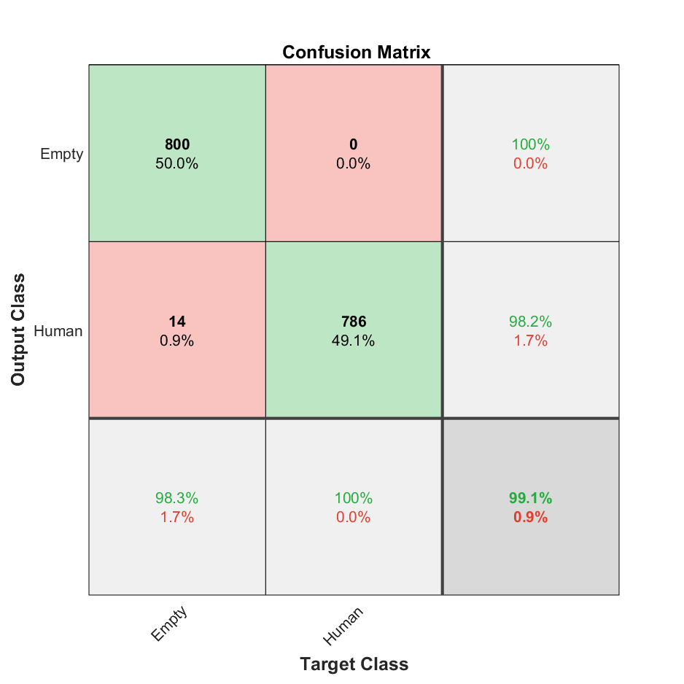
 | 160 | 1000 | 2000 | closed | withbelt | movement | 0.967 | 0.959375 | 0.99934895833 | 0.97895408163 | 0.99934895833 | 0.1400862069 | 0.8599137931 | 0.00065104166667 | 1535 | 65 | 1 | 399
 | 170 | 1000 | 2000 |  |  |  | 0.7645 | 0.71 | 0.99387576553 | 0.82829019322 | 0.99387576553 | 0.5414235706 | 0.4585764294 | 0.0061242344707 | 1136 | 464 | 7 | 393
 | 180 | 1000 | 2000 |  |  |  | 0.6785 | 0.6075 | 0.98480243161 | 0.75144955547 | 0.98480243161 | 0.61994076999 | 0.38005923001 | 0.015197568389 | 972 | 628 | 15 | 385
 | 190 | 1000 | 2000 |  |  |  | 0.8505 | 0.82125 | 0.99020346647 | 0.89784762556 | 0.99020346647 | 0.4249628529 | 0.5750371471 | 0.0097965335343 | 1314 | 286 | 13 | 387
 | 200 | 1000 | 1200 |  |  |  | 0.99083333333 | 1 | 0.98643649815 | 0.99317194289 | 0.98643649815 | 0 | 1 | 0.01356350185 | 800 | 0 | 11 | 389 | Retrieve from 2022.02.18
 | 210 | 1000 | 2000 |  |  |  | 0.9865 | 1 | 0.98340503995 | 0.99163309575 | 0.98340503995 | 0 | 1 | 0.016594960049 | 1600 | 0 | 27 | 373
 | 220 | 1000 | 2000 |  |  |  | 0.766 | 0.726875 | 0.97403685092 | 0.83249821045 | 0.97403685092 | 0.54218362283 | 0.45781637717 | 0.025963149079 | 1163 | 437 | 31 | 369
 | 230 | 1000 | 2000 |  |  |  | 0.973 | 0.9875 | 0.97893432466 | 0.98319850653 | 0.97893432466 | 0.051813471503 | 0.9481865285 | 0.021065675341 | 1580 | 20 | 34 | 366

