Demo
1. Use Discrete Returns for performance reporting
2. Use log returns for modeling
Simple: R_t = V_t / V_t-1 - 1
Log: r_t = ln(V_t / V_t-1)
Convert simple to log: r = ln(1+R)
Convert log to simple: R = exp(r) - 1
Log returns for modeling because they have properties that are more like Gaussian:
i) symmetric (e.g. 10% log return followed by -10% log return gets you back to starting wealth)
ii) time additive (i.e. log of week's returns is the sum of daily log returns)

Use Discrete Returns for Performance Reporting

 |  |  |  | Recreate Wealth
Days | Wealth | R | r | via R | via r
0 | 100 |  |  | 100 | 100
1 | 101 | 0.01 | 0.0099503308532 | 101 | 100.99503309
2 | 98.5 | -0.024752475248 | -0.025063968663 | 98.5 | 98.463696741
3 | 99.75 | 0.01269035533 | 0.012610507592 | 99.75 | 99.705373936
4 | 98.5 | -0.012531328321 | -0.012610507592 | 98.5 | 98.448038561
5 | 100.5 | 0.020304568528 | 0.020101179321 | 100.5 | 100.42696024

Log Returns are additive

Days | Wealth | R | 1+R | r | R via r
0 | 100
1 | 101 | 0.01 | 1.01 | 0.0099503308532 | 0.01
2 | 98.5 | -0.024752475248 | 0.97524752475 | -0.025063968663 | -0.024752475248
3 | 99.75 | 0.01269035533 | 1.0126903553 | 0.012610507592 | 0.01269035533
4 | 98.5 | -0.012531328321 | 0.98746867168 | -0.012610507592 | -0.012531328321
5 | 100.5 | 0.020304568528 | 1.0203045685 | 0.020101179321 | 0.020304568528
Sum |  | 0.0057111202895 |  | 0.004987541511
Product |  |  | 0.005
Discrete Total Return | 0.005
Log Total Return | 0.004987541511
 |  |  |  |  | 0.005

Log Returns are symmetric

Days | Wealth | R |  |  | Wealth | r | R
0 | 100 |  |  |  | 100
1 | 120 | 0.2 |  |  | 122.14027582 | 0.2 | 0.221
2 | 96 | -0.2 |  |  | 100 | -0.2 | -0.181

In a coding exercise, we might do something like this:
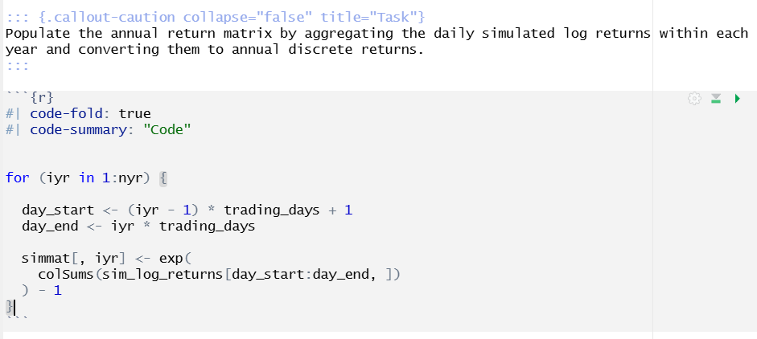

Let's verify in a small scale, going from days to weeks over 3 paths.

Daily Log Returns (from Data Generation Tool) |  |  |  |  |  | Daily Log Returns (scaled in decimal) |  |  | Weekly Returns
 | Paths |  |  |  |  | Paths |  |  |  | Week
Days | 1 | 2 | 3 |  | Days | 1 | 2 | 3 | Path | 1 | 2
1 | -2.2136009648 | 0.2056538051 | 0.53656094678 |  | 1 | -0.022136009648 | 0.002056538051 | 0.0053656094678 | 1 | -0.0095158054442 | 0.016372868572
2 | -0.25356825972 | 2.2467065719 | -1.2835880625 |  | 2 | -0.0025356825972 | 0.022467065719 | -0.012835880625 | 2 | 0.044580933865 | 0.012020753247
3 | 1.5415935195 | 2.780216164 | -0.53056282923 |  | 3 | 0.015415935195 | 0.02780216164 | -0.0053056282923 | 3 | -0.017929622081 | 0.017416133864
4 | 1.0645999282 | 0.31458739613 | -1.997432264 |  | 4 | 0.010645999282 | 0.0031458739613 | -0.01997432264
5 | -1.0951612239 | -1.1855854609 | 1.4657916836 |  | 5 | -0.010951612239 | -0.011855854609 | 0.014657916836
6 | 0.16929334379 | 1.5438536138 | 1.8020637071 |  | 6 | 0.0016929334379 | 0.015438536138 | 0.018020637071
7 | 1.7913043848 | 0.67975634011 | -0.024826931622 |  | 7 | 0.017913043848 | 0.0067975634011 | -0.00024826931622
8 | -1.3823137124 | -2.0245897758 | -1.169821644 |  | 8 | -0.013823137124 | -0.020245897758 | -0.01169821644
9 | -0.31097215469 | 0.12898908608 | 1.1099109543 |  | 9 | -0.0031097215469 | 0.0012898908608 | 0.011099109543
10 | 1.356715984 | 0.86689851742 | 0.0092950358521 |  | 10 | 0.01356715984 | 0.0086689851742 | 9.2950358521E-05

