Feeding
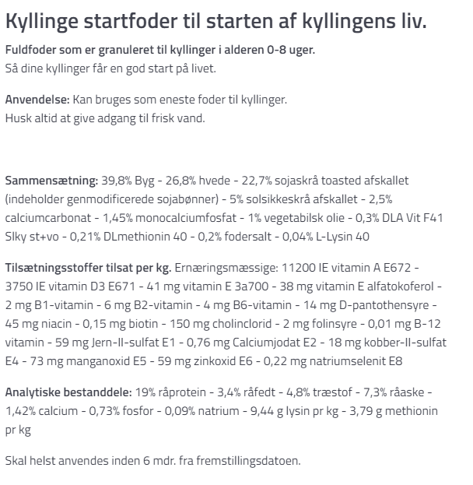
Light programme:
Dark from 23.00-06.00
Dim: 22.00-23.00 and 05.00-06.00
Light: 06.00 - 22.00

Temp:

RH%:

Feed:
Kyllinge starterfoder (Brogården)

