General Info
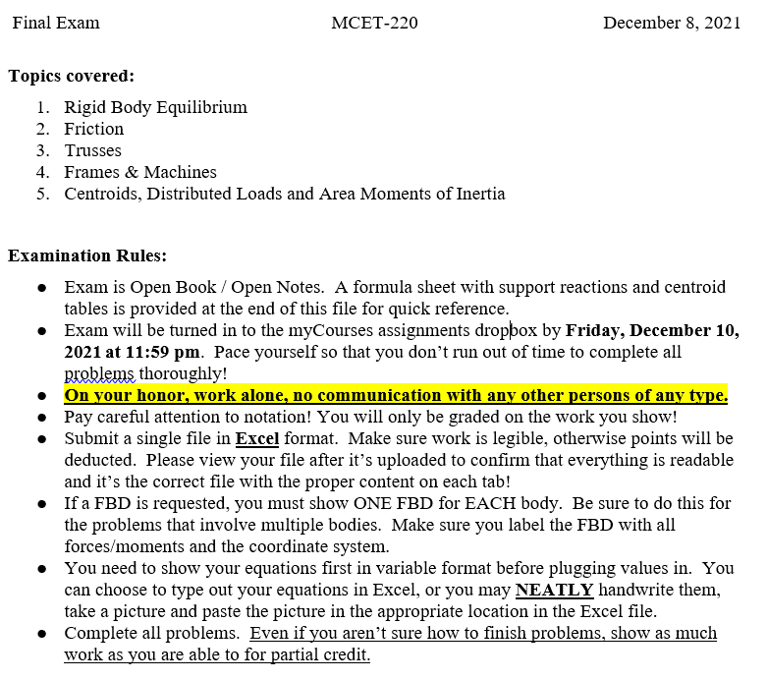

Problem 1
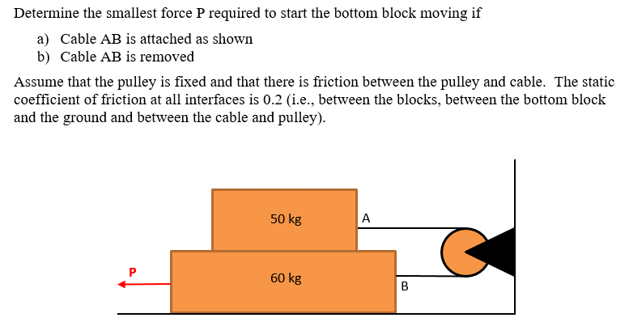
Problem 1 (20 pts) |  |  |  |  | PLEASE DON'T ADD MORE ROWS FOR SOLVING THE PROBLEM.
 |  |  |  |  | IF MORE SPACE IS NEEDED PLEASE USE THIS AREA.

Inputs - List values to be used for calculations below
Name | Value | Units
mA | 50 | kg
mB | 50 | kg
μ | 0.2
g | 9.81 | m/s^2
β | 180 | °

Calculations - Use this space for any intermediate calculations from the inputs
Name | Value | Units
WA | 490.5 | N
WB | 490.5 | N

Find
Part a) Determine the smallest force P required to start the block moving if the Cable AB is attached as shown
FBD(s) and assumptions - copy/paste hand sketch or use drawing tools (3 pts)

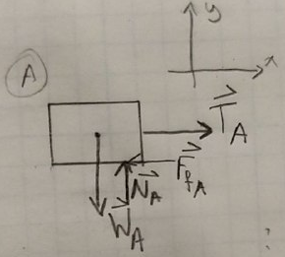
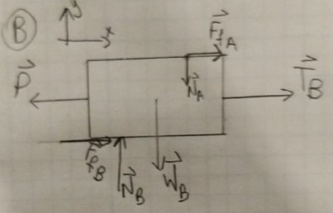
 |  |  |  | Rigid bodies
 |  |  |  | 2D bodies
 |  |  |  | weightless rope

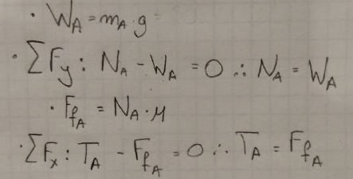

Equilibrium and Other Equations and Results - Type or handwrite your equations and copy/paste here (9 pts)

Find equations to the right.

 |  |  |  |  |  | Formula from slides

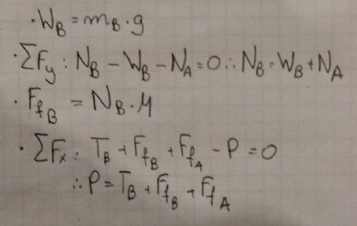
Based on above equations input the calculations for your solutions below. Don't forget the units.
Description | Calculation | Units
Normal Force Between Blocks = | 490.5 | N
Friction Force Between Blocks = | 98.1 | N
Cable Tension at Top Block = | 98.1 | N
Cable Tension at Bottom Block = | 183.88414219 | N
Normal Force Between Block and Floor = | 981 | N
Friction Force Between Block and Floor = | 196.2 | N
Force, P = | 478.18414219 | N

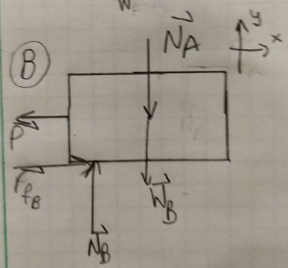
Part b) Determine the smallest force P required to start the block moving if the Cable AB is removed
FBD(s) and assumptions - copy/paste hand sketch or use drawing tools (3 pts) |  |  | Assume:
 |  |  | Rigid bodies
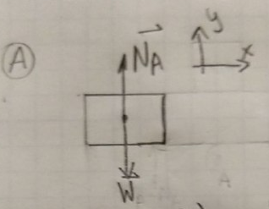
 |  |  | 2D bodies

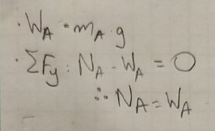

Equilibrium and Other Equations and Results - Type or handwrite your equations and copy/paste here (5 pts)

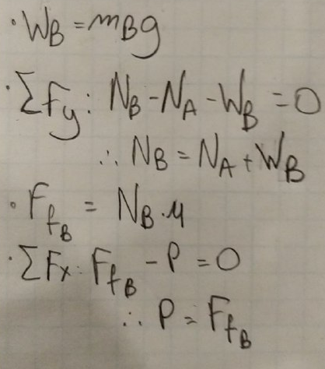
 | NA = | 490.5
Find equations to the right.

Based on above equations input the calculations for your solutions below. Don't forget the units.
Description | Calculation | Units
Normal Force Between Block and Floor = | 981 | N
Friction Force Between Block and Floor = | 196.2 | N
Force, P = | 196.2 | N

Problem 2
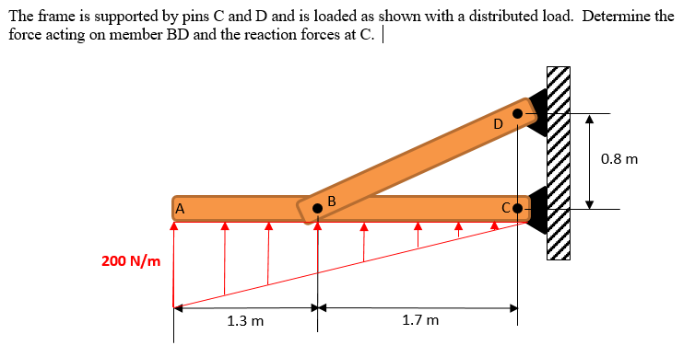
Problem 2 (20 pts) |  |  |  | PLEASE DON'T ADD MORE ROWS FOR SOLVING THE PROBLEM.
 |  |  |  | IF MORE SPACE IS NEEDED PLEASE USE THIS AREA.

Inputs - List values to be used for calculations below
Name | Value | Units
W | 200 | N
α | 25.201123645 | °

Calculations - Use this space for any intermediate calculations from the inputs
Name | Value | Units

Find
Determine the force acting on member BD and reaction forces at C. Report magnitude and direction.
FBD and assumptions - copy/paste hand sketch or use drawing tools (5 pts)
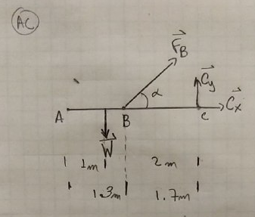
 |  |  | Assume:
 |  |  | Ridig bodies
 |  |  | ideal pins
 |  |  | 2D bodies

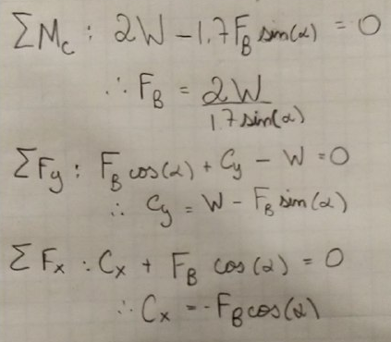

Equilibrium and Other Equations and Results - Type or handwrite your equations and copy/paste here (15 pts)

Based on above equations input the calculations for your solutions below. Don't forget the units.
Description | Calculation | Units
Resultant Force on ABC | 200 | N
Location of Resultant Force | 1 | m
FBD = | 552.59688906 | N | I called it FB on my FBD and equations
Theta BD = | 25.201123645 | °
Cx = | -500 | N | I drew it in the wrong direction on the FBD
Cy = | -35.294117647 | N | I drew it in the wrong direction on the FBD
Magnitidue C = | 501.24412689 | N
Theta C = | 4.037710621 | ° | from positive x-axis

Problem 3
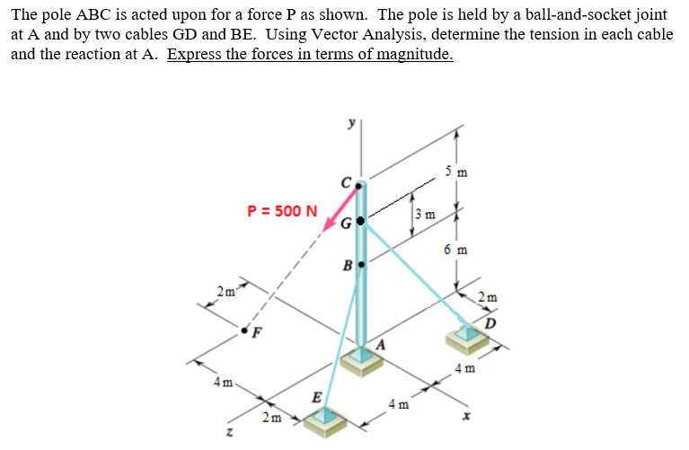
Problem 3 (20 pts) |  |  |  |  |  |  |  |  |  |  | PLEASE DON'T ADD MORE ROWS FOR SOLVING THE PROBLEM.
 |  |  |  |  |  |  |  |  |  |  | IF MORE SPACE IS NEEDED PLEASE USE THIS AREA.

Inputs - List values to be used for calculations in part c) below
Name | Value | Units
FC | 500 | N

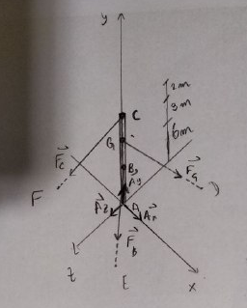
Find
FBD and assumptions - copy/paste hand sketch or use drawing tools (4 pts)
 |  |  |  |  |  | Assume
 |  |  |  |  |  | Ideal joint and ideal cord
 |  |  |  |  |  | Rigid rod
 |  |  |  |  |  | 1D rod

List coordinates
 | i | j | k
A | 0 | 0 | 0
B | 0 | 6 | 0
C | 0 | 11 | 0
D | 2 | 0 | -4
E | 2 | 0 | 4
F | -4 | 0 | 2
G | 0 | 9 | 0

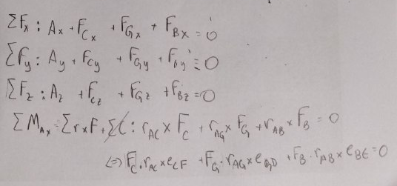
Equilibrium and Other Equations and Results - Type or handwrite your equations and copy/paste here (8 pts)
You are also encouraged to use this area to calculate your position and unit vectors and to perform any
intermediate calculations required to write your Equilibrium Equations. Label your calculations.
Description | Calculation
Equations to the right.

 | i | j | k |  | |rCF| = | 11.874342087
rAC | 0 | 11 | 0 |  | |rGD| = | 10.049875621
rAG | 0 | 9 | 0 |  | |rBE| = | 7.4833147735
rAB | 0 | 6 | 0
rCF | -4 | -11 | 2
rGD | 2 | -9 | -4
rBE | 2 | -6 | 4
eCF | -0.33686076843 | -0.92636711317 | 0.16843038421
eGD | 0.19900743804 | -0.89553347119 | -0.39801487608
eBE | 0.26726124191 | -0.80178372574 | 0.53452248382

 |  | i | j | k |  | i | j | k
rAG x eGD = | det ( | 0 | 9 | 0 | ) = | -3.5821338848 | 0 | -1.7910669424
 |  | 0.19900743804 | -0.89553347119 | -0.39801487608

 |  | i | j | k |  | i | j | k
rAC x eCF = | det ( | 0 | 11 | 0 | ) = | 1.8527342263 | 0 | 3.7054684527
 |  | -0.33686076843 | -0.92636711317 | 0.16843038421

 |  | i | j | k |  | i | j | k
rAB x eBE = | det ( | 0 | 6 | 0 | ) = | 3.2071349029 | 0 | -1.6035674515
 |  | 0.26726124191 | -0.80178372574 | 0.53452248382

Solve for Reactions at A and for TGD and TBE (8 pts)
You can choose to calculate the requested values by substitution with equations in the cells below or you
can use MatLab and record the results below. If you use MatLab, show your Augmented Matrix
and enter the solutions in the results table below.

 |  |  |  |  |  |  |  |  | answer = | 1.0e+03 *
Augmented Matrix for RREF
 | Ax | Ay | Az | FG | FB | b |  |  |  | 0.0010 0 0 0 0 0.2187
i | 1 | 0 | 0 | 0.19900743804 | 0.26726124191 | 463.18355659 |  |  |  | 0 0.0010 0 0 0 1.3273
j | 0 | 1 | 0 | -0.89553347119 | -0.80178372574 | 400.89186287 |  |  |  | 0 0 0.0010 0 0 -0.0585
k | 0 | 0 | 1 | -0.39801487608 | 0.53452248382 | -84.215192107 |  |  |  | 0 0 0 0.0010 0 0.6465
i | 0 | 0 | 0 | -3.5821338848 | 3.2071349029 | -926.36711317 |  |  |  | 0 0 0 0 0.0010 0.4333
j | 0 | 0 | 0 | 0 | 0 | 0 |  |  |  | 0 0 0 0 0 0
k | 0 | 0 | 0 | -1.7910669424 | -1.6035674515 | -1852.7342263

Description | Calculation | Units
TGD | 646.50 | N
TBE | 433.30 | N
Ax | 218.7 | N
Ay | 1327.30 | N
Az | -58.50 | N
Magnitude A | 1346.47 | N

Problem 4
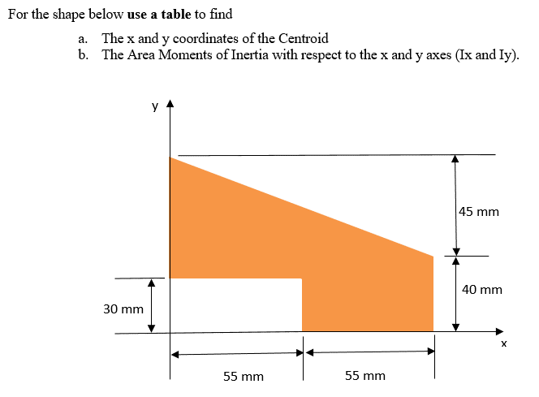
Problem 4 (20 pts) |  |  |  |  |  |  |  | PLEASE DON'T ADD MORE ROWS FOR SOLVING THE PROBLEM.
 |  |  |  |  |  |  |  | IF MORE SPACE IS NEEDED PLEASE USE THIS AREA.

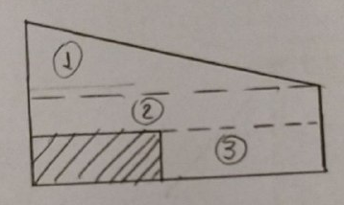
Inputs - List values to be used for calculations below
Name | Value | Units
hT = | 110 | mm
bT = | 45 | mm
l2 = | 10 | mm
L2 = | 110 | mm
l3 = | 30 | mm
L3 = | 55 | mm

Find
Part a) The x and y coordinates of the Centroid (10 pts)

Shape | Area (mm^2) | x_bar (mm) | y_bar (mm) | Ax_bar (mm^3) | Ay_bar (mm^3)
1 | 2475 | 36.666666667 | 55 | 90750 | 136125
2 | 1100 | 55 | 35 | 60500 | 38500
3 | 1650 | 82.5 | 15 | 136125 | 24750
Sum | 5225 |  |  | 287375 | 199375

Composite Results:
Description | Calculation | Units
x_bar | 55 | mm
y_bar | 38.157894737 | mm

Part b) The Area Moments of Inertia, Ix and Iy, with respect to x and y axes (10 pts)

Shape | Ix (mm^4) | Iy (mm^4) | Area (mm^2) | dx | dy | Adx^2 | Ady^2
1 | 835312.5 | 4991250 | 2475 | -18.333333333 | 16.842105263 | 831875 | 702049.8615
2 | 36666.666667 | 4436666.6667 | 1100 | 0 | -3.1578947368 | 0 | 10969.529086
3 | 495000 | 1663750 | 1650 | 27.5 | -23.157894737 | 1247812.5 | 884875.34626
Sum | 1366979.1667 | 11091666.667 | 5225

Composite Results:
Description | Calculation | Units
Ix
Iy

Problem 5
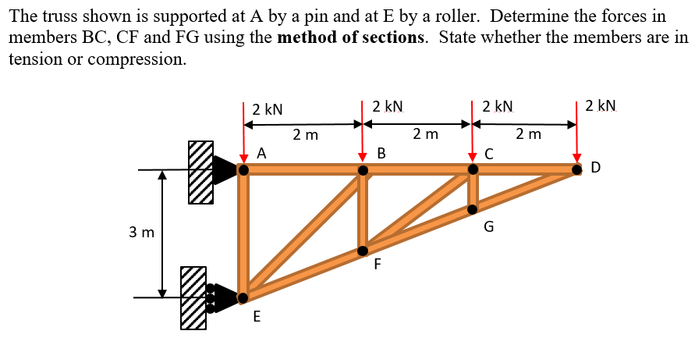
Problem 5 (20 pts) |  |  |  |  | PLEASE DON'T ADD MORE ROWS FOR SOLVING THE PROBLEM.
 |  |  |  |  | IF MORE SPACE IS NEEDED PLEASE USE THIS AREA.

Inputs - List values to be used for calculations below
Name | Value | Units

dCD = | 2 | m
dCF = | 1 | m

Find
Using the method of sections, determine the force in members BC, CF and FG
Include the following as your move through your analysis:
FBDs and assumptions - copy/paste hand sketch or use drawing tools
Equilibrium and Other Equations and Results - Type or handwrite your equations and copy/paste here
Record results in table below

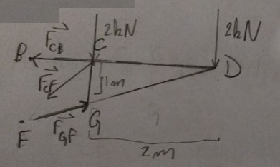
 |  |  |  | Ridid bodies
 |  |  |  | Weightless truss
 |  |  |  | 2D bodies
 |  |  |  | Ideal pins and roller

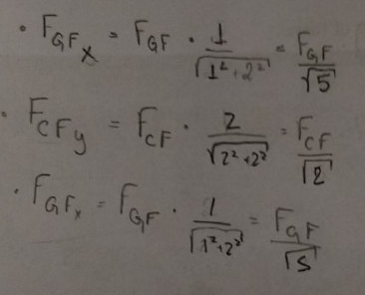
Equations to the right

FGFx = | 4000
FGF = | 8944.27191
FGFy = | 6324.5553203
FCFy = | 2324.5553203
FCF = | 3287.4176605
FCFx = | 2324.5553203
FCB = | 1675.4446797

Description | Calculation | Units | Tension or Compression
FBC | 1675.4446797 | N | Tension
FCF | 3287.4176605 | N | Tesnion
FFG | 8944.27191 | N | Compression

Ref-Support Reactions
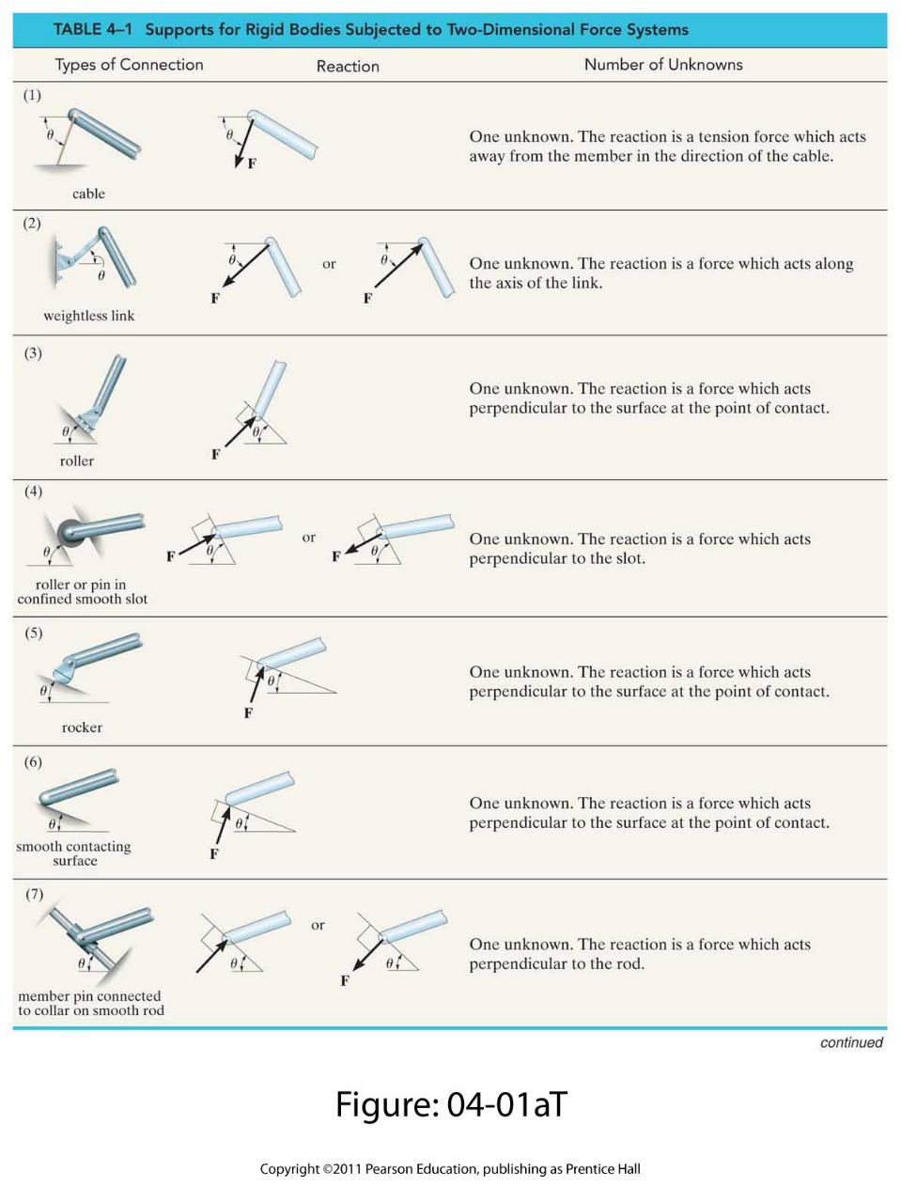

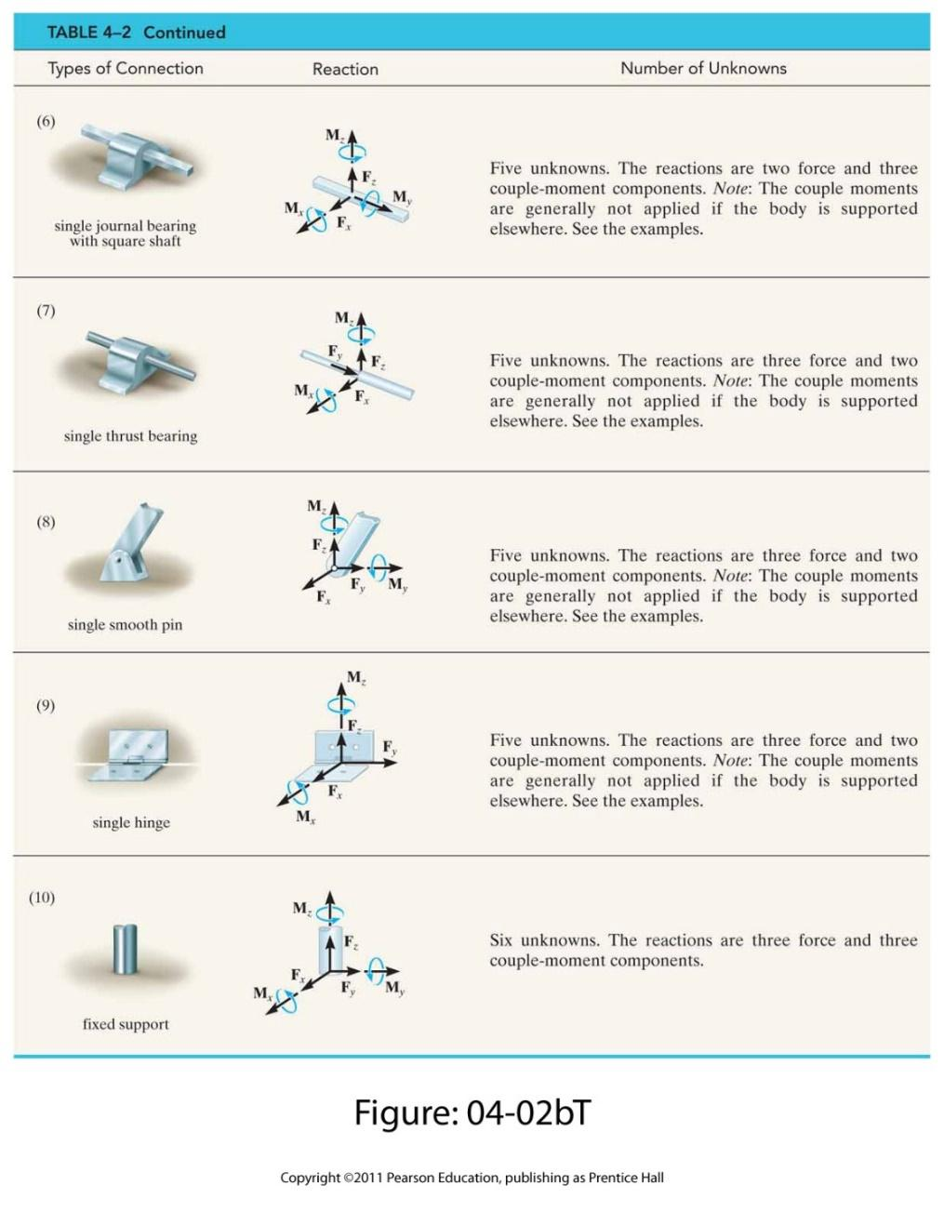

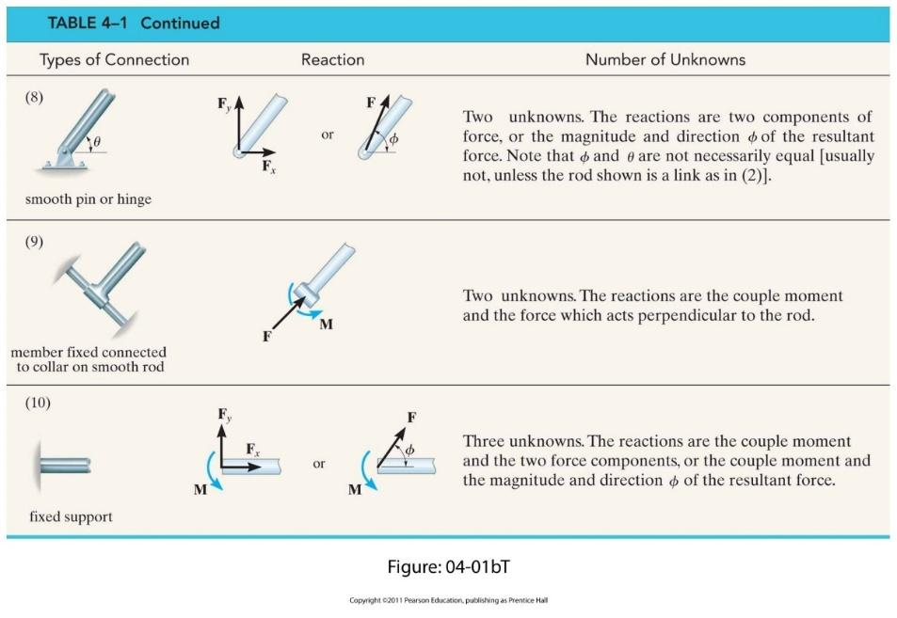

Ref-Properties of Plane Figs
