General Info
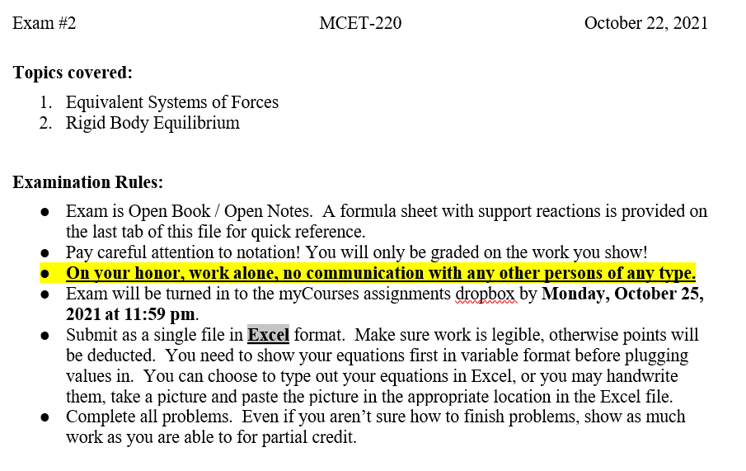

Problem 1
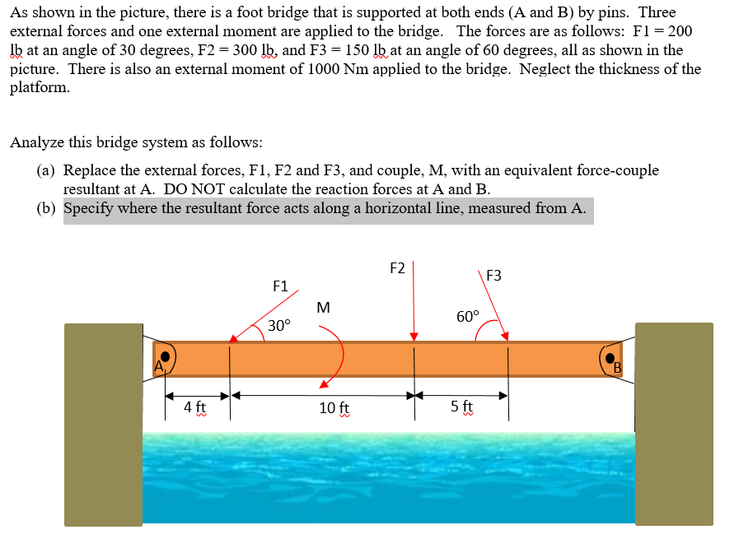
 |  |  |  |  |  | PLEASE DON'T ADD MORE ROWS FOR SOLVING THE PROBLEM.
Given: |  |  |  |  |  | IF MORE SPACE IS NEEDED PLEASE USE THIS AREA.

 |  |  |  |  | Inputs: |  | _i | j | | • | | Unit
 |  |  |  |  |  | F1 | -173.20508076 | -100 | 200 | <lb>
 |  |  |  |  |  | F2 | 1.8369701987E-14 | -300 | 300 | <lb>
 |  |  |  |  |  | F3 | 75 | -129.90381057 | 150 | <lb>
 |  |  |  |  |  | M |  |  | -1000 | <lb•ft>
 |  |  |  |  | Distance from point of application to A | dAP1 |  |  | 4 | ft
 |  |  |  |  |  | dAP2 |  |  | 14 | ft
 |  |  |  |  |  | dAP3 |  |  | 19 | ft

Inputs:

Find:
(a) Replace the external forces, F1, F2 and F3, and couple, M, with an equivalent force-couple
resultant at A. DO NOT calculate the reaction forces at A and B.
SHOW YOUR WORK! Show your equations with variables before plugging in values.
Use equations in the cells to find your intermediate and final solutions.
Equations:
∑F = F1 + F2 + F3
∑Fx = F1x + F2x + F3x
∑Fy = F1y + F2y + F3y
ΣMA = ∑rxF + ∑C = dAP1 * F1y + dAP2 * F2y + dAP3 * F3y + M
Analysis: |  |  | Unit
 | ∑Fx = Frx = | -98.205080757 | <lb>
 | ∑Fy = Fry = | -529.90381057 | <lb>
 | ∑Ma = Mra = | -8068.1724008 | <lb•ft>

Based on above equations input the calculations for your solutions below. Don't forget the units.
Description | Calculation | Units
Resultant Force, FR | 538.92697682 | lb
Angle of Force, q | 79.500709307 | degrees | Or, q = | 259.31984651
Resultant Couple, MRA | -8068.1724008 | lb•ft

b. Replace the external loading by a single resultant force (do not include the
reactions of the pins). Specify where the force acts, measured from end A.
SHOW YOUR WORK! Show your equations with variables before plugging in values.
Use equations in the cells to find your intermediate and final solutions.

MRA = FRy * d => d = MRA/FRy

 | i | j | Units
Resultant force = | -98.205080757 | -529.90381057 | <lb>

Based on above equations input the calculations for your solutions below. Don't forget the units.
Description | Calculation | Units
Resultant Force Location, x | 15.225730104 | ft

Problem 2
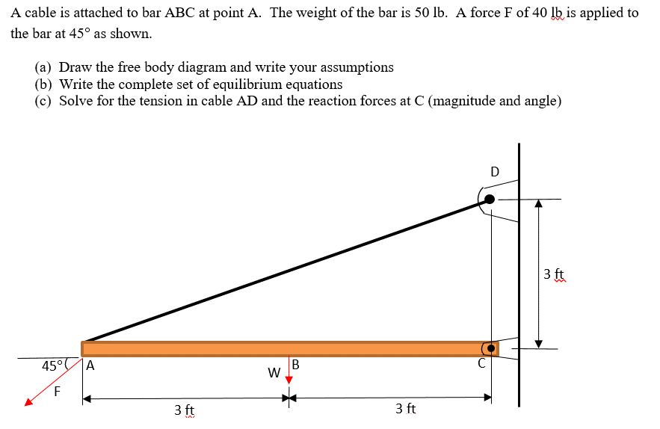
Problem 2 (30 pts) |  |  |  |  |  | PLEASE DON'T ADD MORE ROWS FOR SOLVING THE PROBLEM.
Given: |  |  |  |  |  | IF MORE SPACE IS NEEDED PLEASE USE THIS AREA.

 |  |  |  | Inputs: |  | i | j | | • | | Units
 |  |  |  |  | F | 28.284271247 | 28.284271247 |  | <lb>
 |  |  |  |  | W | 0 | 50 |  | <lb>
 |  |  |  |  | dCW |  |  | 3 | ft
 |  |  |  |  | dCA |  |  | 6 | ft

Inputs:

Find
(a) Draw the free body diagram and write your assumptions
Assume:
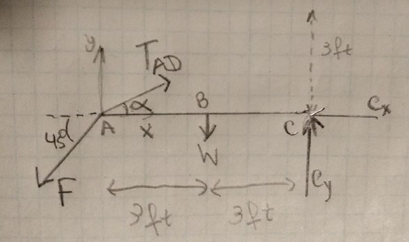
 |  |  | Rigid Body
 |  |  | Ideal hinge (at C)
 |  |  | Weightless rope
 |  |  | 2D bar

 |  |  |  |  |  |  | Units
b) Write the symbolic equations of equilibrium |  |  |  | 1) | 6Fy - 6TADy + 3W = 0
∑Fx: -Fx + TADx - Cx = 0 |  |  |  | ∑Mc | TADy = (6Fy + 3W) / 6
∑Fy: -Fy + TADy - W + Cy = 0 |  |  |  |  | TADy = | 53.284271247 | lb
∑Mc: ∑F*d = 0
∑Mc: Fy *dCA - TADy *dCA + W * dCW = 0 |  |  |  | 2) | -Fy + TADy - W + Cy = 0
 |  |  |  | ∑Fy | Cy = Fy - TADy + W
 |  |  |  |  | Cy = | 25 | lb

 |  |  |  | 3) | 𝞪 = atan(3/6) (See |CD| = 3 and |AC|=6)
(c) Solve for the tension in cable AD and the reaction forces at C (magnitude and angle) |  |  |  |  | 𝞪 = | 26.565051177 | degrees
Based on above equations input the calculations for your solutions below. Don't forget the units.
Description | Calculation | Units |  | 4) | TADy = TAD*sin(𝞪)
TAD = | 119.14725264 | lb |  |  | TAD = TADy/sin(𝞪)
Cx = | 78.28 | lb |  |  | TAD = | 119.14725264 | lb
Cy = | 25.00 | lb
 |  |  |  | 5) | TADx = TAD * cos(𝞪)
Magnitude C = | 82.18 | lb |  |  | TADx = | 106.56854249 | lb
Theta C = | 17.71 | degrees
 |  |  |  | 6) | Cx = TADx - Fx
 |  |  |  | ∑Fx | Cx = | 78.284271247 | lb

Problem 3
Problem 3 (40 pts) |  |  |  |  |  |  |  |  |  |  |  | PLEASE DON'T ADD MORE ROWS FOR SOLVING THE PROBLEM.
Given: |  |  |  |  |  |  |  |  |  |  |  | IF MORE SPACE IS NEEDED PLEASE USE THIS AREA.

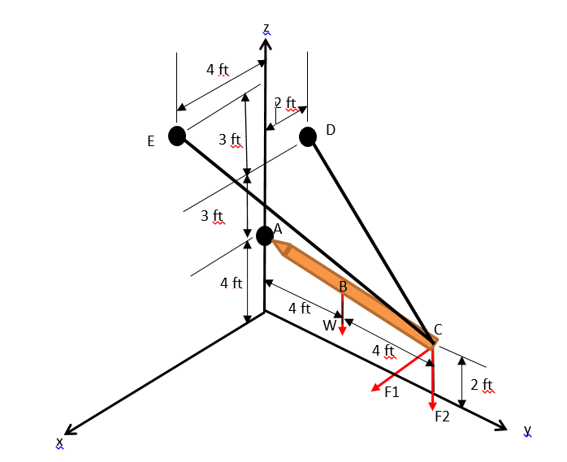

Inputs:

(a) Draw the free body diagram of the pole (you do not need to include dimensions), make a list of all of the
coordinates for each point, and write your assumptions.
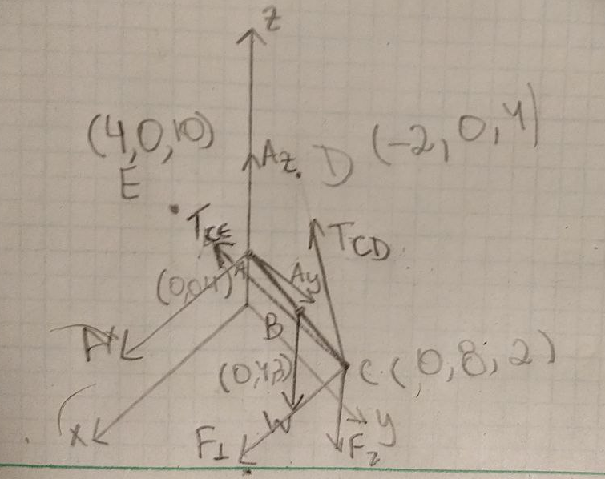
 |  |  |  |  |  | Frictionless ball socket joint
 |  |  |  |  |  | Weightless ropes
 |  |  |  |  |  | Rigid body
 |  |  |  |  |  | 2D pole

 |  |  |  |  |  |  |  |  |  | |F1| = | 40
 | x | y | z |  |  |  |  |  |  | |F2| = | 30
A | 0 | 0 | 4 |  |  |  |  |  |  | |W| = | 25
B | 0 | 4 | 3 | Note B is midpoint of AC
C | 0 | 8 | 2 |  |  |  |  |  |  |  | i | j | k | Unit
D | -2 | 0 | 7 |  |  |  |  |  |  | rCE | 4 | -8 | 8 | <ft> | |rCE| = | 12
E | 4 | 0 | 10 |  |  |  |  |  |  | rCD | -2 | -8 | 5 | <ft> | |rCD| = | 9.643650761
 |  |  |  |  |  |  |  |  |  | eCE | 0.33333333333 | -0.66666666667 | 0.66666666667 | <ft>
 |  |  |  |  |  |  |  |  |  | eCD | -0.20739033895 | -0.82956135578 | 0.51847584737 | <ft>

(b) Write the full set of equilibrium equations for the pole.
∑Fx: Ax + TCEx + TCDx + F1 = 0
∑Fy: Ay + TCEy + TCDy = 0 |  |  |  |  |  |  |  |  |  | rAC | 0 | 8 | -2 | <ft>
∑Fz: Az + TCEz + TCDz + W + F2 = 0 |  |  |  |  |  |  |  |  |  | rAB | 0 | 4 | -1 | <ft>
∑Ma: = ∑rxF + ∑C = ∑rxF = 0
∑Ma: = rABxW + rACxTCE + rACxTCD = |W| * rAB x k + |TCE| * rAC x eCE + |TCD| * rAC x eCD |  |  |  |  |  |  |  |  |  |  | i | j | k |  | i | j | k
 |  |  |  |  |  |  |  |  |  | rAB x k | 0.00 | 4.00 | -1.00 | = | 4 | 0 | 0
Copied from right side |  |  |  |  |  |  |  |  |  |  | 0.00 | 0.00 | 1.00
∑Max: | 4W + 4TCE = 0
∑May: | -0.667TCE + 0.2074TCD = 0 |  |  |  |  |  |  |  |  |  | i | j | k
∑Maz: | -2.667TCE + 0.8296TCD = 0 |  |  |  |  |  |  |  |  | rAC x eCE | 0.00 | 8.00 | -2.00 | = | 4 | -0.66666666667 | -2.6666666667
 |  |  |  |  |  |  |  |  |  |  | 0.33 | -0.67 | 0.67
Note that:
TCEx = |TCE| * eCEx * i |  |  | TCDx = |TCD| * eCDx * i |  |  |  |  |  |  |  | i | j | k
TCEy = |TCE| * eCEy * j |  |  | TCDy = |TCD| * eCDy * j |  |  |  |  |  |  | rAC x eCD | 0.00 | 4.00 | -1.00 | = | 1.2443420337 | 0.20739033895 | 0.82956135578
TCEz = |TCE| * eCEz * k |  |  | TCDz = |TCD| * eCDz * k |  |  |  |  |  |  |  | -0.21 | -0.83 | 0.52

(c) Solve for the tension in the cables CD and CE and for the reaction forces at A. Show the results in vector
form. Set up an Augmented Matrix from the equations in part b and use MatLab or equivalent to find the
unknown forces.

Augmented Matrix for RREF
 | TCE | TCD | Ax | Ay | Az | b | From Matlab
i | 0.33 | -0.21 | 1.00 | 0.00 | 0.00 | -40.00 | Ax = | -35.7266 | this means I drew in the wrong direction
j | -0.67 | -0.83 | 0.00 | 1.00 | 0.00 | 0.00 | Ay = | 41.7045
k | 0.67 | 0.52 | 0.00 | 0.00 | 1.00 | 55.00 | Az = | 25.7266
i | 4.00 | 1.24 | 0.00 | 0.00 | 0.00 | 100.00 | ||TCD|| = | 40.10
j | -0.67 | 0.21 | 0.00 | 0.00 | 0.00 | 0.00 | ||TCE|| = | 12.57
k | -2.67 | 0.83 | 0.00 | 0.00 | 0.00 | 0.00

Based on above equations input the calculations for your solutions below. Don't forget the units.
Description | Calculation | Units |  | i | j | k | Units
||TCD|| = | 40.10 | lb | TCD= | -8.32 | -33.27 | 20.791192565 | <lb>
||TCE|| = | 12.57 | lb | TCE = | 4.19 | -8.38 | 8.38 | <lb>
||A|| = | 60.64 | lb | A = | -35.73 | 41.70 | 25.73 | <lb>

(d) Show the results from part c as magnitudes and the angles from the x, y and z axes.
Hint: you will have 9 angle values in total.

||TCD|| = | 40.10 | lb | ||TCE|| = | 12.57 | lb
qTCDx = | 101.97 | ° | qTCEx = | 70.53 | °
qTCDy = | 146.05 | ° | qTCEy = | 131.81 | °
qTCDz = | 58.77 | ° | qTCEz = | 48.19 | °

||A|| = | 60.64 | lb
qAx = | 126.10 | °
qAy = | 46.55 | °
qAz = | 64.90 | °

Ref-Support Reactions
