General Info


Problem 1
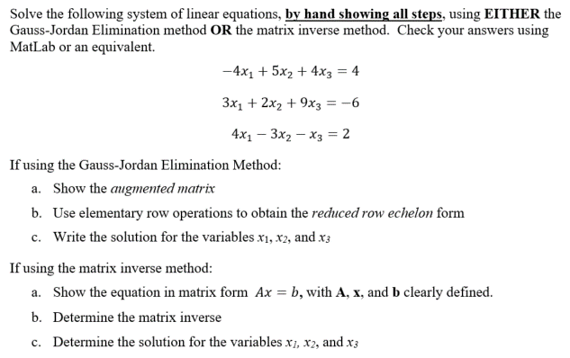
Problem 1 (25 points total) |  |  |  |  |  |  |  | PLEASE DON'T ADD MORE ROWS FOR SOLVING THE PROBLEM.
 |  |  |  |  |  |  |  | IF MORE SPACE IS NEEDED PLEASE USE THIS AREA.

Find
If using the Gauss-Jordan Method, show your work in this section:
Express the system of equations in Matrix Form: Ax=b in the boxes below.

 | -4 | 5 | 4 | x1 |  | 4
 | 3 | 2 | 9 | x2 | = | -6
 | 4 | -3 | -1 | x3 |  | 2

a) Show the augmented matrix in the box below.

 | -4 | 5 | 4 | 4
M = | 3 | 2 | 9 | -6
 | 4 | -3 | -1 | 2

b) Use elementary row operations to obtain the Gauss-Jordan or reduced row echelon form
(RREF) "by hand" (in this spreadsheet) and solve for the three variables x1, x2, and x3.
In column H, show the operation you are performing on each row. For example, "R2/3" or
"-2*R1 + R2"
Show your work in the boxes below. Use an equation in each cell to find your answer.
Don't just type the answer in the cell.
 |  |  |  |  | Operations being performed:
 | 1 | -1.25 | -1 | -1 | R1 = -1/4 * R1
 | 3 | 2 | 9 | -6
 | 0 | 2 | 3 | 6 | R3 = R3 + R1

 | 1 | -1.2500 | -1.0000 | -1.0000
 | 0 | 5.75 | 12 | -3 | R2 = R2 – 3R1
 | 0 | 1 | 1.5 | 3 | R3 = R3/2

 | 1 | 0.0000 | 0.8750 | 2.7500 | R1 = R1 + 1.25*R3
 | 0 | 1.0000 | 1.5000 | 3.0000 | R2 = R3 |  | (Swapping rows)
 | 0 | 0.0000 | 3.3750 | -20.2500 | R3 = R2 – 5.75*R3

 | 1 | 0.0000 | 0.8750 | 2.7500
 | 0 | 1.0000 | 1.5000 | 3.0000
 | 0 | 0.0000 | 1.0000 | -6.0000 | R3 = R3/3.375

 | 1 | 0 | 0 | 8 | R1 = R1 – 0.875*R3
 | 0 | 1 | 0 | 12 | R2 = R2 – 1.5*R3
 | 0 | 0.0000 | 1.0000 | -6.0000

Add more rows if needed to complete the RREF
c) Solution:
 | x1 = | x2 = | x3 =
 | 8 | 12 | -6.0000

If using the Inverse Matrix Method, show your work in this section:
Compute the inverse of the matrix A "by hand" (in this spreadsheet) and solve for the
three variables.
Show your work in the boxes below. Use an equation in each cell to find your answer.
Don't just type the answer in the cell.
a) Show the equation in matrix form Ax = b

 |  |  |  |  | =

b) Determine the Matrix Inverse - Show all work

A^-1 =

c) | Find x1, x2, x3

 | x1 =
 | x2 =
 | x3 =

Problem 2
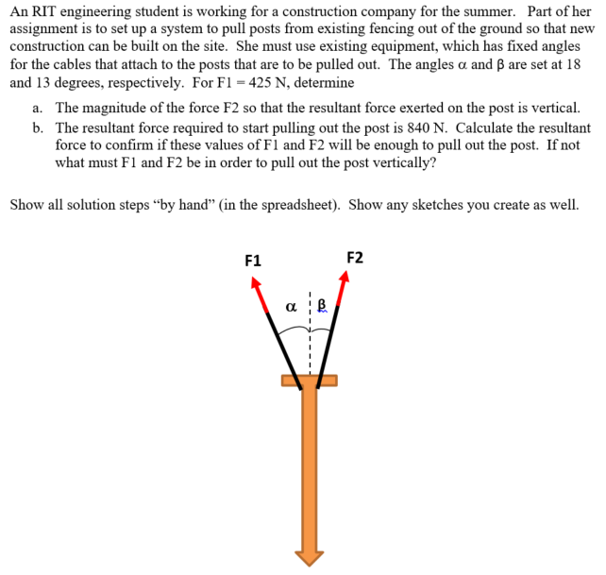
Problem 2 (30 points total) |  |  |  |  | PLEASE DON'T ADD MORE ROWS FOR SOLVING THE PROBLEM.
Given: |  |  |  |  | IF MORE SPACE IS NEEDED PLEASE USE THIS AREA.

Record the inputs here to use in your calculations below.
Description | Value | Units
alfa | 18 | degrees
beta | 13 | degrees
|F1| | 425 | N
|F3| | 840 | N
Find:
Show sketches here. Use Excel drawing tools or draw by hand then scan and insert pictures here.
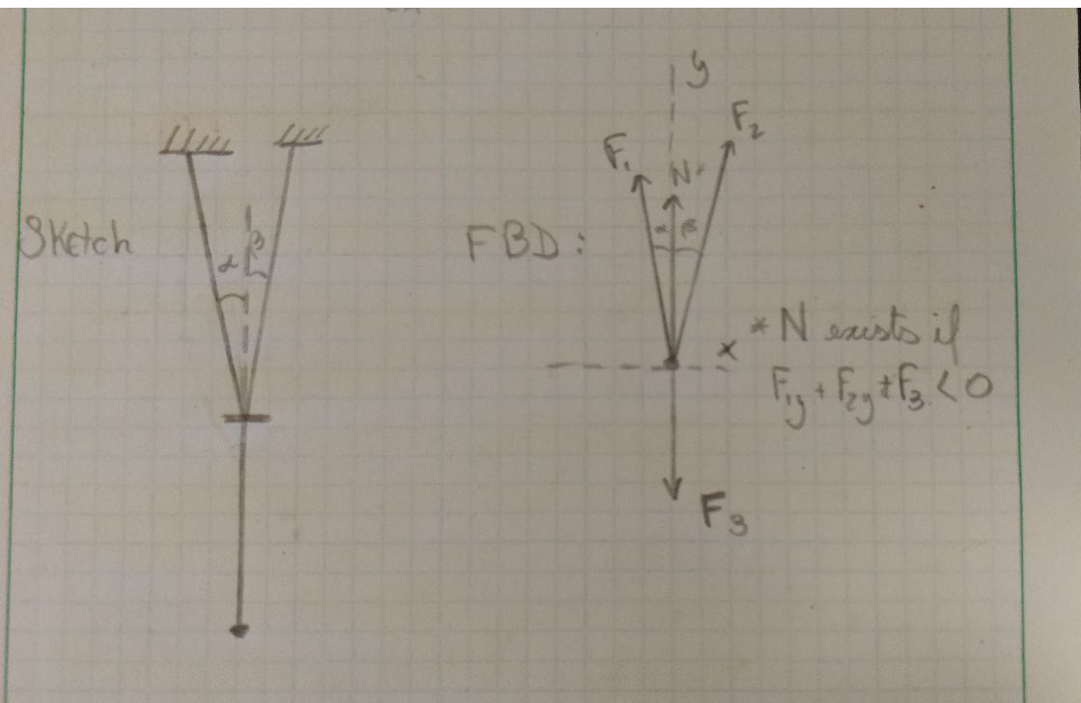

 |  |  |  | * After calculation it is possible to see
 |  |  |  | that there is no normal force,
 |  |  |  | as indicated in the image

a) The magnitude of the force F2 so that the resultant force exerted on the post is vertical.
Show all of your work here, starting with equations using variables. Then plug in the input values given to find the solution.
Basic Laws:
Considering resultant on the x-direction is zero:
åFx = 0
Analysis:
X-direction:
å|Fx| = |F1|*cos(90+alfa) + |F2|*cos(90 – beta) = 0
|F2| = -(|F1|*cos(90 + alfa))/cos(90 – beta)
Numbers:
 | |F2| = | 583.82577042

Based on above equations input the calculations for your solutions below. Don't forget the units.
Description | Calculation | Units
Force, F2 = | 583.82577042 | N

b) The resultant force required to start pulling out the post is 840 N. Calculate the resultant force to confirm if these values
of F1 and F2 will be enough to pull out the post. If not what must F1 and F2 be in order to pull out the post vertically?
Show all of your work here, starting with equations using variables. Then plug in the input values given to find the solution.
Analysis:
åF = åFx + åFy = 0 + åFy = åFy
åFy = F3y + F1y + F2y
åFy = |F3|*sin(270) + |F1|*sin(90+alfa) + |F2|*sin(90 – beta)

Numbers:
 | åF = åFy = |  | 133.06137317
 |  |  | Therefore the two cables are enough to pull out the post

Based on above equations input the calculations for your solutions below. Don't forget the units.
Description | Calculation | Units
Resultant Force, FR = | 133.06137317 | N
If FR is not sufficient to start pulling out the post, show what values of F1 and F2 are required.
Force, F1 new =
Force, F2 new =

Problem 3
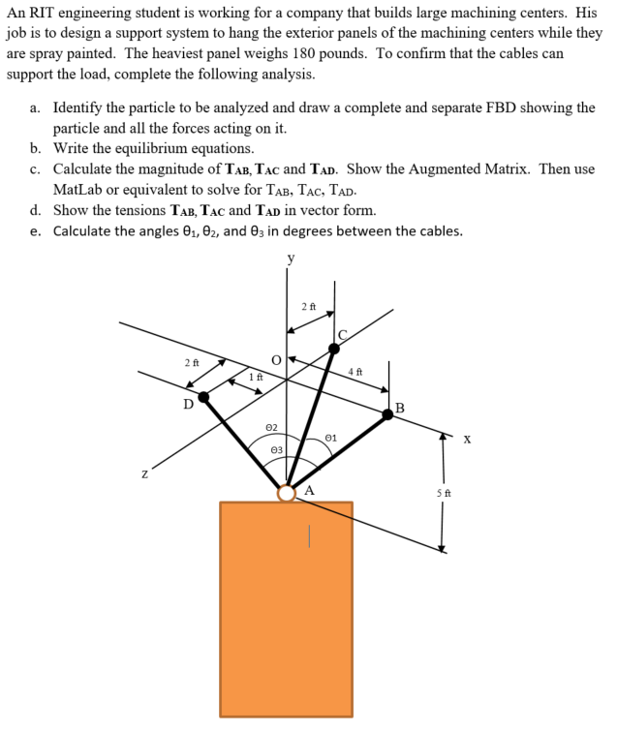
Problem 3 (45 points total) |  |  |  |  |  |  |  | PLEASE DON'T ADD MORE ROWS FOR SOLVING THE PROBLEM.
Given: |  |  |  |  |  |  |  | IF MORE SPACE IS NEEDED PLEASE USE THIS AREA.

Use these inputs for your calculations below.
Description | Value | Units
Check the right side starting from row 55 to row 63

Find:
a) Identify the particle to be analyzed and draw a complete and separate FBD showing the particle and all the
forces acting on it.
Sketch FDB with Excel drawing tools or draw by hand then scan and insert pictures here.
Document other information given in the drawing above in this area as well.
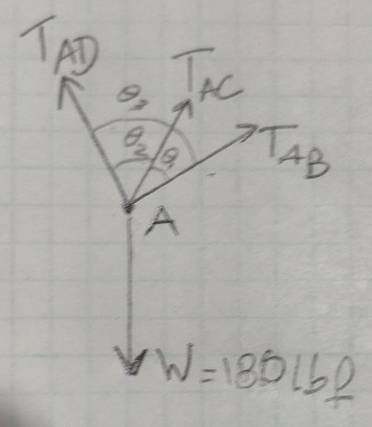

 |  |  |  |  | For other information, please find them
 |  |  |  |  | to the right of the question.
 |  |  |  |  | I could not make input and manipulation
 |  |  |  |  | fit nicely in the given area.

 |  |  |  |  |  | INPUTS:

 |  |  |  |  |  | |W| = | 180 | lb |  |  | lb to N factor: | 4.4482216153
 |  |  |  |  |  |  |  |  |  |  | ft to m factor: | 0.3048
 |  |  |  |  |  |  | Input positions from the drawing:

 |  |  |  |  |  |  | i | j | k | Units
 |  |  |  |  |  | A | 0 | -5 | 0 | ft
 |  |  |  |  |  | B | 4 | 0 | 0 | ft
 |  |  |  |  |  | C | 0 | 0 | -2 | ft
 |  |  |  |  |  | D | -1 | 0 | 2 | ft

 |  |  |  |  |  | Conversion:

 |  |  |  |  |  | |W| = | 800.67989075 | N
b) Write the equilibrium equations and any other equations and the results.
Use variables in your equilibrium equations.
Analysis: |  |  |  |  |  |  | i | j | k | Units
åF = åFx + åFy + åFz = 0 |  |  |  |  |  | A | 0 | -1.524 | 0 | m
åFx = TABx + TADx = 0 => |TAB|*eABi + |TAD|*eADi = 0 |  |  |  |  |  | B | 1.2192 | 0 | 0 | m
åFy = TABy + TACy + TADx + W = 0 => |TAB|*eABj + |TAC|*eACj + |TAD|*eADj + |W| = 0 |  |  |  |  |  | C | 0 | 0 | -0.6096 | m
åFz = TACx + TADx = 0 => |TAC|*eABk + |TAD|*eADk = 0 |  |  |  |  |  | D | -0.3048 | 0 | 0.6096 | m

Equations |  |  |  |  |  |  | Calculate Position Vectors:
|TAB|*eABi + |TAD|*eADi = 0
|TAB|*eABj + |TAC|*eACj + |TAD|*eADj = -|W| |  |  |  |  |  |  | i | i | k
|TAC|*eABk + |TAD|*eADk = 0 |  |  |  |  |  | rAB | 1.2192 | 1.524 | 0 | <m>
 |  |  |  |  |  | rAC | 0 | 1.524 | -0.6096 | <m>
 |  |  |  |  |  | rAD | -0.3048 | 1.524 | 0.6096 | <m>

 |  |  |  |  |  | magAB | 1.9516722676
 |  |  |  |  |  | magAC | 1.6413982332
 |  |  |  |  |  | magAD | 1.6694583553

 |  |  |  |  |  |  | i | i | k
 |  |  |  |  |  | eAB | 0.62469504755 | 0.78086880944 | 0 | <ft>
 |  |  |  |  |  | eAC | 0 | 0.92847669089 | -0.37139067635 | <ft>
 |  |  |  |  |  | eAD | -0.18257418584 | 0.91287092918 | 0.36514837167 | <ft>

c) Calculate the magnitude of TAB, TAC and TAD.
Show the Augmented Matrix with formulas to get each cell value in the matrix below.
Then use MatLab or equivalent to solve for TAB, TAC, TAD.
 | 0.6247 | 0.0000 | -0.1826 | 0
M = | 0.7809 | 0.9285 | 0.9129 | -800.67989075
 | 0.0000 | -0.3714 | 0.3651 | 0
 | AB | AC | AD | b
Magnitudes From MatLab or equiv |  | Units
TAB | -113.9428 | N
TAC | -383.2199 | N
TAD | -389.8326 | N

d) Show the tensions TAB, TAC and TAD in vector form.
Include your formulas in the cells below.
 | i | j | k | Units
TAB | -71.179502864 | -88.974378581 | 0 | <N>
TAC | 0 | -355.81074463 | 142.32429785 | <N>
TAD | 71.173369557 | -355.86684778 | -142.34673911 | <N>

e) Calculate the angles θ1, θ2, and θ3 in degrees between the cables.
Hint: How do you calculate angles between vectors? |  |  |  | a.b = |a|*|b|*cos(theta)
 |  | Units |  | cos(theta) = a.b/|a|*|b|
q1 | 43.529614145 | degrees |  | Theta = acos(a.b/|a|*|b|)
q2 | 44.604844163 | degrees | * In this case we can use the unit displacement vector as well
q3 | 53.217482485 | degrees | I chose to use the resultant forces because we have given magnitude.
 |  |  | The unit vector has magnitude one, but I was unsure how to use that in the excel file in terms of the exam

