DATA
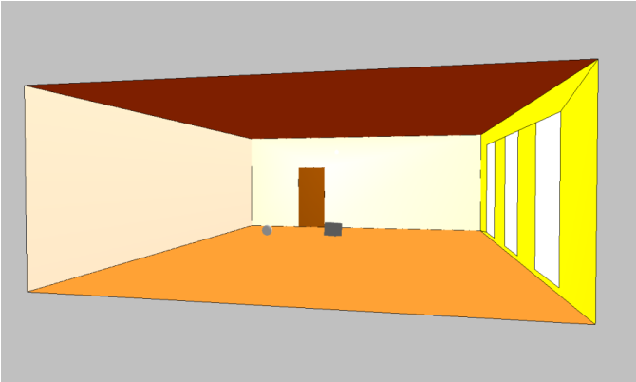
 | classrooms |  | area [m^2]
 | 1 | 2 | 3
 | area [m^2] | area [m^2] | area [m^2]

ceiling S2
facade S6
internal wall S5
floor S1 | 62.05
ceiling S2 | 62.05
rear wall S3 | 23.7
wall S3
Door S4 | 1.8
height
window S7
internal wall S5_1 | 21.9
door S4
internal wall S5_2 | 21.9
length
facade wall S6 | 12.45
windows S7 | 9.45
width
floor S1
 | classrooms |  | dimensions
 | [m] | [m] | [m]
height | 3
length | 8.5
width | 7.3
 | [m^3] | [m^3] | [m^3]
volume | 186.15

CASE A
In octave bands, assign a low absorption coefficient to each surface of the classroom, according to the values plotted in the table given in the lessons’ slides
 |  | low sound absorption coefficients α
index | freq [Hz] | floor S1 | ceiling S2 | wall S3 | Door S4 | internal wall S5_1 | internal wall S5_2 | facade S6 | wind S7

0 | 125 | 0.15 | 0.08 | 0.1 | 0.3 | 0.74 | 0.74 | 0.12 | 0.55
1 | 250 | 0.11 | 0.29 | 0.05 | 0.25 | 0.37 | 0.37 | 0.09 | 0.25
2 | 500 | 0.1 | 0.75 | 0.06 | 0.2 | 0.45 | 0.45 | 0.07 | 0.18
3 | 1000 | 0.07 | 0.98 | 0.07 | 0.17 | 0.35 | 0.35 | 0.05 | 0.12
4 | 2000 | 0.06 | 0.93 | 0.09 | 0.15 | 0.36 | 0.36 | 0.05 | 0.07
5 | 4000 | 0.07 | 0.96 | 0.08 | 0.1 | 0.34 | 0.34 | 0.04 | 0.04

windows
internal walls
rear wall
facade
floor
ceiling
door

evaluate the average apparent absorption coefficient of the classroom

