Sheet1
CFU-C assay Day 12/ 13 counting
 |  |  |  |  |  |  |  | Average |  |  |  |  |  | STDEV
Sample | Replicate | BFU-E | CFU-G | CFU-M | CFU-GM | CFU-GEMM | Total | BFU-E | CFU-G | CFU-M | CFU-GM | CFU-GEMM | Total | BFU-E | CFU-G | CFU-M | CFU-GM | CFU-GEMM | Total
Mock | 1 | 224 | 38 | 37 | 30 | 16 | 345 | 215 | 36 | 28 | 44 | 15 | 338 | 9.5393920142 | 4.3588989435 | 8.1853527719 | 12.165525061 | 2.6457513111 | 9.643650761
Mock | 2 | 205 | 39 | 21 | 50 | 12 | 327
Mock | 3 | 216 | 31 | 26 | 52 | 17 | 342

NT | 1 | 233 | 24 | 27 | 76 | 53 | 413 | 252.33333333 | 31.333333333 | 35.666666667 | 83.333333333 | 44 | 446.66666667 | 22.4796204 | 7.5055534995 | 9.0184995056 | 18.147543452 | 8.5440037453 | 47.500877185
NT | 2 | 247 | 31 | 35 | 70 | 43 | 426
NT | 3 | 277 | 39 | 45 | 104 | 36 | 501

CDS_g1 | 1 | 34 | 39 | 30 | 159 | 10 | 272 | 51.666666667 | 31 | 30 | 175.66666667 | 8 | 296.33333333 | 15.695009823 | 8.5440037453 | 5 | 18.7705443 | 2 | 25.579940057
CDS_g1 | 2 | 57 | 32 | 25 | 172 | 8 | 294
CDS_g1 | 3 | 64 | 22 | 35 | 196 | 6 | 323

CDS_g2 | 1 | 66 | 33 | 32 | 177 | 13 | 321 | 86 | 37 | 31.333333333 | 162 | 10 | 326.33333333 | 17.435595774 | 7.8102496759 | 4.0414518843 | 13 | 3 | 8.3864970836
CDS_g2 | 2 | 98 | 46 | 27 | 155 | 10 | 336
CDS_g2 | 3 | 94 | 32 | 35 | 154 | 7 | 322

SNP_g1 | 1 | 561 | 25 | 49 | 75 | 12 | 722 | 616.66666667 | 46.333333333 | 52.333333333 | 93.333333333 | 7.3333333333 | 816 | 58.705479585 | 19.75685535 | 9.4516312525 | 17.156145643 | 4.0414518843 | 98.807894421
SNP_g1 | 2 | 611 | 50 | 45 | 96 | 5 | 807
SNP_g1 | 3 | 678 | 64 | 63 | 109 | 5 | 919

SNP_g2 | 1 | 324 | 36 | 31 | 91 | 1 | 483 | 335.66666667 | 37 | 32.333333333 | 88.333333333 | 2.3333333333 | 495.66666667 | 30.237945256 | 4.582575695 | 2.3094010768 | 3.0550504633 | 1.5275252317 | 23.692474192
SNP_g2 | 2 | 370 | 33 | 31 | 85 | 4 | 523
SNP_g2 | 3 | 313 | 42 | 35 | 89 | 2 | 481

CDS_g3 | 1 | 187 | 36 | 24 | 128 | 6 |  | 180.5 | 40.5 | 28 | 129.5 | 8.5 |  | 9.1923881554 | 6.3639610307 | 5.6568542495 | 2.1213203436 | 3.5355339059
CDS_g3 | 2 | 174 | 45 | 32 | 131 | 11

D12 CFU-C Assay
 | Average
 | BFU-E | CFU-GM | CFU-G | CFU-M | CFU-GEMM | Total
Mock | 224 | 30 | 38 | 37 | 16 | 345
NT | 233 | 76 | 24 | 27 | 53 | 413
CDS_g1 | 34 | 159 | 39 | 30 | 10 | 272
CDS_g2 | 66 | 177 | 33 | 32 | 13 | 321
SNP_g1 | 561 | 75 | 25 | 49 | 12 | 722
SNP_g2 | 324 | 91 | 36 | 31 | 1 | 483
CDS_g3 | 180.5 | 129.5 | 40.5 | 28 | 8.5

 | STDev
 | BFU-E | CFU-GM | CFU-G | CFU-M | CFU-GEMM | Total
Mock | 9.5393920142 | 12.165525061 | 4.3588989435 | 8.1853527719 | 2.6457513111 | 9.643650761
NT | 22.4796204 | 18.147543452 | 7.5055534995 | 9.0184995056 | 8.5440037453 | 47.500877185
CDS_g1 | 15.695009823 | 18.7705443 | 8.5440037453 | 5 | 2 | 25.579940057
CDS_g2 | 17.435595774 | 13 | 7.8102496759 | 4.0414518843 | 3 | 8.3864970836
SNP_g1 | 58.705479585 | 17.156145643 | 19.75685535 | 9.4516312525 | 4.0414518843 | 98.807894421
SNP_g2 | 30.237945256 | 3.0550504633 | 4.582575695 | 2.3094010768 | 1.5275252317 | 23.692474192
CDS_g3 | 9.1923881554 | 2.1213203436 | 6.3639610307 | 5.6568542495 | 3.5355339059

D12 CFU-C Assay
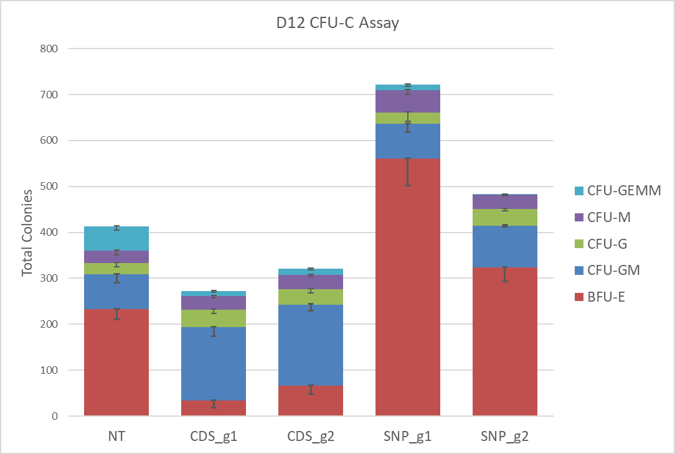

Secondary CFU-C assay
NC7 | 252.66666667
SNP_g1 | 249.66666667
SNP_g2 | 227.66666667
 | Total secondary CFU-C |  |  | Average | STDEV
NC7 | 287 |  |  | 252.66666667 | 30.237945256
NC7 | 230
NC7 | 241

SNP_g1 | 230 |  |  | 249.66666667 | 51.403631519
SNP_g1 | 211
SNP_g1 | 308

SNP_g2 | 268 |  |  | 227.66666667 | 40.00416645
SNP_g2 | 188
SNP_g2 | 227

