Results
Result summary
 | units | Ref (2022) | Current (year 2050) | Reformed scenario (year 2050) | Mitigation
Cattle population | Number | 1,783,144 | 2,670,433 | 2,483,219
Sheep population | Number | 5,515,595 | 9,013,964 | 9,911,084
Goat population | Number | 685,370 | 16,668 | 18,160
Milk production (cattle) | kg/ year | 1,349,180,253.00 | 2,035,902,560.00 | 2,607,881,465.00
Carcass weight production (cattle) | kg/ year | 88,048,934.33 | 130,259,890.45 | 170,000,511.22
Carcass weight production (Sheep) | kg/ year | 55,457,470.44 | 90,632,405.72 | 141,293,397.46
Carcass weight production (Goat) | kg/ year | 5,227,977.21 | 127,144.53 | 195,844.52
Total protein production | kg/year | 71,038,710.00 | 106,723,544.00 | 140,748,787.00 | 96193953
Total direct emissions | million tCO-eq) | 4.67 | 6.96 | 7.50 | 5.21
*Direct emissions from cattle, goats, and sheep, including methane (enteric fermentation, manure management) and N₂O (manure management, manure left on pasture).

Emissions summary
Emission data | FAOstat total direct livestock emissions (Tier 1) | FAO direct emission selected sample (Tier 1)* | estimated emissions (Tier 2)*
2000 | 3.17 | 2.68
2005 | 3.37 | 2.87
2010 | 4.23 | 3.66
2015 | 4.85 | 4.20
2020 | 5.47 | 4.73
2022 | 5.59 | 4.84 | 4.67
2023 |  |  | 4.75
*Direct emissions from cattle, goats, and sheep, including methane (enteric fermentation, manure management) and N₂O (manure management, manure left on pasture).

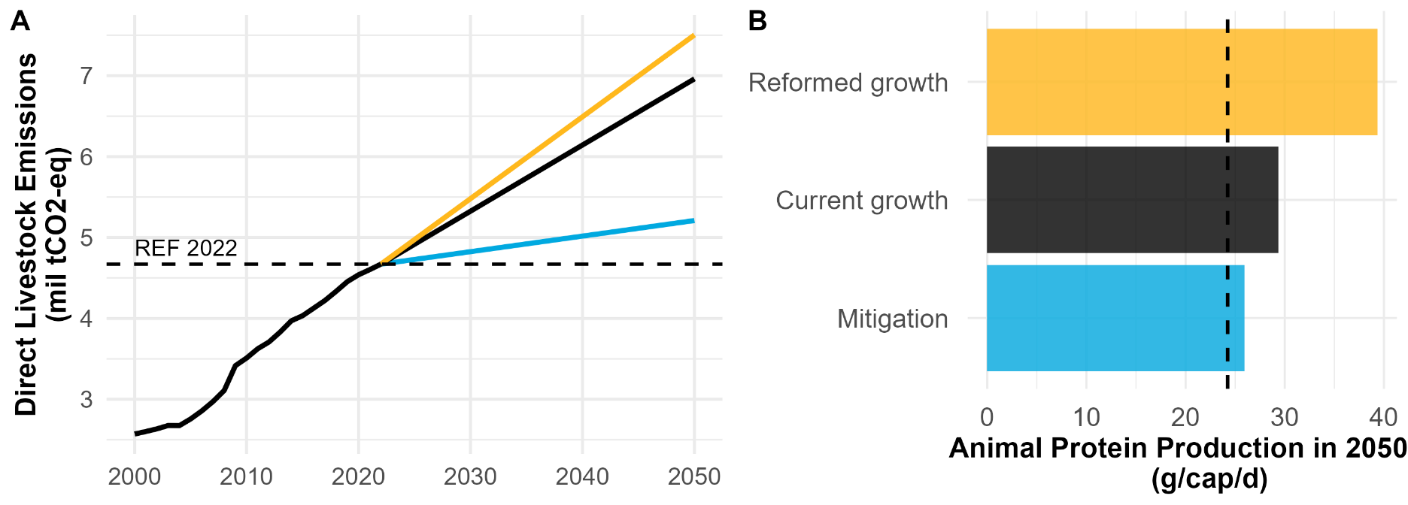
Results model
 |  | Total_direct | Protein_total | Meat_protein | Milk_protein | Year | Country | Population | EI | Protein_cap
Scenario

1 | Broiler | 5210014695 | 96193953 | 39014784 | 57179169 | 2050 | KYR | 9642953 | 54.16156 | 27.33033
2 | Current | 6961438554 | 106723544 | 33430905 | 73292639 | 2050 | KYR | 9642953 | 65.2287 | 30.32197
3 | Herd | 5759103909 | 106723544 | 39453934 | 67269610 | 2050 | KYR | 9642953 | 53.96282 | 30.32197
4 | Mitigation_eff | 7164165331 | 139807348 | 46894213 | 92913135 | 2050 | KYR | 9642953 | 51.24312 | 39.72163
5 | REF | 4671045138 | 71038710 | 22470626 | 48568084 | 2022 | KYR | 6955788 | 65.75352 | 27.98053
6 | Reformed | 7504271802 | 140748787 | 46875675 | 93873112 | 2050 | KYR | 9642953 | 53.31678 | 39.98911
7 | Resilience | 7504271802 | 140748787 | 46875675 | 93873112 | 2050 | KYR | 9642953 | 53.31678 | 39.9891

 | Year | GHG (mil tCO2) | EI | Protein (ton) | Protein (g/cap/d) |  | Total mitigation potential:
Reference year | 2022 | 4.7 | 65.8 | 71.0 | 28.0 |  | 1751423859
Current growth | 2050 | 7.0 | 65.2 | 106.7 | 30.3
% difference compared to BAU
Resilient growth | 2050 | 8% | -18% | 32% | 32%
Mitigation | 2050 | -25% | -17% | -10% | -10%

Results model
 |  | Total_direct | Protein_total | Meat_protein | Milk_protein | Year | Country | Population | EI | Protein_cap
Scenario

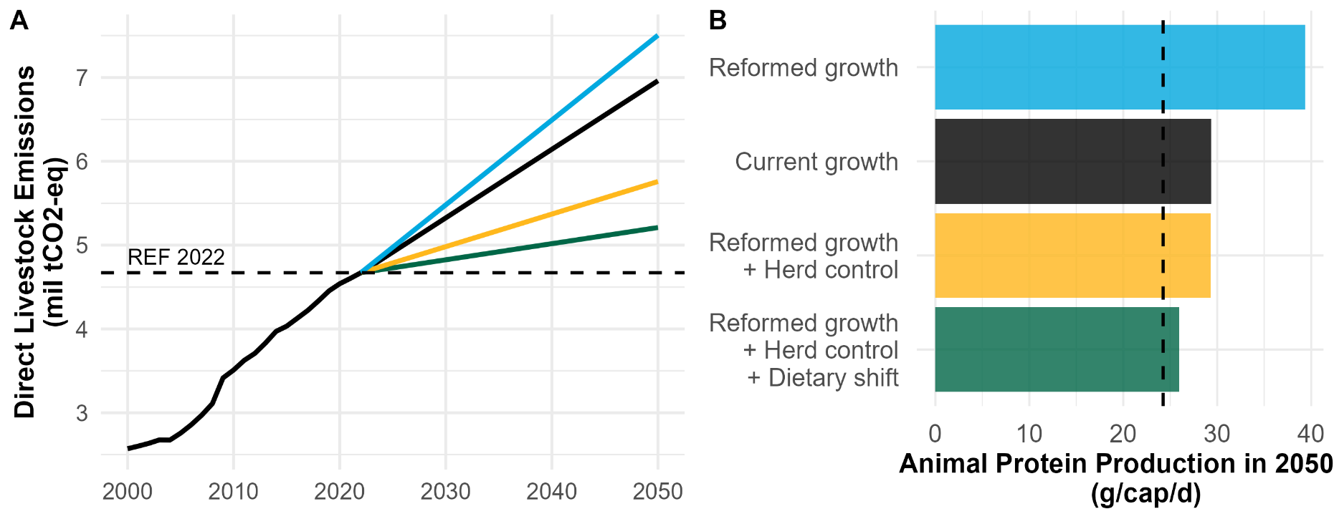
1 | Broiler | 5210014695 | 96193953 | 39014784 | 57179169 | 2050 | KYR | 9642953 | 54.16156 | 27.33033
2 | Current | 6961438554 | 106723544 | 33430905 | 73292639 | 2050 | KYR | 9642953 | 65.2287 | 30.32197
3 | Herd | 5759103909 | 106723544 | 39453934 | 67269610 | 2050 | KYR | 9642953 | 53.96282 | 30.32197
4 | Mitigation_eff | 7164165331 | 139807348 | 46894213 | 92913135 | 2050 | KYR | 9642953 | 51.24312 | 39.72163
5 | REF | 4671045138 | 71038710 | 22470626 | 48568084 | 2022 | KYR | 6955788 | 65.75352 | 27.98053
6 | Reformed | 7504271802 | 140748787 | 46875675 | 93873112 | 2050 | KYR | 9642953 | 53.31678 | 39.98911
7 | Resilience | 7504271802 | 140748787 | 46875675 | 93873112 | 2050 | KYR | 9642953 | 53.31678 | 39.9891

 | Year | GHG (mil tCO2) | EI | Protein (ton) | Protein (g/cap/d)
Reference year | 2022 | 4.7 | 65.8 | 71.0 | 28.0
Current growth | 2050 | 7.0 | 65.2 | 106.7 | 30.3
% difference compared to BAU
Reformed growth | 2050 | 8% | -18% | 32% | 32%
+Herd control | 2050 | -17% | -17% | 0% | 0%
+Dietary shift | 2050 | -25% | -17% | -10% | -10%

